Angola_day2
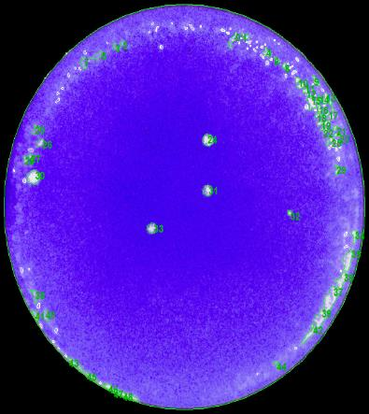
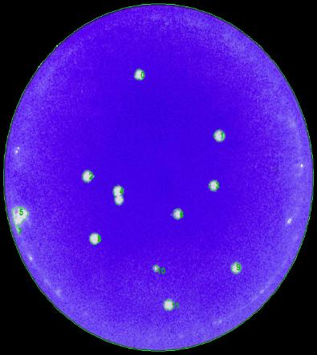
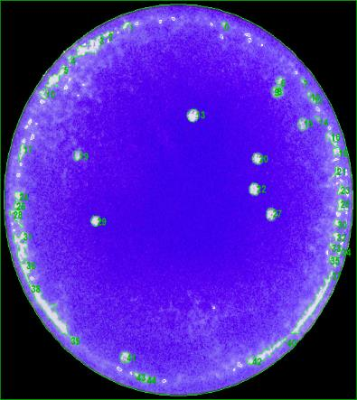
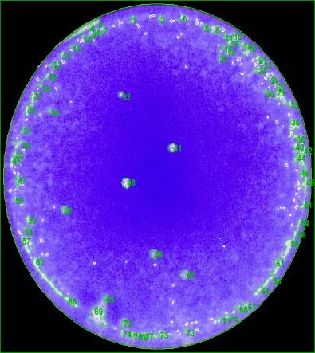
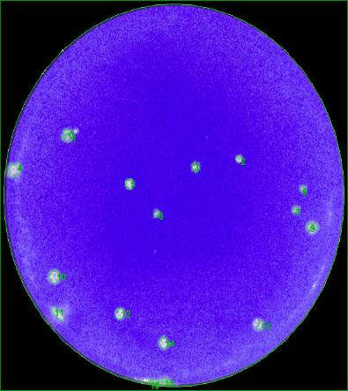
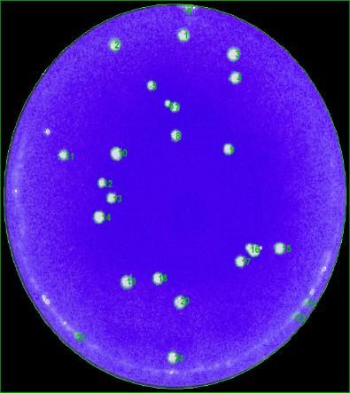
2NPC1 |  |  |  |  |  |  | Y420S |  |  |  |  |  |  | P424A |  |  |  |  |  |  | S425L |  |  |  |  |  |  | D502E |  |  |  |  |  |  | D508N
Index | X | Y | Size [sqmm] | Mean Spot Intensity | Max Spot Intensity | Circularity | Index | X | Y | Size [sqmm] | Mean Spot Intensity | Max Spot Intensity | Circularity | Index | X | Y | Size [sqmm] | Mean Spot Intensity | Max Spot Intensity | Circularity | Index | X | Y | Size [sqmm] | Mean Spot Intensity | Max Spot Intensity | Circularity | Index | X | Y | Size [sqmm] | Mean Spot Intensity | Max Spot Intensity | Circularity | Index | X | Y | Size [sqmm] | Mean Spot Intensity | Max Spot Intensity | Circularity
24 | 19.663293387 | 23.153970338 | 0.917399177 | 78.51% | 93.73% | 1.3200423076 | 0 | 15.274065378 | 27.680564122 | 0.86115890251 | 79.18% | 90.20% | 1.2879591719 | 13 | 18.861843476 | 24.924188359 | 1.0632727778 | 78.71% | 92.16% | 1.4233152261 | 32 | 13.288933818 | 25.648756277 | 0.27943443766 | 64.70% | 87.84% | 1.2311954196 | 2 | 24.047303783 | 20.726340357 | 0.39015470247 | 71.99% | 88.24% | 1.2236596275 | 1 | 18.284410789 | 31.968074011 | 0.90158236409 | 82.77% | 91.37% | 1.3672234514
30 | 2.8447350558 | 19.925715423 | 1.2706546333 | 82.25% | 94.90% | 1.4224228007 | 1 | 24.236700951 | 21.569133154 | 1.0404229807 | 77.16% | 89.02% | 1.2357993214 | 19 | 7.3855198774 | 21.369184974 | 0.54481299013 | 74.57% | 89.80% | 1.2908279614 | 41 | 19.05668983 | 20.273725122 | 0.74868114252 | 69.16% | 89.41% | 1.2125965151 | 3 | 19.606449631 | 19.975315308 | 0.50966265767 | 70.90% | 89.80% | 1.492112475 | 2 | 11.307811354 | 31.127582464 | 0.84358523804 | 81.73% | 91.37% | 1.3291485387
31 | 19.619222289 | 18.813871833 | 0.71177352943 | 72.67% | 93.33% | 1.264626207 | 2 | 9.4884855383 | 17.505227999 | 1.0158189065 | 78.94% | 91.76% | 1.3735340211 | 20 | 25.249084252 | 21.084879358 | 0.84358502351 | 76.65% | 92.94% | 1.3641596983 | 48 | 13.839207421 | 16.735619276 | 0.91915645763 | 72.43% | 90.98% | 1.3888265457 | 5 | 12.859591596 | 18.44944945 | 0.70825918271 | 73.20% | 89.80% | 1.3082866878 | 3 | 23.340762319 | 30.260416686 | 1.0527271632 | 83.08% | 92.16% | 1.4973813786
32 | 27.559516955 | 16.893689058 | 0.16519853889 | 71.22% | 90.20% | 1.1877199389 | 3 | 23.604696812 | 16.585104538 | 0.79261852175 | 76.95% | 90.98% | 1.2867679307 | 22 | 24.965162178 | 18.343193962 | 0.93497348507 | 78.78% | 92.16% | 1.2308347239 | 52 | 6.8878276532 | 14.021498216 | 0.51493600133 | 70.29% | 87.06% | 1.2897697904 | 6 | 30.596073452 | 18.013196243 | 0.16519853889 | 73.73% | 87.45% | 1.4071510106 | 4 | 23.484749613 | 28.150127552 | 0.83831210892 | 81.25% | 91.76% | 1.2985587104
33 | 14.24888771 | 15.565057643 | 0.65377876331 | 71.55% | 91.76% | 1.4634095024 | 6 | 19.568638222 | 13.738220202 | 0.73989302306 | 74.79% | 88.24% | 1.2523567081 | 27 | 26.670648513 | 16.128986772 | 0.9490338755 | 76.76% | 91.76% | 1.2627798489 | 59 | 17.004604938 | 9.5853985325 | 0.77855813135 | 66.84% | 86.27% | 1.3613226653 | 7 | 29.826812087 | 16.089185289 | 0.21792382304 | 72.98% | 85.49% | 1.600619153 | 5 | 14.990165014 | 27.446422849 | 0.53426844819 | 76.61% | 89.80% | 1.2133967862
 |  |  |  |  |  |  | 8 | 10.238663901 | 11.256662829 | 0.98242542556 | 80.49% | 89.80% | 1.2547248735 | 29 | 9.1264512434 | 15.530640214 | 0.71352995191 | 76.57% | 91.37% | 1.1698296302 | 62 | 20.484738115 | 7.5157575684 | 0.71528894885 | 71.96% | 84.71% | 1.2800337375 | 8 | 15.665234359 | 15.728605557 | 0.31634140713 | 66.22% | 87.06% | 1.4492536765 | 6 | 16.669281057 | 25.81699353 | 0.28470627955 | 77.69% | 89.80% | 1.1683748738
 |  |  |  |  |  |  | 9 | 26.101393222 | 8.3593319218 | 0.8488568654 | 78.60% | 89.80% | 1.3659639443 | 41 | 12.123090471 | 3.3912600821 | 0.8154651008 | 77.94% | 92.16% | 1.4263349524 |  |  |  |  |  |  |  | 10 | 5.1813281888 | 9.9837390171 | 0.92267123345 | 78.24% | 90.20% | 1.4666821186 | 7 | 17.396613369 | 25.498603371 | 0.58347659662 | 79.19% | 90.59% | 1.2454546975
 |  |  |  |  |  |  | 10 | 17.121910765 | 8.2878195107 | 0.28470563594 | 70.61% | 87.45% | 1.0679990637 |  |  |  |  |  |  |  |  |  |  |  |  |  |  | 12 | 11.877565973 | 6.6520364277 | 0.72056100528 | 78.88% | 90.98% | 1.4430374521 | 8 | 17.504265527 | 22.916210748 | 0.73813552789 | 78.10% | 91.37% | 1.2299206721
 |  |  |  |  |  |  | 11 | 18.571712371 | 4.6171313038 | 0.85764391217 | 81.38% | 89.41% | 1.2124017825 |  |  |  |  |  |  |  |  |  |  |  |  |  |  | 14 | 16.376291482 | 3.9543352889 | 0.67486806172 | 79.45% | 90.59% | 1.540746613 | 9 | 22.829248125 | 21.645074385 | 0.77679977803 | 77.71% | 91.37% | 1.2521961098
 |  |  |  |  |  |  |  |  |  |  |  |  |  |  |  |  |  |  |  |  |  |  |  |  |  |  |  |  |  |  |  |  |  |  | 10 | 11.458239252 | 21.25978155 | 1.0597543549 | 79.97% | 91.37% | 1.1802461203
 |  |  |  |  |  |  |  |  |  |  |  |  |  |  |  |  |  |  |  |  |  |  |  |  |  |  |  |  |  |  |  |  |  |  | 11 | 6.0593199705 | 21.145790101 | 0.56590379031 | 79.52% | 90.98% | 1.3438220813
 |  |  |  |  |  |  |  |  |  |  |  |  |  |  |  |  |  |  |  |  |  |  |  |  |  |  |  |  |  |  |  |  |  |  | 12 | 10.001172067 | 18.649983797 | 0.50439145939 | 78.04% | 90.20% | 1.2108669077
 |  |  |  |  |  |  |  |  |  |  |  |  |  |  |  |  |  |  |  |  |  |  |  |  |  |  |  |  |  |  |  |  |  |  | 13 | 10.953903798 | 17.276651697 | 0.67486634542 | 79.08% | 89.80% | 1.2149667913
 |  |  |  |  |  |  |  |  |  |  |  |  |  |  |  |  |  |  |  |  |  |  |  |  |  |  |  |  |  |  |  |  |  |  | 14 | 9.694505254 | 15.536161766 | 0.95782156589 | 80.31% | 90.98% | 1.2419351106
 |  |  |  |  |  |  |  |  |  |  |  |  |  |  |  |  |  |  |  |  |  |  |  |  |  |  |  |  |  |  |  |  |  |  | 15 | 28.046839084 | 12.689038621 | 0.85413063816 | 80.62% | 91.37% | 1.4838369736
 |  |  |  |  |  |  |  |  |  |  |  |  |  |  |  |  |  |  |  |  |  |  |  |  |  |  |  |  |  |  |  |  |  |  | 16 | 25.310602872 | 12.578889824 | 1.2442917767 | 82.35% | 91.37% | 1.4613422234
 |  |  |  |  |  |  |  |  |  |  |  |  |  |  |  |  |  |  |  |  |  |  |  |  |  |  |  |  |  |  |  |  |  |  | 17 | 24.042173009 | 11.535830435 | 0.76274046029 | 81.88% | 90.98% | 1.3632267391
 |  |  |  |  |  |  |  |  |  |  |  |  |  |  |  |  |  |  |  |  |  |  |  |  |  |  |  |  |  |  |  |  |  |  | 18 | 15.6865969 | 9.9707275502 | 0.88224991723 | 79.52% | 91.37% | 1.3382865949
 |  |  |  |  |  |  |  |  |  |  |  |  |  |  |  |  |  |  |  |  |  |  |  |  |  |  |  |  |  |  |  |  |  |  | 19 | 12.525251898 | 9.6553695407 | 1.0579992196 | 78.10% | 90.59% | 1.3007177739
 |  |  |  |  |  |  |  |  |  |  |  |  |  |  |  |  |  |  |  |  |  |  |  |  |  |  |  |  |  |  |  |  |  |  | 24 | 17.152000687 | 2.8138273946 | 0.72407492293 | 83.66% | 90.98% | 1.1181033851

Ave |  |  | 0.74376092839 |  |  |  | Ave |  |  | 0.8248382415 |  |  |  | Ave |  |  | 0.83781045782 |  |  |  | Ave |  |  | 0.65934251989 |  |  |  | Ave |  |  | 0.51396006804 |  |  |  | Ave |  |  | 0.79209089776
SD |  |  | 0.40361542337 |  |  |  | SD |  |  | 0.22659254278 |  |  |  | SD |  |  | 0.17052388936 |  |  |  | SD |  |  | 0.22716092543 |  |  |  | SD |  |  | 0.25909547622 |  |  |  | SD |  |  | 0.22880994471
SE |  |  | 0.18050230468 |  |  |  | SE |  |  | 0.075530847594 |  |  |  | SE |  |  | 0.064451971976 |  |  |  | SE |  |  | 0.092738059468 |  |  |  | SE |  |  | 0.08636515874 |  |  |  | SE |  |  | 0.051163459029
N |  |  | 5 |  |  |  | N |  |  | 9 |  |  |  | N |  |  | 7 |  |  |  | N |  |  | 6 |  |  |  | N |  |  | 9 |  |  |  | N |  |  | 20

Angola_day3
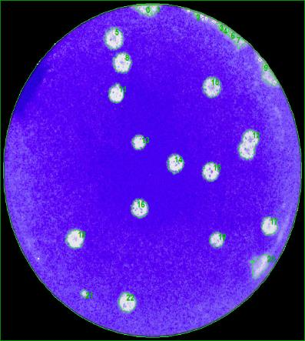
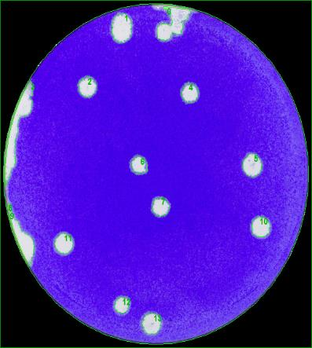
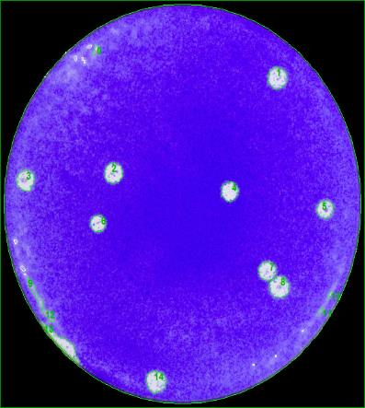
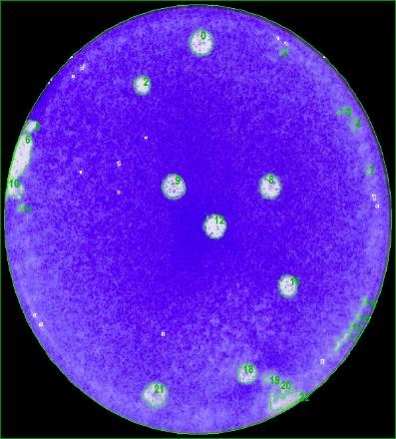
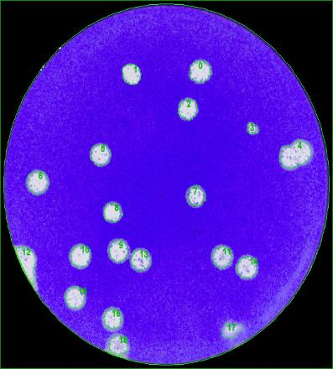
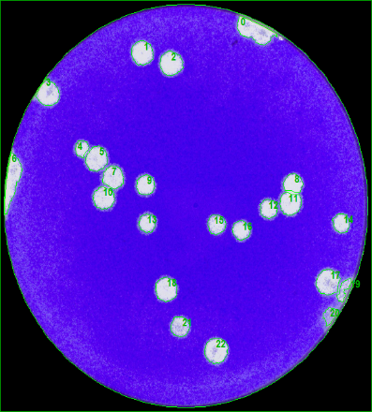
2NPC1 |  |  |  |  |  |  | Y420S |  |  |  |  |  |  | P424A |  |  |  |  |  |  | S425L |  |  |  |  |  |  | D502E |  |  |  |  |  |  | D508N
Index | X | Y | Size [sqmm] | Mean Spot Intensity | Max Spot Intensity | Circularity | Index | X | Y | Size [sqmm] | Mean Spot Intensity | Max Spot Intensity | Circularity | Index | X | Y | Size [sqmm] | Mean Spot Intensity | Max Spot Intensity | Circularity | Index | X | Y | Size [sqmm] | Mean Spot Intensity | Max Spot Intensity | Circularity | Index | X | Y | Size [sqmm] | Mean Spot Intensity | Max Spot Intensity | Circularity | Index | X | Y | Size [sqmm] | Mean Spot Intensity | Max Spot Intensity | Circularity
5 | 12.892691958 | 31.147360183 | 3.6608392673 | 83.48% | 95.69% | 1.4589540204 | 1 | 13.461288716 | 32.256063074 | 5.5712294364 | 85.94% | 92.16% | 1.5420437253 | 1 | 26.630557564 | 28.38460171 | 2.8225175042 | 82.70% | 94.12% | 1.5104070012 | 0 | 17.683842584 | 31.682755267 | 3.5184883801 | 79.56% | 93.33% | 1.7171523785 | 0 | 21.03947672 | 28.273244396 | 3.8313231639 | 81.37% | 91.37% | 1.7455414197 | 1 | 13.210025568 | 30.610553955 | 3.4868521799 | 83.90% | 91.76% | 1.5492341116
8 | 13.796475101 | 28.632014969 | 3.3708549243 | 84.42% | 95.69% | 1.4962934789 | 2 | 9.5607577959 | 26.299430931 | 3.4358792421 | 83.07% | 91.76% | 1.4403000229 | 2 | 10.679859729 | 20.100653798 | 2.5588936579 | 82.93% | 92.55% | 1.4570890704 | 2 | 12.405073127 | 28.265030817 | 1.8471124052 | 78.02% | 92.55% | 1.6455140385 | 1 | 13.675000973 | 28.023906192 | 3.2249830398 | 80.36% | 89.80% | 1.601811725 | 2 | 16.021016202 | 29.705909653 | 3.6450254579 | 84.44% | 91.76% | 1.6652787086
10 | 24.312273114 | 26.076846561 | 3.3269166869 | 80.52% | 94.12% | 1.4582291653 | 4 | 21.26193083 | 25.692617512 | 3.0791100826 | 80.92% | 90.20% | 1.5896292326 | 3 | 2.0957217909 | 19.463526122 | 2.3602956311 | 83.14% | 91.76% | 1.5636988866 | 8 | 23.874022596 | 20.050438799 | 3.0369338457 | 77.39% | 91.76% | 1.6778193107 | 2 | 19.726505379 | 24.641706375 | 3.1423826977 | 80.70% | 90.59% | 1.7190752203 | 4 | 7.3997977551 | 22.400094055 | 1.4762789936 | 81.01% | 91.37% | 1.7212669896
11 | 13.110290287 | 25.396364214 | 2.6081039517 | 83.60% | 94.90% | 1.5005015904 | 5 | 28.381489958 | 18.263757437 | 3.9631303673 | 84.40% | 90.20% | 1.386964229 | 4 | 22.036692037 | 18.490510107 | 2.2566051325 | 82.19% | 92.94% | 1.4002060947 | 9 | 15.224118134 | 20.028786792 | 3.3023149727 | 76.22% | 91.76% | 1.594697471 | 3 | 26.631187151 | 22.765326942 | 1.070302973 | 72.53% | 89.80% | 1.7529073287 | 5 | 8.8794649461 | 21.453802928 | 3.5255177172 | 83.36% | 91.37% | 1.5798524405
13 | 15.815394501 | 20.359464755 | 1.8277791002 | 80.59% | 94.12% | 1.4534445825 | 6 | 15.563812942 | 18.239066044 | 2.6362236599 | 80.58% | 90.59% | 1.6791071584 | 5 | 31.301268902 | 16.944128393 | 2.0404321539 | 81.62% | 92.94% | 1.3400386931 | 12 | 18.90594352 | 16.843705632 | 3.0773551619 | 79.35% | 93.33% | 1.6498341393 | 5 | 10.363872132 | 20.297121158 | 3.4446729395 | 80.35% | 91.37% | 1.6790693648 | 7 | 10.438988387 | 19.890596041 | 3.0703262539 | 84.32% | 92.55% | 1.7532555675
14 | 20.046067873 | 18.040051389 | 2.7873673863 | 81.70% | 94.90% | 1.5916539201 | 7 | 17.900015297 | 14.001105383 | 2.9894782581 | 81.61% | 90.59% | 1.6518275818 | 6 | 9.1836857769 | 15.686712687 | 1.8277780275 | 80.63% | 92.55% | 1.3464240651 | 13 | 25.483182105 | 12.025229477 | 2.4165401964 | 78.55% | 92.16% | 1.6316104016 | 6 | 3.6836634905 | 17.606302058 | 4.0580378954 | 80.10% | 91.37% | 1.7290826865 | 8 | 27.661712692 | 19.404091652 | 2.413022417 | 85.94% | 93.33% | 1.6112575291
15 | 24.192362099 | 17.232631256 | 2.9789326434 | 81.41% | 94.12% | 1.3717802863 | 10 | 29.348021949 | 11.972973748 | 3.4868496055 | 85.02% | 89.80% | 1.4718658355 | 7 | 25.684317093 | 11.567910431 | 2.2847244116 | 82.48% | 92.94% | 1.4446069988 | 18 | 21.791587264 | 4.9167496357 | 2.1511594985 | 78.43% | 90.98% | 1.7894867913 | 7 | 20.630715484 | 16.284632283 | 2.8594253319 | 76.84% | 91.37% | 1.8509327996 | 9 | 13.55020523 | 19.218023335 | 2.4464169706 | 83.71% | 91.76% | 1.7482546532
16 | 15.899578258 | 13.393988025 | 2.9578429159 | 80.81% | 93.73% | 1.5991645093 | 11 | 6.9318191475 | 10.266003902 | 3.4411506549 | 85.83% | 91.37% | 1.3724516672 | 8 | 26.846433575 | 10.150666439 | 2.81021182 | 83.91% | 92.94% | 1.5229900639 | 21 | 13.58283521 | 3.2107639723 | 3.1300810897 | 78.41% | 92.16% | 1.7906389969 | 8 | 11.704726221 | 14.717893919 | 2.8084588301 | 80.47% | 91.76% | 1.8012984163 | 10 | 9.4833041088 | 18.041390166 | 3.1248086041 | 83.46% | 92.55% | 1.6507231029
17 | 31.037725187 | 11.647194986 | 2.5430787759 | 83.70% | 92.55% | 1.4810717667 | 12 | 13.509680083 | 4.009109367 | 2.1898201015 | 83.75% | 90.20% | 1.4522337732 | 14 | 14.848638175 | 1.8992616678 | 2.862939464 | 83.02% | 92.16% | 1.427358533 |  |  |  |  |  |  |  | 9 | 12.297428205 | 10.976416965 | 3.2337720174 | 82.66% | 90.98% | 1.6787260402 | 11 | 27.360574667 | 17.548553723 | 3.3005540449 | 85.36% | 92.16% | 1.5786638507
18 | 8.3829378199 | 10.279941658 | 3.1160183393 | 85.19% | 94.12% | 1.4716655001 | 13 | 16.908401134 | 2.0920528177 | 3.6397478235 | 84.30% | 89.41% | 1.4079553282 |  |  |  |  |  |  |  |  |  |  |  |  |  |  | 10 | 8.1686032123 | 10.482263454 | 3.6467833821 | 82.78% | 91.37% | 1.7810566111 | 12 | 25.27907286 | 17.153665113 | 2.1546744889 | 82.30% | 93.33% | 1.6668146633
19 | 24.919571387 | 10.15485645 | 2.0017694056 | 79.94% | 92.94% | 1.3984789001 |  |  |  |  |  |  |  |  |  |  |  |  |  |  |  |  |  |  |  |  |  | 11 | 23.318676114 | 10.392333811 | 3.2970414145 | 78.97% | 90.98% | 1.6941344647 | 13 | 13.737091287 | 15.927157067 | 2.0896467385 | 80.34% | 91.37% | 1.711317337
21 | 9.4517740971 | 4.5258411737 | 0.48329937198 | 78.26% | 92.16% | 1.1652316975 |  |  |  |  |  |  |  |  |  |  |  |  |  |  |  |  |  |  |  |  |  | 13 | 14.685705374 | 10.047587833 | 3.298801484 | 79.65% | 91.37% | 1.7024752186 | 14 | 32.248341586 | 15.926426167 | 2.1687355229 | 81.65% | 92.16% | 1.7149833892
22 | 14.426901654 | 3.6439560832 | 3.0650505503 | 84.14% | 93.73% | 1.4745045494 |  |  |  |  |  |  |  |  |  |  |  |  |  |  |  |  |  |  |  |  |  | 14 | 25.998922493 | 9.3680824321 | 3.5202439446 | 80.72% | 91.37% | 1.6031245559 | 15 | 20.303351899 | 15.811197254 | 2.4024780896 | 80.30% | 92.94% | 1.6411469922
 |  |  |  |  |  |  |  |  |  |  |  |  |  |  |  |  |  |  |  |  |  |  |  |  |  |  |  | 15 | 7.7079553144 | 6.5001756762 | 3.5009123558 | 81.67% | 91.37% | 1.7338548369 | 16 | 22.679341264 | 15.295594362 | 2.2548512844 | 82.05% | 91.76% | 1.6092632515
 |  |  |  |  |  |  |  |  |  |  |  |  |  |  |  |  |  |  |  |  |  |  |  |  |  |  |  | 16 | 11.678384876 | 4.4633383711 | 2.9455462422 | 82.02% | 91.76% | 1.7815374161 | 17 | 30.987604264 | 10.779298308 | 3.9473124817 | 82.70% | 92.16% | 1.6077310068
 |  |  |  |  |  |  |  |  |  |  |  |  |  |  |  |  |  |  |  |  |  |  |  |  |  |  |  |  |  |  |  |  |  |  | 18 | 15.50627447 | 10.196032894 | 3.4552179105 | 83.57% | 92.55% | 1.635587859
 |  |  |  |  |  |  |  |  |  |  |  |  |  |  |  |  |  |  |  |  |  |  |  |  |  |  |  |  |  |  |  |  |  |  | 21 | 16.80213841 | 6.9641379522 | 2.558894087 | 78.30% | 90.98% | 1.5650401681
 |  |  |  |  |  |  |  |  |  |  |  |  |  |  |  |  |  |  |  |  |  |  |  |  |  |  |  |  |  |  |  |  |  |  | 22 | 20.277589484 | 4.8944101485 | 3.9209534867 | 82.97% | 92.55% | 1.6059648475

Ave |  |  | 2.6713733323 |  |  |  | Ave |  |  | 3.4432619232 |  |  |  | Ave |  |  | 2.4249330892 |  |  |  | Ave |  |  | 2.8099981938 |  |  |  | Ave |  |  | 3.1921791808 |  |  |  | Ave |  |  | 2.8578648183
SD |  |  | 0.83710853247 |  |  |  | SD |  |  | 0.90676640563 |  |  |  | SD |  |  | 0.36621612438 |  |  |  | SD |  |  | 0.59591387412 |  |  |  | SD |  |  | 0.68035600529 |  |  |  | SD |  |  | 0.72530474853
SE |  |  | 0.23217213361 |  |  |  | SE |  |  | 0.28674471475 |  |  |  | SE |  |  | 0.12207204146 |  |  |  | SE |  |  | 0.2106873707 |  |  |  | SE |  |  | 0.1756671652 |  |  |  | SE |  |  | 0.1709559687
N |  |  | 13 |  |  |  | N |  |  | 10 |  |  |  | N |  |  | 9 |  |  |  | N |  |  | 8 |  |  |  | N |  |  | 15 |  |  |  | N |  |  | 18

Angola_day4
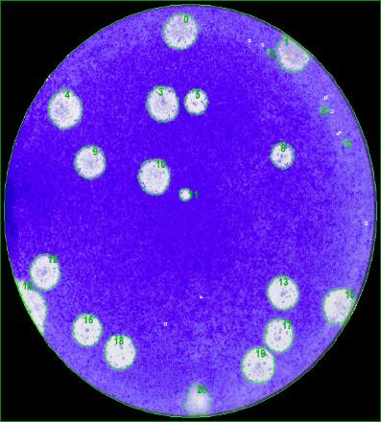
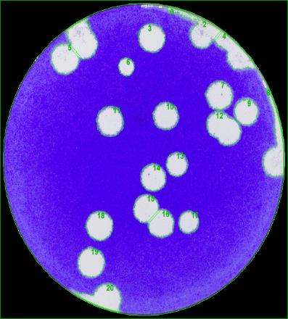
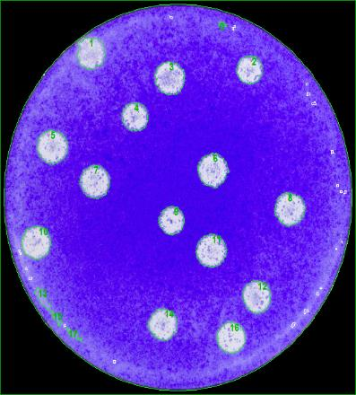
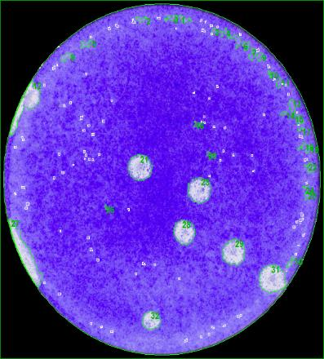
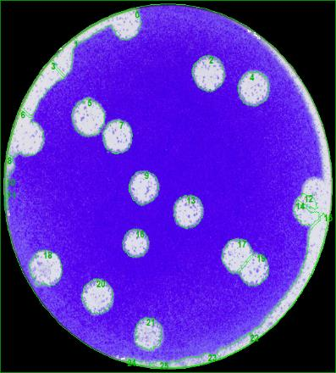
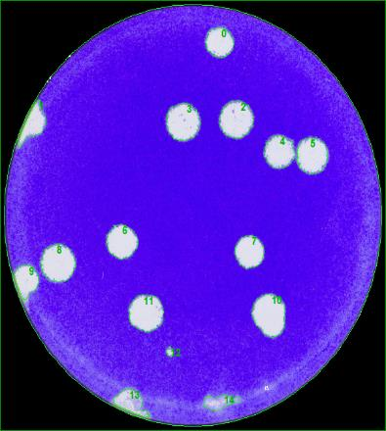
2NPC1 |  |  |  |  |  |  | Y420S |  |  |  |  |  |  | P424A |  |  |  |  |  |  | S425L |  |  |  |  |  |  | D502E |  |  |  |  |  |  | D508N
Index | X | Y | Size [sqmm] | Mean Spot Intensity | Max Spot Intensity | Circularity | Index | X | Y | Size [sqmm] | Mean Spot Intensity | Max Spot Intensity | Circularity | Index | X | Y | Size [sqmm] | Mean Spot Intensity | Max Spot Intensity | Circularity | Index | X | Y | Size [sqmm] | Mean Spot Intensity | Max Spot Intensity | Circularity | Index | X | Y | Size [sqmm] | Mean Spot Intensity | Max Spot Intensity | Circularity | Index | X | Y | Size [sqmm] | Mean Spot Intensity | Max Spot Intensity | Circularity
0 | 16.511283641 | 32.570292168 | 7.455268763 | 80.95% | 95.29% | 1.6698835355 | 3 | 18.31385665 | 30.867201158 | 8.3340142023 | 84.57% | 91.37% | 1.5749902323 | 1 | 8.7182761741 | 30.36096247 | 6.2302957029 | 81.48% | 92.16% | 1.8176488468 | 21 | 14.997401647 | 18.542295456 | 5.3814255361 | 77.62% | 92.55% | 1.6648243442 | 2 | 21.636072013 | 28.198612996 | 8.9333191967 | 80.07% | 90.98% | 1.7516772826 | 0 | 19.86117189 | 31.646391184 | 4.9666579634 | 85.79% | 92.16% | 1.6079075866
2 | 24.665739235 | 30.852525266 | 0.159926697 | 66.15% | 75.29% | 1.7259764672 | 5 | 7.5779057759 | 28.518508374 | 8.6767298364 | 87.70% | 93.73% | 1.6612907047 | 2 | 24.595920196 | 28.891882474 | 5.0685950431 | 82.53% | 93.73% | 1.5974965548 | 23 | 21.4959925 | 16.347207452 | 5.2478578341 | 77.18% | 92.55% | 1.7072005006 | 4 | 26.468485923 | 26.598477569 | 8.6169689937 | 80.66% | 91.37% | 1.6173045343 | 2 | 21.389324524 | 25.37483523 | 7.6362875474 | 85.22% | 93.73% | 1.5727396757
3 | 14.802779629 | 26.3807924 | 7.4464823598 | 80.79% | 94.51% | 1.6204038308 | 6 | 15.249243725 | 27.721422154 | 3.239044932 | 82.02% | 90.98% | 1.6901105688 | 3 | 16.625137594 | 28.100462537 | 6.9157158154 | 79.29% | 92.94% | 1.5995917079 | 28 | 19.869067057 | 12.181786804 | 4.4288644416 | 79.35% | 92.55% | 1.5960440995 | 5 | 8.8753111185 | 23.945737633 | 9.455292473 | 82.48% | 91.37% | 1.7773151758 | 3 | 16.484117319 | 25.176102804 | 7.6275007152 | 85.41% | 92.55% | 1.608819119
4 | 5.6518468547 | 25.964830713 | 7.922762049 | 84.17% | 96.47% | 1.6336704237 | 7 | 26.587282497 | 24.520101988 | 7.9649408604 | 84.98% | 90.98% | 1.6353874277 | 4 | 13.069106606 | 24.632993469 | 5.4165775849 | 78.60% | 92.94% | 1.6110035191 | 29 | 25.303981353 | 10.220955859 | 4.9877489782 | 80.63% | 92.16% | 1.6872553168 | 7 | 12.161987375 | 22.030917203 | 7.813794774 | 81.71% | 91.37% | 1.7610088655 | 4 | 25.358031767 | 22.56570441 | 5.9490962613 | 85.15% | 92.94% | 1.6273240184
5 | 17.978829471 | 26.583743783 | 3.8190189814 | 81.06% | 94.90% | 1.6488316767 | 9 | 30.063044747 | 22.66135823 | 6.4974328232 | 86.52% | 90.59% | 1.6347566355 | 5 | 4.8896194972 | 21.932079265 | 7.1441908309 | 81.70% | 92.16% | 1.6621132836 | 31 | 29.529451584 | 7.5658350714 | 6.3708974618 | 82.65% | 92.16% | 1.6731055555 | 9 | 14.811572138 | 17.278374016 | 7.9456101298 | 78.84% | 91.37% | 1.6683589569 | 5 | 28.386273372 | 22.289540007 | 6.8928692362 | 86.06% | 92.94% | 1.6065078404
6 | 29.906740702 | 25.926997594 | 0.37258232518 | 68.37% | 76.47% | 2.4956574072 | 10 | 20.115865202 | 22.194255256 | 7.8489463937 | 81.28% | 90.20% | 1.6490189015 | 6 | 20.936984282 | 19.863451429 | 7.0686187532 | 80.42% | 92.55% | 1.7832239469 | 32 | 16.237695479 | 3.3972737244 | 2.7820974752 | 80.32% | 92.16% | 1.7491031358 | 13 | 19.651758193 | 15.054028303 | 7.6644076846 | 79.45% | 91.37% | 1.7427634669 | 6 | 10.870052927 | 15.250025282 | 6.23029699 | 85.97% | 92.16% | 1.6557069632
7 | 31.931854661 | 23.139482598 | 0.30404130089 | 68.93% | 75.69% | 2.0383605561 | 11 | 13.181448103 | 21.649170319 | 9.3656610776 | 81.03% | 91.76% | 1.5577627631 | 7 | 9.1225796446 | 18.780662923 | 6.9069296267 | 79.49% | 92.16% | 1.6244803874 |  |  |  |  |  |  |  | 16 | 13.929404819 | 12.005234659 | 5.9051586675 | 78.06% | 92.16% | 1.6001579482 | 7 | 22.566008349 | 14.384248937 | 5.7856498541 | 85.68% | 92.16% | 1.6124317545
8 | 25.992981217 | 22.043031328 | 3.899862043 | 77.73% | 94.51% | 1.8449285368 | 13 | 21.57788948 | 16.936841103 | 5.7469866766 | 81.75% | 90.98% | 1.7379966248 | 8 | 28.535883531 | 16.373939576 | 6.8717792943 | 81.46% | 93.33% | 1.7239357794 |  |  |  |  |  |  |  | 17 | 24.593191985 | 10.941304819 | 7.3322348762 | 83.31% | 92.16% | 1.6726953457 | 8 | 4.9784346987 | 13.440389318 | 7.884095439 | 85.93% | 92.16% | 1.6039488125
9 | 8.0663568193 | 21.474999027 | 6.5607037219 | 80.87% | 94.90% | 1.6500009272 | 14 | 18.447951466 | 15.425057733 | 7.2865490123 | 84.03% | 90.98% | 1.6073462041 | 9 | 16.778698954 | 15.320756136 | 5.0492608801 | 79.25% | 91.76% | 1.5272612918 |  |  |  |  |  |  |  | 18 | 4.4398627325 | 9.5329691237 | 9.2760298965 | 81.99% | 92.16% | 1.8044830666 | 10 | 24.474192786 | 9.1874488262 | 8.458794643 | 86.35% | 91.76% | 1.5671354001
10 | 13.942640622 | 20.304849882 | 7.0615900597 | 82.36% | 94.90% | 1.6641158464 | 15 | 17.505705617 | 11.982070196 | 7.1600039966 | 85.17% | 90.98% | 1.4789051238 | 10 | 3.2574981507 | 13.358159453 | 6.7329371758 | 82.23% | 91.37% | 1.713140726 |  |  |  |  |  |  |  | 19 | 26.704371225 | 9.3256395773 | 6.6802101754 | 81.62% | 92.16% | 1.5566369081 | 11 | 13.10742458 | 9.3636246659 | 7.8753068904 | 85.35% | 92.16% | 1.6020715158
11 | 16.890931901 | 18.785945665 | 0.93497627409 | 76.90% | 93.73% | 1.5867396002 | 16 | 19.61539411 | 10.06208281 | 7.084432348 | 85.39% | 90.59% | 1.5346740524 | 11 | 20.7779665 | 12.627614077 | 6.9948045997 | 80.05% | 92.55% | 1.6284213464 |  |  |  |  |  |  |  | 20 | 9.9362449922 | 6.9787993714 | 8.2988630117 | 81.45% | 92.55% | 1.7745413732 | 12 | 15.292656289 | 6.1774145907 | 0.44463791089 | 73.66% | 90.20% | 1.8508523486
12 | 3.8754053286 | 12.375569373 | 6.8085103262 | 83.79% | 95.29% | 1.6592656324 | 17 | 22.980964144 | 10.351736298 | 4.8858144729 | 82.03% | 89.80% | 1.5960530905 | 12 | 25.298937419 | 8.4984851451 | 6.4113166326 | 81.17% | 91.76% | 1.5910663171 |  |  |  |  |  |  |  | 21 | 15.341807503 | 3.4278412639 | 6.8893510278 | 80.00% | 91.37% | 2.1005101617
13 | 26.067156709 | 10.518996605 | 6.6187025643 | 84.21% | 93.33% | 1.595167726 | 18 | 11.986737824 | 10.0410821 | 8.4675825479 | 84.49% | 90.59% | 1.6667498706 | 14 | 15.929827385 | 5.984283319 | 6.2549006352 | 81.83% | 91.37% | 1.6092140119
16 | 7.7486975603 | 7.3936031969 | 5.7241375232 | 86.58% | 94.51% | 1.6551071771 | 19 | 10.901025718 | 5.9020606905 | 8.4886722753 | 85.64% | 90.59% | 1.6331311967 | 16 | 22.651762455 | 4.774130065 | 6.1845997558 | 84.40% | 92.16% | 1.5991920207
17 | 25.647678018 | 6.9310448277 | 5.8770385302 | 85.60% | 92.94% | 1.6490519505
18 | 10.848523943 | 5.4838773572 | 6.5659783528 | 86.62% | 95.29% | 1.6609043436
19 | 23.747757817 | 4.3526323537 | 7.3146691496 | 84.64% | 92.55% | 1.5034576058

Ave |  |  | 4.9909559424 |  |  |  | Ave |  |  | 7.2176293897 |  |  |  | Ave |  |  | 6.3750373093 |  |  |  | Ave |  |  | 4.8664819545 |  |  |  | Ave |  |  | 7.9009367423 |  |  |  | Ave |  |  | 6.3410175865
SD |  |  | 2.8312535673 |  |  |  | SD |  |  | 1.6663658762 |  |  |  | SD |  |  | 0.72657979784 |  |  |  | SD |  |  | 1.2020610557 |  |  |  | SD |  |  | 1.0841557389 |  |  |  | SD |  |  | 2.2357966877
SE |  |  | 0.68667985359 |  |  |  | SE |  |  | 0.44535501355 |  |  |  | SE |  |  | 0.19418661912 |  |  |  | SE |  |  | 0.49073937103 |  |  |  | SE |  |  | 0.31296880385 |  |  |  | SE |  |  | 0.67411806552
N |  |  | 17 |  |  |  | N |  |  | 14 |  |  |  | N |  |  | 14 |  |  |  | N |  |  | 6 |  |  |  | N |  |  | 12 |  |  |  | N |  |  | 11

Angola_day5
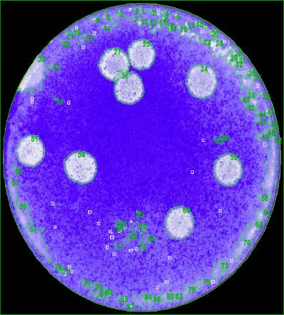
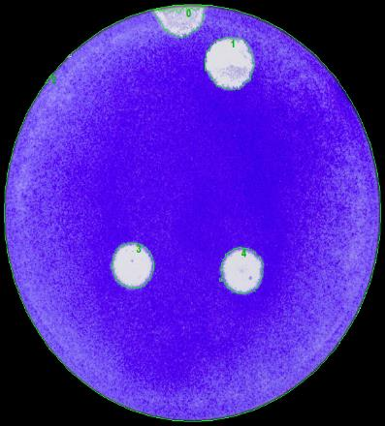
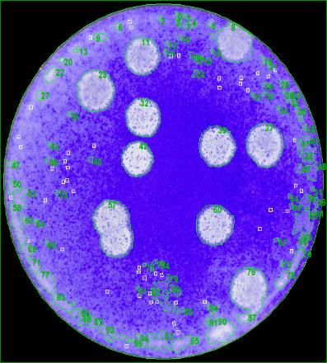
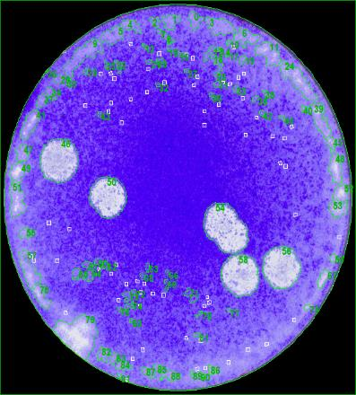
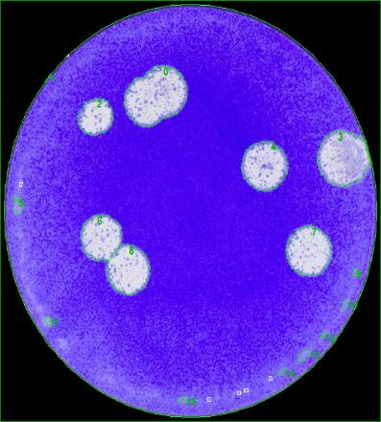
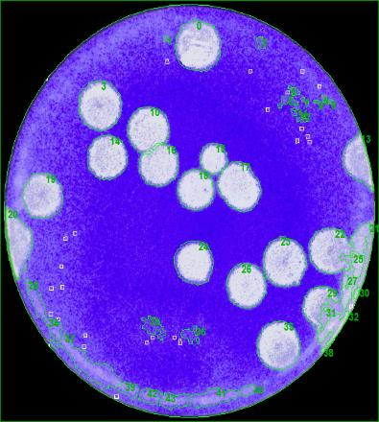
2NPC1 |  |  |  |  |  |  | Y420S |  |  |  |  |  |  | P424A |  |  |  |  |  |  | S425L |  |  |  |  |  |  | D502E |  |  |  |  |  |  | D508N
Index | X | Y | Size [sqmm] | Mean Spot Intensity | Max Spot Intensity | Circularity | Index | X | Y | Size [sqmm] | Mean Spot Intensity | Max Spot Intensity | Circularity | Index | X | Y | Size [sqmm] | Mean Spot Intensity | Max Spot Intensity | Circularity | Index | X | Y | Size [sqmm] | Mean Spot Intensity | Max Spot Intensity | Circularity | Index | X | Y | Size [sqmm] | Mean Spot Intensity | Max Spot Intensity | Circularity | Index | X | Y | Size [sqmm] | Mean Spot Intensity | Max Spot Intensity | Circularity
25 | 17.392517434 | 29.028568005 | 9.0932473956 | 79.93% | 95.29% | 1.6409723061 | 1 | 20.873128229 | 29.834446735 | 15.72251145 | 83.24% | 90.98% | 1.5493952173 | 11 | 15.159639731 | 29.647025167 | 11.119641042 | 76.80% | 92.55% | 1.5330448471 | 46 | 5.5515036962 | 20.755011899 | 12.260253476 | 79.06% | 93.33% | 1.559569754 | 2 | 8.5685936493 | 25.323802491 | 7.9526383942 | 79.87% | 91.76% | 1.6647082343 | 0 | 18.172047582 | 31.265194284 | 14.945700516 | 80.56% | 92.55% | 1.5501296785
27 | 13.737691928 | 27.979574576 | 9.9579320152 | 79.23% | 95.29% | 1.8979581565 | 3 | 11.939858913 | 13.008326122 | 11.703124289 | 83.08% | 91.76% | 1.5466282036 | 23 | 10.026095032 | 26.226753422 | 13.28311309 | 76.73% | 92.16% | 1.5881593668 | 50 | 10.416634426 | 17.444346202 | 10.77341385 | 79.51% | 93.33% | 1.5598576049 | 3 | 31.637511835 | 21.840861501 | 17.73659834 | 77.96% | 91.37% | 1.6569403442 | 3 | 8.986313838 | 26.296731666 | 13.43074204 | 81.37% | 92.16% | 1.5268917767
34 | 24.817194735 | 25.928133745 | 11.970260766 | 78.25% | 93.33% | 1.5884602752 | 4 | 21.917953356 | 12.634734924 | 12.014197931 | 81.24% | 90.59% | 1.7859827347 | 32 | 15.218032126 | 23.667575919 | 11.483437822 | 80.20% | 93.73% | 1.5502961492 | 56 | 27.737639449 | 11.142917425 | 11.302417107 | 82.27% | 92.16% | 1.782576975 | 4 | 24.338476963 | 21.288684664 | 13.96502143 | 78.68% | 90.98% | 1.6187134285 | 10 | 13.454211288 | 24.364109119 | 11.360418095 | 83.07% | 92.16% | 1.5195356253
36 | 15.79968377 | 25.191024742 | 10.963216463 | 77.15% | 93.73% | 1.6282796601 |  |  |  |  |  |  |  | 37 | 28.440859298 | 20.993234633 | 13.682061275 | 77.54% | 92.55% | 1.6088100221 | 58 | 23.552072014 | 10.36073867 | 11.402597335 | 81.90% | 92.55% | 1.5612960202 | 6 | 8.9927327318 | 15.245914874 | 11.411374728 | 82.32% | 93.33% | 1.5359652288 | 14 | 9.6364964008 | 21.858497176 | 11.290114426 | 80.81% | 92.16% | 1.5212722324
51 | 3.5124013249 | 18.133621059 | 10.444761181 | 82.10% | 95.29% | 1.5644326215 |  |  |  |  |  |  |  | 39 | 23.13038615 | 20.881298388 | 12.659204236 | 76.65% | 93.33% | 1.6310692726 |  |  |  |  |  |  |  | 7 | 28.407947089 | 13.973729199 | 13.924599041 | 82.56% | 92.16% | 1.5940139068 | 15 | 19.677397585 | 21.938642891 | 5.376149618 | 81.08% | 92.16% | 1.5547939731
54 | 9.6703348985 | 16.368150269 | 12.506301298 | 79.90% | 94.90% | 1.5998604091 |  |  |  |  |  |  |  | 42 | 14.510426877 | 19.536797035 | 9.2391224982 | 80.88% | 94.51% | 1.6136586587 |  |  |  |  |  |  |  | 8 | 11.709647132 | 12.356283745 | 12.791005861 | 83.15% | 92.94% | 1.5290173411 | 16 | 14.565627916 | 21.154879313 | 10.096777781 | 82.47% | 92.55% | 1.5543453843
55 | 28.087660932 | 16.061613716 | 10.476396737 | 78.18% | 93.33% | 1.5641468919 |  |  |  |  |  |  |  | 60 | 22.919336974 | 13.161294079 | 13.196995612 | 75.72% | 92.55% | 1.5606636255 |  |  |  |  |  |  |  |  |  |  |  |  |  |  | 17 | 22.200370211 | 19.455753978 | 12.73477095 | 83.23% | 92.55% | 1.5647693633
60 | 22.043465526 | 9.9804318756 | 11.172364181 | 78.94% | 92.94% | 1.5903966495 |  |  |  |  |  |  |  | 76 | 26.71265717 | 6.8440460212 | 13.89647118 | 79.97% | 92.55% | 1.7517976623 |  |  |  |  |  |  |  |  |  |  |  |  |  |  | 18 | 17.956953128 | 19.132515274 | 9.2303305169 | 84.11% | 93.33% | 1.5177647963
 |  |  |  |  |  |  |  |  |  |  |  |  |  |  |  |  |  |  |  |  |  |  |  |  |  |  |  |  |  |  |  |  |  |  | 19 | 3.6789379689 | 18.652024528 | 11.624035934 | 79.98% | 91.76% | 1.5499997748
 |  |  |  |  |  |  |  |  |  |  |  |  |  |  |  |  |  |  |  |  |  |  |  |  |  |  |  |  |  |  |  |  |  |  | 23 | 26.310090492 | 13.155092284 | 13.73478141 | 81.25% | 92.94% | 1.6065528282
 |  |  |  |  |  |  |  |  |  |  |  |  |  |  |  |  |  |  |  |  |  |  |  |  |  |  |  |  |  |  |  |  |  |  | 24 | 17.779937839 | 13.083261461 | 11.028247217 | 78.90% | 92.94% | 1.5795517776
 |  |  |  |  |  |  |  |  |  |  |  |  |  |  |  |  |  |  |  |  |  |  |  |  |  |  |  |  |  |  |  |  |  |  | 26 | 22.69403163 | 11.134834106 | 11.149513096 | 82.94% | 92.55% | 1.5507702675
 |  |  |  |  |  |  |  |  |  |  |  |  |  |  |  |  |  |  |  |  |  |  |  |  |  |  |  |  |  |  |  |  |  |  | 35 | 25.82698732 | 5.9392714593 | 13.188208136 | 80.98% | 92.16% | 1.5763672379

Ave |  |  | 10.823060004 |  |  |  | Ave |  |  | 13.146611223 |  |  |  | Ave |  |  | 12.320005844 |  |  |  | Ave |  |  | 11.434670442 |  |  |  | Ave |  |  | 12.963539632 |  |  |  | Ave |  |  | 11.476137672
SD |  |  | 1.0885778139 |  |  |  | SD |  |  | 2.2362106759 |  |  |  | SD |  |  | 1.59395035 |  |  |  | SD |  |  | 0.61572917616 |  |  |  | SD |  |  | 3.2328564897 |  |  |  | SD |  |  | 2.4153753312
SE |  |  | 0.38487037705 |  |  |  | SE |  |  | 1.2910768357 |  |  |  | SE |  |  | 0.56354655068 |  |  |  | SE |  |  | 0.30786458808 |  |  |  | SE |  |  | 1.3198081352 |  |  |  | SE |  |  | 0.6699045851
N |  |  | 8 |  |  |  | N |  |  | 3 |  |  |  | N |  |  | 8 |  |  |  | N |  |  | 4 |  |  |  | N |  |  | 6 |  |  |  | N |  |  | 13

Angola_day6
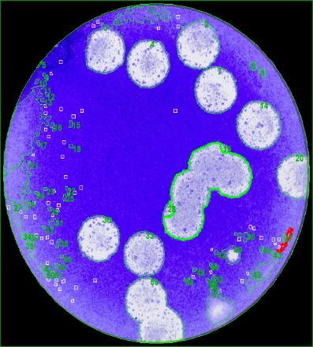
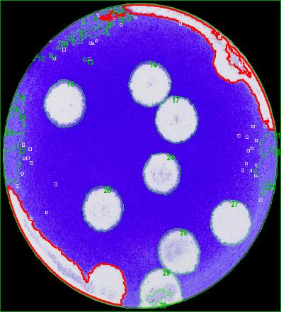
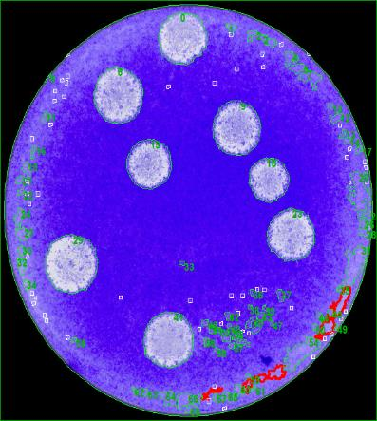
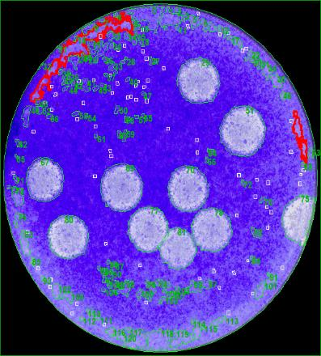
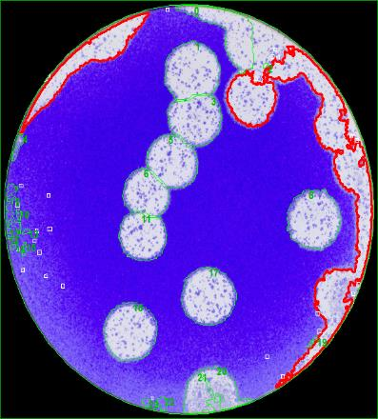
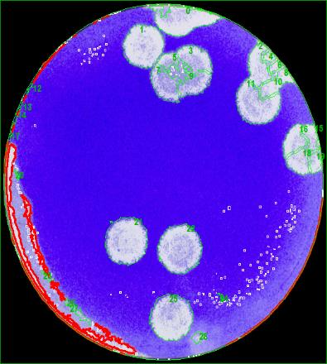
2NPC1 |  |  |  |  |  |  | Y420S |  |  |  |  |  |  | P424A |  |  |  |  |  |  | S425L |  |  |  |  |  |  | D502E |  |  |  |  |  |  | D508N
Index | X | Y | Size [sqmm] | Mean Spot Intensity | Max Spot Intensity | Circularity | Index | X | Y | Size [sqmm] | Mean Spot Intensity | Max Spot Intensity | Circularity | Index | X | Y | Size [sqmm] | Mean Spot Intensity | Max Spot Intensity | Circularity | Index | X | Y | Size [sqmm] | Mean Spot Intensity | Max Spot Intensity | Circularity | Index | X | Y | Size [sqmm] | Mean Spot Intensity | Max Spot Intensity | Circularity | Index | X | Y | Size [sqmm] | Mean Spot Intensity | Max Spot Intensity | Circularity
2 | 22.049746924 | 30.722569803 | 18.831514397 | 81.59% | 95.69% | 1.844405141 | 14 | 18.465550959 | 25.759867546 | 21.741927899 | 81.84% | 91.37% | 1.6031963451 | 0 | 16.8889563 | 31.900454909 | 15.885955712 | 77.55% | 92.16% | 1.6099573768 | 29 | 21.589070079 | 27.050810575 | 17.219894116 | 70.61% | 90.20% | 1.567316124 | 1 | 17.544313056 | 29.241064507 | 20.049460051 | 81.06% | 90.59% | 1.6809215884 | 1 | 15.114490375 | 30.582714627 | 14.453598865 | 85.45% | 93.33% | 1.8228796066
3 | 11.366818862 | 30.101304828 | 18.07579126 | 79.18% | 96.08% | 1.7060589303 | 15 | 8.0146800203 | 23.250970172 | 22.481825428 | 80.81% | 92.16% | 1.6360486545 | 6 | 10.820988553 | 27.023000193 | 17.172443249 | 74.83% | 91.76% | 1.6769991988 | 51 | 26.398189266 | 22.034383551 | 19.975646971 | 73.04% | 90.98% | 1.6293072363 | 5 | 15.931651017 | 21.500117382 | 16.240967376 | 81.41% | 92.16% | 1.5018070865 | 21 | 13.218434536 | 11.745063216 | 17.163655773 | 81.04% | 92.94% | 2.142289229
4 | 16.520039967 | 28.607576858 | 19.441366294 | 81.47% | 95.29% | 1.5362542657 | 17 | 22.078548724 | 21.478812733 | 22.926475782 | 83.00% | 91.37% | 1.5724830661 | 9 | 21.937542923 | 24.382410565 | 16.687373724 | 72.34% | 92.16% | 1.5494869645 | 67 | 4.5489332708 | 17.229519504 | 14.766436653 | 68.42% | 90.59% | 1.5779981414 | 8 | 29.02675161 | 16.682603699 | 20.348228652 | 79.81% | 91.76% | 1.7659681365 | 22 | 19.295983586 | 10.798388547 | 17.617089526 | 80.60% | 92.16% | 2.1182041156
7 | 24.037975762 | 25.775766429 | 18.457170715 | 82.79% | 94.90% | 1.5936502313 | 24 | 20.220774676 | 15.298590328 | 18.042401855 | 79.71% | 90.98% | 1.5312988089 | 15 | 13.652538463 | 21.364169987 | 14.163616453 | 72.02% | 91.76% | 1.6103244622 | 69 | 13.015946297 | 16.502201666 | 17.88774464 | 70.22% | 90.20% | 1.6562767957 | 11 | 12.978815131 | 14.972992483 | 14.815640725 | 79.90% | 92.16% | 1.5547561449 | 25 | 18.199857964 | 4.4242894974 | 16.653979385 | 81.17% | 91.37% | 2.2019488884
14 | 29.031556734 | 22.318819426 | 19.868437834 | 82.30% | 94.12% | 1.5800259628 | 26 | 12.674427858 | 11.491788284 | 21.186560069 | 80.27% | 91.37% | 1.5715057667 | 18 | 25.033591783 | 19.999008046 | 11.096791674 | 71.80% | 90.98% | 1.6859938435 | 70 | 20.47784884 | 16.420652044 | 16.132009112 | 71.97% | 90.20% | 1.5659850012 | 17 | 19.255429492 | 9.9529543787 | 20.000248256 | 79.66% | 92.55% | 1.5893605906
30 | 10.837770306 | 10.815590024 | 17.903560166 | 82.13% | 94.12% | 1.596790805 | 27 | 28.743958451 | 9.849673147 | 21.362309372 | 83.91% | 90.59% | 1.5722848143 | 23 | 27.012174189 | 15.304191483 | 15.515129166 | 74.95% | 92.16% | 1.6040308601 | 77 | 15.95260107 | 12.339089504 | 15.427248829 | 74.49% | 91.76% | 1.6492157088 | 18 | 12.007651695 | 7.1981923857 | 19.817470904 | 80.44% | 91.76% | 1.5707515767
33 | 16.082447983 | 9.1524669404 | 17.154866795 | 77.69% | 92.55% | 1.5520497659 | 28 | 22.142310701 | 6.6912589806 | 21.96512335 | 79.78% | 90.20% | 1.4961662793 | 29 | 6.5065656234 | 12.948327195 | 19.451912552 | 77.86% | 92.16% | 1.5607744991 | 78 | 23.114603052 | 12.248653296 | 15.276107892 | 73.52% | 89.80% | 1.6769214189
 |  |  |  |  |  |  |  |  |  |  |  |  |  | 41 | 15.534685492 | 6.5141206687 | 17.646967588 | 74.90% | 90.98% | 1.5831685435 | 80 | 7.2814715626 | 11.56593483 | 15.741844541 | 74.03% | 92.55% | 1.6642244259
 |  |  |  |  |  |  |  |  |  |  |  |  |  |  |  |  |  |  |  |  | 81 | 19.365650656 | 10.24988792 | 12.165339083 | 74.73% | 89.80% | 1.6711592444

Ave |  |  | 18.533243923 |  |  |  | Ave |  |  | 21.386660536 |  |  |  | Ave |  |  | 15.952523765 |  |  |  | Ave |  |  | 16.065807982 |  |  |  | Ave |  |  | 18.545335994 |  |  |  | Ave |  |  | 16.472080887
SD |  |  | 0.93165350405 |  |  |  | SD |  |  | 1.5945715493 |  |  |  | SD |  |  | 2.5105246638 |  |  |  | SD |  |  | 2.178903145 |  |  |  | SD |  |  | 2.3861537907 |  |  |  | SD |  |  | 1.401983992
SE |  |  | 0.35213192569 |  |  |  | SE |  |  | 0.60269139531 |  |  |  | SE |  |  | 0.88760450705 |  |  |  | SE |  |  | 0.72630104833 |  |  |  | SE |  |  | 0.97414320582 |  |  |  | SE |  |  | 0.70099199599
N |  |  | 7 |  |  |  | N |  |  | 7 |  |  |  | N |  |  | 8 |  |  |  | N |  |  | 9 |  |  |  | N |  |  | 6 |  |  |  | N |  |  | 4

Angola_summary
Summary | Cell line |  |  |  |  |  |  | Cell line |  |  |  |  |  |  | Cell line |  |  |  |  |  |  | Cell line
mm2 (Ave.) | 2NPC1 | Y420S | P424A | S425L | D502E | D508N | mm2 (SD) | 2NPC1 | Y420S | P424A | S425L | D502E | D508N | mm2 (SE) | 2NPC1 | Y420S | P424A | S425L | D502E | D508N | N | 2NPC1 | Y420S | P424A | S425L | D502E | D508N
day2 | 0.74376092839 | 0.8248382415 | 0.83781045782 | 0.65934251989 | 0.51396006804 | 0.79209089776 | day2 | 0.40361542337 | 0.22659254278 | 0.17052388936 | 0.22716092543 | 0.25909547622 | 0.22880994471 | day2 | 0.18050230468 | 0.075530847594 | 0.064451971976 | 0.092738059468 | 0.08636515874 | 0.051163459029 | day2 | 5 | 9 | 7 | 6 | 9 | 20
day3 | 2.6713733323 | 3.4432619232 | 2.4249330892 | 2.8099981938 | 3.1921791808 | 2.8578648183 | day3 | 0.83710853247 | 0.90676640563 | 0.36621612438 | 0.59591387412 | 0.68035600529 | 0.72530474853 | day3 | 0.23217213361 | 0.28674471475 | 0.12207204146 | 0.2106873707 | 0.1756671652 | 0.1709559687 | day3 | 13 | 10 | 9 | 8 | 15 | 18
day4 | 4.9909559424 | 7.2176293897 | 6.3750373093 | 4.8664819545 | 7.9009367423 | 6.3410175865 | day4 | 2.8312535673 | 1.6663658762 | 0.72657979784 | 1.2020610557 | 1.0841557389 | 2.2357966877 | day4 | 0.68667985359 | 0.44535501355 | 0.19418661912 | 0.49073937103 | 0.31296880385 | 0.67411806552 | day4 | 17 | 14 | 14 | 6 | 12 | 11
day5 | 10.823060004 | 13.146611223 | 12.320005844 | 11.434670442 | 12.963539632 | 11.476137672 | day5 | 1.0885778139 | 2.2362106759 | 1.59395035 | 0.61572917616 | 3.2328564897 | 2.4153753312 | day5 | 0.38487037705 | 1.2910768357 | 0.56354655068 | 0.30786458808 | 1.3198081352 | 0.6699045851 | day5 | 8 | 3 | 8 | 4 | 6 | 13
day6 | 18.533243923 | 21.386660536 | 15.952523765 | 16.065807982 | 18.545335994 | 16.472080887 | day6 | 0.93165350405 | 1.5945715493 | 2.5105246638 | 2.178903145 | 2.3861537907 | 1.401983992 | day6 | 0.35213192569 | 0.60269139531 | 0.88760450705 | 0.72630104833 | 0.97414320582 | 0.70099199599 | day6 | 7 | 7 | 8 | 9 | 6 | 4

Ave.
Ave.±SD

Ave.±SD

Zaire_day2
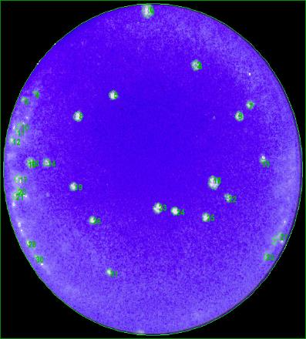
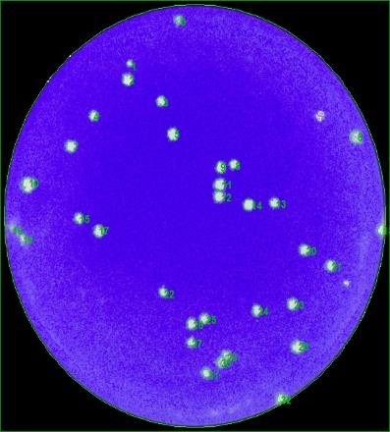
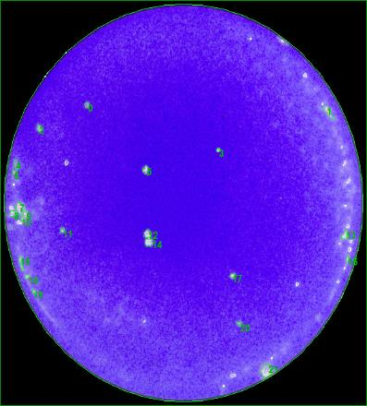
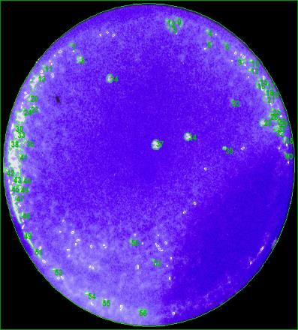
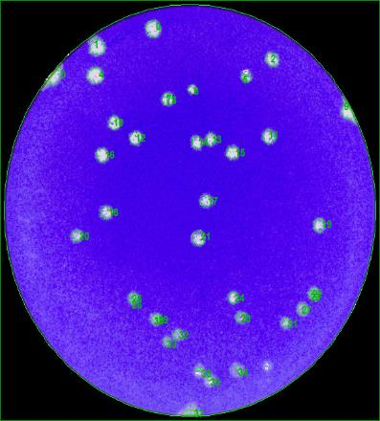
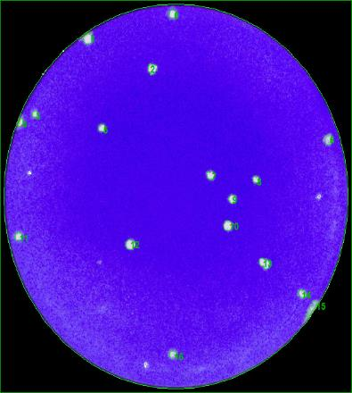
2NPC1 |  |  |  |  |  |  | Y420S |  |  |  |  |  |  | P424A |  |  |  |  |  |  | S425L |  |  |  |  |  |  | D502E |  |  |  |  |  |  | D508N
Index | X | Y | Size [sqmm] | Mean Spot Intensity | Max Spot Intensity | Circularity | Index | X | Y | Size [sqmm] | Mean Spot Intensity | Max Spot Intensity | Circularity | Index | X | Y | Size [sqmm] | Mean Spot Intensity | Max Spot Intensity | Circularity | Index | X | Y | Size [sqmm] | Mean Spot Intensity | Max Spot Intensity | Circularity | Index | X | Y | Size [sqmm] | Mean Spot Intensity | Max Spot Intensity | Circularity | Index | X | Y | Size [sqmm] | Mean Spot Intensity | Max Spot Intensity | Circularity
5 | 12.791950784 | 25.23350378 | 0.68892802308 | 75.15% | 93.73% | 1.3403093286 | 0 | 15.906728051 | 33.544943662 | 0.39718511222 | 70.22% | 90.59% | 1.3211899895 | 0 | 8.0686291222 | 25.966893154 | 0.24428453427 | 65.19% | 86.27% | 1.2522997877 | 14 | 12.733847855 | 26.726717949 | 0.61511150967 | 69.87% | 90.59% | 1.2759227644 | 0 | 13.973012772 | 32.755376304 | 1.5764579346 | 77.47% | 90.20% | 1.3753130998 | 0 | 17.079301468 | 33.919280234 | 0.50439081578 | 80.73% | 91.37% | 1.2108684529
7 | 28.728457582 | 24.188729309 | 0.46748363176 | 72.62% | 92.16% | 1.6267317122 | 1 | 11.453028876 | 29.966688973 | 0.22670979712 | 73.80% | 89.41% | 1.1911105937 | 2 | 3.4244907026 | 23.939868723 | 0.28119107467 | 70.75% | 88.63% | 1.240492633 | 34 | 22.027950184 | 20.44300445 | 0.68365489395 | 72.26% | 90.98% | 1.3715692162 | 1 | 8.7075442468 | 31.233939265 | 1.5483367246 | 78.98% | 90.98% | 1.5143267386 | 1 | 8.4834836041 | 31.700260683 | 0.67486655996 | 81.30% | 90.98% | 1.2524429836
8 | 8.6551365479 | 22.960412105 | 0.8611599752 | 76.37% | 94.12% | 1.3220592107 | 2 | 11.25496222 | 28.624430977 | 0.71177331489 | 78.92% | 90.98% | 1.3018274794 | 3 | 20.779616452 | 22.070291726 | 0.13004906458 | 71.76% | 91.37% | 1.0874208066 | 37 | 18.246432937 | 19.570968418 | 0.9718813127 | 73.47% | 92.16% | 1.378706538 | 2 | 25.114497344 | 30.163453035 | 1.1230239664 | 76.15% | 89.41% | 1.3654451286 | 2 | 14.997821372 | 28.938848224 | 0.69595693106 | 80.80% | 90.59% | 1.6110787745
9 | 27.425979359 | 22.975970867 | 0.7117746021 | 74.61% | 92.55% | 1.3938583063 | 3 | 14.286228738 | 26.841599504 | 0.53251009487 | 76.39% | 90.20% | 1.1469403388 | 5 | 13.741852992 | 20.285484651 | 0.3550054427 | 70.22% | 91.76% | 1.2696222579 |  |  |  |  |  |  |  | 4 | 8.5424187463 | 28.752997006 | 1.529007925 | 79.87% | 90.59% | 1.4639148502 | 3 | 3.1728295401 | 24.865028881 | 0.29700831666 | 78.77% | 90.98% | 1.135797218
14 | 5.0644855062 | 18.138599863 | 0.4534247431 | 74.94% | 92.94% | 1.4501803763 | 4 | 8.1901611432 | 25.656984329 | 0.53426759004 | 76.73% | 90.20% | 1.2133987354 | 11 | 5.6590762514 | 14.996460885 | 0.16168397763 | 69.54% | 90.20% | 1.21352649 |  |  |  |  |  |  |  | 6 | 17.659541969 | 27.653433983 | 0.46045365109 | 72.67% | 89.02% | 1.2933562296 | 5 | 9.9198902007 | 23.584984222 | 0.40245716866 | 78.95% | 90.20% | 1.2201332856
18 | 24.473555962 | 16.008453407 | 1.2899845057 | 75.34% | 92.55% | 1.4386867949 | 5 | 15.382137261 | 24.122463457 | 0.77855791678 | 79.27% | 89.41% | 1.3100067101 | 12 | 13.952373894 | 14.720108329 | 0.44815139944 | 75.12% | 90.20% | 1.2953402417 |  |  |  |  |  |  |  | 10 | 10.330692168 | 24.802410293 | 0.968366966 | 78.40% | 90.59% | 1.3974647312 | 6 | 32.771448866 | 22.556072451 | 0.66607886957 | 74.27% | 89.80% | 1.3745970959
19 | 8.1647171402 | 15.587585283 | 0.52196619654 | 75.46% | 94.12% | 1.3789732976 | 6 | 32.0538643 | 23.891122761 | 0.78031627011 | 77.90% | 89.41% | 1.3995599807 | 15 | 1.6624645503 | 12.11243091 | 0.2970057422 | 77.14% | 89.80% | 3.4177778885 |  |  |  |  |  |  |  | 11 | 24.797872924 | 23.636291953 | 1.0281215872 | 75.05% | 89.41% | 1.5531095133 | 7 | 20.91117121 | 19.31613761 | 0.52899639176 | 78.32% | 90.59% | 1.4054587967
23 | 17.955903816 | 13.331745741 | 0.86291854306 | 77.70% | 92.94% | 1.3785065605 | 7 | 6.1175459227 | 23.122831105 | 0.72583349079 | 78.49% | 90.98% | 1.3291055982 | 17 | 22.210979115 | 11.011015309 | 0.26713132786 | 72.43% | 89.02% | 1.1620700443 |  |  |  |  |  |  |  | 12 | 12.333408747 | 23.526707614 | 0.95782006415 | 77.93% | 90.20% | 1.2288966879 | 8 | 25.48349328 | 18.951382341 | 0.34973252812 | 78.13% | 90.20% | 1.0788777129
24 | 19.944603036 | 13.06247785 | 0.55887209333 | 78.84% | 93.73% | 1.104218188 | 8 | 20.958657999 | 21.652752453 | 0.48330087375 | 79.31% | 89.41% | 1.2011328215 |  |  |  |  |  |  |  |  |  |  |  |  |  |  | 13 | 19.358348892 | 23.425293433 | 0.76801251669 | 76.86% | 90.98% | 1.4174160023 | 9 | 23.120211443 | 17.154634822 | 0.50614852548 | 79.53% | 91.76% | 1.3894134509
25 | 23.53761322 | 12.374795053 | 0.56590357577 | 76.51% | 92.16% | 1.3438225906 | 9 | 19.776293417 | 21.407502947 | 0.63620123716 | 79.29% | 89.80% | 1.3285369846 |  |  |  |  |  |  |  |  |  |  |  |  |  |  | 14 | 18.034862723 | 23.154722948 | 0.79613351209 | 75.48% | 90.59% | 1.5483138602 | 10 | 22.652189416 | 14.779868448 | 0.69595564383 | 80.63% | 91.37% | 1.2144802448
26 | 10.340649775 | 12.111417781 | 0.43233372838 | 79.10% | 93.33% | 1.1490223147 | 10 | 2.2249752997 | 19.984556489 | 1.0421824067 | 81.18% | 90.98% | 1.4196024799 |  |  |  |  |  |  |  |  |  |  |  |  |  |  | 15 | 21.405816812 | 22.261063855 | 0.98418420799 | 77.93% | 90.59% | 1.4314832496 | 11 | 1.4839585146 | 13.775083612 | 0.41300278328 | 82.46% | 91.37% | 1.256400636
31 | 12.300966919 | 6.6671465182 | 0.26537469084 | 79.87% | 92.16% | 1.4484879603 | 11 | 19.664349935 | 19.994065425 | 0.7258341344 | 79.61% | 89.80% | 1.3826580041 |  |  |  |  |  |  |  |  |  |  |  |  |  |  | 16 | 9.1910526696 | 22.074069248 | 0.99297125473 | 79.24% | 89.80% | 1.3173181024 | 12 | 12.782789206 | 13.068202027 | 0.74165051823 | 80.02% | 90.98% | 1.3115309468
 |  |  |  |  |  |  | 12 | 19.61532898 | 19.007538616 | 0.65377618885 | 80.76% | 89.41% | 1.2004750638 |  |  |  |  |  |  |  |  |  |  |  |  |  |  | 17 | 18.928666549 | 18.19071086 | 0.90685442052 | 74.17% | 90.20% | 1.3833701626 | 14 | 30.184649134 | 8.5995157837 | 0.46396885596 | 79.81% | 90.98% | 1.2835572697
 |  |  |  |  |  |  | 13 | 24.641749795 | 18.483946481 | 0.54305613857 | 77.57% | 89.80% | 1.2824945534 |  |  |  |  |  |  |  |  |  |  |  |  |  |  | 18 | 9.6049808625 | 17.207744474 | 0.93848826087 | 73.72% | 89.41% | 1.3367454585 | 16 | 17.079887635 | 3.0884721048 | 0.37433724595 | 78.86% | 90.20% | 1.1207241791
 |  |  |  |  |  |  | 14 | 22.313457081 | 18.327881245 | 0.71177395851 | 79.70% | 89.41% | 1.3712387898 |  |  |  |  |  |  |  |  |  |  |  |  |  |  | 19 | 29.498095252 | 16.182660882 | 0.95957970467 | 73.72% | 90.20% | 1.5521049192
 |  |  |  |  |  |  | 15 | 6.8400948194 | 17.173529671 | 0.52899424638 | 76.64% | 90.20% | 1.2203830337 |  |  |  |  |  |  |  |  |  |  |  |  |  |  | 20 | 6.8317654544 | 15.278450778 | 0.70298712628 | 73.81% | 89.41% | 1.3450767916
 |  |  |  |  |  |  | 17 | 8.6405981514 | 16.18307337 | 0.74340758433 | 77.65% | 89.80% | 1.2825702858 |  |  |  |  |  |  |  |  |  |  |  |  |  |  | 21 | 18.181570992 | 15.10261506 | 1.2214462703 | 71.96% | 89.80% | 1.4369129727
 |  |  |  |  |  |  | 20 | 27.398140031 | 14.606710284 | 0.63268753405 | 77.53% | 88.24% | 1.2959580468
 |  |  |  |  |  |  | 21 | 29.778992413 | 13.29297186 | 0.49033106896 | 81.02% | 89.02% | 1.3088257411
 |  |  |  |  |  |  | 22 | 14.513885988 | 11.122278547 | 0.43760599935 | 76.88% | 89.80% | 1.1482820991
 |  |  |  |  |  |  | 23 | 26.309149729 | 10.150854592 | 0.63971751473 | 79.64% | 90.59% | 1.2817165109
 |  |  |  |  |  |  | 24 | 23.051789075 | 9.6309676129 | 0.57468976439 | 76.89% | 88.63% | 1.2355930387
 |  |  |  |  |  |  | 25 | 18.248213148 | 8.9378501042 | 0.48330151736 | 76.97% | 88.63% | 1.3088982
 |  |  |  |  |  |  | 26 | 17.068815586 | 8.5198693967 | 0.53602594336 | 79.81% | 89.02% | 1.2993149839
 |  |  |  |  |  |  | 27 | 17.04916089 | 7.0290143705 | 0.3725793217 | 79.10% | 89.41% | 1.1401659925
 |  |  |  |  |  |  | 28 | 26.749144276 | 6.6339448442 | 0.78910331688 | 80.72% | 88.63% | 1.3795211443
 |  |  |  |  |  |  | 29 | 20.326154531 | 5.8835276724 | 0.43760728658 | 74.96% | 88.63% | 1.3752295072
 |  |  |  |  |  |  | 30 | 19.776300653 | 5.3054002681 | 0.46396821235 | 75.78% | 88.24% | 1.3773881027
 |  |  |  |  |  |  | 31 | 18.422999555 | 4.4678829769 | 0.38488307512 | 79.08% | 88.24% | 1.3481861171

Ave |  |  | 0.64001035907 |  |  |  | Ave |  |  | 0.58614416932 |  |  |  | Ave |  |  | 0.27306282042 |  |  |  | Ave |  |  | 0.75688257211 |  |  |  | Ave |  |  | 1.0271909467 |  |  |  | Ave |  |  | 0.52246793959
SD |  |  | 0.27013051312 |  |  |  | SD |  |  | 0.16744555479 |  |  |  | SD |  |  | 0.10122922306 |  |  |  | SD |  |  | 0.1893221929 |  |  |  | SD |  |  | 0.30177611104 |  |  |  | SD |  |  | 0.14810136764
SE |  |  | 0.077979962233 |  |  |  | SE |  |  | 0.031093858922 |  |  |  | SE |  |  | 0.03578993504 |  |  |  | SE |  |  | 0.10930521904 |  |  |  | SE |  |  | 0.073191457713 |  |  |  | SE |  |  | 0.039581755444
N |  |  | 12 |  |  |  | N |  |  | 29 |  |  |  | N |  |  | 8 |  |  |  | N |  |  | 3 |  |  |  | N |  |  | 17 |  |  |  | N |  |  | 14

Zaire_day3
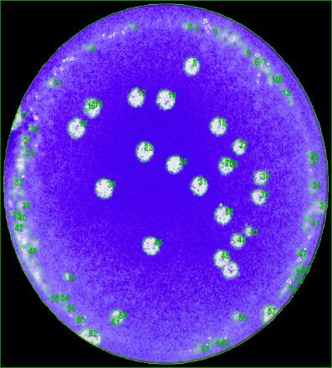
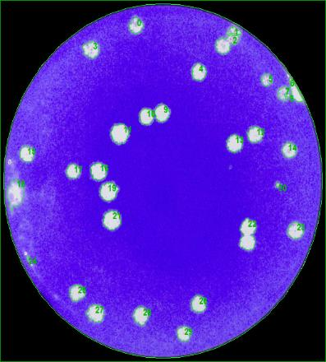
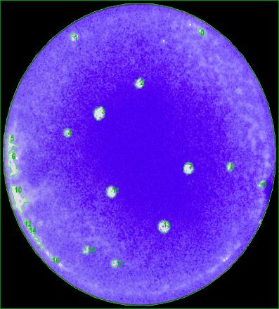
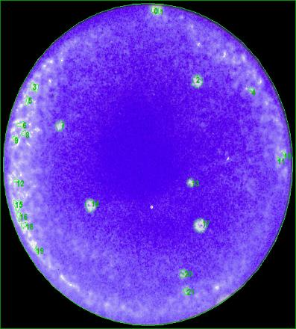
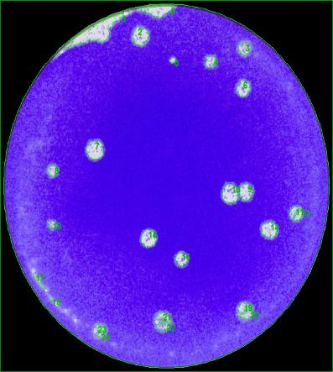
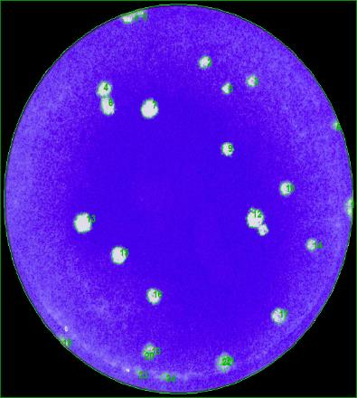
2NPC1 |  |  |  |  |  |  | Y420S |  |  |  |  |  |  | P424A |  |  |  |  |  |  | S425L |  |  |  |  |  |  | D502E |  |  |  |  |  |  | D508N
Index | X | Y | Size [sqmm] | Mean Spot Intensity | Max Spot Intensity | Circularity | Index | X | Y | Size [sqmm] | Mean Spot Intensity | Max Spot Intensity | Circularity | Index | X | Y | Size [sqmm] | Mean Spot Intensity | Max Spot Intensity | Circularity | Index | X | Y | Size [sqmm] | Mean Spot Intensity | Max Spot Intensity | Circularity | Index | X | Y | Size [sqmm] | Mean Spot Intensity | Max Spot Intensity | Circularity | Index | X | Y | Size [sqmm] | Mean Spot Intensity | Max Spot Intensity | Circularity
8 | 20.19873189 | 28.747424798 | 2.12127543 | 84.87% | 94.90% | 1.2800434021 | 0 | 14.455298204 | 32.668073559 | 1.7645079869 | 80.79% | 91.37% | 1.444408629 | 2 | 17.381923003 | 25.589415883 | 0.98769876922 | 79.09% | 92.55% | 1.4598797537 | 2 | 23.321056966 | 26.372354485 | 1.3233777721 | 78.47% | 90.98% | 1.534743761 | 2 | 14.600515726 | 31.685816363 | 2.1915773821 | 82.75% | 90.20% | 1.7887012275 | 2 | 20.028475617 | 29.618939793 | 0.85940505448 | 81.27% | 91.37% | 1.3987473867
12 | 14.208442166 | 25.720825909 | 2.2390303953 | 82.61% | 94.90% | 1.4555352217 | 3 | 9.5742034607 | 30.326950293 | 2.2776957181 | 82.34% | 92.16% | 1.5672507849 | 3 | 12.286783118 | 22.077390863 | 1.6643337657 | 82.27% | 92.94% | 1.4237601481 | 7 | 6.8364258463 | 21.584112985 | 0.75922654259 | 78.99% | 91.76% | 1.943282108 | 3 | 25.704688216 | 30.518634238 | 1.1072058663 | 78.46% | 88.63% | 1.561817579 | 3 | 24.741289687 | 27.926862939 | 0.60984052593 | 80.31% | 91.76% | 1.5194106661
14 | 17.391099054 | 25.525928898 | 2.8014256314 | 82.79% | 94.51% | 1.4247791278 | 4 | 21.339623326 | 28.080525612 | 1.9683765683 | 83.65% | 90.59% | 1.4055953776 | 4 | 8.2140347967 | 19.89524196 | 0.74868092799 | 76.45% | 90.59% | 1.2481193952 | 13 | 22.524462837 | 15.420462471 | 0.62565605161 | 73.86% | 90.98% | 1.2939632333 | 4 | 22.128553861 | 29.276176653 | 1.0228478145 | 78.29% | 89.41% | 1.4561094277 | 4 | 10.02001626 | 27.205117308 | 1.3761019835 | 83.65% | 91.37% | 1.4074786951
18 | 23.012457972 | 22.959543709 | 2.2355147613 | 83.97% | 93.73% | 1.4134211163 | 5 | 28.754958133 | 27.336462204 | 1.1599332958 | 77.60% | 89.41% | 1.3429888768 | 7 | 23.665810181 | 15.816465523 | 1.3602862433 | 79.34% | 92.55% | 1.3874228989 | 14 | 10.526826642 | 12.963430049 | 1.376104987 | 78.88% | 92.55% | 1.4473775705 | 5 | 18.101787109 | 29.413354275 | 0.28294985707 | 77.66% | 89.41% | 1.308698291 | 5 | 22.181156949 | 27.3026816 | 0.50439060124 | 81.62% | 91.37% | 1.4078099615
19 | 7.7780927651 | 22.714402753 | 2.5870148679 | 82.85% | 95.29% | 1.462015143 | 9 | 17.32169974 | 24.041138171 | 2.0632823802 | 83.51% | 90.98% | 1.4743008605 | 8 | 28.924136149 | 15.981569314 | 0.58347724026 | 76.90% | 91.76% | 1.6670565451 | 17 | 23.671186999 | 10.801290437 | 1.6731175944 | 78.80% | 91.76% | 1.3275838359 | 6 | 25.616046694 | 26.69167817 | 1.6168786072 | 80.71% | 91.37% | 1.5649721228 | 6 | 10.327587652 | 25.714001763 | 1.637970051 | 83.03% | 91.37% | 1.5784442947
22 | 25.248859916 | 20.983508598 | 1.5307615584 | 81.78% | 93.73% | 1.3898447103 | 10 | 15.622603351 | 23.741136297 | 1.8594110097 | 84.65% | 90.20% | 1.3235182052 | 11 | 13.782016307 | 13.074975516 | 1.3339242449 | 80.26% | 92.16% | 1.4519796773 |  |  |  |  |  |  |  | 7 | 9.7645558652 | 20.87071843 | 2.6590693808 | 81.58% | 90.98% | 1.3598438689 | 7 | 14.510701869 | 25.42711267 | 2.0667986577 | 84.22% | 91.76% | 1.4484999006
23 | 15.102853869 | 20.512222849 | 2.5149564932 | 83.93% | 94.51% | 1.5715305203 | 11 | 12.702795461 | 22.005545567 | 2.8682119495 | 84.80% | 91.37% | 1.4467098889 | 13 | 20.539714819 | 9.0829301303 | 1.6660882574 | 79.61% | 92.55% | 1.3788898112 |  |  |  |  |  |  |  | 8 | 5.2263183385 | 18.83926518 | 0.89982637068 | 78.60% | 90.59% | 1.4144585866 | 8 | 33.055812375 | 23.979619551 | 0.23725541175 | 75.51% | 89.80% | 1.3548010176
26 | 18.350466778 | 19.235478094 | 2.1441252271 | 84.94% | 94.51% | 1.3648284249 | 12 | 27.437572446 | 21.956814078 | 2.040432583 | 82.77% | 90.59% | 1.4273774412 |  |  |  |  |  |  |  |  |  |  |  |  |  |  | 9 | 25.879648301 | 16.808036266 | 1.8699566243 | 80.81% | 90.98% | 1.3768611675 | 9 | 22.308319071 | 21.880901793 | 1.0263638775 | 82.03% | 92.16% | 1.3726594296
30 | 27.541620761 | 17.997796687 | 1.5167005244 | 79.77% | 93.33% | 1.4294919727 | 13 | 25.214645113 | 21.07500859 | 2.2601196937 | 83.02% | 90.20% | 1.3246076248 |  |  |  |  |  |  |  |  |  |  |  |  |  |  | 10 | 24.192948266 | 16.689355478 | 2.530772448 | 81.04% | 91.37% | 1.352640155 | 10 | 28.096808037 | 18.332396905 | 0.98067093395 | 81.93% | 91.37% | 1.6685214321
31 | 20.964302573 | 17.165446352 | 2.4042330104 | 83.37% | 94.51% | 1.5416159335 | 14 | 31.20091127 | 20.418783438 | 1.8348060773 | 81.98% | 89.41% | 1.4377034054 |  |  |  |  |  |  |  |  |  |  |  |  |  |  | 13 | 5.1940140071 | 13.715757692 | 0.48330151739 | 75.66% | 89.80% | 1.6090298246 | 13 | 7.9058627641 | 15.257580327 | 2.2196994502 | 85.08% | 91.37% | 1.48030059
33 | 10.756256867 | 16.935350357 | 2.8383338881 | 83.52% | 94.51% | 1.4479159008 | 15 | 2.5694245754 | 20.065064035 | 1.8857727936 | 85.72% | 92.16% | 1.256583483 |  |  |  |  |  |  |  |  |  |  |  |  |  |  | 14 | 28.395319164 | 13.181679675 | 2.0421911509 | 82.54% | 91.37% | 1.4659571477 | 14 | 30.698934959 | 13.292667921 | 0.71001667788 | 79.10% | 90.98% | 1.3160806911
35 | 27.362499611 | 16.12722827 | 1.6924528303 | 81.10% | 92.55% | 1.3750146503 | 16 | 10.367490449 | 18.325970774 | 2.2073959113 | 85.49% | 91.76% | 1.3871410581 |  |  |  |  |  |  |  |  |  |  |  |  |  |  | 15 | 15.475070107 | 12.37766076 | 2.1599413964 | 81.32% | 90.98% | 1.5020487656 | 15 | 11.45364399 | 12.374020733 | 1.77856709 | 84.24% | 91.37% | 1.3253033883
38 | 23.506387147 | 14.386846889 | 2.2337574807 | 82.05% | 93.33% | 1.5623045251 | 17 | 7.6049128917 | 18.351971998 | 1.5993032264 | 84.88% | 91.37% | 1.3737639452 |  |  |  |  |  |  |  |  |  |  |  |  |  |  | 16 | 19.02324211 | 10.418617264 | 1.3145911545 | 79.33% | 91.37% | 1.6274050274 | 16 | 14.964380889 | 8.7148749565 | 1.3901630176 | 80.94% | 90.98% | 1.4610126677
43 | 26.269420612 | 12.793781652 | 0.5729326983 | 77.63% | 92.55% | 1.227473739 | 19 | 11.469448797 | 16.355601947 | 2.564166358 | 85.44% | 90.98% | 1.5846298364 |  |  |  |  |  |  |  |  |  |  |  |  |  |  |  |  |  |  |  |  |  | 17 | 27.4019465 | 6.9398735205 | 1.2811991752 | 79.90% | 90.98% | 1.3698936249
44 | 25.125974645 | 11.933895927 | 1.2390169313 | 82.11% | 92.94% | 1.6075323437 | 20 | 29.950413785 | 16.983705541 | 0.16168354855 | 73.73% | 88.24% | 1.2906226931
45 | 15.780702081 | 11.407401902 | 2.3919305442 | 82.11% | 94.12% | 1.4248842636 | 21 | 11.852918 | 13.525173715 | 2.7574888957 | 84.90% | 91.37% | 1.3578453924
 |  |  |  |  |  |  | 23 | 31.880778503 | 12.560183127 | 2.1722466516 | 82.17% | 90.98% | 1.409579897
 |  |  |  |  |  |  | 24 | 2.738240759 | 9.6893889542 | 0.19683237924 | 71.50% | 76.47% | 1.8916582969
 |  |  |  |  |  |  | 25 | 8.0363465006 | 6.386857234 | 1.9912272236 | 82.14% | 90.59% | 1.510532967
 |  |  |  |  |  |  | 26 | 21.295175924 | 5.3071370601 | 2.0439475734 | 82.38% | 89.02% | 1.3246372641
 |  |  |  |  |  |  | 27 | 10.047226002 | 4.3699713272 | 2.4921101287 | 82.95% | 90.98% | 1.5266527172
 |  |  |  |  |  |  | 28 | 14.987675612 | 4.1617878581 | 2.140611524 | 82.85% | 89.80% | 1.4760710685
 |  |  |  |  |  |  | 29 | 19.702038322 | 2.3622831815 | 1.6889374108 | 82.45% | 90.20% | 1.4389557741

Ave |  |  | 2.066466392 |  |  |  | Ave |  |  | 1.9129782995 |  |  |  | Ave |  |  | 1.1920699213 |  |  |  | Ave |  |  | 1.1514965895 |  |  |  | Ave |  |  | 1.5523930439 |  |  |  | Ave |  |  | 1.191317322
SD |  |  | 0.60925487557 |  |  |  | SD |  |  | 0.66295315871 |  |  |  | SD |  |  | 0.4291255295 |  |  |  | SD |  |  | 0.44228514755 |  |  |  | SD |  |  | 0.76485200444 |  |  |  | SD |  |  | 0.59379984754
SE |  |  | 0.15231371889 |  |  |  | SE |  |  | 0.13823528944 |  |  |  | SE |  |  | 0.16219420461 |  |  |  | SE |  |  | 0.19779593107 |  |  |  | SE |  |  | 0.21213177847 |  |  |  | SE |  |  | 0.1586996847
N |  |  | 16 |  |  |  | N |  |  | 23 |  |  |  | N |  |  | 7 |  |  |  | N |  |  | 5 |  |  |  | N |  |  | 13 |  |  |  | N |  |  | 14

Zaire_day4
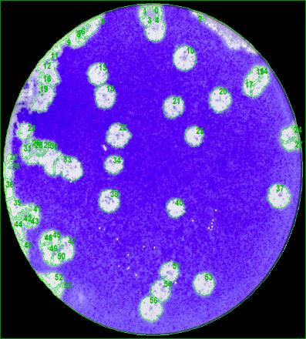
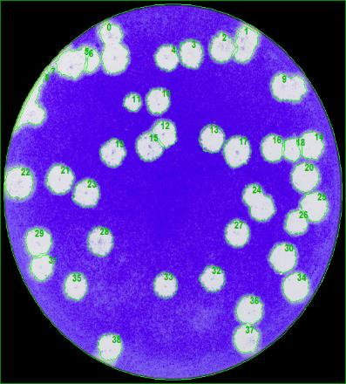
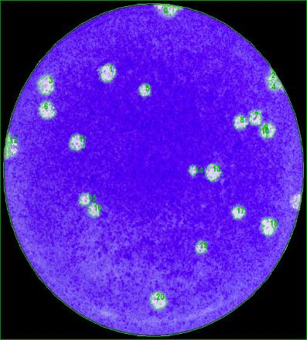
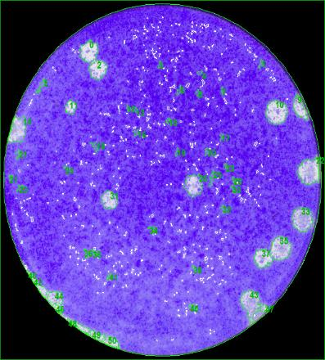
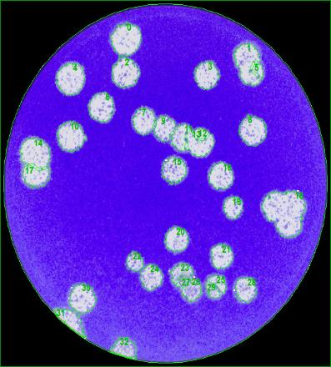
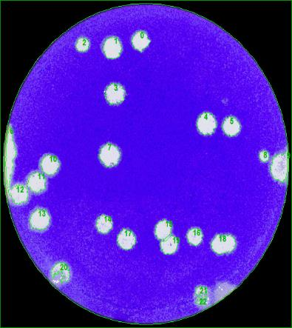
2NPC1 |  |  |  |  |  |  | Y420S |  |  |  |  |  |  | P424A |  |  |  |  |  |  | S425L |  |  |  |  |  |  | D502E |  |  |  |  |  |  | D508N
Index | X | Y | Size [sqmm] | Mean Spot Intensity | Max Spot Intensity | Circularity | Index | X | Y | Size [sqmm] | Mean Spot Intensity | Max Spot Intensity | Circularity | Index | X | Y | Size [sqmm] | Mean Spot Intensity | Max Spot Intensity | Circularity | Index | X | Y | Size [sqmm] | Mean Spot Intensity | Max Spot Intensity | Circularity | Index | X | Y | Size [sqmm] | Mean Spot Intensity | Max Spot Intensity | Circularity | Index | X | Y | Size [sqmm] | Mean Spot Intensity | Max Spot Intensity | Circularity
10 | 21.148424236 | 29.05579222 | 5.4288794075 | 86.05% | 95.29% | 1.8635633659 | 2 | 22.442059292 | 30.698167876 | 5.0738670996 | 85.38% | 90.20% | 1.9969370893 | 1 | 12.13403226 | 27.54547065 | 2.4885992146 | 80.57% | 92.16% | 1.802202046 | 0 | 9.3475665764 | 30.084798067 | 3.1810480205 | 83.09% | 93.73% | 2.2397095621 | 0 | 13.190291269 | 31.344522259 | 7.727679227 | 84.15% | 91.37% | 2.1753908952 | 0 | 16.749310986 | 30.767031679 | 3.3409781501 | 87.01% | 92.16% | 2.0028079225
13 | 11.072208281 | 27.40848118 | 4.1371245343 | 87.63% | 96.47% | 2.0067522097 | 3 | 19.264663437 | 30.211120739 | 5.0035655765 | 84.23% | 91.76% | 2.240186113 | 3 | 4.9486270058 | 26.252110585 | 2.4587224403 | 82.39% | 92.16% | 1.9280336617 | 2 | 10.314938017 | 28.261180928 | 2.6907115881 | 82.89% | 93.33% | 1.9279252035 | 2 | 13.062362064 | 28.113336508 | 6.5255518878 | 81.20% | 90.98% | 2.1795879126 | 1 | 13.304760336 | 30.004703009 | 4.1441547296 | 87.36% | 92.16% | 1.7775432914
18 | 11.908922306 | 25.047059158 | 4.8823014133 | 84.51% | 96.08% | 1.7636618074 | 4 | 16.813688076 | 29.874038356 | 4.530805383 | 84.69% | 91.37% | 1.8105687432 | 5 | 16.422461203 | 25.775115132 | 1.3497438467 | 78.75% | 91.76% | 2.1270935926 | 9 | 32.356138477 | 24.557486436 | 2.0738256348 | 79.59% | 91.37% | 3.0601165763 | 3 | 21.770434585 | 27.879875478 | 5.2601620165 | 82.43% | 90.98% | 2.2305723577 | 2 | 9.6548267932 | 30.327239758 | 1.8805067442 | 86.65% | 92.55% | 1.7394613562
20 | 25.152967287 | 24.712444467 | 5.1160495581 | 85.94% | 94.51% | 1.7224910836 | 10 | 15.885452349 | 25.883527137 | 4.2337874122 | 86.20% | 90.98% | 1.7024361988 | 6 | 5.0197052188 | 23.641741138 | 2.2601250571 | 83.39% | 91.76% | 1.9372213397 | 10 | 29.891348383 | 24.075201004 | 4.4148085565 | 81.39% | 91.76% | 1.7693403295 | 4 | 7.2675699899 | 27.474718085 | 7.1248622457 | 83.89% | 91.76% | 1.9278021877 | 3 | 13.612353437 | 24.986503009 | 4.1916077428 | 84.73% | 92.16% | 2.0633163326
21 | 19.73355386 | 23.893366117 | 4.3058453578 | 83.12% | 94.51% | 1.8729043633 | 11 | 13.23562154 | 25.693572747 | 2.0878881706 | 85.08% | 91.37% | 1.7348941495 | 7 | 29.199244003 | 22.837179475 | 1.6098505573 | 82.23% | 92.94% | 2.7197163367 | 11 | 7.3456966839 | 24.514544253 | 1.2776859012 | 80.93% | 93.33% | 1.8823493049 | 6 | 10.494109823 | 24.780410927 | 5.8067425851 | 82.34% | 91.76% | 1.8769712194 | 4 | 24.807497646 | 21.753985717 | 4.3427518982 | 87.02% | 92.94% | 1.8354624096
22 | 13.378270057 | 21.010320324 | 5.4236086382 | 83.27% | 94.90% | 1.7792225628 | 12 | 16.62892959 | 22.823835123 | 4.1986428723 | 86.35% | 90.98% | 1.7301568987 | 8 | 27.474616772 | 22.38017884 | 1.6151279771 | 83.46% | 92.55% | 2.0397447667 | 26 | 20.818180471 | 16.892053579 | 3.3286771857 | 76.17% | 92.16% | 2.1273847135 | 7 | 15.101645351 | 23.435055652 | 4.5483762585 | 83.01% | 92.16% | 1.9246997058 | 5 | 27.766130075 | 21.496817477 | 3.4464304347 | 86.94% | 92.94% | 1.7903791989
23 | 2.5455871051 | 21.42570308 | 1.8998394056 | 89.02% | 94.90% | 3.0256467213 | 13 | 21.339847662 | 22.361037945 | 5.3427625732 | 80.75% | 90.59% | 1.8723135331 | 11 | 8.5425417691 | 20.232194083 | 2.0843757548 | 78.40% | 91.76% | 2.4924109823 | 31 | 11.579532464 | 15.398774281 | 2.5922884261 | 79.78% | 93.33% | 1.7367720162 | 8 | 26.783467628 | 22.484509384 | 6.541371275 | 80.82% | 90.98% | 1.9812625321 | 7 | 12.986652405 | 18.274836723 | 4.9104219797 | 85.05% | 92.16% | 1.8134445986
25 | 22.132866895 | 20.828753193 | 3.6169076806 | 83.09% | 94.12% | 1.6626371664 | 14 | 31.620621533 | 21.699269532 | 4.9156951088 | 88.04% | 92.16% | 1.7263906944 | 13 | 24.286771218 | 17.158441291 | 2.3462412478 | 80.61% | 91.76% | 1.9544997542 | 33 | 32.700233157 | 13.538279258 | 4.149426357 | 76.66% | 90.20% | 2.1121466591 | 9 | 17.289540141 | 22.691983663 | 3.9631318689 | 82.04% | 91.37% | 1.8486008936 | 8 | 31.785580591 | 18.229274879 | 1.0808490167 | 86.81% | 92.16% | 1.68648406
34 | 12.829204973 | 17.90063041 | 3.3761336313 | 83.99% | 94.51% | 1.6863454692 | 15 | 14.928979278 | 21.450278687 | 5.0334505032 | 83.70% | 90.98% | 1.6102475793 | 14 | 21.957139726 | 17.323725997 | 0.68365768292 | 76.42% | 90.98% | 1.9794291778 | 35 | 30.375037722 | 10.629282898 | 3.9842254581 | 79.94% | 92.55% | 1.7231819785 | 10 | 7.2694876978 | 21.952124739 | 6.6749426242 | 81.68% | 91.76% | 2.2117231192 | 10 | 5.725624332 | 17.318450491 | 3.6204224563 | 86.85% | 92.16% | 1.7561950141
37 | 31.959795303 | 14.570490934 | 4.9719332379 | 87.54% | 93.73% | 1.8772006005 | 16 | 27.593196247 | 21.536517647 | 4.4552275128 | 85.87% | 90.98% | 1.5749281653 | 15 | 9.4356074582 | 14.304971618 | 1.2601156693 | 78.53% | 90.98% | 1.7666728097 | 37 | 28.363673366 | 9.6547544269 | 2.6379873766 | 81.96% | 91.76% | 2.3282872026 | 15 | 18.190363501 | 18.612165151 | 4.8981152227 | 79.47% | 91.37% | 3.0331853237 | 11 | 4.1211035052 | 15.409267399 | 3.5290316349 | 87.89% | 92.55% | 1.9358855805
38 | 12.3767996 | 14.095442136 | 4.8453918694 | 84.30% | 95.29% | 1.8540183362 | 17 | 23.911255075 | 21.184151495 | 6.1986584298 | 84.05% | 90.59% | 1.8471927433 | 16 | 10.506737748 | 13.206899342 | 1.4393791039 | 79.96% | 90.20% | 2.0098367829 |  |  |  |  |  |  |  | 16 | 23.42530067 | 18.088544069 | 5.0369594865 | 83.81% | 91.37% | 1.8788599016 | 13 | 4.4677020611 | 11.31510588 | 4.1828202668 | 87.20% | 92.55% | 1.8079101308
40 | 19.983007849 | 13.335711417 | 3.6098779145 | 82.97% | 94.12% | 1.7420230021 | 19 | 11.205637327 | 21.031161828 | 4.9174538912 | 82.96% | 91.76% | 1.787156653 | 17 | 27.264312969 | 12.984076164 | 1.5430687444 | 83.61% | 92.16% | 1.6516843287 |  |  |  |  |  |  |  | 19 | 24.682340072 | 15.081288701 | 3.3357075953 | 82.17% | 91.37% | 1.987143611 | 14 | 12.306495707 | 10.866941175 | 2.9490595163 | 85.48% | 91.76% | 1.7190487467
51 | 19.322860442 | 6.7335426295 | 3.3603129568 | 85.18% | 92.94% | 2.0152723141 | 20 | 30.982473491 | 18.71962192 | 5.8208012592 | 87.11% | 90.59% | 1.6344392076 | 18 | 30.758427322 | 11.514323161 | 2.2003689341 | 86.28% | 93.33% | 2.6947718898 |  |  |  |  |  |  |  | 20 | 18.584542922 | 12.004634019 | 4.6784313301 | 82.04% | 92.16% | 1.9358192643 | 15 | 19.494296287 | 10.226759639 | 3.1353561496 | 87.77% | 92.16% | 1.8184080535
53 | 23.331188253 | 5.3946062478 | 4.4376542774 | 86.41% | 92.94% | 1.7061747406 | 21 | 5.8142658543 | 18.509151675 | 5.564203961 | 87.12% | 92.16% | 1.7470984706 | 19 | 22.912809531 | 9.3028803653 | 1.2267221884 | 77.88% | 91.37% | 1.8048885866 |  |  |  |  |  |  |  | 21 | 23.446091518 | 10.349869246 | 4.2408158911 | 84.20% | 91.76% | 2.0281159294 | 16 | 23.340595876 | 9.5344309236 | 2.7082843943 | 86.25% | 92.55% | 1.8006379931
54 | 18.32187484 | 4.7859040675 | 3.9279826092 | 84.89% | 93.33% | 1.95038744 | 22 | 1.6102160572 | 18.200639521 | 6.7188800035 | 88.44% | 93.33% | 1.8536447243 | 20 | 17.927398717 | 3.7567390144 | 2.4095121465 | 83.47% | 92.55% | 2.0134342262 |  |  |  |  |  |  |  | 22 | 14.094472427 | 9.8044803716 | 2.5817445277 | 78.04% | 91.37% | 1.8555500256 | 17 | 14.994362261 | 9.1767313722 | 3.6854495631 | 86.20% | 91.76% | 1.6820142095
56 | 17.129342788 | 2.7794968059 | 5.1336195753 | 88.15% | 94.12% | 1.8044382914 | 23 | 8.5146879672 | 17.190571943 | 5.4499721384 | 83.84% | 91.37% | 1.8658351453 |  |  |  |  |  |  |  |  |  |  |  |  |  |  | 24 | 15.832487429 | 8.2943759005 | 4.3146319755 | 80.72% | 90.98% | 2.0582429232 | 19 | 20.270967965 | 8.5586215685 | 3.0351791395 | 87.33% | 92.16% | 1.8287635496
 |  |  |  |  |  |  | 25 | 31.930248129 | 16.055274425 | 5.5308205633 | 87.80% | 90.59% | 1.7963662444 |  |  |  |  |  |  |  |  |  |  |  |  |  |  | 28 | 26.09662428 | 7.1161651463 | 4.2759690125 | 80.99% | 92.16% | 2.2308040581
 |  |  |  |  |  |  | 26 | 30.049461586 | 14.53576233 | 3.8752581832 | 86.51% | 90.59% | 1.6641123992 |  |  |  |  |  |  |  |  |  |  |  |  |  |  | 30 | 8.5390030554 | 6.2419798337 | 6.1652690252 | 82.45% | 91.76% | 2.2169336071
 |  |  |  |  |  |  | 27 | 23.95881423 | 13.525897378 | 4.8471512954 | 84.03% | 90.20% | 1.7528026494
 |  |  |  |  |  |  | 28 | 9.9083332972 | 12.814804072 | 5.5554194886 | 82.02% | 90.98% | 1.7987284709
 |  |  |  |  |  |  | 29 | 3.57216868 | 12.798297312 | 5.4025169799 | 88.34% | 91.76% | 1.6673385909
 |  |  |  |  |  |  | 30 | 28.729810832 | 11.272909071 | 5.5114831822 | 86.86% | 90.20% | 1.7043047228
 |  |  |  |  |  |  | 31 | 3.9448408259 | 10.399845437 | 4.1793050621 | 88.59% | 91.76% | 1.7298748026
 |  |  |  |  |  |  | 32 | 21.416324404 | 9.3760716753 | 4.6960094999 | 81.87% | 90.20% | 1.7950157374
 |  |  |  |  |  |  | 33 | 16.626425714 | 8.740782104 | 4.6784326173 | 81.01% | 90.59% | 1.7435100698
 |  |  |  |  |  |  | 34 | 30.04573472 | 8.5695416482 | 5.6169328923 | 87.42% | 90.20% | 1.6785821957
 |  |  |  |  |  |  | 35 | 7.466338599 | 8.6747188778 | 4.7012776946 | 85.07% | 91.37% | 1.6828894318
 |  |  |  |  |  |  | 36 | 25.275845322 | 6.4906812132 | 5.602870571 | 85.93% | 90.20% | 1.6765141315
 |  |  |  |  |  |  | 37 | 24.956941362 | 3.7802435997 | 5.1476797513 | 86.10% | 89.02% | 1.6932246567
 |  |  |  |  |  |  | 38 | 10.933684645 | 3.0416872699 | 4.6854615253 | 87.10% | 90.98% | 1.7479126248

Ave |  |  | 4.2795913792 |  |  |  | Ave |  |  | 4.9858760401 |  |  |  | Ave |  |  | 1.7983740377 |  |  |  | Ave |  |  | 3.0330684504 |  |  |  | Ave |  |  | 5.2055813364 |  |  |  | Ave |  |  | 3.3864564885
SD |  |  | 0.95230192693 |  |  |  | SD |  |  | 0.83190941458 |  |  |  | SD |  |  | 0.55845947818 |  |  |  | SD |  |  | 0.97971321238 |  |  |  | SD |  |  | 1.3797232377 |  |  |  | SD |  |  | 0.95516361687
SE |  |  | 0.23807548173 |  |  |  | SE |  |  | 0.15188518406 |  |  |  | SE |  |  | 0.14419361724 |  |  |  | SE |  |  | 0.30981252049 |  |  |  | SE |  |  | 0.32520388585 |  |  |  | SE |  |  | 0.23879090422
N |  |  | 16 |  |  |  | N |  |  | 30 |  |  |  | N |  |  | 15 |  |  |  | N |  |  | 10 |  |  |  | N |  |  | 18 |  |  |  | N |  |  | 16

Zaire_day5
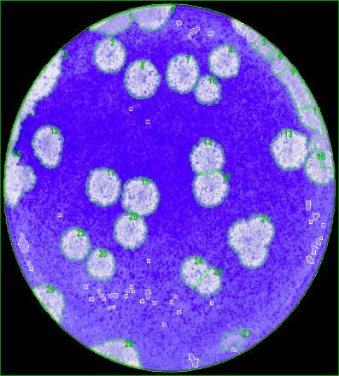
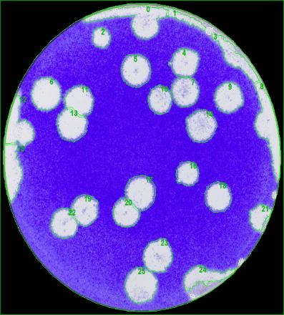




2NPC1 |  |  |  |  |  |  | Y420S |  |  |  |  |  |  | P424A |  |  |  |  |  |  | S425L |  |  |  |  |  |  | D502E |  |  |  |  |  |  | D508N
Index | X | Y | Size [sqmm] | Mean Spot Intensity | Max Spot Intensity | Circularity | Index | X | Y | Size [sqmm] | Mean Spot Intensity | Max Spot Intensity | Circularity | Index | X | Y | Size [sqmm] | Mean Spot Intensity | Max Spot Intensity | Circularity | Index | X | Y | Size [sqmm] | Mean Spot Intensity | Max Spot Intensity | Circularity | Index | X | Y | Size [sqmm] | Mean Spot Intensity | Max Spot Intensity | Circularity | Index | X | Y | Size [sqmm] | Mean Spot Intensity | Max Spot Intensity | Circularity
2 | 11.120621358 | 29.924846759 | 8.6767221131 | 79.05% | 95.29% | 1.66926747 | 2 | 12.351464147 | 30.827153629 | 4.1476675746 | 82.80% | 92.55% | 1.5370571258 | 1 | 13.373501116 | 32.568815895 | 5.9455804127 | 74.45% | 92.55% | 1.7687447896 | 3 | 20.663888211 | 29.322346374 | 7.5484095709 | 76.02% | 92.55% | 1.7974400537 | 0 | 13.880998979 | 30.324815486 | 13.919325697 | 73.81% | 91.37% | 1.5523682907 | 2 | 15.689773782 | 31.042023747 | 7.4868961673 | 82.98% | 92.55% | 1.6466474141
4 | 23.183256993 | 29.349990313 | 8.0440264268 | 79.14% | 94.12% | 1.6156783106 | 4 | 22.668160666 | 28.089064839 | 9.0932454647 | 83.05% | 91.76% | 1.686345949 | 2 | 21.070985022 | 21.059674164 | 8.8946500123 | 77.17% | 93.73% | 1.6982100094 | 4 | 24.592895283 | 28.814993244 | 8.8138065218 | 76.92% | 92.16% | 1.609657839 | 3 | 21.057097922 | 25.882731107 | 14.434269637 | 76.22% | 91.76% | 1.6527319749 | 4 | 21.081369591 | 23.991791568 | 9.5291072702 | 77.92% | 92.55% | 1.6435491483
7 | 18.762752255 | 28.208237718 | 9.813818055 | 78.59% | 95.29% | 1.6711231901 | 5 | 16.644987679 | 27.123502557 | 11.256720945 | 81.07% | 91.76% | 1.5931898522 | 3 | 24.889807114 | 21.278879026 | 5.7381957683 | 76.82% | 92.94% | 1.6214738387 | 5 | 14.326138771 | 28.596034428 | 7.933304231 | 76.43% | 92.94% | 1.9466266323 | 4 | 14.179025251 | 24.202855217 | 12.956218774 | 77.95% | 92.55% | 1.618423669 | 6 | 7.9358441362 | 21.41777173 | 4.3620815561 | 79.63% | 92.16% | 1.6444596845
8 | 14.484266447 | 27.571688972 | 10.783959036 | 76.56% | 94.12% | 1.6247945461 | 6 | 5.4464494894 | 24.602708158 | 10.861286678 | 87.22% | 93.33% | 1.5919259808 | 6 | 11.536257396 | 16.475346519 | 7.7751285931 | 76.53% | 92.16% | 1.6935654639 | 6 | 27.864635128 | 27.408531836 | 9.4412344426 | 76.82% | 91.76% | 1.7370749662 | 6 | 28.006017235 | 20.489745865 | 12.599447684 | 78.97% | 92.16% | 1.7222281024 | 7 | 6.5066090432 | 18.138585389 | 4.8576915467 | 80.06% | 91.76% | 1.7461601503
10 | 21.463673696 | 26.485788714 | 5.8910976335 | 76.04% | 94.12% | 1.8112269711 | 7 | 22.767845291 | 24.839078314 | 9.3533575387 | 80.98% | 90.98% | 1.5359072369 | 7 | 3.8788499661 | 15.922417072 | 5.4183325056 | 78.90% | 90.98% | 1.7774215722 | 10 | 16.611004449 | 22.810563138 | 7.1055242209 | 75.50% | 92.55% | 1.6444068601 | 7 | 20.686683606 | 18.344880097 | 15.177686875 | 76.17% | 91.76% | 1.7194984623 | 8 | 29.247780103 | 17.812357956 | 6.9772260008 | 78.79% | 92.55% | 1.742502592
14 | 21.361564799 | 20.447990491 | 9.6204970189 | 75.47% | 93.73% | 1.6555854093 | 9 | 28.205422668 | 24.101875235 | 9.4570518991 | 84.06% | 91.76% | 1.6759282583 | 8 | 8.4430525334 | 15.487205941 | 6.9508661478 | 77.13% | 91.37% | 1.7221136611 | 11 | 25.035408178 | 22.59257403 | 8.602907316 | 74.64% | 91.37% | 1.6369992872 | 8 | 31.602754285 | 17.96374109 | 14.119675212 | 79.75% | 92.16% | 1.665337041 | 9 | 3.2377783247 | 15.5656221 | 7.7118581234 | 80.71% | 91.76% | 1.6016681901
17 | 10.436441092 | 17.559263941 | 10.824380352 | 75.99% | 93.73% | 1.5942458891 | 10 | 19.610096895 | 23.860620351 | 7.6292552068 | 79.23% | 90.59% | 1.6047283844 | 9 | 19.292994856 | 12.478503246 | 7.61519782 | 76.77% | 92.55% | 1.6881646912 | 12 | 21.466662425 | 22.248870128 | 7.8823381583 | 75.26% | 91.76% | 1.741894921 | 19 | 15.542725392 | 7.8922578934 | 11.657425553 | 72.99% | 91.76% | 1.6475618079 | 10 | 23.602279776 | 14.773449554 | 6.8313556182 | 79.33% | 92.55% | 1.6827918839
18 | 21.7257339 | 17.213627857 | 10.216288739 | 76.74% | 94.12% | 1.573062019 | 11 | 9.7324107397 | 23.91380237 | 9.1371824148 | 85.31% | 92.94% | 1.6316580642 | 10 | 7.8223520149 | 12.301024812 | 4.3989883111 | 75.16% | 92.55% | 1.9045988148 | 13 | 4.9600608865 | 19.519154123 | 6.9860158367 | 76.52% | 92.55% | 1.6861233282 |  |  |  |  |  |  |  | 11 | 8.744118192 | 14.648668284 | 8.0159041441 | 78.20% | 90.98% | 1.5905315647
19 | 14.338947612 | 16.671061269 | 11.453561477 | 77.00% | 94.51% | 1.6260957728 | 13 | 8.5738619184 | 20.773667939 | 10.650383825 | 83.45% | 92.94% | 1.6670159343 | 11 | 30.575948374 | 12.027176132 | 3.8031980923 | 75.56% | 92.16% | 1.6472051276 | 14 | 16.830281677 | 19.42554827 | 7.8946361193 | 77.91% | 93.33% | 1.5863513088 |  |  |  |  |  |  |  | 12 | 26.050454559 | 14.714977556 | 5.6872273357 | 78.59% | 92.16% | 1.5813829938
20 | 13.282768207 | 13.277637434 | 9.1723363945 | 78.24% | 93.73% | 1.7060436763 | 14 | 24.88278758 | 20.91774931 | 10.942134888 | 79.29% | 90.59% | 1.6421319678 | 12 | 22.574004829 | 8.2240502973 | 4.7170904313 | 78.07% | 92.55% | 1.705597159 | 15 | 10.139862146 | 18.030202331 | 11.346353842 | 77.54% | 93.73% | 1.7416344128 |  |  |  |  |  |  |  | 13 | 29.484150259 | 13.401101636 | 6.2830179835 | 80.95% | 92.55% | 1.6418197793
22 | 7.5056407549 | 12.088752645 | 7.7171342561 | 78.06% | 94.12% | 1.6169403168 | 16 | 23.045254395 | 15.565585917 | 6.6468222725 | 78.21% | 90.98% | 1.5861135567 | 13 | 13.703332392 | 6.9873530721 | 3.7838677908 | 75.40% | 91.37% | 1.9975346523 | 17 | 19.299022972 | 17.775726118 | 8.5396338428 | 76.93% | 92.94% | 1.7157131141 |  |  |  |  |  |  |  | 15 | 13.467758266 | 11.515148137 | 6.8067506857 | 76.25% | 90.98% | 1.688857207
23 | 10.226730693 | 10.107268349 | 7.3814494606 | 78.60% | 93.73% | 1.6102718988 | 17 | 17.388088615 | 13.578174818 | 11.580098984 | 80.27% | 91.37% | 1.4476394969 | 14 | 21.369814561 | 6.4213470287 | 4.0228806978 | 77.15% | 91.76% | 1.7840655816 | 18 | 13.438681473 | 16.235249497 | 8.8700500143 | 76.92% | 92.94% | 1.6112226342 |  |  |  |  |  |  |  | 16 | 23.283245557 | 9.1419448755 | 6.9438338072 | 81.46% | 92.16% | 1.5404589924
 |  |  |  |  |  |  | 18 | 26.893551295 | 12.931842144 | 9.4535364797 | 79.06% | 90.98% | 1.5228910429 | 15 | 11.896547663 | 5.4150207906 | 4.6678831411 | 78.93% | 92.16% | 1.6774462399 | 19 | 24.846032719 | 16.500530003 | 7.7540407965 | 73.61% | 92.16% | 1.6308713187 |  |  |  |  |  |  |  | 17 | 25.747977757 | 6.1667984495 | 6.3128977613 | 79.30% | 91.76% | 1.6758967978
 |  |  |  |  |  |  | 19 | 10.291462378 | 11.582542903 | 9.1266449526 | 82.15% | 91.76% | 1.600550852 | 16 | 21.917873753 | 3.6985347721 | 6.1599961107 | 78.69% | 91.76% | 1.7512304103 | 26 | 24.674032417 | 6.4517770721 | 8.1248722772 | 77.52% | 92.16% | 1.7025627215
 |  |  |  |  |  |  | 20 | 15.281251355 | 11.021884732 | 8.005359602 | 82.77% | 92.16% | 1.4874293797 | 17 | 17.491847464 | 2.4841046678 | 5.2144619933 | 74.59% | 92.16% | 1.7454200015 | 29 | 15.32278963 | 3.261912497 | 7.8278523755 | 76.99% | 90.98% | 1.757854577
 |  |  |  |  |  |  | 22 | 7.6119975557 | 9.8506283826 | 8.8085370398 | 83.10% | 91.37% | 1.6091730648
 |  |  |  |  |  |  | 23 | 19.424969339 | 6.3325318272 | 10.987824828 | 82.46% | 90.98% | 1.569254098
 |  |  |  |  |  |  | 25 | 17.228115597 | 2.9826508148 | 12.803317123 | 82.90% | 90.59% | 1.6564180419

Ave |  |  | 9.1329392468 |  |  |  | Ave |  |  | 9.4411348731 |  |  |  | Ave |  |  | 5.6737545219 |  |  |  | Ave |  |  | 8.3113986378 |  |  |  | Ave |  |  | 13.552007062 |  |  |  | Ave |  |  | 6.754296
SD |  |  | 1.646601353 |  |  |  | SD |  |  | 2.017483907 |  |  |  | SD |  |  | 1.5613380192 |  |  |  | SD |  |  | 1.0711134661 |  |  |  | SD |  |  | 1.2062451632 |  |  |  | SD |  |  | 1.345193365
SE |  |  | 0.47533286719 |  |  |  | SE |  |  | 0.47552551718 |  |  |  | SE |  |  | 0.40313574307 |  |  |  | SE |  |  | 0.27656030775 |  |  |  | SE |  |  | 0.45591781742 |  |  |  | SE |  |  | 0.37308951176
N |  |  | 12 |  |  |  | N |  |  | 18 |  |  |  | N |  |  | 15 |  |  |  | N |  |  | 15 |  |  |  | N |  |  | 7 |  |  |  | N |  |  | 13

Zaire_day6






2NPC1 |  |  |  |  |  |  | Y420S |  |  |  |  |  |  | P424A |  |  |  |  |  |  | S425L |  |  |  |  |  |  | D502E |  |  |  |  |  |  | D508N
Index | X | Y | Size [sqmm] | Mean Spot Intensity | Max Spot Intensity | Circularity | Index | X | Y | Size [sqmm] | Mean Spot Intensity | Max Spot Intensity | Circularity | Index | X | Y | Size [sqmm] | Mean Spot Intensity | Max Spot Intensity | Circularity | Index | X | Y | Size [sqmm] | Mean Spot Intensity | Max Spot Intensity | Circularity | Index | X | Y | Size [sqmm] | Mean Spot Intensity | Max Spot Intensity | Circularity | Index | X | Y | Size [sqmm] | Mean Spot Intensity | Max Spot Intensity | Circularity
2 | 16.356940724 | 30.725790105 | 15.24447684 | 74.27% | 95.29% | 1.672773415 | 4 | 12.501848625 | 22.088086607 | 15.08805548 | 68.78% | 89.80% | 1.6118923668 | 1 | 19.146243168 | 31.135419738 | 7.2672131328 | 76.57% | 92.16% | 1.7170500097 | 0 | 21.355695889 | 31.280695153 | 11.003641212 | 75.90% | 92.16% | 1.7079979232 | 5 | 10.012917123 | 27.782072378 | 8.5027313787 | 74.97% | 92.16% | 1.6083372663 | 1 | 22.700978798 | 31.923575953 | 10.01592764 | 79.30% | 92.55% | 2.1332503317
6 | 17.633157204 | 26.25970905 | 14.416696616 | 68.50% | 93.33% | 1.5706815559 | 6 | 8.670905172 | 20.941181529 | 13.936899362 | 70.53% | 91.76% | 1.6125411295 | 2 | 22.305272448 | 31.095213003 | 6.37264659 | 75.44% | 91.76% | 2.1498420247 | 24 | 3.5203688583 | 12.807842431 | 9.1635420534 | 74.21% | 91.37% | 2.2412384737 | 12 | 25.258347142 | 18.426161963 | 16.715503515 | 70.14% | 89.80% | 1.6671405714 | 3 | 10.155905762 | 29.897731094 | 12.78750031 | 78.83% | 92.55% | 1.6880204969
14 | 3.4156692465 | 17.090554433 | 13.411409164 | 82.69% | 95.69% | 1.5987614993 | 7 | 28.533423076 | 19.824619655 | 14.924608214 | 72.11% | 90.98% | 1.6177241409 | 4 | 27.245743768 | 23.984446385 | 7.5343528276 | 73.04% | 92.94% | 1.8496993061 | 28 | 6.3061398253 | 7.7650740617 | 8.9051958415 | 75.41% | 90.59% | 1.8275384563 | 19 | 15.817471415 | 12.785162822 | 16.349938084 | 68.89% | 90.98% | 1.5900883909 | 4 | 17.815730228 | 28.02163389 | 11.715425683 | 74.30% | 90.98% | 1.5765756535
20 | 7.5542781679 | 13.691363001 | 12.8560364 | 74.77% | 94.12% | 1.5980109379 | 18 | 21.685657425 | 9.9070162299 | 6.5167639829 | 69.53% | 89.80% | 1.5926167755 | 7 | 23.964762742 | 3.8294599433 | 5.5167479444 | 79.09% | 92.55% | 2.3018192326 |  |  |  |  |  |  |  | 20 | 8.4721872194 | 11.92393832 | 15.523916212 | 72.01% | 91.37% | 1.5968391435 | 6 | 28.781415265 | 23.655425612 | 10.759355605 | 77.73% | 92.55% | 1.6025846396
22 | 14.533367005 | 11.64419902 | 11.652158216 | 70.29% | 92.16% | 1.6959277494 | 22 | 20.023865881 | 4.1499053061 | 15.548523076 | 79.63% | 91.37% | 1.5729638456 |  |  |  |  |  |  |  |  |  |  |  |  |  |  | 21 | 25.311536398 | 8.9708563891 | 18.153130058 | 74.47% | 92.16% | 1.6076603478 | 7 | 11.141882587 | 21.636296348 | 10.388520477 | 68.09% | 89.80% | 1.6454962709
25 | 17.297051767 | 6.3986674197 | 11.991352639 | 74.58% | 92.94% | 1.5507543415 |  |  |  |  |  |  |  |  |  |  |  |  |  |  |  |  |  |  |  |  |  | 23 | 20.235609774 | 6.0206908215 | 14.610019368 | 71.18% | 91.37% | 1.584641792 | 8 | 29.369066079 | 20.143690057 | 9.7435244698 | 70.57% | 90.98% | 1.5757201418
26 | 26.918249924 | 5.5086628266 | 17.088084768 | 77.25% | 92.55% | 1.5546618665 |  |  |  |  |  |  |  |  |  |  |  |  |  |  |  |  |  |  |  |  |  |  |  |  |  |  |  |  | 12 | 4.3073961584 | 14.662917215 | 11.80330323 | 74.93% | 91.76% | 1.5910424878
 |  |  |  |  |  |  |  |  |  |  |  |  |  |  |  |  |  |  |  |  |  |  |  |  |  |  |  |  |  |  |  |  |  |  | 14 | 15.784313161 | 13.388278321 | 9.942119064 | 66.50% | 88.63% | 1.6964044528
 |  |  |  |  |  |  |  |  |  |  |  |  |  |  |  |  |  |  |  |  |  |  |  |  |  |  |  |  |  |  |  |  |  |  | 15 | 16.400744066 | 10.11797133 | 9.2988764757 | 68.05% | 90.59% | 1.6128343467

Ave |  |  | 13.808602092 |  |  |  | Ave |  |  | 13.202970023 |  |  |  | Ave |  |  | 6.6727401237 |  |  |  | Ave |  |  | 9.6907930356 |  |  |  | Ave |  |  | 14.975873103 |  |  |  | Ave |  |  | 10.71717255
SD |  |  | 1.9237251729 |  |  |  | SD |  |  | 3.783622862 |  |  |  | SD |  |  | 0.91690578539 |  |  |  | SD |  |  | 1.1442741987 |  |  |  | SD |  |  | 3.3865939907 |  |  |  | SD |  |  | 1.1524020821
SE |  |  | 0.72709977119 |  |  |  | SE |  |  | 1.6920875842 |  |  |  | SE |  |  | 0.45845289269 |  |  |  | SE |  |  | 0.66064701663 |  |  |  | SE |  |  | 1.3825712072 |  |  |  | SE |  |  | 0.38413402736
N |  |  | 7 |  |  |  | N |  |  | 5 |  |  |  | N |  |  | 4 |  |  |  | N |  |  | 3 |  |  |  | N |  |  | 6 |  |  |  | N |  |  | 9

Zaire_summary
Summary | Cell line |  |  |  |  |  |  | Cell line |  |  |  |  |  |  | Cell line |  |  |  |  |  |  | Cell line
mm2 (Ave.) | 2NPC1 | Y420S | P424A | S425L | D502E | D508N | mm2 (SD) | 2NPC1 | Y420S | P424A | S425L | D502E | D508N | mm2 (SE) | 2NPC1 | Y420S | P424A | S425L | D502E | D508N | N | 2NPC1 | Y420S | P424A | S425L | D502E | D508N
day2 | 0.64001035907 | 0.58614416932 | 0.27306282042 | 0.75688257211 | 1.0271909467 | 0.52246793959 | day2 | 0.27013051312 | 0.16744555479 | 0.10122922306 | 0.1893221929 | 0.30177611104 | 0.14810136764 | day2 | 0.077979962233 | 0.031093858922 | 0.03578993504 | 0.10930521904 | 0.073191457713 | 0.039581755444 | day2 | 12 | 29 | 8 | 3 | 17 | 14
day3 | 2.066466392 | 1.9129782995 | 1.1920699213 | 1.1514965895 | 1.5523930439 | 1.191317322 | day3 | 0.60925487557 | 0.66295315871 | 0.4291255295 | 0.44228514755 | 0.76485200444 | 0.59379984754 | day3 | 0.15231371889 | 0.13823528944 | 0.16219420461 | 0.19779593107 | 0.21213177847 | 0.1586996847 | day3 | 16 | 23 | 7 | 5 | 13 | 14
day4 | 4.2795913792 | 4.9858760401 | 1.7983740377 | 3.0330684504 | 5.2055813364 | 3.3864564885 | day4 | 0.95230192693 | 0.83190941458 | 0.55845947818 | 0.97971321238 | 1.3797232377 | 0.95516361687 | day4 | 0.23807548173 | 0.15188518406 | 0.14419361724 | 0.30981252049 | 0.32520388585 | 0.23879090422 | day4 | 16 | 30 | 15 | 10 | 18 | 16
day5 | 9.1329392468 | 9.4411348731 | 5.6737545219 | 8.3113986378 | 13.552007062 | 6.754296 | day5 | 1.646601353 | 2.017483907 | 1.5613380192 | 1.0711134661 | 1.2062451632 | 1.345193365 | day5 | 0.47533286719 | 0.47552551718 | 0.40313574307 | 0.27656030775 | 0.45591781742 | 0.37308951176 | day5 | 12 | 18 | 15 | 15 | 7 | 13
day6 | 13.808602092 | 13.202970023 | 6.6727401237 | 9.6907930356 | 14.975873103 | 10.71717255 | day6 | 1.9237251729 | 3.783622862 | 0.91690578539 | 1.1442741987 | 3.3865939907 | 1.1524020821 | day6 | 0.72709977119 | 1.6920875842 | 0.45845289269 | 0.66064701663 | 1.3825712072 | 0.38413402736 | day6 | 7 | 5 | 4 | 3 | 6 | 9

Ave.
Ave.±SD

Ave.±SD

