ENTITY_RELATIONSHIP_DIAGRAM
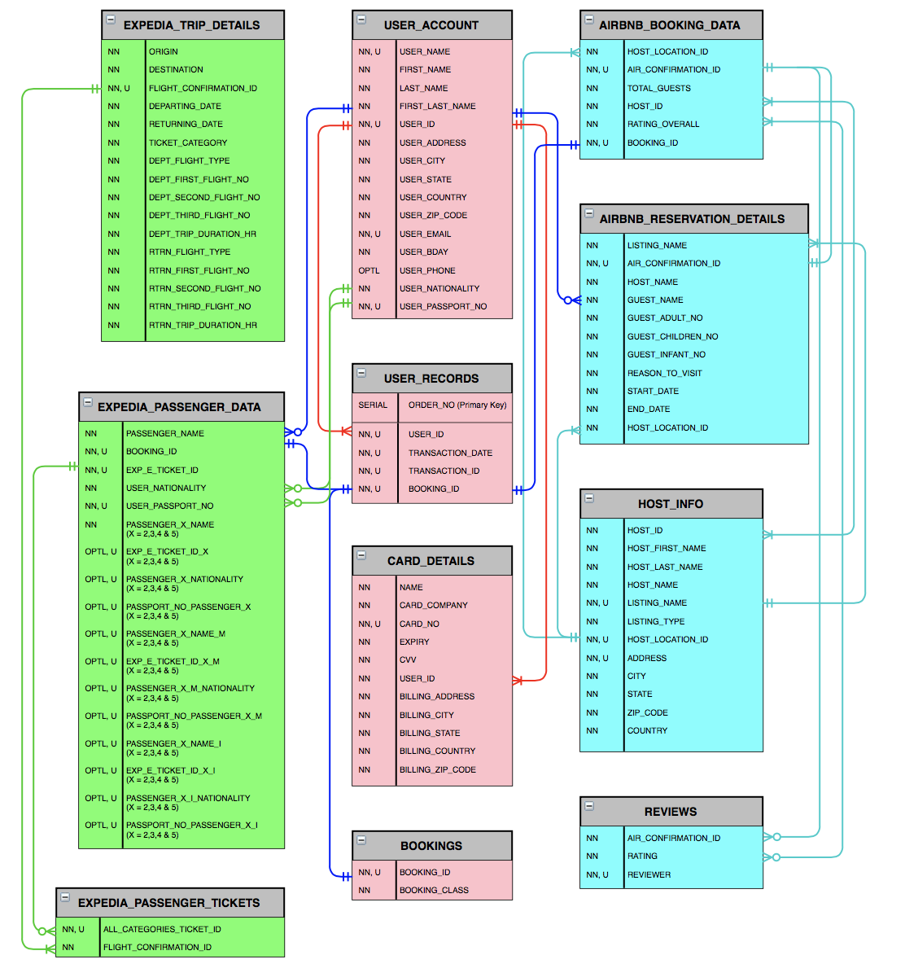
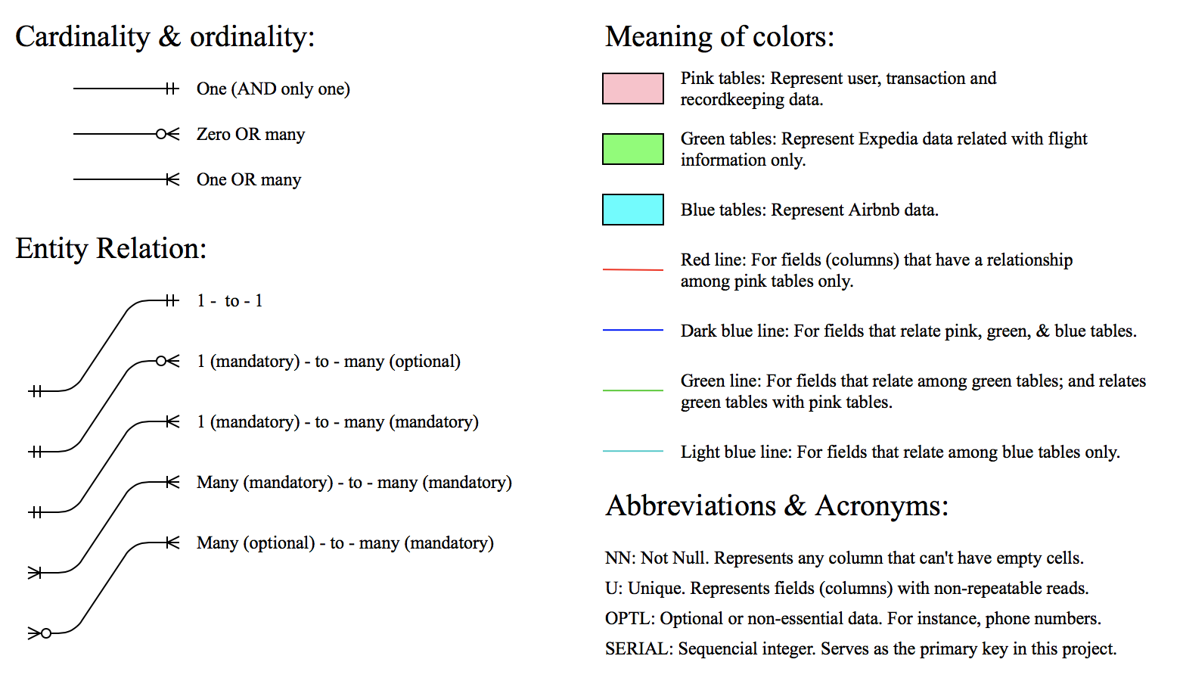
JLMFCompany Entity Relationship Diagram (ERD)

