Note
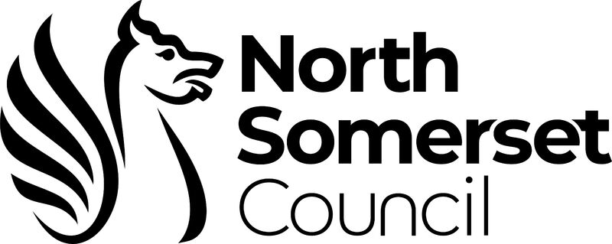
Open data

Open data is data that is openly accessible, exploitable, editable and shared by anyone for any purpose, even commercially. Open data is licensed under an open licence.

The idea of open data is that non-personal information held by local councils should be freely available for anyone to use.

We want to make our data available for the benefit of everyone, so that:

we increase the transparency and accountability of what we do
you can re-use, remix and share the data in new and interesting ways
you can use the data to create useful applications and websites

We are committed to being open and transparent about how we work, our decision-making processes and the services provided.

Anyone can use our data. You don't have to apply or ask for permission, but you do have to agree to the terms of the Open Government Licence for public sector information.

Data Period: April 2025 - March 2026

North Somerset spend over £250 (updated monthly)
Procurement and Card Transactions over £250 (updated quarterly @ end of Jun, Sep, Dec & Mar)

