Xbox controller
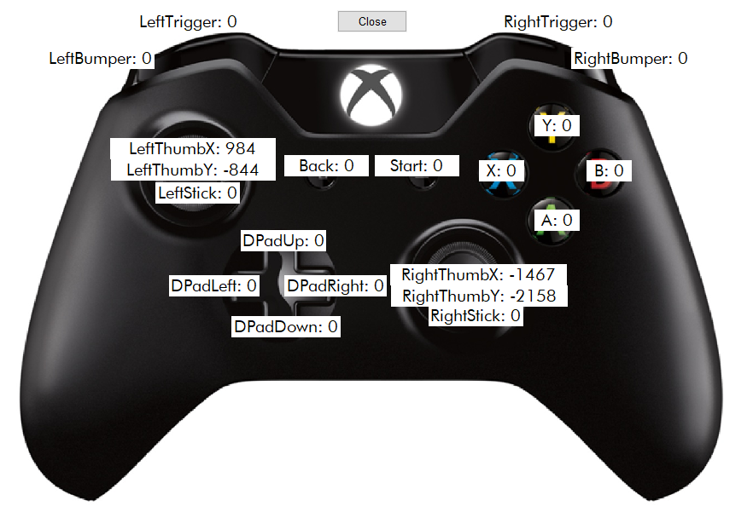
Button | Action
A | Set selected DOF to maped position specified by LeftThumbY
X | Set selected DOF to position without map specified by LeftThumbY, the range in +- 20 degrees
Y | Save current Settings in EEPROM
B | Read Settings from EEPROM
LeftStick | Set current position HOME_DEGREE
RightStick | Go to HOME_DEGREE
Start | Test current DOF
Back | Close Settings GUIDE
DPadUp | Attach current DOF
DPadDown | Dettach Current DOF
DPadLeft | Move to NEXT DOF settings
DPadRight | Move to PREVIOUS DOF settings
LeftBumper | Set current position MIN_SIGNAL
RightBumper | Set current position MAX_SIGNAL

