sc_calc
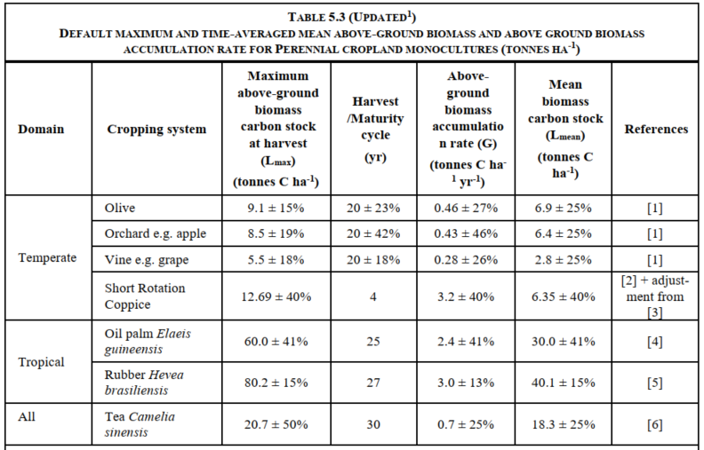
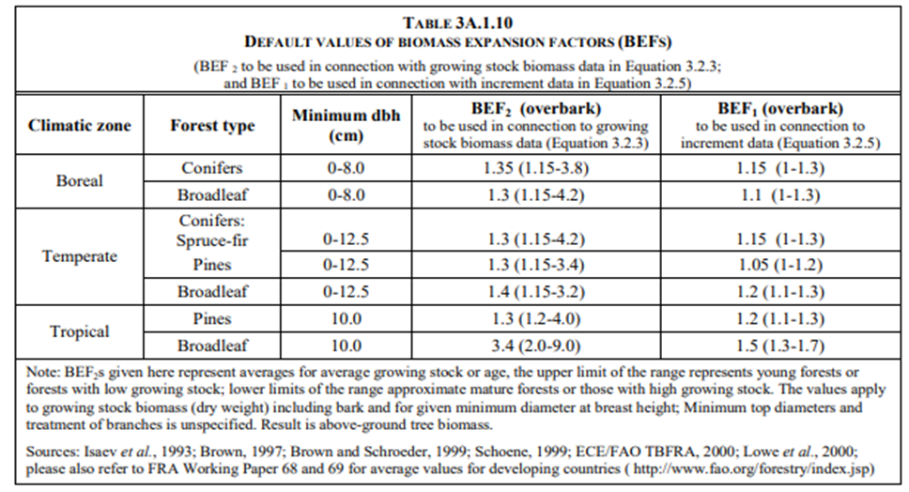
final_id | iso3 | iso2 | country | originalName | originalCode | finalCode | vernacName | sciName | simpleName | sciName1 | mai_min | mai_max | mai_mean (m3/ha/yr) | mai_sd (m3/ha/yr) | mai_cv | wood_density (kg/m3) | bef | root_ratio | carbon_fraction | agc (t C/ha/yr) | agc_uncertainty | bgc (t C/ha/yr) | bgc_uncertainty | combined_uncertainty | simpleType | leafStatus | leafType | woodType | removal_factor_Mg_AGC_BGC_ha_yr | removal_factor_SD_Mg_AGC_BGC_ha_yr | removal_factor_source | sd_source | removal_factor_region | removal_factor_notes | wood_density_source | bef_source | root_source | cf_source
...

