DICCIONARIO DE DATOS
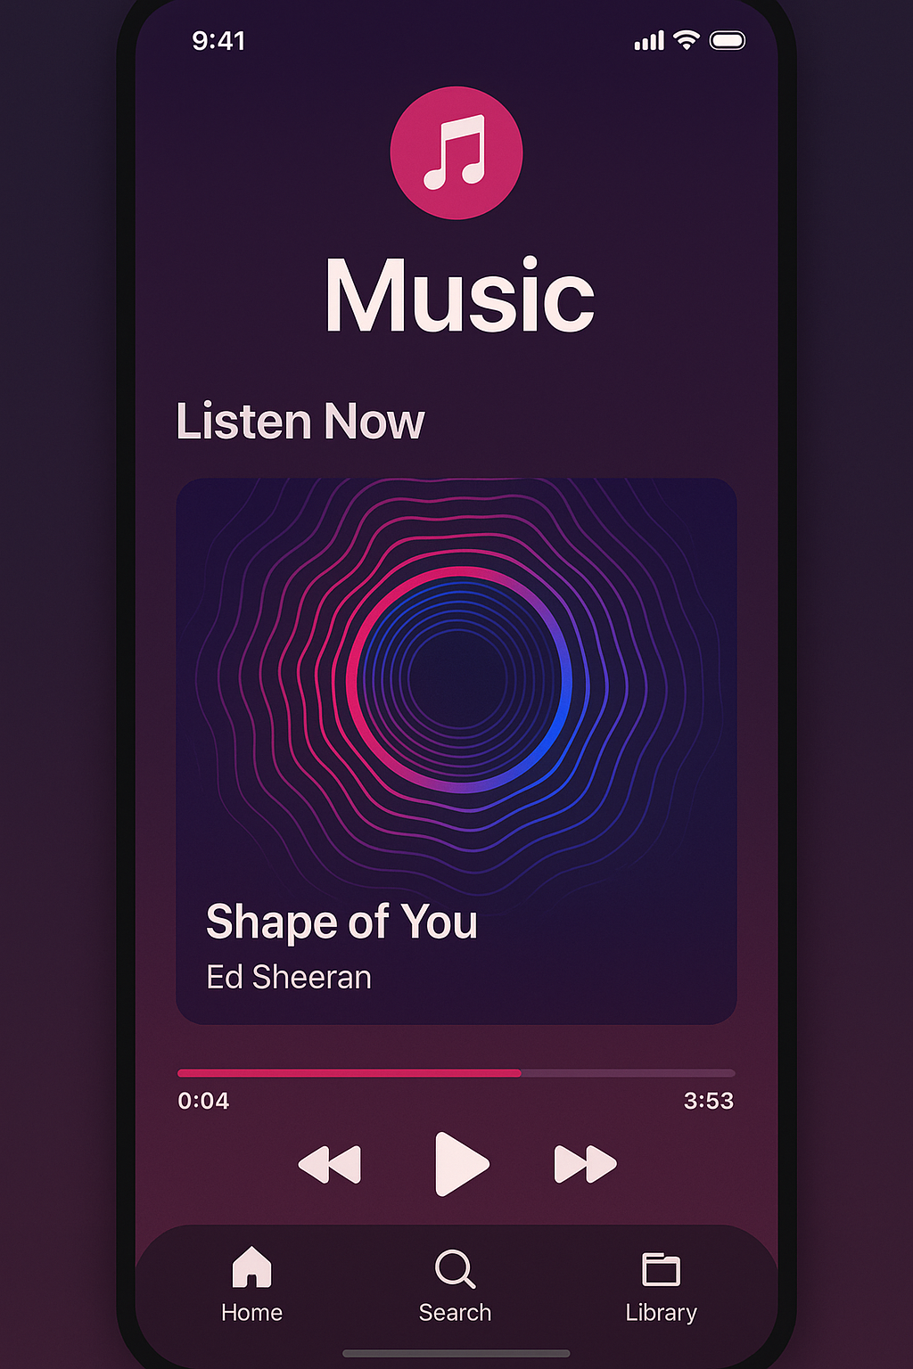
MusicApp-Vibesia 💳 💸
Data Catalog - General Information
Description | This data catalog details the structure of the relational database designed to manage a custom music library system. It includes entities for artists, albums, songs, genres, users, playlists, plays, and devices. The design follows normalization principles up to Fourth Normal Form (4NF) to ensure integrity, query efficiency, and scalability to handle large music libraries.
Purpose | Facilitates efficient storage, organization, and access to personal music collections, enabling management of artists, albums, songs, playlists, user preferences, and listening habits analysis. The system supports cataloging, search, playback, and statistical analysis of music preferences.
Creation Date | 2025-05-21
Created by | Oscar Alejandro Prasca Chacón, Carlos Julio Vergel Wilches, Karen Silvana Duque Leal, Duvan Arley Ramirez Duran Juan David Jaimes Rojas
Last Update | 2025-05-21
Version | 1.0
Database Structure
Main Tables | users, artists, albums,songs, playlists, devices, play_history, ratings
Reference Tables | genres,song_genres (tabla puente entre songs y genres), playlist_songs (tabla puente entre playlists y songs)
Relations | Mainly one-to-many relationships (e.g., users 1 = N playlists; albums 1 = N songs). Also, many-to-many relationships implemented using join tables (e.g., songs M = N genres via song_genres; playlists M = N songs via playlist_songs). A polymorphic relationship can be observed in the ratings table (item_id can refer to different types of items).
Scheme | vibesia_schema
Database | vibesia_database
User | vibesia_user
Data Mapping - Catalog
Board | Description | Hyperlink
vibesia_shema.artists | Store detailed information about musical artists or bands. Maintain a complete record of musical creators in the system, including their biographical information and key characteristics. | vibesia_shema.artists_
vibesia_schema.genres | Defines the musical genres available on the platform (such as rock, pop, jazz), with their name and a characteristic description. | vibesia_schema.genres_LINK
vibesia_schema.devices | Records the electronic devices (mobile phones, computers, tablets) associated with each user, with their type, operating system, and last access date. | vibesia_schema.devices_LINK
vibesia_schema.playlists | Stores playlists created by users, including name, description, creation date, and status (public or private). | vibesia_schema.playlists_LINK
vibesia_schema.songs_genres | It establishes the relationship between songs and musical genres, allowing a song to belong to multiple categories. | vibesia_schema.songs_genres_LINK
vibesia_schema.playlist_songs | Establishes the relationship between playlists and songs, recording the specific order of the songs within each list and the date they were added. | vibesia_schema.playlist_songs_LINK
vibesa_schema.playback_history | Records a user's playback history, with details such as date and time, device used, and whether the song was completed or interrupted. | vibesa_schema.playback_history_LINK
vibesa_schema.user_device | Contains the ratings (from 1 to 5 stars) that users assign to songs, albums or artists, along with the date the rating was made. | vibesa_schema.user_device_LINK
vibesa_schema.albums | Records music albums released by artists, with details such as title, year of release, record label, album type (studio, live, or compilation), and cover image. | vibesa_schema.albums_LINK
vibesa_schema.song | Contains all the songs available on the platform, with information such as title, duration, track number, composer, lyrics (optional), and audio file path. | vibesa_schema.song_LINK
vibesa_schema.users | Stores information about registered users on the platform, including username, email address, registration date, and music preferences. | vibesa_schema.users_LINK

