HR Practices
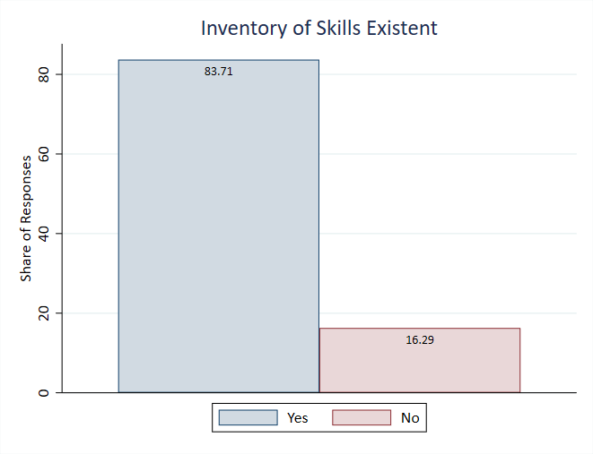
Summary Statistics on HR Practices

HR Practices Metrics

HR Practices Visualizations
Workforce Planning
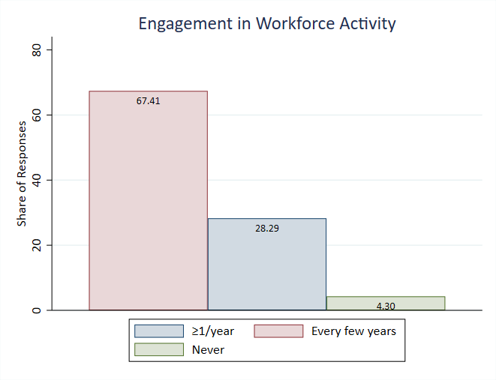

Skill Taxonomy
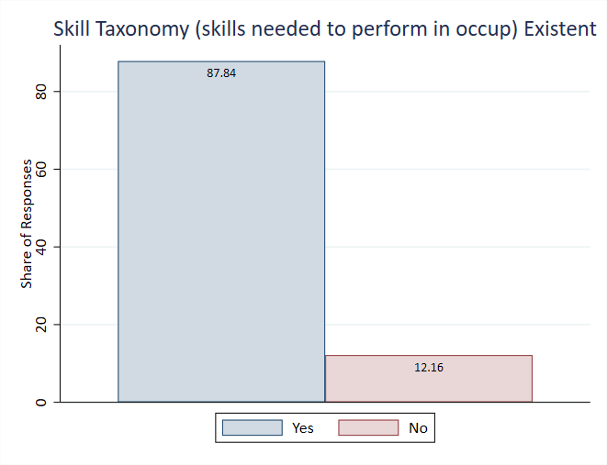

Skill Inventory

Skills Gaps
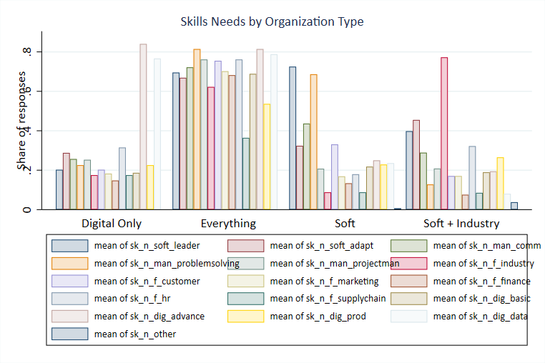
Summary Statistics on Skills Gaps and Coping Mechanisms

Skills Gap Metrics

Skills Gap Visualizations
Severity of Skills Gap
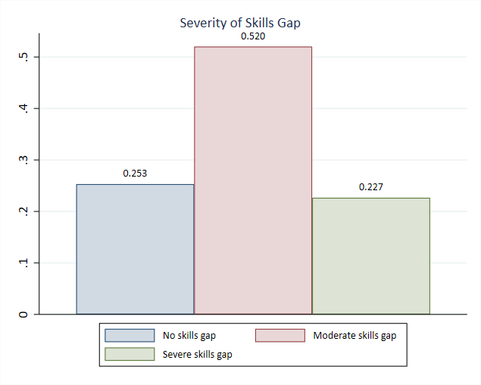

Skills Most Needed
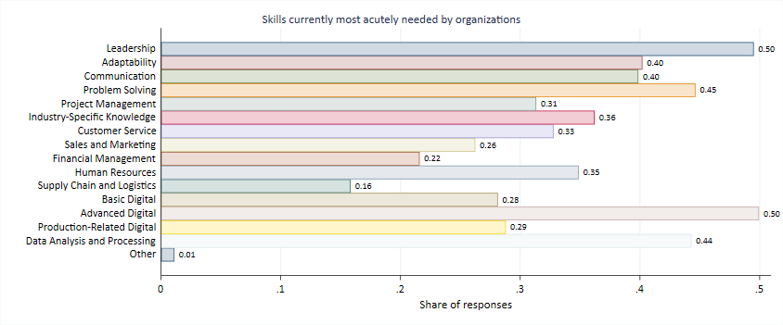

Skills by Organization Type

Training Types
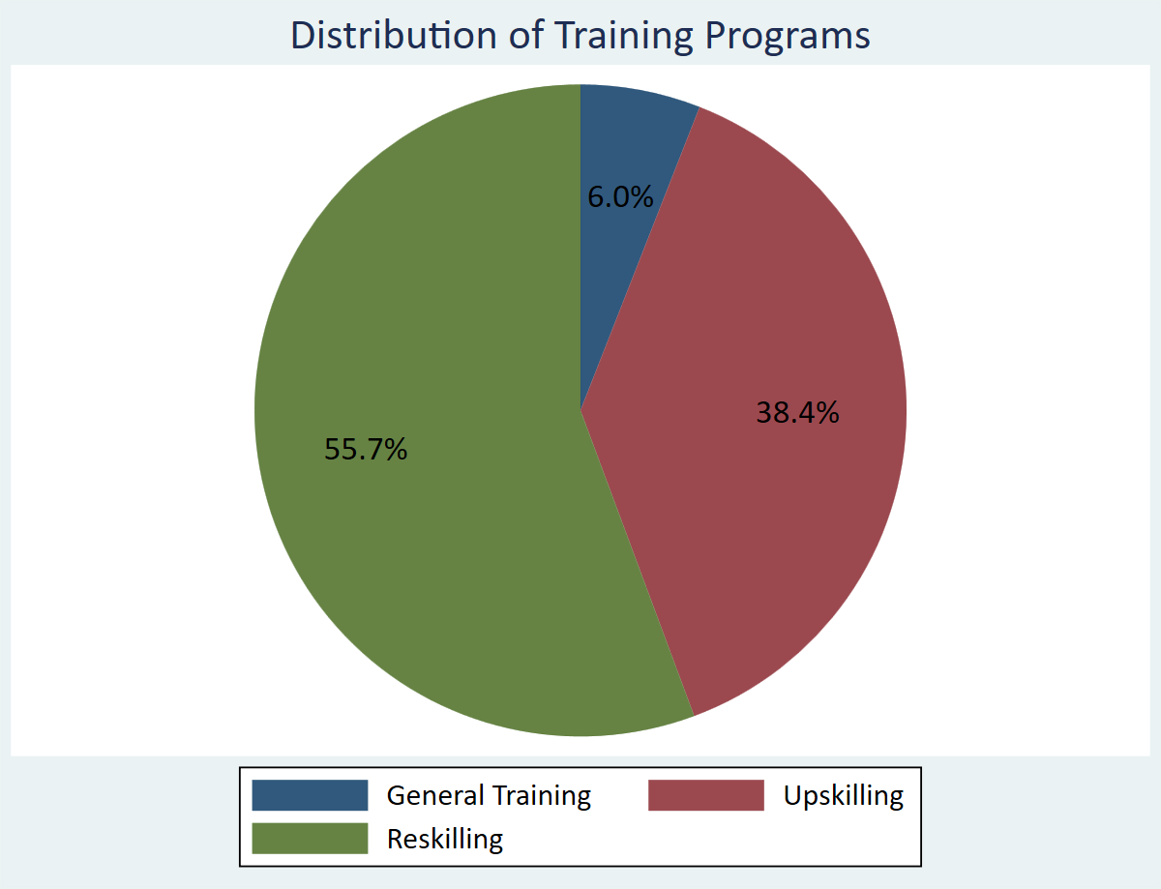
Fraction of Generic Training, Upskilling and Reskilling

Training Type Distribution

Training Type Visualizations
Training Program Distribution (Bar)
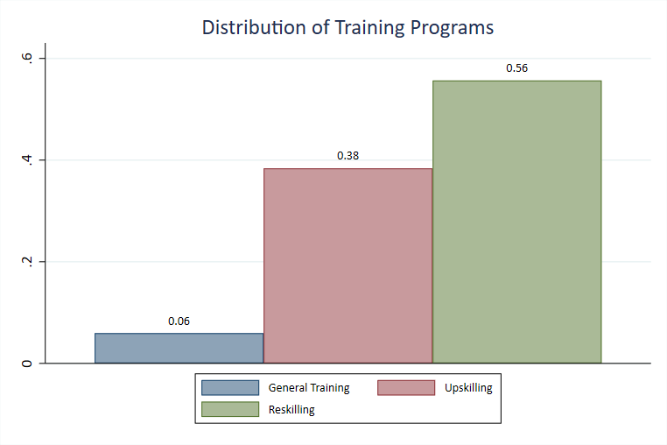

Training Program Distribution (Pie)

Program Characteristics
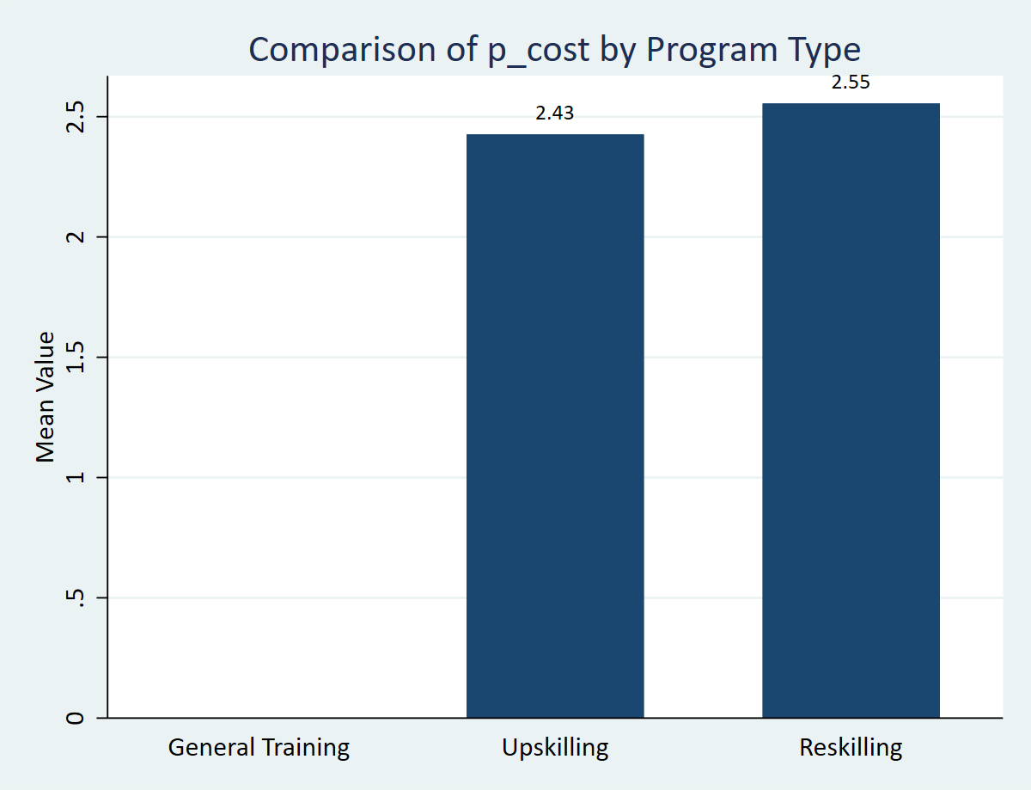
Summary Statistics of Program Characteristics

Program Characteristics (All Programs)

Program Characteristics by Type (Upskilling vs Reskilling)

Program Characteristics Visualizations
Program Characteristics Comparison
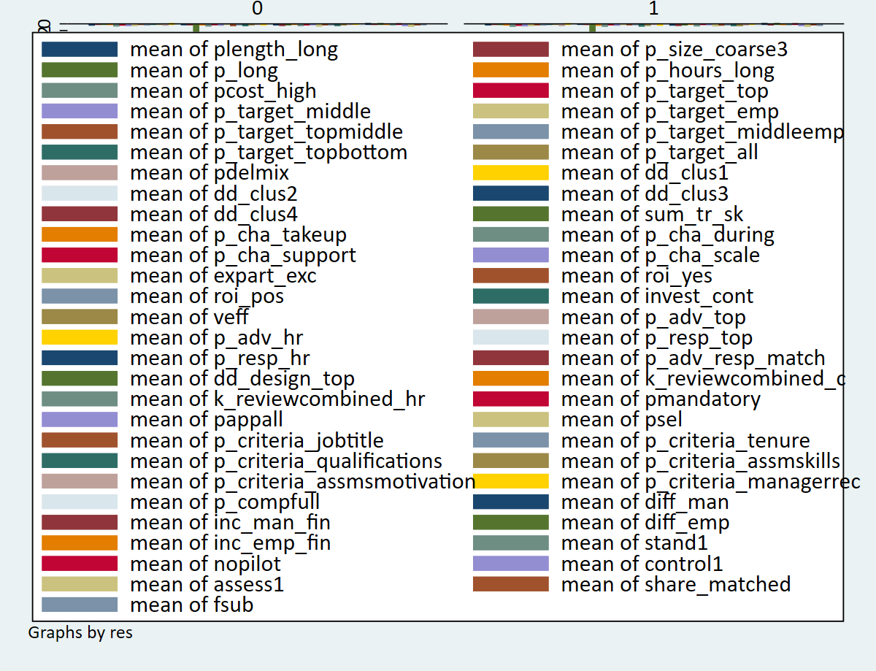

Duration by Program Type
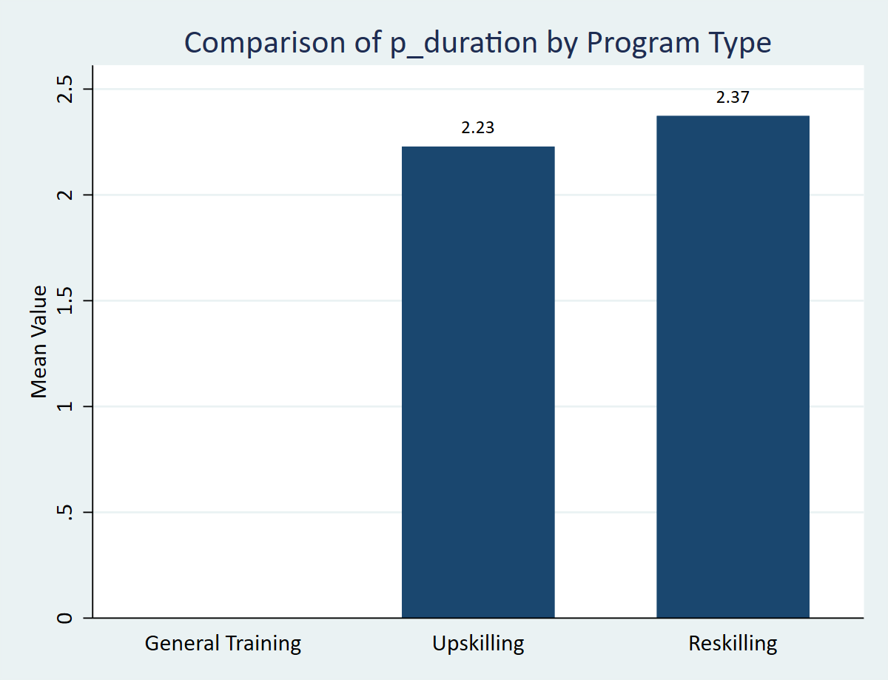

Hours Trained by Program Type
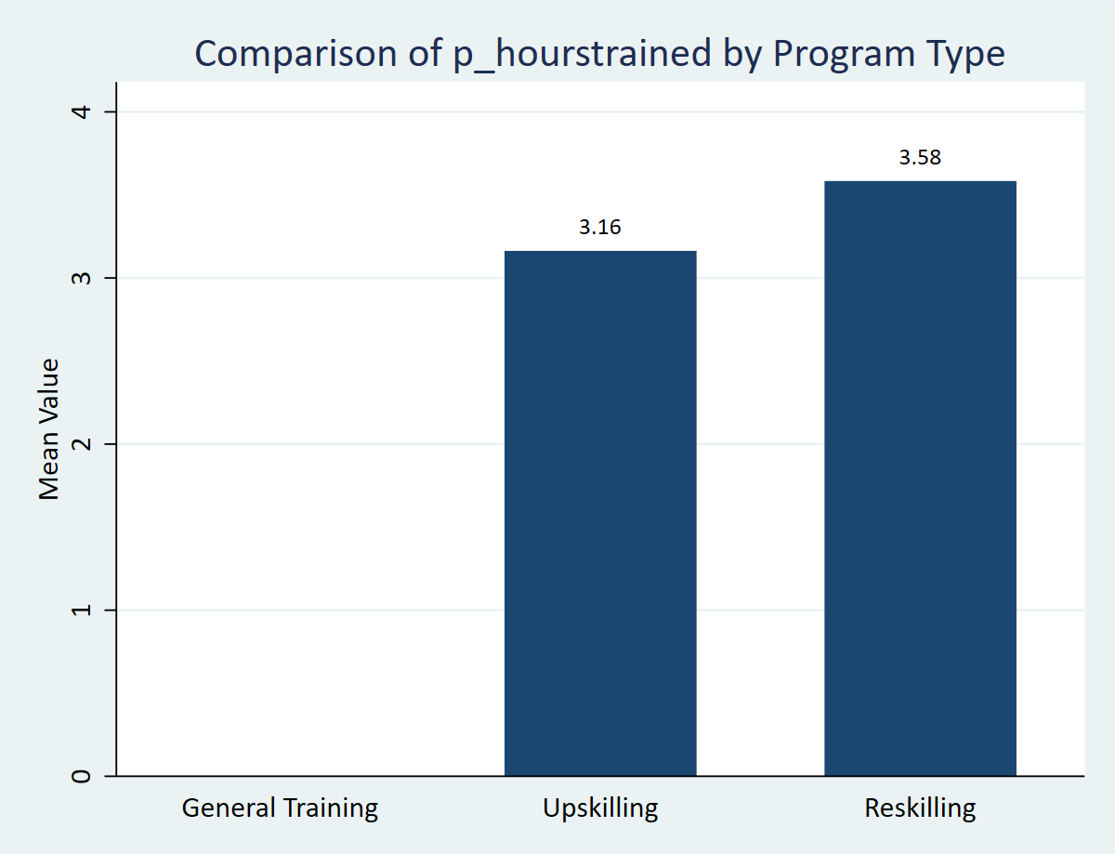

Cost by Program Type

Training Clusters
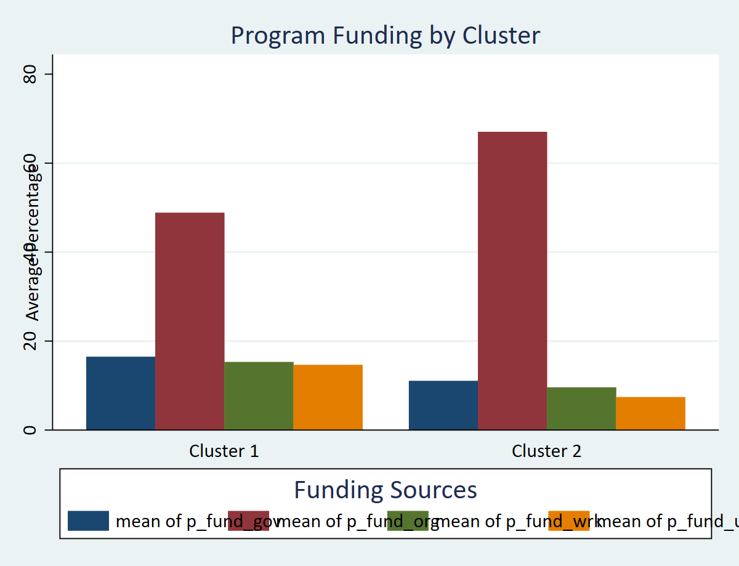
Clusters of Training Programs (2 Cluster Analysis)

Training Program Cluster Characteristics

Training Program Cluster Visualizations
Participation by Cluster
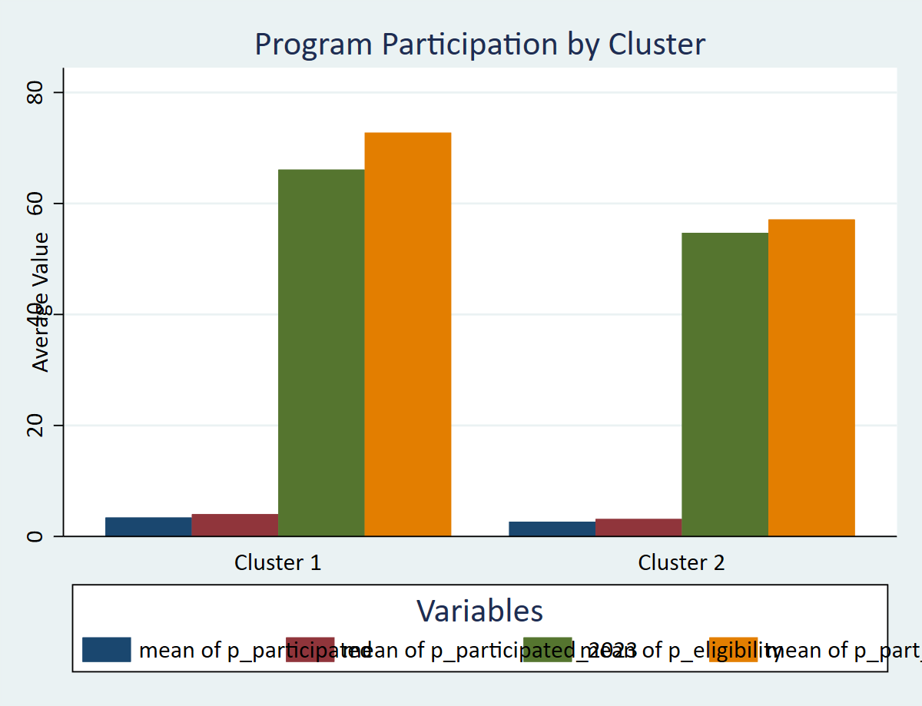

Structure by Cluster
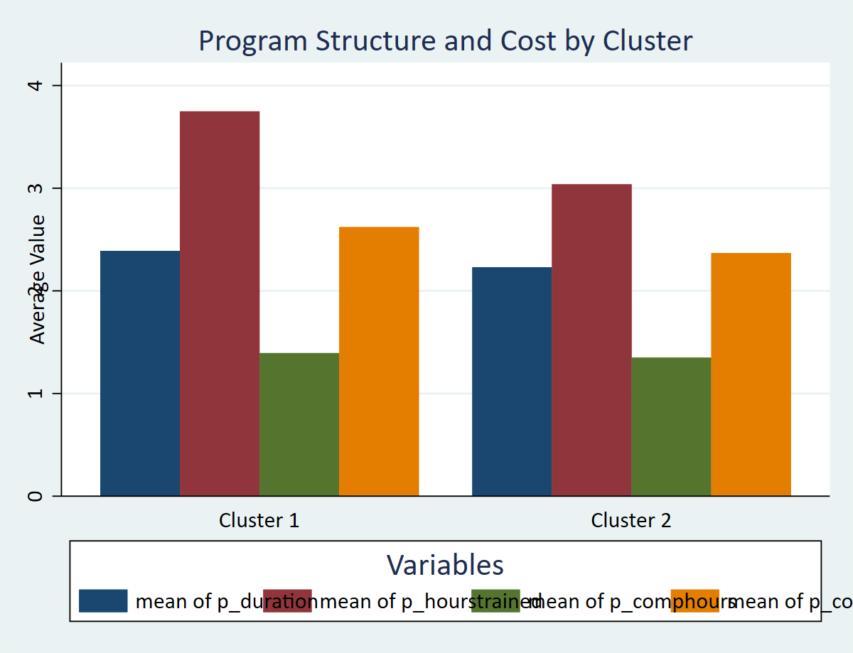

Funding by Cluster

Cluster vs Reskilling
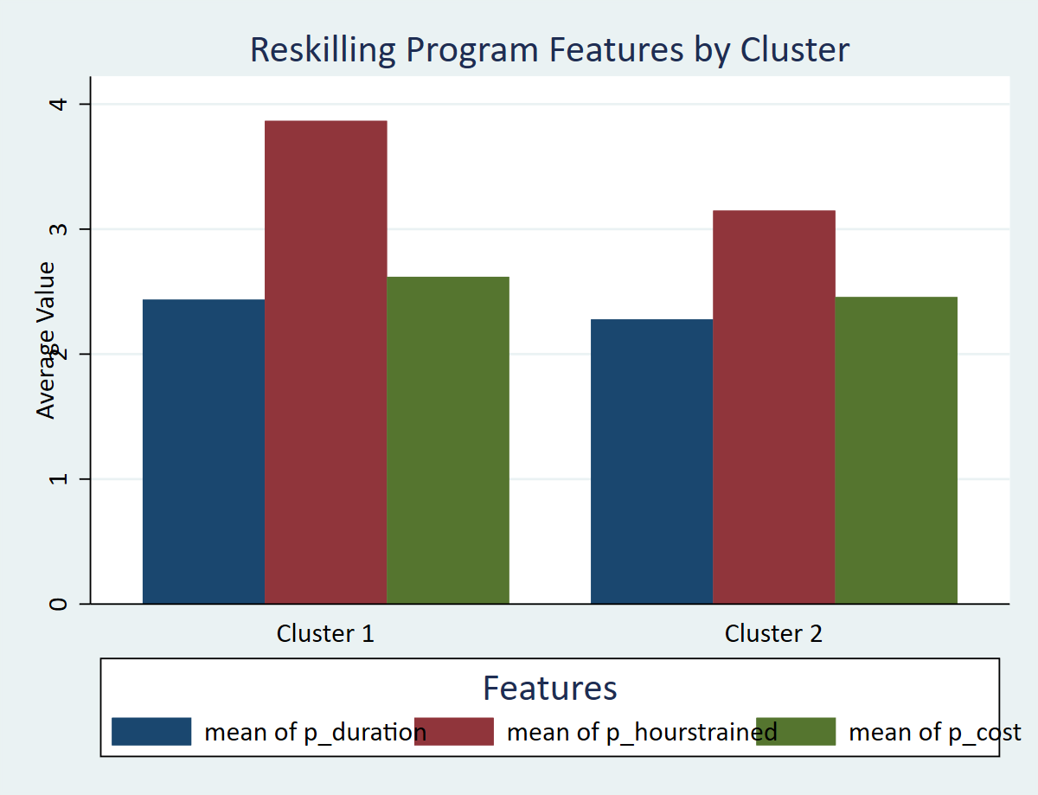
Tabulation of Cluster vs Reskilling Dummy

Cluster vs Program Type Contingency Table

Characteristics of Reskilling Programs by Cluster

Cluster vs Reskilling Visualizations
Cluster Composition by Program Type
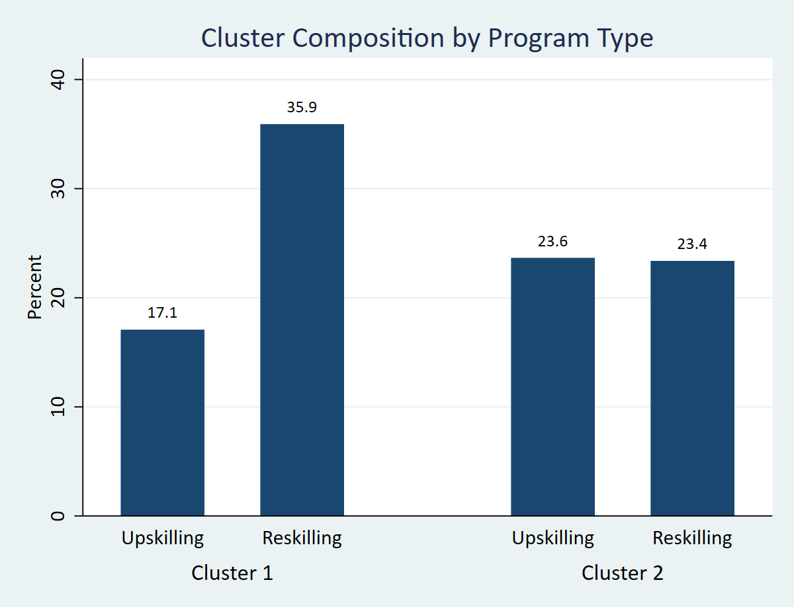

Reskilling Features by Cluster

