Sheet1
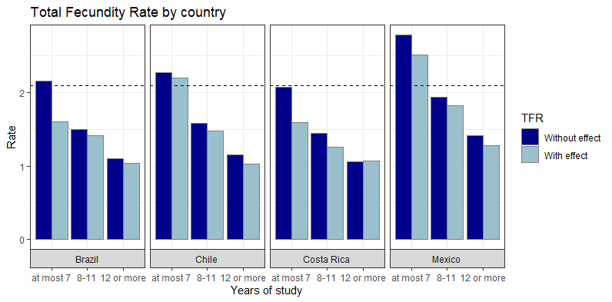
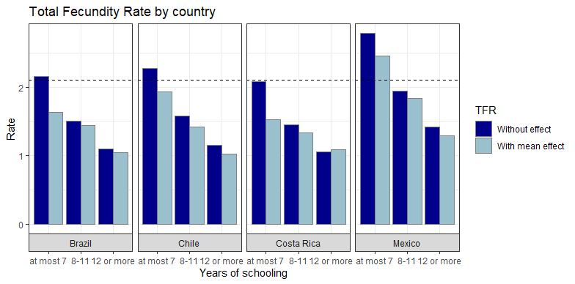
Area | Years_Study | Rate | With effect of the variation of july | With effect of the mean variations
Brazil | at most 7 | 2.157 | 1.600875 | 1.6340795833
Brazil | 8-11 | 1.50325 | 1.411045 | 1.4399452083
Brazil | 12 or more | 1.0975 | 1.04156 | 1.0443529167
Chile | at most 7 | 2.2735 | 2.20081 | 1.92862625
Chile | 8-11 | 1.584 | 1.472715 | 1.4151247917
Chile | 12 or more | 1.1555 | 1.021855 | 1.0216675
Costa Rica | at most 7 | 2.0785 | 1.5887 | 1.5284879167
Costa Rica | 8-11 | 1.448 | 1.2615075 | 1.33765125
Costa Rica | 12 or more | 1.056 | 1.069475 | 1.0913629167
Mexico | at most 7 | 2.7825 | 2.51066 | 2.4487545833
Mexico | 8-11 | 1.938 | 1.82357 | 1.8317660417
Mexico | 12 or more | 1.415 | 1.275 | 1.2916

