Sheet1
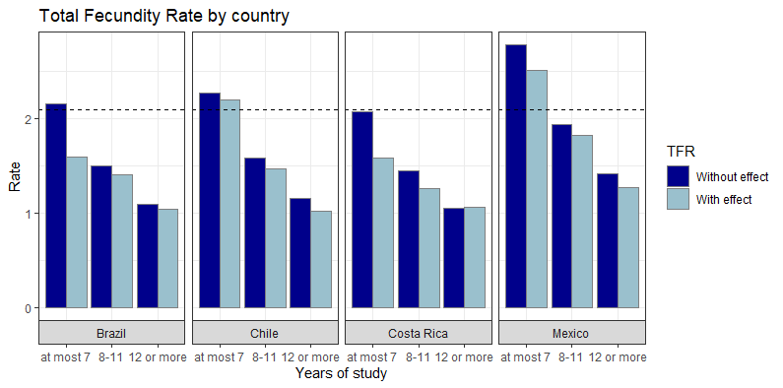
Area | Years_Study | Projection | With Pandemic
Brazil | at most 7 | 2.157 | 1.600875
Brazil | 8-11 | 1.50325 | 1.411045
Brazil | 12 or more | 1.0975 | 1.04156
Chile | at most 7 | 2.2735 | 2.20081
Chile | 8-11 | 1.584 | 1.472715
Chile | 12 or more | 1.1555 | 1.021855
Costa Rica | at most 7 | 2.0785 | 1.5887
Costa Rica | 8-11 | 1.448 | 1.2615075
Costa Rica | 12 or more | 1.056 | 1.069475
Mexico | at most 7 | 2.7825 | 2.51066
Mexico | 8-11 | 1.938 | 1.82357
Mexico | 12 or more | 1.415 | 1.275

