P1
x0 |  |  |  |  |  | 0
x1 |  |  |  |  |  | 1
num_segmentos |  |  |  |  |  | 20

h |  |  |  |  |  | 0.05

x | y | k1 | xi + 0.75h | yi + 0.75*k1*h | k2 | y' = yx^2-1.1y

0 | 1 | -1.1 | 0.0375 | 0.95875 | -1.0532767578 | 0.94655744141
0.05 | 0.94655744141 | -1.0388467919 | 0.0875 | 0.90760068671 | -0.99141193762 | 0.89619626362
0.1 | 0.89619626362 | -0.97685392735 | 0.1375 | 0.85956424134 | -0.92926952904 | 0.84893971386
0.15 | 0.84893971386 | -0.91473254169 | 0.1875 | 0.81463724355 | -0.86746137731 | 0.80477879226
0.2 | 0.80477879226 | -0.85306551979 | 0.2375 | 0.77278883527 | -0.80647759855 | 0.76367844698
0.25 | 0.76367844698 | -0.79231638874 | 0.2875 | 0.7339665824 | -0.74669631531 | 0.72558329665
0.3 | 0.72558329665 | -0.73283912962 | 0.3375 | 0.69810182929 | -0.68839385073 | 0.69042284947
0.35 | 0.69042284947 | -0.67488833536 | 0.3875 | 0.66511453689 | -0.6317548859 | 0.65811621435
0.4 | 0.65811621435 | -0.61862924149 | 0.4375 | 0.63491761779 | -0.57688217929 | 0.62857632101
0.45 | 0.62857632101 | -0.56414724811 | 0.4875 | 0.60742079921 | -0.52380552982 | 0.60171368255
0.5 | 0.60171368255 | -0.51145663017 | 0.5375 | 0.58253405892 | -0.47248973435 | 0.57743974757
0.55 | 0.57743974757 | -0.46050819869 | 0.5875 | 0.56017069012 | -0.42284134437 | 0.55566989945
0.6 | 0.55566989945 | -0.41119572559 | 0.6375 | 0.54025005974 | -0.37471406487 | 0.53632616852
0.65 | 0.53632616852 | -0.36336097918 | 0.6875 | 0.52270013181 | -0.32791266081 | 0.51933973018
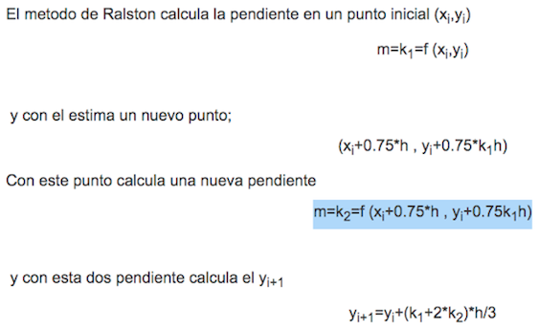
0.7 | 0.51933973018 | -0.31679723541 | 0.7375 | 0.50745983385 | -0.28219524198 | 0.50465326819
0.75 | 0.50465326819 | -0.27125113165 | 0.7875 | 0.49448135075 | -0.23727378565 | 0.49222328981
0.8 | 0.49222328981 | -0.22642271331 | 0.8375 | 0.48373243806 | -0.19281272648 | 0.48202248704
0.85 | 0.48202248704 | -0.18196348886 | 0.8875 | 0.4751988562 | -0.14842539274 | 0.47404224913
0.9 | 0.47404224913 | -0.13747225225 | 0.9375 | 0.46888703967 | -0.10366799393 | 0.46829544513
0.95 | 0.46829544513 | -0.092488350413 | 0.9875 | 0.46482713199 | -0.058030762259 | 0.46481961388
1 | 0.46481961388 | -0.046481961388 | 1.0375 | 0.46307654033 | -0.010925712123 | 0.46368072412

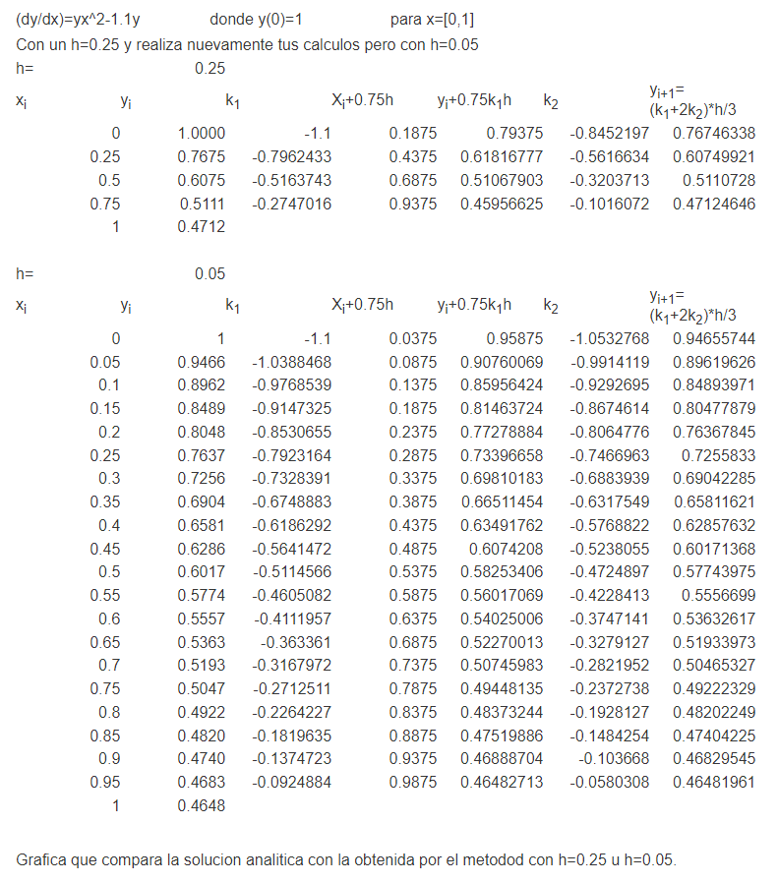
x0 |  |  |  |  |  | 0
x1 |  |  |  |  |  | 1
num_segmentos |  |  |  |  |  | 4

h |  |  |  |  |  | 0.25

x | y | k1 | xi + 0.75h | yi + 0.75*k1*h | k2 | y' = 3 x^2 | SOLUCION
 |  |  |  |  |  |  | x^3+c
0.00 | 1 | -1.1 | 0.1875 | 0.79375 | -0.84521972656 | 0.76746337891 | 0
0.25 | 0.76746337891 | -0.79624325562 | 0.4375 | 0.61816776848 | -0.56166337089 | 0.60749921246 | 0.015625
0.50 | 0.60749921246 | -0.51637433059 | 0.6875 | 0.51067902547 | -0.32037129489 | 0.51107280243 | 0.125
0.75 | 0.51107280243 | -0.2747016313 | 0.9375 | 0.45956624656 | -0.10160722482 | 0.47124646235 | 0.421875
1.00 | 0.47124646235 | -0.047124646235 | 1.1875 | 0.46241059118 | 0.14341953492 | 0.49122266431 | 1

