regresion
 |  | Estimado | Real
 | n | x | y | y=b0 + b1*x | x^2 | x*y | y^2
 | 1 | 130 | 186 | 202.0786827 | 16900 | 24180 | 34596
 | 2 | 650 | 699 | 1100.603544 | 422500 | 454350 | 488601
 | 3 | 99 | 132 | 148.5127774 | 9801 | 13068 | 17424
 | 4 | 150 | 272 | 236.6373312 | 22500 | 40800 | 73984
 | 5 | 128 | 291 | 198.6228178 | 16384 | 37248 | 84681
 | 6 | 302 | 331 | 499.28306 | 91204 | 99962 | 109561
 | 7 | 95 | 199 | 141.6010477 | 9025 | 18905 | 39601
 | 8 | 945 | 1890 | 1610.34361 | 893025 | 1786050 | 3572100
 | 9 | 368 | 788 | 613.3266001 | 135424 | 289984 | 620944
n= | 10 | 961 | 1601 | 1637.990529 | 923521 | 1538561 | 2563201
 | x= | 386 |  | 644.4293838
 | sum | 3828 | 6389 | 6389 | 2540284 | 4303108 | 7604693
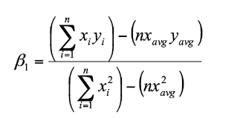
 | avg | 382.8 | 638.9
 |  |  |  |  |  |  | Comprobacion | /n
 |  |  |  | b1 | 1857398.8 | covar | 185739.88 | 185739.88
 |  |  |  |  | 1074925.6 | var.p | 107492.56 | 107492.56

 |  |  |  | b1 | 1.727932426 | 0 | 1.727932426

 |  |  |  | b0 | -22.55253275 | 0
 |  |  |  |  |  |  | Comprobacion
 |  |  |  | r | 18573988 | covar * 100 | 18573988
 |  |  |  |  | 10749256 | 35227609 | 378670587408904 | 19459460.1
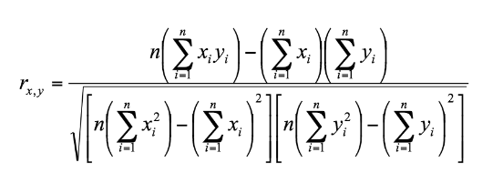
 |  |  |  |  | term1 | term2 | term1*term2 | raiz()

 |  |  |  | r | 18573988
 |  |  |  |  | 19459460.1

 |  |  |  | r | 0.9544965741
 |  |  |  | r^2 | 0.91106371 | predictive; use it with high confidence

