hydrogen_production
ENERGY CONSUMPTION IN PROCESSING
https://afdc.energy.gov/fuels/hydrogen_production.html |  |  |  |  | 15 | $/kg | https://stillwaterassociates.com/how-does-the-cost-of-hydrogen-stack-up-against-gasoline/#:~:text=In%202021%2C%20hydrogen%20retailed%20%248.50,or%20conventional%20gasoline%20vehicles%20respectively
RMI (info on hydrogen production) | https://rmi.org/wp-content/uploads/2020/01/hydrogen_insight_brief.pdf |  |  |  | 114.19811321 | $/GJ | 114198113.21 | $/PJ
(- Natural Gas Reforming/Gasification (Steam/Methane Reforming—SMR) and Electrolysis) |  |  |  |  |  |  | 120.46214473 | $/MMBTU | MMBTU/PJ | 948000
"Today the absolute majority of hydrogen, 96%, is produced with fossil fuels, and virtually none of this production capacity is fitted with CCS. Only 4% is electric, claiming to source its power from renewables."
- one kg of hydrogen from ELECTROLYSIS requires 50-55 kWh of electricity (emissions are from grid)
- SMR emits between 8-12 kg of CO2 for each kg of Hydrogen produced (coal gasification emits 18-20 kg) |  |  |  |  |  | 8 MJ/L | https://www.energy.gov/eere/fuelcells/hydrogen-storage
- CCS techs can be equipped on SMR assets with 90% efficacy in reducing CO2 emissions
-one mmbtu = 8.07kg hydrogen (assuming under pressure)
=> 1.06 GJ = 8.07 kg hydrogen | 131.35068154 | MJ/kg hydrogen |  |  |  | ELECTROLYSIS |  |  | 0.09/m3
50-55 kWh * 3.6 MJ/kWh => | 180 | 198
 | 0.27027399146 | 0.33661271951 |  |  |  |  |  |  | 0.09 | kg/m3 | 11.111111111 | m3/kg
 | 0.30344335549 | 0.89069009611 | 1.1093099039 |  |  |  |  |  | 89.666666667 |  | 84.591194969 | m3/GJ
 | NOMINAL | MIN_SCALAR | MAX_SCALAR |  |  |  |  |  | 11.821561338 |  |  | L/MJ

https://www.sciencedirect.com/topics/engineering/methane-steam-reforming
- Assessment of Selected Hydrogen Supply Chains—Factors Determining the Overall GHG Emissions
Anne RödlChristina WulfMartin Kaltschmitt, in Hydrogen Supply Chains, 2018 ()
- Inputs: "The natural gas input for the small-scale reformer is assumed to be 1.4 MJ/MJ hydrogen and 1.3 MJ/MJ for the large-scale reformer (Edwards et al., 2014). These gas demands are also considered if biomethane is used as a feedstock. The average heating value of natural gas is assumed to be 35.7 MJ/m3 and 35.9 MJ/m3 for biomethane upgraded from biomass."
- Efficiency of gas reformers: "Small-scale steam reformer typically used at refueling station: efficiency 69% (Edwards et al., 2014).

Large-scale reformer typically used at large-scale production sites: efficiency 76% (Edwards et al., 2014)."
EDWARDS 2014 (seepage 135/148) | https://publications.jrc.ec.europa.eu/repository/handle/JRC85326
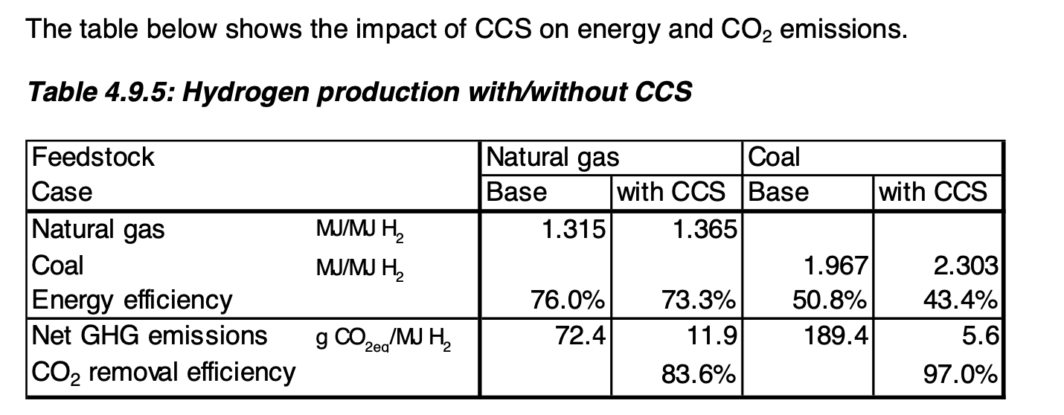

 |  |  |  |  |  |  |  |  | 10kg CO2/kg H
 |  |  |  |  |  |  |  |  | 10 tonne CO2/tonne H

EMISSIONS FROM PRODUCTION

FROM https://en.wikipedia.org/wiki/Steam_reforming
2.2 tonne methane | 1.1 tonne hydrogen
5.7 mwh

natural gas tonne/pj (kg/tj) | 4.7801757058E-05 |  | hydrogen specific energy (mmbtu/kg) | 0.1239157373 |  | wikipedia: https://en.wikipedia.org/wiki/Hydrogen_production
TJ/TONNE | 20919733.113 |  | TJ/TONNE hydrogen | 0.13135068154
GJ INPUT ENERGY | 20.503597122 |  | OUTPUT TJ | 0.14448574969
TJ INPUT ENERGY | 0.020503597122 |  | EMISSION CO2 TONNE | 6
TJ INPUT METHANE | 46023412.849
 |  |  |  | EDWARDS |  | EDWARDS 2014 (seepage 135/148)
 |  |  |  | RMI |  | https://rmi.org/wp-content/uploads/2020/01/hydrogen_insight_brief.pdf
 |  |  |  | REFORMATION (Natural Gas) |  |  | GASIFICATION (COAL)
mwh/gj | 0.278 |  |  | EDWARDS 2014 | RMI | MEAN | EDWARDS 2014 | RMI | MEAN
mwh/kg | 5815685.8055 |  | tonne co2/tj | 72.4 | 76.132075472 | 74.266037736 | 189.4 | 144.6509434 | 167.0254717
mwh/tonne | 5815685805.5 |  | MIN |  | 60.905660377 |  |  | 137.03773585
 |  |  | MAX |  | 91.358490566 |  |  | 152.26415094

 |  |  | min | max | value
 |  | CO2 EMISSION ACTIVITY RATIO (TONNE/TJ) REFORMATION | 0.82 | 1.23 | 74.266037736
 |  | CO2 EMISSION ACTIVITY RATIO (TONNE/TJ) GASIFICATION | 0.95 | 1.05 | 167.025472

water borne transport effic
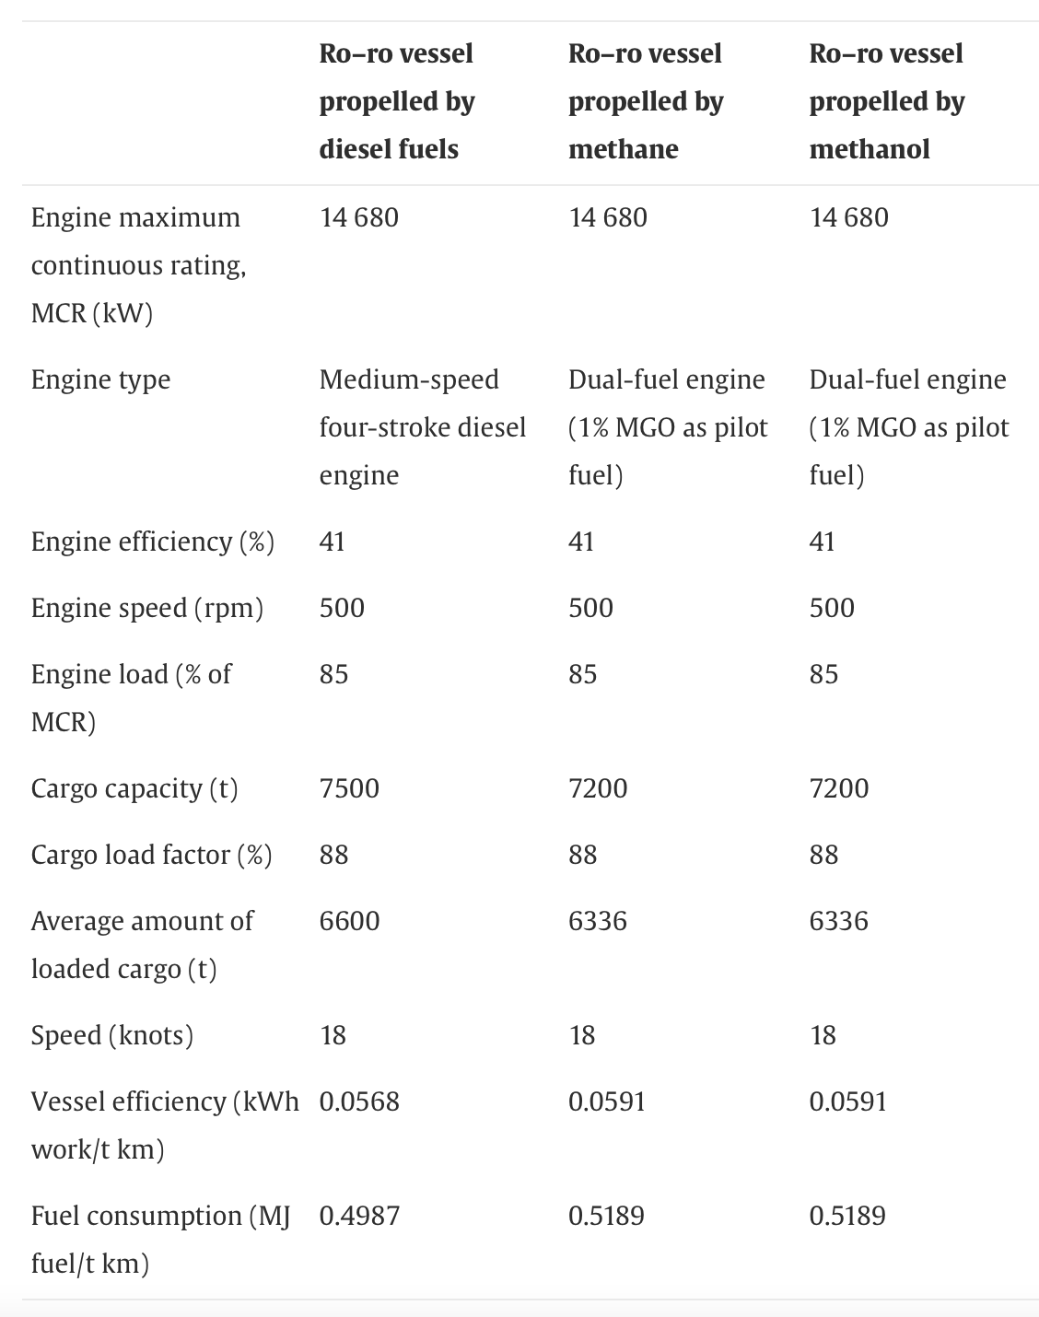
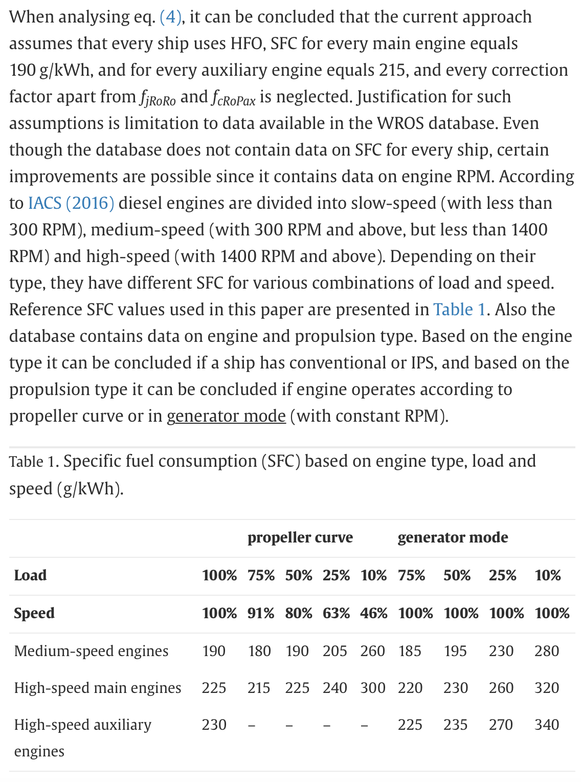
volumetric energy density (MJ/Litre) | diesel: | 36.4 | (1) https://www.sciencedirect.com/science/article/pii/S0959652614002832#tbl2 | (2) https://www.sciencedirect.com/science/article/pii/S0029801818309028 | (3) Ship weights https://doi.org/10.1080/03088839.2017.1349349
 | oil: | 38
 | natural gas | 0.0383

 | DIESEL | NATURAL GAS
Average Cargo Load (TONNE) | 6600 | 6336
Fuel Consumption (MJ/tonne km) | 0.4987 | 0.5189
Average fuel efficiency (MJ/km) | 3291.42 | 3287.7504
Litre/km | 90.423626374 | 85842.046997
km/l | 0.011059056577 | 1.1649302818E-05

FROM (2)
Average for HFO (heavy fuel oil) 190g/kwh
m3/tonne (from oil_production sheet) = litre/kg | 1.099554092

 |  |  | CARGO SHIPS

 |  |  |  | PASSENGER SHIPS

public_efficiencies
METRO RAIL (subway, light rail)

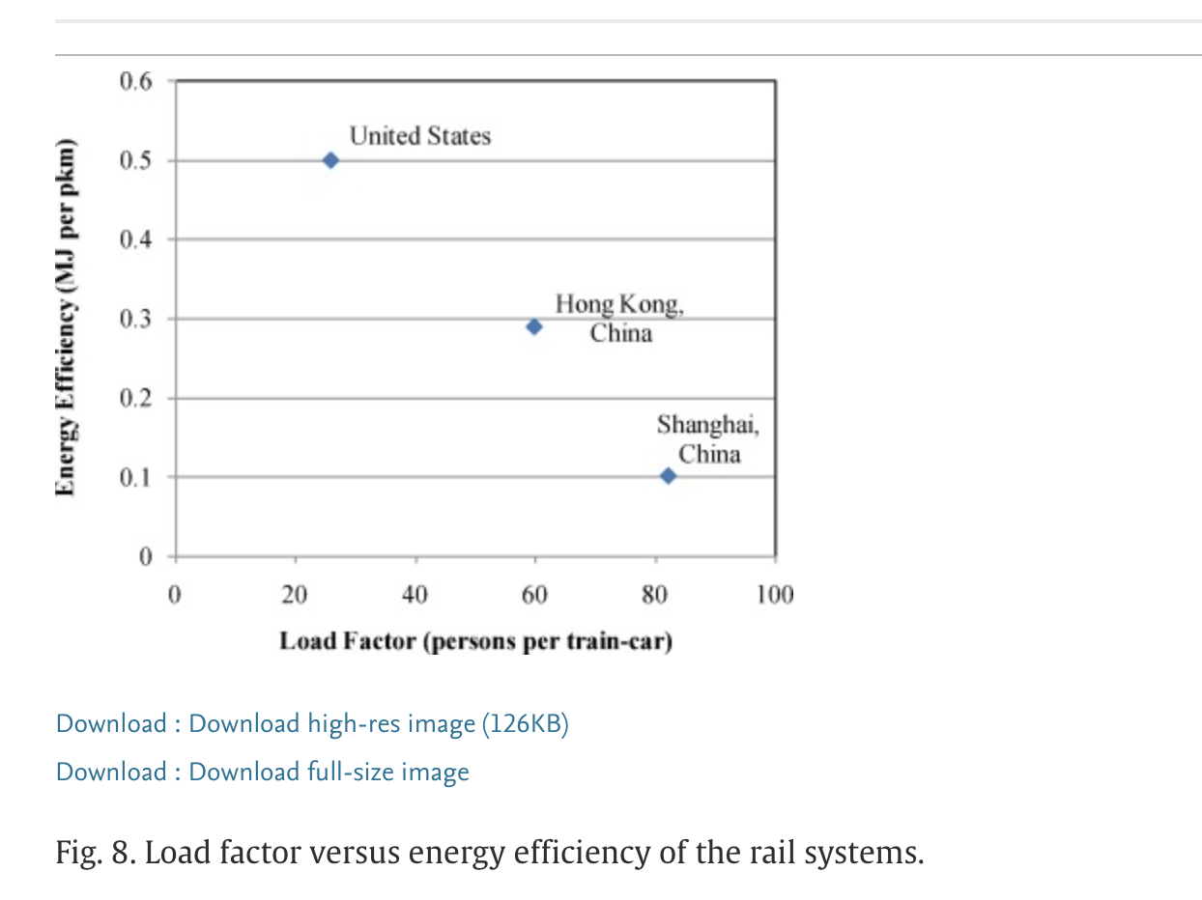
SOURCE: https://www.sciencedirect.com/science/article/abs/pii/S0959652620300081 W.M. To, Peter K.C. Lee, Billy T.W. Yu, Sustainability assessment of an urban rail system – The case of Hong Kong, Journal of Cleaner Production, Volume 253, 2020, 119961, ISSN 0959-6526, https://doi.org/10.1016/j.jclepro.2020.119961.

Hong Kong Urban Rail Transit
0.076-0.093 | kwh/pkm

LAM (cited in To et al. Kenworthy (2008) from https://www.sciencedirect.com/science/article/pii/B9780080453415000098)
0.19 | mj/pkm
71.146490918 | avg person/train-car | x | y |  | NOTE: "This figure shows that when load factor increases, energy efficiency improves because the rail system consumes less MJ per pkm."
 |  | 25.8 | 0.5 | us
 |  | 59.7 | 0.29 | hong kong
 |  | 82 | 0.102 | shanghai

 |  | USE REG IN PYTHON
 |  | m | b
 |  | -0.00700924 | 0.68868283

 |  | INV
 |  | -142.66882001 | -98.253566721

 |  | 26.919156713 | US
 |  | 56.879608916 | HONG KONG
 | LAC EST AVG LOAD | 71.146490918

