SP_Seq_vs_NoOpt
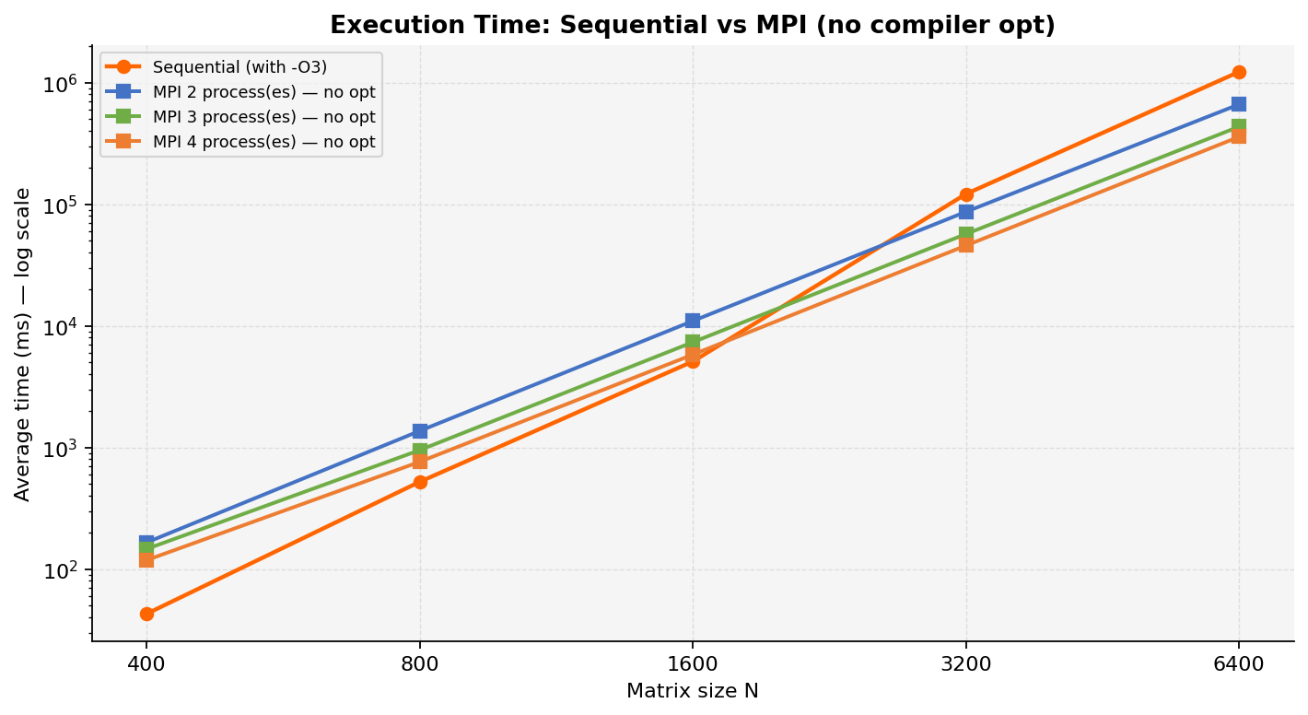
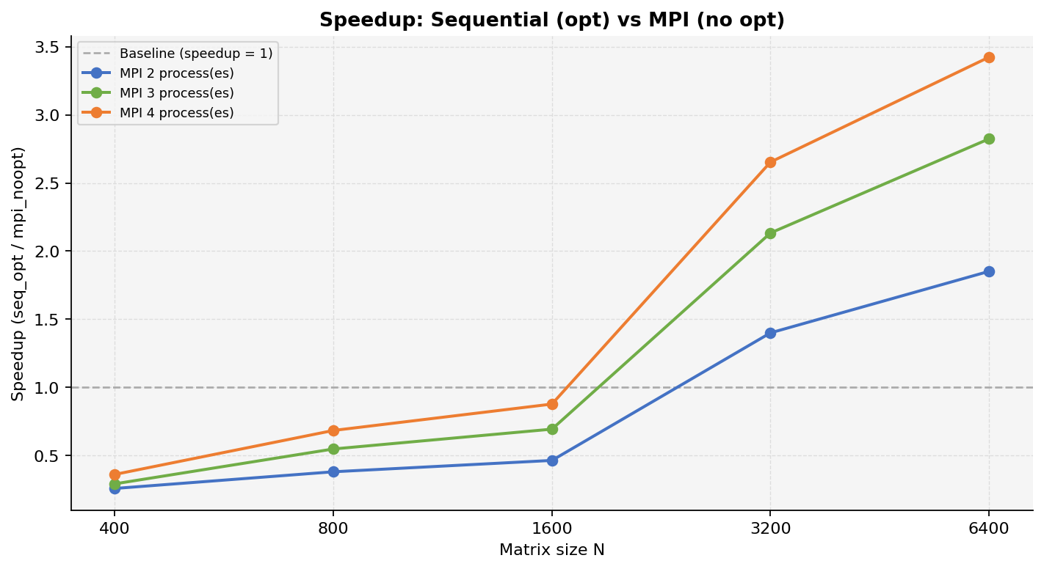
Speedup: Sequential (opt) vs MPI — No Compiler Optimization

Table 2 — Average Execution Time and Speedup
Implementation | N=400 Avg (ms) | N=400 Speedup | N=800 Avg (ms) | N=800 Speedup | N=1,600 Avg (ms) | N=1,600 Speedup | N=3,200 Avg (ms) | N=3,200 Speedup | N=6,400 Avg (ms) | Avg Speedup
Sequential — with -O3 (reference) | 42.856 | 1.00 | 521.456 | 1.00 | 5,090.714 | 1.00 | 121,258.014 | 1.00 | 1,225,101.240 | 1.00
MPI 2 process(es) — no compiler optimization | 165.380 | 0.2591 | 1,366.995 | 0.3815 | 10,953.477 | 0.4648 | 86,579.105 | 1.4005 | 661,609.650 | 0.87
MPI 3 process(es) — no compiler optimization | 146.240 | 0.2931 | 950.171 | 0.5488 | 7,333.502 | 0.6942 | 56,843.394 | 2.1332 | 433,896.545 | 1.30
MPI 4 process(es) — no compiler optimization | 118.319 | 0.3622 | 761.743 | 0.6846 | 5,797.029 | 0.8782 | 45,700.831 | 2.6533 | 357,920.021 | 1.60

SP_Seq_vs_Opt
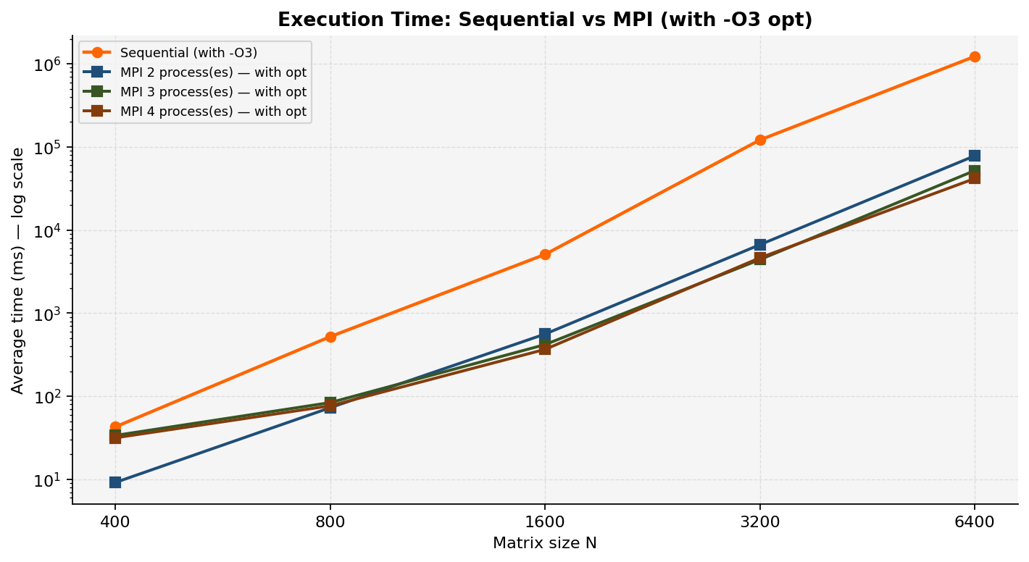
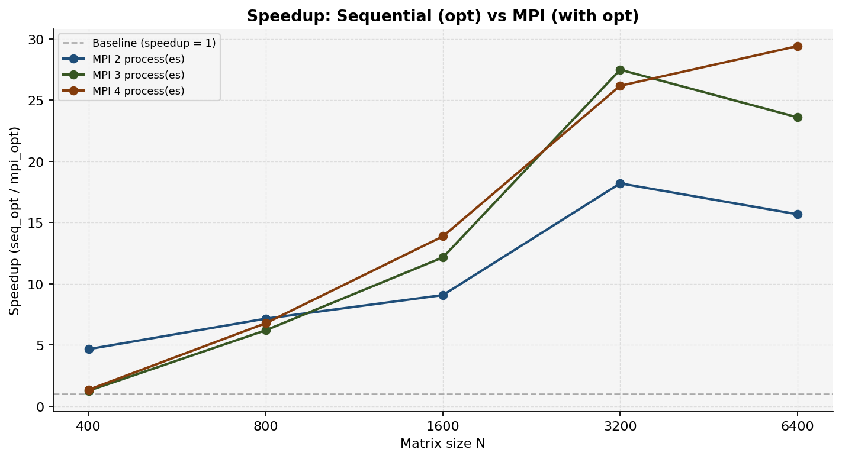
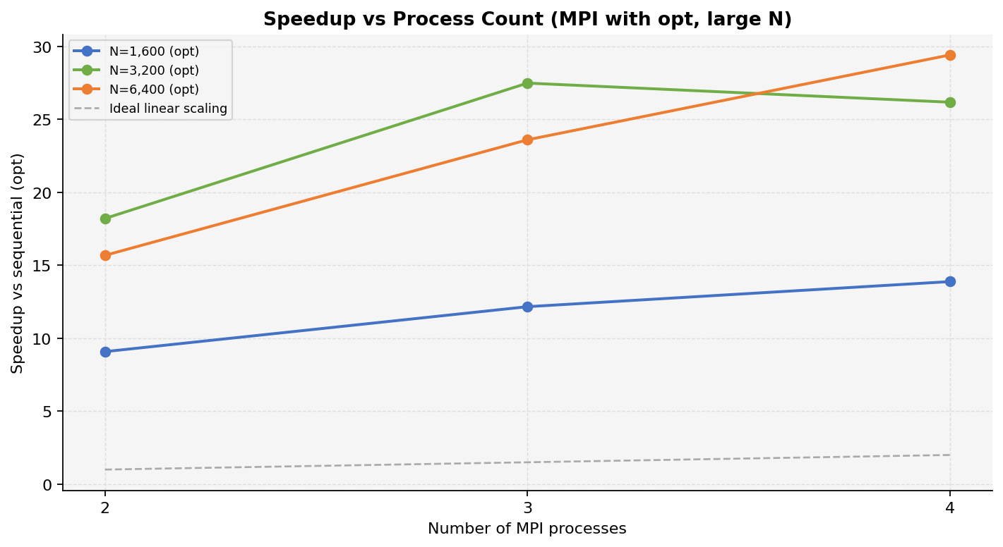
Speedup: Sequential (opt) vs MPI — With -O3 Full Optimization

Table 2 — Average Execution Time and Speedup
Implementation | N=400 Avg (ms) | N=400 Speedup | N=800 Avg (ms) | N=800 Speedup | N=1,600 Avg (ms) | N=1,600 Speedup | N=3,200 Avg (ms) | N=3,200 Speedup | N=6,400 Avg (ms) | Avg Speedup
Sequential — with -O3 (reference) | 42.856 | 1.00 | 521.456 | 1.00 | 5,090.714 | 1.00 | 121,258.014 | 1.00 | 1,225,101.240 | 1.00
MPI 2 process(es) — with -O3 -march=native full optimization | 9.192 | 4.6623 | 72.862 | 7.1567 | 560.541 | 9.0818 | 6,660.807 | 18.2047 | 78,139.598 | 10.96
MPI 3 process(es) — with -O3 -march=native full optimization | 33.820 | 1.2672 | 83.962 | 6.2106 | 418.600 | 12.1613 | 4,412.197 | 27.4825 | 51,916.202 | 14.14
MPI 4 process(es) — with -O3 -march=native full optimization | 31.647 | 1.3542 | 76.839 | 6.7863 | 366.737 | 13.8811 | 4,633.048 | 26.1724 | 41,653.933 | 15.52

