2 hilos
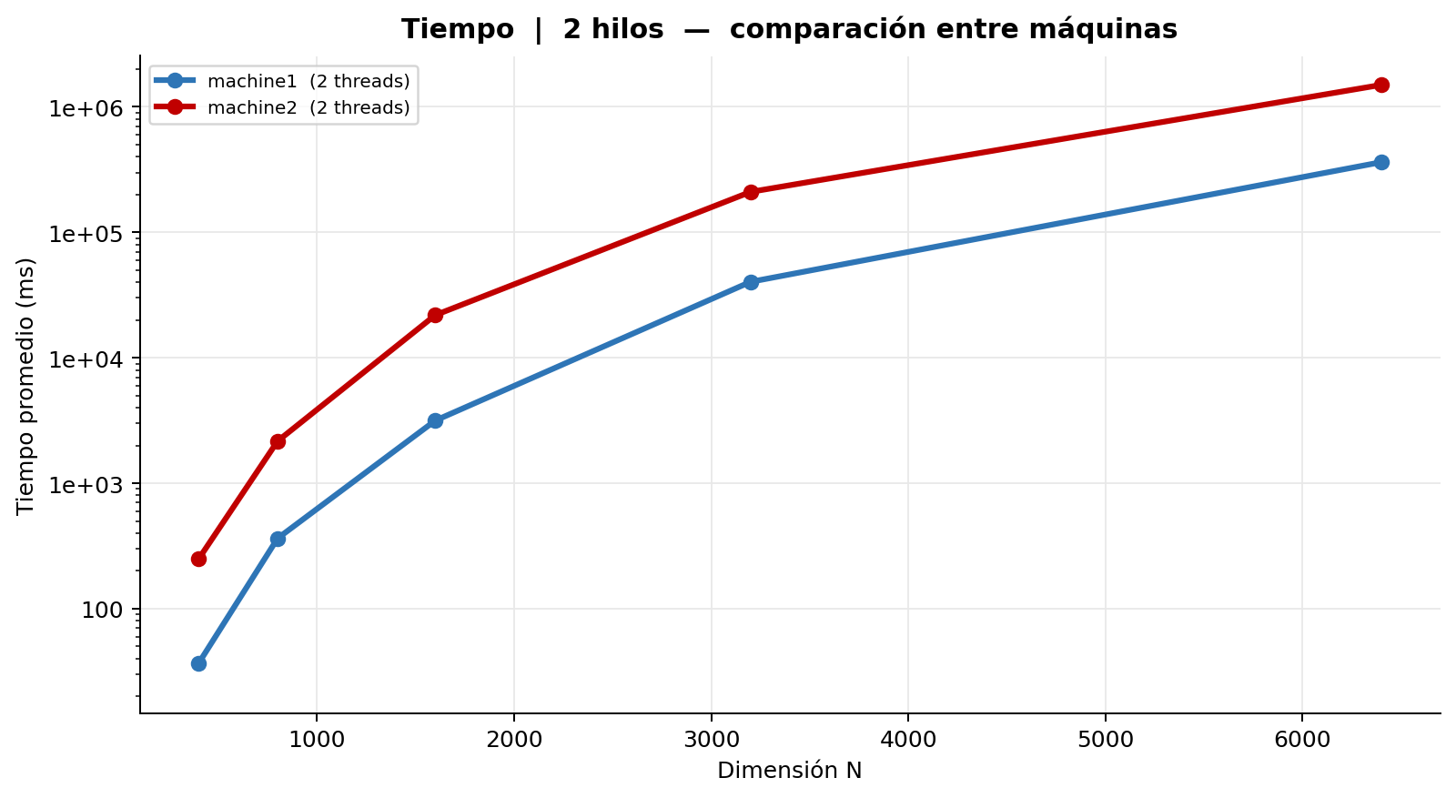
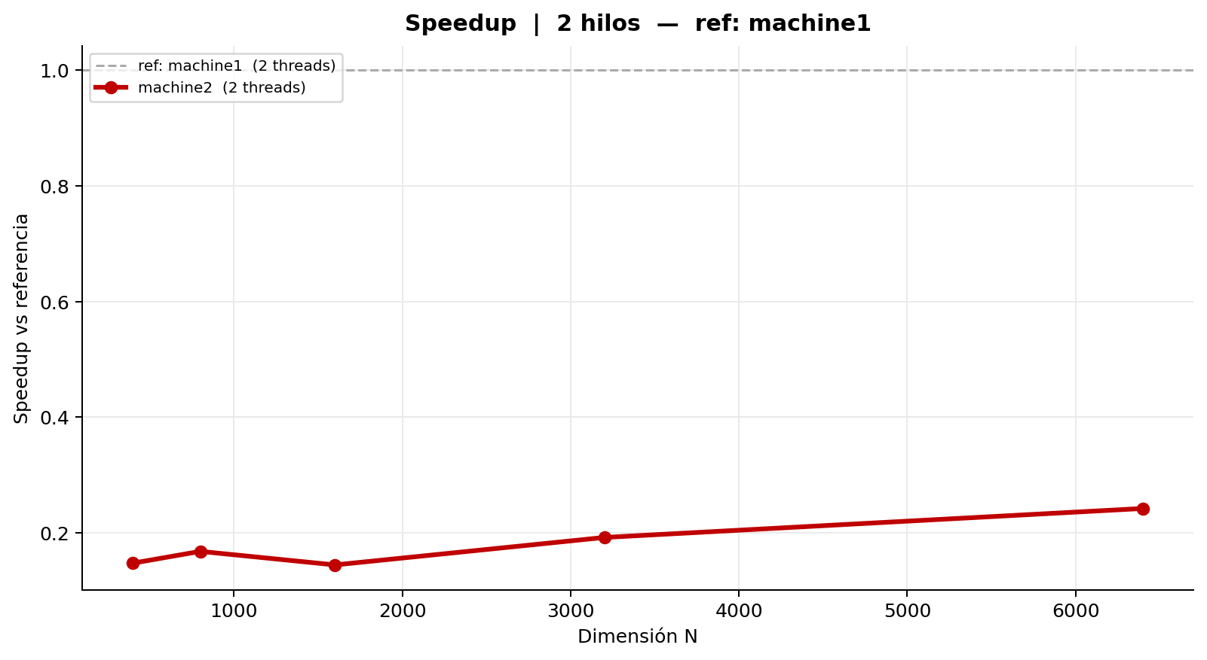
Comparación entre máquinas | 2 hilos | ref: machine1
Tabla 1 — Mediciones individuales (ms)
machine1 (2 threads)
Rep | N = 400 | N = 800 | N = 1,600 | N = 3,200 | N = 6,400
1 | 52.710 | 476.446 | 3,872.907 | 49,834.389 | 468,083.089
2 | 52.368 | 477.249 | 3,878.175 | 49,785.815 | 465,130.778
3 | 52.405 | 476.453 | 3,875.413 | 49,664.687 | 471,244.959
4 | 0.000 | 0.000 | 0.000 | 0.000 | 0.000
5 | 0.000 | 0.000 | 0.000 | 0.000 | 0.000
6 | 0.000 | 0.000 | 0.000 | 0.000 | 0.000
7 | 0.000 | 0.000 | 0.000 | 0.000 | 0.000
8 | 0.000 | 475.863 | 3,872.346 | 83,601.732 | 737,707.469
9 | 105.986 | 869.069 | 7,946.311 | 83,359.240 | 743,565.218
10 | 105.601 | 865.011 | 8,166.783 | 87,102.084 | 740,953.109
Promedio | 36.907 | 364.009 | 3,161.194 | 40,334.795 | 362,668.462
Desv. Est. | 41.268 | 329.654 | 2,999.372 | 35,615.311 | 314,380.207
CV (%) | 111.82 | 90.56 | 94.88 | 88.30 | 86.69

machine2 (2 threads)
Rep | N = 400 | N = 800 | N = 1,600 | N = 3,200 | N = 6,400
1 | 245.879 | 2,163.502 | 22,999.502 | 247,791.370 | 1,179,117.641
2 | 256.154 | 2,157.548 | 22,985.329 | 129,525.321 | 1,283,998.715
3 | 246.276 | 2,179.805 | 23,409.293 | 247,896.674 | 1,228,542.430
4 | 256.150 | 2,155.929 | 22,745.243 | 180,468.297 | 1,372,534.018
5 | 253.868 | 2,179.984 | 12,200.831 | 150,215.741 | 1,365,396.623
6 | 248.279 | 2,170.385 | 22,925.938 | 158,161.564 | 1,414,510.985
7 | 253.195 | 2,174.028 | 22,858.593 | 243,344.057 | 1,140,221.536
8 | 253.361 | 2,177.721 | 22,792.715 | 244,868.159 | 1,628,895.578
9 | 243.808 | 2,174.974 | 22,848.694 | 249,805.543 | 2,210,790.380
10 | 245.558 | 2,156.984 | 23,153.951 | 249,868.465 | 2,159,321.880
Promedio | 250.253 | 2,169.086 | 21,892.009 | 210,194.519 | 1,498,332.979
Desv. Est. | 4.510 | 9.235 | 3,235.634 | 46,877.750 | 367,551.412
CV (%) | 1.80 | 0.43 | 14.78 | 22.30 | 24.53

Tabla 2 — Promedio y Speedup entre máquinas
Máquina | N=400 Avg (ms) | N=400 Speedup | N=800 Avg (ms) | N=800 Speedup | N=1,600 Avg (ms) | N=1,600 Speedup | N=3,200 Avg (ms) | N=3,200 Speedup | N=6,400 Avg (ms) | N=6,400 Speedup | Speedup Prom.
machine1 (2 threads) | 36.907 | 1.0000 | 364.009 | 1.0000 | 3,161.194 | 1.0000 | 40,334.795 | 1.0000 | 362,668.462 | 1.0000 | 1.00
machine2 (2 threads) | 250.253 | 0.1475 | 2,169.086 | 0.1678 | 21,892.009 | 0.1444 | 210,194.519 | 0.1919 | 1,498,332.979 | 0.2420

4 hilos
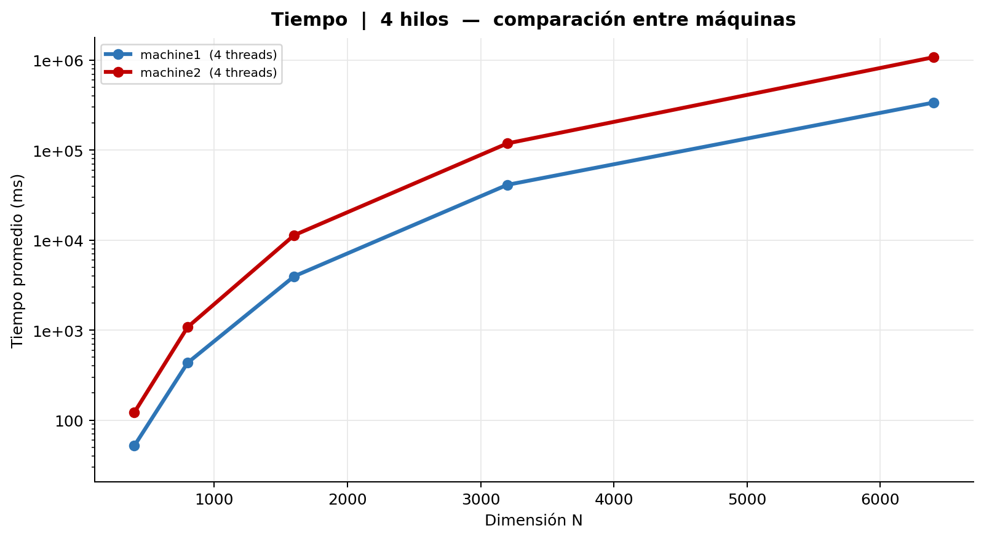
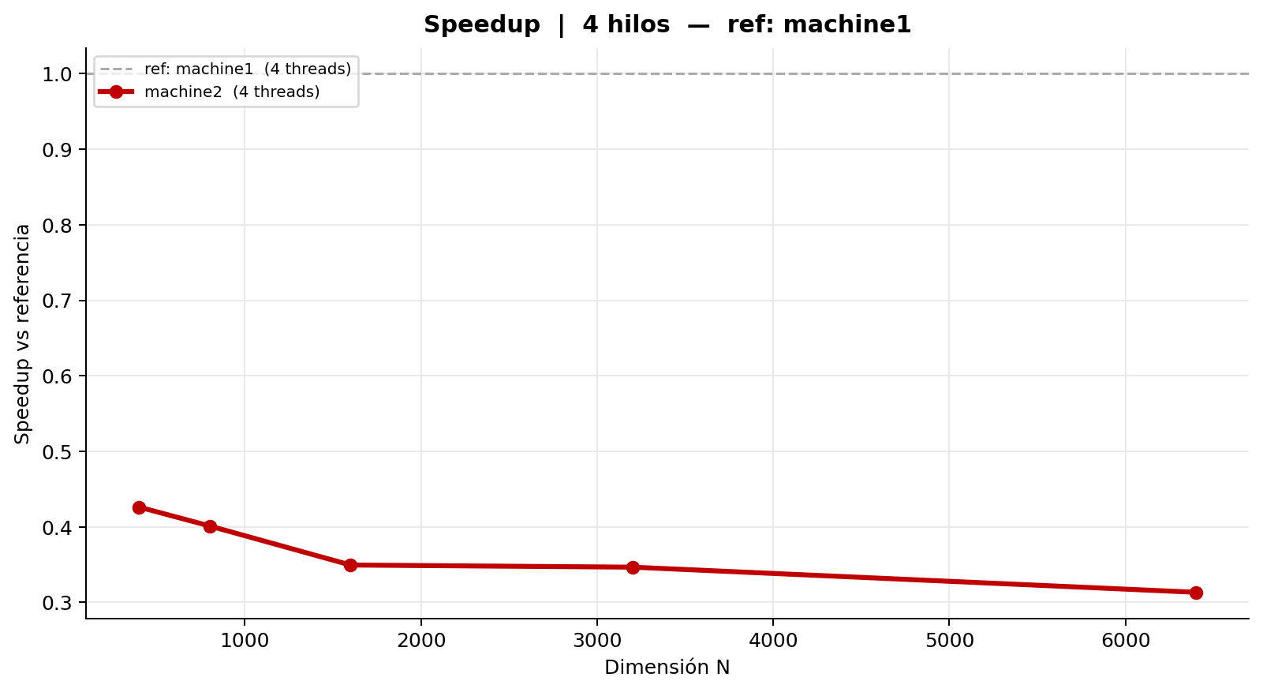
Comparación entre máquinas | 4 hilos | ref: machine1
Tabla 1 — Mediciones individuales (ms)
machine1 (4 threads)
Rep | N = 400 | N = 800 | N = 1,600 | N = 3,200 | N = 6,400
1 | 52.683 | 435.342 | 3,972.652 | 41,338.015 | 367,526.215
2 | 52.202 | 431.382 | 3,958.917 | 41,294.067 | 314,280.066
3 | 52.681 | 432.606 | 3,985.667 | 41,419.009 | 316,482.124
4 | 51.714 | 431.940 | 3,962.978 | 41,220.366 | 315,856.441
5 | 52.713 | 431.420 | 3,969.467 | 41,374.154 | 317,546.886
6 | 52.111 | 433.488 | 3,964.539 | 41,355.428 | 316,041.259
7 | 51.591 | 431.365 | 3,965.847 | 41,067.030 | 366,010.610
8 | 51.920 | 431.581 | 3,956.449 | 40,526.926 | 366,109.846
9 | 51.993 | 434.153 | 3,962.092 | 41,101.329 | 366,055.692
10 | 49.501 | 442.685 | 3,954.117 | 40,896.489 | 330,950.776
Promedio | 51.911 | 433.596 | 3,965.273 | 41,159.281 | 337,685.992
Desv. Est. | 0.890 | 3.292 | 8.642 | 262.059 | 23,872.348
CV (%) | 1.71 | 0.76 | 0.22 | 0.64 | 7.07

machine2 (4 threads)
Rep | N = 400 | N = 800 | N = 1,600 | N = 3,200 | N = 6,400
1 | 118.401 | 1,077.112 | 11,294.028 | 117,595.500 | 1,052,955.249
2 | 127.405 | 1,084.799 | 11,385.167 | 117,834.088 | 1,068,663.558
3 | 127.537 | 1,076.542 | 11,299.186 | 119,483.013 | 1,069,409.919
4 | 121.194 | 1,078.164 | 11,352.658 | 117,508.135 | 1,090,267.896
5 | 119.152 | 1,087.828 | 11,311.274 | 119,754.209 | 1,071,223.007
6 | 120.525 | 1,077.869 | 11,433.383 | 119,430.870 | 1,082,154.672
7 | 122.083 | 1,082.451 | 11,398.276 | 118,765.334 | 1,078,452.913
8 | 119.874 | 1,075.663 | 11,287.945 | 118,903.552 | 1,089,341.228
9 | 121.667 | 1,089.204 | 11,421.638 | 119,876.441 | 1,091,023.554
10 | 120.339 | 1,078.992 | 11,305.772 | 118,456.907 | 1,085,567.881
Promedio | 121.818 | 1,080.862 | 11,348.933 | 118,760.805 | 1,077,905.988
Desv. Est. | 3.014 | 4.644 | 53.544 | 842.659 | 11,651.242
CV (%) | 2.47 | 0.43 | 0.47 | 0.71 | 1.08

Tabla 2 — Promedio y Speedup entre máquinas
Máquina | N=400 Avg (ms) | N=400 Speedup | N=800 Avg (ms) | N=800 Speedup | N=1,600 Avg (ms) | N=1,600 Speedup | N=3,200 Avg (ms) | N=3,200 Speedup | N=6,400 Avg (ms) | N=6,400 Speedup | Speedup Prom.
machine1 (4 threads) | 51.911 | 1.0000 | 433.596 | 1.0000 | 3,965.273 | 1.0000 | 41,159.281 | 1.0000 | 337,685.992 | 1.0000 | 1.00
machine2 (4 threads) | 121.818 | 0.4261 | 1,080.862 | 0.4012 | 11,348.933 | 0.3494 | 118,760.805 | 0.3466 | 1,077,905.988 | 0.3133

6 hilos
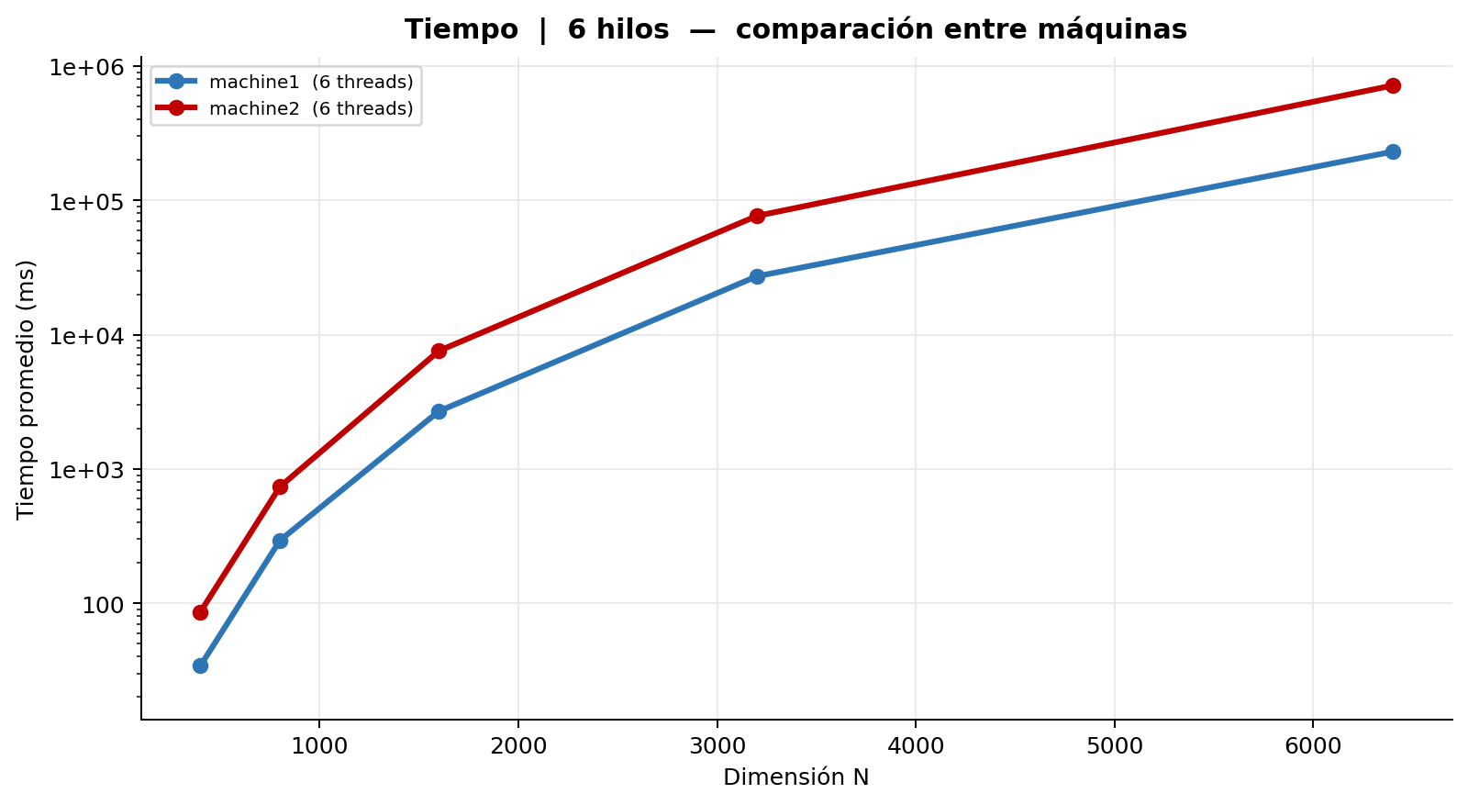
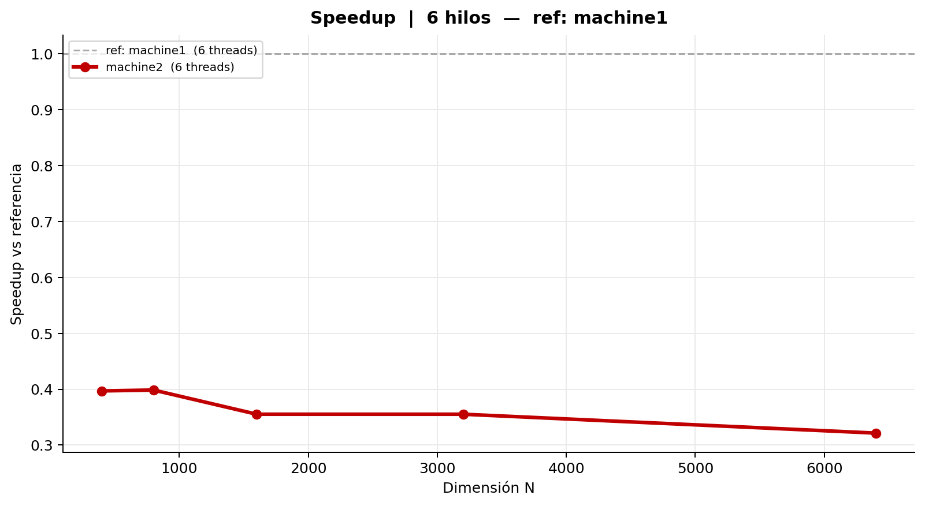
Comparación entre máquinas | 6 hilos | ref: machine1
Tabla 1 — Mediciones individuales (ms)
machine1 (6 threads)
Rep | N = 400 | N = 800 | N = 1,600 | N = 3,200 | N = 6,400
1 | 34.353 | 295.990 | 2,666.865 | 27,102.361 | 225,742.997
2 | 34.273 | 294.940 | 2,697.693 | 27,154.824 | 226,271.346
3 | 34.299 | 294.825 | 2,680.042 | 27,140.444 | 226,288.812
4 | 33.943 | 297.558 | 2,695.117 | 27,129.522 | 226,130.747
5 | 34.292 | 277.042 | 2,694.282 | 27,160.908 | 226,008.202
6 | 34.113 | 295.038 | 2,695.539 | 27,209.142 | 226,415.822
7 | 34.324 | 294.580 | 2,698.336 | 27,378.195 | 226,210.000
8 | 34.365 | 297.294 | 2,692.628 | 27,137.862 | 239,953.374
9 | 34.295 | 295.113 | 2,684.469 | 27,196.687 | 240,407.072
10 | 34.298 | 293.883 | 2,690.719 | 27,204.071 | 240,237.121
Promedio | 34.255 | 293.626 | 2,689.569 | 27,181.402 | 230,366.549
Desv. Est. | 0.123 | 5.638 | 9.351 | 73.405 | 6,440.075
CV (%) | 0.36 | 1.92 | 0.35 | 0.27 | 2.80

machine2 (6 threads)
Rep | N = 400 | N = 800 | N = 1,600 | N = 3,200 | N = 6,400
1 | 84.089 | 731.942 | 7,559.653 | 80,427.574 | 777,176.847
2 | 86.318 | 740.392 | 7,605.549 | 78,031.942 | 771,013.632
3 | 86.275 | 740.248 | 7,541.705 | 78,136.012 | 744,394.193
4 | 86.314 | 735.862 | 7,665.338 | 77,959.745 | 731,753.295
5 | 86.286 | 738.201 | 7,533.465 | 58,831.212 | 483,849.195
6 | 86.293 | 738.635 | 7,543.090 | 78,057.416 | 580,876.592
7 | 88.457 | 736.480 | 7,613.484 | 79,067.561 | 724,617.503
8 | 86.234 | 730.934 | 7,506.856 | 78,831.117 | 787,087.322
9 | 86.413 | 738.718 | 7,606.598 | 78,033.278 | 782,215.084
10 | 86.321 | 736.662 | 7,541.511 | 77,854.458 | 783,678.771
Promedio | 86.300 | 736.807 | 7,571.725 | 76,523.031 | 716,666.243
Desv. Est. | 0.978 | 3.046 | 46.172 | 5,944.732 | 96,986.555
CV (%) | 1.13 | 0.41 | 0.61 | 7.77 | 13.53

Tabla 2 — Promedio y Speedup entre máquinas
Máquina | N=400 Avg (ms) | N=400 Speedup | N=800 Avg (ms) | N=800 Speedup | N=1,600 Avg (ms) | N=1,600 Speedup | N=3,200 Avg (ms) | N=3,200 Speedup | N=6,400 Avg (ms) | N=6,400 Speedup | Speedup Prom.
machine1 (6 threads) | 34.255 | 1.0000 | 293.626 | 1.0000 | 2,689.569 | 1.0000 | 27,181.402 | 1.0000 | 230,366.549 | 1.0000 | 1.00
machine2 (6 threads) | 86.300 | 0.3969 | 736.807 | 0.3985 | 7,571.725 | 0.3552 | 76,523.031 | 0.3552 | 716,666.243 | 0.3214

8 hilos
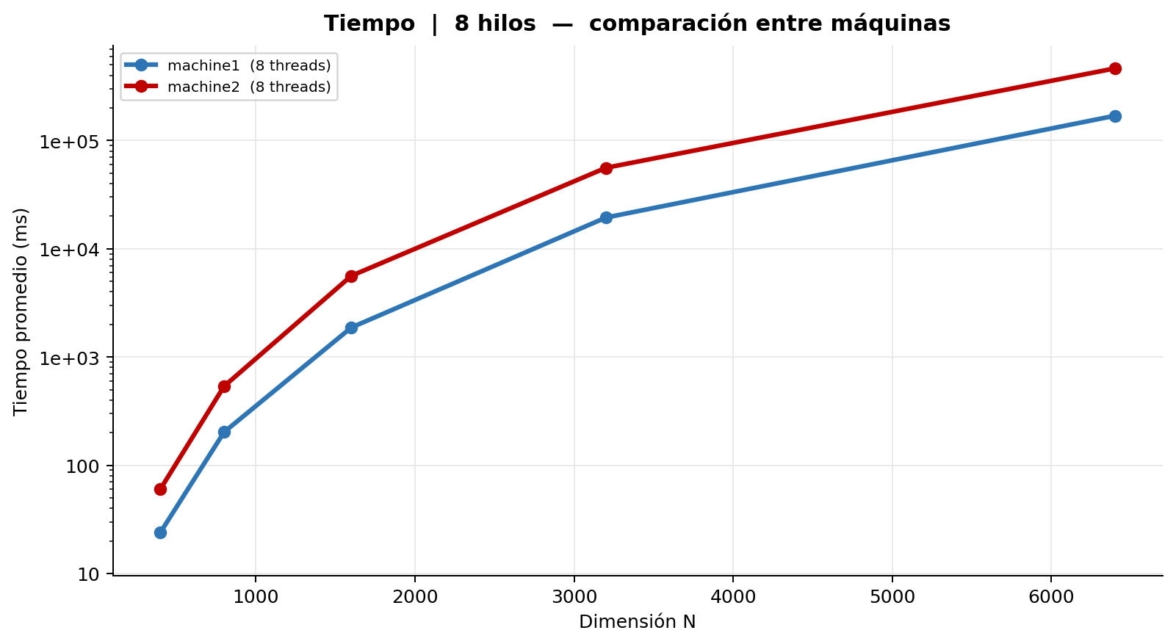
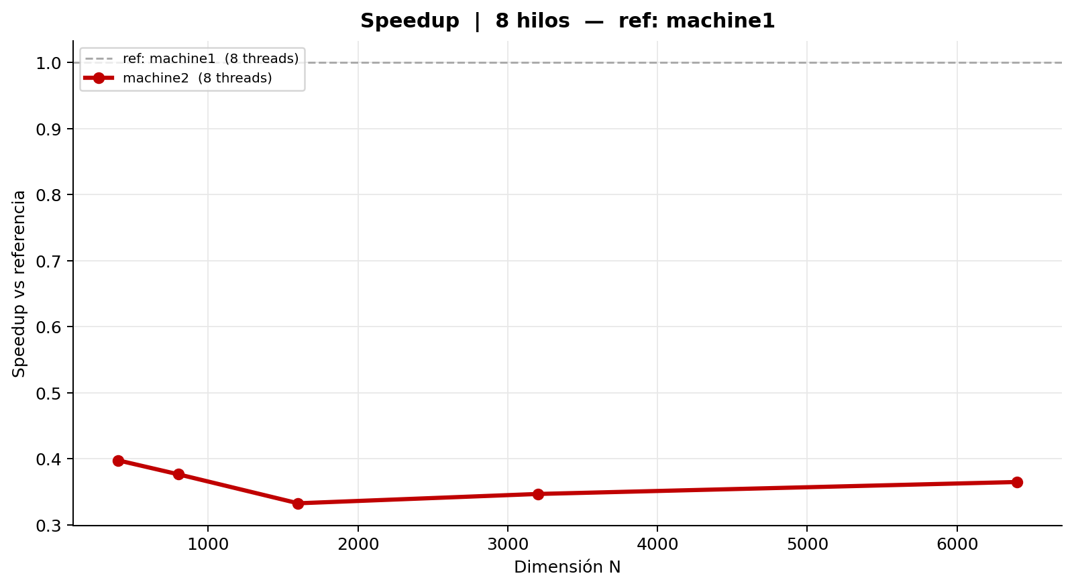
Comparación entre máquinas | 8 hilos | ref: machine1
Tabla 1 — Mediciones individuales (ms)
machine1 (8 threads)
Rep | N = 400 | N = 800 | N = 1,600 | N = 3,200 | N = 6,400
1 | 24.034 | 202.552 | 1,876.715 | 19,146.828 | 167,753.892
2 | 24.174 | 204.324 | 1,869.716 | 19,074.945 | 172,227.315
3 | 23.614 | 206.152 | 1,869.526 | 19,465.286 | 167,621.693
4 | 23.945 | 197.717 | 1,875.406 | 19,448.636 | 169,148.746
5 | 24.112 | 197.878 | 1,870.942 | 19,448.722 | 167,026.430
6 | 24.236 | 206.722 | 1,872.806 | 19,562.146 | 168,885.813
7 | 24.264 | 198.601 | 1,868.560 | 19,404.398 | 171,266.467
8 | 23.579 | 198.132 | 1,868.898 | 19,571.730 | 172,608.639
9 | 24.162 | 205.551 | 1,894.854 | 19,553.356 | 168,093.107
10 | 24.045 | 207.082 | 1,873.434 | 19,640.924 | 171,368.745
Promedio | 24.017 | 202.471 | 1,874.086 | 19,431.697 | 169,600.085
Desv. Est. | 0.229 | 3.786 | 7.411 | 174.950 | 1,969.512
CV (%) | 0.95 | 1.87 | 0.40 | 0.90 | 1.16

machine2 (8 threads)
Rep | N = 400 | N = 800 | N = 1,600 | N = 3,200 | N = 6,400
1 | 61.413 | 537.065 | 5,638.464 | 58,913.216 | 547,330.621
2 | 61.549 | 540.169 | 5,640.179 | 58,973.794 | 554,396.471
3 | 60.980 | 536.901 | 5,688.827 | 59,486.129 | 486,870.593
4 | 62.699 | 537.414 | 5,669.057 | 48,634.784 | 293,860.957
5 | 59.474 | 536.922 | 5,458.884 | 51,581.398 | 263,955.109
6 | 59.066 | 539.555 | 5,652.074 | 47,550.212 | 351,969.069
7 | 61.087 | 535.863 | 5,654.026 | 58,669.852 | 537,809.394
8 | 59.062 | 539.487 | 5,644.213 | 58,809.575 | 527,731.970
9 | 59.376 | 535.835 | 5,607.931 | 58,921.718 | 541,461.212
10 | 59.126 | 535.610 | 5,659.911 | 58,610.693 | 540,936.023
Promedio | 60.383 | 537.482 | 5,631.357 | 56,015.137 | 464,632.142
Desv. Est. | 1.246 | 1.588 | 60.887 | 4,527.962 | 108,894.328
CV (%) | 2.06 | 0.30 | 1.08 | 8.08 | 23.44

Tabla 2 — Promedio y Speedup entre máquinas
Máquina | N=400 Avg (ms) | N=400 Speedup | N=800 Avg (ms) | N=800 Speedup | N=1,600 Avg (ms) | N=1,600 Speedup | N=3,200 Avg (ms) | N=3,200 Speedup | N=6,400 Avg (ms) | N=6,400 Speedup | Speedup Prom.
machine1 (8 threads) | 24.017 | 1.0000 | 202.471 | 1.0000 | 1,874.086 | 1.0000 | 19,431.697 | 1.0000 | 169,600.085 | 1.0000 | 1.00
machine2 (8 threads) | 60.383 | 0.3977 | 537.482 | 0.3767 | 5,631.357 | 0.3328 | 56,015.137 | 0.3469 | 464,632.142 | 0.3650

12 hilos
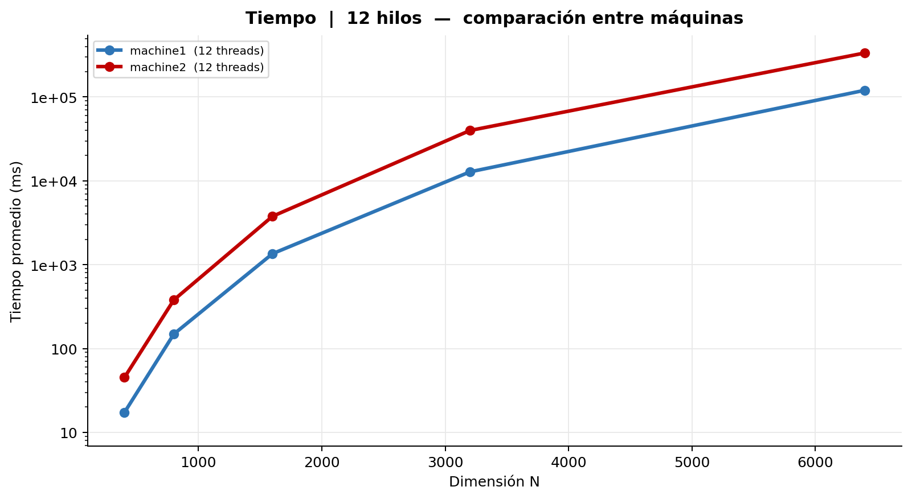
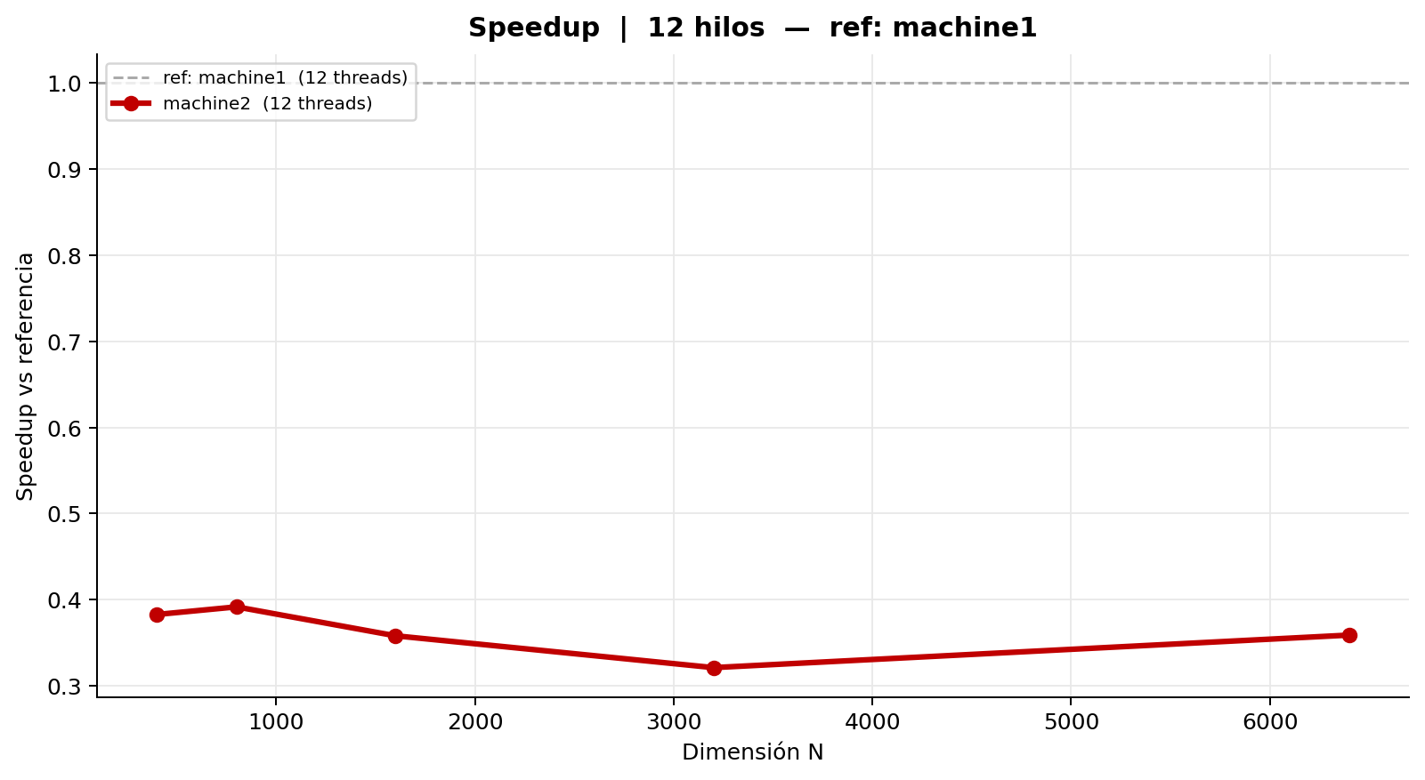
Comparación entre máquinas | 12 hilos | ref: machine1
Tabla 1 — Mediciones individuales (ms)
machine1 (12 threads)
Rep | N = 400 | N = 800 | N = 1,600 | N = 3,200 | N = 6,400
1 | 17.443 | 148.570 | 1,352.007 | 12,877.961 | 120,547.237
2 | 17.125 | 148.538 | 1,350.149 | 12,830.056 | 119,924.839
3 | 17.369 | 148.540 | 1,351.256 | 12,720.092 | 120,046.725
4 | 17.510 | 148.762 | 1,350.525 | 12,773.513 | 120,112.683
5 | 16.458 | 148.501 | 1,354.233 | 12,732.016 | 120,285.409
6 | 17.156 | 148.541 | 1,351.538 | 12,775.489 | 119,644.809
7 | 17.361 | 148.573 | 1,352.581 | 12,827.217 | 120,654.615
8 | 17.491 | 148.575 | 1,351.855 | 12,758.464 | 120,599.122
9 | 17.453 | 148.538 | 1,355.596 | 12,912.228 | 120,680.966
10 | 17.350 | 148.761 | 1,350.854 | 12,804.143 | 120,666.448
Promedio | 17.272 | 148.590 | 1,352.059 | 12,801.118 | 120,316.285
Desv. Est. | 0.298 | 0.088 | 1.610 | 58.614 | 349.655
CV (%) | 1.73 | 0.06 | 0.12 | 0.46 | 0.29

machine2 (12 threads)
Rep | N = 400 | N = 800 | N = 1,600 | N = 3,200 | N = 6,400
1 | 44.743 | 379.537 | 3,788.008 | 39,710.593 | 334,803.746
2 | 44.807 | 378.293 | 3,746.200 | 39,633.377 | 333,217.512
3 | 47.921 | 380.643 | 3,767.553 | 39,917.210 | 329,250.006
4 | 44.733 | 380.782 | 3,751.846 | 39,651.530 | 337,147.780
5 | 44.849 | 376.501 | 3,751.378 | 39,950.938 | 334,617.088
6 | 44.865 | 379.076 | 3,777.557 | 40,002.254 | 334,810.406
7 | 44.707 | 381.502 | 3,912.869 | 39,976.023 | 330,650.994
8 | 44.848 | 380.141 | 3,747.866 | 40,007.396 | 334,101.031
9 | 44.841 | 380.451 | 3,761.461 | 39,977.540 | 340,030.107
10 | 44.824 | 376.728 | 3,753.019 | 39,816.085 | 343,668.457
Promedio | 45.114 | 379.365 | 3,775.776 | 39,864.295 | 335,229.713
Desv. Est. | 0.937 | 1.625 | 47.497 | 141.303 | 4,008.892
CV (%) | 2.08 | 0.43 | 1.26 | 0.35 | 1.20

Tabla 2 — Promedio y Speedup entre máquinas
Máquina | N=400 Avg (ms) | N=400 Speedup | N=800 Avg (ms) | N=800 Speedup | N=1,600 Avg (ms) | N=1,600 Speedup | N=3,200 Avg (ms) | N=3,200 Speedup | N=6,400 Avg (ms) | N=6,400 Speedup | Speedup Prom.
machine1 (12 threads) | 17.272 | 1.0000 | 148.590 | 1.0000 | 1,352.059 | 1.0000 | 12,801.118 | 1.0000 | 120,316.285 | 1.0000 | 1.00
machine2 (12 threads) | 45.114 | 0.3828 | 379.365 | 0.3917 | 3,775.776 | 0.3581 | 39,864.295 | 0.3211 | 335,229.713 | 0.3589

16 hilos
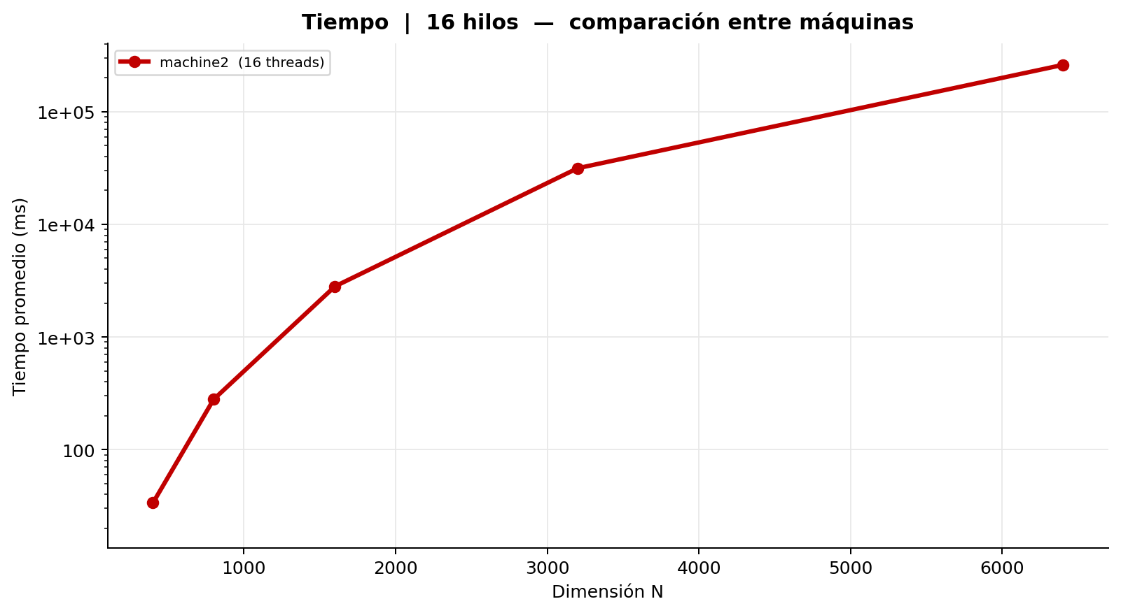
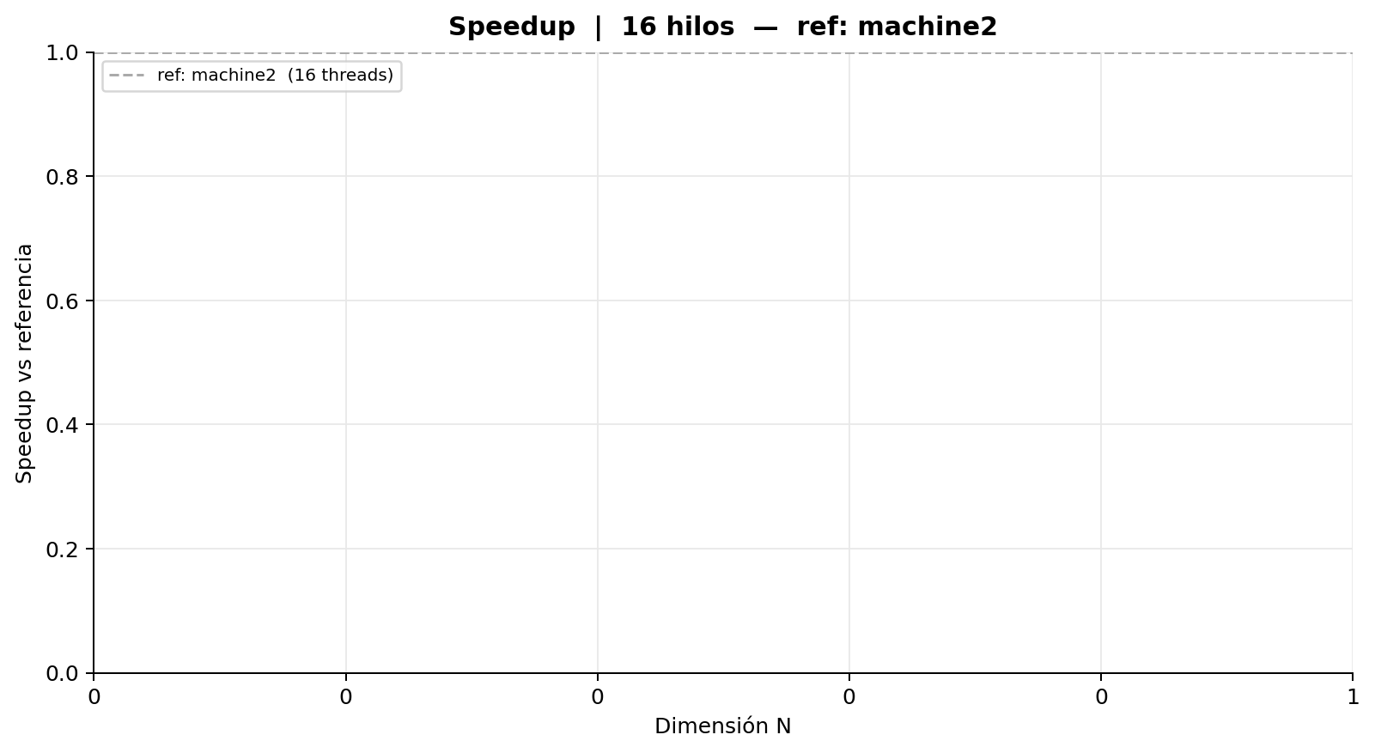
Comparación entre máquinas | 16 hilos | ref: machine2
Tabla 1 — Mediciones individuales (ms)
machine2 (16 threads)
Rep | N = 400 | N = 800 | N = 1,600 | N = 3,200 | N = 6,400
1 | 33.767 | 278.732 | 2,806.829 | 31,508.764 | 260,496.863
2 | 33.670 | 279.196 | 2,807.341 | 31,432.048 | 261,477.171
3 | 33.656 | 279.147 | 2,812.806 | 31,697.258 | 261,147.077
4 | 33.587 | 278.803 | 2,811.651 | 31,295.746 | 256,784.274
5 | 33.645 | 278.556 | 2,795.668 | 31,512.301 | 259,581.230
6 | 33.681 | 278.786 | 2,816.345 | 31,410.686 | 259,342.349
7 | 33.714 | 279.251 | 2,819.914 | 31,543.157 | 261,480.418
8 | 33.579 | 278.169 | 2,809.575 | 31,441.050 | 262,938.800
9 | 33.597 | 279.549 | 2,836.756 | 31,603.453 | 260,020.999
10 | 33.611 | 278.900 | 2,801.690 | 31,212.403 | 259,534.336
Promedio | 33.651 | 278.909 | 2,811.858 | 31,465.687 | 260,280.352
Desv. Est. | 0.057 | 0.374 | 10.594 | 134.325 | 1,579.650
CV (%) | 0.17 | 0.13 | 0.38 | 0.43 | 0.61

Tabla 2 — Promedio y Speedup entre máquinas
Máquina | N=400 Avg (ms) | N=400 Speedup | N=800 Avg (ms) | N=800 Speedup | N=1,600 Avg (ms) | N=1,600 Speedup | N=3,200 Avg (ms) | N=3,200 Speedup | N=6,400 Avg (ms) | N=6,400 Speedup | Speedup Prom.
machine2 (16 threads) | 33.651 | 1.0000 | 278.909 | 1.0000 | 2,811.858 | 1.0000 | 31,465.687 | 1.0000 | 260,280.352 | 1.0000 | 1.00

Scaling machine1
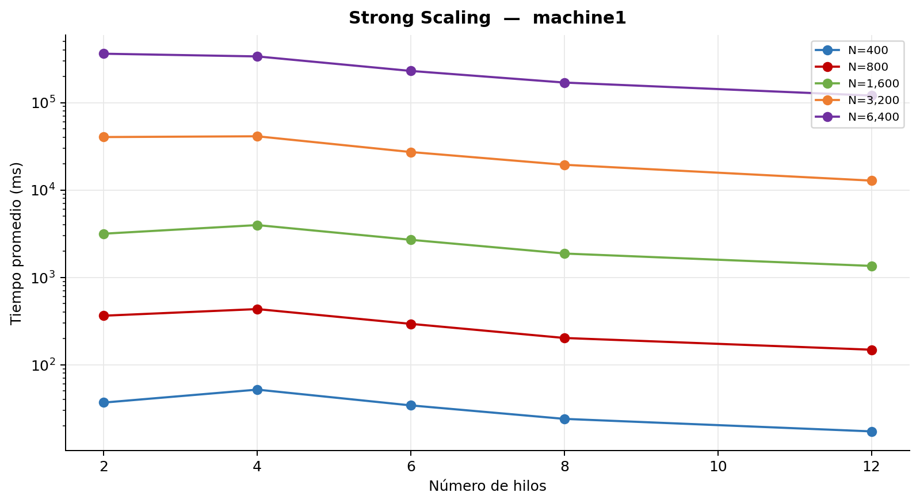
Strong Scaling — machine1
Tabla — Tiempo promedio (ms) por hilos y tamaño
Hilos | N = 400 | N = 800 | N = 1,600 | N = 3,200 | N = 6,400
2t | 36.9 ms 1.00x | 364.0 ms 1.00x | 3,161.2 ms 1.00x | 40,334.8 ms 1.00x | 362,668.5 ms 1.00x
4t | 51.9 ms 0.71x | 433.6 ms 0.84x | 3,965.3 ms 0.80x | 41,159.3 ms 0.98x | 337,686.0 ms 1.07x
6t | 34.3 ms 1.08x | 293.6 ms 1.24x | 2,689.6 ms 1.18x | 27,181.4 ms 1.48x | 230,366.5 ms 1.57x
8t | 24.0 ms 1.54x | 202.5 ms 1.80x | 1,874.1 ms 1.69x | 19,431.7 ms 2.08x | 169,600.1 ms 2.14x
12t | 17.3 ms 2.14x | 148.6 ms 2.45x | 1,352.1 ms 2.34x | 12,801.1 ms 3.15x | 120,316.3 ms 3.01x
16t | — | — | — | — | —

Scaling machine2
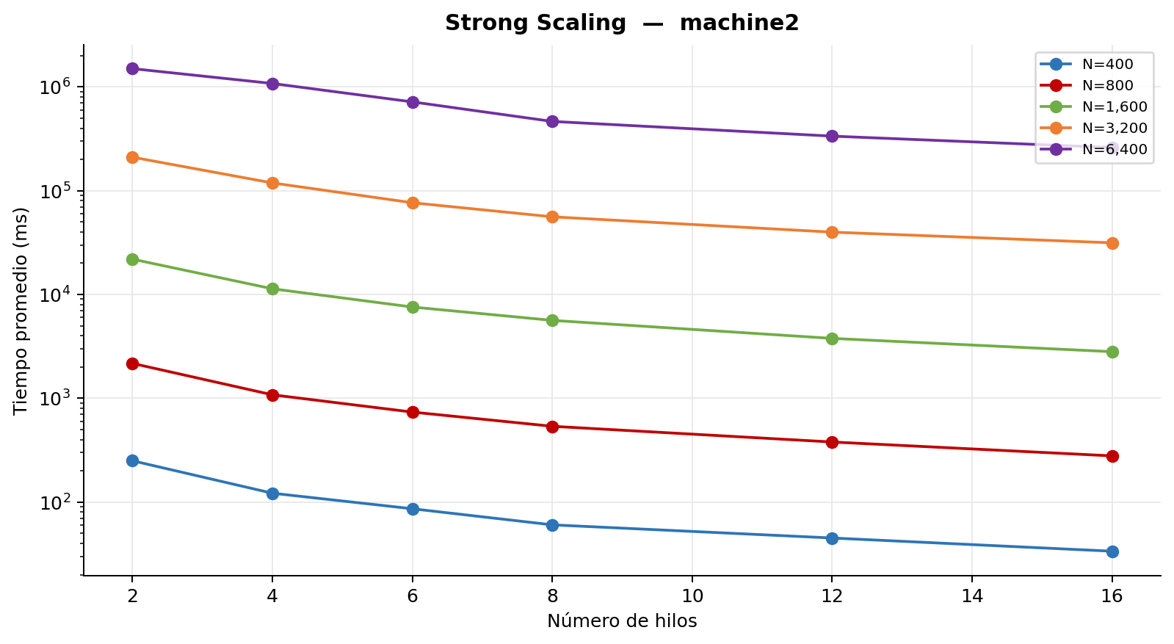
Strong Scaling — machine2
Tabla — Tiempo promedio (ms) por hilos y tamaño
Hilos | N = 400 | N = 800 | N = 1,600 | N = 3,200 | N = 6,400
2t | 250.3 ms 1.00x | 2,169.1 ms 1.00x | 21,892.0 ms 1.00x | 210,194.5 ms 1.00x | 1,498,333.0 ms 1.00x
4t | 121.8 ms 2.05x | 1,080.9 ms 2.01x | 11,348.9 ms 1.93x | 118,760.8 ms 1.77x | 1,077,906.0 ms 1.39x
6t | 86.3 ms 2.90x | 736.8 ms 2.94x | 7,571.7 ms 2.89x | 76,523.0 ms 2.75x | 716,666.2 ms 2.09x
8t | 60.4 ms 4.14x | 537.5 ms 4.04x | 5,631.4 ms 3.89x | 56,015.1 ms 3.75x | 464,632.1 ms 3.22x
12t | 45.1 ms 5.55x | 379.4 ms 5.72x | 3,775.8 ms 5.80x | 39,864.3 ms 5.27x | 335,229.7 ms 4.47x
16t | 33.7 ms 7.44x | 278.9 ms 7.78x | 2,811.9 ms 7.79x | 31,465.7 ms 6.68x | 260,280.4 ms 5.76x

