Charts
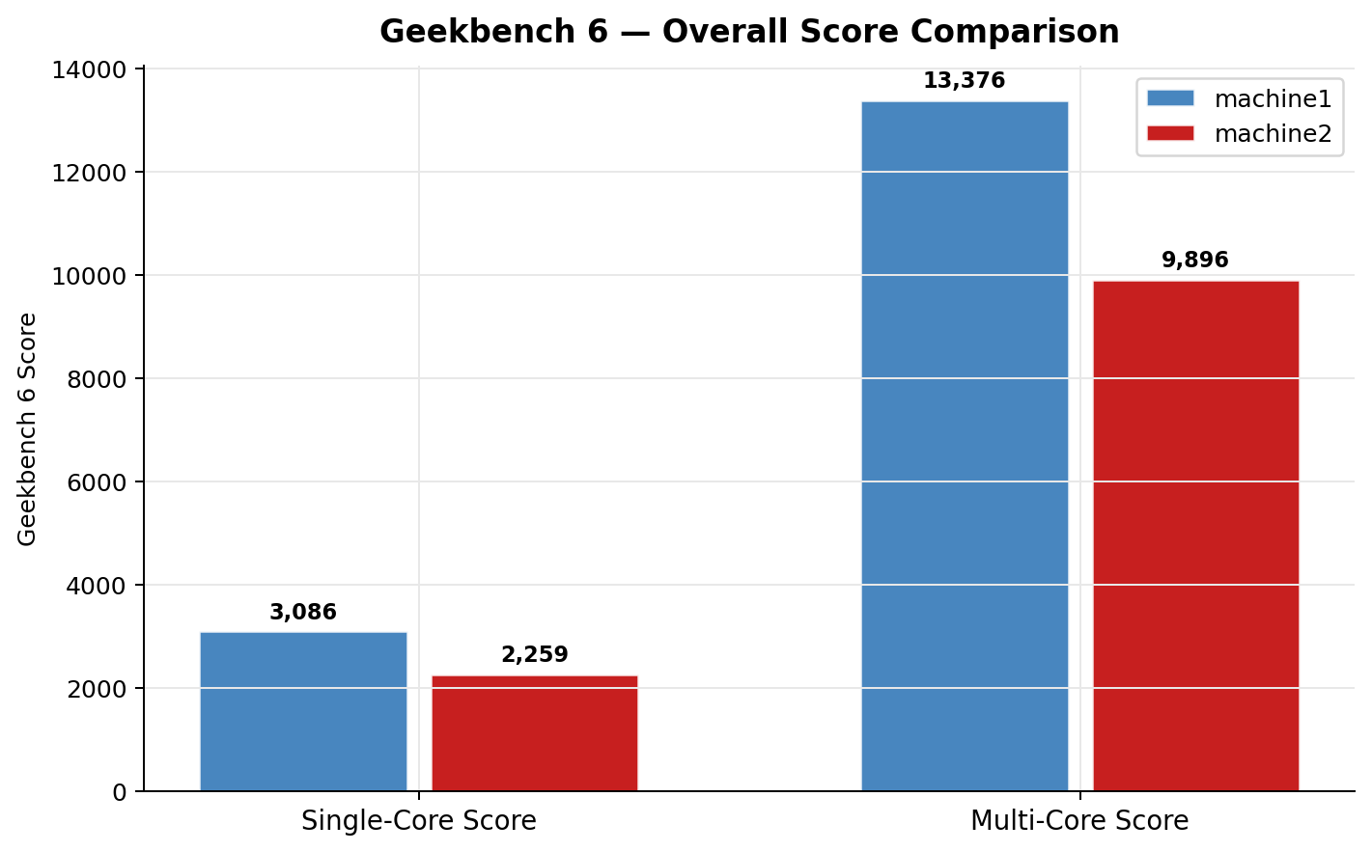



Visual Comparison — Geekbench 6

