1. Hilos sin opt
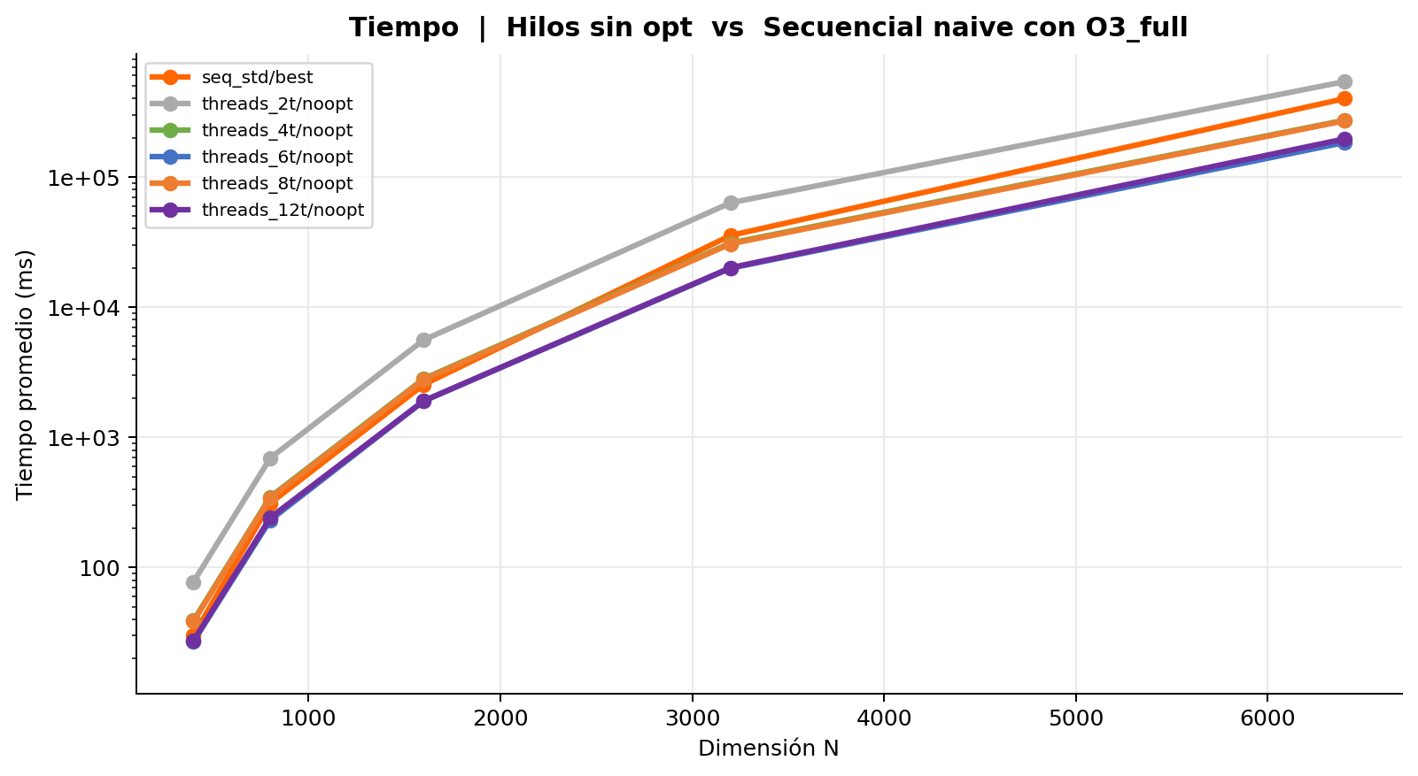
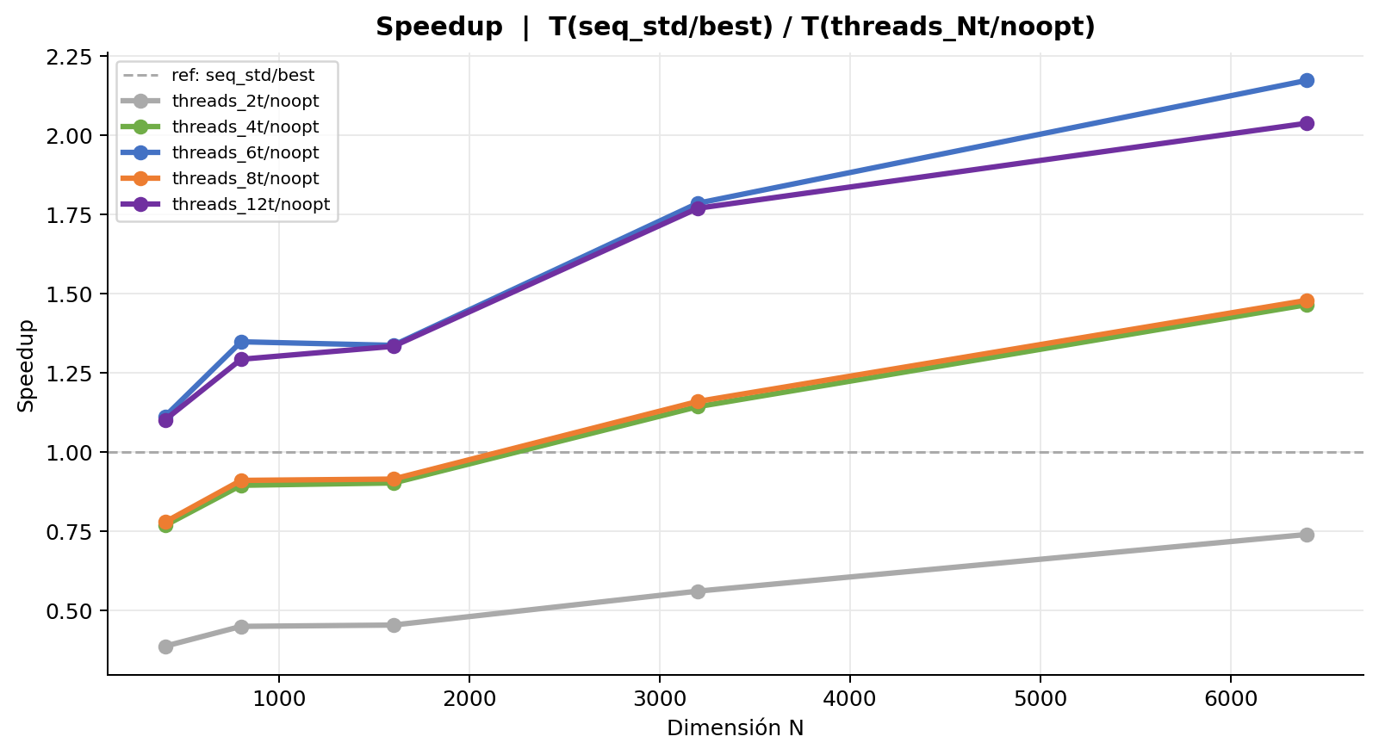
Hilos sin opt | Speedup = T(seq_std/best) / T(threads_Nt/noopt)
Tabla 1 — Mediciones individuales (ms)
Secuencial naive con O3_full
Rep | N = 400 | N = 800 | N = 1,600 | N = 3,200 | N = 6,400
1 | 30.005 | 312.955 | 2,540.758 | 36,022.321 | 434,910.671
2 | 30.071 | 312.064 | 2,540.398 | 35,590.382 | 344,113.604
3 | 30.091 | 312.066 | 2,550.371 | 35,602.554 | 365,954.583
4 | 30.147 | 312.059 | 2,543.867 | 35,751.773 | 334,690.484
5 | 30.083 | 312.649 | 2,541.859 | 35,526.842 | 341,364.101
6 | 30.026 | 311.893 | 2,546.591 | 35,525.175 | 510,874.781
7 | 30.062 | 312.047 | 2,541.431 | 35,557.655 | 505,512.386
8 | 30.237 | 311.989 | 2,543.702 | 35,225.193 | 502,152.475
9 | 30.240 | 311.605 | 2,539.963 | 35,261.713 | 325,713.787
10 | 30.227 | 311.890 | 2,542.086 | 35,340.683 | 325,443.173
Promedio | 30.119 | 312.122 | 2,543.103 | 35,540.429 | 399,073.004
Desv. Est. | 0.084 | 0.371 | 3.066 | 223.810 | 76,245.927
CV (%) | 0.28 | 0.12 | 0.12 | 0.63 | 19.11

Concurrencia 2 hilos sin optimizar
Rep | N = 400 | N = 800 | N = 1,600 | N = 3,200 | N = 6,400
1 | 78.584 | 701.624 | 5,570.639 | 63,560.000 | 481,391.665
2 | 77.480 | 701.230 | 5,720.959 | 63,517.097 | 564,437.274
3 | 77.151 | 701.110 | 5,568.161 | 63,254.180 | 563,552.750
4 | 76.873 | 690.388 | 5,574.338 | 63,383.972 | 564,276.365
5 | 78.184 | 701.433 | 5,567.155 | 63,546.728 | 559,626.947
6 | 78.150 | 685.945 | 5,572.233 | 63,471.746 | 565,896.408
7 | 77.179 | 688.399 | 5,580.680 | 63,163.276 | 496,146.357
8 | 77.788 | 685.586 | 5,681.222 | 62,512.786 | 469,160.875
9 | 77.288 | 688.526 | 5,565.958 | 63,334.870 | 562,554.659
10 | 78.463 | 688.811 | 5,567.370 | 63,331.956 | 564,297.173
Promedio | 77.714 | 693.305 | 5,596.871 | 63,307.661 | 539,134.047
Desv. Est. | 0.573 | 6.696 | 53.020 | 292.285 | 37,768.932
CV (%) | 0.74 | 0.97 | 0.95 | 0.46 | 7.01

Concurrencia 4 hilos sin optimizar
Rep | N = 400 | N = 800 | N = 1,600 | N = 3,200 | N = 6,400
1 | 39.279 | 350.532 | 2,836.123 | 31,037.650 | 275,784.033
2 | 39.042 | 350.697 | 2,832.454 | 31,051.295 | 274,198.226
3 | 39.663 | 349.995 | 2,835.699 | 31,196.726 | 269,616.608
4 | 39.468 | 349.534 | 2,785.878 | 31,248.556 | 271,464.858
5 | 38.631 | 345.482 | 2,784.701 | 31,037.128 | 270,059.275
6 | 39.159 | 351.887 | 2,837.482 | 31,017.579 | 272,711.540
7 | 39.612 | 342.809 | 2,839.171 | 31,087.043 | 270,702.724
8 | 39.208 | 350.621 | 2,841.163 | 31,056.492 | 270,607.971
9 | 38.758 | 348.857 | 2,789.910 | 31,001.129 | 272,545.776
10 | 39.099 | 345.251 | 2,787.040 | 31,041.289 | 275,610.292
Promedio | 39.192 | 348.567 | 2,816.962 | 31,077.489 | 272,330.130
Desv. Est. | 0.319 | 2.835 | 24.683 | 76.581 | 2,127.290
CV (%) | 0.81 | 0.81 | 0.88 | 0.25 | 0.78

Concurrencia 6 hilos sin optimizar
Rep | N = 400 | N = 800 | N = 1,600 | N = 3,200 | N = 6,400
1 | 27.177 | 231.425 | 1,925.535 | 19,635.070 | 181,488.392
2 | 27.103 | 231.266 | 1,898.067 | 20,025.583 | 183,978.726
3 | 27.247 | 231.623 | 1,901.463 | 19,810.115 | 184,183.954
4 | 27.055 | 232.311 | 1,898.751 | 19,818.645 | 185,783.860
5 | 26.886 | 231.015 | 1,900.755 | 20,160.773 | 183,293.908
6 | 26.954 | 231.519 | 1,897.427 | 20,028.125 | 181,376.852
7 | 27.357 | 231.937 | 1,888.214 | 19,926.920 | 184,224.754
8 | 26.932 | 231.396 | 1,905.779 | 19,848.389 | 183,341.570
9 | 26.819 | 231.102 | 1,901.984 | 19,797.740 | 185,132.488
10 | 27.137 | 231.006 | 1,899.542 | 19,979.232 | 183,477.022
Promedio | 27.067 | 231.460 | 1,901.752 | 19,903.059 | 183,628.153
Desv. Est. | 0.161 | 0.395 | 9.013 | 143.215 | 1,325.197
CV (%) | 0.60 | 0.17 | 0.47 | 0.72 | 0.72

Concurrencia 8 hilos sin optimizar
Rep | N = 400 | N = 800 | N = 1,600 | N = 3,200 | N = 6,400
1 | 38.630 | 343.125 | 2,776.722 | 30,571.130 | 271,815.447
2 | 38.790 | 342.405 | 2,784.369 | 30,808.821 | 277,199.704
3 | 38.659 | 342.119 | 2,775.761 | 30,574.483 | 274,157.100
4 | 38.343 | 341.964 | 2,776.769 | 30,744.951 | 275,092.675
5 | 38.493 | 342.599 | 2,782.608 | 30,672.909 | 277,316.470
6 | 38.692 | 343.510 | 2,776.412 | 30,598.206 | 275,895.162
7 | 38.381 | 342.809 | 2,779.763 | 30,654.460 | 240,644.948
8 | 38.896 | 342.791 | 2,779.934 | 30,626.555 | 275,247.651
9 | 38.892 | 342.298 | 2,778.416 | 30,493.412 | 255,196.133
10 | 38.703 | 342.500 | 2,779.015 | 30,610.513 | 275,238.700
Promedio | 38.648 | 342.612 | 2,778.977 | 30,635.544 | 269,780.399
Desv. Est. | 0.183 | 0.442 | 2.664 | 85.982 | 11,497.849
CV (%) | 0.47 | 0.13 | 0.10 | 0.28 | 4.26

Concurrencia 12 hilos sin optimizar
Rep | N = 400 | N = 800 | N = 1,600 | N = 3,200 | N = 6,400
1 | 27.135 | 241.861 | 1,930.823 | 20,183.973 | 226,602.819
2 | 27.523 | 239.888 | 1,896.905 | 20,253.136 | 232,067.245
3 | 27.098 | 241.346 | 1,885.993 | 20,032.987 | 189,432.855
4 | 27.452 | 240.599 | 1,894.744 | 20,011.600 | 186,765.113
5 | 27.533 | 240.538 | 1,936.175 | 19,980.713 | 188,875.706
6 | 27.471 | 241.950 | 1,905.557 | 20,052.402 | 189,134.831
7 | 27.396 | 243.316 | 1,907.132 | 20,210.726 | 187,229.086
8 | 27.489 | 243.256 | 1,897.400 | 20,171.908 | 186,405.010
9 | 27.182 | 240.299 | 1,905.931 | 20,018.515 | 185,067.773
10 | 27.074 | 240.382 | 1,900.956 | 19,892.782 | 186,407.894
Promedio | 27.335 | 241.344 | 1,906.162 | 20,080.874 | 195,798.833
Desv. Est. | 0.179 | 1.163 | 14.957 | 110.749 | 16,863.527
CV (%) | 0.66 | 0.48 | 0.78 | 0.55 | 8.61

Tabla 2 — Promedio y Speedup
Implementación | N=400 Avg (ms) | N=400 Speedup | N=800 Avg (ms) | N=800 Speedup | N=1,600 Avg (ms) | N=1,600 Speedup | N=3,200 Avg (ms) | N=3,200 Speedup | N=6,400 Avg (ms) | N=6,400 Speedup | Speedup Prom.
Secuencial naive con O3_full | 30.119 | 1.0000 | 312.122 | 1.0000 | 2,543.103 | 1.0000 | 35,540.429 | 1.0000 | 399,073.004 | 1.0000 | 1.00
Concurrencia 2 hilos sin optimizar | 77.714 | 0.3876 | 693.305 | 0.4502 | 5,596.871 | 0.4544 | 63,307.661 | 0.5614 | 539,134.047 | 0.7402
Concurrencia 4 hilos sin optimizar | 39.192 | 0.7685 | 348.567 | 0.8954 | 2,816.962 | 0.9028 | 31,077.489 | 1.1436 | 272,330.130 | 1.4654
Concurrencia 6 hilos sin optimizar | 27.067 | 1.1128 | 231.460 | 1.3485 | 1,901.752 | 1.3372 | 19,903.059 | 1.7857 | 183,628.153 | 2.1733
Concurrencia 8 hilos sin optimizar | 38.648 | 0.7793 | 342.612 | 0.9110 | 2,778.977 | 0.9151 | 30,635.544 | 1.1601 | 269,780.399 | 1.4793
Concurrencia 12 hilos sin optimizar | 27.335 | 1.1018 | 241.344 | 1.2933 | 1,906.162 | 1.3341 | 20,080.874 | 1.7699 | 195,798.833 | 2.0382

2. Hilos con opt
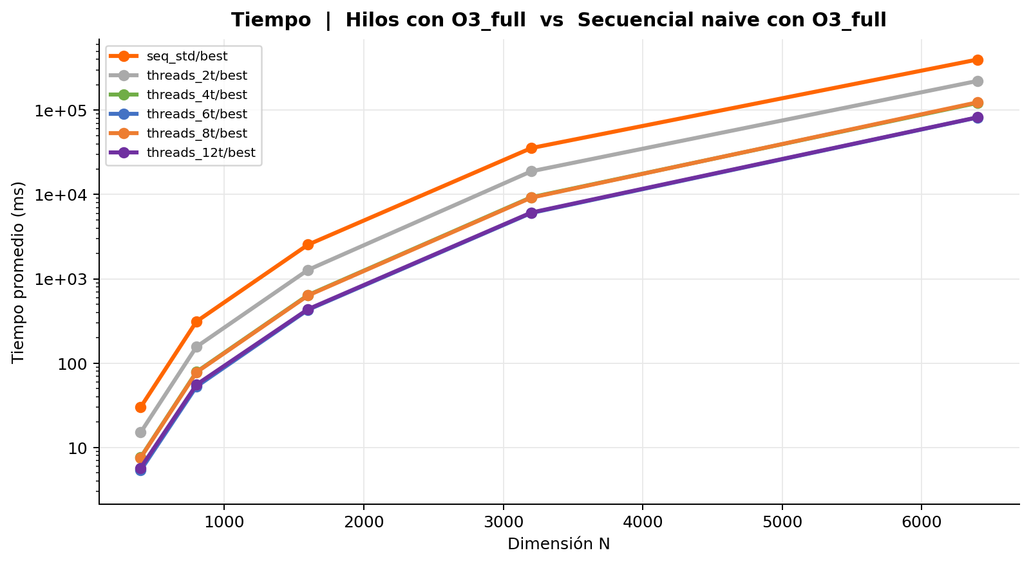
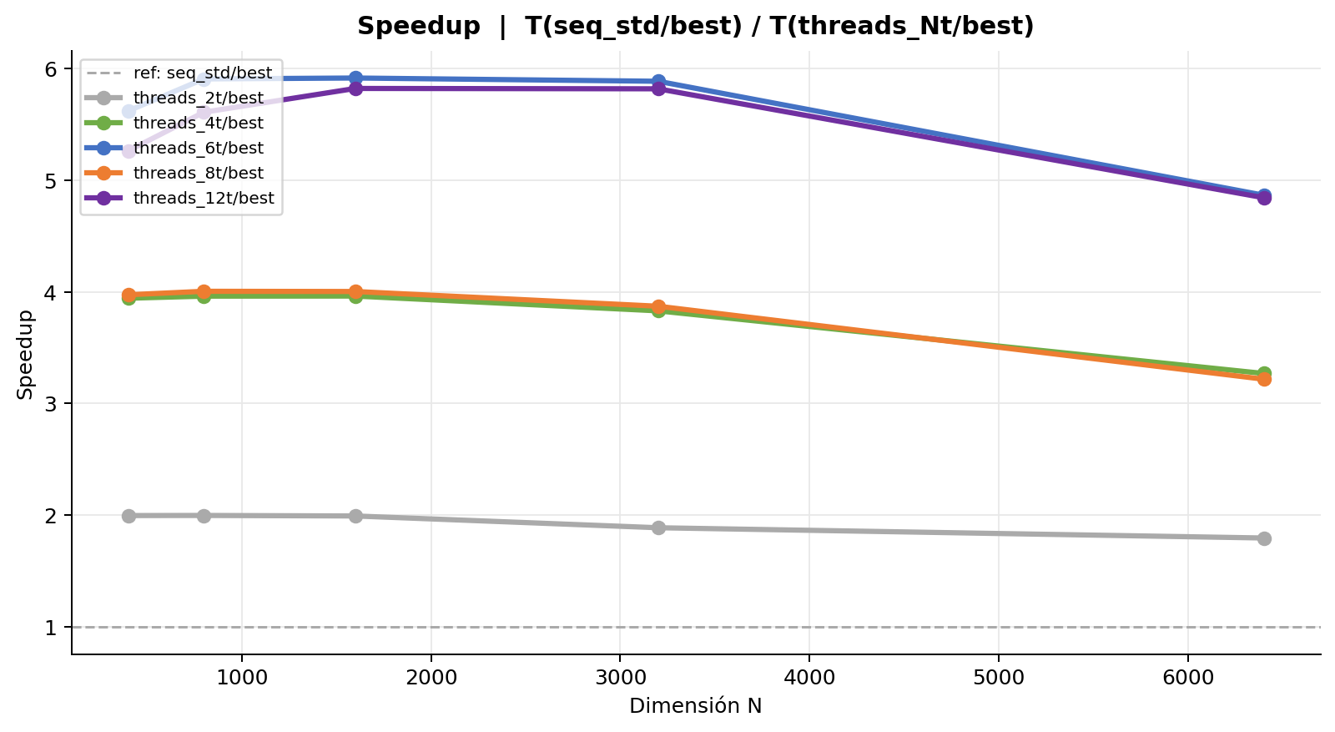
Hilos con O3_full | Speedup = T(seq_std/best) / T(threads_Nt/best)
Tabla 1 — Mediciones individuales (ms)
Secuencial naive con O3_full
Rep | N = 400 | N = 800 | N = 1,600 | N = 3,200 | N = 6,400
1 | 30.005 | 312.955 | 2,540.758 | 36,022.321 | 434,910.671
2 | 30.071 | 312.064 | 2,540.398 | 35,590.382 | 344,113.604
3 | 30.091 | 312.066 | 2,550.371 | 35,602.554 | 365,954.583
4 | 30.147 | 312.059 | 2,543.867 | 35,751.773 | 334,690.484
5 | 30.083 | 312.649 | 2,541.859 | 35,526.842 | 341,364.101
6 | 30.026 | 311.893 | 2,546.591 | 35,525.175 | 510,874.781
7 | 30.062 | 312.047 | 2,541.431 | 35,557.655 | 505,512.386
8 | 30.237 | 311.989 | 2,543.702 | 35,225.193 | 502,152.475
9 | 30.240 | 311.605 | 2,539.963 | 35,261.713 | 325,713.787
10 | 30.227 | 311.890 | 2,542.086 | 35,340.683 | 325,443.173
Promedio | 30.119 | 312.122 | 2,543.103 | 35,540.429 | 399,073.004
Desv. Est. | 0.084 | 0.371 | 3.066 | 223.810 | 76,245.927
CV (%) | 0.28 | 0.12 | 0.12 | 0.63 | 19.11

Concurrencia 2 hilos con O3_full
Rep | N = 400 | N = 800 | N = 1,600 | N = 3,200 | N = 6,400
1 | 15.303 | 155.904 | 1,294.201 | 18,891.996 | 256,411.902
2 | 15.178 | 155.898 | 1,293.394 | 18,880.218 | 249,623.039
3 | 15.033 | 158.005 | 1,268.975 | 18,773.650 | 230,275.639
4 | 14.999 | 158.732 | 1,270.504 | 18,842.661 | 212,490.195
5 | 15.328 | 155.839 | 1,292.205 | 18,886.483 | 221,109.001
6 | 15.017 | 156.209 | 1,270.609 | 18,789.327 | 220,671.765
7 | 15.045 | 155.921 | 1,270.615 | 18,862.920 | 205,154.671
8 | 15.035 | 155.912 | 1,270.025 | 18,864.039 | 207,114.943
9 | 15.029 | 155.401 | 1,270.494 | 18,881.178 | 216,846.891
10 | 15.018 | 156.054 | 1,270.884 | 18,808.309 | 205,183.560
Promedio | 15.099 | 156.387 | 1,277.191 | 18,848.078 | 222,488.161
Desv. Est. | 0.118 | 1.022 | 10.545 | 40.755 | 17,090.893
CV (%) | 0.78 | 0.65 | 0.83 | 0.22 | 7.68

Concurrencia 4 hilos con O3_full
Rep | N = 400 | N = 800 | N = 1,600 | N = 3,200 | N = 6,400
1 | 7.858 | 79.447 | 642.635 | 9,251.217 | 121,920.648
2 | 7.562 | 77.991 | 647.591 | 9,259.483 | 121,714.528
3 | 7.661 | 79.304 | 647.768 | 9,276.314 | 123,886.040
4 | 7.815 | 79.528 | 642.158 | 9,285.767 | 121,305.112
5 | 7.550 | 78.189 | 635.929 | 9,265.266 | 123,523.230
6 | 7.684 | 79.783 | 647.774 | 9,323.098 | 120,299.991
7 | 7.565 | 79.337 | 646.547 | 9,344.284 | 122,455.206
8 | 7.566 | 78.252 | 635.951 | 9,288.966 | 120,007.103
9 | 7.559 | 77.976 | 635.267 | 9,274.953 | 124,508.410
10 | 7.565 | 78.030 | 636.206 | 9,229.470 | 121,338.572
Promedio | 7.639 | 78.784 | 641.783 | 9,279.882 | 122,095.884
Desv. Est. | 0.109 | 0.711 | 5.204 | 31.878 | 1,419.669
CV (%) | 1.42 | 0.90 | 0.81 | 0.34 | 1.16

Concurrencia 6 hilos con O3_full
Rep | N = 400 | N = 800 | N = 1,600 | N = 3,200 | N = 6,400
1 | 5.364 | 52.811 | 427.681 | 6,087.954 | 79,986.159
2 | 5.358 | 52.641 | 430.247 | 6,025.668 | 80,510.354
3 | 5.342 | 53.471 | 434.243 | 5,995.036 | 82,012.837
4 | 5.391 | 53.033 | 428.750 | 6,098.668 | 81,003.028
5 | 5.348 | 53.140 | 429.429 | 6,084.622 | 81,305.831
6 | 5.377 | 52.640 | 428.333 | 6,049.848 | 81,492.157
7 | 5.346 | 52.736 | 429.682 | 5,999.036 | 82,822.330
8 | 5.349 | 52.621 | 429.459 | 5,956.608 | 84,010.095
9 | 5.359 | 52.484 | 429.730 | 6,035.778 | 82,918.290
10 | 5.342 | 52.642 | 430.190 | 6,026.583 | 83,987.841
Promedio | 5.358 | 52.822 | 429.774 | 6,035.980 | 82,004.892
Desv. Est. | 0.015 | 0.288 | 1.676 | 43.273 | 1,323.621
CV (%) | 0.28 | 0.54 | 0.39 | 0.72 | 1.61

Concurrencia 8 hilos con O3_full
Rep | N = 400 | N = 800 | N = 1,600 | N = 3,200 | N = 6,400
1 | 7.660 | 77.907 | 634.001 | 9,185.690 | 128,108.492
2 | 7.594 | 77.913 | 635.404 | 9,213.582 | 124,227.611
3 | 7.576 | 77.891 | 636.061 | 9,178.934 | 124,026.454
4 | 7.526 | 78.140 | 634.517 | 9,156.696 | 124,994.094
5 | 7.581 | 77.922 | 635.006 | 9,166.385 | 121,808.913
6 | 7.587 | 77.934 | 634.837 | 9,161.536 | 124,971.063
7 | 7.581 | 77.891 | 635.389 | 9,269.934 | 124,064.715
8 | 7.570 | 77.891 | 635.296 | 9,154.316 | 121,617.676
9 | 7.575 | 77.870 | 635.848 | 9,153.041 | 120,414.044
10 | 7.537 | 77.895 | 635.873 | 9,162.006 | 126,187.259
Promedio | 7.579 | 77.925 | 635.223 | 9,180.212 | 124,042.032
Desv. Est. | 0.034 | 0.074 | 0.614 | 34.682 | 2,167.243
CV (%) | 0.45 | 0.09 | 0.10 | 0.38 | 1.75

Concurrencia 12 hilos con O3_full
Rep | N = 400 | N = 800 | N = 1,600 | N = 3,200 | N = 6,400
1 | 5.449 | 55.774 | 438.728 | 6,161.586 | 83,248.595
2 | 5.501 | 55.498 | 436.098 | 6,102.139 | 80,585.217
3 | 5.470 | 55.289 | 433.324 | 6,046.794 | 81,627.190
4 | 5.479 | 55.436 | 434.354 | 6,136.767 | 81,365.746
5 | 5.587 | 55.486 | 434.173 | 6,067.791 | 84,340.577
6 | 5.510 | 55.560 | 437.879 | 6,091.347 | 82,143.193
7 | 5.475 | 55.759 | 437.851 | 6,079.568 | 81,002.622
8 | 5.477 | 55.871 | 437.771 | 6,126.084 | 82,819.858
9 | 7.812 | 55.922 | 438.506 | 6,168.990 | 82,459.068
10 | 5.456 | 55.724 | 438.158 | 6,080.506 | 84,254.745
Promedio | 5.722 | 55.632 | 436.684 | 6,106.157 | 82,384.681
Desv. Est. | 0.698 | 0.197 | 1.924 | 38.666 | 1,228.105
CV (%) | 12.20 | 0.35 | 0.44 | 0.63 | 1.49

Tabla 2 — Promedio y Speedup
Implementación | N=400 Avg (ms) | N=400 Speedup | N=800 Avg (ms) | N=800 Speedup | N=1,600 Avg (ms) | N=1,600 Speedup | N=3,200 Avg (ms) | N=3,200 Speedup | N=6,400 Avg (ms) | N=6,400 Speedup | Speedup Prom.
Secuencial naive con O3_full | 30.119 | 1.0000 | 312.122 | 1.0000 | 2,543.103 | 1.0000 | 35,540.429 | 1.0000 | 399,073.004 | 1.0000 | 1.00
Concurrencia 2 hilos con O3_full | 15.099 | 1.9948 | 156.387 | 1.9958 | 1,277.191 | 1.9912 | 18,848.078 | 1.8856 | 222,488.161 | 1.7937
Concurrencia 4 hilos con O3_full | 7.639 | 3.9430 | 78.784 | 3.9618 | 641.783 | 3.9626 | 9,279.882 | 3.8298 | 122,095.884 | 3.2685
Concurrencia 6 hilos con O3_full | 5.358 | 5.6217 | 52.822 | 5.9089 | 429.774 | 5.9173 | 6,035.980 | 5.8881 | 82,004.892 | 4.8665
Concurrencia 8 hilos con O3_full | 7.579 | 3.9742 | 77.925 | 4.0054 | 635.223 | 4.0035 | 9,180.212 | 3.8714 | 124,042.032 | 3.2172
Concurrencia 12 hilos con O3_full | 5.722 | 5.2641 | 55.632 | 5.6105 | 436.684 | 5.8237 | 6,106.157 | 5.8204 | 82,384.681 | 4.8440

3. Cache
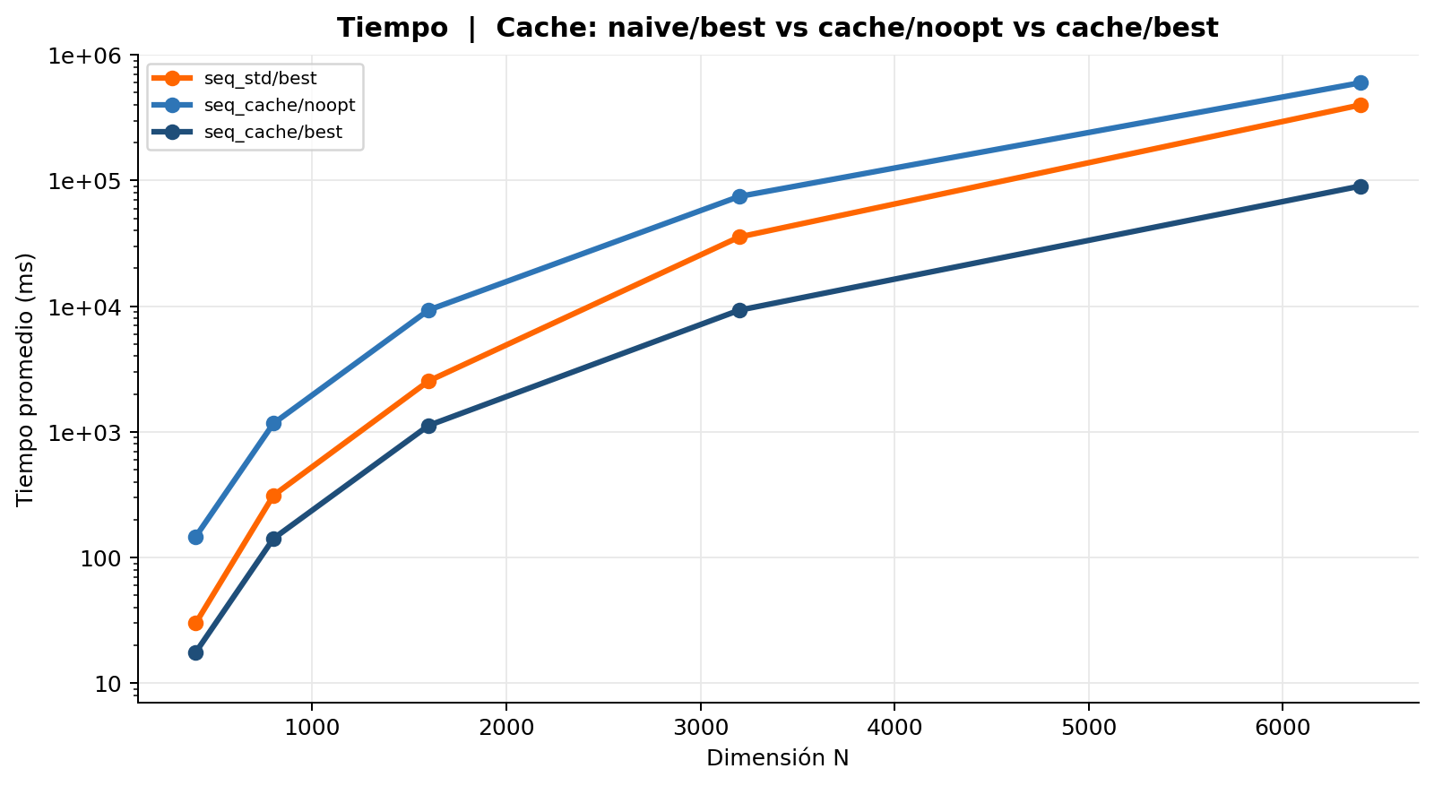
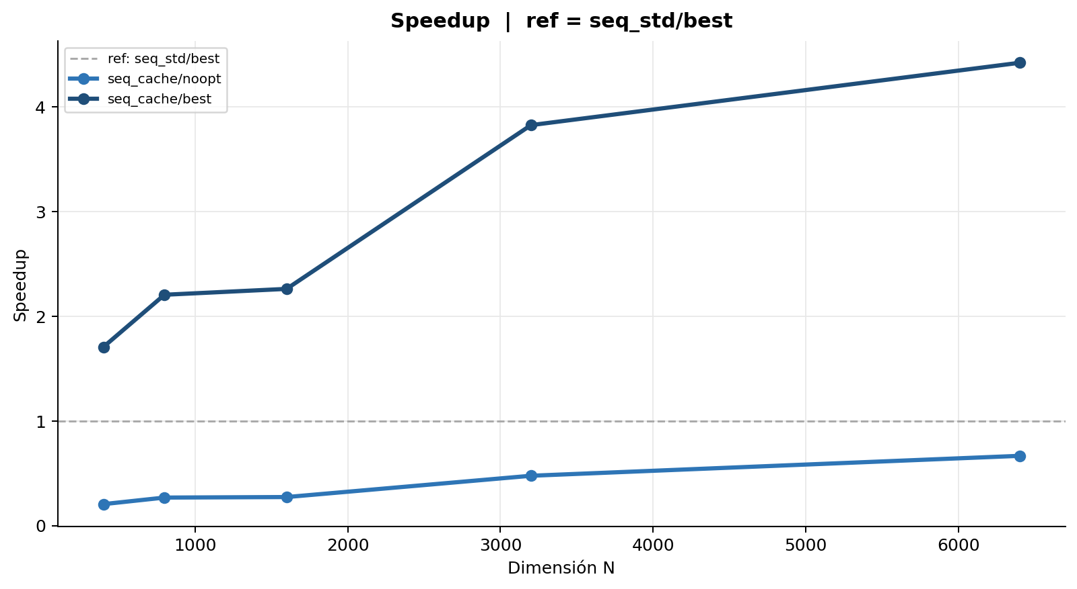
Cache line | seq_std/best vs seq_cache/noopt vs seq_cache/best
Tabla 1 — Mediciones individuales (ms)
Secuencial naive con O3_full
Rep | N = 400 | N = 800 | N = 1,600 | N = 3,200 | N = 6,400
1 | 30.005 | 312.955 | 2,540.758 | 36,022.321 | 434,910.671
2 | 30.071 | 312.064 | 2,540.398 | 35,590.382 | 344,113.604
3 | 30.091 | 312.066 | 2,550.371 | 35,602.554 | 365,954.583
4 | 30.147 | 312.059 | 2,543.867 | 35,751.773 | 334,690.484
5 | 30.083 | 312.649 | 2,541.859 | 35,526.842 | 341,364.101
6 | 30.026 | 311.893 | 2,546.591 | 35,525.175 | 510,874.781
7 | 30.062 | 312.047 | 2,541.431 | 35,557.655 | 505,512.386
8 | 30.237 | 311.989 | 2,543.702 | 35,225.193 | 502,152.475
9 | 30.240 | 311.605 | 2,539.963 | 35,261.713 | 325,713.787
10 | 30.227 | 311.890 | 2,542.086 | 35,340.683 | 325,443.173
Promedio | 30.119 | 312.122 | 2,543.103 | 35,540.429 | 399,073.004
Desv. Est. | 0.084 | 0.371 | 3.066 | 223.810 | 76,245.927
CV (%) | 0.28 | 0.12 | 0.12 | 0.63 | 19.11

Cache line sin optimizar
Rep | N = 400 | N = 800 | N = 1,600 | N = 3,200 | N = 6,400
1 | 149.266 | 1,164.373 | 9,324.405 | 74,720.618 | 598,025.731
2 | 145.776 | 1,164.345 | 9,338.473 | 74,749.358 | 599,668.009
3 | 146.841 | 1,166.793 | 9,330.197 | 74,686.730 | 599,701.999
4 | 148.514 | 1,168.687 | 9,332.290 | 74,683.145 | 599,904.723
5 | 145.732 | 1,166.323 | 9,327.693 | 74,707.249 | 599,659.017
6 | 146.931 | 1,165.958 | 9,328.194 | 74,756.151 | 599,633.795
7 | 146.686 | 1,167.340 | 9,332.661 | 74,740.884 | 599,626.095
8 | 146.543 | 1,166.599 | 9,336.166 | 74,683.460 | 599,310.805
9 | 146.725 | 1,168.452 | 9,340.401 | 74,683.827 | 597,652.492
10 | 147.345 | 1,169.849 | 9,334.826 | 74,695.346 | 599,768.751
Promedio | 147.036 | 1,166.872 | 9,332.531 | 74,710.677 | 599,295.142
Desv. Est. | 1.051 | 1.695 | 4.791 | 27.596 | 746.125
CV (%) | 0.71 | 0.15 | 0.05 | 0.04 | 0.12

Cache line con O3_full
Rep | N = 400 | N = 800 | N = 1,600 | N = 3,200 | N = 6,400
1 | 17.570 | 140.398 | 1,125.407 | 9,301.438 | 90,183.945
2 | 17.653 | 140.422 | 1,125.699 | 9,299.227 | 90,387.316
3 | 17.782 | 140.583 | 1,127.719 | 9,313.929 | 90,319.322
4 | 17.730 | 140.328 | 1,125.894 | 9,303.453 | 90,395.212
5 | 17.683 | 140.551 | 1,125.675 | 9,299.517 | 90,442.760
6 | 17.563 | 140.374 | 1,124.918 | 9,296.268 | 90,425.732
7 | 17.546 | 152.669 | 1,125.383 | 9,296.248 | 90,335.517
8 | 17.836 | 140.455 | 1,124.912 | 9,286.314 | 90,256.993
9 | 17.661 | 140.462 | 1,124.498 | 9,287.268 | 90,301.539
10 | 17.646 | 140.289 | 1,124.897 | 9,288.838 | 90,260.445
Promedio | 17.667 | 141.653 | 1,125.500 | 9,297.250 | 90,330.878
Desv. Est. | 0.090 | 3.673 | 0.850 | 7.970 | 78.654
CV (%) | 0.51 | 2.59 | 0.08 | 0.09 | 0.09

Tabla 2 — Promedio y Speedup
Implementación | N=400 Avg (ms) | N=400 Speedup | N=800 Avg (ms) | N=800 Speedup | N=1,600 Avg (ms) | N=1,600 Speedup | N=3,200 Avg (ms) | N=3,200 Speedup | N=6,400 Avg (ms) | N=6,400 Speedup | Speedup Prom.
Secuencial naive con O3_full | 30.119 | 1.0000 | 312.122 | 1.0000 | 2,543.103 | 1.0000 | 35,540.429 | 1.0000 | 399,073.004 | 1.0000 | 1.00
Cache line sin optimizar | 147.036 | 0.2048 | 1,166.872 | 0.2675 | 9,332.531 | 0.2725 | 74,710.677 | 0.4757 | 599,295.142 | 0.6659
Cache line con O3_full | 17.667 | 1.7048 | 141.653 | 2.2034 | 1,125.500 | 2.2595 | 9,297.250 | 3.8227 | 90,330.878 | 4.4179

4. Procesos
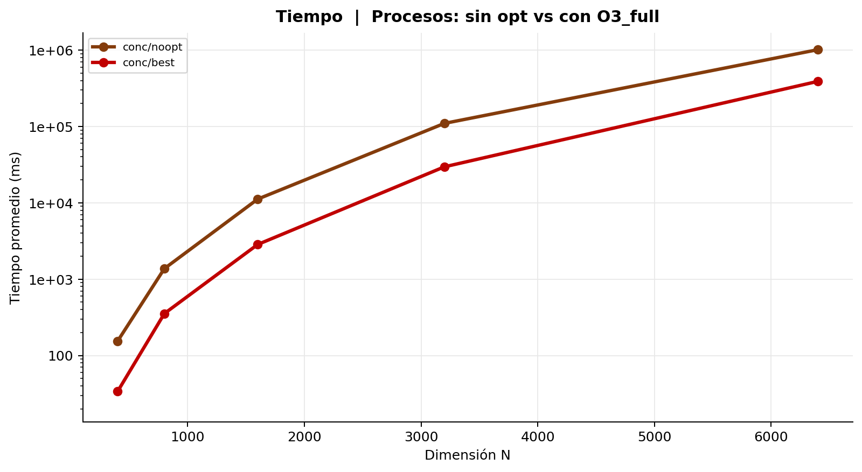
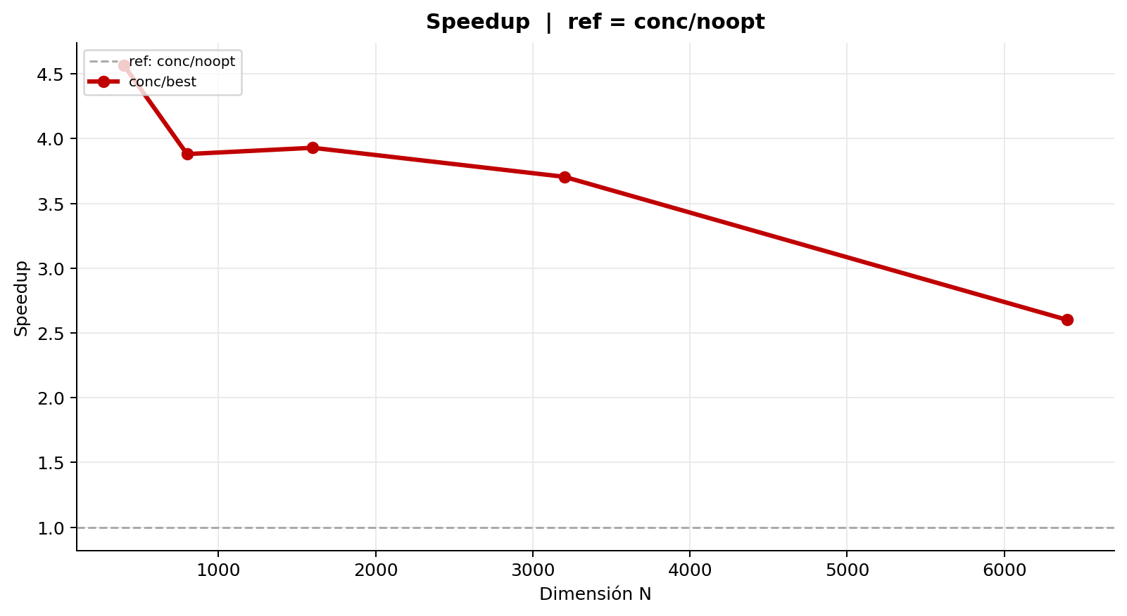
Procesos (fork) | conc/noopt vs conc/best | ref = conc/noopt
Tabla 1 — Mediciones individuales (ms)
Procesos (fork) sin optimizar
Rep | N = 400 | N = 800 | N = 1,600 | N = 3,200 | N = 6,400
1 | 156.000 | 1,375.527 | 11,178.613 | 109,797.210 | 1,013,929.815
2 | 155.131 | 1,375.719 | 11,179.959 | 109,817.020 | 1,014,551.176
3 | 155.475 | 1,375.596 | 11,207.229 | 109,858.152 | 1,014,289.934
4 | 154.892 | 1,377.276 | 11,202.971 | 109,860.838 | 1,014,627.613
5 | 155.996 | 1,376.703 | 11,199.416 | 109,840.789 | 1,014,479.146
6 | 154.840 | 1,372.566 | 11,141.053 | 109,755.692 | 1,013,934.964
7 | 153.723 | 1,372.336 | 11,188.040 | 109,808.912 | 1,012,823.057
8 | 153.982 | 1,375.187 | 11,165.674 | 109,762.283 | 1,012,780.727
9 | 154.943 | 1,372.860 | 11,231.768 | 109,754.716 | 1,015,600.567
10 | 154.237 | 1,372.483 | 11,201.192 | 109,730.494 | 1,013,644.586
Promedio | 154.922 | 1,374.625 | 11,189.591 | 109,798.611 | 1,014,066.159
Desv. Est. | 0.739 | 1.783 | 23.757 | 44.013 | 808.497
CV (%) | 0.48 | 0.13 | 0.21 | 0.04 | 0.08

Procesos (fork) con O3_full
Rep | N = 400 | N = 800 | N = 1,600 | N = 3,200 | N = 6,400
1 | 33.839 | 354.454 | 2,883.813 | 29,722.976 | 395,594.665
2 | 33.963 | 354.565 | 2,845.304 | 29,656.377 | 389,767.303
3 | 33.742 | 354.141 | 2,844.864 | 29,600.246 | 387,207.331
4 | 33.984 | 354.099 | 2,841.819 | 29,914.070 | 388,915.012
5 | 33.791 | 354.114 | 2,844.704 | 29,644.970 | 389,624.829
6 | 34.191 | 354.250 | 2,838.142 | 29,594.008 | 385,969.145
7 | 33.896 | 353.910 | 2,839.103 | 29,548.142 | 392,882.188
8 | 34.035 | 354.470 | 2,839.972 | 29,509.764 | 396,536.102
9 | 33.996 | 354.348 | 2,839.421 | 29,603.075 | 388,528.606
10 | 34.029 | 353.600 | 2,858.064 | 29,510.150 | 383,824.298
Promedio | 33.947 | 354.195 | 2,847.521 | 29,630.378 | 389,884.948
Desv. Est. | 0.126 | 0.276 | 13.274 | 113.440 | 3,846.020
CV (%) | 0.37 | 0.08 | 0.47 | 0.38 | 0.99

Tabla 2 — Promedio y Speedup
Implementación | N=400 Avg (ms) | N=400 Speedup | N=800 Avg (ms) | N=800 Speedup | N=1,600 Avg (ms) | N=1,600 Speedup | N=3,200 Avg (ms) | N=3,200 Speedup | N=6,400 Avg (ms) | N=6,400 Speedup | Speedup Prom.
Procesos (fork) sin optimizar | 154.922 | 1.0000 | 1,374.625 | 1.0000 | 11,189.591 | 1.0000 | 109,798.611 | 1.0000 | 1,014,066.159 | 1.0000 | 1.00
Procesos (fork) con O3_full | 33.947 | 4.5637 | 354.195 | 3.8810 | 2,847.521 | 3.9296 | 29,630.378 | 3.7056 | 389,884.948 | 2.6009

5. Comparacion final
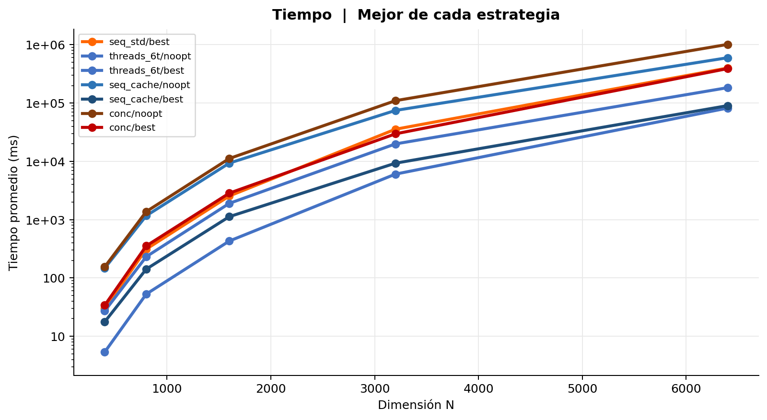
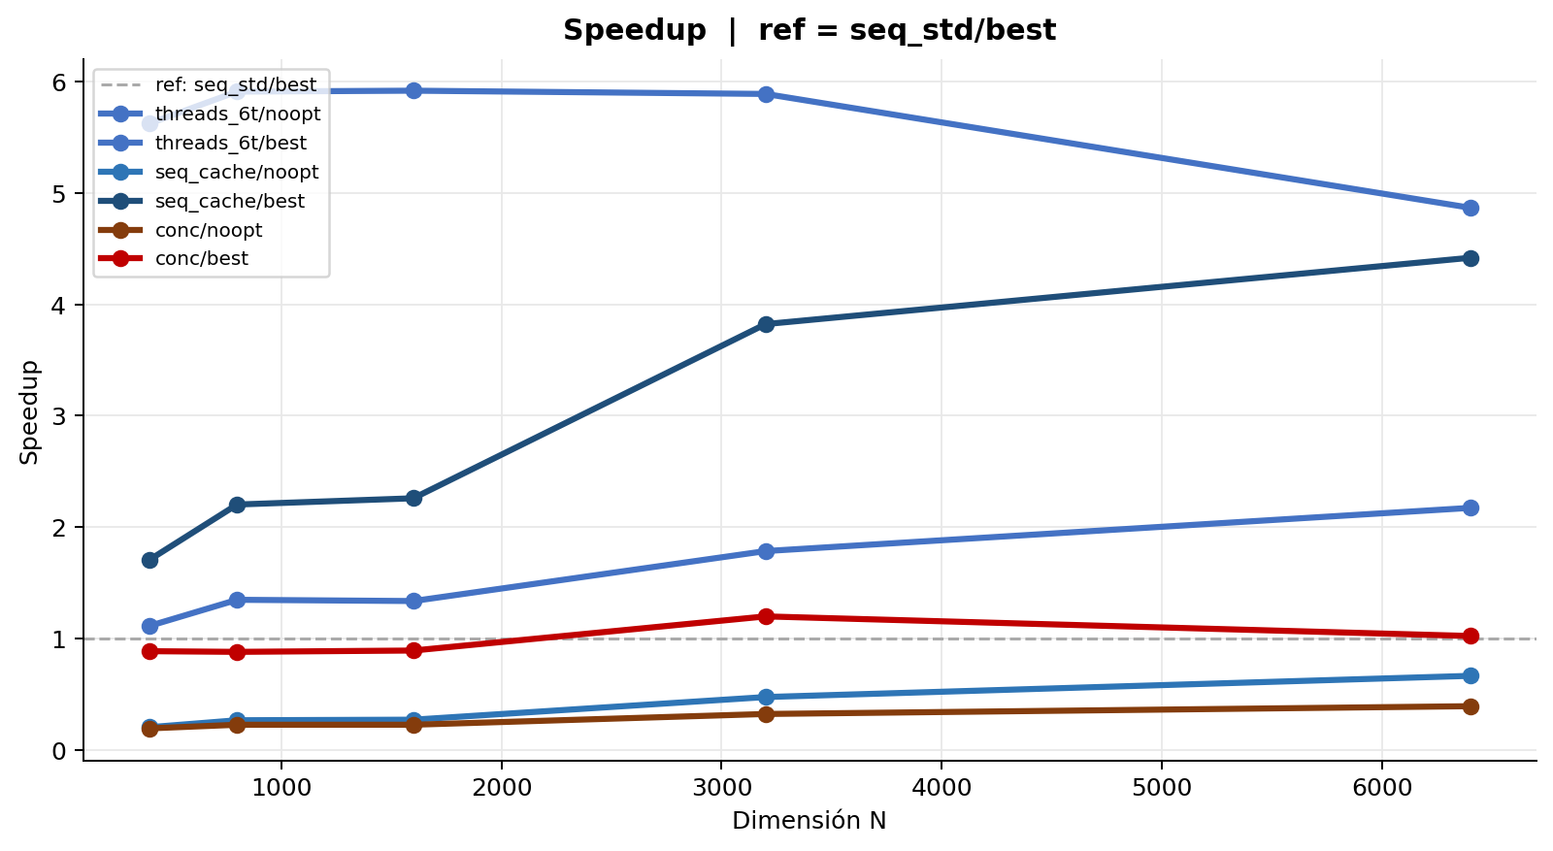
Comparacion final | Mejor de cada estrategia | ref = seq_std/best
Tabla 1 — Mediciones individuales (ms)
Secuencial naive con O3_full
Rep | N = 400 | N = 800 | N = 1,600 | N = 3,200 | N = 6,400
1 | 30.005 | 312.955 | 2,540.758 | 36,022.321 | 434,910.671
2 | 30.071 | 312.064 | 2,540.398 | 35,590.382 | 344,113.604
3 | 30.091 | 312.066 | 2,550.371 | 35,602.554 | 365,954.583
4 | 30.147 | 312.059 | 2,543.867 | 35,751.773 | 334,690.484
5 | 30.083 | 312.649 | 2,541.859 | 35,526.842 | 341,364.101
6 | 30.026 | 311.893 | 2,546.591 | 35,525.175 | 510,874.781
7 | 30.062 | 312.047 | 2,541.431 | 35,557.655 | 505,512.386
8 | 30.237 | 311.989 | 2,543.702 | 35,225.193 | 502,152.475
9 | 30.240 | 311.605 | 2,539.963 | 35,261.713 | 325,713.787
10 | 30.227 | 311.890 | 2,542.086 | 35,340.683 | 325,443.173
Promedio | 30.119 | 312.122 | 2,543.103 | 35,540.429 | 399,073.004
Desv. Est. | 0.084 | 0.371 | 3.066 | 223.810 | 76,245.927
CV (%) | 0.28 | 0.12 | 0.12 | 0.63 | 19.11

Concurrencia 6 hilos sin optimizar
Rep | N = 400 | N = 800 | N = 1,600 | N = 3,200 | N = 6,400
1 | 27.177 | 231.425 | 1,925.535 | 19,635.070 | 181,488.392
2 | 27.103 | 231.266 | 1,898.067 | 20,025.583 | 183,978.726
3 | 27.247 | 231.623 | 1,901.463 | 19,810.115 | 184,183.954
4 | 27.055 | 232.311 | 1,898.751 | 19,818.645 | 185,783.860
5 | 26.886 | 231.015 | 1,900.755 | 20,160.773 | 183,293.908
6 | 26.954 | 231.519 | 1,897.427 | 20,028.125 | 181,376.852
7 | 27.357 | 231.937 | 1,888.214 | 19,926.920 | 184,224.754
8 | 26.932 | 231.396 | 1,905.779 | 19,848.389 | 183,341.570
9 | 26.819 | 231.102 | 1,901.984 | 19,797.740 | 185,132.488
10 | 27.137 | 231.006 | 1,899.542 | 19,979.232 | 183,477.022
Promedio | 27.067 | 231.460 | 1,901.752 | 19,903.059 | 183,628.153
Desv. Est. | 0.161 | 0.395 | 9.013 | 143.215 | 1,325.197
CV (%) | 0.60 | 0.17 | 0.47 | 0.72 | 0.72

Concurrencia 6 hilos con O3_full
Rep | N = 400 | N = 800 | N = 1,600 | N = 3,200 | N = 6,400
1 | 5.364 | 52.811 | 427.681 | 6,087.954 | 79,986.159
2 | 5.358 | 52.641 | 430.247 | 6,025.668 | 80,510.354
3 | 5.342 | 53.471 | 434.243 | 5,995.036 | 82,012.837
4 | 5.391 | 53.033 | 428.750 | 6,098.668 | 81,003.028
5 | 5.348 | 53.140 | 429.429 | 6,084.622 | 81,305.831
6 | 5.377 | 52.640 | 428.333 | 6,049.848 | 81,492.157
7 | 5.346 | 52.736 | 429.682 | 5,999.036 | 82,822.330
8 | 5.349 | 52.621 | 429.459 | 5,956.608 | 84,010.095
9 | 5.359 | 52.484 | 429.730 | 6,035.778 | 82,918.290
10 | 5.342 | 52.642 | 430.190 | 6,026.583 | 83,987.841
Promedio | 5.358 | 52.822 | 429.774 | 6,035.980 | 82,004.892
Desv. Est. | 0.015 | 0.288 | 1.676 | 43.273 | 1,323.621
CV (%) | 0.28 | 0.54 | 0.39 | 0.72 | 1.61

Cache line sin optimizar
Rep | N = 400 | N = 800 | N = 1,600 | N = 3,200 | N = 6,400
1 | 149.266 | 1,164.373 | 9,324.405 | 74,720.618 | 598,025.731
2 | 145.776 | 1,164.345 | 9,338.473 | 74,749.358 | 599,668.009
3 | 146.841 | 1,166.793 | 9,330.197 | 74,686.730 | 599,701.999
4 | 148.514 | 1,168.687 | 9,332.290 | 74,683.145 | 599,904.723
5 | 145.732 | 1,166.323 | 9,327.693 | 74,707.249 | 599,659.017
6 | 146.931 | 1,165.958 | 9,328.194 | 74,756.151 | 599,633.795
7 | 146.686 | 1,167.340 | 9,332.661 | 74,740.884 | 599,626.095
8 | 146.543 | 1,166.599 | 9,336.166 | 74,683.460 | 599,310.805
9 | 146.725 | 1,168.452 | 9,340.401 | 74,683.827 | 597,652.492
10 | 147.345 | 1,169.849 | 9,334.826 | 74,695.346 | 599,768.751
Promedio | 147.036 | 1,166.872 | 9,332.531 | 74,710.677 | 599,295.142
Desv. Est. | 1.051 | 1.695 | 4.791 | 27.596 | 746.125
CV (%) | 0.71 | 0.15 | 0.05 | 0.04 | 0.12

Cache line con O3_full
Rep | N = 400 | N = 800 | N = 1,600 | N = 3,200 | N = 6,400
1 | 17.570 | 140.398 | 1,125.407 | 9,301.438 | 90,183.945
2 | 17.653 | 140.422 | 1,125.699 | 9,299.227 | 90,387.316
3 | 17.782 | 140.583 | 1,127.719 | 9,313.929 | 90,319.322
4 | 17.730 | 140.328 | 1,125.894 | 9,303.453 | 90,395.212
5 | 17.683 | 140.551 | 1,125.675 | 9,299.517 | 90,442.760
6 | 17.563 | 140.374 | 1,124.918 | 9,296.268 | 90,425.732
7 | 17.546 | 152.669 | 1,125.383 | 9,296.248 | 90,335.517
8 | 17.836 | 140.455 | 1,124.912 | 9,286.314 | 90,256.993
9 | 17.661 | 140.462 | 1,124.498 | 9,287.268 | 90,301.539
10 | 17.646 | 140.289 | 1,124.897 | 9,288.838 | 90,260.445
Promedio | 17.667 | 141.653 | 1,125.500 | 9,297.250 | 90,330.878
Desv. Est. | 0.090 | 3.673 | 0.850 | 7.970 | 78.654
CV (%) | 0.51 | 2.59 | 0.08 | 0.09 | 0.09

Procesos (fork) sin optimizar
Rep | N = 400 | N = 800 | N = 1,600 | N = 3,200 | N = 6,400
1 | 156.000 | 1,375.527 | 11,178.613 | 109,797.210 | 1,013,929.815
2 | 155.131 | 1,375.719 | 11,179.959 | 109,817.020 | 1,014,551.176
3 | 155.475 | 1,375.596 | 11,207.229 | 109,858.152 | 1,014,289.934
4 | 154.892 | 1,377.276 | 11,202.971 | 109,860.838 | 1,014,627.613
5 | 155.996 | 1,376.703 | 11,199.416 | 109,840.789 | 1,014,479.146
6 | 154.840 | 1,372.566 | 11,141.053 | 109,755.692 | 1,013,934.964
7 | 153.723 | 1,372.336 | 11,188.040 | 109,808.912 | 1,012,823.057
8 | 153.982 | 1,375.187 | 11,165.674 | 109,762.283 | 1,012,780.727
9 | 154.943 | 1,372.860 | 11,231.768 | 109,754.716 | 1,015,600.567
10 | 154.237 | 1,372.483 | 11,201.192 | 109,730.494 | 1,013,644.586
Promedio | 154.922 | 1,374.625 | 11,189.591 | 109,798.611 | 1,014,066.159
Desv. Est. | 0.739 | 1.783 | 23.757 | 44.013 | 808.497
CV (%) | 0.48 | 0.13 | 0.21 | 0.04 | 0.08

Procesos (fork) con O3_full
Rep | N = 400 | N = 800 | N = 1,600 | N = 3,200 | N = 6,400
1 | 33.839 | 354.454 | 2,883.813 | 29,722.976 | 395,594.665
2 | 33.963 | 354.565 | 2,845.304 | 29,656.377 | 389,767.303
3 | 33.742 | 354.141 | 2,844.864 | 29,600.246 | 387,207.331
4 | 33.984 | 354.099 | 2,841.819 | 29,914.070 | 388,915.012
5 | 33.791 | 354.114 | 2,844.704 | 29,644.970 | 389,624.829
6 | 34.191 | 354.250 | 2,838.142 | 29,594.008 | 385,969.145
7 | 33.896 | 353.910 | 2,839.103 | 29,548.142 | 392,882.188
8 | 34.035 | 354.470 | 2,839.972 | 29,509.764 | 396,536.102
9 | 33.996 | 354.348 | 2,839.421 | 29,603.075 | 388,528.606
10 | 34.029 | 353.600 | 2,858.064 | 29,510.150 | 383,824.298
Promedio | 33.947 | 354.195 | 2,847.521 | 29,630.378 | 389,884.948
Desv. Est. | 0.126 | 0.276 | 13.274 | 113.440 | 3,846.020
CV (%) | 0.37 | 0.08 | 0.47 | 0.38 | 0.99

Tabla 2 — Promedio y Speedup
Implementación | N=400 Avg (ms) | N=400 Speedup | N=800 Avg (ms) | N=800 Speedup | N=1,600 Avg (ms) | N=1,600 Speedup | N=3,200 Avg (ms) | N=3,200 Speedup | N=6,400 Avg (ms) | N=6,400 Speedup | Speedup Prom.
Secuencial naive con O3_full | 30.119 | 1.0000 | 312.122 | 1.0000 | 2,543.103 | 1.0000 | 35,540.429 | 1.0000 | 399,073.004 | 1.0000 | 1.00
Concurrencia 6 hilos sin optimizar | 27.067 | 1.1128 | 231.460 | 1.3485 | 1,901.752 | 1.3372 | 19,903.059 | 1.7857 | 183,628.153 | 2.1733
Concurrencia 6 hilos con O3_full | 5.358 | 5.6217 | 52.822 | 5.9089 | 429.774 | 5.9173 | 6,035.980 | 5.8881 | 82,004.892 | 4.8665
Cache line sin optimizar | 147.036 | 0.2048 | 1,166.872 | 0.2675 | 9,332.531 | 0.2725 | 74,710.677 | 0.4757 | 599,295.142 | 0.6659
Cache line con O3_full | 17.667 | 1.7048 | 141.653 | 2.2034 | 1,125.500 | 2.2595 | 9,297.250 | 3.8227 | 90,330.878 | 4.4179
Procesos (fork) sin optimizar | 154.922 | 0.1944 | 1,374.625 | 0.2271 | 11,189.591 | 0.2273 | 109,798.611 | 0.3237 | 1,014,066.159 | 0.3935
Procesos (fork) con O3_full | 33.947 | 0.8872 | 354.195 | 0.8812 | 2,847.521 | 0.8931 | 29,630.378 | 1.1995 | 389,884.948 | 1.0236

6. Efecto compilador
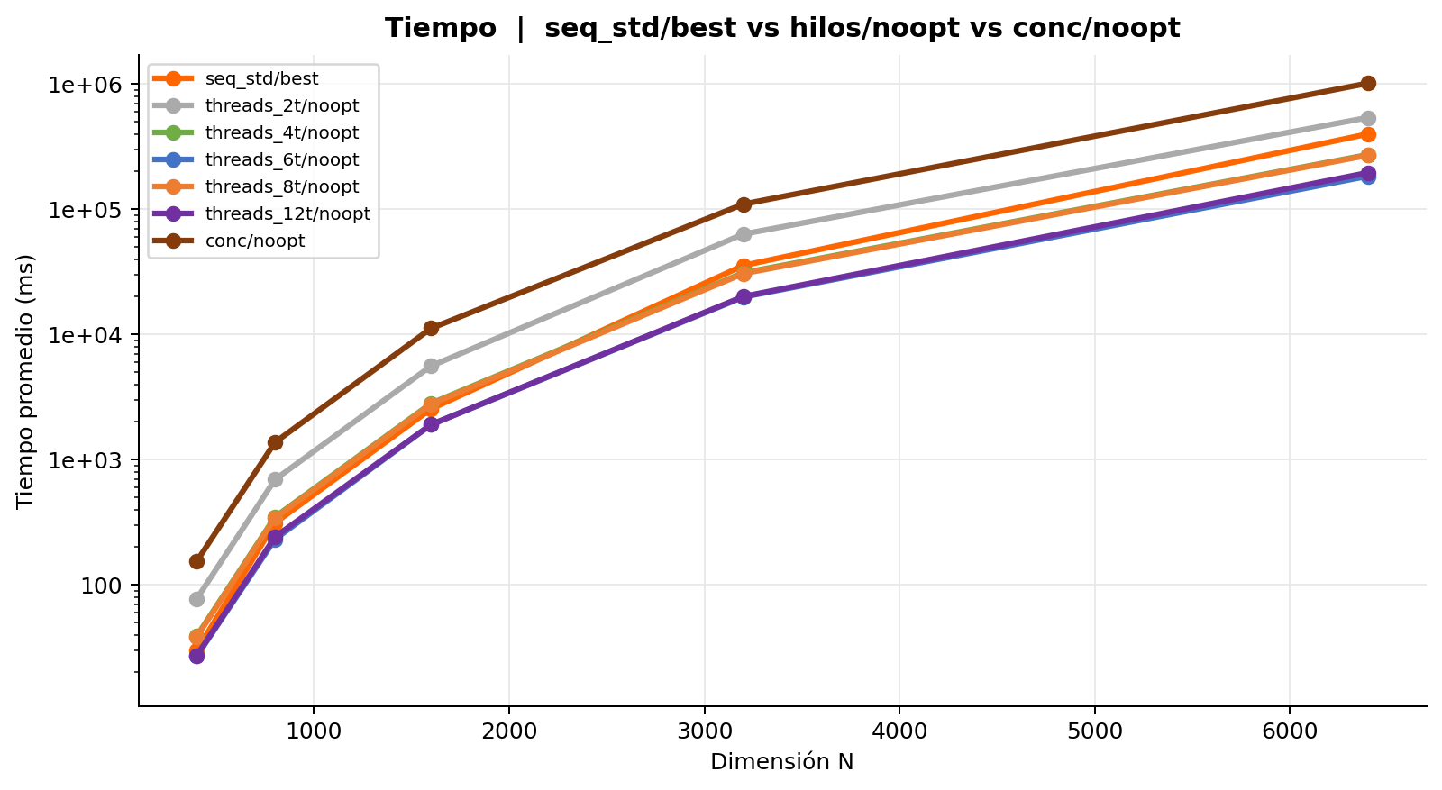
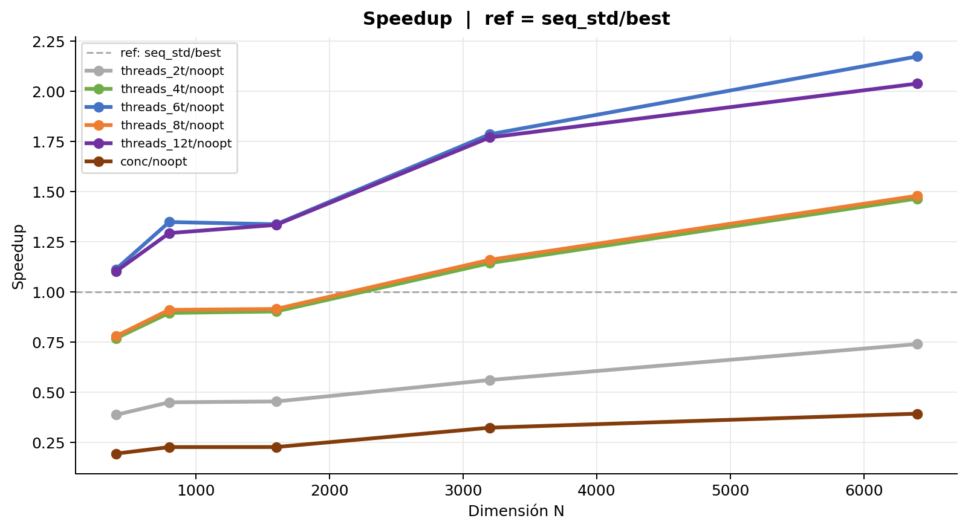
Efecto compilador | seq_std/best vs hilos/noopt vs conc/noopt
Tabla 1 — Mediciones individuales (ms)
Secuencial naive con O3_full
Rep | N = 400 | N = 800 | N = 1,600 | N = 3,200 | N = 6,400
1 | 30.005 | 312.955 | 2,540.758 | 36,022.321 | 434,910.671
2 | 30.071 | 312.064 | 2,540.398 | 35,590.382 | 344,113.604
3 | 30.091 | 312.066 | 2,550.371 | 35,602.554 | 365,954.583
4 | 30.147 | 312.059 | 2,543.867 | 35,751.773 | 334,690.484
5 | 30.083 | 312.649 | 2,541.859 | 35,526.842 | 341,364.101
6 | 30.026 | 311.893 | 2,546.591 | 35,525.175 | 510,874.781
7 | 30.062 | 312.047 | 2,541.431 | 35,557.655 | 505,512.386
8 | 30.237 | 311.989 | 2,543.702 | 35,225.193 | 502,152.475
9 | 30.240 | 311.605 | 2,539.963 | 35,261.713 | 325,713.787
10 | 30.227 | 311.890 | 2,542.086 | 35,340.683 | 325,443.173
Promedio | 30.119 | 312.122 | 2,543.103 | 35,540.429 | 399,073.004
Desv. Est. | 0.084 | 0.371 | 3.066 | 223.810 | 76,245.927
CV (%) | 0.28 | 0.12 | 0.12 | 0.63 | 19.11

Concurrencia 2 hilos sin optimizar
Rep | N = 400 | N = 800 | N = 1,600 | N = 3,200 | N = 6,400
1 | 78.584 | 701.624 | 5,570.639 | 63,560.000 | 481,391.665
2 | 77.480 | 701.230 | 5,720.959 | 63,517.097 | 564,437.274
3 | 77.151 | 701.110 | 5,568.161 | 63,254.180 | 563,552.750
4 | 76.873 | 690.388 | 5,574.338 | 63,383.972 | 564,276.365
5 | 78.184 | 701.433 | 5,567.155 | 63,546.728 | 559,626.947
6 | 78.150 | 685.945 | 5,572.233 | 63,471.746 | 565,896.408
7 | 77.179 | 688.399 | 5,580.680 | 63,163.276 | 496,146.357
8 | 77.788 | 685.586 | 5,681.222 | 62,512.786 | 469,160.875
9 | 77.288 | 688.526 | 5,565.958 | 63,334.870 | 562,554.659
10 | 78.463 | 688.811 | 5,567.370 | 63,331.956 | 564,297.173
Promedio | 77.714 | 693.305 | 5,596.871 | 63,307.661 | 539,134.047
Desv. Est. | 0.573 | 6.696 | 53.020 | 292.285 | 37,768.932
CV (%) | 0.74 | 0.97 | 0.95 | 0.46 | 7.01

Concurrencia 4 hilos sin optimizar
Rep | N = 400 | N = 800 | N = 1,600 | N = 3,200 | N = 6,400
1 | 39.279 | 350.532 | 2,836.123 | 31,037.650 | 275,784.033
2 | 39.042 | 350.697 | 2,832.454 | 31,051.295 | 274,198.226
3 | 39.663 | 349.995 | 2,835.699 | 31,196.726 | 269,616.608
4 | 39.468 | 349.534 | 2,785.878 | 31,248.556 | 271,464.858
5 | 38.631 | 345.482 | 2,784.701 | 31,037.128 | 270,059.275
6 | 39.159 | 351.887 | 2,837.482 | 31,017.579 | 272,711.540
7 | 39.612 | 342.809 | 2,839.171 | 31,087.043 | 270,702.724
8 | 39.208 | 350.621 | 2,841.163 | 31,056.492 | 270,607.971
9 | 38.758 | 348.857 | 2,789.910 | 31,001.129 | 272,545.776
10 | 39.099 | 345.251 | 2,787.040 | 31,041.289 | 275,610.292
Promedio | 39.192 | 348.567 | 2,816.962 | 31,077.489 | 272,330.130
Desv. Est. | 0.319 | 2.835 | 24.683 | 76.581 | 2,127.290
CV (%) | 0.81 | 0.81 | 0.88 | 0.25 | 0.78

Concurrencia 6 hilos sin optimizar
Rep | N = 400 | N = 800 | N = 1,600 | N = 3,200 | N = 6,400
1 | 27.177 | 231.425 | 1,925.535 | 19,635.070 | 181,488.392
2 | 27.103 | 231.266 | 1,898.067 | 20,025.583 | 183,978.726
3 | 27.247 | 231.623 | 1,901.463 | 19,810.115 | 184,183.954
4 | 27.055 | 232.311 | 1,898.751 | 19,818.645 | 185,783.860
5 | 26.886 | 231.015 | 1,900.755 | 20,160.773 | 183,293.908
6 | 26.954 | 231.519 | 1,897.427 | 20,028.125 | 181,376.852
7 | 27.357 | 231.937 | 1,888.214 | 19,926.920 | 184,224.754
8 | 26.932 | 231.396 | 1,905.779 | 19,848.389 | 183,341.570
9 | 26.819 | 231.102 | 1,901.984 | 19,797.740 | 185,132.488
10 | 27.137 | 231.006 | 1,899.542 | 19,979.232 | 183,477.022
Promedio | 27.067 | 231.460 | 1,901.752 | 19,903.059 | 183,628.153
Desv. Est. | 0.161 | 0.395 | 9.013 | 143.215 | 1,325.197
CV (%) | 0.60 | 0.17 | 0.47 | 0.72 | 0.72

Concurrencia 8 hilos sin optimizar
Rep | N = 400 | N = 800 | N = 1,600 | N = 3,200 | N = 6,400
1 | 38.630 | 343.125 | 2,776.722 | 30,571.130 | 271,815.447
2 | 38.790 | 342.405 | 2,784.369 | 30,808.821 | 277,199.704
3 | 38.659 | 342.119 | 2,775.761 | 30,574.483 | 274,157.100
4 | 38.343 | 341.964 | 2,776.769 | 30,744.951 | 275,092.675
5 | 38.493 | 342.599 | 2,782.608 | 30,672.909 | 277,316.470
6 | 38.692 | 343.510 | 2,776.412 | 30,598.206 | 275,895.162
7 | 38.381 | 342.809 | 2,779.763 | 30,654.460 | 240,644.948
8 | 38.896 | 342.791 | 2,779.934 | 30,626.555 | 275,247.651
9 | 38.892 | 342.298 | 2,778.416 | 30,493.412 | 255,196.133
10 | 38.703 | 342.500 | 2,779.015 | 30,610.513 | 275,238.700
Promedio | 38.648 | 342.612 | 2,778.977 | 30,635.544 | 269,780.399
Desv. Est. | 0.183 | 0.442 | 2.664 | 85.982 | 11,497.849
CV (%) | 0.47 | 0.13 | 0.10 | 0.28 | 4.26

Concurrencia 12 hilos sin optimizar
Rep | N = 400 | N = 800 | N = 1,600 | N = 3,200 | N = 6,400
1 | 27.135 | 241.861 | 1,930.823 | 20,183.973 | 226,602.819
2 | 27.523 | 239.888 | 1,896.905 | 20,253.136 | 232,067.245
3 | 27.098 | 241.346 | 1,885.993 | 20,032.987 | 189,432.855
4 | 27.452 | 240.599 | 1,894.744 | 20,011.600 | 186,765.113
5 | 27.533 | 240.538 | 1,936.175 | 19,980.713 | 188,875.706
6 | 27.471 | 241.950 | 1,905.557 | 20,052.402 | 189,134.831
7 | 27.396 | 243.316 | 1,907.132 | 20,210.726 | 187,229.086
8 | 27.489 | 243.256 | 1,897.400 | 20,171.908 | 186,405.010
9 | 27.182 | 240.299 | 1,905.931 | 20,018.515 | 185,067.773
10 | 27.074 | 240.382 | 1,900.956 | 19,892.782 | 186,407.894
Promedio | 27.335 | 241.344 | 1,906.162 | 20,080.874 | 195,798.833
Desv. Est. | 0.179 | 1.163 | 14.957 | 110.749 | 16,863.527
CV (%) | 0.66 | 0.48 | 0.78 | 0.55 | 8.61

Procesos (fork) sin optimizar
Rep | N = 400 | N = 800 | N = 1,600 | N = 3,200 | N = 6,400
1 | 156.000 | 1,375.527 | 11,178.613 | 109,797.210 | 1,013,929.815
2 | 155.131 | 1,375.719 | 11,179.959 | 109,817.020 | 1,014,551.176
3 | 155.475 | 1,375.596 | 11,207.229 | 109,858.152 | 1,014,289.934
4 | 154.892 | 1,377.276 | 11,202.971 | 109,860.838 | 1,014,627.613
5 | 155.996 | 1,376.703 | 11,199.416 | 109,840.789 | 1,014,479.146
6 | 154.840 | 1,372.566 | 11,141.053 | 109,755.692 | 1,013,934.964
7 | 153.723 | 1,372.336 | 11,188.040 | 109,808.912 | 1,012,823.057
8 | 153.982 | 1,375.187 | 11,165.674 | 109,762.283 | 1,012,780.727
9 | 154.943 | 1,372.860 | 11,231.768 | 109,754.716 | 1,015,600.567
10 | 154.237 | 1,372.483 | 11,201.192 | 109,730.494 | 1,013,644.586
Promedio | 154.922 | 1,374.625 | 11,189.591 | 109,798.611 | 1,014,066.159
Desv. Est. | 0.739 | 1.783 | 23.757 | 44.013 | 808.497
CV (%) | 0.48 | 0.13 | 0.21 | 0.04 | 0.08

Tabla 2 — Promedio y Speedup
Implementación | N=400 Avg (ms) | N=400 Speedup | N=800 Avg (ms) | N=800 Speedup | N=1,600 Avg (ms) | N=1,600 Speedup | N=3,200 Avg (ms) | N=3,200 Speedup | N=6,400 Avg (ms) | N=6,400 Speedup | Speedup Prom.
Secuencial naive con O3_full | 30.119 | 1.0000 | 312.122 | 1.0000 | 2,543.103 | 1.0000 | 35,540.429 | 1.0000 | 399,073.004 | 1.0000 | 1.00
Concurrencia 2 hilos sin optimizar | 77.714 | 0.3876 | 693.305 | 0.4502 | 5,596.871 | 0.4544 | 63,307.661 | 0.5614 | 539,134.047 | 0.7402
Concurrencia 4 hilos sin optimizar | 39.192 | 0.7685 | 348.567 | 0.8954 | 2,816.962 | 0.9028 | 31,077.489 | 1.1436 | 272,330.130 | 1.4654
Concurrencia 6 hilos sin optimizar | 27.067 | 1.1128 | 231.460 | 1.3485 | 1,901.752 | 1.3372 | 19,903.059 | 1.7857 | 183,628.153 | 2.1733
Concurrencia 8 hilos sin optimizar | 38.648 | 0.7793 | 342.612 | 0.9110 | 2,778.977 | 0.9151 | 30,635.544 | 1.1601 | 269,780.399 | 1.4793
Concurrencia 12 hilos sin optimizar | 27.335 | 1.1018 | 241.344 | 1.2933 | 1,906.162 | 1.3341 | 20,080.874 | 1.7699 | 195,798.833 | 2.0382
Procesos (fork) sin optimizar | 154.922 | 0.1944 | 1,374.625 | 0.2271 | 11,189.591 | 0.2273 | 109,798.611 | 0.3237 | 1,014,066.159 | 0.3935

