Feuil1
 | 3D Printed |  |  |  | Electrical |  |  |  | Mechanical |  |  |  | Tools
 | Picture | Name | Number |  | Picture | Name | Number |  | Picture | Name | Number | Tools | Picture | Name | Number
3D Printed | 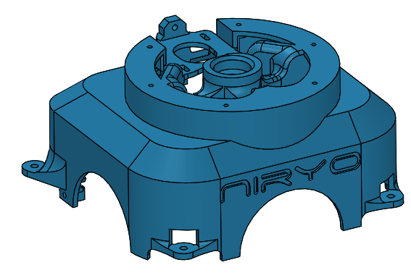 | Base | 1 | Electrical |  | Fan | 1 | Mechanical |  | Aluminium Tube | 2 |  |  | Micro SD card adapter + SD Card | 1
 |  | Drawer | 1 |  |  | Switch | 1 |  |  | Screw M2 x 5 mm | 4 |  |  | Allen key: 1 mm ; 1,5 mm ; 2 mm ; 2,5 mm ; 3 mm ; 8 mm | 5
 |  | Base Bearing Support | 1 |  |  | Wiring 1 & 2 | 1 |  |  | Screw m2 x 10mm | 2 |  |  | screwdriver | 1
 |  | Air Routing | 3 |  |  | Wiring XL 320 – 80 mm | 2 |  |  | Screw M3 x 5 mm | 6 |  | 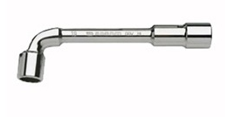 | tubular spanner | 1
 | 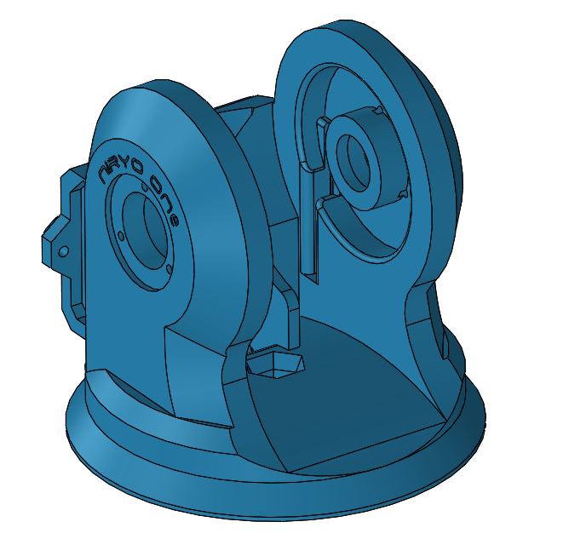 | Shoulder | 1 |  |  | Wiring 4 | 1 |  | 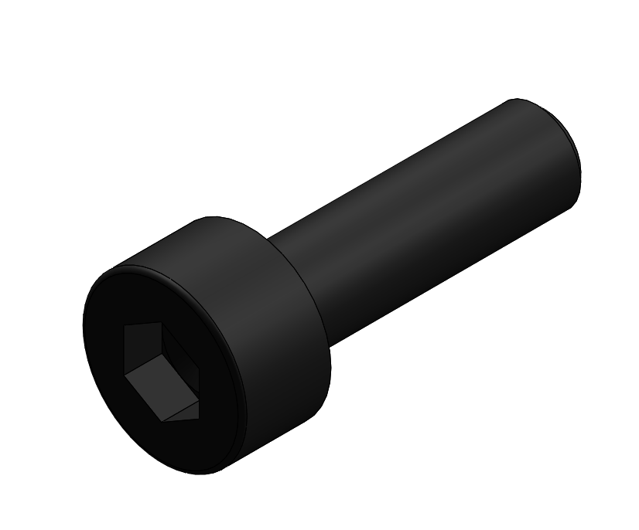 | Screw M3 x 10 mm | 27 |  | 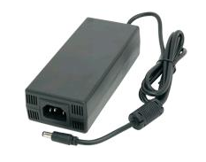 | Power supply 12 volts | 1
 |  | Shoulder Gearing | 1 |  | 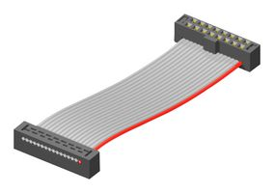 | Ribbon cable | 1 |  | 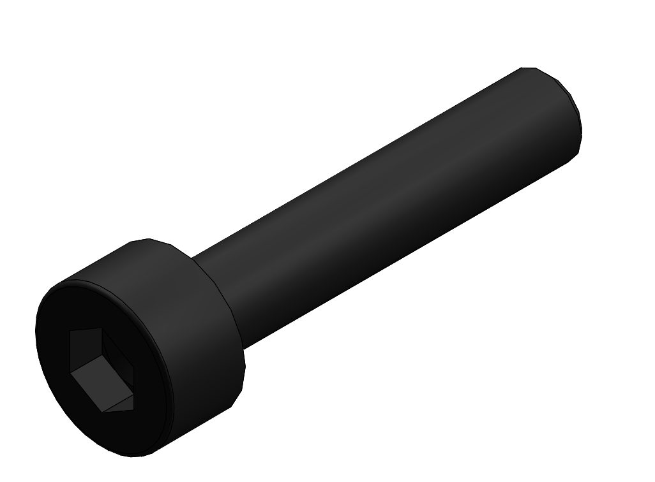 | Screw M3 x 15 mm | 19 |  |  | universal adapter | 1
 |  | Arm Bottom | 1 |  |  | DC connector + cable | 1 |  | 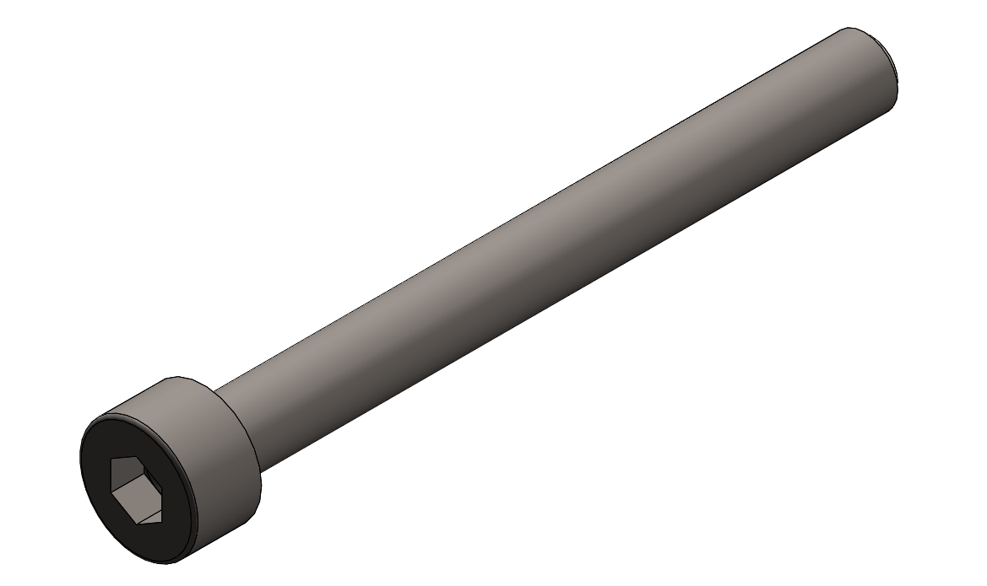 | Screw M4 x 40 mm | 4
 |  | Round Tube | 4 |  |  | Raspberry Pi 3 | 1 |  | 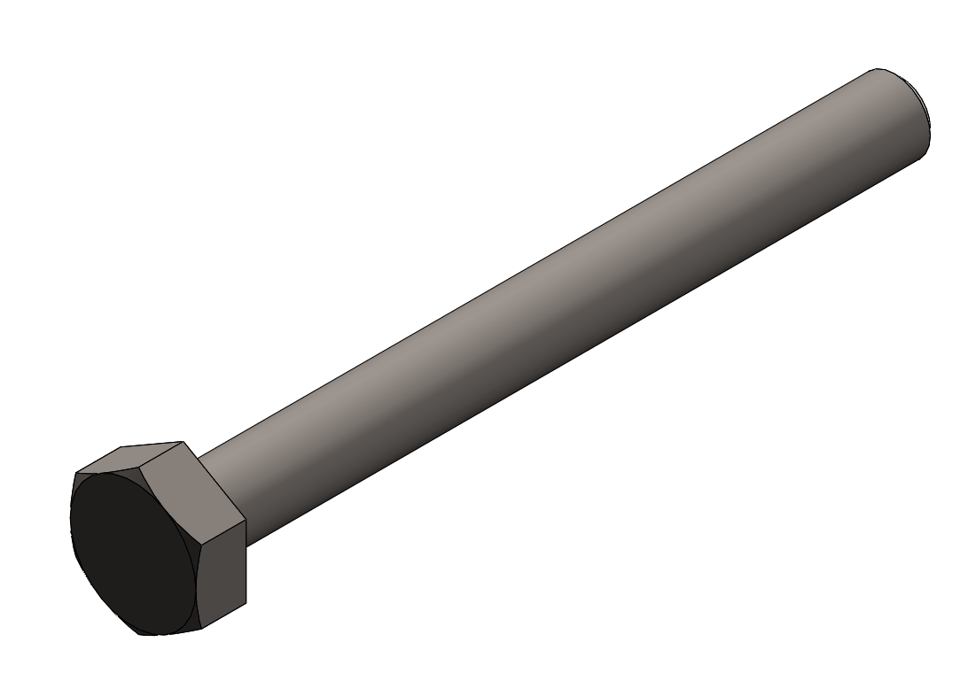 | Screw M5 x 35 mm | 1
 |  | Arm Top | 1 |  | 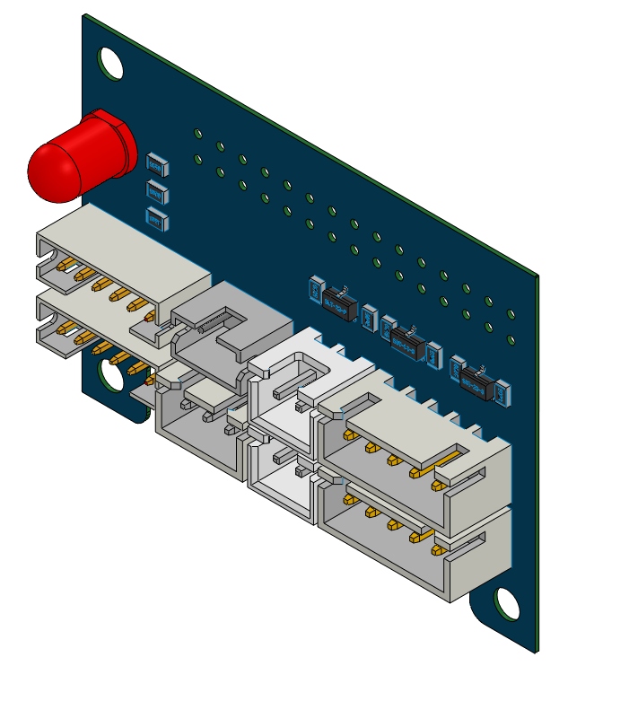 | Niryo-Pannel | 1 |  |  | Screw M8 x 40 mm | 1
 |  | Belt tensioner | 3 |  |  | Niryo-Shield | 1 |  |  | Screw M8 x 55 mm | 1
 |  | Elbow | 1 |  |  | Switch | 1 |  |  | Screw M8 x 90 mm | 2
 |  | Forearm Bottom | 1 |  | 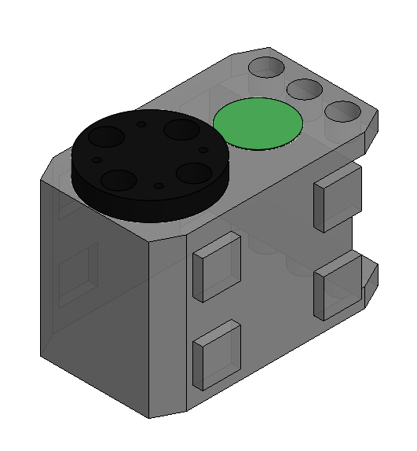 | XL -320 Green A & B | 2 |  |  | M3 Brake Nut | 8
 |  | Forearm Top | 1 |  |  | XL -320 Blue | 1 |  |  | M4 Brake Nut | 4
 |  | End Cap - Shoulder | 2 |  | 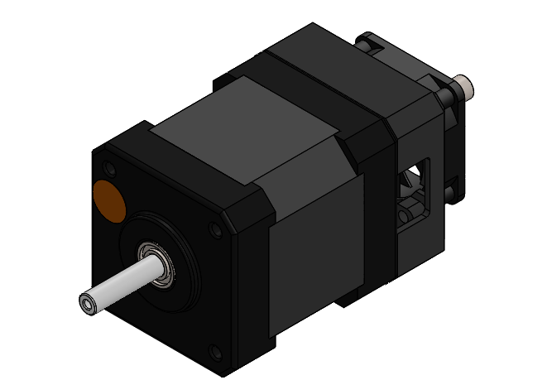 | Niryo Motor Orange | 3 |  |  | M5 Brake Nut | 3
 |  | End Cap - Arm | 2 |  | 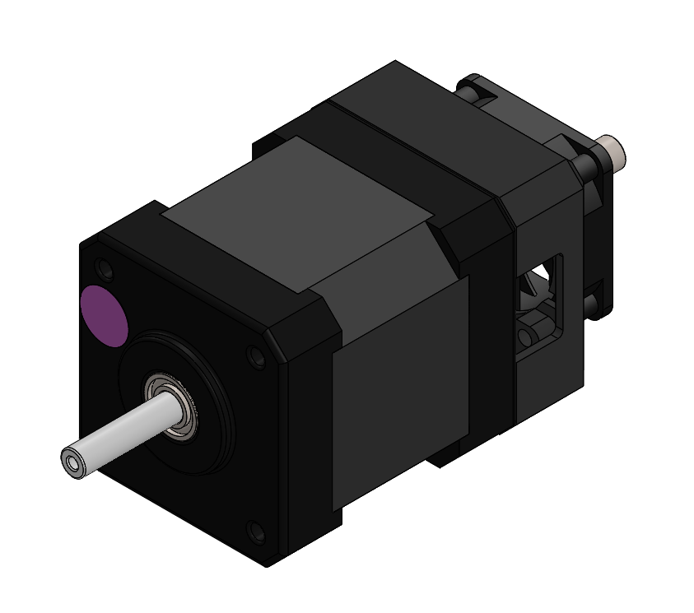 | Niryo Motor Pink | 1 |  |  | M8 Brake Nut | 5
 | 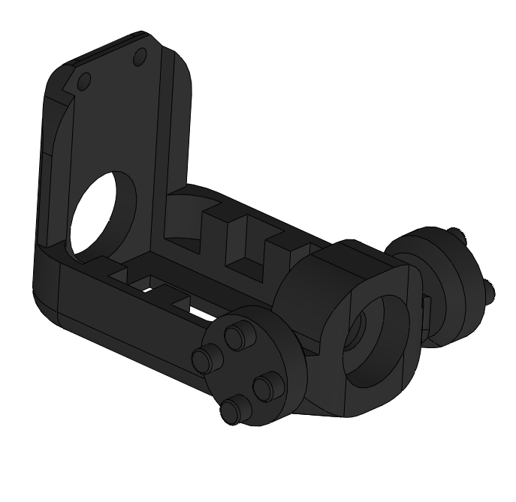 | Wrist | 1 |  | 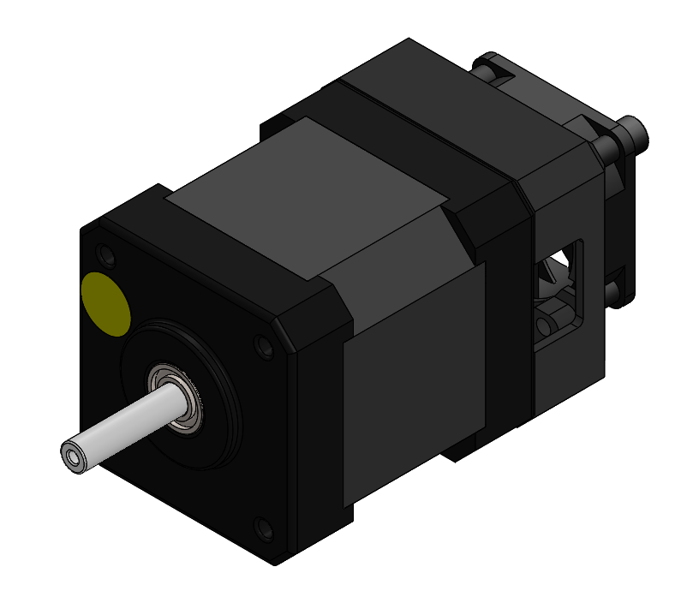 | Niryo Motor Yellow | 1 |  |  | coupler | 1
 |  | Servo Head | 1 |  | 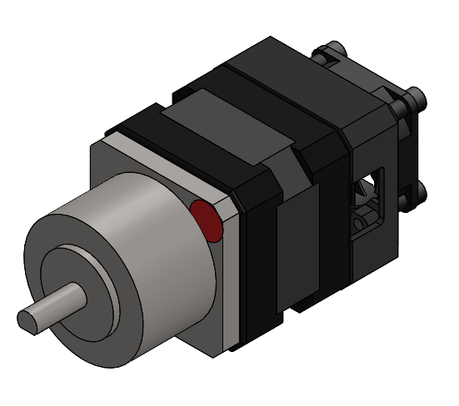 | Niryo Motor Red | 1 |  |  | Gear GT2 | 3
 |  | Hand | 1 |  |  |  |  |  |  | Bearing 3x10x4 mm | 7
 |  | Plastic tools 2 | 1 |  |  |  |  |  |  | Bearing 5x14x5 mm | 2
 |  | Plastic tools 2 | 1 |  |  |  |  |  |  | Bearing 8x22x7 mm | 5
 |  |  |  |  |  |  |  |  |  | Thurst Bearing 8x19x7 mm | 2
 |  |  |  |  |  |  |  |  | 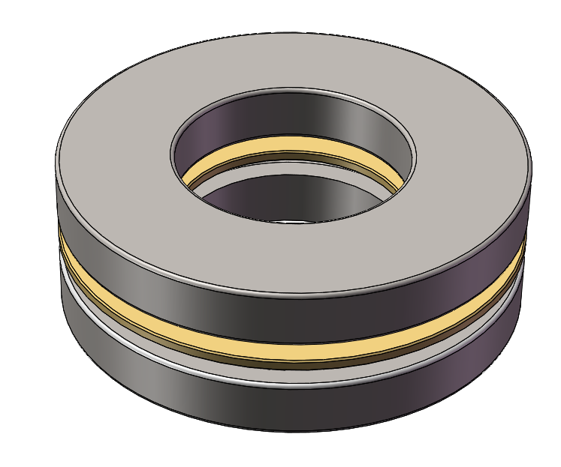 | Thurst Bearing 20x40x14 mm | 1
 |  |  |  |  |  |  |  |  | 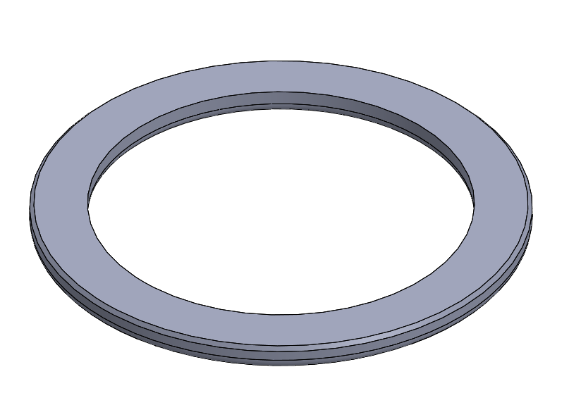 | Half Thurst Bearing | 1
 |  |  |  |  |  |  |  |  |  | Belt GT2 with Red Tape | 1
 |  |  |  |  |  |  |  |  |  | Belt GT2 | 1
 |  |  |  |  |  |  |  |  | 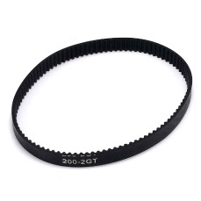 | Belt GT2 loop | 1
 |  |  |  |  |  |  |  |  | 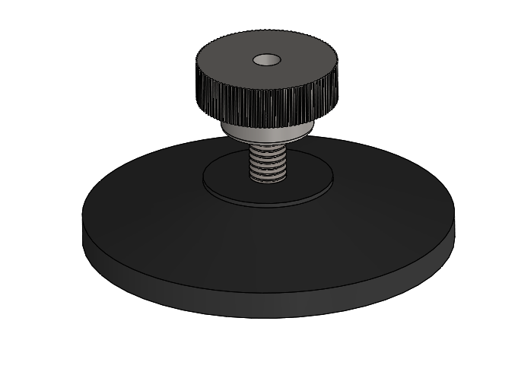 | Foot + screw | 4
 |  |  |  |  |  |  |  |  |  | suction cup | 4
 |  |  |  |  |  |  |  |  |  | Label | 1
 |  |  |  |  |  |  |  |  | 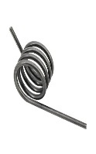 | torsion spring | 1

