S3_Figures
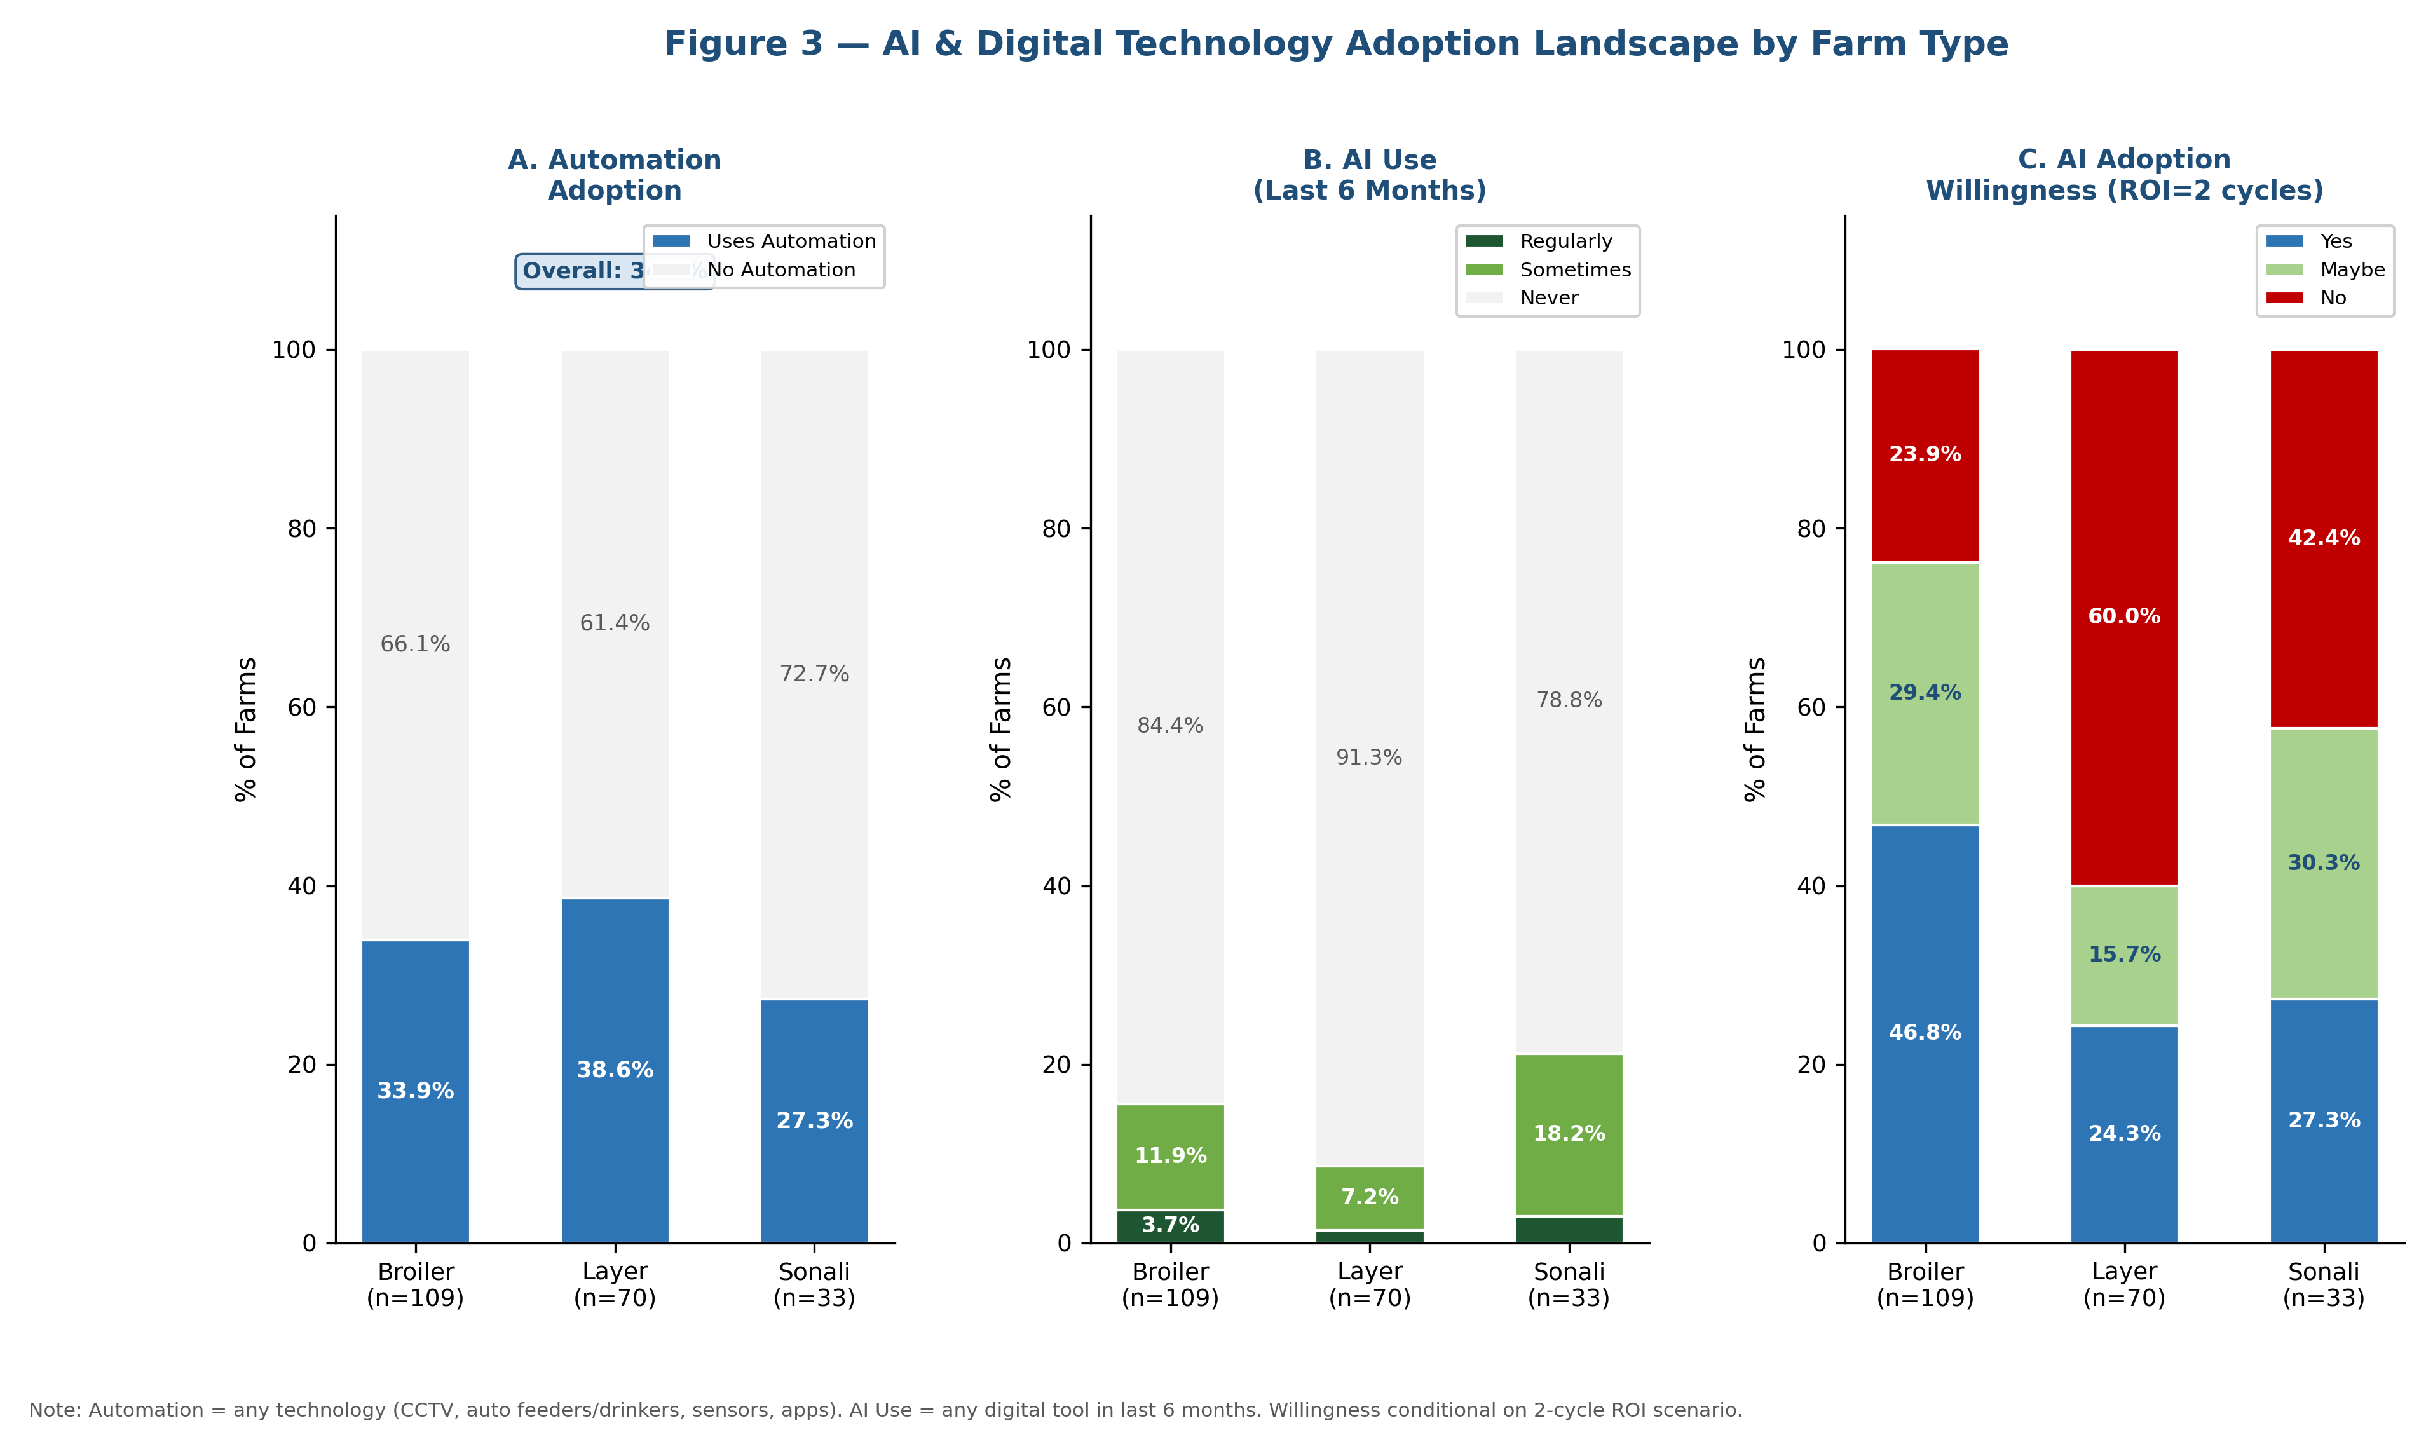
STEP 3 — FIGURES 1, 2, 3 | 300 DPI PNG | Protocol: matplotlib/seaborn (Python 3.10+)
FIGURE HANDLING PLAN — How figures are managed across analysis steps
Figure | Protocol Step | Type | Python Library | File Name | DPI | Status | Manuscript Role
Fig 1 | Step 3 | Knowledge Gap Heatmap | seaborn.heatmap | Figure1_Knowledge_Gap_Heatmap.png | 300 | ✅ Done | Main text Figure 1
Fig 2 | Step 3 | AWaRe Stacked Bar Chart | matplotlib.bar | Figure2_AWaRe_Distribution.png | 300 | ✅ Done | Main text Figure 2
Fig 3 | Step 3 | AI Adoption Landscape | matplotlib.bar | Figure3_AI_Adoption_Landscape.png | 300 | ✅ Done | Main text Figure 3
Fig 4 | Step 4 | AMR Risk Heatmap | seaborn.heatmap | Figure4_AMR_Risk_Heatmap.png | 300 | ⏳ Next | Main text Figure 4
Fig 5 | Step 9 | Cluster PCA Scatter Plot | matplotlib/sklearn | Figure5_Cluster_PCA_Plot.png | 300 | ⏳ Soon | Main text Figure 5
Fig 6 | Step 10 | ROC Curves (PARM Model) | sklearn/matplotlib | Figure6_ROC_Curves.png | 300 | ⏳ Soon | Main text Figure 6
Fig 7 | Step 11 | Geographic AMR Risk Map | geopandas/plotly | Figure7_Geographic_Risk_Map.png | 300 | ⏳ Soon | Main text Figure 7

WORKFLOW: Python script generates PNG → embedded here for preview → journal submission: attach PNG files directly (300 DPI meets most Q1 journal requirements: Nature, Lancet, PLOS).

Figure 1 — AMR Knowledge Gap Heatmap
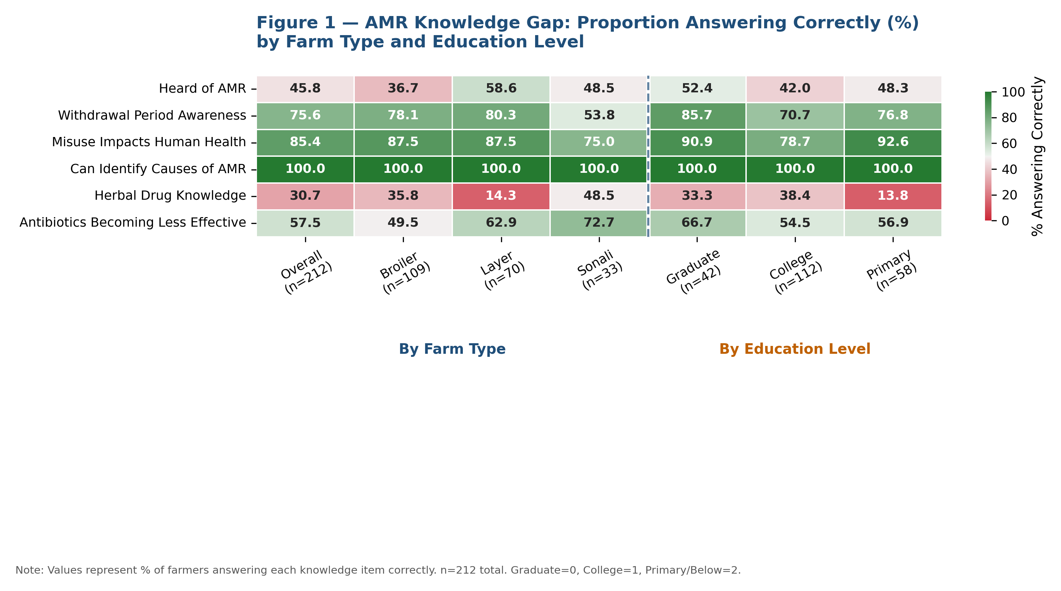

Figure 2 — WHO AWaRe Category Distribution
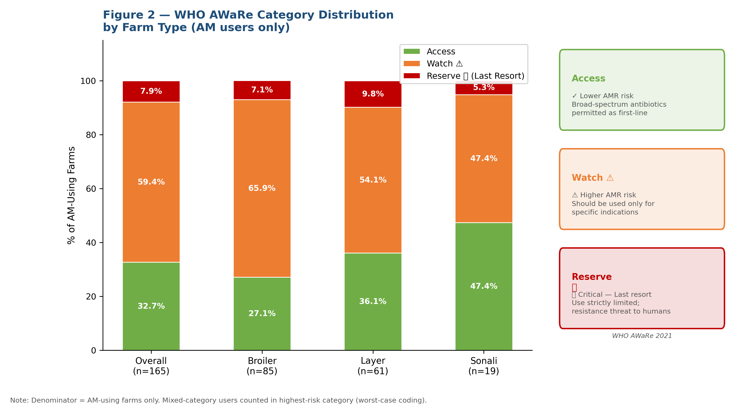

Figure 3 — AI & Digital Technology Adoption Landscape

