Menu
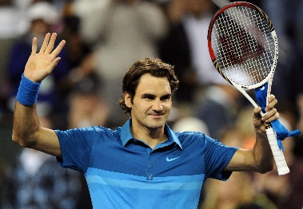

 |  | Custom-made Report

Click to see Statistics Report
 |  | Dta Source from Grand Slam Tournaments
Q1 | Who is the best among all four tournaments in history
Q2 | Focus will be on Top 3 Formidable winners, Rafael Nadal, Roger and Novak
Q3 | How many tournaments do we have?
Q4 | Which Grand Slam tournaments have been played the most in history?
Q5 | What us the Data Quality by %?
Q6 | Draw your conclusion
Q7 | Make Recommendations for the grand slam Tournament Management to take actionable actions

 | ANALYZE(e.g Shape the data, data wrangling, data aggregation>CONCLUDE>RECOMMEND

Data Shaping
TOURNAMENT | Stats Played | Players | Australian Open | Wimbledon | U.S. Open | French Open | Total Grand Slam
Australian Open | 110 | Rafael Nadal | 2 | 2 | 4 | 13 | 21
Wimbledon | 135 | Novak Djokovic | 9 | 6 | 3 | 2 | 20
US Open
French Open
Wimbledon Open
Australian Open
U.S. Open | 141 | Roger Federer | 6 | 8 | 5 | 1 | 20
French Open | 120
 | 506
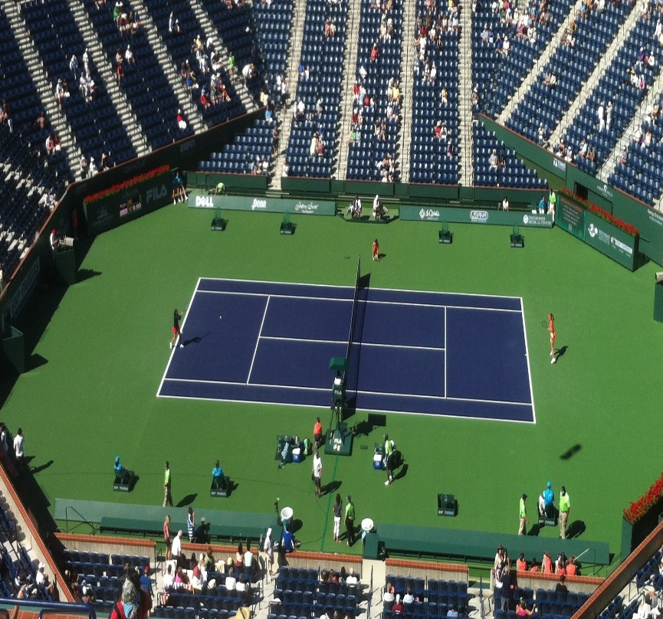

Rafael Nadal

This Photo by Unknown Author is licensed under CC BY-SA

This Photo by Unknown Author is licensed under CC BY-SA

This Photo by Unknown Author is licensed under CC BY-SA

Visuals Report
 | Australian Open | Wimbledon | French Open | U.S. Open
Rafael Nadal | 2 | 2 | 13 | 4
US Open
French Open
Wimbledon Open
Australian Open
GRAND SLAM GOAT
 | Australian Open | Wimbledon | French Open | U.S. Open
Novak Djokovic | 9 | 6 | 2 | 3
20
 | Australian Open | Wimbledon | French Open | U.S. Open
Novak Djokovic | 9 | 6 | 2 | 3
20

Nadal is the Greatest Ever Player Statistically In Grand Slams

Conclusion

Despite playing less than his counterparts due to injuries and other causes, Nadal is
statistically more likely to win every grand slam he plays over Federer and Djokovic.
NADAL Head to Head Against
7
10
4
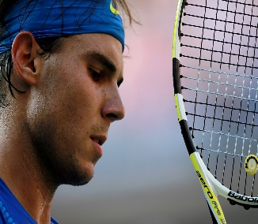
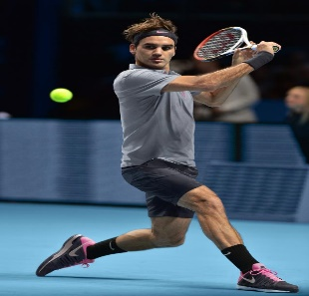
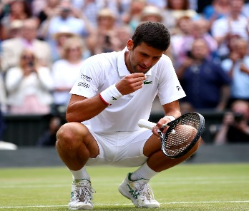
Vs
Vs

Rafael Nadal
Roger Federer
Novak Djokovic

Rafael Nadal
Novak Djokovic
Roger Federer

This Photo by Unknown Author is licensed under CC BY-SA

This Photo by Unknown Author is licensed under CC BY-NC-ND
This Photo by Unknown Author is licensed under CC BY-NC-ND

