Inventory - Stock Control
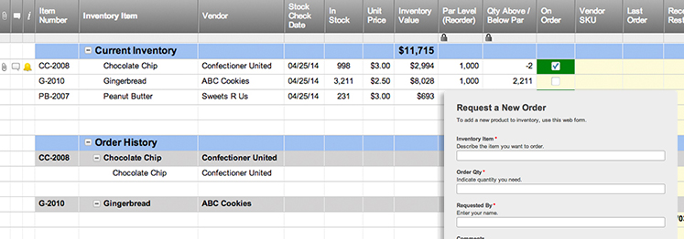
INVENTORY - STOCK CONTROL |  |  |  |  |  |  | TOTAL INVENTORY VALUE |  |  |  |  | GRID KEY
 |  |  |  |  |  |  | $13,550.00 | *Based upon TOTAL VALUE fields, below. |  |  |  | DISCONTINUED | REORDER

REORDER (auto-fill) | ITEM NO. | DATE OF LAST ORDER | ITEM NAME | VENDOR | STOCK LOCATION | DESCRIPTION | COST PER ITEM | STOCK QUANTITY | TOTAL VALUE | REORDER LEVEL | DAYS PER REORDER | iTEM REORDER QUANTITY | ITEM DISCONTINUED?
OK | A123 | 2016-05-20 | ITEM A | Cole | Store Room A, Shelf 2 | Item A description | $10.00 | 200 | $2,000.00 | 50 | 14 | 100 | Yes
OK | B123 | 2016-05-20 | ITEM B | Cole | Outdoor Pallet | Item B description | $20.00 | 100 | $2,000.00 | 50 | 30 | 20
REORDER | C123 | 2016-05-20 | ITEM C | Cole | Basement, Shelf 4 | Item C description | $30.00 | 45 | $1,350.00 | 50 | 2 | 50
REORDER | D123 | 2016-05-20 | ITEM D | Cole | Store Room A, Shelf 2 | Item D description | $10.00 | 25 | $250.00 | 50 | 14 | 10
OK | E123 | 2016-05-20 | ITEM E | Cole | Outdoor Pallet | Item E description | $20.00 | 200 | $4,000.00 | 50 | 30 | 100
OK | F123 | 2016-05-20 | ITEM F | Cole | Basement, Shelf 4 | Item F description | $30.00 | 100 | $3,000.00 | 50 | 2 | 20
REORDER | G123 | 2016-05-20 | ITEM G | Cole | Store Room A, Shelf 2 | Item G description | $10.00 | 45 | $450.00 | 50 | 14 | 50 | Yes
REORDER | H123 | 2016-05-20 | ITEM H | Cole | Basement, Shelf 4 | Item H description | $20.00 | 25 | $500.00 | 50 | 30 | 10
OK |  |  |  |  |  |  |  |  | $0.00
OK |  |  |  |  |  |  |  |  | $0.00
OK |  |  |  |  |  |  |  |  | $0.00
OK |  |  |  |  |  |  |  |  | $0.00
OK |  |  |  |  |  |  |  |  | $0.00
OK |  |  |  |  |  |  |  |  | $0.00
OK |  |  |  |  |  |  |  |  | $0.00
OK |  |  |  |  |  |  |  |  | $0.00
OK |  |  |  |  |  |  |  |  | $0.00
OK |  |  |  |  |  |  |  |  | $0.00
OK |  |  |  |  |  |  |  |  | $0.00
OK |  |  |  |  |  |  |  |  | $0.00
OK |  |  |  |  |  |  |  |  | $0.00
OK |  |  |  |  |  |  |  |  | $0.00
OK |  |  |  |  |  |  |  |  | $0.00
OK |  |  |  |  |  |  |  |  | $0.00
OK |  |  |  |  |  |  |  |  | $0.00
OK |  |  |  |  |  |  |  |  | $0.00
OK |  |  |  |  |  |  |  |  | $0.00
OK |  |  |  |  |  |  |  |  | $0.00
OK |  |  |  |  |  |  |  |  | $0.00
OK |  |  |  |  |  |  |  |  | $0.00
OK |  |  |  |  |  |  |  |  | $0.00
OK |  |  |  |  |  |  |  |  | $0.00
OK |  |  |  |  |  |  |  |  | $0.00
OK |  |  |  |  |  |  |  |  | $0.00

Create an Inventory Stock Control Template with Smartsheet

