3_Use Case View
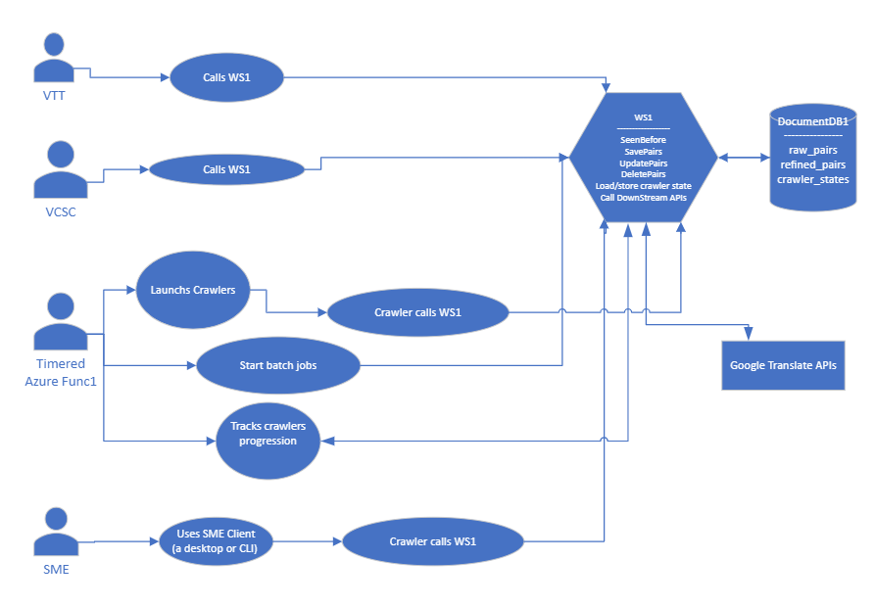
Drawing 2.vsdx (sharepoint.com)

4_Entity View
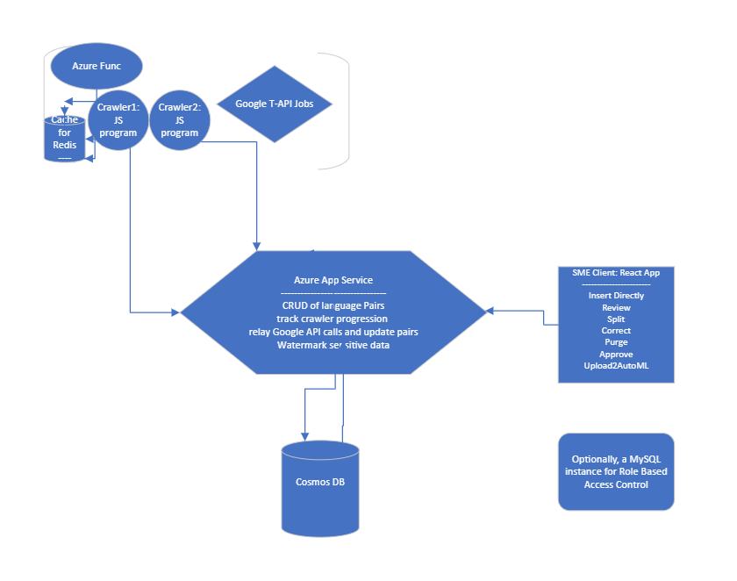
Drawing1.vsdx (sharepoint.com)

