3_Use Case View
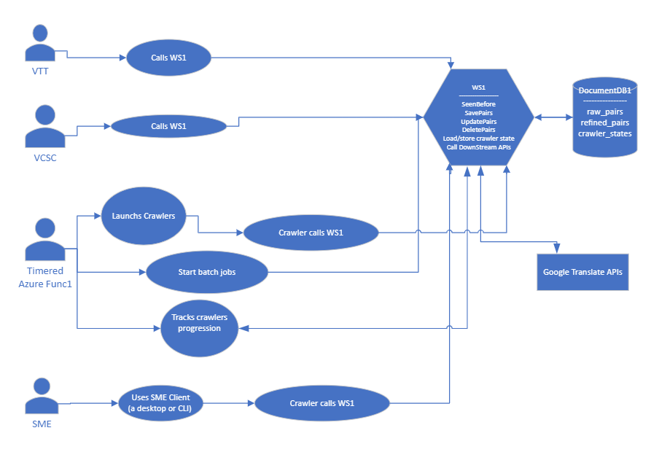
user_case_view.vsdx (sharepoint.com)

4_Entity View
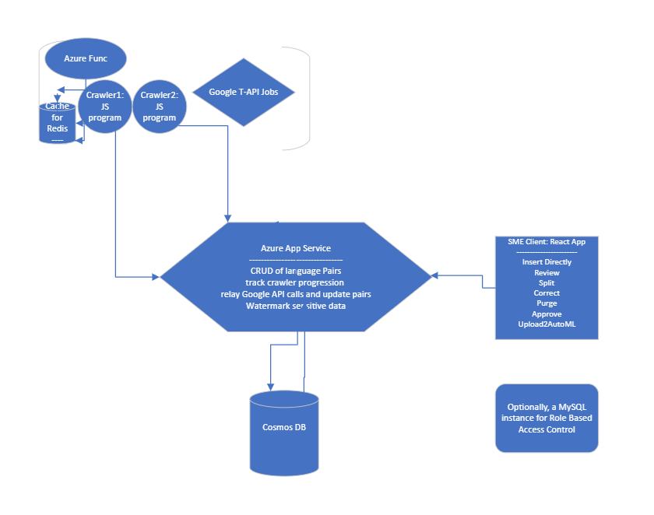
entity_view.vsdx (sharepoint.com)

