Sheet1
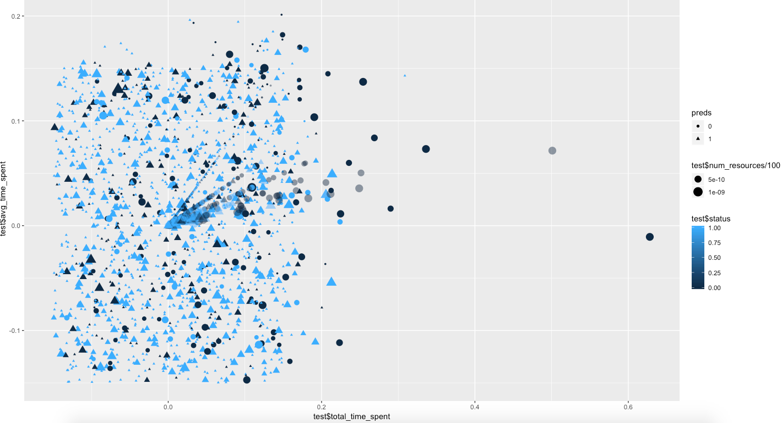
 | Cost=1 | Gamma=4
 |  | Training | Test
TOTAL | Accuracy | 0.8502064 | 0.8231848

 |  |  |  | TEST DATA TOTAL

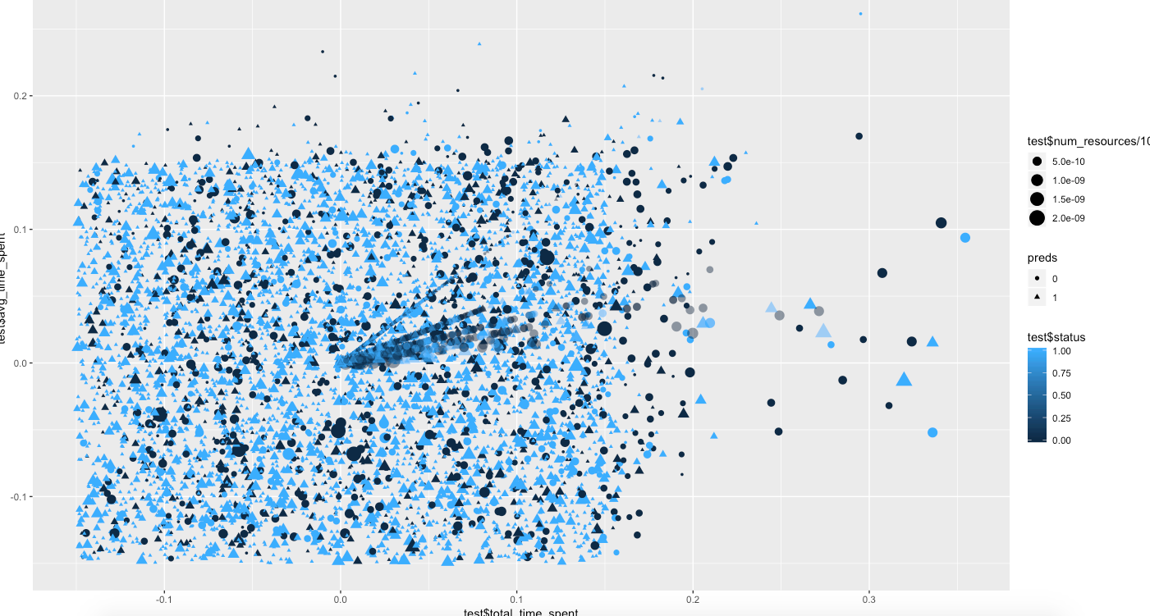

SCIENCE |  | 0.8278008 | 0.7455048 |  | Training dim: (2892 7) | Test Dimn: (723 7)

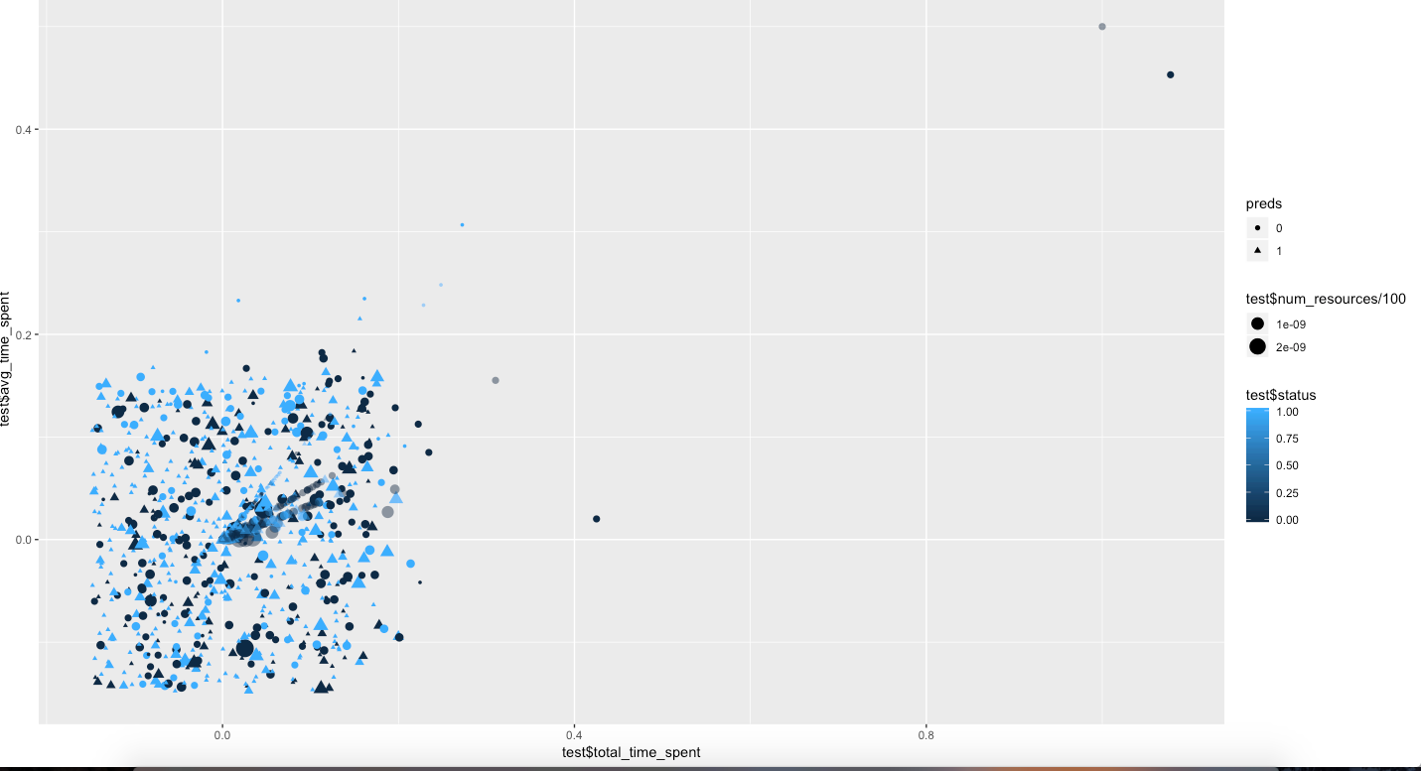

Social Science |  | 0.8157043 | 0.7813351 |  | Training dimn: (5871 7) | Test dim: (1468 7)

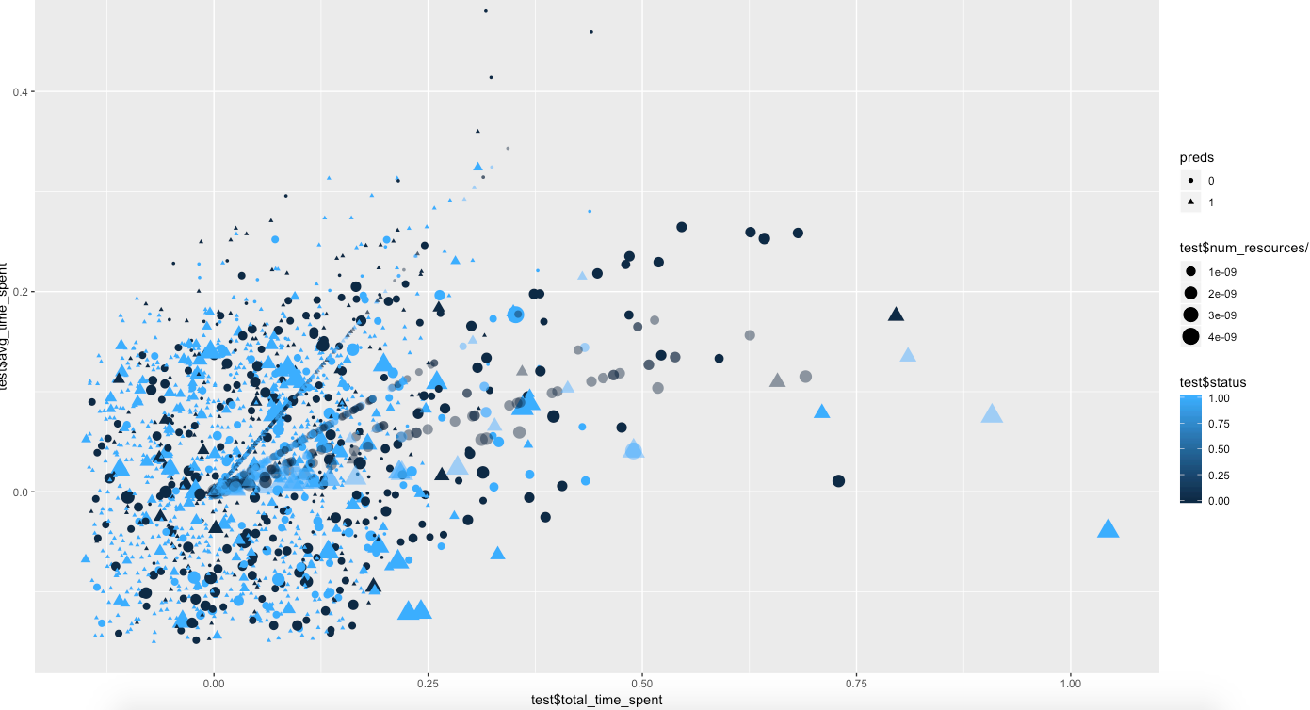

English |  | 0.9268389 | 0.9246178 |  | Training dim: (7586 7) | Test dimn: (1897 7)

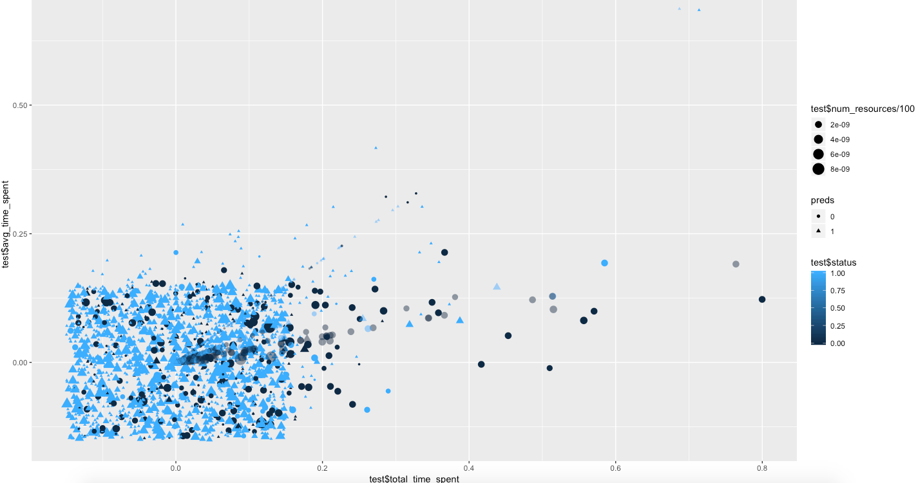

Maths |  | 0.8784469 | 0.8295311 |  | Training dim: (6310 7) | Test dim: (1578 7)

