readme
This workbook provides two sets of data relating to the same set of objects. The objects are sparse historic photographs (an example depicted below with Facial Feature Markers) comprising 12 sets of 3 images, of which the first two in each set are positively identified as being the same person, and the third photograph is positively identified as not being a match. Therefore, for each set of three photos, A matches B, B does not match C, and C does not match A. An example set of images is provided below. | 本工作簿提供了与同一组对象相关的两组数据。这些物品是稀疏的历史照片(如下图所示，带有面部特征标记)，包括12组3张图片，每组中的前两张被确定为同一个人，第三张被确定为不匹配。因此，对于每一组三张照片，A匹配B, B不匹配C, C不匹配A。下面给出一组图片的示例。 目标是根据一个或两个数据集对输出进行分类。输出为1或0，表示匹配(1)或不匹配(0) 提供的两个数据集是: 右侧最后一列列出了三幅图像(n-1 & n-2, n-2 & n-3, n-3 & n-1)输出目标的三种可能组合。 2)以长度(像素)(A&B, B&C，和C&A)提供的FFM距离输出目标列在右边最后一列。

The goal is to classify the outputs based on one or both datasets. Outputs are 1 or 0, denoting match (1) or not a match (0)

The two datasets provided are:
1) Facial Feature Markers (FFMs) provided as x,y coordinates in pairs of FFMs each of the three possible combinations in each set of three images (n-1 & n-2, n-2 & n-3, and n-3 & n-1) Output targets are listed in the last column on the right.
2) FFM distances provided as lengths (in pixels) (A&B, B&C, and C&A) Output targets are listed in the last column on the right.

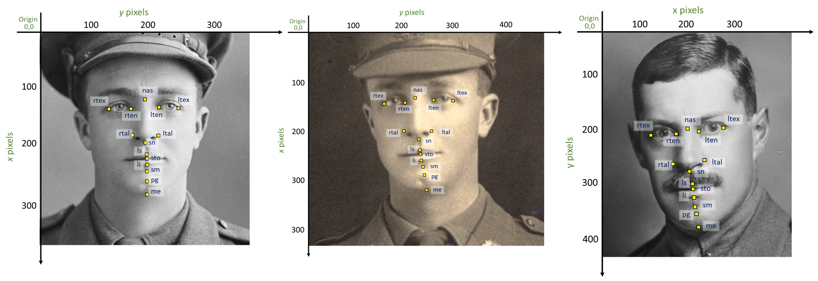

 | BiDirectional Neural Networks and Class Prototypes

