Scenarios
Scenario | Description
High export | A high export scenario
None | No forcing of exports.

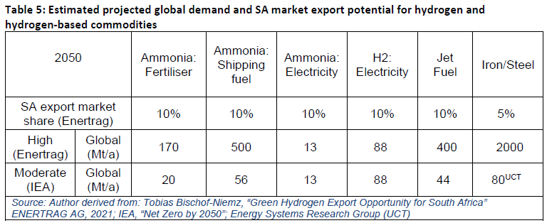
Scenario | Commodity | 2025 | 2030 | 2035 | 2040 | 2045 | 2050
None | Platinum | 125 | 125.30659929 | 125.30659929 | 125.30659929 | 125.30659929 | 125.30659929 |  | same as 2017 levels
None | Other PGMs | 104 | 103.69340071 | 103.69340071 | 103.69340071 | 103.69340071 | 103.69340071 |  | same as 2017 levels
None | Green Iron
None | Green Steel
None | Green NH3
High export | Platinum | 125 | 125 | 125 | 125 | 125 | 125 |  | assumption. Testing
High export | Other PGMs | 104 | 104 | 104 | 104 | 104 | 104 |  | assumption. Testing
High export | Green Iron |  | 1 |  |  |  | 14 | Mtons | BIICS x2
High export | Green Steel
High export | Green NH3 |  | 2.8 |  |  |  | 124.155 | PJ | We may be able to go up

 |  |  |  |  |  |  |  |  |  |  |  |  |  | 100

 |  |  |  |  |  |  |  |  |  | Ammonia |  | 2017
 |  |  |  |  |  |  |  |  |  | 2017 Output (CGE) including Secunda | bR | 12.14
 |  |  |  |  |  |  |  |  |  | 2017 Exports (CGE) | bR | 3

 |  |  |  |  |  |  |  |  |  | 2017 Output (SATIM PJ) - only Sasolburg considered | PJ | 6.14
 |  |  |  |  |  |  |  |  |  |  | mton | 0.33
 |  |  |  |  |  |  |  |  |  | 2017 Production (including Secunda) | PJ | 11.16
 |  |  |  |  |  |  |  |  |  |  | mton | 0.6
 |  |  |  |  |  |  |  |  |  | 2017 Exports (SATIM) | PJ | 2.8
 |  |  |  |  |  |  |  |  |  | 2017 Domestic Use | PJ | 8.4
 |  |  |  |  |  |  |  |  |  | 2017 Actual Output Mtons | mton

 |  |  |  |  |  |  |  |  |  | Target Export | mton | 8.9 | 6.675 | 275.78253707
 |  |  |  |  |  |  |  |  |  |  | PJ | 165.54 | 124.155

 |  |  |  |  |  |  |  |  |  |  |  | 33.333333333

Production of minerals
Minerals council report 2017 facts and figures

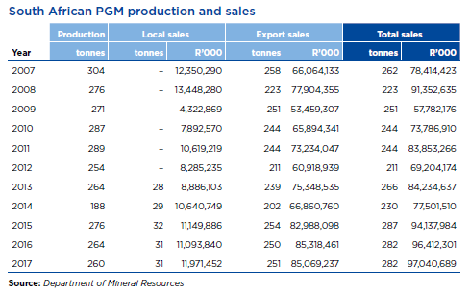

 |  | 2012 | 2013 | 2014 | 2015 | 2016 | 2017
 | PGM prod | 254 | 264 | 188 | 276 | 264 | 260

 | local sales |  | 28 | 29 | 32 | 31 | 31
 | exports |  | 239 | 202 | 254 | 250 | 251

 | % local sales to production |  | 11% | 15% | 12% | 12% | 12%

