EB
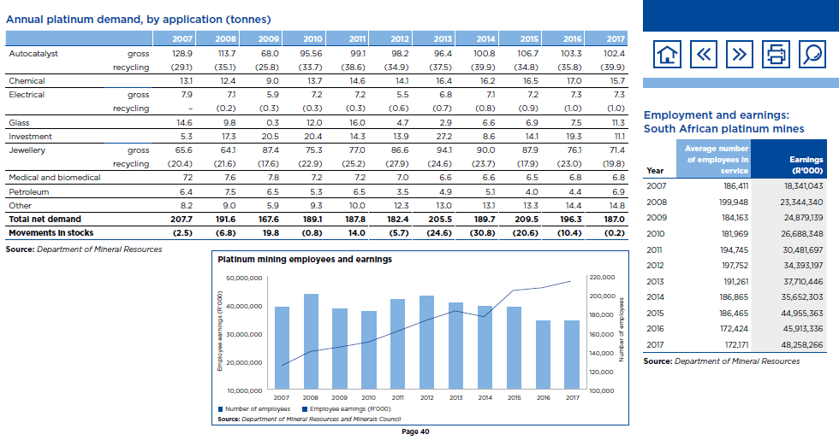
2017
Inputs |  |  | Outputs |  | PRC_ACTFLO
Commodity | PJ | shares | Commodity | tons | exist | new | Choice to be made here, whether we work on gross (260) or net (187)
INDCOA | 0 | 0 | PGM | 260 |  |  |  |  | % domestic
INDODS | 5.19 | 0.10324980512 |  |  | 0.019979404127 |  |  |  | 12%
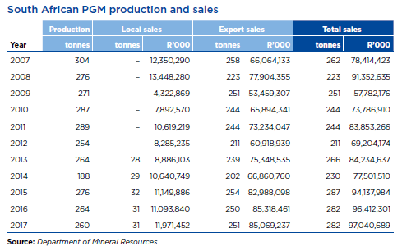
INFELC | 45.12 | 0.89675019488 |  |  | 0.17352608582 | 0.18351578789
INFGAS | 0 | 0
Total | 50.311427387 | 1

 |  |  |  |  |  |  |  |  |  |  |  | domestic | export | agv
 |  |  |  |  |  |  |  |  |  |  |  | 386.16129032 | 338.92031873 | 373.23076923

 |  |  |  |  |  |  |  |  | 2012 | 2013 | 2014 | 2015 | 2016 | 2017
 |  |  |  |  |  |  |  | Before Beneficiation | 254 | 264 | 188 | 276 | 264 | 260
 |  |  |  |  |  |  |  | After Beneficiation | 182.4 | 205.5 | 189.7 | 209.5 | 196.3 | 187

