Production of minerals
Minerals council report 2017 facts and figures

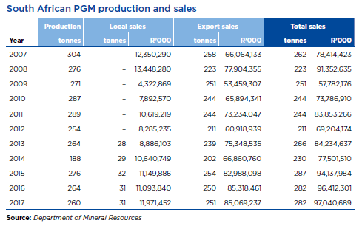

 |  | 2012 | 2013 | 2014 | 2015 | 2016 | 2017
 | PGM prod | 254 | 264 | 188 | 276 | 264 | 260

 | local sales |  | 28 | 29 | 32 | 31 | 31
 | exports |  | 239 | 202 | 254 | 250 | 251

 | % local sales to production |  | 11% | 15% | 12% | 12% | 12%

