Lab.Calcs.Assumptions
 | Coefficient |  |  |  |  |  | Check | 110.019 | 112.75 | 173.194 | 395.772
Subsubsector | flab-p | flab-m | flab-s | flab-t | Total | Capacity | Total | flab-p | flab-m | flab-s | flab-t | Total wage bill | FOM | FOM R/kW | FOM model
Power Sector shares | 0.05158754852 | 0.058710463397 | 0.19425465216 | 0.69544733592 | 000 empl./GW | GW | 000
EPumpStorage | 0.0172 | 0.01958 | 0.06477 | 0.23189 | 0.333 | 1.58 | 0.527 | 3.0 | 3.5 | 17.7 | 145.0 | 169.2 |  | 107.09 | 3.9
EBiomass | 0.0172 | 0.01958 | 0.06477 | 0.23189 | 0.333 | 0 | 0.000 | 0.0 | 0.0 | 0.0 | 0.0 | 0.0 |  | 107.09
EHydro | 0.0172 | 0.01958 | 0.06477 | 0.23189 | 0.333 | 0.67 | 0.223 | 1.3 | 1.5 | 7.5 | 61.5 | 71.8 |  | 107.09 | 36
EImports | 0 | 0 | 0 | 0 | 0.000 | 1.5 | 0.000 | 0.0 | 0.0 | 0.0 | 0.0 | 0.0 |  | 0.00
EPV_Grid | 0.01941 | 0.02209 | 0.07309 | 0.26167 | 0.376 | 0 | 0.000 | 0.0 | 0.0 | 0.0 | 0.0 | 0.0 |  | 120.85 | 256
EPV_RfTpIND | 0.01941 | 0.02209 | 0.07309 | 0.26167 | 0.376 | 0 | 0.000 | 0.0 | 0.0 | 0.0 | 0.0 | 0.0 |  | 120.85 | 299
EPV_RfTpCOM | 0.01941 | 0.02209 | 0.07309 | 0.26167 | 0.376 | 0 | 0.000 | 0.0 | 0.0 | 0.0 | 0.0 | 0.0 |  | 120.85 | 299
EPV_RfTpRES | 0.01941 | 0.02209 | 0.07309 | 0.26167 | 0.376 | 0 | 0.000 | 0.0 | 0.0 | 0.0 | 0.0 | 0.0 |  | 120.85 | 299
ECSP | 0.02377 | 0.02705 | 0.08949 | 0.3204 | 0.461 | 0 | 0.000 | 0.0 | 0.0 | 0.0 | 0.0 | 0.0 |  | 147.97 | 869
EWind | 0.01605 | 0.01826 | 0.06043 | 0.21634 | 0.311 | 0 | 0.000 | 0.0 | 0.0 | 0.0 | 0.0 | 0.0 |  | 99.91 | 554
EBattery-Commerce | 0.0172 | 0.01958 | 0.06477 | 0.23189 | 0.333 | 0 | 0.000 | 0.0 | 0.0 | 0.0 | 0.0 | 0.0 |  | 107.09
EBattery-Industry | 0.0172 | 0.01958 | 0.06477 | 0.23189 | 0.333 | 0 | 0.000 | 0.0 | 0.0 | 0.0 | 0.0 | 0.0 |  | 107.09
EBattery-Residential | 0.0172 | 0.01958 | 0.06477 | 0.23189 | 0.333 | 0 | 0.000 | 0.0 | 0.0 | 0.0 | 0.0 | 0.0 |  | 107.09
EBattery-Utility | 0.0172 | 0.01958 | 0.06477 | 0.23189 | 0.333 | 0 | 0.000 | 0.0 | 0.0 | 0.0 | 0.0 | 0.0 |  | 107.09
ECoal_CB | 0.0172 | 0.01958 | 0.06477 | 0.23189 | 0.333 | 33.2 | 11.070 | 62.8 | 73.3 | 372.4 | 3046.9 | 3555.5 |  | 107.09 | 336
ECoal_WB | 0.0172 | 0.01958 | 0.06477 | 0.23189 | 0.333 | 3.72 | 1.240 | 7.0 | 8.2 | 41.7 | 341.4 | 398.4 |  | 107.09 | 336
EGas | 0.0172 | 0.01958 | 0.06477 | 0.23189 | 0.333 | 0.42 | 0.140 | 0.8 | 0.9 | 4.7 | 38.5 | 45.0 |  | 107.09 | 150
ENuclear | 0.03328 | 0.03788 | 0.12533 | 0.44868 | 0.645 | 1.86 | 1.200 | 6.8 | 7.9 | 40.4 | 330.3 | 385.4 |  | 207.21 | 885
EOil | 0.0172 | 0.01958 | 0.06477 | 0.23189 | 0.333 | 2.46 | 0.820 | 4.7 | 5.4 | 27.6 | 225.8 | 263.4 |  | 107.09 | 58
Total Generation |  |  |  |  |  | 43.910 | 15.221 |  |  |  |  | 4889 |  | 0.00
Etrans | 0.01474 | 0.0168 | 0.05551 | 0.19873 | 0.285761 | 34.2 | 9.773 | 55.5 | 64.7 | 328.8 | 2689.9 | 3139 |  | 91.78 | 26
Edist | 0 | 0 | 0 | 0 |  |  | 47.28 |  |  |  |  | 15186 |  | 0.00
EDist Residential | 0.16136 | 0.18363 | 0.60759 | 2.17522 | 3.128 | 10.6821 | 33.41 | 189.6 | 221.2 | 1124.1 | 9196.1 | 10731.0 |  | 1004.58 | 1466
EDist Agriculture | 0.03199 | 0.0364 | 0.12044 | 0.43119 | 0.620 | 0.912 | 0.57 | 3.2 | 3.7 | 19.0 | 155.6 | 181.6 |  | 199.14 | 1466
EDist Industry | 0.02656 | 0.03023 | 0.10003 | 0.35812 | 0.515 | 18.7765 | 9.67 | 54.9 | 64.0 | 325.3 | 2661.3 | 3105.4 |  | 165.39 | 348
EDist Commercial | 0.02897 | 0.03297 | 0.1091 | 0.39057 | 0.562 | 6.0609 | 3.40 | 19.3 | 22.5 | 114.5 | 936.9 | 1093.2 |  | 180.38 | 733
Edist Transport | 0.02652 | 0.03018 | 0.09985 | 0.35747 | 0.514 | 0.4507 | 0.23 | 1.3 | 1.5 | 7.8 | 63.8 | 74.4 |  | 165.09 | 733
Total | 3.728348013 | 4.243466217 | 14.039772599 | 50.263805764 |  |  | 72.3 |  |  |  |  | 23213
Target Total |  |  |  |  |  |  | 72.3 |  |  |  |  | 23198

 |  |  |  |  |  |  |  | Table 7.1 from Tobias's book.
 |  |  |  |  |  |  |  |  |  |  |  |  |  |  | Summary Table for report
 |  |  |  |  |  |  |  |  |  |  |  |  |  |  |  | Employment ('000) | Capacity (GW) | Empl.Intensity (000 empl./GW)
 |  |  |  |  |  |  |  |  |  |  |  |  |  |  | Total Generation | 15.2 | 43.9 | 0.35
Satimviz subsubsector | Capacity GW |  |  |  |  |  |  |  |  |  |  |  |  |  | Nuclear | 1.2 | 1.9 | 0.65
ECoal_CB | 33.2 |  |  |  |  |  |  |  |  |  |  |  |  |  | Other | 14.0 | 42.1 | 0.33
ECoal_WB | 3.72 |  |  |  |  |  |  |  |  |  |  |  |  |  | Toral Transmission & other corporate | 9.8 | 34.2 | 0.29
EGas | 0.42 |  |  |  |  |  |  |  |  |  |  |  |  |  | Total Distribution | 47.3 | 36.9 | 1.28
EHydro | 0.67 |  |  |  |  |  |  |  |  |  |  |  |  |  | Dist.Residential | 33.4 | 10.7 | 3.13
EImports | 1.5 |  |  |  |  |  |  |  |  |  |  |  |  |  | Dist.Commerce | 3.4 | 6.1 | 0.56
ENuclear | 1.86 |  |  |  |  |  |  |  |  |  |  |  |  |  | Dist.Industry | 9.7 | 18.8 | 0.51
EOil | 2.46 |  |  |  |  |  |  |  |  |  |  |  |  |  | Dist.Other | 0.8 | 1.4 | 0.58
EPumpStorage | 1.58 |  |  |  |  |  |  |  |  |  |  |  |  |  | Total Electricity Sector | 72.3

 |  |  |  |  | BWR | Tech | O&M job years | MW | O&M job years /GW | Life | Annual O&M Jobs/GW | Capacity Factor | Annual TWh | Annual Jobs/TWh | Cumul TWh | Job years/TWh |  |  |  |  | Plant | O&M Jobs | MW | Annual O&M Jobs/GW | Capacity Factor | TWh | Jobs/TWh | Job years/GW
 |  |  |  |  | 1 | PV | 6117 | 632 | 9,679 | 25 | 387.2 | 28% | 1.5501696 | 158 | 38.8 | 158 |  | 1 | Arnot | 1 | Arnot | 677 | 2220 | 305 | 75% | 14.6 | 46.4
 |  |  |  |  | 2 | PV | 3809 | 417 | 9,134 | 25 | 365.4 | 28% | 1.0228176 | 149 | 25.6 | 149 |  | 1 | 677 | 2 | Camden | 324 | 1520 | 213 | 75% | 10.0 | 32.4
 |  |  |  |  | 3 | PV | 7513 | 435 | 17,271 | 25 | 690.9 | 28% | 1.066968 | 282 | 26.7 | 282 |  | 2 | Camden | 3 | Duvha | 696 | 3480 | 200 | 75% | 22.9 | 30.4
 |  |  |  |  | 1 | Wind | 2461 | 634 | 3,882 | 20 | 194.1 | 36% | 2.019931608 | 61 | 40.4 | 61 |  | 2 | 324 | 4 | Grootvlei | 427 | 1080 | 395 | 75% | 7.1 | 60.2
 |  |  |  |  | 2 | Wind | 2238 | 563 | 3,975 | 20 | 198.8 | 36% | 1.793724756 | 62 | 35.9 | 62 |  | 3 | Duvha | 5 | Hendrina | 644 | 1900 | 339 | 75% | 12.5 | 51.6
 |  |  |  |  | 3 | Wind | 8506 | 787 | 10,808 | 20 | 540.4 | 36% | 2.507391444 | 170 | 50.1 | 170 |  | 3 | 696 | 6 | Kendal | 668 | 3840 | 174 | 75% | 25.2 | 26.5
 |  |  |  |  | 1 | CSP | 1382 | 150 | 9,213 | 30 | 307.1 | 40% | 0.5256 | 88 | 15.8 | 88 |  | 4 | Grootvlei | 7 | Komati | 331 | 900 | 368 | 75% | 5.9 | 56.0
 |  |  |  |  | 2 | CSP | 1180 | 50 | 23,600 | 30 | 786.7 | 40% | 0.1752 | 225 | 5.3 | 225 |  | 4 | 427 | 8 | Kriel | 701 | 2880 | 243 | 75% | 18.9 | 37.0
 |  |  |  |  | 3 | CSP | 1730 | 200 | 8,650 | 30 | 288.3 | 40% | 0.7008 | 82 | 21.0 | 82 |  | 5 | Hendrina | 10 | Lethabo | 628 | 3540 | 177 | 75% | 23.3 | 27.0
 |  |  |  |  |  |  |  |  |  |  |  |  |  |  |  |  |  | 5 | 644 | 11 | Majuba | 508 | 3,840 | 132 | 75% | 25.2 | 20.1
 |  |  |  |  |  | PV average (round 1-2) |  |  | 9,407 |  | 376.3 |  |  | 153 |  |  |  | 6 | Kendal | 12 | Matimba | 476 | 3720 | 128 | 75% | 24.4 | 19.5
 |  |  |  |  |  | Wind average (round 1-3) |  |  | 6,222 |  | 311.1 |  |  | 98 |  |  |  | 6 | 668 | 13 | Matla | 659 | 3480 | 189 | 75% | 22.9 | 28.8
 |  |  |  |  |  | CSP average (round 1-3) |  |  | 13,821 |  | 461 |  |  | 131 |  |  |  | 7 | Komati | 15 | Tutuka | 649 | 3540 | 183 | 75% | 23.3 | 27.9
 |  |  |  |  |  |  |  |  |  |  |  |  |  |  |  |  |  | 7 | 331 |  | Average Coal |  |  | 206 |  |  | 31
 |  |  |  |  | Summary |  |  |  |  |  |  |  |  |  |  |  |  | 8 | Kriel |  |  |  |  |  |  |  |  |  | http://www.eskom.co.za/Whatweredoing/ElectricityGeneration/KoebergNuclearPowerStation/TheKoebergExperience/Pages/The_Koeberg_Experience.aspx
 |  |  |  |  |  | jobs/TWh |  |  |  | jobs/GW |  |  |  |  |  |  |  | 8 | 701 |  | Koeberg | 1200 | 1860 | 645 | 80% | 13.0 | 92.1
 |  |  |  |  |  | PV | Wind | Coal | Nuclear | PV | Wind | Coal | Nuclear |  |  |  |  | 9 | Kusile
 |  |  |  |  | REIPPP round 1,2 | 153 | 62 |  |  | 376 | 196 |  |  |  |  |  |  | 9 | 247
 |  |  |  |  | REIPPP round 3 | 282 | 170 |  |  | 691 | 540 |  |  |  |  |  |  | 10 | Lethabo |  |  |  |  |  |  |  |  |  | http://www.energy.gov.za/files/IEP/2016/IEP-AnnexureB-Macroeconomic-Assumptions.pdf
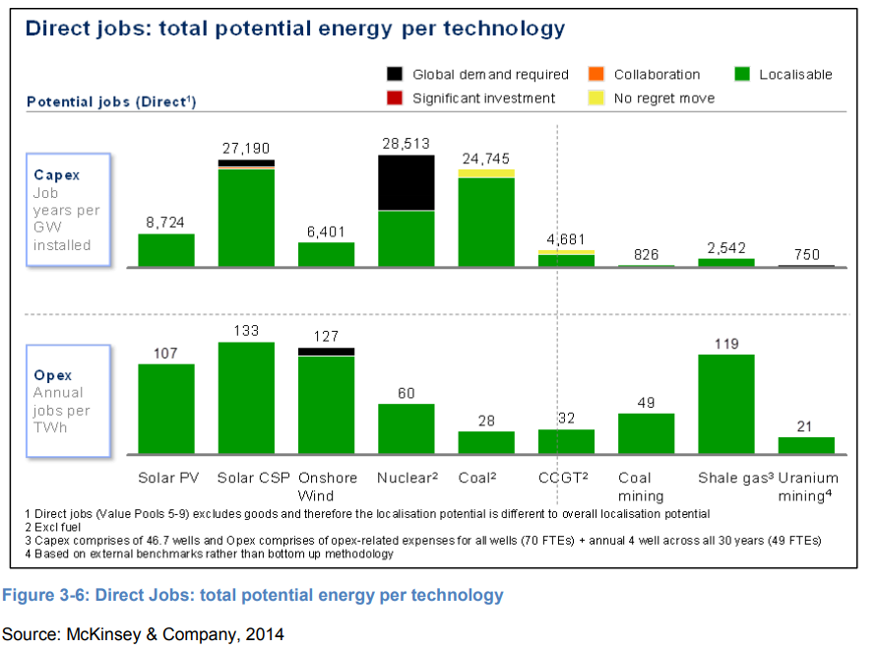
 |  |  |  |  | McKinsey/IEP | 107 | 127 | 28 | 60 | 262 | 405 | 184 | 420 |  |  |  |  | 10 | 628
 |  |  |  |  | EIA_2017 | 44 | 22 |  |  | 107 | 69 |  |  |  |  |  |  | 11 | Majuba |  |  |  | GW | Employees | jobs/GW/yr |  | jobs/TWh
 |  |  |  |  | Eskom |  |  | 35.7 | 92.1 |  |  | 206 | 645 |  |  |  |  | 11 | 508 |  | Ecoal (Eskom only) |  | 35.84 | 7388 | 206 | This seems too low
 |  |  |  |  | This Study | 153 | 98 | 50.8 | 92.1 | 376 | 311 | 333 | 645 |  |  |  |  | 12 | Matimba |  | EHydro |  | 0.67 |  | 0
 |  |  |  |  |  |  |  |  |  |  |  |  |  |  |  |  |  | 12 | 476 |  | ENuclear |  | 1.86 | 1200 | 645
 |  |  |  |  |  |  |  |  |  |  |  |  |  |  |  |  |  | 13 | Matla |  | EOil |  | 2.46 |  | 0
 |  |  |  |  |  |  |  |  |  |  |  |  |  |  |  |  |  | 13 | 659 |  | EPumpStorage |  | 1.58 |  | 0
 |  |  |  |  |  |  |  |  |  |  |  |  |  |  |  |  |  | 14 | Medupi |  |  |  | 42.41
 |  |  |  |  |  |  |  |  |  |  |  |  |  |  |  |  |  | 14 | 293 |  |  |  | GW | jobs
 |  |  |  |  |  |  |  |  |  |  |  |  |  |  |  |  |  | 15 | Tutuka |  | Total Gx |  | 43.910 | 15221.333333
 |  |  |  |  |  |  |  |  |  |  |  |  |  |  |  |  |  | 15 | 649 |  | Balancing Nuclear with average |  | 42.050 | 14021.333333 | 333 | Will use this | 50.752558954
 |  |  |  | From SAM
 |  |  |  | Total employed in electricity sector: |  |  |  |  |  |  |  |  |  |  |  |  |  | CAMDEN | 1,520
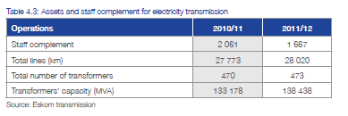
 |  |  |  |  |  |  | 2012 |  |  |  |  |  |  |  |  |  |  | GROOTVLEI | 360
 |  |  |  | flab-p | nat | base | 3.730645 |  |  |  |  |  |  |  |  |  |  | KOMATI | 200
 |  |  |  | flab-m | nat | base | 4.245748 |  |  |  |  |  |  |  |  |  |  | ARNOT | 2,220
 |  |  |  | flab-s | nat | base | 14.047689 |  |  |  |  |  |  |  |  |  |  | DUVHA | 3,480
 |  |  |  | flab-t | nat | base | 50.291948 |  |  |  |  |  |  |  |  |  |  | HENDRINA | 1,900
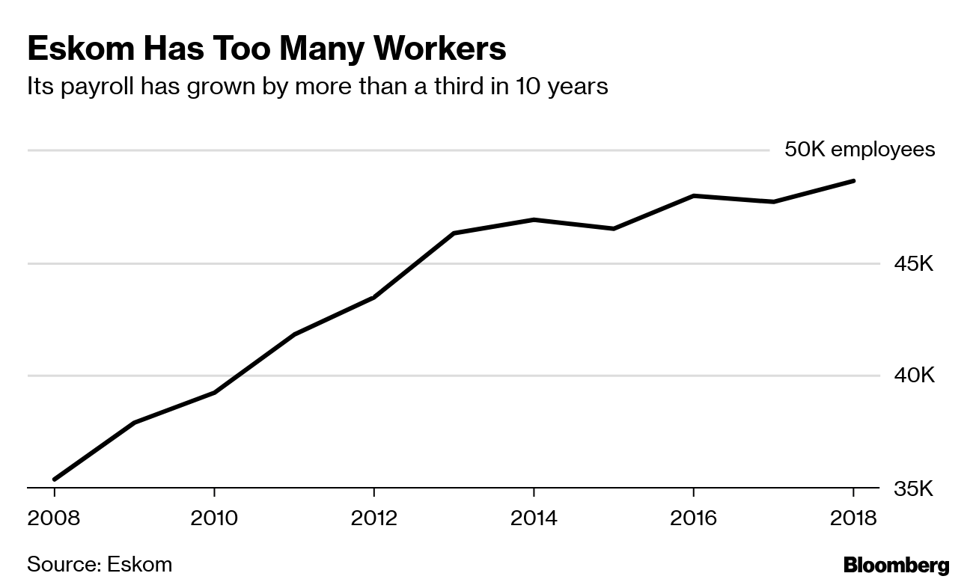
 |  |  |  |  |  |  |  |  |  |  |  |  |  |  |  |  |  | KENDAL | 3,840
 |  |  |  | Total |  |  | 72.3 |  |  |  |  |  |  |  |  |  |  | KRIEL | 2,880
 |  |  |  | Total Employed at Eskom |  |  | 44 |  |  |  |  |  |  |  |  |  |  | LETHABO | 3,540
 |  |  |  | Munics |  |  | 28 |  |  |  |  |  |  |  |  |  |  | MAJUBA DRY | 1,830
 |  |  |  | Eskom Distribution |  |  | 28 |  |  |  |  |  |  |  |  |  |  | MAJUBA WET | 2,010
 |  |  |  |  |  |  |  |  |  |  |  |  |  |  |  |  |  | MATIMBA | 3,720
 |  |  |  | Eskom (Gx+ Other) |  |  | 16 |  |  |  |  |  |  |  |  |  |  | MATLA | 3,480
 |  |  |  | Generation |  |  | 8.6 |  |  |  |  |  |  |  |  |  |  | TUTUKA | 3,540
 |  |  |  | Other (Tx+Head office) |  |  | 7 |  |  |  |  |  |  |  |  |  |  | KELVIN A | 50
 |  |  |  |  |  |  |  |  |  |  |  |  |  |  |  |  |  | KELVIN B | 160
 |  |  |  |  |  |  |  |  |  |  |  |  |  |  |  |  |  | PRETORIA WEST | 90
 |  |  |  | From NERSA |  |  |  | Head Office/other |  |  |  |  |  |  |  |  |  | ROOIWAL | 180
 |  |  |  |  | Generation | Transmission | Tx+Other Corporate | Other corporate | Finance+HR | Eskom Rotek | New build | Distribution | Total |  |  |  |  | Sasol Infrachem | 150
 |  |  |  | Eskom Optimal staffing vision in 2019 | 10.107 | 2.005 |  | 2.135 | 1.889 | 5.164 | 1.441 | 10.508 | 33.249 |  |  |  |  | Sasol SSF | 500
 |  |  |  | Eskom 2012 | 12.42 | 1.67 |  | 7.83 |  |  |  | 22.08 | 44 |  |  |  |  | OCGT liquid fuels Existing | 180
 |  |  |  | Munics 2012 | 1.08 |  |  | 3.7 |  |  |  | 23.48 | 28.27603 |  |  |  |  | OCGT liquid fuels Existing | 1350
 |  |  |  | Combined 2012 | 13.50 | 1.67 |  | 11.54603 |  |  |  | 45.56 | 72.3 |  |  |  |  | OCGT liquid fuels Existing | 750
 |  |  |  | This Study | 15.221 |  | 9.773 |  |  |  |  | 47.281 | 72.276 |  |  |  |  | OCGT liquid fuels Existing | 180
 | Generation | Transmission | Tx+Other Corporate | Other corporate | Finance+HR | Eskom Rotek | New build | Distribution
Eskom Optimal staffing vision in 2019 | 10.107 | 2.005 |  | 2.135 | 1.889 | 5.164 | 1.441 | 10.508
Eskom 2012 | 12.42 | 1.67 |  | 7.83 |  |  |  | 22.08
Munics 2012 | 1.08 |  |  | 3.71603 |  |  |  | 23.48
Combined 2012 | 13.5 | 1.67 |  | 11.54603 |  |  |  | 45.56
This Study | 15.221333333 |  | 9.77303 |  |  |  |  | 47.281333333
 |  |  |  |  | 21% |  | 65% |  |  |  |  | 13.5% |  |  |  |  |  | Hydro Existing Region | 1500
 | Generation | Transmission | Tx+Other Corporate | Other corporate | Finance+HR | Eskom Rotek | New build | Distribution
Eskom 2012 | 12.42 | 1.67 |  | 7.8 |  |  |  | 22.08
Munics 2012 | 1.08 |  |  | 3.7 |  |  |  | 23.48
Combined 2012 | 13.5 | 1.67 |  | 11.5 |  |  |  | 45.56
This Study | 15.221333333 |  | 9.77303 |  |  |  |  | 47.281333333
 |  |  |  | Model 2050 |  |  | 41.0

 |  |  |  | Transmission Capacity |  | GW | 34.2 |  |  |  |  |  |  |  |  |  |  | Hydro existing South Africa | 65
 |  |  |  | Empl. (Tx only) |  | 000 empl./GW | 0.048830409357 |  |  |  |  |  |  |  |  |  |  | Hydro existing South Africa | 360
 |  |  |  | Empl. (Tx+HQ) |  |  | 0.28576111111 |  |  |  |  |  |  |  |  |  |  | Hydro existing South Africa | 240
 |  |  |  |  |  |  |  |  |  |  |  |  |  |  |  |  |  | Nuclear Existing | 1860

 |  |  |  | Distribution Details

 |  |  |  | Customer Category | Total Customers (million)
 |  |  |  | Domestic | 31.005621
 |  |  |  | Agriculture | 0.108553
 |  |  |  | Mining | 0.001125
 |  |  |  | Manufacturing/industrial | 0.031539
 |  |  |  | Commercial | 0.327467
 |  |  |  | Transport | 0.000616
 |  |  |  | General | 0.012408
 |  |  |  | Redistributors | 0.00103
 |  |  |  | Total | 31.488359

 |  |  |  |  | Weighting | 0.6 |  | 0.4
 |  |  |  | Satim sub-Sectors | BY Customers (m) | Share | BY Capacity (GW) | Share | weighted Share | Employment | 2012 Employment '000 empl./GW | If Include Eskom vision
 |  |  |  | EDist Residential | 31.005621 | 98% | 10.6821 | 29% | 71% | 33.41 | 3.128 | 25.23 | 2.362
 |  |  |  | EDist Agriculture | 0.108553 | 0% | 0.912 | 2% | 1% | 0.57 | 0.620 | 0.43 | 0.468
 |  |  |  | EDist Industry | 0.045072 | 0% | 18.7765 | 51% | 20% | 9.67 | 0.515 | 7.30 | 0.389
 |  |  |  | EDist Commercial | 0.328497 | 1% | 6.0609 | 16% | 7% | 3.40 | 0.562 | 2.57 | 0.424
 |  |  |  | Edist Transport | 0.000616 | 0% | 0.4507 | 1% | 0% | 0.23 | 0.514 | 0.17 | 0.388

 |  |  |  | Total | 31.488359 |  | 36.8822 |  |  | 47.281 |  | 35.709

From SAM
Previous SAM Final VA |  |  |  |  |  |  |  |  |  |  |  |  |  |  | Previous SAM shares
 | aelec-cds | aelec-clw | aelec-nuc | aelec-hyd | aelec-spv | aelec-sth | aelec-wnd | aelec-was | aelec-gas | aelec-die |  |  |  |  |  | aelec-cds | aelec-clw | aelec-nuc | aelec-hyd | aelec-spv | aelec-sth | aelec-wnd | aelec-was | aelec-gas | aelec-die
flab-p | 0.01 | 635.44 | 55.74 | 15.56 | 1.26 | 1.90 | 0.19 | 0.45 | 0.00 | 0.04 | 710.58 | 5% |  |  | flab-p | 0.05 | 0.05 | 0.07 | 0.03 | 0.05 | 0.05 | 0.05 | 0.05 | 0.04 | 0.04
flab-m | 0.01 | 1615.63 | 74.47 | 52.02 | 2.25 | 3.38 | 0.34 | 0.83 | 0.00 | 0.08 | 1749.00 | 13% |  |  | flab-m | 0.14 | 0.14 | 0.10 | 0.12 | 0.09 | 0.09 | 0.09 | 0.10 | 0.08 | 0.08
flab-s | 0.03 | 3267.35 | 163.08 | 146.91 | 5.67 | 8.51 | 0.86 | 2.11 | 0.00 | 0.22 | 3594.75 | 27% |  |  | flab-s | 0.28 | 0.28 | 0.21 | 0.33 | 0.23 | 0.23 | 0.23 | 0.24 | 0.23 | 0.23
flab-t | 0.05 | 6267.34 | 477.03 | 230.63 | 15.59 | 23.38 | 2.36 | 5.30 | 0.00 | 0.60 | 7022.28 | 54% |  |  | flab-t | 0.53 | 0.53 | 0.62 | 0.52 | 0.63 | 0.63 | 0.63 | 0.61 | 0.64 | 0.64
 | 0.10 | 11785.75 | 770.31 | 445.12 | 24.77 | 37.16 | 3.75 | 8.69 | 0.01 | 0.94 | 13076.61 |  |  |  |  | 1.00 | 1.00 | 1.00 | 1.00 | 1.00 | 1.00 | 1.00 | 1.00 | 1.00 | 1.00
 | 0% | 90% | 6% | 3% | 0% | 0% | 0% | 0% | 0% | 0%

Kallie Techs |  |  |  |  |  |  |  |  |  |  |  |  |  |  | Kalie Techs - Shares
 | aelec-coa | aelec-nuc | aelec-hyd | aelec-sol | aelec-spv | aelec-sth | aelec-wnd | aelec-geo | aelec-was | aelec-gas | aelec-die |  |  |  |  | aelec-coa | aelec-nuc | aelec-hyd | aelec-sol | aelec-spv | aelec-sth | aelec-wnd | aelec-geo | aelec-was | aelec-gas | aelec-die
flab-p | 0.02 | 0.04 | 0.02 | 0.05 | 0.00 | 0.00 | 0.05 | 0.05 | 0.02 | 0.00 | 0.00 | 0.24 |  |  | flab-p | 0.11 | 0.16 | 0.08 | 0.11 | 0.10 | 0.10 | 0.11 | 0.11 | 0.11 | 0.10 | 0.10
flab-m | 0.05 | 0.05 | 0.06 | 0.07 | 0.01 | 0.01 | 0.07 | 0.07 | 0.03 | 0.01 | 0.01 | 0.43 |  |  | flab-m | 0.26 | 0.19 | 0.23 | 0.19 | 0.17 | 0.17 | 0.19 | 0.19 | 0.19 | 0.17 | 0.17
flab-s | 0.05 | 0.05 | 0.08 | 0.09 | 0.01 | 0.01 | 0.09 | 0.09 | 0.03 | 0.01 | 0.01 | 0.50 |  |  | flab-s | 0.25 | 0.20 | 0.31 | 0.22 | 0.23 | 0.23 | 0.22 | 0.22 | 0.23 | 0.23 | 0.23
flab-t | 0.07 | 0.11 | 0.10 | 0.19 | 0.02 | 0.02 | 0.19 | 0.19 | 0.07 | 0.02 | 0.02 | 0.99 |  |  | flab-t | 0.38 | 0.46 | 0.38 | 0.48 | 0.50 | 0.50 | 0.48 | 0.48 | 0.46 | 0.50 | 0.50
 | 0.19 | 0.24 | 0.27 | 0.39 | 0.04 | 0.04 | 0.39 | 0.39 | 0.15 | 0.04 | 0.04 |  |  |  |  | 1.00 | 1.00 | 1.00 | 1.00 | 1.00 | 1.00 | 1.00 | 1.00 | 1.00 | 1.00 | 1.00

 |  |  |  |  |  |  |  |  |  |  |  |  |  |  |  |  |  |  |  |  |  | From BCG report 2021
From 2012 Model
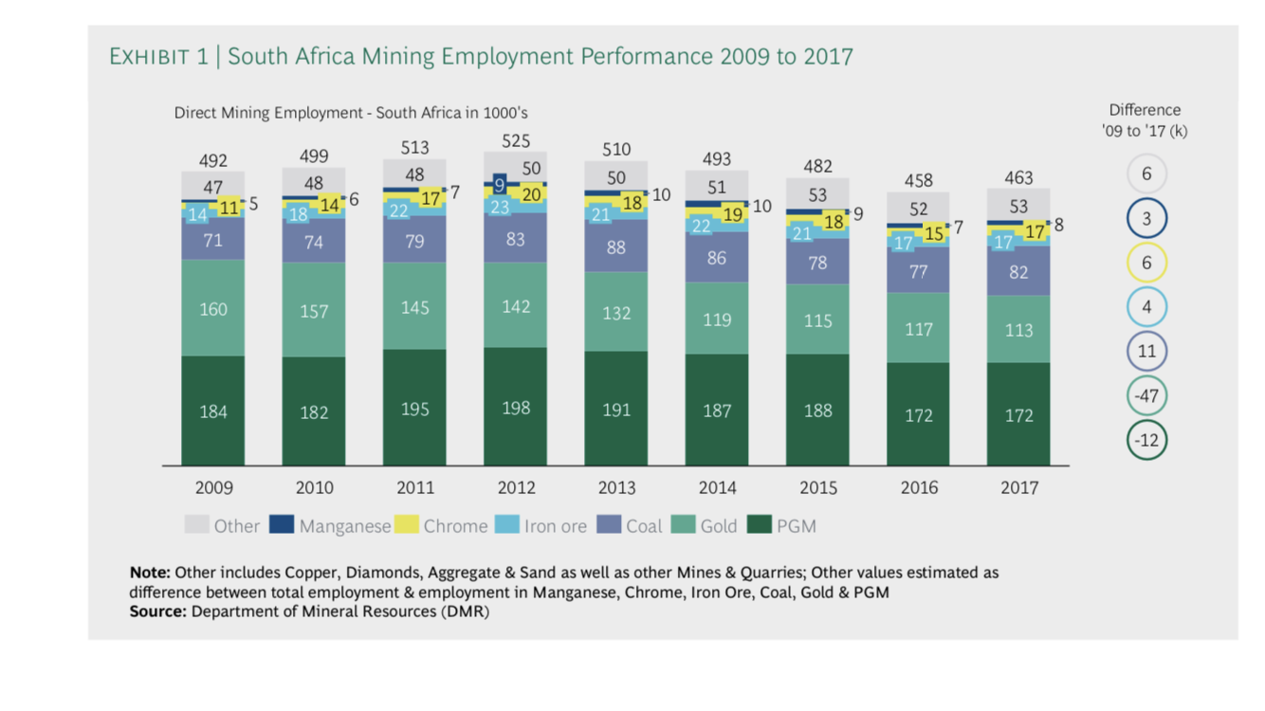
QFX_aelec (Labour supply ['000 employees]) |  |  |  |  |  | WF (avg wage rate) [mR/empl./year] |  |  |  | WFDist_aelec (wage distortion factor) |  |  |  | WF*WFDist |  | QF*WF*WFDist [bR] |  | SAM check [bR]
 |  |  | 2012 | Share |  |  | 2012 |  |  |  | 2012 |  |  |  |  |  |  |  | aelec
flab-p | nat | base | 3.7306 | 0.05158754852 |  | flab-p | 0.039 |  |  | flab-p | 2.821 |  |  | 0.110019 |  | 0.410 |  | flab-p | 0.41
flab-m | nat | base | 4.2457 | 0.058710463397 |  | flab-m | 0.05 |  |  | flab-m | 2.255 |  |  | 0.11275 |  | 0.479 |  | flab-m | 0.483
flab-s | nat | base | 14.0477 | 0.19425465216 |  | flab-s | 0.089 |  |  | flab-s | 1.946 |  |  | 0.173194 |  | 2.433 |  | flab-s | 2.444
flab-t | nat | base | 50.2919 | 0.69544733592 |  | flab-t | 0.177 |  |  | flab-t | 2.236 |  |  | 0.395772 |  | 19.904 |  | flab-t | 19.861
 |  |  | 72.3159 |  |  |  |  |  |  |  |  |  |  |  |  |  |  |  | 23.198
 |  |  |  |  |  |  |  |  |  |  |  |  |  |  |  |  |  | avg | 0.321

 |  |  | 4.2256
 |  |  | 3.7133
 |  |  | 13.9822
 |  |  | 50.0583
 |  |  | IFA_ELC |  |  |  |  | iva_ELC |  |  | QA_ELC
 |  |  | flab-p | flab-m | flab-s | flab-t |  |  | aelec |  |  |  |  | 2012
 |  | 2012 | 0.0443 | 0.0504 | 0.1667 | 0.5969 |  | 2012 | 0.11017 |  | aelec | base | 2050 | 765
 |  | Check | 3.734 | 4.248 | 14.049 | 50.307

ElecBY
 |  |  |  |  |  |  |  |  | 41.02
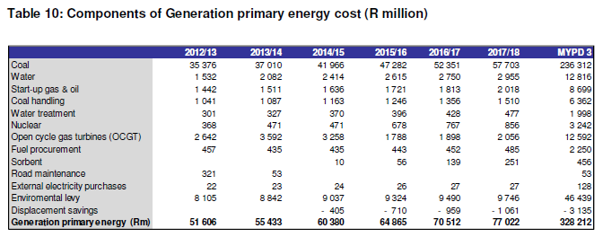

 |  |  |  | Source
 | GOS (2012 Rands) | mR | 61,053 | 2012 SAM
 | GOS (2015 Rands) | mR | 71,554 | 1.172 (conversion from 2012->2015)
 | Gx | mR | 26,552
 | Tx | mR | 10,262
 | Dx | mR | 34,740
 | Other Operating Costs (2012 Rands) | mR | 41,635
 | Other Operating Costs (2015 Rands) | mR | 48,796 | 1.172 (conversion from 2012->2015)
 | Gx | mR | 18,107
 | Tx+other corporate | mR | 6,998
 | Dx | mR | 23,691
 | Fuel (incl.tra-coal) (2012 Rands) | mR | 38,479 | 2012 SAM
 | Fuel (2015 Rands) | mR | 45,098 | 1.172 (conversion from 2012->2015)
 | Total | mR | 165,448 | 141,167
 | Units | TWh | 208.0 | 212.22222222
 | Avg Unit cost (2015 Rands) | R/kWh | 0.795 | 0.665 | 0.6588
 | Avg Unit cost (2012 Rands) | R/kWh | 0.679
 | Eskom |  | 2012/13 | Source
 | Generation | mR | 9894 | Eskom MYPD3 Table 23: gross maintenance costs per division
 | Transmission | mR | 397
 | Distribution | mR | 8298
 | Corporate | mR | 211
 | Total gross costs (Rm) | mR | 18801
 | Manpower included in gross | mR | -5542
 | Consulting fees included in gross | mR
 | Capitalised | mR | -2815
 | Total net maintenance (Rm) | mR | 10443

 | Generation Capacity
 | Non-Eskom | MW | 784 |  | NERSA 2012 (Table 3.2, Munics Net Maximum Power)
 | Eskom | MW | 40,329 |  | NERSA 2012 (Table 3.2, Eskom Net Maximum Power)
 | Total Capacity | MW | 41,113

 | Distribution
 | Eskom | GWh | 119,341 |  | NERSA 2012 (table 6.5) (Eskom - own use - redistributors)
 | non-eskom | GWh | 94,247 |  | NERSA 2012 (table 6.5) (Munics - own use)
 | Total | GWh | 213,588

 | Restructured from Table Above
 | Gx |  | 10,086 | Generation scaled up using non-Eskom capacity
 | Tx |  | 608 | Transmission + Corporate
 | Dx (incl.Munics) |  | 14,851 | Distribution scaled up using non-Eskom distribution
 | Total |  | 25,546
 | Other |  | 16,090
 | Other split into 3 and added to components
 | Gx |  | 15,450 | 37%
 | Tx + other corporate |  | 5,971 | 14%
 | Dx (incl.Munics) |  | 20,214 | 49%

 |  |  |  |  |  | Life | 60 | Scaling | 0.74295187856
 | Distribution |  |  |  |  | Discount | 8.20%
 | NCAP_COST | RESID | CAP_2012 | INV | Check | R0.07646 | CRF | Unscaled GOS | Scaled GOS | Scaled NCAP_COST | Check | Scaled Total FOM | Scaled NCAP_FOM (unit cost)
XAGRELC | 30,869 | 0.912 | 0.912 | 2,153 | 2,360 | 0.076459464959 | 0.076461363904 | 2,153 | 1599.2740982 | 22,934 | 22,934 | 1,091 | 1,196
XCOMELC | 15,435 | 6.0609 | 6.0609 | 6,933 | 1,144 | 0.074115615735 | 0.076461363904 | 7,153 | 5314.1668931 | 11,467 | 11,467 | 3,624 | 598
XICPELC | 7,337 | 1.2667 | 1.2667 | 711 | 561 | 0.076461362359 | 0.076461363904 | 711 | 527.93485472 | 5,451 | 5,451 | 360 | 284
XIFAELC | 7,337 | 0 | 1.7473 | 980 |  | FALSE | 0.076461363904 | 980 | 728.23918185 | 5,451 | 5,451 | 497 | 284
XIFBELC | 11,787 | 0.5433 | 0.5602 | 490 |  | FALSE | 0.076461363904 | 505 | 375.11585211 | 8,758 | 8,758 | 256 | 457
XIISELC | 7,337 | 3.5015 | 3.5015 | 1,964 | 561 | 0.076461375854 | 0.076461363904 | 1,964 | 1459.3541437 | 5,451 | 5,451 | 995 | 284
XIMIELC | 7,337 | 4.1948 | 4.1948 | 2,353 | 561 | 0.076461370885 | 0.076461363904 | 2,353 | 1748.3075145 | 5,451 | 5,451 | 1,192 | 284
XINFELC | 7,337 | 2.8782 | 2.8782 | 1,615 | 561 | 0.076461360808 | 0.076461363904 | 1,615 | 1199.5753524 | 5,451 | 5,451 | 818 | 284
XINMELC | 7,337 | 0.8427 | 0.8427 | 473 | 561 | 0.076461361479 | 0.076461363904 | 473 | 351.220259 | 5,451 | 5,451 | 240 | 284
XIOTELC | 11,787 | 0.904 | 1.4596 | 1,198 |  | FALSE | 0.076461363904 | 1,316 | 977.36361611 | 8,758 | 8,758 | 667 | 457
XIPPELC | 11,787 | 1.3541 | 1.3541 | 1,220 | 901 | 0.076461390827 | 0.076461363904 | 1,220 | 906.71969894 | 8,758 | 8,758 | 618 | 457
XRESELC | 30,869 | 10.6821 | 10.6821 | 23,458 | 2,196 | 0.071138688764 | 0.076461363904 | 25,213 | 18732.023952 | 22,934 | 22,934 | 12,774 | 1,196
XTRAELC | 15,435 | 9.9385 | 0.4507 | 11,729 |  | FALSE | 0.076461363904 | 532 | 395.17151227 | 11,467 | 11,467 | 269 | 598
XUPSELC | 7,717 | 0.7735 | 0.9714 | 572 |  | FALSE | 0.076461363904 | 573 | 425.85933772 | 5,734 | 5,734 | 290 | 299

Total |  |  |  |  |  |  |  | 46,760 | 34,740 |  |  | 23,691
Target |  |  |  |  |  |  |  |  | 34,740 |  |  | 23,691

 | Transmission |  |  |  |  |  |  |  | 2012 | Scaled NCAP_COST |  |  | Scaled FOM
ETRANSDUM |  | 34.2 | 34.2 |  |  |  | 0.076461363904 |  |  | 3924.33 |  |  | 204.6
Target |  |  |  |  |  |  |  |  | 10,262 |  |  | 6,998

 | Generation
 | Unscaled NCAP_COST | RESID | LIFE | CRF | Unscaled GOS | Scaled GOS | Scaled NCAP_COST | Unscaled FOM (unit cost) | Unscaled total FOM | Scaled Total FOM | NCAP_FOM (unit cost) | Unscaled ACT_COST (VOM) | SCALED ACT_COST | ACT_COST | Scaled ACT_COST
EPTSTO-E | 22,451.00 | 0 | 4230.6971717 | 0.0758 | 0.0 | 0 | #DIV/0! | 9.89 | 0 | 0.00 | #DIV/0! | 0 | 0 | 0 | 0.000 |  | 2011 | 2012
ERHYD-E | 22,781.42 | 0.12001708037 | 4292.9627226 | 0.0758 | 207.2 | 154 | 16915.92 | 91.438 | 11 | 7.91 | 65.89 | 0 | 0 | 0 | 0.000 | ETCLDFB-N |  | 30
ERHYD-I | 22,781.42 | 0.6898696347 | 4292.9627226 | 0.0758 | 1191.1 | 884 | 16915.92 | 91.438 | 63 | 45.45 | 65.89 | 0 | 0 | 0 | 0.000 | ETCLEARNO-E | 10 | 10
ETCLEARNO-E | 38,904.00 | 0.52848608141 | 7331.1230132 | 0.0758 | 1558.2 | 1,157 | 28887.44 | 845 | 447 | 321.79 | 608.90 | 993.7519 | 716.08706896 | 20.2778 | 14.612 | ETCLECAMD-E | 10 | 10
ETCLECAMD-E | 38,904.00 | 0.54057628389 | 7331.1230132 | 0.0758 | 1593.8 | 1,183 | 28887.44 | 845 | 457 | 329.16 | 608.90 | 680.4067 | 490.29384447 | 20.2778 | 14.612 | ETCLEDUVH-E | 9 | 9
ETCLEDUVH-E | 38,904.00 | 0.54867909069 | 7331.1230132 | 0.0758 | 1617.7 | 1,201 | 28887.44 | 845 | 464 | 334.09 | 608.90 | 1557.773 | 1122.5146857 | 20.2778 | 14.612 | ETCLEGROO-E | 10 | 10
ETCLEGROO-E | 38,904.00 | 0.36712940349 | 7331.1230132 | 0.0758 | 1082.4 | 804 | 28887.44 | 845 | 310 | 223.54 | 608.90 | 483.4469 | 348.36670362 | 20.2778 | 14.612 | ETCLEHEND-E | 10 | 10
ETCLEHEND-E | 38,904.00 | 0.55528125327 | 7331.1230132 | 0.0758 | 1637.2 | 1,216 | 28887.44 | 845 | 469 | 338.11 | 608.90 | 850.5084 | 612.8673236 | 20.2778 | 14.612 | ETCLEIG-N |  | 30
ETCLEKELB-E | 38,904.00 | 0.32478976408 | 7331.1230132 | 0.0758 | 957.6 | 711 | 28887.44 | 845 | 274 | 197.76 | 608.90 | 30.581 | 22.036343936 | 20.2778 | 14.612 | ETCLEKELA-E |  | 10
ETCLEKEND-E | 38,904.00 | 0.73846362585 | 7331.1230132 | 0.0758 | 2177.3 | 1,617 | 28887.44 | 845 | 624 | 449.65 | 608.90 | 1718.922 | 1238.6369442 | 20.2778 | 14.612 | ETCLEKELB-E | 10 | 10
ETCLEKOMA-E | 38,904.00 | 0.33889487475 | 7331.1230132 | 0.0758 | 999.2 | 742 | 28887.44 | 845 | 286 | 206.35 | 608.90 | 358.1088 | 258.04939941 | 20.2778 | 14.612 | ETCLEKEND-E | 16 | 16
ETCLEKRIE-E | 38,904.00 | 0.51376874916 | 7331.1230132 | 0.0758 | 1514.8 | 1,125 | 28887.44 | 845 | 434 | 312.83 | 608.90 | 1289.192 | 928.97806847 | 20.2778 | 14.612 | ETCLEKOMA-E | 10 | 10
ETCLELETH-E | 38,904.00 | 0.61567444212 | 7331.1230132 | 0.0758 | 1815.2 | 1,348 | 28887.44 | 845 | 520 | 374.88 | 608.90 | 1584.631 | 1141.8682753 | 20.2778 | 14.612 | ETCLEKRIE-E | 10 | 10
ETCLEMAJD-E | 38,904.00 | 0.69799220782 | 7331.1230132 | 0.0758 | 2057.9 | 1,528 | 28887.44 | 845 | 590 | 425.01 | 608.90 | 819.1739 | 590.28801557 | 20.2778 | 14.612 | ETCLELETH-E | 15 | 15
ETCLEMAJW-E | 38,904.00 | 0.69799220782 | 7331.1230132 | 0.0758 | 2057.9 | 1,528 | 28887.44 | 845 | 590 | 425.01 | 608.90 | 899.7484 | 648.34914485 | 20.2778 | 14.612 | ETCLEMAJD-E | 22 | 22
ETCLEMATI-E | 38,904.00 | 0.80860440216 | 7331.1230132 | 0.0758 | 2384.1 | 1,770 | 28887.44 | 845 | 683 | 492.36 | 608.90 | 1,250.60 | 901.17052416 | 20.2778 | 14.612 | ETCLEMAJW-E | 25 | 25
ETCLEMATL-E | 38,904.00 | 0.64632430581 | 7331.1230132 | 0.0758 | 1905.6 | 1,415 | 28887.44 | 845 | 546 | 393.55 | 608.90 | 1557.773 | 1122.5146857 | 20.2778 | 14.612 | ETCLEMATI-E |  | 10
ETCLEPFSI-E | 38,904.00 | 0.55688169146 | 7331.1230132 | 0.0758 | 1641.9 | 1,219 | 28887.44 | 845 | 471 | 339.08 | 608.90 | 77.6968 | 55.987489211 | 20.2778 | 14.612 | ETCLEMATL-E | 10 | 10
ETCLEPFSS-E | 38,904.00 | 0.7318224339 | 7331.1230132 | 0.0758 | 2157.7 | 1,602 | 28887.44 | 845 | 618 | 445.61 | 608.90 | 258.9894 | 186.62501207 | 20.2778 | 14.612 | ETCLEPFSI-E | 10 | 10
ETCLETUTU-E | 38,904.00 | 0.53757198696 | 7331.1230132 | 0.0758 | 1585.0 | 1,177 | 28887.44 | 845 | 454 | 327.33 | 608.90 | 1584.631 | 1141.8682753 | 20.2778 | 14.612 | ETCLEROOI-E | 10 | 10
ETNUC-E | 72,780.32 | 0.92601880493 | 13714.823558 | 0.0758 | 5107.6 | 3,793 | 54041.67 | 885 | 820 | 590.54 | 637.72 | 0 | 0 | 0 | 0.000 | ETCLESC-N |  | 50
ETODSGT-E | 8219.2 | 0.0029606004648 | 1548.8372987 | 0.0758 | 1.8 | 1 | 6103.01 | 147 | 0 | 0.31 | 105.93 | 0 | 0 | 0 | 0.000 | ETCLETUTU-E | 16 | 16

Total |  |  |  |  | 35,251 | 26,175 |  |  | 25,128 | 18,107 |  | 6580.32 | 11526.501805
Target |  |  |  |  | 26,175 |  |  |  | 18,107
 |  |  |  |  | 0.74253131903 |  |  |  | 0.72058938348

 |  |  |  |  |  | COST_INV(2012)
ETGASCCSS-N | - | - | - | - | - | 376.4241

 | ERHYDB-I | - | - | - | - | - | 0 | 4.4031
 | ERHYD-E | - | - | - | - | - | 0 | 0
 | ERHYDF-I | - | - | - | - | - | 0 | 4.4031
 | ERHYDGIE-I | - | - | - | - | - | 0 | 0
 | ERHYDGIW-I | - | - | - | - | - | 0 | 0
 | ERHYDH-I | - | - | - | - | - | 0 | 4.4031
 | ERHYD-I | - | - | - | - | - | 0 | 0
 | ERHYDI-I | - | - | - | - | - | 0 | 4.4031
 | ERHYDK-I | - | - | - | - | - | 0 | 4.4031
 | ERHYDM-I | - | - | - | - | - | 0 | 0
 | ETCLEARNO-E | - | - | - | - | - | 0 | 20.2778
 | ETCLECAMD-E | - | - | - | - | - | 0 | 20.2778
 | ETCLEDUVH-E | - | - | - | - | - | 0 | 20.2778
 | ETCLEGROO-E | - | - | - | - | - | 0 | 20.2778
 | ETCLEHEND-E | - | - | - | - | - | 0 | 20.2778
 | ETCLEKELA-E | - | - | - | - | - | 0 | 20.2778
 | ETCLEKELB-E | - | - | - | - | - | 0 | 20.2778
 | ETCLEKEND-E | - | - | - | - | - | 0 | 20.2778
 | ETCLEKOMA-E | - | - | - | - | - | 0 | 20.2778
 | ETCLEKRIE-E | - | - | - | - | - | 0 | 20.2778
 | ETCLELETH-E | - | - | - | - | - | 0 | 20.2778
 | ETCLEMAJD-E | - | - | - | - | - | 0 | 20.2778
 | ETCLEMAJW-E | - | - | - | - | - | 0 | 20.2778
 | ETCLEMATI-E | - | - | - | - | - | 0 | 20.2778
 | ETCLEMATL-E | - | - | - | - | - | 0 | 20.2778
 | ETCLEPFSI-E | - | - | - | - | - | 0 | 20.2778
 | ETCLEPFSS-E | - | - | - | - | - | 0 | 20.2778
 | ETCLEPRET-E | - | - | - | - | - | 0 | 20.2778
 | ETCLEROOI-E | - | - | - | - | - | 0 | 20.2778
 | ETCLETUTU-E | - | - | - | - | - | 0 | 20.2778
 | ETCRBSCBO-I | - | - | - | - | - | 0 | 6.55
 | ETCRBSCMO-I | - | - | - | - | - | 0 | 2.8019
 | ETGRNCC-I | - | - | - | - | - | 0 | 0
 | ETNUC-E | - | - | - | - | - | 0 | 0
 | ETODSGT-E | - | - | - | - | - | 0 | 0

 |  |  |  |  |  |  |  |  |  |  |  |  | resid
 |  |  |  |  |  |  |  |  |  |  |  |  | 2012
 |  |  |  |  |  |  |  |  |  |  | REGION1 | ETCLEARNO-E | 2.22
 |  |  |  |  |  |  |  |  |  |  | REGION1 | ETCLECAMD-E | 1.52
 |  |  |  |  |  |  |  |  |  |  | REGION1 | ETCLEDUVH-E | 3.48
 |  |  |  |  |  |  |  |  |  |  | REGION1 | ETCLEGROO-E | 1.08
 |  |  |  |  |  |  |  |  |  |  | REGION1 | ETCLEHEND-E | 1.9
 |  |  |  |  |  |  |  |  |  |  | REGION1 | ETCLEKELA-E | Eps
 |  |  |  |  |  |  |  |  |  |  | REGION1 | ETCLEKELB-E | 0.16
 |  |  |  |  |  |  |  |  |  |  | REGION1 | ETCLEKEND-E | 3.84
 |  |  |  |  |  |  |  |  |  |  | REGION1 | ETCLEKOMA-E | 0.8
 |  |  |  |  |  |  |  |  |  |  | REGION1 | ETCLEKRIE-E | 2.88
 |  |  |  |  |  |  |  |  |  |  | REGION1 | ETCLELETH-E | 3.54
 |  |  |  |  |  |  |  |  |  |  | REGION1 | ETCLEMAJD-E | 1.83
 |  |  |  |  |  |  |  |  |  |  | REGION1 | ETCLEMAJW-E | 2.01
 |  |  |  |  |  |  |  |  |  |  | REGION1 | ETCLEMATI-E | 3.72
 |  |  |  |  |  |  |  |  |  |  | REGION1 | ETCLEMATL-E | 3.48
 |  |  |  |  |  |  |  |  |  |  | REGION1 | ETCLEPFSI-E | 0.15
 |  |  |  |  |  |  |  |  |  |  | REGION1 | ETCLEPFSS-E | 0.5
 |  |  |  |  |  |  |  |  |  |  | REGION1 | ETCLEPRET-E | 0.09
 |  |  |  |  |  |  |  |  |  |  | REGION1 | ETCLEROOI-E | 0.18
 |  |  |  |  |  |  |  |  |  |  | REGION1 | ETCLETUTU-E | 3.54

 |  |  |  |  |  |  |  |  |  |  |  | 2011 | 2012
 |  |  |  |  |  |  |  |  |  |  | ETCLDFB-N |  | 30
 |  |  |  |  |  |  |  |  |  |  | ETCLEARNO-E | 10 | 10
 |  |  |  |  |  |  |  |  |  |  | ETCLECAMD-E | 10 | 10
 |  |  |  |  |  |  |  |  |  |  | ETCLEDUVH-E | 9 | 9
 |  |  |  |  |  |  |  |  |  |  | ETCLEGROO-E | 10 | 10
 |  |  |  |  |  |  |  |  |  |  | ETCLEHEND-E | 10 | 10
 |  |  |  |  |  |  |  |  |  |  | ETCLEIG-N |  | 30
 |  |  |  |  |  |  |  |  |  |  | ETCLEKELA-E |  | 10
 |  |  |  |  |  |  |  |  |  |  | ETCLEKELB-E | 10 | 10
 |  |  |  |  |  |  |  |  |  |  | ETCLEKEND-E | 16 | 16
 |  |  |  |  |  |  |  |  |  |  | ETCLEKOMA-E | 10 | 10
 |  |  |  |  |  |  |  |  |  |  | ETCLEKRIE-E | 10 | 10
 |  |  |  |  |  |  |  |  |  |  | ETCLELETH-E | 15 | 15
 |  |  |  |  |  |  |  |  |  |  | ETCLEMAJD-E | 22 | 22
 |  |  |  |  |  |  |  |  |  |  | ETCLEMAJW-E | 25 | 25
 |  |  |  |  |  |  |  |  |  |  | ETCLEMATL-E | 10 | 10
 |  |  |  |  |  |  |  |  |  |  | ETCLEPFSI-E | 10 | 10
 |  |  |  |  |  |  |  |  |  |  | ETCLEPFSS-E | 10 | 10
 |  |  |  |  |  |  |  |  |  |  | ETCLEPRET-E | 10 | 10
 |  |  |  |  |  |  |  |  |  |  | ETCLEROOI-E | 10 | 10
 |  |  |  |  |  |  |  |  |  |  | ETCLESC-N |  | 50
 |  |  |  |  |  |  |  |  |  |  | ETCLETUTU-E | 16 | 16
 |  |  |  |  |  |  |  |  |  |  | ETCLEMED-N-A |  | 50
 |  |  |  |  |  |  |  |  |  |  | ETCLEPFD-E-A | 16 | 16
 |  |  |  |  |  |  |  |  |  |  | ETCLEMATI-E |  | 50

