RES
 |  |  |  |  |  | Secondary Commodities |  | Exports/Links/Demands
 | IISCKE | IISCOA | IFAELC | INDBIO |  |  | IFACR
Supply | Industry - Iron and Steel - Coke | Industry - Iron and Steel - Coal | Industry-FA-Electricity | Industry Biochar | Conversion L1 |  | Industry - Ferro Alloy Metals production

 |  |  |  |  | FerroChrome existing |  |  |  | Options for Sectoral Naming
 |  |  |  |  |  |  |  |  | INH
 |  |  |  |  | (existing) |  |  |  | UNH
 |  |  |  |  |  |  |  |  | IAM
 |  |  |  |  | IFCEAF-E |  |  |  | UAM

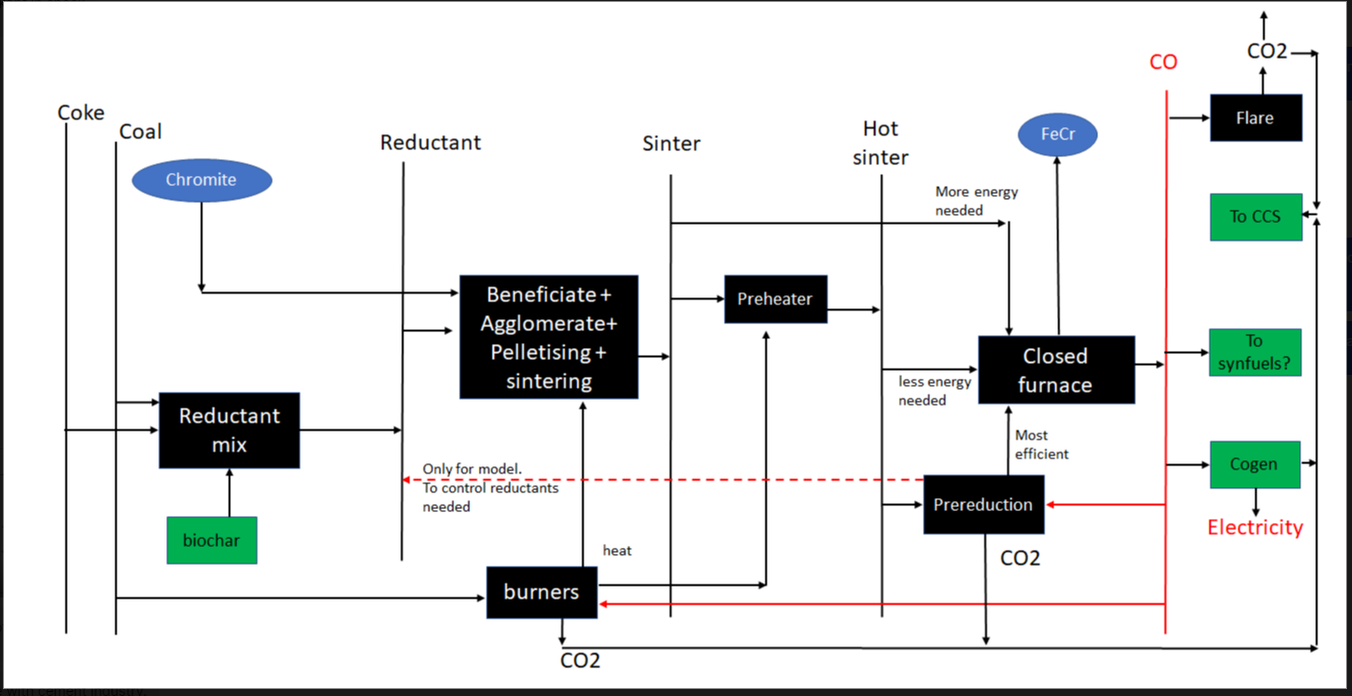
 |  |  |  |  | FerrChrome New

 |  |  |  |  | IFCEAF-N

 |  |  |  |  | FerroChrome with biomass

 |  |  |  |  | IFCEAFB-N

