Waterberg project
http://s1.q4cdn.com/169714374/files/doc_presentations/2020/01/Platinum-Group-Corporate-Presentation-January-7-2020-FINAL.pdf

 |  |  |  |  |  |  |  | grams
 |  |  |  |  |  |  | 1 oz = | 28.349
 |  |  |  |  |  |  | 1 troy oz = | 31.104

 |  |  | Lac des Iles | Waterberg
 |  | Resources (M&I) | 72.98M tonnes | 242M tonnes |  |  |  |  | to tonnes:
 |  | Reserves (P&P) | 3.5M ounces 3E | 19.5M ounces 4E | Total production |  | 19.5 | M oz | 552.81 | tonnes
 |  | Reserve Grade | 2.58 g/t 3E | 3.24g/t 4E | Annual production |  | 420000 | oz/year | 11.91 | tonnes per year
 |  | Mine Life | 9 Years | 45 Years | Life |  | 45 | years
 |  | Total All-in Cost (USD) | $834/Pd ounce | $767/4E ounce | Capital |  | 1104 | M USD | 92.72 | M USD/tonne/year
 |  | Annual Production | 294,000 ounces/3E | 420,000 ounces/4E | Onsite |  |  |  | 17.18 | M USD/tonne
 |  | Market Capitalization (USD) | $758M | $110M
 |  | Market Cap/Reserve Ounce (USD) | $216.57 | $11.28*

 |  |  |  |  |  | Capital

 |  |  |  |  |  |  | Million USD real
 |  |  |  |  |  | Mine | 406
 |  |  |  |  |  | Concentrator | 172
 |  |  |  |  |  | Infrastructure | 143
 |  |  |  |  |  |  |  | 45 | shared
 |  |  |  |  |  |  |  | 82 | regional
 |  |  |  |  |  |  |  | 16 | site support

 |  |  |  |  |  | total project capital | 1104

 |  |  |  |  |  | Operating
 |  |  |  |  |  |  | USD/4E ounce
 |  |  |  |  |  | On-site | 487
 |  |  |  |  |  | Smelting, refining, transport | 302 |  | off-site presumably goes to Polokwane
 |  |  |  |  |  | taxs+royalties | 88
 |  |  |  |  |  | Credits | -236

 |  |  |  |  |  | Sustaining capital | 94
 |  |  |  |  |  | Project capital | 34

 |  |  |  |  |  | sum | 769 | per ounce
 |  |  |  |  |  | without offsite | 467

 | Mining
 | Concentrating
 | Smelting
 | Refining

 | realisation | capital
2020 |  | -30
2021 |  | -60
2022 |  | -200
2023 |  | -290
2024 | -75 | -200
2025 | -75 | -300
 |  |  |  |  |  |  |  |  | realisation | capital
 |  |  |  |  |  |  |  | 2020 |  | -30
 |  |  |  |  |  |  |  | 2021 |  | -60
 |  |  |  |  |  |  |  | 2022 |  | -200
 |  |  |  |  |  |  |  | 2023 |  | -290
 |  |  |  |  |  |  |  | 2024 | -75 | -200
 |  |  |  |  |  |  |  | 2025 | -75 | -300
 |  |  |  |  |  |  |  |  |  | -1080

 |  |  |  |  |  |  |  |  | OpEX | capital
 |  |  |  |  |  |  |  | 2020 | -90 | -130 | -100
 |  |  |  |  |  |  |  | 2021
 |  |  |  |  |  |  |  | 2022
 |  |  |  |  |  |  |  | 2023
 |  |  |  |  |  |  |  | 2024
 |  |  |  |  |  |  |  | 2025

Students worksheet
CONVENTIONAL PGM PRODUCTION DATA |  |  |  |  |  | KELL PROCESS (BMR & PMR) DATA |  |  | ENERGY CONSUMPTION COMPARISON |  |  |  |  |  |  |  |  | EMISSIONS COMPARISON
Energy consumption |  |  |  |  |  | Energy intensity
Energy carrier (PJ) | Mining | Concentrate | Smelting | Refining | Total | Energy carrier | GJ/t concentrate | % | BASIS | 298.50 | t PGMs |  |  |  |  |  |  | Carbon intensity (kg CO2/ GJ) |  |  | Energy per carrier (PJ)
Electricity | 7.23 | 5.65 | 4.78 | 0.89 | 18.55 | Electricity | 0.65 | 0.21 |  |  |  |  |  |  |  |  |  | Electricity | Electricity grid |  | Stage | Electricity | Coal | Gas | Liquid fuels |  | 0.90 | CO2/MWh
Coal | 0.00 | 0.00 | 1.69 | 1.68 | 3.37 | Coal | 2.45 | 0.78 | PGM containing material |  |  |  |  |  |  |  |  | Coal | 90.50 |  | Mining | 24.75 | - | - | 5.10
Liquid fuel | 1.49 | 0.00 | 0.02 | 0.05 | 1.56 | Gas + Liquid fuel | 0.03 | 0.01 | Ore (t) | 99,500,000 |  |  |  |  |  |  |  | Liquid fuel | 69.87 |  | Concentrating | 12.74 |  | 0.02
Gas | 0.00 | 0.01 | 0.21 | 0.00 | 0.22 | Total | 3.13 | 100.00 | Concentrate (t) | 1,990,000 |  |  |  |  |  |  |  | Gas | 59.09 |  | Smelting | 6.43 | 2.27 | 0.03 | 0.28
Total | 8.72 | 5.66 | 6.70 | 2.62 | 23.70 |  |  |  | PMR product (t) | 299 |  |  |  |  |  |  |  | Gas + Liquid fuel | 64.48 |  | Refining | 1.20 | 2.26 | 0.07
 |  |  |  |  |  | Carbon intensity |  |  |  |  |  |  | Energy per carrier (PJ) |  |  |  |  |  |  |  | Kell process | 1.31 | 4.86 |  | 0.06
Composition of energy consumption |  |  |  |  |  | Energy carrier | CO2 intensity (kg CO2/ GJ) |  | Stage | Feed type | material flow (t) | Total Energy consumed (PJ) | Electricity | Coal | Gas | Liquid fuels | Energy intensity (PJ/ tPGMs)
Energy carrier | Mining | Concentrate | Smelting | Refining |  | Electricity |  |  | Mining | Ore | 99,500,000 | 29.85 | 24.75 | - | - | 5.10 | 0.10000 |  |  |  | Emissions per carrier (kt)
Electricity | 82.91% | 99.82% | 71.34% | 33.97% |  | Coal | 90.50 |  | Concentrating | Ore | 85,079,710 | 12.76 | 12.74 |  | 0.02 |  | 0.04 |  |  |  | Stage | Electricity | Coal | Gas | Liquid fuels | Total | Carbon intensity (kt/tPGMs)
Coal | 0.00% | 0.00% | 25.22% | 64.12% |  | Gas + Liquid fuel | 64.48 |  | Smelting | Concentrate to smelter | 1,990,000 | 9.01 | 6.43 | 2.27 | 0.28 | 0.03 | 0.03 |  |  |  | Mining |  | 0.00 | 0.00 | 356.38 | 356.38 | 1.19
Liquid fuel | 17.09% | 0.00% | 0.30% | 1.91% |  |  |  |  | Refining | Concentrate to smelter | 1,990,000 | 3.52 | 1.20 | 2.26 | 0.00 | 0.07 | 0.01 |  |  |  | Concentrating |  | 0.00 | 1.33 | 0.00 | 1.33 | 0.004
Gas | 0.00% | 0.18% | 3.13% | 0.00% |  |  |  |  | Kell process | Concentrate to process | 1,990,000 | 6.23 | 1.31 | 4.86 |  | 0.06 | 0.02 |  |  |  | Smelting |  | 205.79 | 1.59 | 19.74 | 227.13 | 0.76
 |  |  |  |  |  |  |  |  |  |  |  |  |  |  |  |  |  |  |  |  | Refining |  | 204.41 | 3.97 | 0.00 | 208.38 | 0.70
Energy intensity per operation |  |  |  |  |  |  |  |  |  |  |  |  |  |  |  |  |  |  |  |  | Kell process |  | 439.71 | 0.00 | 4.35 | 444.06 | 1.49
 | Energy intensity | Units
Mining | 0.30 | GJ/t broken |  |  |  |  |  |  |  |  |  |  |  |  |  |  |  | DIRECT EMISSIONS PER PROCESS OPERATION
Concentrate | 0.15 | GJ/t milled |  |  |  |  |  |  | ENERGY CONSUMPTION PER PROCESS OPERATION
Smelting | 4.53 | GJ/t concentrate to smelters |  |  |  |  |  |  |  | Electricity | Coal | Gas | Liquid fuels
 | Coal | Gas | Liquid fuels | Energy intensity | series2
Mining | 0.00 | 0.00 | 356.38 | 1.194 | 0
Concentration | 0.00 | 1.33 | 0.00 | 0.004
Smelting | 205.79 | 1.59 | 19.74 | 0.761
Refining | 204.41 | 3.97 | 0.00 | 0.698
Kell process | 439.71 | 0.00 | 4.35 | 1.488
Refining | 1.77 | GJ/t concentrate to smelters |  |  |  |  |  |  | Mining | 24.75 | - | - | 5.10
 |  |  |  |  |  |  |  |  | Concentration | 12.74 | 0.00 | 0.02 | 0.00
 |  |  |  |  |  |  |  |  | Smelting | 6.43 | 2.27 | 0.28 | 0.03
CO2 intensity per energy carrier |  |  |  |  |  |  |  |  | Refining | 1.20 | 2.26 | 0.00 | 0.07
 | CO2 emissions (t) | CO2 intensity (kg CO2/ GJ) |  |  |  |  |  |  | Kell process | 1.31 | 4.86 | 0.00 | 0.06
Electricity | -
 | Electricity | Coal | Gas | Liquid fuels | Energy intensity | series2
Mining | 24.75 | 0.00 | 0.00 | 5.10 | 0.10 | 0
Concentration | 12.74 | 0.00 | 0.02 | 0.00 | 0.04
Smelting | 6.43 | 2.27 | 0.28 | 0.03 | 0.03
Refining | 1.20 | 2.26 | 0.00 | 0.07 | 0.01
Kell process | 1.31 | 4.86 | 0.00 | 0.06 | 0.02
Coal | 305,000.00 | 90.50
Liquid fuel | 109,000.00 | 69.87
Gas | 13,000.00 | 59.09

PGE CONTENT PER PROCESSED MATERIAL
Material | Content
Ore | 0.000%
concentrate | 0.02%
converter matte | 0.20%
BMR leach residue | 50.00%
PMR product | 99.95%

Overall mass balance

 | Mining | Concentration | Smelting/Refining/Kell
Feed (Mt) | 99.67 | 85.14 | 1.99
PGM (t) | 299 | 299 | 299
Solid waste (Mt) | 14.53 | 83.14 | 1.99

 |  |  |  |  |  |  |  |  | ENERGY CONSUMPTION PER PROCESS ROUTE |  |  |  |  |  |  |  |  | DIRECT EMISSIONS PER PROCESS ROUTE

 |  |  |  |  |  |  |  |  |  | Mining | Concentrating | Smelting | Refining | Kell process | Total |  |  |  | Mining | Concentration | Smelting | Refining | Kell process | Total (kt) |  | Electricity consumption (PJ)
 |  |  |  |  |  |  |  |  | Conventional route | 29.85 | 12.76 | 9.01 | 3.52 | 0.00 | 55.15 |  |  | Conventional | 356.38 | 1.33 | 227.13 | 208.38 | 0.00 | 793.22 |  | Conventional | 45.12
 |  |  |  |  |  |  |  |  | New route | 29.85 | 12.76 | 0.00 | 0.00 | 6.23 | 48.84 |  |  | New tech | 356.38 | 1.33 | 0.00 | 0.00 | 444.06 | 801.77 |  | New | 38.80

 | Mining | Concentration | Smelting | Refining | Kell process | Series 2
Conventional route | 29.85 | 12.76 | 9.01 | 3.52 | 0.00 | 0
New route | 29.85 | 12.76 | 0.00 | 0.00 | 6.23
 |  |  |  |  |  |  |  |  |  |  |  |  |  |  |  |  |  |  | Mining | Concentration | Smelting | Refining | Kell process
 |  |  |  |  |  |  |  |  |  |  |  |  |  |  |  |  |  | Conventional route | 6,543.74 | 3,186.18 | 1,834.97 | 507.51 | 0.00 | 12,072.39
 |  |  |  |  |  |  |  |  |  |  |  |  |  |  |  |  |  | New route | 6,543.74 | 3,186.18 | 0.00 | 0.00 | 771.06 | 10,500.98
 | Mining | Concentration | Smelting | Refining | Kell process | series2
Conventional route | 356.38 | 1.33 | 227.13 | 208.38 | 0.00 | 0
New route | 356.38 | 1.33 | 0.00 | 0.00 | 444.06

Minerals council report 2017
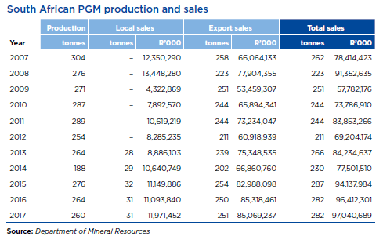

 | 2012 | 2013 | 2014 | 2015 | 2016 | 2017
PGM prod | 254 | 264 | 188 | 276 | 264 | 260

local sales |  | 28 | 29 | 32 | 31 | 31
exports |  | 239 | 202 | 254 | 250 | 251

% local sales to production |  | 11% | 15% | 12% | 12% | 12%

Brunos EB
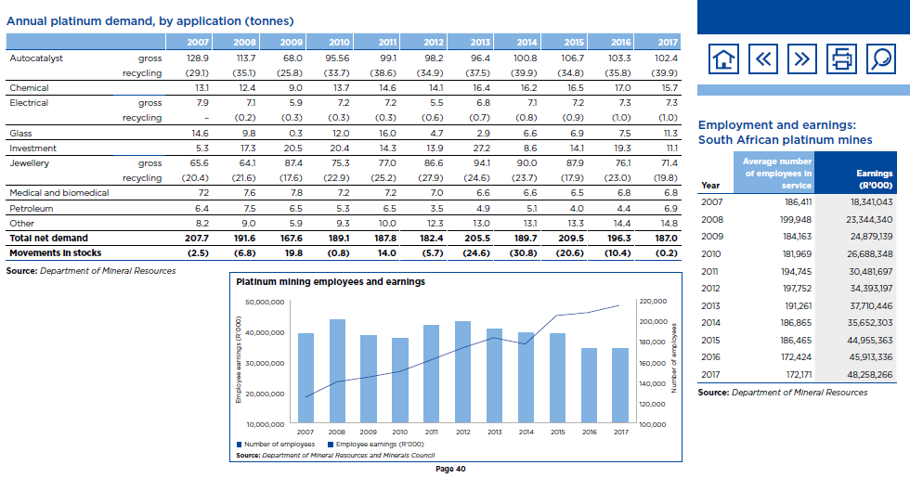
2017
Inputs |  |  | Outputs |  | PRC_ACTFLO
Commodity | PJ | shares | Commodity | tons | exist | new | Choice to be made here, whether we work on gross (260) or net (187)
INDCOA | 0 | 0 | PGM | 260 |  |  |  |  | % domestic
INDODS | 4.52 | 0.10324980512 |  |  | 0.017402496057 |  |  |  | 12%
INFELC | 39.30 | 0.89675019488 |  |  | 0.15114499938 | 0.15984624741
INFGAS | 0 | 0
Total | 43.822348813 | 1

 |  |  |  |  |  |  |  |  |  |  |  | domestic | export | agv
 |  |  |  |  |  |  |  |  |  |  |  | 386.16129032 | 338.92031873 | 373.23076923

 |  |  |  |  |  |  |  |  | 2012 | 2013 | 2014 | 2015 | 2016 | 2017
 |  |  |  |  |  |  |  | Before Beneficiation | 254 | 264 | 188 | 276 | 264 | 260
 |  |  |  |  |  |  |  | After Beneficiation | 182.4 | 205.5 | 189.7 | 209.5 | 196.3 | 187

