Betting Decisions
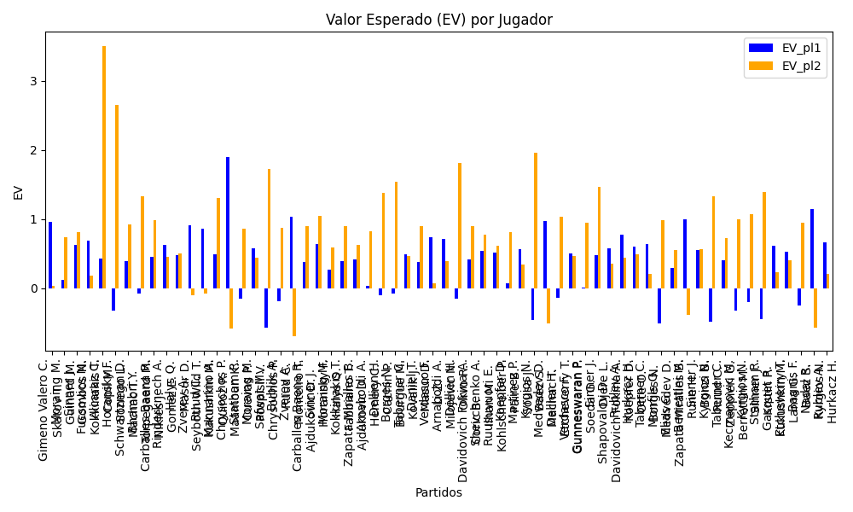
Surface | pl1 | pl1_flag | pl1_hand | pl1_bet | pl2 | pl2_flag | pl2_hand | pl2_bet | Result | DiffProffTime | DiffPts | DiffWeight | DiffHeight | Class | Prob_win_pl1 | Prob_win_pl2 | Accuracy | date_run | EV_pl1 | EV_pl2 | Std_Dev_pl1 | Std_Dev_pl2 | Sharpe_Ratio_pl1 | Sharpe_Ratio_pl2 | Best_Bet_EV | match | Best_Bet | Best_Bet_Sharpe | Money_to_Bet | Prob_Win | Payout
clay | Gimeno Valero C. | ESP | Right-Handed | 2.21 | Skatov T. | KAZ | Right-Handed | 1.63 | 0 | 0 | -126 | 7 | 15 | 0 | 0.6086616378 | 0.3913383622 | 0.6 | 2022-03-01 | 0.95380385735 | 0.02921989258 | 1.0785901513 | 0.79552124278 | -0.0521014795 | -1.2328773321 | 0.95380385735 | Gimeno Valero C. Skatov T. | pl1 | -0.0521014795 | 1.61 | 0.6086616378 | 2.21
clay | Moraing M. | DEU | Left-Handed | 1.95 | Guinard M. | FRA | Right-Handed | 1.8 | 0 | 5 | -166 | 3 | 2 | 1 | 0.38142752761 | 0.61857247239 | 0.6 | 2022-03-01 | 0.12521120644 | 0.7320029227 | 0.94718742223 | 0.87432685129 | -0.93412219461 | -0.31795555277 | 0.7320029227 | Moraing M. Guinard M. | pl2 | -0.31795555277 | 1.61 | 0.61857247239 | 1.8
Varioussurfaces | Sinner J. | ITA | Right-Handed | 1.1 | Gombos N. | SVK | Right-Handed | 6.95 | 0 | -7 | 2805 | -9 | -5 | 0 | 0.77156391903 | 0.22843608097 | 0.78571428571 | 2022-03-04 | 0.62028422996 | 0.81606684372 | 0.46180750951 | 2.9177838101 | -0.84389223219 | -0.066465910056 | 0.62028422996 | Sinner J. Gombos N. | pl1 | -0.84389223219 | 1.61 | 0.77156391903 | 1.1
Varioussurfaces | Fucsovics M. | HUN | Right-Handed | 1.78 | Kokkinakis T. | AUS | Right-Handed | 2.02 | 0 | 2 | 663 | -2 | -5 | 0 | 0.60689965568 | 0.39310034432 | 0.78571428571 | 2022-03-04 | 0.6871810428 | 0.18716303983 | 0.86942106813 | 0.98664638069 | -0.37130335234 | -0.83397352513 | 0.6871810428 | Fucsovics M. Kokkinakis T. | pl1 | -0.37130335234 | 1.61 | 0.60689965568 | 1.78
Varioussurfaces | Alcaraz C. | ESP | Right-Handed | 1.02 | Copil M. | ROU | Right-Handed | 14.21 | 0 | -13 | 1009 | -15 | -8 | 0 | 0.70439214842 | 0.29560785158 | 0.78571428571 | 2022-03-04 | 0.4228721398 | 3.4961954226 | 0.46544182579 | 6.4842434749 | -1.2614419841 | 0.38342104707 | 0.4228721398 | Alcaraz C. Copil M. | pl1 | -1.2614419841 | 1.61 | 0.70439214842 | 1.02
Varioussurfaces | Horansky F. | SVK | Right-Handed | 1.21 | Sonego L. | ITA | Right-Handed | 4.26 | 0 | 4 | -1581 | 1 | 0 | 1 | 0.3064407164 | 0.6935592836 | 0.78571428571 | 2022-03-04 | -0.32276601675 | 2.6481218317 | 0.55782811524 | 1.9639237776 | -2.3892055283 | 0.83410662389 | 2.6481218317 | Horansky F. Sonego L. | pl2 | 0.83410662389 | 1.61 | 0.6935592836 | 4.26
Varioussurfaces | Schwartzman D. | ARG | Right-Handed | 1.19 | Machac T. | CZE | Right-Handed | 4.27 | 0 | 8 | 2034 | -9 | -13 | 0 | 0.63410315187 | 0.36589684813 | 0.78571428571 | 2022-03-04 | 0.3886859026 | 0.92827638964 | 0.57320009218 | 2.0567768013 | -1.0839392838 | -0.039733825424 | 0.3886859026 | Schwartzman D. Machac T. | pl1 | -1.0839392838 | 1.61 | 0.63410315187 | 1.19
Varioussurfaces | Bhambri Y. | IND | Right-Handed | 1.42 | Torpegaard M. | DNK | Right-Handed | 2.77 | 0 | 5 | -332 | -9 | -8 | 1 | 0.38142596918 | 0.61857403082 | 0.78571428571 | 2022-03-04 | -0.076949154576 | 1.3320240962 | 0.68974619803 | 1.3454908229 | -1.5758682798 | 0.23933578044 | 1.3320240962 | Bhambri Y. Torpegaard M. | pl2 | 0.23933578044 | 1.61 | 0.61857403082 | 2.77
clay | Carballes Baena R. | ESP | Right-Handed | 1.16 | Nikles J. | CHE | Right-Handed | 5.04 | 0 | 4 | 734 | 9 | 13 | 0 | 0.67217517353 | 0.32782482647 | 0.78571428571 | 2022-03-04 | 0.45189837482 | 0.9800619519 | 0.54452790825 | 2.3658798772 | -1.0249274954 | -0.012654086284 | 0.45189837482 | Carballes Baena R. Nikles J. | pl1 | -1.0249274954 | 1.61 | 0.67217517353 | 1.16
Varioussurfaces | Rinderknech A. | FRA | Right-Handed | 1.18 | Gomez E. | ECU | Right-Handed | 4.74 | 0 | -5 | 607 | 5 | 11 | 0 | 0.74697012449 | 0.25302987551 | 0.78571428571 | 2022-03-04 | 0.62839487139 | 0.45239148541 | 0.51300255057 | 2.0607051608 | -0.743865948 | -0.27059111861 | 0.62839487139 | Rinderknech A. Gomez E. | pl1 | -0.743865948 | 1.61 | 0.74697012449 | 1.18
clay | Halys Q. | FRA | Right-Handed | 1.38 | Masur D. | DEU | Right-Handed | 2.93 | 0 | 0 | 184 | 0 | 8 | 0 | 0.6190456611 | 0.3809543389 | 0.78571428571 | 2022-03-04 | 0.47332867342 | 0.49715055188 | 0.67015751273 | 1.4228706611 | -0.80081371378 | -0.36043293474 | 0.47332867342 | Halys Q. Masur D. | pl1 | -0.80081371378 | 1.61 | 0.6190456611 | 1.38
Varioussurfaces | Zverev A. | DEU | Right-Handed | 1.02 | Seyboth Wild T. | BRA | Right-Handed | 14.96 | 0 | 3 | 7018 | 12 | 13 | 0 | 0.94331741724 | 0.05668258276 | 0.78571428571 | 2022-03-04 | 0.90550118283 | -0.095345979153 | 0.2358597934 | 3.4592769698 | -0.44305481519 | -0.31953092765 | 0.90550118283 | Zverev A. Seyboth Wild T. | pl1 | -0.44305481519 | 1.61 | 0.94331741724 | 1.02
Varioussurfaces | Ruud C. | NOR | Right-Handed | 1.08 | Kukushkin M. | KAZ | Right-Handed | 7.58 | 0 | -8 | 3685 | 5 | 0 | 0 | 0.89264480006 | 0.10735519994 | 0.78571428571 | 2022-03-04 | 0.85670118413 | -0.078892384519 | 0.33432945299 | 2.3464974571 | -0.45852620673 | -0.4640501021 | 0.85670118413 | Ruud C. Kukushkin M. | pl1 | -0.45852620673 | 1.61 | 0.89264480006 | 1.08
Varioussurfaces | Mannarino A. | FRA | Left-Handed | 1.09 | Quiroz R. | ECU | Left-Handed | 7 | 0 | 2 | 893 | -9 | -13 | 0 | 0.7126067942 | 0.2873932058 | 0.78571428571 | 2022-03-04 | 0.48934819989 | 1.2991456464 | 0.49327570475 | 3.1678256268 | -1.0554985683 | 0.091275745709 | 0.48934819989 | Mannarino A. Quiroz R. | pl1 | -1.0554985683 | 1.61 | 0.7126067942 | 1.09
Varioussurfaces | Chrysochos P. | CYP | Right-Handed | 2.47 | Maamoun K. | EGY | Right-Handed | 1.5 | 0 | -4 | -142 | 11 | 10 | 0 | 0.83465763544 | 0.16534236456 | 0.78571428571 | 2022-03-04 | 1.896261995 | -0.5866440886 | 0.91757846139 | 0.55723388343 | 0.96587053017 | -2.8653033063 | 1.896261995 | Chrysochos P. Maamoun K. | pl1 | 0.96587053017 | 1.61 | 0.83465763544 | 2.47
Varioussurfaces | Statham R. | NZL | Right-Handed | 2.94 | Cuevas P. | URY | Right-Handed | 1.38 | 0 | 0 | -640 | 2 | -2 | 1 | 0.21605236464 | 0.78394763536 | 0.52941176471 | 2022-03-05 | -0.14875368331 | 0.86579537215 | 1.2099582068 | 0.56793956648 | -0.95768075026 | -0.25390840216 | 0.86579537215 | Statham R. Cuevas P. | pl2 | -0.25390840216 | 1.61 | 0.78394763536 | 1.38
clay | Moraing M. | DEU | Left-Handed | 3.03 | Pospisil V. | CAN | Right-Handed | 1.36 | 0 | -3 | -213 | -4 | 5 | 1 | 0.39075701014 | 0.60924298986 | 0.52941176471 | 2022-03-05 | 0.57475075085 | 0.43781345608 | 1.4783977328 | 0.6635712596 | -0.29440605833 | -0.86228349351 | 0.43781345608 | Moraing M. Pospisil V. | pl2 | -0.86228349351 | 1.61 | 0.60924298986 | 1.36
Varioussurfaces | Safwat M. | EGY | Right-Handed | 1.58 | Chrysochos P. | CYP | Right-Handed | 2.26 | 0 | 5 | 404 | -1 | -5 | 1 | 0.16564356867 | 0.83435643133 | 0.52941176471 | 2022-03-05 | -0.57263959282 | 1.7200019661 | 0.58738139337 | 0.84017844875 | -2.694398581 | 0.84506091198 | 1.7200019661 | Safwat M. Chrysochos P. | pl2 | 0.84506091198 | 1.61 | 0.83435643133 | 2.26
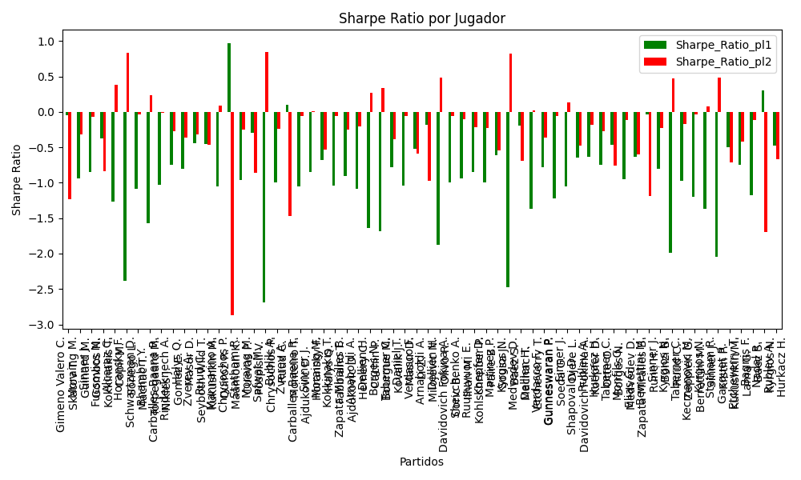
Varioussurfaces | Bublik A. | KAZ | Right-Handed | 2.98 | Ruud C. | NOR | Right-Handed | 1.36 | 0 | 2 | -2494 | 0 | 15 | 1 | 0.20383963218 | 0.79616036782 | 0.52941176471 | 2022-03-05 | -0.18871826392 | 0.87893846805 | 1.2004963807 | 0.54787754286 | -0.99851884871 | -0.23921683533 | 0.87893846805 | Bublik A. Ruud C. | pl2 | -0.23921683533 | 1.61 | 0.79616036782 | 1.36
Varioussurfaces | Zverev A. | DEU | Right-Handed | 1.14 | Monteiro T. | BRA | Left-Handed | 5.34 | 0 | -3 | 6885 | 12 | 15 | 0 | 0.9509241079 | 0.049075892099 | 0.52941176471 | 2022-03-05 | 1.0349775909 | -0.68885884409 | 0.24627021056 | 1.1535815126 | 0.10142351708 | -1.4726820996 | 1.0349775909 | Zverev A. Monteiro T. | pl1 | 0.10142351708 | 1.61 | 0.9509241079 | 1.14
clay | Carballes Baena R. | ESP | Right-Handed | 1.23 | Ajdukovic D. | HRV | Right-Handed | 3.99 | 0 | 6 | 619 | 2 | -2 | 0 | 0.62051877701 | 0.37948122299 | 0.52941176471 | 2022-03-05 | 0.38375687273 | 0.89361130273 | 0.59686721051 | 1.9361789999 | -1.0492168379 | -0.060112570829 | 0.38375687273 | Carballes Baena R. Ajdukovic D. | pl1 | -1.0492168379 | 1.61 | 0.62051877701 | 1.23
Varioussurfaces | Sinner J. | ITA | Right-Handed | 1.07 | Horansky F. | SVK | Right-Handed | 8.83 | 0 | -6 | 3048 | -1 | -3 | 0 | 0.79204110971 | 0.20795889029 | 0.52941176471 | 2022-03-05 | 0.6395250971 | 1.0442358916 | 0.43425655738 | 3.5836312165 | -0.85312448738 | 0.0095534081218 | 0.6395250971 | Sinner J. Horansky F. | pl1 | -0.85312448738 | 1.61 | 0.79204110971 | 1.07
clay | Moraing M. | DEU | Left-Handed | 2.24 | Halys Q. | FRA | Right-Handed | 1.61 | 0 | 3 | -259 | 6 | 7 | 1 | 0.39027717252 | 0.60972282748 | 0 | 2022-03-06 | 0.26449803898 | 0.59137657971 | 1.0926996923 | 0.78537790383 | -0.68225695155 | -0.53302164251 | 0.59137657971 | Moraing M. Halys Q. | pl2 | -0.53302164251 | 1.61 | 0.60972282748 | 1.61
hard | Kokkinakis T. | AUS | Right-Handed | 1.23 | Fabbiano T. | ITA | Right-Handed | 4.03 | 0 | -7 | 383 | 14 | 20 | 0 | 0.6234515954 | 0.3765484046 | 0.33333333333 | 2022-03-08 | 0.39029705773 | 0.89403847515 | 0.5959596929 | 1.9526159044 | -1.0398403611 | -0.059387780559 | 0.39029705773 | Kokkinakis T. Fabbiano T. | pl1 | -1.0398403611 | 1.61 | 0.6234515954 | 1.23
clay | Zapata Miralles B. | ESP | Right-Handed | 1.34 | Ajdukovic D. | HRV | Right-Handed | 3.11 | 0 | 3 | 354 | 7 | -2 | 0 | 0.60454703271 | 0.39545296729 | 0.33333333333 | 2022-03-08 | 0.41464005653 | 0.62531169558 | 0.65519000654 | 1.5206275525 | -0.9086828821 | -0.25297996461 | 0.41464005653 | Zapata Miralles B. Ajdukovic D. | pl1 | -0.9086828821 | 1.61 | 0.60454703271 | 1.34
clay | Arnaboldi A. | ITA | Left-Handed | 1.85 | Hemery C. | FRA | Right-Handed | 1.87 | 0 | 11 | -224 | -11 | -11 | 1 | 0.36446644437 | 0.63553355563 | 0.33333333333 | 2022-03-08 | 0.038729366469 | 0.82398130464 | 0.89036841687 | 0.89999402138 | -1.0908637538 | -0.2066888123 | 0.82398130464 | Arnaboldi A. Hemery C. | pl2 | -0.2066888123 | 1.61 | 0.63553355563 | 1.87
clay | Dellien H. | BOL | Right-Handed | 1.41 | Cachin P. | ARG | Right-Handed | 2.79 | 0 | 4 | 569 | -2 | -5 | 1 | 0.37196133213 | 0.62803866787 | 0.33333333333 | 2022-03-08 | -0.10357318957 | 1.3802665512 | 0.68149268996 | 1.3484855355 | -1.63402074 | 0.2745795498 | 1.3802665512 | Dellien H. Cachin P. | pl2 | 0.2745795498 | 1.61 | 0.62803866787 | 2.79
clay | Borges N. | PRT | Right-Handed | 1.33 | Bourgue M. | FRA | Right-Handed | 3.19 | 0 | -2 | -209 | -8 | -3 | 1 | 0.39394486052 | 0.60605513948 | 0.33333333333 | 2022-03-08 | -0.08210847499 | 1.5393710344 | 0.64986841479 | 1.5587069498 | -1.6805070844 | 0.33962191194 | 1.5393710344 | Borges N. Bourgue M. | pl2 | 0.33962191194 | 1.61 | 0.60605513948 | 3.19
clay | Taberner C. | ESP | Right-Handed | 1.38 | Kovalik J. | SVK | Right-Handed | 2.93 | 0 | -6 | 274 | -4 | 0 | 0 | 0.6263375116 | 0.3736624884 | 0.57142857143 | 2022-03-09 | 0.49068327761 | 0.46849357941 | 0.66761033086 | 1.4174625141 | -0.77787400581 | -0.38202521422 | 0.49068327761 | Taberner C. Kovalik J. | pl1 | -0.77787400581 | 1.61 | 0.6263375116 | 1.38
hard | Daniel T. | JPN | Right-Handed | 1.24 | Masur D. | DEU | Right-Handed | 3.95 | 0 | 3 | 299 | 2 | 8 | 0 | 0.61565101032 | 0.38434898968 | 0.57142857143 | 2022-03-09 | 0.37905826311 | 0.90252749894 | 0.6031868366 | 1.9214419392 | -1.0460137699 | -0.055933254539 | 0.37905826311 | Daniel T. Masur D. | pl1 | -1.0460137699 | 1.61 | 0.61565101032 | 1.24
hard | Verdasco F. | ESP | Left-Handed | 1.24 | Li Z. | CHN | Right-Handed | 3.85 | 0 | 2 | 210 | 13 | 3 | 0 | 0.77819683217 | 0.22180316783 | 0.57142857143 | 2022-03-09 | 0.74316090405 | 0.075745363998 | 0.51516967021 | 1.5995187341 | -0.51796352033 | -0.58408483506 | 0.74316090405 | Verdasco F. Li Z. | pl1 | -0.51796352033 | 1.61 | 0.77819683217 | 1.24
clay | Arnaboldi A. | ITA | Left-Handed | 3.34 | Milojevic N. | SRB | Right-Handed | 1.3 | 0 | 10 | -319 | -4 | -8 | 1 | 0.3941003697 | 0.6058996303 | 0.57142857143 | 2022-03-09 | 0.71039560448 | 0.3935691497 | 1.6321130289 | 0.63525357412 | -0.18356841115 | -0.97036974747 | 0.3935691497 | Arnaboldi A. Milojevic N. | pl2 | -0.97036974747 | 1.61 | 0.6058996303 | 1.3
clay | Dellien H. | BOL | Right-Handed | 1.28 | Olivo R. | ARG | Right-Handed | 3.48 | 0 | 0 | 326 | 2 | 0 | 1 | 0.3714239061 | 0.6285760939 | 0.57142857143 | 2022-03-09 | -0.15315349409 | 1.8160209007 | 0.6184773879 | 1.6814853984 | -1.8806726274 | 0.47935052036 | 1.8160209007 | Dellien H. Olivo R. | pl2 | 0.47935052036 | 1.61 | 0.6285760939 | 3.48
hard | Davidovich Fokina A. | ESP | Right-Handed | 1.23 | Coric B. | HRV | Right-Handed | 4.23 | 0 | -3 | 766 | -5 | -5 | 0 | 0.63756391456 | 0.36243608544 | 0.66666666667 | 2022-03-10 | 0.42176752947 | 0.89554072684 | 0.59126570736 | 2.0333771887 | -0.994869926 | -0.056290231735 | 0.42176752947 | Davidovich Fokina A. Coric B. | pl1 | -0.994869926 | 1.61 | 0.63756391456 | 1.23
clay | Shevchenko A. | KAZ | Right-Handed | 1.12 | Ilhan M. | TUR | Right-Handed | 5.45 | 0 | -15 | 296 | -10 | -6 | 0 | 0.72554271534 | 0.27445728466 | 0.66666666667 | 2022-03-10 | 0.53815055653 | 0.77024948603 | 0.49978923415 | 2.4320101126 | -0.94409685369 | -0.098581215895 | 0.53815055653 | Shevchenko A. Ilhan M. | pl1 | -0.94409685369 | 1.61 | 0.72554271534 | 1.12
hard | Ruusuvuori E. | FIN | Right-Handed | 1.24 | Kohlschreiber P. | DEU | Right-Handed | 4.01 | 0 | -16 | 398 | 9 | 10 | 0 | 0.67847338556 | 0.32152661444 | 0.4375 | 2022-03-11 | 0.51978038365 | 0.61084833836 | 0.57915732974 | 1.8729200744 | -0.84643600482 | -0.21311729587 | 0.51978038365 | Ruusuvuori E. Kohlschreiber P. | pl1 | -0.84643600482 | 1.61 | 0.67847338556 | 1.24
hard | Koepfer D. | DEU | Left-Handed | 1.95 | Paire B. | FRA | Right-Handed | 1.85 | 0 | -3 | 14 | -1 | -16 | 1 | 0.36481897317 | 0.63518102683 | 0.4375 | 2022-03-11 | 0.076215970841 | 0.81026592648 | 0.93868975554 | 0.89055181936 | -0.99477385754 | -0.22428124808 | 0.81026592648 | Koepfer D. Paire B. | pl2 | -0.22428124808 | 1.61 | 0.63518102683 | 1.85
hard | Martinez P. | ESP | Right-Handed | 1.51 | Sousa J. | PRT | Right-Handed | 2.55 | 0 | -8 | 310 | 2 | 0 | 0 | 0.62161165207 | 0.37838834793 | 0.4375 | 2022-03-11 | 0.56024524671 | 0.34327863514 | 0.73232759263 | 1.2367121597 | -0.61414421336 | -0.53910795622 | 0.56024524671 | Martinez P. Sousa J. | pl1 | -0.61414421336 | 1.61 | 0.62161165207 | 1.51
hard | Kyrgios N. | AUS | Right-Handed | 1.44 | Baez S. | ARG | Right-Handed | 2.79 | 0 | 6 | -3931 | 15 | 23 | 1 | 0.21949333969 | 0.78050666031 | 0.4375 | 2022-03-11 | -0.46443625115 | 1.9581202426 | 0.59602087685 | 1.1547904489 | -2.4737996745 | 0.82103228639 | 1.9581202426 | Kyrgios N. Baez S. | pl2 | 0.82103228639 | 1.61 | 0.78050666031 | 2.79
hard | Medvedev D. | RUS | Right-Handed | 1.05 | Machac T. | CZE | Right-Handed | 11.38 | 0 | 5 | 8236 | 10 | 15 | 0 | 0.96071206551 | 0.039287934493 | 0.5 | 2022-03-12 | 0.96945973429 | -0.51361537097 | 0.20399311985 | 2.2108968609 | -0.19873349523 | -0.68913905389 | 0.96945973429 | Medvedev D. Machac T. | pl1 | -0.19873349523 | 1.61 | 0.96071206551 | 1.05
clay | Dellien H. | BOL | Right-Handed | 1.84 | Etcheverry T. | ARG | Right-Handed | 1.91 | 0 | 7 | 108 | -7 | -16 | 1 | 0.30145406729 | 0.69854593271 | 0.5 | 2022-03-12 | -0.14387044888 | 1.0327686642 | 0.8443565585 | 0.87647881888 | -1.3665677577 | 0.025977426587 | 1.0327686642 | Dellien H. Etcheverry T. | pl2 | 0.025977426587 | 1.61 | 0.69854593271 | 1.91
hard | Verdasco F. | ESP | Left-Handed | 1.34 | Gunneswaran P. | IND | Left-Handed | 3.13 | 0 | 5 | 137 | 10 | 0 | 0 | 0.64362420302 | 0.35637579698 | 0.5 | 2022-03-12 | 0.50608063506 | 0.47183204154 | 0.64176360271 | 1.4990448332 | -0.78521025937 | -0.35900724684 | 0.50608063506 | Verdasco F. Gunneswaran P. | pl1 | -0.78521025937 | 1.61 | 0.64362420302 | 1.34
hard | Gunneswaran P. | IND | Left-Handed | 1.69 | Soeda G. | JPN | Right-Handed | 2.11 | 0 | -4 | -202 | 7 | 10 | 1 | 0.37427757397 | 0.62572242603 | 0.5 | 2022-03-12 | 0.0068066739676 | 0.94599674497 | 0.81785152482 | 1.0211045665 | -1.2266203529 | -0.062680412108 | 0.94599674497 | Gunneswaran P. Soeda G. | pl2 | -0.062680412108 | 1.61 | 0.62572242603 | 2.11
hard | Sinner J. | ITA | Right-Handed | 1.1 | Djere L. | SRB | Right-Handed | 7.37 | 0 | -4 | 2454 | -6 | 0 | 0 | 0.70514848798 | 0.29485151202 | 0.64285714286 | 2022-03-13 | 0.48081182477 | 1.4679071556 | 0.50157358227 | 3.3605430012 | -1.0550559159 | 0.13625987092 | 0.48081182477 | Sinner J. Djere L. | pl1 | -1.0550559159 | 1.61 | 0.70514848798 | 1.1
hard | Shapovalov D. | CAN | Left-Handed | 1.41 | Davidovich Fokina A. | ESP | Right-Handed | 2.91 | 0 | 1 | 1905 | -5 | 2 | 0 | 0.655047962 | 0.344952038 | 0.64285714286 | 2022-03-13 | 0.57866558841 | 0.3487624686 | 0.67024721814 | 1.3832761736 | -0.64354524707 | -0.47802278679 | 0.57866558841 | Shapovalov D. Davidovich Fokina A. | pl1 | -0.64354524707 | 1.61 | 0.655047962 | 1.41
hard | Rublev A. | RUS | Right-Handed | 1.07 | Koepfer D. | DEU | Left-Handed | 9.08 | 0 | -3 | 3536 | -9 | 8 | 0 | 0.85696326692 | 0.14303673308 | 0.64285714286 | 2022-03-13 | 0.77391396253 | 0.44181026943 | 0.37461802696 | 3.1790015746 | -0.63020468979 | -0.17873213248 | 0.77391396253 | Rublev A. Koepfer D. | pl1 | -0.63020468979 | 1.61 | 0.85696326692 | 1.07
hard | Hurkacz H. | POL | Right-Handed | 1.22 | Otte O. | DEU | Right-Handed | 4.33 | 0 | -4 | 2650 | 2 | 3 | 0 | 0.72100286648 | 0.27899713352 | 0.64285714286 | 2022-03-13 | 0.60062636358 | 0.48705472167 | 0.54717745733 | 1.9420314674 | -0.74815515686 | -0.26927744844 | 0.60062636358 | Hurkacz H. Otte O. | pl1 | -0.74815515686 | 1.61 | 0.72100286648 | 1.22
clay | Taberner C. | ESP | Right-Handed | 1.64 | Borges N. | PRT | Right-Handed | 2.18 | 0 | -1 | 475 | 3 | -2 | 0 | 0.62002039515 | 0.37997960485 | 0.64285714286 | 2022-03-13 | 0.63685384319 | 0.20833514344 | 0.79602549817 | 1.0581314549 | -0.46876156313 | -0.75762312222 | 0.63685384319 | Taberner C. Borges N. | pl1 | -0.46876156313 | 1.61 | 0.62002039515 | 1.64
hard | Monfils G. | FRA | Right-Handed | 6.41 | Medvedev D. | RUS | Right-Handed | 1.12 | 0 | 8 | -6982 | 2 | -5 | 1 | 0.066303057733 | 0.93369694227 | 0.5 | 2022-03-14 | -0.5086943422 | 0.97943751761 | 1.5948791353 | 0.27866842926 | -0.95223161965 | -0.10967328618 | 0.97943751761 | Monfils G. Medvedev D. | pl2 | -0.10967328618 | 1.61 | 0.93369694227 | 1.12
clay | Elias G. | PRT | Right-Handed | 2.3 | Zapata Miralles B. | ESP | Right-Handed | 1.56 | 0 | 6 | -112 | -6 | 0 | 1 | 0.39365902341 | 0.60634097659 | 0.5 | 2022-03-14 | 0.29907477725 | 0.55223290007 | 1.1236897021 | 0.76215475445 | -0.63267040842 | -0.60062224536 | 0.55223290007 | Elias G. Zapata Miralles B. | pl2 | -0.60062224536 | 1.61 | 0.60634097659 | 1.56
hard | Berrettini M. | ITA | Right-Handed | 1.32 | Rune H. | DNK | Right-Handed | 3.39 | 0 | 6 | 4178 | 27 | 11 | 0 | 0.85988592489 | 0.14011407511 | 0.5 | 2022-03-14 | 0.99493534575 | -0.38489921028 | 0.45817905642 | 1.1766871222 | -0.032879403883 | -1.1854461428 | 0.99493534575 | Berrettini M. Rune H. | pl1 | -0.032879403883 | 1.61 | 0.85988592489 | 1.32
hard | Sinner J. | ITA | Right-Handed | 1.23 | Bonzi B. | FRA | Right-Handed | 4.19 | 0 | -2 | 2586 | 0 | 3 | 0 | 0.69867573194 | 0.30132426806 | 0.73684210526 | 2022-03-15 | 0.55804688223 | 0.56387295122 | 0.56436490049 | 1.9225113277 | -0.80081719713 | -0.23205431477 | 0.55804688223 | Sinner J. Bonzi B. | pl1 | -0.80081719713 | 1.61 | 0.69867573194 | 1.23
hard | Kyrgios N. | AUS | Right-Handed | 2 | Ruud C. | NOR | Right-Handed | 1.81 | 0 | 3 | -3422 | 8 | 10 | 1 | 0.17034011726 | 0.82965988274 | 0.73684210526 | 2022-03-15 | -0.48897964823 | 1.3313442705 | 0.75186265158 | 0.68043569968 | -1.9936881358 | 0.47226250866 | 1.3313442705 | Kyrgios N. Ruud C. | pl2 | 0.47226250866 | 1.61 | 0.82965988274 | 1.81
clay | Taberner C. | ESP | Right-Handed | 1.28 | Zeppieri G. | ITA | Left-Handed | 3.48 | 0 | 3 | 463 | 0 | -2 | 0 | 0.61442289189 | 0.38557710811 | 0.73684210526 | 2022-03-15 | 0.40088419352 | 0.72738544432 | 0.62301612108 | 1.6938250792 | -0.9776886759 | -0.16684990626 | 0.40088419352 | Taberner C. Zeppieri G. | pl1 | -0.9776886759 | 1.61 | 0.61442289189 | 1.28
hard | Kecmanovic M. | SRB | Right-Handed | 2.92 | Berrettini M. | ITA | Right-Handed | 1.41 | 0 | -1 | -4007 | -20 | -13 | 1 | 0.17387578051 | 0.82612421949 | 0.375 | 2022-03-16 | -0.31840694038 | 0.99095936896 | 1.1066876793 | 0.53439370815 | -1.2003449259 | -0.035630342853 | 0.99095936896 | Kecmanovic M. Berrettini M. | pl2 | -0.035630342853 | 1.61 | 0.82612421949 | 1.41
hard | Kyrgios N. | AUS | Right-Handed | 1.99 | Sinner J. | ITA | Right-Handed | 1.83 | 0 | 5 | -3002 | 9 | 5 | 1 | 0.26803027392 | 0.73196972608 | 0.375 | 2022-03-16 | -0.19858948099 | 1.0714743248 | 0.88143757685 | 0.81056822394 | -1.3711572013 | 0.075841024848 | 1.0714743248 | Kyrgios N. Sinner J. | pl2 | 0.075841024848 | 1.61 | 0.73196972608 | 1.83
clay | Statham R. | NZL | Right-Handed | 1.79 | Krstin P. | SRB | Right-Handed | 1.98 | 0 | 9 | -158 | 0 | -5 | 1 | 0.19784464924 | 0.80215535076 | 0.375 | 2022-03-16 | -0.44801342862 | 1.3904229453 | 0.71309013428 | 0.78878126586 | -2.044641145 | 0.48229206465 | 1.3904229453 | Statham R. Krstin P. | pl2 | 0.48229206465 | 1.61 | 0.80215535076 | 1.98
hard | Gasquet R. | FRA | Right-Handed | 1.62 | Kukushkin M. | KAZ | Right-Handed | 2.22 | 0 | 3 | 396 | 7 | 0 | 0 | 0.6160775921 | 0.3839224079 | 0.375 | 2022-03-16 | 0.61412329131 | 0.23623015343 | 0.78786979572 | 1.0796734238 | -0.50246463419 | -0.71667027226 | 0.61412329131 | Gasquet R. Kukushkin M. | pl1 | -0.50246463419 | 1.61 | 0.6160775921 | 1.62
clay | Etcheverry T. | ARG | Right-Handed | 1.36 | Lama G. | CHL | Right-Handed | 2.98 | 0 | -6 | 366 | 0 | 16 | 0 | 0.64653417682 | 0.35346582318 | 0.375 | 2022-03-16 | 0.5258206573 | 0.40679397625 | 0.65014221421 | 1.4245763223 | -0.74472835653 | -0.42342836554 | 0.5258206573 | Etcheverry T. Lama G. | pl1 | -0.74472835653 | 1.61 | 0.64653417682 | 1.36
hard | Bagnis F. | ARG | Left-Handed | 2.63 | Baez S. | ARG | Right-Handed | 1.45 | 0 | 11 | -3643 | 12 | 13 | 1 | 0.20742715231 | 0.79257284769 | 0.375 | 2022-03-16 | -0.24703943712 | 0.94180347684 | 1.0663705584 | 0.58792293142 | -1.1788017095 | -0.115995685 | 0.94180347684 | Bagnis F. Baez S. | pl2 | -0.115995685 | 1.61 | 0.79257284769 | 1.45
hard | Nadal R. | ESP | Left-Handed | 1.4 | Kyrgios N. | AUS | Right-Handed | 3.01 | 0 | 9 | 6022 | 0 | -8 | 0 | 0.89294221199 | 0.10705778801 | 0.5 | 2022-03-17 | 1.1430613088 | -0.57069827008 | 0.43286138584 | 0.93065197956 | 0.30739935029 | -1.6984848308 | 1.1430613088 | Nadal R. Kyrgios N. | pl1 | 0.30739935029 | 1.61 | 0.89294221199 | 1.4
hard | Rublev A. | RUS | Right-Handed | 1.54 | Hurkacz H. | POL | Right-Handed | 2.5 | 0 | 1 | 1122 | -11 | -8 | 0 | 0.65398107219 | 0.34601892781 | 0.5 | 2022-03-17 | 0.66111192336 | 0.21106624734 | 0.73257693072 | 1.1892482642 | -0.4762476977 | -0.67179728299 | 0.66111192336 | Rublev A. Hurkacz H. | pl1 | -0.4762476977 | 1.61 | 0.65398107219 | 1.54

Monte Carlo Summary
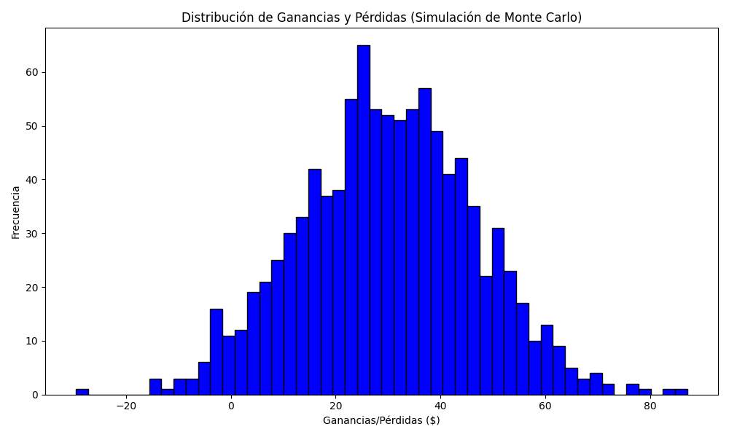
Promedio de Ganancia/Pérdida | Mediana de Ganancia/Pérdida | Ganancia/Pérdida Máxima | Ganancia/Pérdida Mínima | Probabilidad de Ganancia (>0)
29.9629372 | 30.03455 | 87.101 | -29.5918 | 0

