Betting Decisions
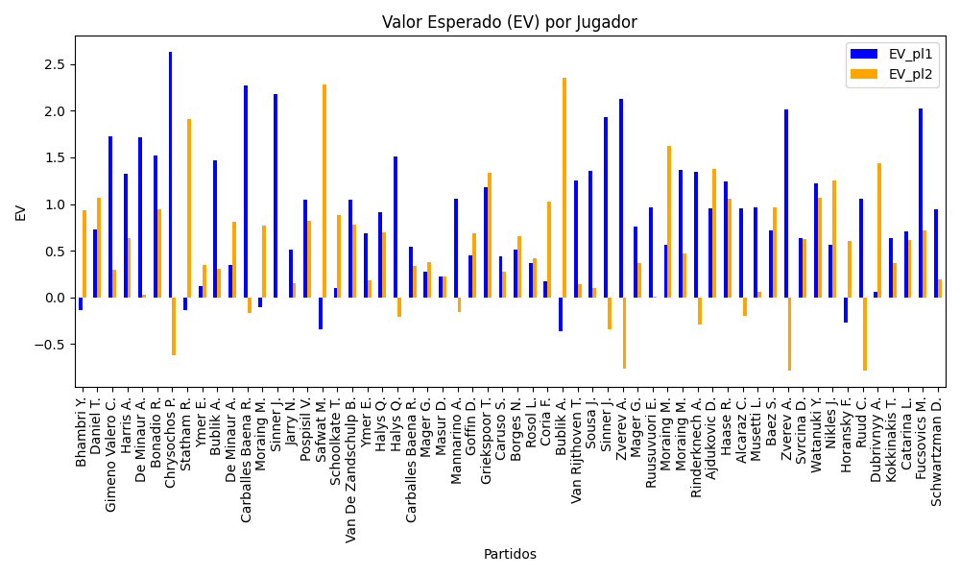
Surface | pl1 | pl1_flag | pl1_hand | pl2 | pl2_flag | pl2_hand | Result | DiffProffTime | DiffPts | DiffWeight | DiffHeight | Class | Prob_win_pl1 | Prob_win_pl2 | date_run | Bet_pl1 | Bet_pl2 | EV_pl1 | EV_pl2 | Std_Dev_pl1 | Std_Dev_pl2 | Sharpe_Ratio_pl1 | Sharpe_Ratio_pl2 | Best_Bet_EV | Best_Bet | Best_Bet_Sharpe | Money_to_Bet | Prob_Win | Payout
Varioussurfaces | Bhambri Y. | IND | Right-Handed | Torpegaard M. | DNK | Right-Handed | 0 | 5 | -332 | -9 | -8 | 1 | 0.38142596918 | 0.61857403082 | 2024-08 | 1.26 | 2.13 | -0.13797730965 | 0.93613671646 | 0.61202831656 | 1.034619297 | -1.8756931315 | -0.0713917513 | 0.93613671646 | pl2 | -0.0713917513 | 1 | 0.61857403082 | 2.13
Varioussurfaces | Daniel T. | JPN | Right-Handed | Madaras D. | SWE | Left-Handed | 0 | 7 | 458 | -5 | 0 | 0 | 0.57880512947 | 0.42119487053 | 2024-08 | 1.99 | 3.9 | 0.73062733711 | 1.0638548656 | 0.98256388861 | 1.9256277214 | -0.28433027728 | 0.027967433689 | 1.0638548656 | pl2 | 0.027967433689 | 1 | 0.42119487053 | 3.9
clay | Gimeno Valero C. | ESP | Right-Handed | Skatov T. | KAZ | Right-Handed | 0 | 0 | -126 | 7 | 15 | 0 | 0.6086616378 | 0.3913383622 | 2024-08 | 3.47 | 2.3 | 1.720717521 | 0.29141659525 | 1.6935329524 | 1.1225146371 | 0.41966559904 | -0.6401550421 | 1.720717521 | pl1 | 0.41966559904 | 2.4792761097 | 0.6086616378 | 3.47
clay | Harris A. | AUS | Right-Handed | Takahashi Y. | JPN | Right-Handed | 0 | 3 | 57 | 13 | 13 | 0 | 0.52341146986 | 0.47658853014 | 2024-08 | 3.44 | 2.43 | 1.3239469262 | 0.63469865838 | 1.718113512 | 1.2136673937 | 0.18272769755 | -0.30922915419 | 1.3239469262 | pl1 | 0.18272769755 | 1 | 0.52341146986 | 3.44
Varioussurfaces | De Minaur A. | AUS | Right-Handed | Piros Z. | HUN | Right-Handed | 0 | 0 | 1405 | 1 | 3 | 0 | 0.59974687387 | 0.40025312613 | 2024-08 | 3.53 | 1.57 | 1.7168533386 | 0.028650534148 | 1.7295219101 | 0.76922079287 | 0.4086986898 | -1.2757708514 | 1.7168533386 | pl1 | 0.4086986898 | 2.4737084469 | 0.59974687387 | 3.53
clay | Bonadio R. | ITA | Right-Handed | Martin A. | SVK | Right-Handed | 0 | -4 | -301 | -2 | -3 | 0 | 0.51893208744 | 0.48106791256 | 2024-08 | 3.86 | 3.05 | 1.522009945 | 0.94832504587 | 1.9286159874 | 1.5239064149 | 0.26548050432 | -0.040471615271 | 1.522009945 | pl1 | 0.26548050432 | 2.1929705772 | 0.51893208744 | 3.86
Varioussurfaces | Chrysochos P. | CYP | Right-Handed | Maamoun K. | EGY | Right-Handed | 0 | -4 | -142 | 11 | 10 | 0 | 0.83465763544 | 0.16534236456 | 2024-08 | 3.35 | 1.32 | 2.6307607142 | -0.61640571422 | 1.2444890063 | 0.49036581742 | 1.302350367 | -3.3167191848 | 2.6307607142 | pl1 | 1.302350367 | 3.7905014097 | 0.83465763544 | 3.35
Varioussurfaces | Statham R. | NZL | Right-Handed | Cuevas P. | URY | Right-Handed | 0 | 0 | -640 | 2 | -2 | 1 | 0.21605236464 | 0.78394763536 | 2024-08 | 3.02 | 2.71 | -0.13146949414 | 1.9084457272 | 1.2428822397 | 1.1153016124 | -0.9184051857 | 0.80556301288 | 1.9084457272 | pl2 | 0.80556301288 | 2.749762143 | 0.78394763536 | 2.71
Varioussurfaces | Ymer E. | SWE | Right-Handed | Daniel T. | JPN | Right-Handed | 0 | -4 | -110 | -1 | -8 | 1 | 0.45237992079 | 0.54762007921 | 2024-08 | 1.47 | 1.46 | 0.11737840435 | 0.34714539486 | 0.73165892853 | 0.72668165691 | -1.2199968603 | -0.91216641956 | 0.34714539486 | pl2 | -0.91216641956 | 1 | 0.54762007921 | 1.46
Varioussurfaces | Bublik A. | KAZ | Right-Handed | Durasovic V. | NOR | Right-Handed | 0 | 2 | 1434 | -3 | 13 | 0 | 0.51786066027 | 0.48213933973 | 2024-08 | 3.77 | 1.7 | 1.4701953495 | 0.30177621728 | 1.8837969741 | 0.84945752148 | 0.24429137311 | -0.83373654928 | 1.4701953495 | pl1 | 0.24429137311 | 2.1183141115 | 0.51786066027 | 3.77
Varioussurfaces | De Minaur A. | AUS | Right-Handed | Fucsovics M. | HUN | Right-Handed | 0 | -7 | 104 | -13 | -5 | 1 | 0.46481505325 | 0.53518494675 | 2024-08 | 1.91 | 2.38 | 0.35261180497 | 0.80892512 | 0.95263252276 | 1.1870499498 | -0.69007532214 | -0.16939041195 | 0.80892512 | pl2 | -0.16939041195 | 1 | 0.53518494675 | 2.38
clay | Carballes Baena R. | ESP | Right-Handed | Nikles J. | CHE | Right-Handed | 0 | 4 | 734 | 9 | 13 | 0 | 0.67217517353 | 0.32782482647 | 2024-08 | 3.87 | 1.54 | 2.2734930951 | -0.16732494076 | 1.8166577629 | 0.72290774027 | 0.69550419506 | -1.6285963964 | 2.2734930951 | pl1 | 0.69550419506 | 3.2757364573 | 0.67217517353 | 3.87
clay | Moraing M. | DEU | Left-Handed | Pospisil V. | CAN | Right-Handed | 0 | -3 | -213 | -4 | 5 | 1 | 0.39075701014 | 0.60924298986 | 2024-08 | 1.28 | 1.9 | -0.10907401689 | 0.7668046706 | 0.6245376561 | 0.92704808327 | -1.791843944 | -0.2623330265 | 0.7668046706 | pl2 | -0.2623330265 | 1 | 0.60924298986 | 1.9
Varioussurfaces | Sinner J. | ITA | Right-Handed | Horansky F. | SVK | Right-Handed | 0 | -6 | 3048 | -1 | -3 | 0 | 0.79204110971 | 0.20795889029 | 2024-08 | 3.01 | 3.82 | 2.1760848499 | 0.0023618512069 | 1.2216002222 | 1.5503364946 | 0.95455520454 | -0.64994802891 | 2.1760848499 | pl1 | 0.95455520454 | 3.1353869042 | 0.79204110971 | 3.01
Varioussurfaces | Jarry N. | CHL | Right-Handed | Rola B. | SVN | Left-Handed | 0 | -4 | 44 | 5 | 5 | 0 | 0.55616318959 | 0.44383681041 | 2024-08 | 1.72 | 1.6 | 0.51276387568 | 0.15397570707 | 0.85455737516 | 0.79493709318 | -0.58186394357 | -1.0768453256 | 0.51276387568 | pl1 | -0.58186394357 | 1 | 0.55616318959 | 1.72
clay | Pospisil V. | CAN | Right-Handed | Geerts M. | BEL | Right-Handed | 0 | 8 | 265 | 15 | 15 | 0 | 0.5742510089 | 0.4257489911 | 2024-08 | 2.56 | 3.28 | 1.0443335917 | 0.82220568189 | 1.2658074939 | 1.6218158516 | 0.027123865093 | -0.11579262709 | 1.0443335917 | pl1 | 0.027123865093 | 1 | 0.5742510089 | 2.56
Varioussurfaces | Safwat M. | EGY | Right-Handed | Chrysochos P. | CYP | Right-Handed | 0 | 5 | 404 | -1 | -5 | 1 | 0.16564356867 | 0.83435643133 | 2024-08 | 3 | 2.93 | -0.3374257253 | 2.2790207751 | 1.1152811267 | 1.0892579004 | -1.2081489528 | 1.1650324268 | 2.2790207751 | pl2 | 1.1650324268 | 3.2837009517 | 0.83435643133 | 2.93
clay | Schoolkate T. | AUS | Right-Handed | Sweeny D. | AUS | Right-Handed | 0 | -3 | -4 | 15 | 13 | 0 | 0.54632496391 | 0.45367503609 | 2024-08 | 1.02 | 3.16 | 0.1035764271 | 0.88728815012 | 0.50780635997 | 1.5732040172 | -1.7849787721 | -0.078001230951 | 0.88728815012 | pl2 | -0.078001230951 | 1 | 0.45367503609 | 3.16
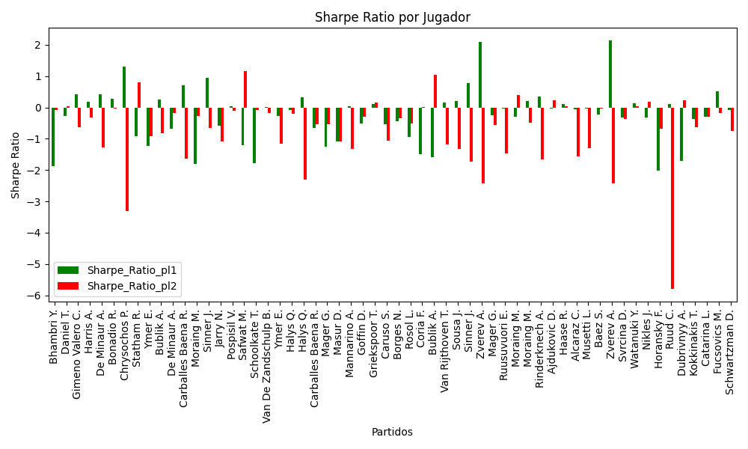
Varioussurfaces | Van De Zandschulp B. | NLD | Right-Handed | Galarneau A. | CAN | Right-Handed | 0 | 4 | 934 | 4 | 8 | 0 | 0.51832902873 | 0.48167097127 | 2024-08 | 2.94 | 2.69 | 1.0422163732 | 0.777365884 | 1.4690119653 | 1.3440959818 | 0.021930640416 | -0.17307849971 | 1.0422163732 | pl1 | 0.021930640416 | 1 | 0.51832902873 | 2.94
Varioussurfaces | Ymer E. | SWE | Right-Handed | Watanuki Y. | JPN | Right-Handed | 0 | 1 | 255 | 16 | 3 | 0 | 0.51436572126 | 0.48563427874 | 2024-08 | 2.29 | 1.43 | 0.69226322295 | 0.18009129733 | 1.1445273061 | 0.71470482433 | -0.27761397684 | -1.1611908503 | 0.69226322295 | pl1 | -0.27761397684 | 1 | 0.51436572126 | 2.29
clay | Halys Q. | FRA | Right-Handed | Vavassori A. | ITA | Right-Handed | 0 | 0 | 320 | 0 | -2 | 0 | 0.57665454055 | 0.42334545945 | 2024-08 | 2.32 | 3.02 | 0.91449307462 | 0.70184874699 | 1.1462868122 | 1.4921492124 | -0.083318524092 | -0.20651503914 | 0.91449307462 | pl1 | -0.083318524092 | 1 | 0.57665454055 | 2.32
clay | Halys Q. | FRA | Right-Handed | Masur D. | DEU | Right-Handed | 0 | 0 | 184 | 0 | 8 | 0 | 0.6190456611 | 0.3809543389 | 2024-08 | 3.05 | 1.09 | 1.5071349275 | -0.2038054317 | 1.4811452274 | 0.52932731078 | 0.33564225726 | -2.2931093994 | 1.5071349275 | pl1 | 0.33564225726 | 2.1715380788 | 0.6190456611 | 3.05
clay | Carballes Baena R. | ESP | Right-Handed | Ajdukovic D. | HRV | Right-Handed | 0 | 6 | 619 | 2 | -2 | 0 | 0.62051877701 | 0.37948122299 | 2024-08 | 1.48 | 2.53 | 0.53888656698 | 0.33956871716 | 0.71818168419 | 1.2277024736 | -0.65598085191 | -0.54608612203 | 0.53888656698 | pl1 | -0.65598085191 | 1 | 0.62051877701 | 1.48
clay | Mager G. | ITA | Right-Handed | Brancaccio R. | ITA | Right-Handed | 0 | 3 | 805 | 5 | 5 | 0 | 0.58694595084 | 0.41305404916 | 2024-08 | 1.18 | 2.34 | 0.27954217283 | 0.3796005242 | 0.58101120061 | 1.1521747538 | -1.2572181507 | -0.54713876844 | 0.3796005242 | pl2 | -0.54713876844 | 1 | 0.41305404916 | 2.34
clay | Masur D. | DEU | Right-Handed | Zeppieri G. | ITA | Left-Handed | 0 | 5 | 154 | 0 | -2 | 1 | 0.49923849197 | 0.50076150803 | 2024-08 | 1.45 | 1.44 | 0.22313430534 | 0.22185807958 | 0.72499915915 | 0.71999916495 | -1.0853332514 | -1.0946428257 | 0.22313430534 | pl1 | -1.0853332514 | 1 | 0.49923849197 | 1.45
Varioussurfaces | Mannarino A. | FRA | Left-Handed | Quiroz R. | ECU | Left-Handed | 0 | 2 | 893 | -9 | -13 | 0 | 0.7126067942 | 0.2873932058 | 2024-08 | 1.88 | 1.94 | 1.0523075673 | -0.15506397496 | 0.85078745406 | 0.87794024514 | 0.049727540183 | -1.3270424512 | 1.0523075673 | pl1 | 0.049727540183 | 1 | 0.7126067942 | 1.88
Varioussurfaces | Goffin D. | BEL | Right-Handed | Ruusuvuori E. | FIN | Right-Handed | 0 | 8 | 250 | -9 | -8 | 1 | 0.45554970268 | 0.54445029732 | 2024-08 | 2.18 | 2.1 | 0.44864805453 | 0.68779592168 | 1.0856841486 | 1.0458425285 | -0.51704903878 | -0.30808087216 | 0.68779592168 | pl2 | -0.30808087216 | 1 | 0.54445029732 | 2.1
Varioussurfaces | Griekspoor T. | NLD | Right-Handed | Diez S. | CAN | Right-Handed | 0 | -5 | 724 | 9 | 13 | 0 | 0.53012142474 | 0.46987857526 | 2024-08 | 3.11 | 3.97 | 1.1787990557 | 1.335296519 | 1.5521757315 | 1.9813947441 | 0.10874996448 | 0.16417552334 | 1.335296519 | pl2 | 0.16417552334 | 1 | 0.46987857526 | 3.97
clay | Caruso S. | ITA | Right-Handed | Gimeno Valero C. | ESP | Right-Handed | 0 | 8 | 344 | 0 | -3 | 1 | 0.46472723988 | 0.53527276012 | 2024-08 | 2.11 | 1.38 | 0.44530171603 | 0.27394916908 | 1.052371532 | 0.6882809072 | -0.53659593289 | -1.069404691 | 0.44530171603 | pl1 | -0.53659593289 | 1 | 0.46472723988 | 2.11
Varioussurfaces | Borges N. | PRT | Right-Handed | Majchrzak K. | POL | Right-Handed | 0 | 1 | -673 | -3 | 5 | 1 | 0.46244374723 | 0.53755625277 | 2024-08 | 2.28 | 2.08 | 0.51681549091 | 0.65567325854 | 1.1367795748 | 1.0370620683 | -0.43384357005 | -0.34166396815 | 0.65567325854 | pl2 | -0.34166396815 | 1 | 0.53755625277 | 2.08
clay | Rosol L. | CZE | Right-Handed | Giannessi A. | ITA | Left-Handed | 0 | 4 | -116 | 1 | 8 | 0 | 0.57328086096 | 0.42671913904 | 2024-08 | 1.39 | 2.33 | 0.3701412577 | 0.42097473299 | 0.68749506149 | 1.1524197793 | -0.93071031072 | -0.51112040731 | 0.42097473299 | pl2 | -0.51112040731 | 1 | 0.42671913904 | 2.33
Varioussurfaces | Coria F. | ARG | Right-Handed | Kopriva V. | CZE | Right-Handed | 0 | 8 | 643 | 4 | 2 | 0 | 0.55331486086 | 0.44668513914 | 2024-08 | 1.12 | 3.53 | 0.17302750502 | 1.0234836803 | 0.55680732765 | 1.7549373809 | -1.5031635782 | 0.007683282864 | 1.0234836803 | pl2 | 0.007683282864 | 1 | 0.44668513914 | 3.53
Varioussurfaces | Bublik A. | KAZ | Right-Handed | Ruud C. | NOR | Right-Handed | 0 | 2 | -2494 | 0 | 15 | 1 | 0.20383963218 | 0.79616036782 | 2024-08 | 2.13 | 3.21 | -0.36198195127 | 2.3518351485 | 0.85807291639 | 1.2931521416 | -1.5989106812 | 1.0376467744 | 2.3518351485 | pl2 | 1.0376467744 | 3.3886147067 | 0.79616036782 | 3.21
clay | Van Rijthoven T. | NLD | Right-Handed | Kamke T. | DEU | Right-Handed | 0 | -10 | -65 | 13 | 10 | 0 | 0.53911574518 | 0.46088425482 | 2024-08 | 3.17 | 1.47 | 1.2481126574 | 0.1383841094 | 1.5801423245 | 0.73274738708 | 0.15069063952 | -1.189517569 | 1.2481126574 | pl1 | 0.15069063952 | 1 | 0.53911574518 | 3.17
Varioussurfaces | Sousa J. | PRT | Right-Handed | Zuk K. | POL | Right-Handed | 0 | 11 | 383 | -4 | 2 | 0 | 0.53457085303 | 0.46542914697 | 2024-08 | 3.41 | 1.37 | 1.3574574619 | 0.10306707831 | 1.700919677 | 0.68336069133 | 0.20427623161 | -1.3271657753 | 1.3574574619 | pl1 | 0.20427623161 | 1.9558770188 | 0.53457085303 | 3.41
Varioussurfaces | Sinner J. | ITA | Right-Handed | Gombos N. | SVK | Right-Handed | 0 | -7 | 2805 | -9 | -5 | 0 | 0.77156391903 | 0.22843608097 | 2024-08 | 2.8 | 1.87 | 1.9319428923 | -0.34438844761 | 1.1755100242 | 0.78507276616 | 0.7842918166 | -1.7251756856 | 1.9319428923 | pl1 | 0.7842918166 | 2.783617764 | 0.77156391903 | 2.8
Varioussurfaces | Zverev A. | DEU | Right-Handed | Seyboth Wild T. | BRA | Right-Handed | 0 | 3 | 7018 | 12 | 13 | 0 | 0.94331741724 | 0.05668258276 | 2024-08 | 2.31 | 3.16 | 2.1223806511 | -0.76420045572 | 0.53415306152 | 0.73070288935 | 2.0825129185 | -2.428073683 | 2.1223806511 | pl1 | 2.0825129185 | 3.0580078251 | 0.94331741724 | 2.31
clay | Mager G. | ITA | Right-Handed | Bonadio R. | ITA | Right-Handed | 0 | -1 | 624 | -4 | 8 | 0 | 0.5806010153 | 0.4193989847 | 2024-08 | 2.03 | 2.27 | 0.75922107637 | 0.37143467996 | 1.0017252496 | 1.1201558209 | -0.25034701256 | -0.57006829595 | 0.75922107637 | pl1 | -0.25034701256 | 1 | 0.5806010153 | 2.03
Varioussurfaces | Ruusuvuori E. | FIN | Right-Handed | Bergs Z. | BEL | Right-Handed | 0 | 0 | 526 | -4 | 3 | 0 | 0.57819461332 | 0.42180538668 | 2024-08 | 2.39 | 1.38 | 0.96007973914 | 0.0038968203079 | 1.180296128 | 0.68150989817 | -0.042294691709 | -1.4762854984 | 0.96007973914 | pl1 | -0.042294691709 | 1 | 0.57819461332 | 2.39
clay | Moraing M. | DEU | Left-Handed | Guinard M. | FRA | Right-Handed | 0 | 5 | -166 | 3 | 2 | 1 | 0.38142752761 | 0.61857247239 | 2024-08 | 3.11 | 3.24 | 0.56766713846 | 1.6227472829 | 1.5106425042 | 1.5737883323 | -0.29281107894 | 0.38934542236 | 1.6227472829 | pl2 | 0.38934542236 | 2.3381168156 | 0.61857247239 | 3.24
clay | Moraing M. | DEU | Left-Handed | Brouwer G. | NLD | Left-Handed | 0 | 5 | 124 | 12 | 7 | 0 | 0.53330005739 | 0.46669994261 | 2024-08 | 3.43 | 2.16 | 1.3625192542 | 0.47477181865 | 1.7111922671 | 1.0776021274 | 0.20600797526 | -0.49668441417 | 1.3625192542 | pl1 | 0.20600797526 | 1.9631702443 | 0.53330005739 | 3.43
Varioussurfaces | Rinderknech A. | FRA | Right-Handed | Gomez E. | ECU | Right-Handed | 0 | -5 | 607 | 5 | 11 | 0 | 0.74697012449 | 0.25302987551 | 2024-08 | 2.14 | 1.81 | 1.3454861909 | -0.28898604982 | 0.93036055782 | 0.78689374283 | 0.36059803706 | -1.6507769463 | 1.3454861909 | pl1 | 0.36059803706 | 1.9386283503 | 0.74697012449 | 2.14
clay | Ajdukovic D. | HRV | Right-Handed | Caruso S. | ITA | Right-Handed | 0 | -7 | -242 | -5 | 0 | 1 | 0.45178663138 | 0.54821336862 | 2024-08 | 3.33 | 3.33 | 0.95623611389 | 1.3737638861 | 1.6572412411 | 1.6572412411 | -0.032441798316 | 0.21949965827 | 1.3737638861 | pl2 | 0.21949965827 | 1.9793719432 | 0.54821336862 | 3.33
Varioussurfaces | Haase R. | NLD | Right-Handed | Diez S. | CAN | Right-Handed | 0 | 3 | 44 | 1 | 16 | 1 | 0.45667129748 | 0.54332870252 | 2024-08 | 3.92 | 2.78 | 1.2468227836 | 1.0537824955 | 1.9526268159 | 1.3847710582 | 0.12128420119 | 0.031617136471 | 1.2468227836 | pl1 | 0.12128420119 | 1 | 0.45667129748 | 3.92
Varioussurfaces | Alcaraz C. | ESP | Right-Handed | Copil M. | ROU | Right-Handed | 0 | -13 | 1009 | -15 | -8 | 0 | 0.70439214842 | 0.29560785158 | 2024-08 | 1.78 | 1.7 | 0.9582101726 | -0.20185880072 | 0.81224161755 | 0.77573637631 | -0.06376160281 | -1.5622044263 | 0.9582101726 | pl1 | -0.06376160281 | 1 | 0.70439214842 | 1.78
Varioussurfaces | Musetti L. | ITA | Right-Handed | Gombos N. | SVK | Right-Handed | 0 | -9 | 386 | -10 | -8 | 0 | 0.57411630598 | 0.42588369402 | 2024-08 | 2.43 | 1.48 | 0.96921892952 | 0.056191561163 | 1.2015773154 | 0.73182486702 | -0.033939614168 | -1.3033288179 | 0.96921892952 | pl1 | -0.033939614168 | 1 | 0.57411630598 | 2.43
Varioussurfaces | Baez S. | ARG | Right-Handed | Lehecka J. | CZE | Right-Handed | 0 | 1 | 299 | -10 | -13 | 1 | 0.48802293954 | 0.51197706046 | 2024-08 | 2.52 | 2.84 | 0.71784074719 | 0.96599191215 | 1.2596384542 | 1.4195925436 | -0.23193897569 | -0.031000506479 | 0.96599191215 | pl2 | -0.031000506479 | 1 | 0.51197706046 | 2.84
Varioussurfaces | Zverev A. | DEU | Right-Handed | Monteiro T. | BRA | Left-Handed | 0 | -3 | 6885 | 12 | 15 | 0 | 0.9509241079 | 0.049075892099 | 2024-08 | 2.17 | 3.42 | 2.014429422 | -0.78308455692 | 0.46877750606 | 0.73881063168 | 2.1426570368 | -2.4269880265 | 2.014429422 | pl1 | 2.1426570368 | 2.9024675345 | 0.9509241079 | 2.17
clay | Svrcina D. | CZE | Right-Handed | Lokoli L. | FRA | Right-Handed | 0 | -7 | 66 | -10 | -10 | 1 | 0.47910660395 | 0.52089339605 | 2024-08 | 2.41 | 2.13 | 0.63375351947 | 0.63039632963 | 1.2039474934 | 1.0640697763 | -0.31251070548 | -0.35674697168 | 0.63375351947 | pl1 | -0.31251070548 | 1 | 0.47910660395 | 2.41
Varioussurfaces | Watanuki Y. | JPN | Right-Handed | Madaras D. | SWE | Left-Handed | 0 | 2 | 93 | -22 | -11 | 0 | 0.51732609744 | 0.48267390256 | 2024-08 | 3.29 | 3.28 | 1.219328958 | 1.0658443029 | 1.6440120662 | 1.6390150691 | 0.12732811537 | 0.034071866694 | 1.219328958 | pl1 | 0.12732811537 | 1 | 0.51732609744 | 3.29
clay | Nikles J. | CHE | Right-Handed | Gaio F. | ITA | Right-Handed | 0 | -5 | -270 | -16 | -10 | 1 | 0.41491902435 | 0.58508097565 | 2024-08 | 2.78 | 2.85 | 0.56839391205 | 1.2525617562 | 1.3697283932 | 1.4042179571 | -0.3224041278 | 0.17273796779 | 1.2525617562 | pl2 | 0.17273796779 | 1 | 0.58508097565 | 2.85
Varioussurfaces | Horansky F. | SVK | Right-Handed | Sonego L. | ITA | Right-Handed | 0 | 4 | -1581 | 1 | 0 | 1 | 0.3064407164 | 0.6935592836 | 2024-08 | 1.38 | 1.31 | -0.27067109496 | 0.60212194511 | 0.63620066035 | 0.60392961236 | -2.0129986886 | -0.67537349808 | 0.60212194511 | pl2 | -0.67537349808 | 1 | 0.6935592836 | 1.31
Varioussurfaces | Ruud C. | NOR | Right-Handed | Kukushkin M. | KAZ | Right-Handed | 0 | -8 | 3685 | 5 | 0 | 0 | 0.89264480006 | 0.10735519994 | 2024-08 | 1.3 | 1 | 1.0530830401 | -0.78528960012 | 0.40243360082 | 0.30956430832 | 0.10705626978 | -5.7994075928 | 1.0530830401 | pl1 | 0.10705626978 | 1 | 0.89264480006 | 1.3
clay | Dubrivnyy A. | RUS | Right-Handed | Gakhov I. | RUS | Left-Handed | 0 | -3 | -73 | -5 | -8 | 0 | 0.50301075536 | 0.49698924464 | 2024-08 | 1.11 | 3.9 | 0.061352693814 | 1.4352472987 | 0.55498993815 | 1.9499646476 | -1.7093054143 | 0.21807949147 | 1.4352472987 | pl2 | 0.21807949147 | 2.0679596133 | 0.49698924464 | 3.9
Varioussurfaces | Kokkinakis T. | AUS | Right-Handed | Piros Z. | HUN | Right-Handed | 0 | 5 | 638 | 16 | 13 | 0 | 0.55419091767 | 0.44580908233 | 2024-08 | 1.96 | 2.06 | 0.6404051163 | 0.36417579193 | 0.97422715216 | 1.0239326191 | -0.37937239059 | -0.63072920622 | 0.6404051163 | pl1 | -0.37937239059 | 1 | 0.55419091767 | 1.96
Varioussurfaces | Catarina L. | MCO | Right-Handed | Moundir A. | MAR | Right-Handed | 0 | 0 | 80 | -11 | -6 | 0 | 0.56719248974 | 0.43280751026 | 2024-08 | 2.01 | 2.74 | 0.70724939412 | 0.61870008837 | 0.99588384492 | 1.3575730025 | -0.30400192495 | -0.28823489484 | 0.70724939412 | pl1 | -0.30400192495 | 1 | 0.56719248974 | 2.01
Varioussurfaces | Fucsovics M. | HUN | Right-Handed | Kokkinakis T. | AUS | Right-Handed | 0 | 2 | 663 | -2 | -5 | 0 | 0.60689965568 | 0.39310034432 | 2024-08 | 3.98 | 3.37 | 2.0223602853 | 0.71784850466 | 1.9439864332 | 1.6460387638 | 0.52076509794 | -0.17748761558 | 2.0223602853 | pl1 | 0.52076509794 | 2.9138946279 | 0.60689965568 | 3.98
Varioussurfaces | Schwartzman D. | ARG | Right-Handed | Machac T. | CZE | Right-Handed | 0 | 8 | 2034 | -9 | -13 | 0 | 0.63410315187 | 0.36589684813 | 2024-08 | 2.06 | 2.25 | 0.94035564473 | 0.18916475642 | 0.99226234444 | 1.0837816869 | -0.070187441522 | -0.75738061781 | 0.94035564473 | pl1 | -0.070187441522 | 1 | 0.63410315187 | 2.06

Monte Carlo Summary
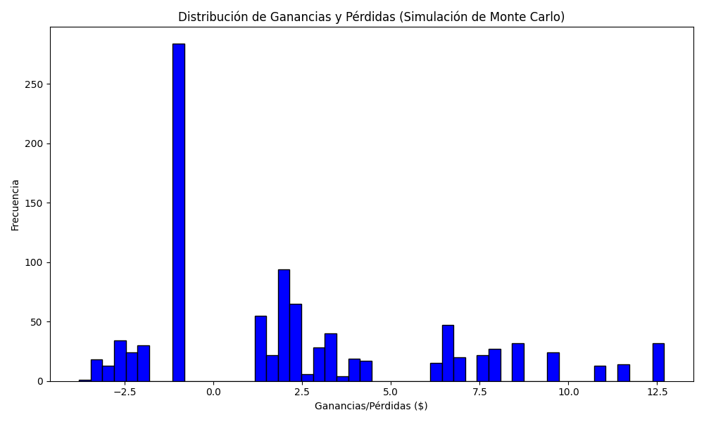
Promedio de Ganancia/Pérdida | Mediana de Ganancia/Pérdida | Ganancia/Pérdida Máxima | Ganancia/Pérdida Mínima | Probabilidad de Ganancia (>0)
2.3964112576 | 1.9 | 12.698179722 | -3.7905014097 | 0.596

