Betting Decisions
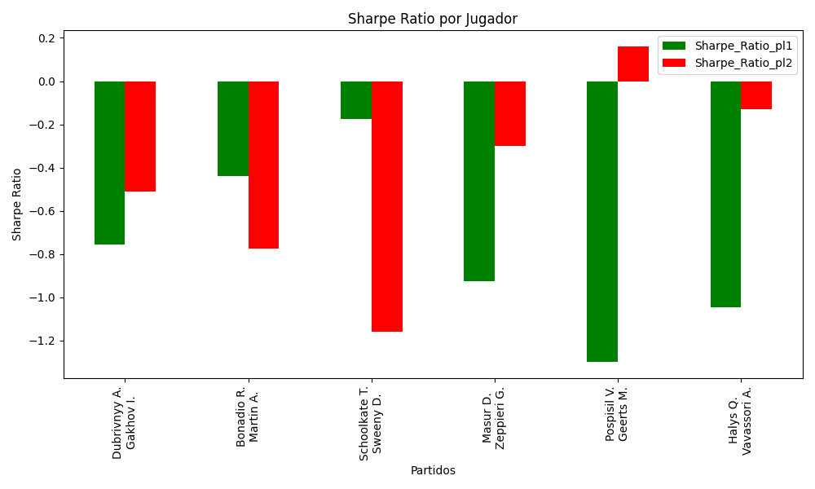
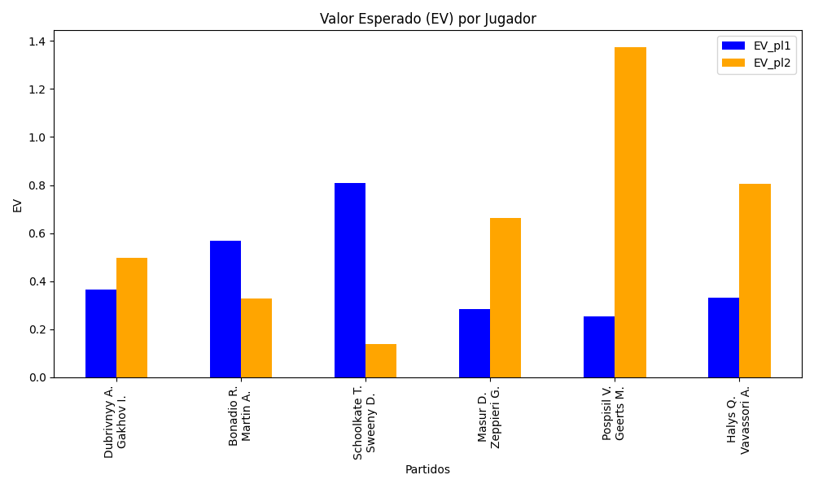
Surface | pl1 | pl1_flag | pl1_hand | pl1_bet | pl2 | pl2_flag | pl2_hand | pl2_bet | Result | DiffProffTime | DiffPts | DiffWeight | DiffHeight | Class | Prob_win_pl1 | Prob_win_pl2 | Accuracy | date_run | EV_pl1 | EV_pl2 | Std_Dev_pl1 | Std_Dev_pl2 | Sharpe_Ratio_pl1 | Sharpe_Ratio_pl2 | Best_Bet_EV | match | Best_Bet | Best_Bet_Sharpe | Money_to_Bet | Prob_Win | Payout
clay | Dubrivnyy A. | RUS | Right-Handed | 1.71 | Gakhov I. | RUS | Left-Handed | 2.01 | 0 | -3 | -73 | -5 | -8 | 0 | 0.50301075536 | 0.49698924464 | 0.83333333333 | 2022-03-02 | 0.36315914703 | 0.49593762636 | 0.85498449931 | 1.0049817799 | -0.75655272521 | -0.51151412287 | 0.36315914703 | Dubrivnyy A. Gakhov I. | pl1 | -0.75655272521 | 1 | 0.50301075536 | 1.71
clay | Bonadio R. | ITA | Right-Handed | 2.02 | Martin A. | SVK | Right-Handed | 1.76 | 0 | -4 | -301 | -2 | -3 | 0 | 0.51893208744 | 0.48106791256 | 0.83333333333 | 2022-03-02 | 0.56717490407 | 0.32774743866 | 1.009275724 | 0.87936894761 | -0.43875532267 | -0.77584336266 | 0.56717490407 | Bonadio R. Martin A. | pl1 | -0.43875532267 | 1 | 0.51893208744 | 2.02
clay | Schoolkate T. | AUS | Right-Handed | 2.31 | Sweeny D. | AUS | Right-Handed | 1.51 | 0 | -3 | -4 | 15 | 13 | 0 | 0.54632496391 | 0.45367503609 | 0.83333333333 | 2022-03-02 | 0.80833563055 | 0.13872434058 | 1.1500320505 | 0.75175255251 | -0.1753554341 | -1.1589926187 | 0.80833563055 | Schoolkate T. Sweeny D. | pl1 | -0.1753554341 | 1 | 0.54632496391 | 2.31
clay | Masur D. | DEU | Right-Handed | 1.57 | Zeppieri G. | ITA | Left-Handed | 2.32 | 0 | 5 | 154 | 0 | -2 | 1 | 0.49923849197 | 0.50076150803 | 0.83333333333 | 2022-03-02 | 0.28304292437 | 0.66252820664 | 0.78499908957 | 1.1599986546 | -0.92606104299 | -0.29954499685 | 0.66252820664 | Masur D. Zeppieri G. | pl2 | -0.29954499685 | 1 | 0.50076150803 | 2.32
clay | Pospisil V. | CAN | Right-Handed | 1.18 | Geerts M. | BEL | Right-Handed | 4.58 | 0 | 8 | 265 | 15 | 15 | 0 | 0.5742510089 | 0.4257489911 | 0.83333333333 | 2022-03-02 | 0.25186719941 | 1.3756793703 | 0.58345814174 | 2.2646087196 | -1.2993782182 | 0.16147574066 | 0.25186719941 | Pospisil V. Geerts M. | pl1 | -1.2993782182 | 1 | 0.5742510089 | 1.18
clay | Halys Q. | FRA | Right-Handed | 1.31 | Vavassori A. | ITA | Right-Handed | 3.26 | 0 | 0 | 320 | 0 | -2 | 0 | 0.57665454055 | 0.42334545945 | 0.83333333333 | 2022-03-02 | 0.33207198867 | 0.80345165726 | 0.64725677757 | 1.6107306068 | -1.0473865007 | -0.128232705 | 0.33207198867 | Halys Q. Vavassori A. | pl1 | -1.0473865007 | 1 | 0.57665454055 | 1.31

Monte Carlo Summary
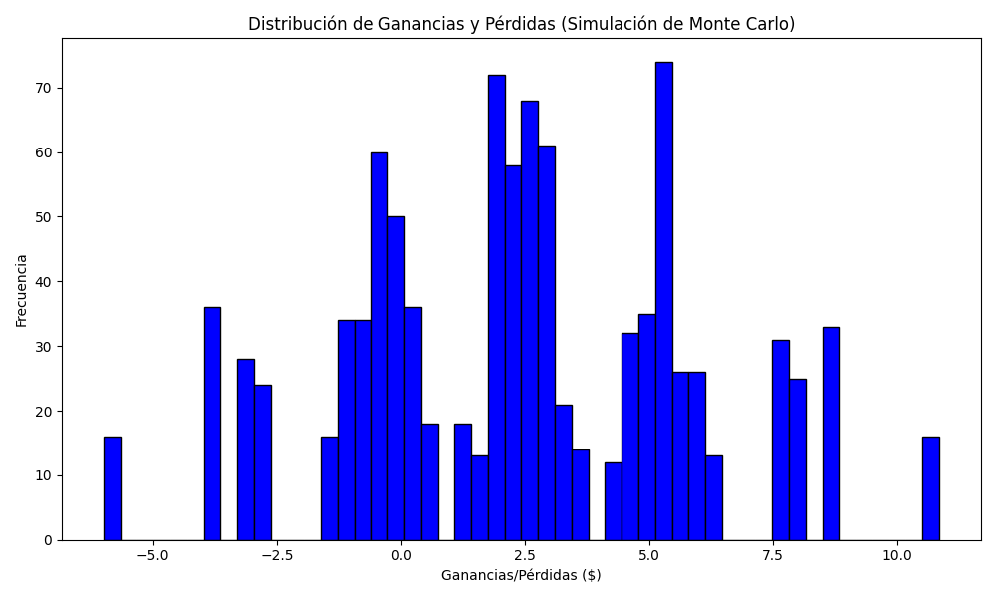
Promedio de Ganancia/Pérdida | Mediana de Ganancia/Pérdida | Ganancia/Pérdida Máxima | Ganancia/Pérdida Mínima | Probabilidad de Ganancia (>0)
2.3424 | 2.33 | 10.85 | -6 | 0.132

