Betting Decisions
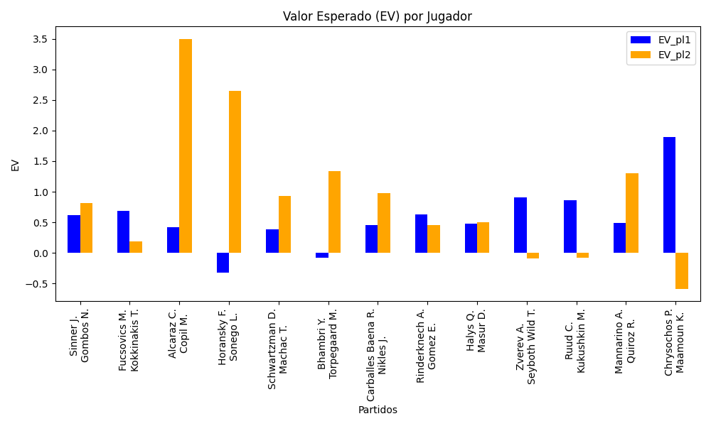
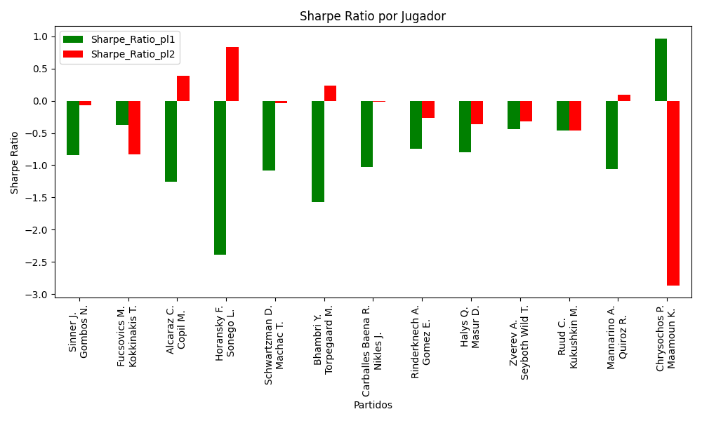
Surface | pl1 | pl1_flag | pl1_hand | pl1_bet | pl2 | pl2_flag | pl2_hand | pl2_bet | Result | DiffProffTime | DiffPts | DiffWeight | DiffHeight | Class | Prob_win_pl1 | Prob_win_pl2 | Accuracy | date_run | EV_pl1 | EV_pl2 | Std_Dev_pl1 | Std_Dev_pl2 | Sharpe_Ratio_pl1 | Sharpe_Ratio_pl2 | Best_Bet_EV | match | Best_Bet | Best_Bet_Sharpe | Money_to_Bet | Prob_Win | Payout
Varioussurfaces | Sinner J. | ITA | Right-Handed | 1.1 | Gombos N. | SVK | Right-Handed | 6.95 | 0 | -7 | 2805 | -9 | -5 | 0 | 0.77156391903 | 0.22843608097 | 0.78571428571 | 2022-03-04 | 0.62028422996 | 0.81606684372 | 0.46180750951 | 2.9177838101 | -0.84389223219 | -0.066465910056 | 0.62028422996 | Sinner J. Gombos N. | pl1 | -0.84389223219 | 0.29 | 0.77156391903 | 1.1
Varioussurfaces | Fucsovics M. | HUN | Right-Handed | 1.78 | Kokkinakis T. | AUS | Right-Handed | 2.02 | 0 | 2 | 663 | -2 | -5 | 0 | 0.60689965568 | 0.39310034432 | 0.78571428571 | 2022-03-04 | 0.6871810428 | 0.18716303983 | 0.86942106813 | 0.98664638069 | -0.37130335234 | -0.83397352513 | 0.6871810428 | Fucsovics M. Kokkinakis T. | pl1 | -0.37130335234 | 0.29 | 0.60689965568 | 1.78
Varioussurfaces | Alcaraz C. | ESP | Right-Handed | 1.02 | Copil M. | ROU | Right-Handed | 14.21 | 0 | -13 | 1009 | -15 | -8 | 0 | 0.70439214842 | 0.29560785158 | 0.78571428571 | 2022-03-04 | 0.4228721398 | 3.4961954226 | 0.46544182579 | 6.4842434749 | -1.2614419841 | 0.38342104707 | 0.4228721398 | Alcaraz C. Copil M. | pl1 | -1.2614419841 | 0.29 | 0.70439214842 | 1.02
Varioussurfaces | Horansky F. | SVK | Right-Handed | 1.21 | Sonego L. | ITA | Right-Handed | 4.26 | 0 | 4 | -1581 | 1 | 0 | 1 | 0.3064407164 | 0.6935592836 | 0.78571428571 | 2022-03-04 | -0.32276601675 | 2.6481218317 | 0.55782811524 | 1.9639237776 | -2.3892055283 | 0.83410662389 | 2.6481218317 | Horansky F. Sonego L. | pl2 | 0.83410662389 | 2.35 | 0.6935592836 | 4.26
Varioussurfaces | Schwartzman D. | ARG | Right-Handed | 1.19 | Machac T. | CZE | Right-Handed | 4.27 | 0 | 8 | 2034 | -9 | -13 | 0 | 0.63410315187 | 0.36589684813 | 0.78571428571 | 2022-03-04 | 0.3886859026 | 0.92827638964 | 0.57320009218 | 2.0567768013 | -1.0839392838 | -0.039733825424 | 0.3886859026 | Schwartzman D. Machac T. | pl1 | -1.0839392838 | 0.29 | 0.63410315187 | 1.19
Varioussurfaces | Bhambri Y. | IND | Right-Handed | 1.42 | Torpegaard M. | DNK | Right-Handed | 2.77 | 0 | 5 | -332 | -9 | -8 | 1 | 0.38142596918 | 0.61857403082 | 0.78571428571 | 2022-03-04 | -0.076949154576 | 1.3320240962 | 0.68974619803 | 1.3454908229 | -1.5758682798 | 0.23933578044 | 1.3320240962 | Bhambri Y. Torpegaard M. | pl2 | 0.23933578044 | 0.29 | 0.61857403082 | 2.77
clay | Carballes Baena R. | ESP | Right-Handed | 1.16 | Nikles J. | CHE | Right-Handed | 5.04 | 0 | 4 | 734 | 9 | 13 | 0 | 0.67217517353 | 0.32782482647 | 0.78571428571 | 2022-03-04 | 0.45189837482 | 0.9800619519 | 0.54452790825 | 2.3658798772 | -1.0249274954 | -0.012654086284 | 0.45189837482 | Carballes Baena R. Nikles J. | pl1 | -1.0249274954 | 0.29 | 0.67217517353 | 1.16
Varioussurfaces | Rinderknech A. | FRA | Right-Handed | 1.18 | Gomez E. | ECU | Right-Handed | 4.74 | 0 | -5 | 607 | 5 | 11 | 0 | 0.74697012449 | 0.25302987551 | 0.78571428571 | 2022-03-04 | 0.62839487139 | 0.45239148541 | 0.51300255057 | 2.0607051608 | -0.743865948 | -0.27059111861 | 0.62839487139 | Rinderknech A. Gomez E. | pl1 | -0.743865948 | 0.29 | 0.74697012449 | 1.18
clay | Halys Q. | FRA | Right-Handed | 1.38 | Masur D. | DEU | Right-Handed | 2.93 | 0 | 0 | 184 | 0 | 8 | 0 | 0.6190456611 | 0.3809543389 | 0.78571428571 | 2022-03-04 | 0.47332867342 | 0.49715055188 | 0.67015751273 | 1.4228706611 | -0.80081371378 | -0.36043293474 | 0.47332867342 | Halys Q. Masur D. | pl1 | -0.80081371378 | 0.29 | 0.6190456611 | 1.38
Varioussurfaces | Zverev A. | DEU | Right-Handed | 1.02 | Seyboth Wild T. | BRA | Right-Handed | 14.96 | 0 | 3 | 7018 | 12 | 13 | 0 | 0.94331741724 | 0.05668258276 | 0.78571428571 | 2022-03-04 | 0.90550118283 | -0.095345979153 | 0.2358597934 | 3.4592769698 | -0.44305481519 | -0.31953092765 | 0.90550118283 | Zverev A. Seyboth Wild T. | pl1 | -0.44305481519 | 0.29 | 0.94331741724 | 1.02
Varioussurfaces | Ruud C. | NOR | Right-Handed | 1.08 | Kukushkin M. | KAZ | Right-Handed | 7.58 | 0 | -8 | 3685 | 5 | 0 | 0 | 0.89264480006 | 0.10735519994 | 0.78571428571 | 2022-03-04 | 0.85670118413 | -0.078892384519 | 0.33432945299 | 2.3464974571 | -0.45852620673 | -0.4640501021 | 0.85670118413 | Ruud C. Kukushkin M. | pl1 | -0.45852620673 | 0.29 | 0.89264480006 | 1.08
Varioussurfaces | Mannarino A. | FRA | Left-Handed | 1.09 | Quiroz R. | ECU | Left-Handed | 7 | 0 | 2 | 893 | -9 | -13 | 0 | 0.7126067942 | 0.2873932058 | 0.78571428571 | 2022-03-04 | 0.48934819989 | 1.2991456464 | 0.49327570475 | 3.1678256268 | -1.0554985683 | 0.091275745709 | 0.48934819989 | Mannarino A. Quiroz R. | pl1 | -1.0554985683 | 0.29 | 0.7126067942 | 1.09
Varioussurfaces | Chrysochos P. | CYP | Right-Handed | 2.47 | Maamoun K. | EGY | Right-Handed | 1.5 | 0 | -4 | -142 | 11 | 10 | 0 | 0.83465763544 | 0.16534236456 | 0.78571428571 | 2022-03-04 | 1.896261995 | -0.5866440886 | 0.91757846139 | 0.55723388343 | 0.96587053017 | -2.8653033063 | 1.896261995 | Chrysochos P. Maamoun K. | pl1 | 0.96587053017 | 0.29 | 0.83465763544 | 2.47

Monte Carlo Summary
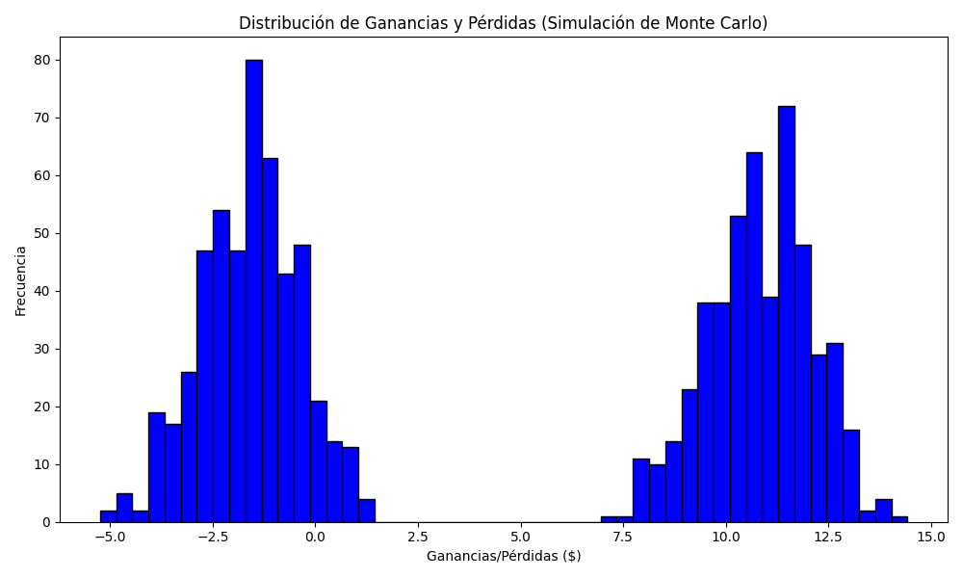
Promedio de Ganancia/Pérdida | Mediana de Ganancia/Pérdida | Ganancia/Pérdida Máxima | Ganancia/Pérdida Mínima | Probabilidad de Ganancia (>0)
4.5552185 | 0.8893 | 14.4248 | -5.2442 | 0.495

