Betting Decisions
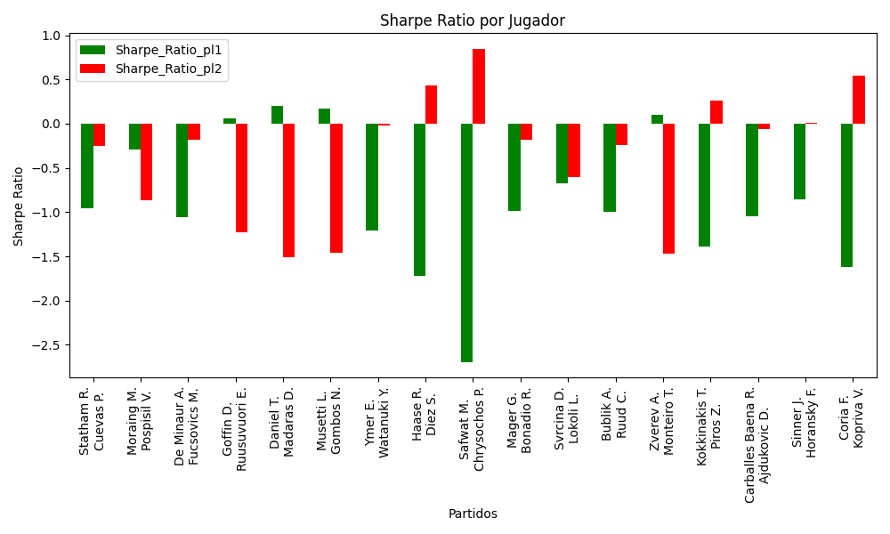
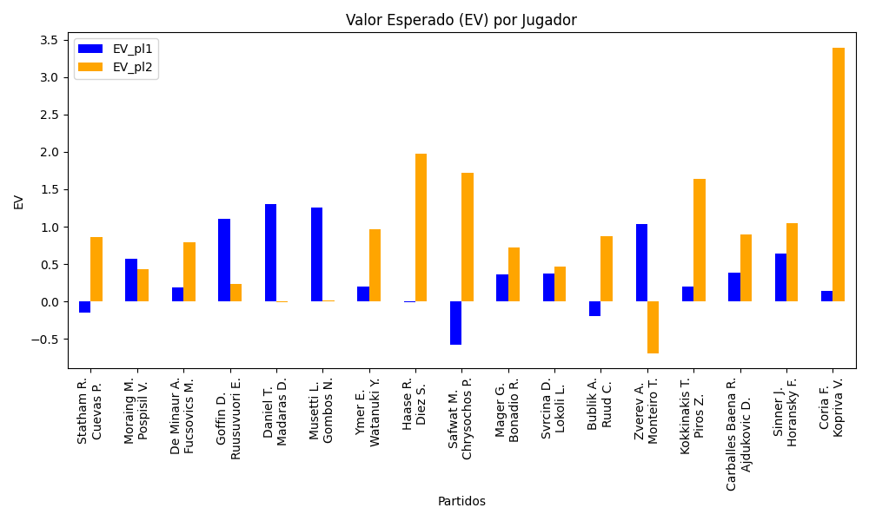
Surface | pl1 | pl1_flag | pl1_hand | pl1_bet | pl2 | pl2_flag | pl2_hand | pl2_bet | Result | DiffProffTime | DiffPts | DiffWeight | DiffHeight | Class | Prob_win_pl1 | Prob_win_pl2 | Accuracy | date_run | EV_pl1 | EV_pl2 | Std_Dev_pl1 | Std_Dev_pl2 | Sharpe_Ratio_pl1 | Sharpe_Ratio_pl2 | Best_Bet_EV | match | Best_Bet | Best_Bet_Sharpe | Money_to_Bet | Prob_Win | Payout
Varioussurfaces | Statham R. | NZL | Right-Handed | 2.94 | Cuevas P. | URY | Right-Handed | 1.38 | 0 | 0 | -640 | 2 | -2 | 1 | 0.21605236464 | 0.78394763536 | 0.52941176471 | 2022-03-05 | -0.14875368331 | 0.86579537215 | 1.2099582068 | 0.56793956648 | -0.95768075026 | -0.25390840216 | 0.86579537215 | Statham R. Cuevas P. | pl2 | -0.25390840216 | 1 | 0.78394763536 | 1.38
clay | Moraing M. | DEU | Left-Handed | 3.03 | Pospisil V. | CAN | Right-Handed | 1.36 | 0 | -3 | -213 | -4 | 5 | 1 | 0.39075701014 | 0.60924298986 | 0.52941176471 | 2022-03-05 | 0.57475075085 | 0.43781345608 | 1.4783977328 | 0.6635712596 | -0.29440605833 | -0.86228349351 | 0.43781345608 | Moraing M. Pospisil V. | pl2 | -0.86228349351 | 1 | 0.60924298986 | 1.36
Varioussurfaces | De Minaur A. | AUS | Right-Handed | 1.56 | Fucsovics M. | HUN | Right-Handed | 2.35 | 0 | -7 | 104 | -13 | -5 | 1 | 0.46481505325 | 0.53518494675 | 0.52941176471 | 2022-03-05 | 0.18992653633 | 0.7928695716 | 0.77806635367 | 1.1720871353 | -1.0539891101 | -0.18525109769 | 0.7928695716 | De Minaur A. Fucsovics M. | pl2 | -0.18525109769 | 1 | 0.53518494675 | 2.35
Varioussurfaces | Goffin D. | BEL | Right-Handed | 3.63 | Ruusuvuori E. | FIN | Right-Handed | 1.27 | 0 | 8 | 250 | -9 | -8 | 1 | 0.45554970268 | 0.54445029732 | 0.52941176471 | 2022-03-05 | 1.1091951234 | 0.23590217491 | 1.8078135135 | 0.63248571961 | 0.054870219014 | -1.223897712 | 0.23590217491 | Goffin D. Ruusuvuori E. | pl2 | -1.223897712 | 1 | 0.54445029732 | 1.27
Varioussurfaces | Daniel T. | JPN | Right-Handed | 2.98 | Madaras D. | SWE | Left-Handed | 1.36 | 0 | 7 | 458 | -5 | 0 | 0 | 0.57880512947 | 0.42119487053 | 0.52941176471 | 2022-03-05 | 1.3036444153 | -0.0059801055437 | 1.4713770794 | 0.671500949 | 0.19957114963 | -1.5129987635 | 1.3036444153 | Daniel T. Madaras D. | pl1 | 0.19957114963 | 1 | 0.57880512947 | 2.98
Varioussurfaces | Musetti L. | ITA | Right-Handed | 2.94 | Gombos N. | SVK | Right-Handed | 1.38 | 0 | -9 | 386 | -10 | -8 | 0 | 0.57411630598 | 0.42588369402 | 0.52941176471 | 2022-03-05 | 1.2620182456 | 0.013603191761 | 1.4537602088 | 0.68237724087 | 0.17335613126 | -1.4601847022 | 1.2620182456 | Musetti L. Gombos N. | pl1 | 0.17335613126 | 1 | 0.57411630598 | 2.94
Varioussurfaces | Ymer E. | SWE | Right-Handed | 1.34 | Watanuki Y. | JPN | Right-Handed | 3.06 | 0 | 1 | 255 | 16 | 3 | 0 | 0.51436572126 | 0.48563427874 | 0.52941176471 | 2022-03-05 | 0.20361578775 | 0.97167517168 | 0.66972340182 | 1.5293683653 | -1.2040555998 | -0.025059252689 | 0.20361578775 | Ymer E. Watanuki Y. | pl1 | -1.2040555998 | 1 | 0.51436572126 | 1.34
Varioussurfaces | Haase R. | NLD | Right-Handed | 1.18 | Diez S. | CAN | Right-Handed | 4.48 | 0 | 3 | 44 | 1 | 16 | 1 | 0.45667129748 | 0.54332870252 | 0.52941176471 | 2022-03-05 | -0.0044565714962 | 1.9774412898 | 0.58778052113 | 2.2315735039 | -1.7259104973 | 0.43352427698 | 1.9774412898 | Haase R. Diez S. | pl2 | 0.43352427698 | 0.90124678525 | 0.54332870252 | 4.48
Varioussurfaces | Safwat M. | EGY | Right-Handed | 1.58 | Chrysochos P. | CYP | Right-Handed | 2.26 | 0 | 5 | 404 | -1 | -5 | 1 | 0.16564356867 | 0.83435643133 | 0.52941176471 | 2022-03-05 | -0.57263959282 | 1.7200019661 | 0.58738139337 | 0.84017844875 | -2.694398581 | 0.84506091198 | 1.7200019661 | Safwat M. Chrysochos P. | pl2 | 0.84506091198 | 0.78391517896 | 0.83435643133 | 2.26
clay | Mager G. | ITA | Right-Handed | 1.34 | Bonadio R. | ITA | Right-Handed | 3.11 | 0 | -1 | 624 | -4 | 8 | 0 | 0.5806010153 | 0.4193989847 | 0.52941176471 | 2022-03-05 | 0.35860637581 | 0.7237298271 | 0.66123735686 | 1.5346628208 | -0.98511316313 | -0.18653620132 | 0.35860637581 | Mager G. Bonadio R. | pl1 | -0.98511316313 | 1 | 0.5806010153 | 1.34
clay | Svrcina D. | CZE | Right-Handed | 1.88 | Lokoli L. | FRA | Right-Handed | 1.81 | 0 | -7 | 66 | -10 | -10 | 1 | 0.47910660395 | 0.52089339605 | 0.52941176471 | 2022-03-05 | 0.37982701938 | 0.4637104429 | 0.93917895751 | 0.90420952824 | -0.6709828575 | -0.6041625752 | 0.4637104429 | Svrcina D. Lokoli L. | pl2 | -0.6041625752 | 1 | 0.52089339605 | 1.81
Varioussurfaces | Bublik A. | KAZ | Right-Handed | 2.98 | Ruud C. | NOR | Right-Handed | 1.36 | 0 | 2 | -2494 | 0 | 15 | 1 | 0.20383963218 | 0.79616036782 | 0.52941176471 | 2022-03-05 | -0.18871826392 | 0.87893846805 | 1.2004963807 | 0.54787754286 | -0.99851884871 | -0.23921683533 | 0.87893846805 | Bublik A. Ruud C. | pl2 | -0.23921683533 | 1 | 0.79616036782 | 1.36
Varioussurfaces | Zverev A. | DEU | Right-Handed | 1.14 | Monteiro T. | BRA | Left-Handed | 5.34 | 0 | -3 | 6885 | 12 | 15 | 0 | 0.9509241079 | 0.049075892099 | 0.52941176471 | 2022-03-05 | 1.0349775909 | -0.68885884409 | 0.24627021056 | 1.1535815126 | 0.10142351708 | -1.4726820996 | 1.0349775909 | Zverev A. Monteiro T. | pl1 | 0.10142351708 | 1 | 0.9509241079 | 1.14
Varioussurfaces | Kokkinakis T. | AUS | Right-Handed | 1.17 | Piros Z. | HUN | Right-Handed | 4.91 | 0 | 5 | 638 | 16 | 13 | 0 | 0.55419091767 | 0.44580908233 | 0.52941176471 | 2022-03-05 | 0.20259429134 | 1.6347316766 | 0.58155396328 | 2.4405384271 | -1.3883590512 | 0.25598108583 | 0.20259429134 | Kokkinakis T. Piros Z. | pl1 | -1.3883590512 | 1 | 0.55419091767 | 1.17
clay | Carballes Baena R. | ESP | Right-Handed | 1.23 | Ajdukovic D. | HRV | Right-Handed | 3.99 | 0 | 6 | 619 | 2 | -2 | 0 | 0.62051877701 | 0.37948122299 | 0.52941176471 | 2022-03-05 | 0.38375687273 | 0.89361130273 | 0.59686721051 | 1.9361789999 | -1.0492168379 | -0.060112570829 | 0.38375687273 | Carballes Baena R. Ajdukovic D. | pl1 | -1.0492168379 | 1 | 0.62051877701 | 1.23
Varioussurfaces | Sinner J. | ITA | Right-Handed | 1.07 | Horansky F. | SVK | Right-Handed | 8.83 | 0 | -6 | 3048 | -1 | -3 | 0 | 0.79204110971 | 0.20795889029 | 0.52941176471 | 2022-03-05 | 0.6395250971 | 1.0442358916 | 0.43425655738 | 3.5836312165 | -0.85312448738 | 0.0095534081218 | 0.6395250971 | Sinner J. Horansky F. | pl1 | -0.85312448738 | 1 | 0.79204110971 | 1.07
Varioussurfaces | Coria F. | ARG | Right-Handed | 1.07 | Kopriva V. | CZE | Right-Handed | 8.83 | 0 | 8 | 643 | 4 | 2 | 0 | 0.55331486086 | 0.44668513914 | 0.52941176471 | 2022-03-05 | 0.14536176198 | 3.3909149178 | 0.53194985767 | 4.3898291993 | -1.6254130452 | 0.54237074148 | 0.14536176198 | Coria F. Kopriva V. | pl1 | -1.6254130452 | 1 | 0.55331486086 | 1.07

Monte Carlo Summary
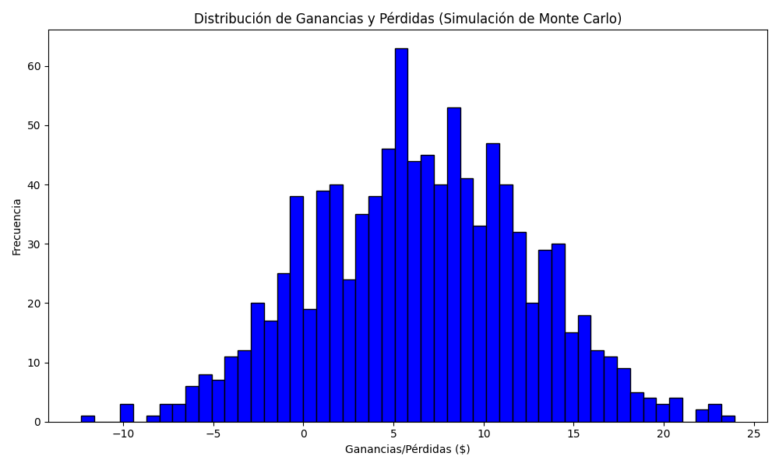
Promedio de Ganancia/Pérdida | Mediana de Ganancia/Pérdida | Ganancia/Pérdida Máxima | Ganancia/Pérdida Mínima | Probabilidad de Ganancia (>0)
6.5083515347 | 6.4548380358 | 23.929233902 | -12.345161964 | 0.537

