Betting Decisions
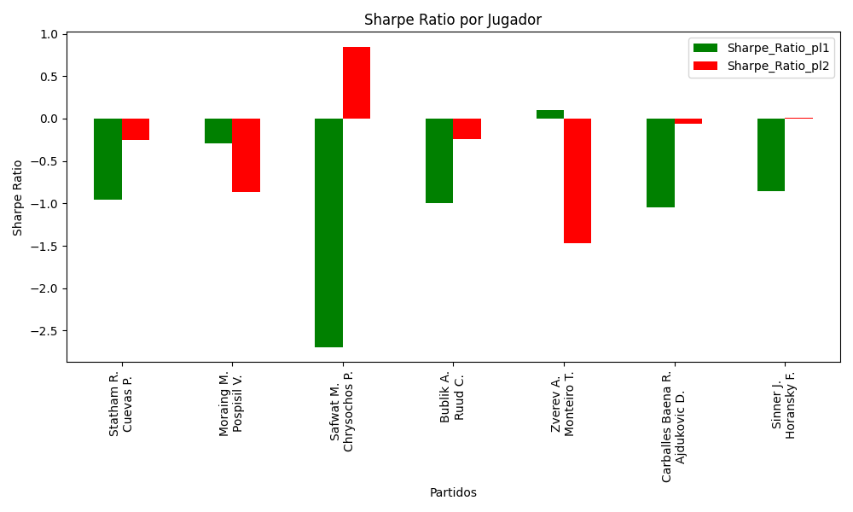
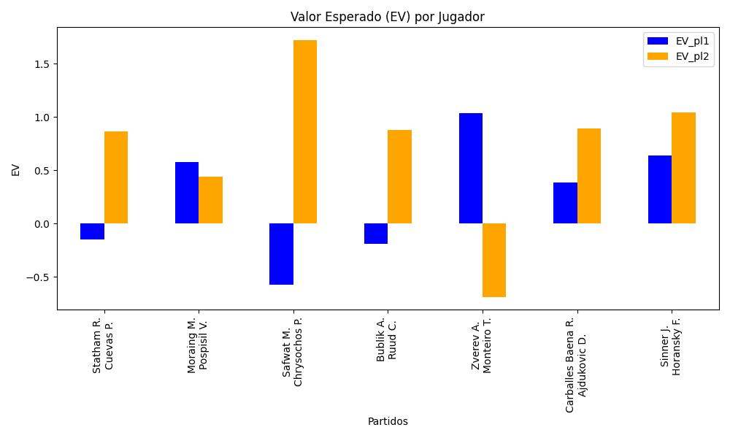
Surface | pl1 | pl1_flag | pl1_hand | pl1_bet | pl2 | pl2_flag | pl2_hand | pl2_bet | Result | DiffProffTime | DiffPts | DiffWeight | DiffHeight | Class | Prob_win_pl1 | Prob_win_pl2 | Accuracy | date_run | EV_pl1 | EV_pl2 | Std_Dev_pl1 | Std_Dev_pl2 | Sharpe_Ratio_pl1 | Sharpe_Ratio_pl2 | Best_Bet_EV | match | Best_Bet | Best_Bet_Sharpe | Money_to_Bet | Prob_Win | Payout
Varioussurfaces | Statham R. | NZL | Right-Handed | 2.94 | Cuevas P. | URY | Right-Handed | 1.38 | 0 | 0 | -640 | 2 | -2 | 1 | 0.21605236464 | 0.78394763536 | 0.52941176471 | 2022-03-05 | -0.14875368331 | 0.86579537215 | 1.2099582068 | 0.56793956648 | -0.95768075026 | -0.25390840216 | 0.86579537215 | Statham R. Cuevas P. | pl2 | -0.25390840216 | 0.29 | 0.78394763536 | 1.38
clay | Moraing M. | DEU | Left-Handed | 3.03 | Pospisil V. | CAN | Right-Handed | 1.36 | 0 | -3 | -213 | -4 | 5 | 1 | 0.39075701014 | 0.60924298986 | 0.52941176471 | 2022-03-05 | 0.57475075085 | 0.43781345608 | 1.4783977328 | 0.6635712596 | -0.29440605833 | -0.86228349351 | 0.43781345608 | Moraing M. Pospisil V. | pl2 | -0.86228349351 | 0.29 | 0.60924298986 | 1.36
Varioussurfaces | Safwat M. | EGY | Right-Handed | 1.58 | Chrysochos P. | CYP | Right-Handed | 2.26 | 0 | 5 | 404 | -1 | -5 | 1 | 0.16564356867 | 0.83435643133 | 0.52941176471 | 2022-03-05 | -0.57263959282 | 1.7200019661 | 0.58738139337 | 0.84017844875 | -2.694398581 | 0.84506091198 | 1.7200019661 | Safwat M. Chrysochos P. | pl2 | 0.84506091198 | 4.12 | 0.83435643133 | 2.26
Varioussurfaces | Bublik A. | KAZ | Right-Handed | 2.98 | Ruud C. | NOR | Right-Handed | 1.36 | 0 | 2 | -2494 | 0 | 15 | 1 | 0.20383963218 | 0.79616036782 | 0.52941176471 | 2022-03-05 | -0.18871826392 | 0.87893846805 | 1.2004963807 | 0.54787754286 | -0.99851884871 | -0.23921683533 | 0.87893846805 | Bublik A. Ruud C. | pl2 | -0.23921683533 | 0.29 | 0.79616036782 | 1.36
Varioussurfaces | Zverev A. | DEU | Right-Handed | 1.14 | Monteiro T. | BRA | Left-Handed | 5.34 | 0 | -3 | 6885 | 12 | 15 | 0 | 0.9509241079 | 0.049075892099 | 0.52941176471 | 2022-03-05 | 1.0349775909 | -0.68885884409 | 0.24627021056 | 1.1535815126 | 0.10142351708 | -1.4726820996 | 1.0349775909 | Zverev A. Monteiro T. | pl1 | 0.10142351708 | 0.29 | 0.9509241079 | 1.14
clay | Carballes Baena R. | ESP | Right-Handed | 1.23 | Ajdukovic D. | HRV | Right-Handed | 3.99 | 0 | 6 | 619 | 2 | -2 | 0 | 0.62051877701 | 0.37948122299 | 0.52941176471 | 2022-03-05 | 0.38375687273 | 0.89361130273 | 0.59686721051 | 1.9361789999 | -1.0492168379 | -0.060112570829 | 0.38375687273 | Carballes Baena R. Ajdukovic D. | pl1 | -1.0492168379 | 0.29 | 0.62051877701 | 1.23
Varioussurfaces | Sinner J. | ITA | Right-Handed | 1.07 | Horansky F. | SVK | Right-Handed | 8.83 | 0 | -6 | 3048 | -1 | -3 | 0 | 0.79204110971 | 0.20795889029 | 0.52941176471 | 2022-03-05 | 0.6395250971 | 1.0442358916 | 0.43425655738 | 3.5836312165 | -0.85312448738 | 0.0095534081218 | 0.6395250971 | Sinner J. Horansky F. | pl1 | -0.85312448738 | 0.29 | 0.79204110971 | 1.07

Monte Carlo Summary
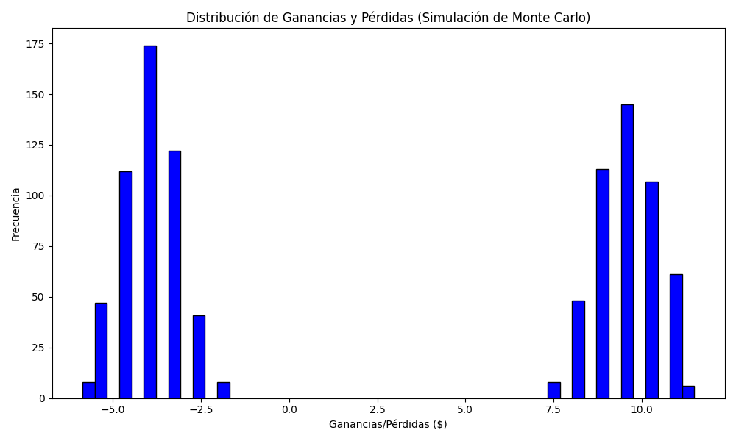
Promedio de Ganancia/Pérdida | Mediana de Ganancia/Pérdida | Ganancia/Pérdida Máxima | Ganancia/Pérdida Mínima | Probabilidad de Ganancia (>0)
2.6640824 | -2.5337 | 11.4978 | -5.86 | 0.488

