Betting Decisions
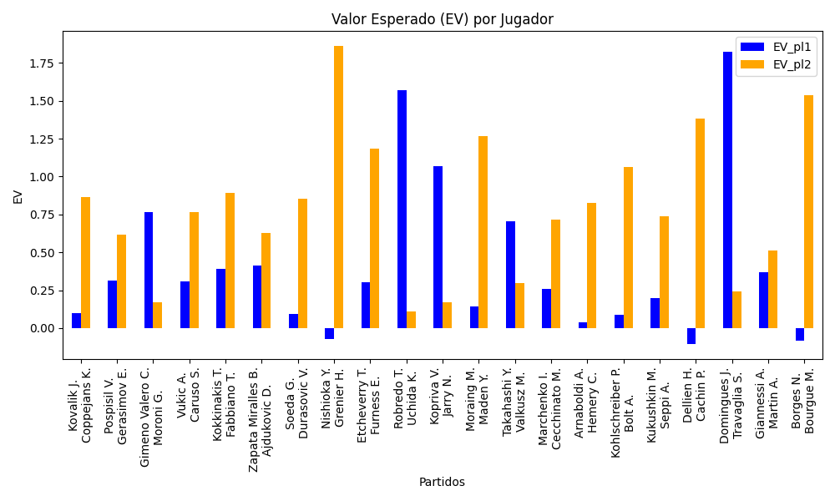
Surface | pl1 | pl1_flag | pl1_hand | pl1_bet | pl2 | pl2_flag | pl2_hand | pl2_bet | Result | DiffProffTime | DiffPts | DiffWeight | DiffHeight | Class | Prob_win_pl1 | Prob_win_pl2 | Accuracy | date_run | EV_pl1 | EV_pl2 | Std_Dev_pl1 | Std_Dev_pl2 | Sharpe_Ratio_pl1 | Sharpe_Ratio_pl2 | Best_Bet_EV | match | Best_Bet | Best_Bet_Sharpe | Money_to_Bet | Prob_Win | Payout
clay | Kovalik J. | SVK | Right-Handed | 1.62 | Coppejans K. | BEL | Right-Handed | 2.22 | 0 | 4 | -17 | 14 | 3 | 1 | 0.42020872432 | 0.57979127568 | 0.33333333333 | 2022-03-08 | 0.10094685772 | 0.86692790769 | 0.79961951567 | 1.0957748918 | -1.1368571233 | -0.13056704746 | 0.86692790769 | Kovalik J. Coppejans K. | pl2 | -0.13056704746 | 1 | 0.57979127568 | 2.22
hard | Pospisil V. | CAN | Right-Handed | 1.64 | Gerasimov E. | BLR | Right-Handed | 2.22 | 0 | 3 | -120 | 2 | -3 | 1 | 0.49738715298 | 0.50261284702 | 0.33333333333 | 2022-03-08 | 0.31310208388 | 0.61841336739 | 0.81998880369 | 1.109984844 | -0.84988711185 | -0.35278556704 | 0.61841336739 | Pospisil V. Gerasimov E. | pl2 | -0.35278556704 | 1 | 0.50261284702 | 2.22
clay | Gimeno Valero C. | ESP | Right-Handed | 2.16 | Moroni G. | ITA | Right-Handed | 1.65 | 0 | -4 | -47 | -1 | 3 | 0 | 0.55896270855 | 0.44103729145 | 0.33333333333 | 2022-03-08 | 0.76632215902 | 0.16874882234 | 1.0724642513 | 0.81924352532 | -0.22721301962 | -1.0268633827 | 0.76632215902 | Gimeno Valero C. Moroni G. | pl1 | -0.22721301962 | 1 | 0.55896270855 | 2.16
hard | Vukic A. | AUS | Right-Handed | 1.42 | Caruso S. | ITA | Right-Handed | 2.84 | 0 | -4 | 46 | 4 | 3 | 0 | 0.54030631181 | 0.45969368819 | 0.33333333333 | 2022-03-08 | 0.30754127457 | 0.76522376266 | 0.70768930968 | 1.4153786194 | -0.99260892572 | -0.17294046553 | 0.30754127457 | Vukic A. Caruso S. | pl1 | -0.99260892572 | 1 | 0.54030631181 | 1.42
hard | Kokkinakis T. | AUS | Right-Handed | 1.23 | Fabbiano T. | ITA | Right-Handed | 4.03 | 0 | -7 | 383 | 14 | 20 | 0 | 0.6234515954 | 0.3765484046 | 0.33333333333 | 2022-03-08 | 0.39029705773 | 0.89403847515 | 0.5959596929 | 1.9526159044 | -1.0398403611 | -0.059387780559 | 0.39029705773 | Kokkinakis T. Fabbiano T. | pl1 | -1.0398403611 | 1 | 0.6234515954 | 1.23
clay | Zapata Miralles B. | ESP | Right-Handed | 1.34 | Ajdukovic D. | HRV | Right-Handed | 3.11 | 0 | 3 | 354 | 7 | -2 | 0 | 0.60454703271 | 0.39545296729 | 0.33333333333 | 2022-03-08 | 0.41464005653 | 0.62531169558 | 0.65519000654 | 1.5206275525 | -0.9086828821 | -0.25297996461 | 0.41464005653 | Zapata Miralles B. Ajdukovic D. | pl1 | -0.9086828821 | 1 | 0.60454703271 | 1.34
hard | Soeda G. | JPN | Right-Handed | 1.65 | Durasovic V. | NOR | Right-Handed | 2.16 | 0 | 11 | 343 | -7 | -7 | 1 | 0.41285698363 | 0.58714301637 | 0.33333333333 | 2022-03-08 | 0.094071006623 | 0.85537193173 | 0.81237343187 | 1.0634706745 | -1.127472856 | -0.1453994661 | 0.85537193173 | Soeda G. Durasovic V. | pl2 | -0.1453994661 | 1 | 0.58714301637 | 2.16
hard | Nishioka Y. | JPN | Left-Handed | 1.24 | Grenier H. | FRA | Right-Handed | 3.89 | 0 | 2 | 219 | -21 | -26 | 1 | 0.41489755859 | 0.58510244141 | 0.33333333333 | 2022-03-08 | -0.07062946876 | 1.8611509385 | 0.61095339143 | 1.9166199134 | -1.7687592604 | 0.44408958319 | 1.8611509385 | Nishioka Y. Grenier H. | pl2 | 0.44408958319 | 0.78335531286 | 0.58510244141 | 3.89
clay | Etcheverry T. | ARG | Right-Handed | 1.19 | Furness E. | FRA | Right-Handed | 4.38 | 0 | 0 | 320 | 16 | 26 | 0 | 0.59374412798 | 0.40625587202 | 0.33333333333 | 2022-03-08 | 0.30029964027 | 1.1856565915 | 0.5844487725 | 2.1511643895 | -1.2143072124 | 0.081656516971 | 0.30029964027 | Etcheverry T. Furness E. | pl1 | -1.2143072124 | 1 | 0.59374412798 | 1.19
hard | Robredo T. | ESP | Right-Handed | 4.16 | Uchida K. | JPN | Right-Handed | 1.21 | 0 | 10 | 27 | 1 | 0 | 1 | 0.49860098202 | 0.50139901798 | 0.33333333333 | 2022-03-08 | 1.5727810672 | 0.10809182973 | 2.0799918578 | 0.60499763172 | 0.27056887993 | -1.4907631418 | 0.10809182973 | Robredo T. Uchida K. | pl2 | -1.4907631418 | 1 | 0.50139901798 | 1.21
clay | Kopriva V. | CZE | Right-Handed | 3.16 | Jarry N. | CHL | Right-Handed | 1.33 | 0 | -3 | -139 | -21 | -20 | 1 | 0.49671851831 | 0.50328148169 | 0.33333333333 | 2022-03-08 | 1.0663490362 | 0.17264585233 | 1.5799659724 | 0.66498567824 | 0.035664715041 | -1.2592062883 | 0.17264585233 | Kopriva V. Jarry N. | pl2 | -1.2592062883 | 1 | 0.50328148169 | 1.33
hard | Moraing M. | DEU | Left-Handed | 1.28 | Maden Y. | DEU | Right-Handed | 3.54 | 0 | -2 | -163 | 14 | 13 | 0 | 0.50093145499 | 0.49906854501 | 0.33333333333 | 2022-03-08 | 0.14212371737 | 1.2657711944 | 0.63999888946 | 1.7699969287 | -1.3560590447 | 0.14450375039 | 0.14212371737 | Moraing M. Maden Y. | pl1 | -1.3560590447 | 1 | 0.50093145499 | 1.28
clay | Takahashi Y. | JPN | Right-Handed | 2.75 | Valkusz M. | HUN | Right-Handed | 1.38 | 0 | 2 | 103 | -7 | -13 | 1 | 0.4546306754 | 0.5453693246 | 0.33333333333 | 2022-03-08 | 0.70486503275 | 0.29797899255 | 1.3693277673 | 0.68715357052 | -0.22283559461 | -1.0361890529 | 0.29797899255 | Takahashi Y. Valkusz M. | pl2 | -1.0361890529 | 1 | 0.5453693246 | 1.38
hard | Marchenko I. | UKR | Right-Handed | 1.57 | Cecchinato M. | ITA | Right-Handed | 2.36 | 0 | 6 | -292 | 4 | 0 | 1 | 0.48886699424 | 0.51113300576 | 0.33333333333 | 2022-03-08 | 0.25638817519 | 0.71740689937 | 0.78480538408 | 1.1797074563 | -0.96025312784 | -0.24802174392 | 0.71740689937 | Marchenko I. Cecchinato M. | pl2 | -0.24802174392 | 1 | 0.51113300576 | 2.36
clay | Arnaboldi A. | ITA | Left-Handed | 1.85 | Hemery C. | FRA | Right-Handed | 1.87 | 0 | 11 | -224 | -11 | -11 | 1 | 0.36446644437 | 0.63553355563 | 0.33333333333 | 2022-03-08 | 0.038729366469 | 0.82398130464 | 0.89036841687 | 0.89999402138 | -1.0908637538 | -0.2066888123 | 0.82398130464 | Arnaboldi A. Hemery C. | pl2 | -0.2066888123 | 1 | 0.63553355563 | 1.87
hard | Kohlschreiber P. | DEU | Right-Handed | 1.43 | Bolt A. | AUS | Left-Handed | 2.74 | 0 | 11 | 82 | -14 | -5 | 1 | 0.44838830424 | 0.55161169576 | 0.33333333333 | 2022-03-08 | 0.089583579301 | 1.0630277421 | 0.71118061178 | 1.3626817317 | -1.2942091017 | 0.038914253353 | 1.0630277421 | Kohlschreiber P. Bolt A. | pl2 | 0.038914253353 | 1 | 0.55161169576 | 2.74
hard | Kukushkin M. | KAZ | Right-Handed | 1.69 | Seppi A. | ITA | Right-Handed | 2.13 | 0 | -5 | -194 | -6 | -8 | 1 | 0.44479873674 | 0.55520126326 | 0.33333333333 | 2022-03-08 | 0.19650860183 | 0.73777995401 | 0.83983447817 | 1.0584896086 | -0.96863300962 | -0.25717781619 | 0.73777995401 | Kukushkin M. Seppi A. | pl2 | -0.25717781619 | 1 | 0.55520126326 | 2.13
clay | Dellien H. | BOL | Right-Handed | 1.41 | Cachin P. | ARG | Right-Handed | 2.79 | 0 | 4 | 569 | -2 | -5 | 1 | 0.37196133213 | 0.62803866787 | 0.33333333333 | 2022-03-08 | -0.10357318957 | 1.3802665512 | 0.68149268996 | 1.3484855355 | -1.63402074 | 0.2745795498 | 1.3802665512 | Dellien H. Cachin P. | pl2 | 0.2745795498 | 0.58095187967 | 0.62803866787 | 2.79
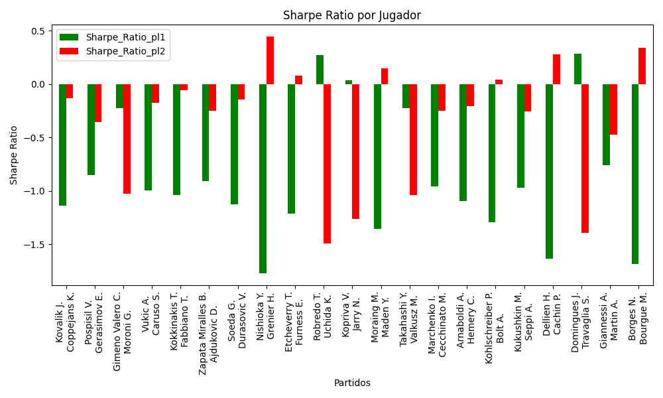
clay | Domingues J. | PRT | Right-Handed | 5.81 | Travaglia S. | ITA | Right-Handed | 1.12 | 0 | -1 | -312 | -10 | -7 | 1 | 0.41474383717 | 0.58525616283 | 0.33333333333 | 2022-03-08 | 1.8244055312 | 0.24074306519 | 2.8624578534 | 0.55179910427 | 0.28451267158 | -1.3940887704 | 0.24074306519 | Domingues J. Travaglia S. | pl2 | -1.3940887704 | 1 | 0.58525616283 | 1.12
clay | Giannessi A. | ITA | Left-Handed | 1.68 | Martin A. | SVK | Right-Handed | 2.1 | 0 | -1 | -216 | -1 | 2 | 0 | 0.51168983061 | 0.48831016939 | 0.33333333333 | 2022-03-08 | 0.37132874602 | 0.51376152512 | 0.83977039302 | 1.0497129913 | -0.76053080613 | -0.4727372901 | 0.37132874602 | Giannessi A. Martin A. | pl1 | -0.76053080613 | 1 | 0.51168983061 | 1.68
clay | Borges N. | PRT | Right-Handed | 1.33 | Bourgue M. | FRA | Right-Handed | 3.19 | 0 | -2 | -209 | -8 | -3 | 1 | 0.39394486052 | 0.60605513948 | 0.33333333333 | 2022-03-08 | -0.08210847499 | 1.5393710344 | 0.64986841479 | 1.5587069498 | -1.6805070844 | 0.33962191194 | 1.5393710344 | Borges N. Bourgue M. | pl2 | 0.33962191194 | 0.64791869017 | 0.60605513948 | 3.19

Monte Carlo Summary
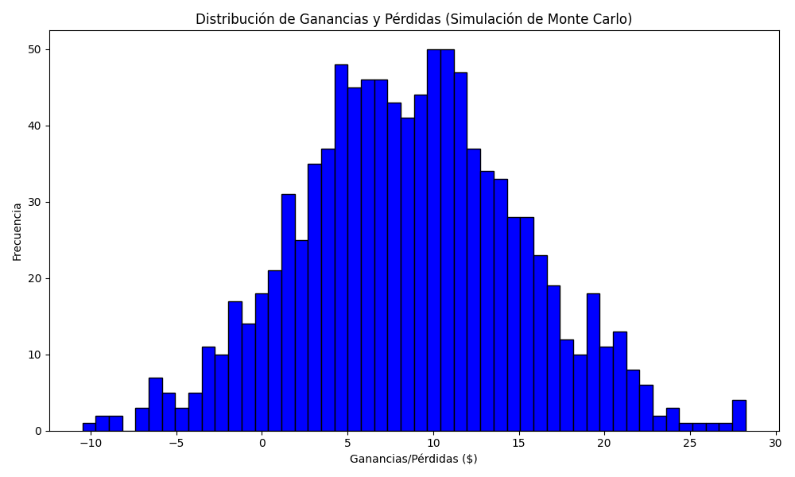
Promedio de Ganancia/Pérdida | Mediana de Ganancia/Pérdida | Ganancia/Pérdida Máxima | Ganancia/Pérdida Mínima | Probabilidad de Ganancia (>0)
8.6281506681 | 8.6039816692 | 28.244968533 | -10.481618403 | 0.654

