Betting Decisions
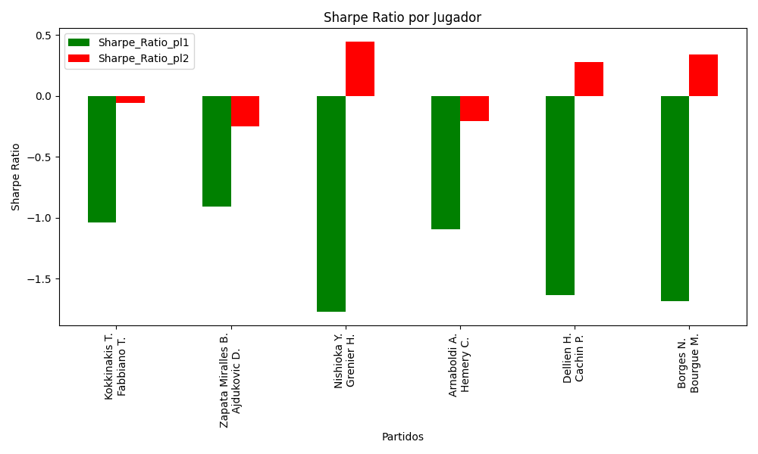
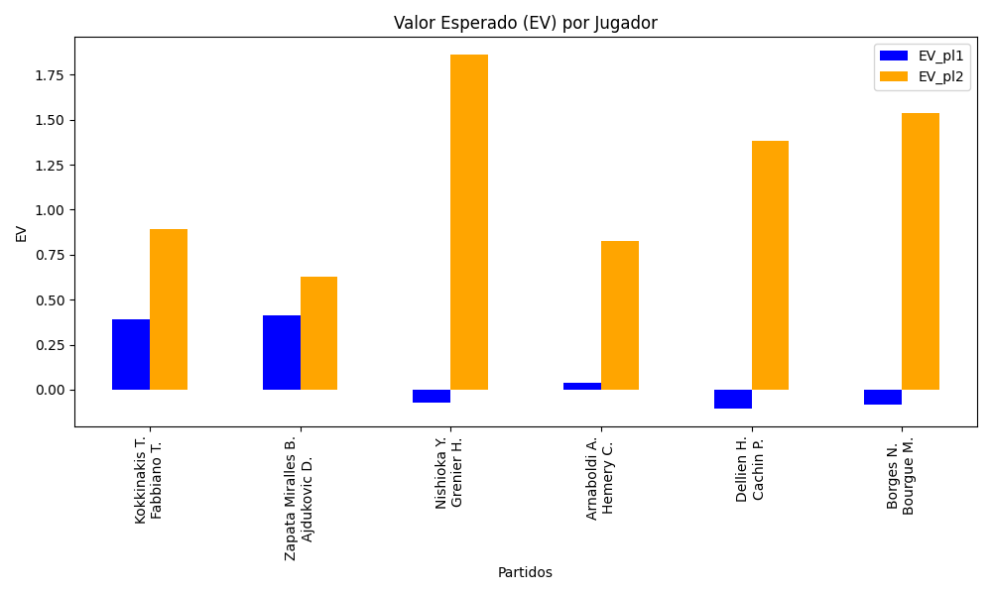
Surface | pl1 | pl1_flag | pl1_hand | pl1_bet | pl2 | pl2_flag | pl2_hand | pl2_bet | Result | DiffProffTime | DiffPts | DiffWeight | DiffHeight | Class | Prob_win_pl1 | Prob_win_pl2 | Accuracy | date_run | EV_pl1 | EV_pl2 | Std_Dev_pl1 | Std_Dev_pl2 | Sharpe_Ratio_pl1 | Sharpe_Ratio_pl2 | Best_Bet_EV | match | Best_Bet | Best_Bet_Sharpe | Money_to_Bet | Prob_Win | Payout
hard | Kokkinakis T. | AUS | Right-Handed | 1.23 | Fabbiano T. | ITA | Right-Handed | 4.03 | 0 | -7 | 383 | 14 | 20 | 0 | 0.6234515954 | 0.3765484046 | 0.33333333333 | 2022-03-08 | 0.39029705773 | 0.89403847515 | 0.5959596929 | 1.9526159044 | -1.0398403611 | -0.059387780559 | 0.39029705773 | Kokkinakis T. Fabbiano T. | pl1 | -1.0398403611 | 0.29 | 0.6234515954 | 1.23
clay | Zapata Miralles B. | ESP | Right-Handed | 1.34 | Ajdukovic D. | HRV | Right-Handed | 3.11 | 0 | 3 | 354 | 7 | -2 | 0 | 0.60454703271 | 0.39545296729 | 0.33333333333 | 2022-03-08 | 0.41464005653 | 0.62531169558 | 0.65519000654 | 1.5206275525 | -0.9086828821 | -0.25297996461 | 0.41464005653 | Zapata Miralles B. Ajdukovic D. | pl1 | -0.9086828821 | 0.29 | 0.60454703271 | 1.34
hard | Nishioka Y. | JPN | Left-Handed | 1.24 | Grenier H. | FRA | Right-Handed | 3.89 | 0 | 2 | 219 | -21 | -26 | 1 | 0.41489755859 | 0.58510244141 | 0.33333333333 | 2022-03-08 | -0.07062946876 | 1.8611509385 | 0.61095339143 | 1.9166199134 | -1.7687592604 | 0.44408958319 | 1.8611509385 | Nishioka Y. Grenier H. | pl2 | 0.44408958319 | 4.41 | 0.58510244141 | 3.89
clay | Arnaboldi A. | ITA | Left-Handed | 1.85 | Hemery C. | FRA | Right-Handed | 1.87 | 0 | 11 | -224 | -11 | -11 | 1 | 0.36446644437 | 0.63553355563 | 0.33333333333 | 2022-03-08 | 0.038729366469 | 0.82398130464 | 0.89036841687 | 0.89999402138 | -1.0908637538 | -0.2066888123 | 0.82398130464 | Arnaboldi A. Hemery C. | pl2 | -0.2066888123 | 0.29 | 0.63553355563 | 1.87
clay | Dellien H. | BOL | Right-Handed | 1.41 | Cachin P. | ARG | Right-Handed | 2.79 | 0 | 4 | 569 | -2 | -5 | 1 | 0.37196133213 | 0.62803866787 | 0.33333333333 | 2022-03-08 | -0.10357318957 | 1.3802665512 | 0.68149268996 | 1.3484855355 | -1.63402074 | 0.2745795498 | 1.3802665512 | Dellien H. Cachin P. | pl2 | 0.2745795498 | 0.29 | 0.62803866787 | 2.79
clay | Borges N. | PRT | Right-Handed | 1.33 | Bourgue M. | FRA | Right-Handed | 3.19 | 0 | -2 | -209 | -8 | -3 | 1 | 0.39394486052 | 0.60605513948 | 0.33333333333 | 2022-03-08 | -0.08210847499 | 1.5393710344 | 0.64986841479 | 1.5587069498 | -1.6805070844 | 0.33962191194 | 1.5393710344 | Borges N. Bourgue M. | pl2 | 0.33962191194 | 0.29 | 0.60605513948 | 3.19

Monte Carlo Summary
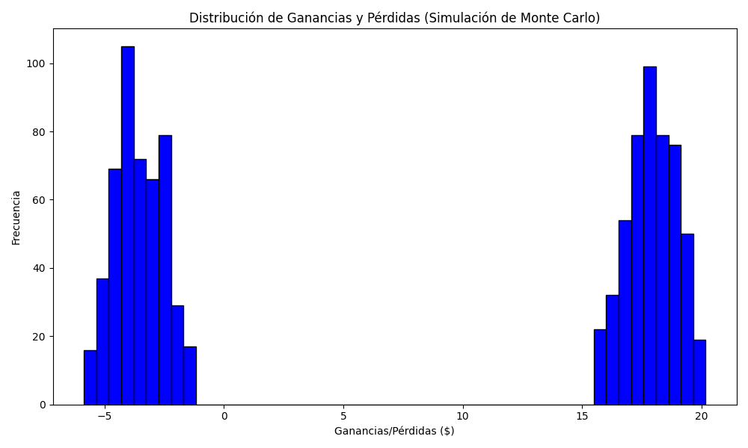
Promedio de Ganancia/Pérdida | Mediana de Ganancia/Pérdida | Ganancia/Pérdida Máxima | Ganancia/Pérdida Mínima | Probabilidad de Ganancia (>0)
7.4024306 | 15.7049 | 20.1767 | -5.86 | 0.51

