Betting Decisions
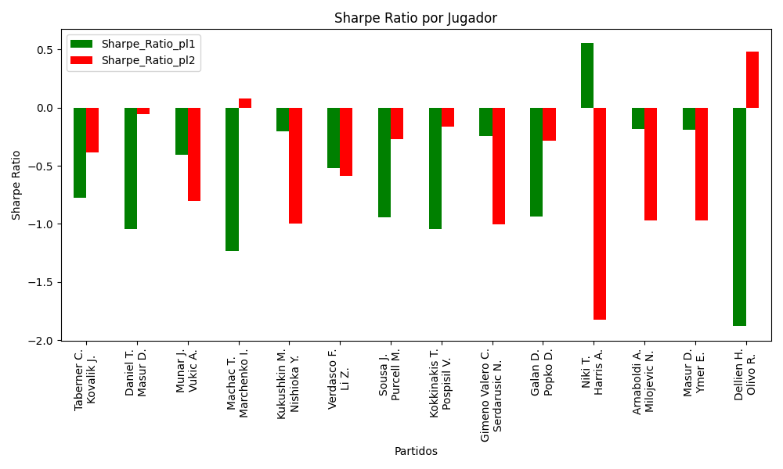
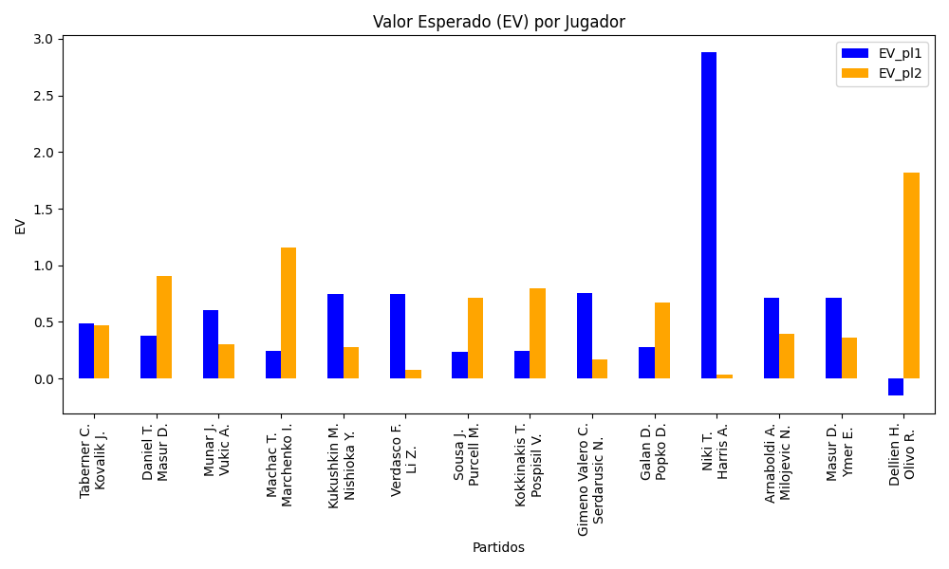
Surface | pl1 | pl1_flag | pl1_hand | pl1_bet | pl2 | pl2_flag | pl2_hand | pl2_bet | Result | DiffProffTime | DiffPts | DiffWeight | DiffHeight | Class | Prob_win_pl1 | Prob_win_pl2 | Accuracy | date_run | EV_pl1 | EV_pl2 | Std_Dev_pl1 | Std_Dev_pl2 | Sharpe_Ratio_pl1 | Sharpe_Ratio_pl2 | Best_Bet_EV | match | Best_Bet | Best_Bet_Sharpe | Money_to_Bet | Prob_Win | Payout
clay | Taberner C. | ESP | Right-Handed | 1.38 | Kovalik J. | SVK | Right-Handed | 2.93 | 0 | -6 | 274 | -4 | 0 | 0 | 0.6263375116 | 0.3736624884 | 0.57142857143 | 2022-03-09 | 0.49068327761 | 0.46849357941 | 0.66761033086 | 1.4174625141 | -0.77787400581 | -0.38202521422 | 0.49068327761 | Taberner C. Kovalik J. | pl1 | -0.77787400581 | 1 | 0.6263375116 | 1.38
hard | Daniel T. | JPN | Right-Handed | 1.24 | Masur D. | DEU | Right-Handed | 3.95 | 0 | 3 | 299 | 2 | 8 | 0 | 0.61565101032 | 0.38434898968 | 0.57142857143 | 2022-03-09 | 0.37905826311 | 0.90252749894 | 0.6031868366 | 1.9214419392 | -1.0460137699 | -0.055933254539 | 0.37905826311 | Daniel T. Masur D. | pl1 | -1.0460137699 | 1 | 0.61565101032 | 1.24
hard | Munar J. | ESP | Right-Handed | 2.01 | Vukic A. | AUS | Right-Handed | 1.78 | 0 | 0 | 208 | -8 | -5 | 0 | 0.53266513455 | 0.46733486545 | 0.57142857143 | 2022-03-09 | 0.603322055 | 0.29919092595 | 1.0028530146 | 0.8880986895 | -0.40552098772 | -0.8003717182 | 0.603322055 | Munar J. Vukic A. | pl1 | -0.40552098772 | 1 | 0.53266513455 | 2.01
hard | Machac T. | CZE | Right-Handed | 1.25 | Marchenko I. | UKR | Right-Handed | 3.84 | 0 | -13 | 192 | -9 | -2 | 0 | 0.5537496519 | 0.4462503481 | 0.57142857143 | 2022-03-09 | 0.24593671678 | 1.1598516848 | 0.62137822485 | 1.9088739067 | -1.2296267437 | 0.078502662892 | 0.24593671678 | Machac T. Marchenko I. | pl1 | -1.2296267437 | 1 | 0.5537496519 | 1.25
hard | Kukushkin M. | KAZ | Right-Handed | 2.64 | Nishioka Y. | JPN | Left-Handed | 1.46 | 0 | 6 | -260 | 8 | 13 | 1 | 0.47902141849 | 0.52097858151 | 0.57142857143 | 2022-03-09 | 0.74363796329 | 0.28160731053 | 1.3188376219 | 0.72935716968 | -0.20196727201 | -0.99867762978 | 0.28160731053 | Kukushkin M. Nishioka Y. | pl2 | -0.99867762978 | 1 | 0.52097858151 | 1.46
hard | Verdasco F. | ESP | Left-Handed | 1.24 | Li Z. | CHN | Right-Handed | 3.85 | 0 | 2 | 210 | 13 | 3 | 0 | 0.77819683217 | 0.22180316783 | 0.57142857143 | 2022-03-09 | 0.74316090405 | 0.075745363998 | 0.51516967021 | 1.5995187341 | -0.51796352033 | -0.58408483506 | 0.74316090405 | Verdasco F. Li Z. | pl1 | -0.51796352033 | 1 | 0.77819683217 | 1.24
hard | Sousa J. | PRT | Right-Handed | 1.65 | Purcell M. | AUS | Right-Handed | 2.2 | 0 | 9 | 387 | -1 | 0 | 1 | 0.4649989896 | 0.5350010104 | 0.57142857143 | 2022-03-09 | 0.23224732243 | 0.71200323329 | 0.82297615089 | 1.0973015345 | -0.9450488653 | -0.2715723594 | 0.71200323329 | Sousa J. Purcell M. | pl2 | -0.2715723594 | 1 | 0.5350010104 | 2.2
hard | Kokkinakis T. | AUS | Right-Handed | 1.47 | Pospisil V. | CAN | Right-Handed | 2.61 | 0 | -5 | 265 | -4 | 0 | 0 | 0.50227938666 | 0.49772061334 | 0.57142857143 | 2022-03-09 | 0.24063008505 | 0.79677141416 | 0.73499236242 | 1.3049864394 | -1.0467726663 | -0.16339525025 | 0.24063008505 | Kokkinakis T. Pospisil V. | pl1 | -1.0467726663 | 1 | 0.50227938666 | 1.47
clay | Gimeno Valero C. | ESP | Right-Handed | 2.1 | Serdarusic N. | HRV | Right-Handed | 1.69 | 0 | -5 | -130 | -5 | -3 | 0 | 0.56621985988 | 0.43378014012 | 0.57142857143 | 2022-03-09 | 0.75528156562 | 0.16686857693 | 1.0407506147 | 0.83755644707 | -0.24474492811 | -1.0066562391 | 0.75528156562 | Gimeno Valero C. Serdarusic N. | pl1 | -0.24474492811 | 1 | 0.56621985988 | 2.1
hard | Galan D. | COL | Right-Handed | 1.55 | Popko D. | KAZ | Right-Handed | 2.37 | 0 | 0 | 16 | -15 | 0 | 0 | 0.50284011763 | 0.49715988237 | 0.57142857143 | 2022-03-09 | 0.28224229995 | 0.67542880359 | 0.77498749718 | 1.1849808828 | -0.93905734311 | -0.28234311732 | 0.28224229995 | Galan D. Popko D. | pl1 | -0.93905734311 | 1 | 0.50284011763 | 1.55
clay | Niki T. | JPN | Right-Handed | 6.76 | Harris A. | AUS | Right-Handed | 1.07 | 0 | 5 | -119 | -8 | 0 | 1 | 0.49984223059 | 0.50015776941 | 0.57142857143 | 2022-03-09 | 2.8787757093 | 0.035326582688 | 3.3799998317 | 0.53499997337 | 0.55289224922 | -1.8218195623 | 0.035326582688 | Niki T. Harris A. | pl2 | -1.8218195623 | 1 | 0.50015776941 | 1.07
clay | Arnaboldi A. | ITA | Left-Handed | 3.34 | Milojevic N. | SRB | Right-Handed | 1.3 | 0 | 10 | -319 | -4 | -8 | 1 | 0.3941003697 | 0.6058996303 | 0.57142857143 | 2022-03-09 | 0.71039560448 | 0.3935691497 | 1.6321130289 | 0.63525357412 | -0.18356841115 | -0.97036974747 | 0.3935691497 | Arnaboldi A. Milojevic N. | pl2 | -0.97036974747 | 1 | 0.6058996303 | 1.3
hard | Masur D. | DEU | Right-Handed | 3.09 | Ymer E. | SWE | Right-Handed | 1.35 | 0 | 1 | -189 | -1 | 0 | 1 | 0.41959227285 | 0.58040772715 | 0.57142857143 | 2022-03-09 | 0.71613239596 | 0.3639581588 | 1.5248910419 | 0.66621453286 | -0.19271383723 | -0.96972042689 | 0.3639581588 | Masur D. Ymer E. | pl2 | -0.96972042689 | 1 | 0.58040772715 | 1.35
clay | Dellien H. | BOL | Right-Handed | 1.28 | Olivo R. | ARG | Right-Handed | 3.48 | 0 | 0 | 326 | 2 | 0 | 1 | 0.3714239061 | 0.6285760939 | 0.57142857143 | 2022-03-09 | -0.15315349409 | 1.8160209007 | 0.6184773879 | 1.6814853984 | -1.8806726274 | 0.47935052036 | 1.8160209007 | Dellien H. Olivo R. | pl2 | 0.47935052036 | 1.4548231131 | 0.6285760939 | 3.48

Monte Carlo Summary
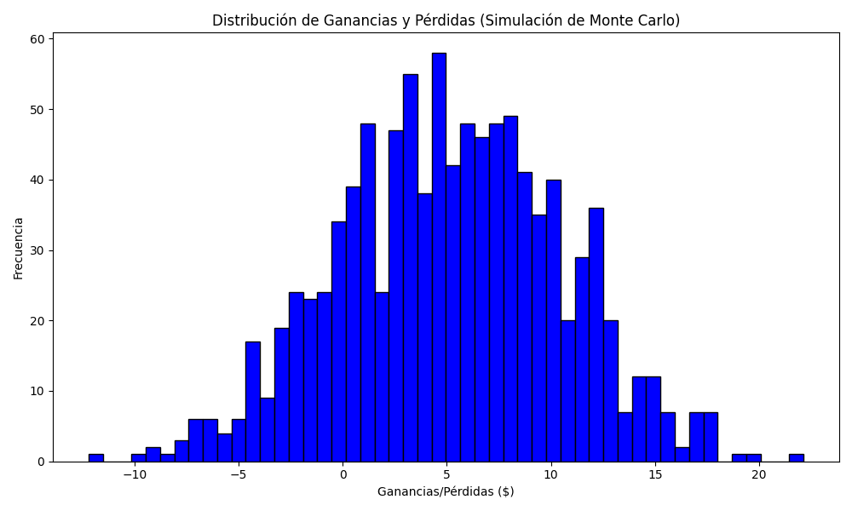
Promedio de Ganancia/Pérdida | Mediana de Ganancia/Pérdida | Ganancia/Pérdida Máxima | Ganancia/Pérdida Mínima | Probabilidad de Ganancia (>0)
5.1403799885 | 5.2439806602 | 22.132784434 | -12.214823113 | 0.449

