Betting Decisions
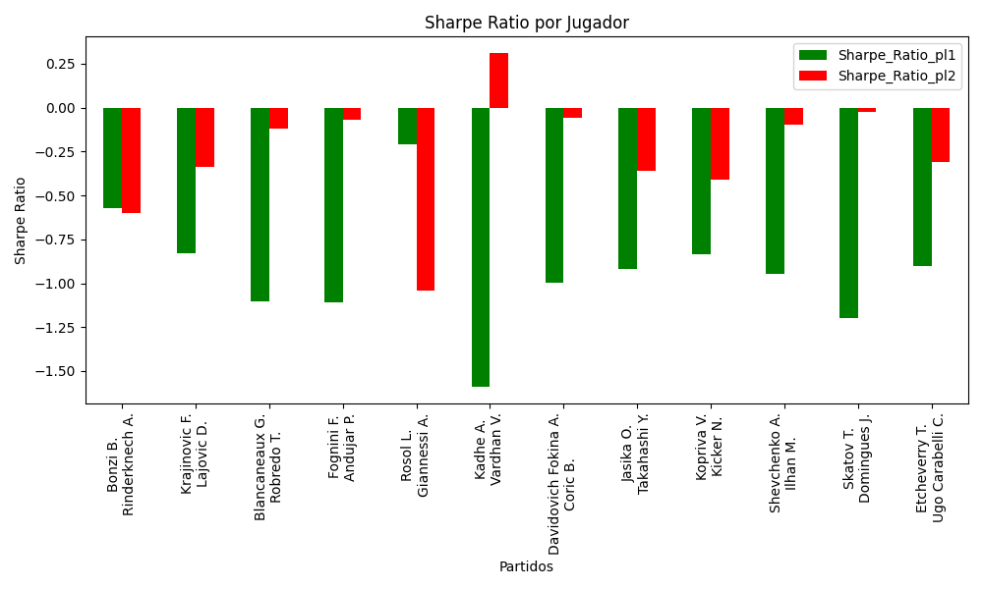
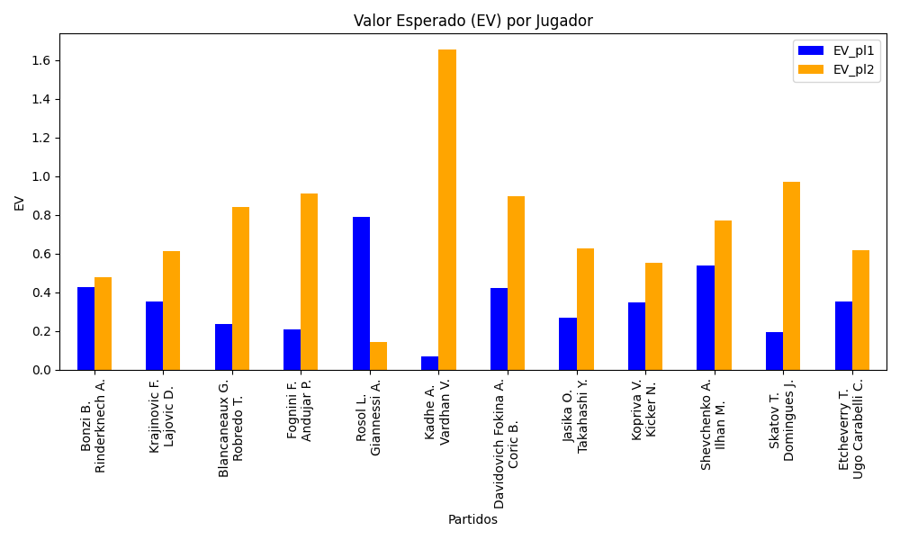
Surface | pl1 | pl1_flag | pl1_hand | pl1_bet | pl2 | pl2_flag | pl2_hand | pl2_bet | Result | DiffProffTime | DiffPts | DiffWeight | DiffHeight | Class | Prob_win_pl1 | Prob_win_pl2 | Accuracy | date_run | EV_pl1 | EV_pl2 | Std_Dev_pl1 | Std_Dev_pl2 | Sharpe_Ratio_pl1 | Sharpe_Ratio_pl2 | Best_Bet_EV | match | Best_Bet | Best_Bet_Sharpe | Money_to_Bet | Prob_Win | Payout
hard | Bonzi B. | FRA | Right-Handed | 2.03 | Rinderknech A. | FRA | Right-Handed | 1.79 | 0 | -2 | -77 | -10 | -11 | 1 | 0.4712953412 | 0.5287046588 | 0.66666666667 | 2022-03-10 | 0.42802488383 | 0.47508599806 | 1.0133259859 | 0.89352389894 | -0.57432171309 | -0.59865662528 | 0.47508599806 | Bonzi B. Rinderknech A. | pl2 | -0.59865662528 | 1 | 0.5287046588 | 1.79
hard | Krajinovic F. | SRB | Right-Handed | 1.59 | Lajovic D. | SRB | Right-Handed | 2.37 | 0 | -3 | 86 | -8 | 2 | 0 | 0.52225733341 | 0.47774266659 | 0.66666666667 | 2022-03-10 | 0.35264649353 | 0.60999278641 | 0.79421194107 | 1.1838253461 | -0.82768021038 | -0.33789377368 | 0.35264649353 | Krajinovic F. Lajovic D. | pl1 | -0.82768021038 | 1 | 0.52225733341 | 1.59
hard | Blancaneaux G. | FRA | Right-Handed | 1.4 | Robredo T. | ESP | Right-Handed | 2.8 | 0 | -16 | -184 | 0 | 0 | 0 | 0.51555815655 | 0.48444184345 | 0.66666666667 | 2022-03-10 | 0.23733957571 | 0.84087900513 | 0.6996610392 | 1.3993220784 | -1.1043353581 | -0.12085923425 | 0.23733957571 | Blancaneaux G. Robredo T. | pl1 | -1.1043353581 | 1 | 0.51555815655 | 1.4
hard | Fognini F. | ITA | Right-Handed | 1.45 | Andujar P. | ESP | Right-Handed | 2.77 | 0 | 0 | 474 | -1 | -2 | 1 | 0.49296035536 | 0.50703964464 | 0.66666666667 | 2022-03-10 | 0.20775287064 | 0.91153946029 | 0.72492813937 | 1.3848627214 | -1.1066574544 | -0.071097689461 | 0.91153946029 | Fognini F. Andujar P. | pl2 | -0.071097689461 | 1 | 0.50703964464 | 2.77
clay | Rosol L. | CZE | Right-Handed | 2.12 | Giannessi A. | ITA | Left-Handed | 1.68 | 0 | 4 | -116 | 1 | 8 | 0 | 0.57328086096 | 0.42671913904 | 0.66666666667 | 2022-03-10 | 0.78863628621 | 0.14360729262 | 1.048553619 | 0.83092928295 | -0.21111339448 | -1.0426792329 | 0.78863628621 | Rosol L. Giannessi A. | pl1 | -0.21111339448 | 1 | 0.57328086096 | 2.12
clay | Kadhe A. | IND | Right-Handed | 1.19 | Vardhan V. | IND | Right-Handed | 4.17 | 0 | -8 | -114 | -1 | -3 | 1 | 0.48666808482 | 0.51333191518 | 0.66666666667 | 2022-03-10 | 0.065803105766 | 1.6539260015 | 0.59478845184 | 2.0842586926 | -1.5874499434 | 0.30894725484 | 1.6539260015 | Kadhe A. Vardhan V. | pl2 | 0.30894725484 | 1.410710816 | 0.51333191518 | 4.17
hard | Davidovich Fokina A. | ESP | Right-Handed | 1.23 | Coric B. | HRV | Right-Handed | 4.23 | 0 | -3 | 766 | -5 | -5 | 0 | 0.63756391456 | 0.36243608544 | 0.66666666667 | 2022-03-10 | 0.42176752947 | 0.89554072684 | 0.59126570736 | 2.0333771887 | -0.994869926 | -0.056290231735 | 0.42176752947 | Davidovich Fokina A. Coric B. | pl1 | -0.994869926 | 1 | 0.63756391456 | 1.23
clay | Jasika O. | AUS | Left-Handed | 1.62 | Takahashi Y. | JPN | Right-Handed | 2.15 | 0 | 2 | -22 | -8 | 13 | 1 | 0.48398823965 | 0.51601176035 | 0.66666666667 | 2022-03-10 | 0.26804918789 | 0.6254370451 | 0.80958456358 | 1.0744486492 | -0.91645869436 | -0.35791655114 | 0.6254370451 | Jasika O. Takahashi Y. | pl2 | -0.35791655114 | 1 | 0.51601176035 | 2.15
clay | Kopriva V. | CZE | Right-Handed | 1.59 | Kicker N. | ARG | Right-Handed | 2.23 | 0 | -6 | 41 | -6 | 0 | 0 | 0.51970897587 | 0.48029102413 | 0.66666666667 | 2022-03-10 | 0.34604624749 | 0.55134000795 | 0.79438213437 | 1.1141334337 | -0.83581153676 | -0.41167420181 | 0.34604624749 | Kopriva V. Kicker N. | pl1 | -0.83581153676 | 1 | 0.51970897587 | 1.59
clay | Shevchenko A. | KAZ | Right-Handed | 1.12 | Ilhan M. | TUR | Right-Handed | 5.45 | 0 | -15 | 296 | -10 | -6 | 0 | 0.72554271534 | 0.27445728466 | 0.66666666667 | 2022-03-10 | 0.53815055653 | 0.77024948603 | 0.49978923415 | 2.4320101126 | -0.94409685369 | -0.098581215895 | 0.53815055653 | Shevchenko A. Ilhan M. | pl1 | -0.94409685369 | 1 | 0.72554271534 | 1.12
clay | Skatov T. | KAZ | Right-Handed | 1.36 | Domingues J. | PRT | Right-Handed | 2.99 | 0 | -8 | -52 | 3 | -5 | 0 | 0.50623018407 | 0.49376981593 | 0.66666666667 | 2022-03-10 | 0.1947032344 | 0.97014156556 | 0.67994720929 | 1.4948839381 | -1.1990589188 | -0.026663230116 | 0.1947032344 | Skatov T. Domingues J. | pl1 | -1.1990589188 | 1 | 0.50623018407 | 1.36
clay | Etcheverry T. | ARG | Right-Handed | 1.47 | Ugo Carabelli C. | ARG | Right-Handed | 2.57 | 0 | 1 | 155 | -1 | 11 | 0 | 0.54705594751 | 0.45294405249 | 0.66666666667 | 2022-03-10 | 0.35122819036 | 0.61701026737 | 0.73173779513 | 1.2792966894 | -0.90028397334 | -0.30719201876 | 0.35122819036 | Etcheverry T. Ugo Carabelli C. | pl1 | -0.90028397334 | 1 | 0.54705594751 | 1.47

Monte Carlo Summary
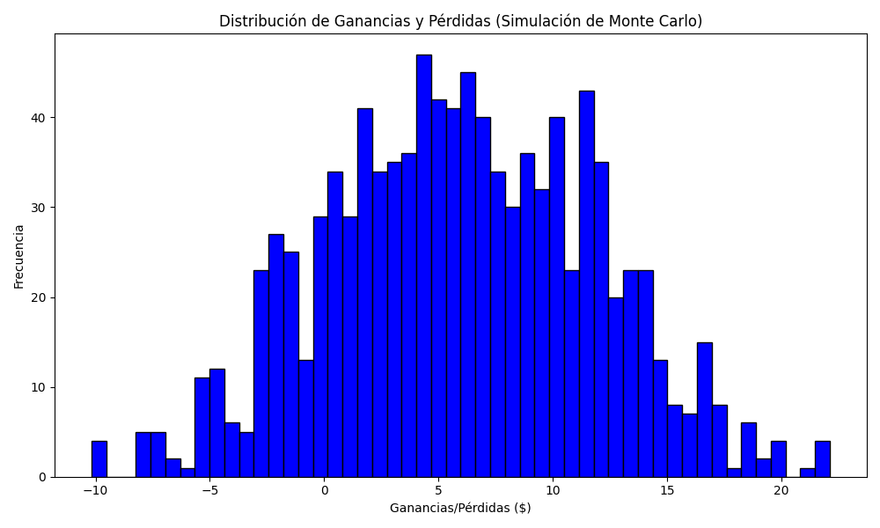
Promedio de Ganancia/Pérdida | Mediana de Ganancia/Pérdida | Ganancia/Pérdida Máxima | Ganancia/Pérdida Mínima | Probabilidad de Ganancia (>0)
5.9430898935 | 5.8409766433 | 22.112664103 | -10.180710816 | 0.495

