Betting Decisions
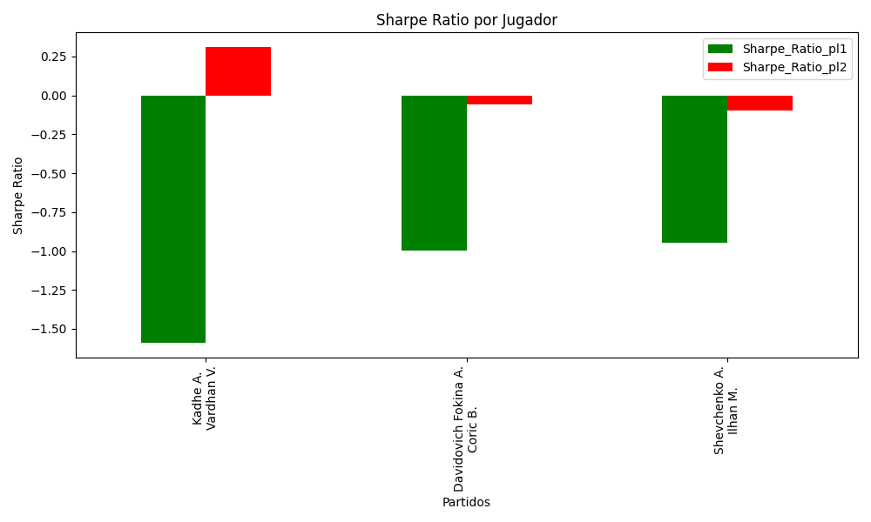
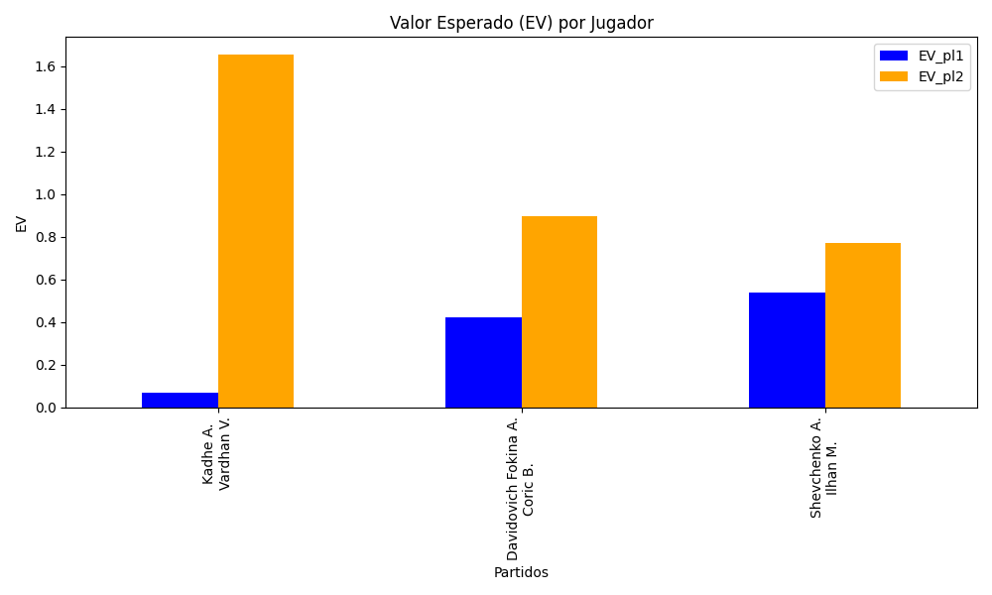
Surface | pl1 | pl1_flag | pl1_hand | pl1_bet | pl2 | pl2_flag | pl2_hand | pl2_bet | Result | DiffProffTime | DiffPts | DiffWeight | DiffHeight | Class | Prob_win_pl1 | Prob_win_pl2 | Accuracy | date_run | EV_pl1 | EV_pl2 | Std_Dev_pl1 | Std_Dev_pl2 | Sharpe_Ratio_pl1 | Sharpe_Ratio_pl2 | Best_Bet_EV | match | Best_Bet | Best_Bet_Sharpe | Money_to_Bet | Prob_Win | Payout
clay | Kadhe A. | IND | Right-Handed | 1.19 | Vardhan V. | IND | Right-Handed | 4.17 | 0 | -8 | -114 | -1 | -3 | 1 | 0.48666808482 | 0.51333191518 | 0.66666666667 | 2022-03-10 | 0.065803105766 | 1.6539260015 | 0.59478845184 | 2.0842586926 | -1.5874499434 | 0.30894725484 | 1.6539260015 | Kadhe A. Vardhan V. | pl2 | 0.30894725484 | 5.29 | 0.51333191518 | 4.17
hard | Davidovich Fokina A. | ESP | Right-Handed | 1.23 | Coric B. | HRV | Right-Handed | 4.23 | 0 | -3 | 766 | -5 | -5 | 0 | 0.63756391456 | 0.36243608544 | 0.66666666667 | 2022-03-10 | 0.42176752947 | 0.89554072684 | 0.59126570736 | 2.0333771887 | -0.994869926 | -0.056290231735 | 0.42176752947 | Davidovich Fokina A. Coric B. | pl1 | -0.994869926 | 0.29 | 0.63756391456 | 1.23
clay | Shevchenko A. | KAZ | Right-Handed | 1.12 | Ilhan M. | TUR | Right-Handed | 5.45 | 0 | -15 | 296 | -10 | -6 | 0 | 0.72554271534 | 0.27445728466 | 0.66666666667 | 2022-03-10 | 0.53815055653 | 0.77024948603 | 0.49978923415 | 2.4320101126 | -0.94409685369 | -0.098581215895 | 0.53815055653 | Shevchenko A. Ilhan M. | pl1 | -0.94409685369 | 0.29 | 0.72554271534 | 1.12

Monte Carlo Summary
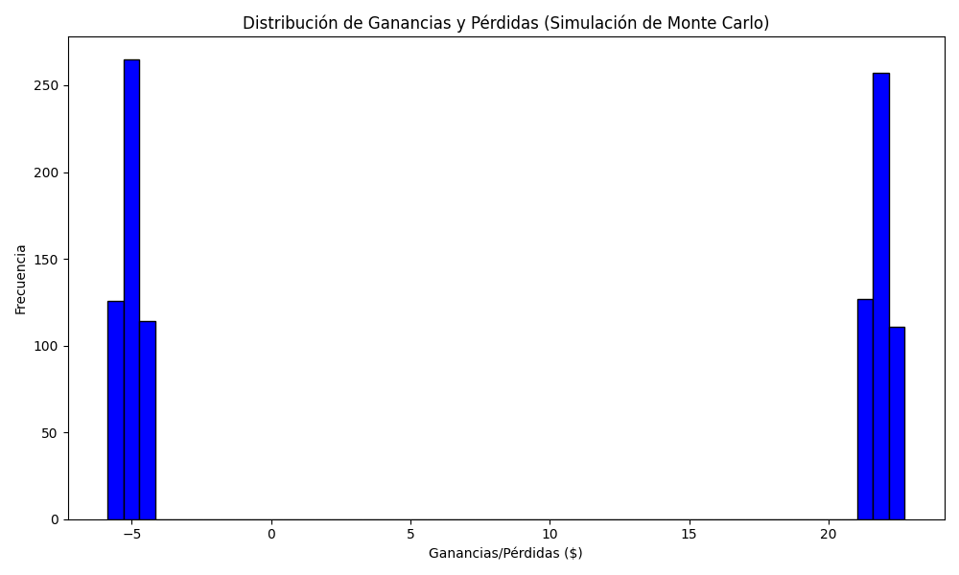
Promedio de Ganancia/Pérdida | Mediana de Ganancia/Pérdida | Ganancia/Pérdida Máxima | Ganancia/Pérdida Mínima | Probabilidad de Ganancia (>0)
8.281471 | -4.6085 | 22.7408 | -5.87 | 0.495

