Betting Decisions
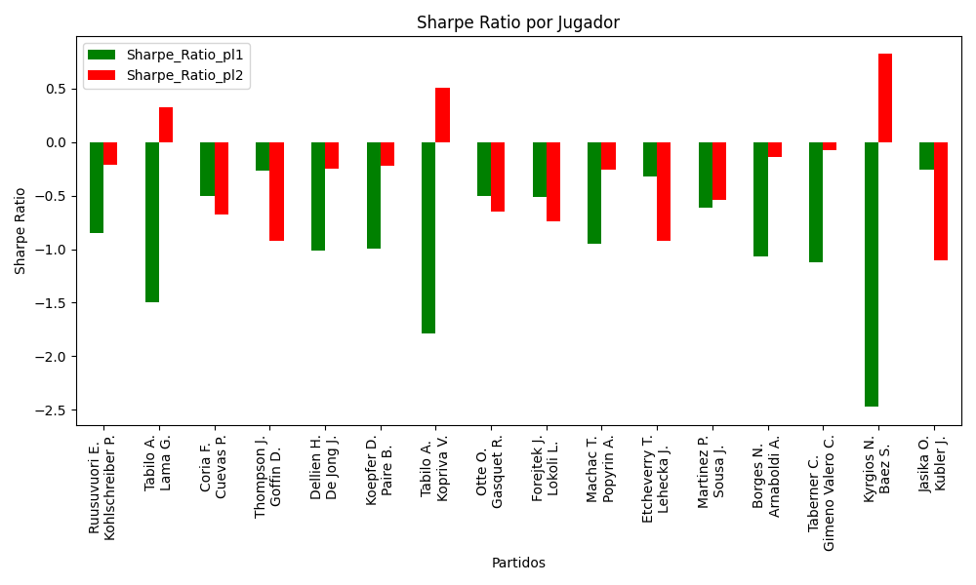
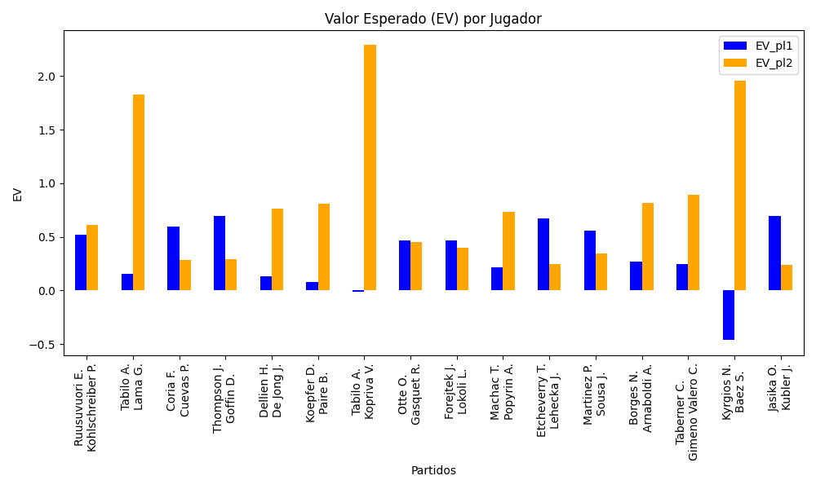
Surface | pl1 | pl1_flag | pl1_hand | pl1_bet | pl2 | pl2_flag | pl2_hand | pl2_bet | Result | DiffProffTime | DiffPts | DiffWeight | DiffHeight | Class | Prob_win_pl1 | Prob_win_pl2 | Accuracy | date_run | EV_pl1 | EV_pl2 | Std_Dev_pl1 | Std_Dev_pl2 | Sharpe_Ratio_pl1 | Sharpe_Ratio_pl2 | Best_Bet_EV | match | Best_Bet | Best_Bet_Sharpe | Money_to_Bet | Prob_Win | Payout
hard | Ruusuvuori E. | FIN | Right-Handed | 1.24 | Kohlschreiber P. | DEU | Right-Handed | 4.01 | 0 | -16 | 398 | 9 | 10 | 0 | 0.67847338556 | 0.32152661444 | 0.4375 | 2022-03-11 | 0.51978038365 | 0.61084833836 | 0.57915732974 | 1.8729200744 | -0.84643600482 | -0.21311729587 | 0.51978038365 | Ruusuvuori E. Kohlschreiber P. | pl1 | -0.84643600482 | 1 | 0.67847338556 | 1.24
clay | Tabilo A. | CHL | Left-Handed | 1.15 | Lama G. | CHL | Right-Handed | 5.09 | 0 | -5 | 409 | -7 | 8 | 0 | 0.53583445258 | 0.46416554742 | 0.4375 | 2022-03-11 | 0.15204407304 | 1.8267681838 | 0.57352137465 | 2.5384554756 | -1.495944118 | 0.3217579318 | 0.15204407304 | Tabilo A. Lama G. | pl1 | -1.495944118 | 1 | 0.53583445258 | 1.15
hard | Coria F. | ARG | Right-Handed | 1.68 | Cuevas P. | URY | Right-Handed | 2.18 | 0 | -5 | 271 | -5 | 0 | 0 | 0.59525136512 | 0.40474863488 | 0.4375 | 2022-03-11 | 0.59527365852 | 0.28710065892 | 0.82461679926 | 1.0700384657 | -0.50293220058 | -0.67558257413 | 0.59527365852 | Coria F. Cuevas P. | pl1 | -0.50293220058 | 1 | 0.59525136512 | 1.68
hard | Thompson J. | AUS | Right-Handed | 2.4 | Goffin D. | BEL | Right-Handed | 1.57 | 0 | -4 | -61 | 12 | 3 | 1 | 0.4984901192 | 0.5015098808 | 0.4375 | 2022-03-11 | 0.69486640528 | 0.28888039366 | 1.1999945286 | 0.7849964208 | -0.26261252632 | -0.91862789082 | 0.28888039366 | Thompson J. Goffin D. | pl2 | -0.91862789082 | 1 | 0.5015098808 | 1.57
clay | Dellien H. | BOL | Right-Handed | 1.76 | De Jong J. | NLD | Right-Handed | 2 | 0 | 10 | 326 | 5 | 0 | 1 | 0.41161586921 | 0.58838413079 | 0.4375 | 2022-03-11 | 0.13605979901 | 0.76515239238 | 0.86614219908 | 0.98425249895 | -1.0090031428 | -0.24876503528 | 0.76515239238 | Dellien H. De Jong J. | pl2 | -0.24876503528 | 1 | 0.58838413079 | 2
hard | Koepfer D. | DEU | Left-Handed | 1.95 | Paire B. | FRA | Right-Handed | 1.85 | 0 | -3 | 14 | -1 | -16 | 1 | 0.36481897317 | 0.63518102683 | 0.4375 | 2022-03-11 | 0.076215970841 | 0.81026592648 | 0.93868975554 | 0.89055181936 | -0.99477385754 | -0.22428124808 | 0.81026592648 | Koepfer D. Paire B. | pl2 | -0.22428124808 | 1 | 0.63518102683 | 1.85
clay | Tabilo A. | CHL | Left-Handed | 1.15 | Kopriva V. | CZE | Right-Handed | 5.07 | 0 | 2 | 270 | 6 | 10 | 1 | 0.45817936979 | 0.54182063021 | 0.4375 | 2022-03-11 | -0.014914354947 | 2.2888512254 | 0.57298516005 | 2.5261171839 | -1.7887275734 | 0.50625174221 | 2.2888512254 | Tabilo A. Kopriva V. | pl2 | 0.50625174221 | 1.2299901172 | 0.54182063021 | 5.07
hard | Otte O. | DEU | Right-Handed | 2.16 | Gasquet R. | FRA | Right-Handed | 1.71 | 0 | -8 | 36 | 0 | 10 | 1 | 0.46341910407 | 0.53658089593 | 0.4375 | 2022-03-11 | 0.46440436886 | 0.45413422797 | 1.0771056919 | 0.85270867279 | -0.50653862032 | -0.65188239521 | 0.45413422797 | Otte O. Gasquet R. | pl2 | -0.65188239521 | 1 | 0.53658089593 | 1.71
clay | Forejtek J. | CZE | Right-Handed | 2.11 | Lokoli L. | FRA | Right-Handed | 1.65 | 0 | -7 | -88 | -7 | -8 | 1 | 0.47149500406 | 0.52850499594 | 0.4375 | 2022-03-11 | 0.46634946262 | 0.40053823925 | 1.0532841563 | 0.82365822647 | -0.51614802534 | -0.73994496888 | 0.40053823925 | Forejtek J. Lokoli L. | pl2 | -0.73994496888 | 1 | 0.52850499594 | 1.65
hard | Machac T. | CZE | Right-Handed | 1.68 | Popyrin A. | AUS | Right-Handed | 2.17 | 0 | -3 | -342 | -5 | -13 | 1 | 0.45433270585 | 0.54566729415 | 0.4375 | 2022-03-11 | 0.21761165167 | 0.72976532247 | 0.83648901956 | 1.0804649836 | -0.94727884025 | -0.25936488621 | 0.72976532247 | Machac T. Popyrin A. | pl2 | -0.25936488621 | 1 | 0.54566729415 | 2.17
clay | Etcheverry T. | ARG | Right-Handed | 2.13 | Lehecka J. | CZE | Right-Handed | 1.67 | 0 | 3 | 43 | 2 | 13 | 0 | 0.53398022365 | 0.46601977635 | 0.4375 | 2022-03-11 | 0.67135810002 | 0.24427280286 | 1.0625377372 | 0.8330694935 | -0.31871046845 | -0.91916365096 | 0.67135810002 | Etcheverry T. Lehecka J. | pl1 | -0.31871046845 | 1 | 0.53398022365 | 2.13
hard | Martinez P. | ESP | Right-Handed | 1.51 | Sousa J. | PRT | Right-Handed | 2.55 | 0 | -8 | 310 | 2 | 0 | 0 | 0.62161165207 | 0.37838834793 | 0.4375 | 2022-03-11 | 0.56024524671 | 0.34327863514 | 0.73232759263 | 1.2367121597 | -0.61414421336 | -0.53910795622 | 0.56024524671 | Martinez P. Sousa J. | pl1 | -0.61414421336 | 1 | 0.62161165207 | 1.51
clay | Borges N. | PRT | Right-Handed | 1.4 | Arnaboldi A. | ITA | Left-Handed | 2.84 | 0 | -11 | -56 | 3 | 5 | 0 | 0.52755754824 | 0.47244245176 | 0.4375 | 2022-03-11 | 0.26613811577 | 0.81417901477 | 0.69893600552 | 1.4178416112 | -1.0642775281 | -0.13811203148 | 0.26613811577 | Borges N. Arnaboldi A. | pl1 | -1.0642775281 | 1 | 0.52755754824 | 1.4
clay | Taberner C. | ESP | Right-Handed | 1.36 | Gimeno Valero C. | ESP | Right-Handed | 3.02 | 0 | 3 | 511 | -2 | -5 | 0 | 0.52924964709 | 0.47075035291 | 0.4375 | 2022-03-11 | 0.24902916712 | 0.89241641871 | 0.67883546592 | 1.5074140493 | -1.1209945135 | -0.078003506296 | 0.24902916712 | Taberner C. Gimeno Valero C. | pl1 | -1.1209945135 | 1 | 0.52924964709 | 1.36
hard | Kyrgios N. | AUS | Right-Handed | 1.44 | Baez S. | ARG | Right-Handed | 2.79 | 0 | 6 | -3931 | 15 | 23 | 1 | 0.21949333969 | 0.78050666031 | 0.4375 | 2022-03-11 | -0.46443625115 | 1.9581202426 | 0.59602087685 | 1.1547904489 | -2.4737996745 | 0.82103228639 | 1.9581202426 | Kyrgios N. Baez S. | pl2 | 0.82103228639 | 1.0522608547 | 0.78050666031 | 2.79
clay | Jasika O. | AUS | Left-Handed | 2.49 | Kubler J. | AUS | Right-Handed | 1.4 | 0 | -3 | -38 | -14 | 5 | 1 | 0.4847020469 | 0.5152979531 | 0.4375 | 2022-03-11 | 0.69161014369 | 0.23671508743 | 1.2444171354 | 0.69967228497 | -0.25585460634 | -1.1052101522 | 0.23671508743 | Jasika O. Kubler J. | pl2 | -1.1052101522 | 1 | 0.5152979531 | 1.4

Monte Carlo Summary
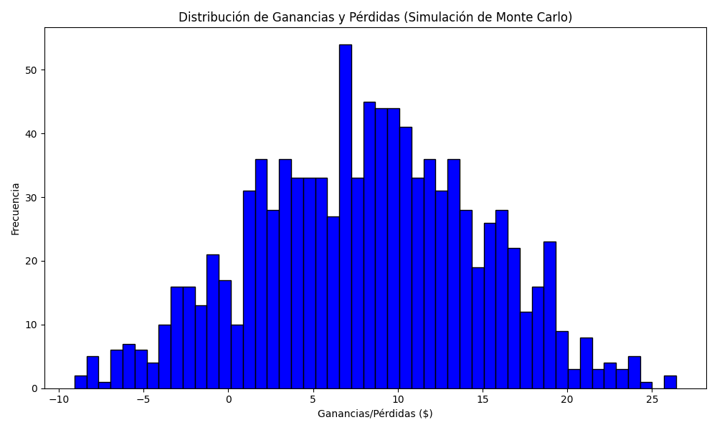
Promedio de Ganancia/Pérdida | Mediana de Ganancia/Pérdida | Ganancia/Pérdida Máxima | Ganancia/Pérdida Mínima | Probabilidad de Ganancia (>0)
8.1718469661 | 8.3958176674 | 26.421857679 | -9.072250972 | 0.63

