Betting Decisions
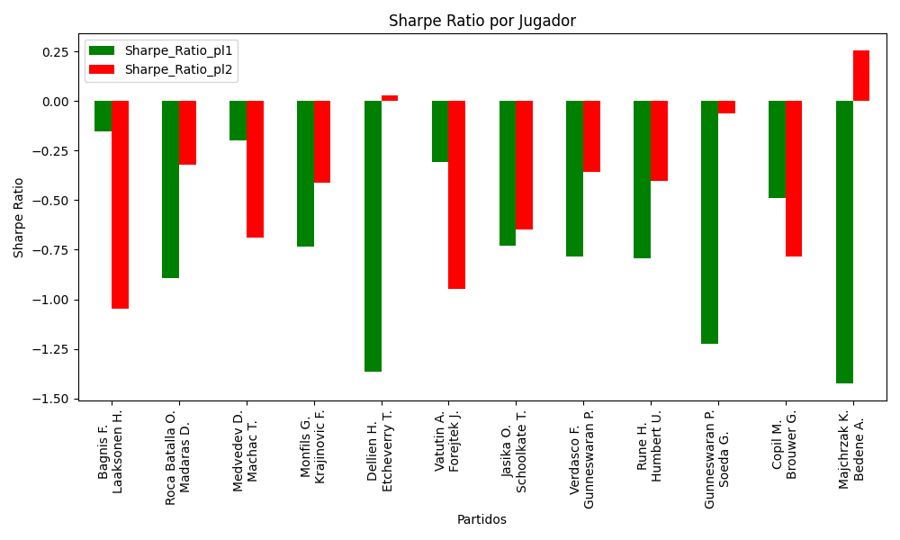
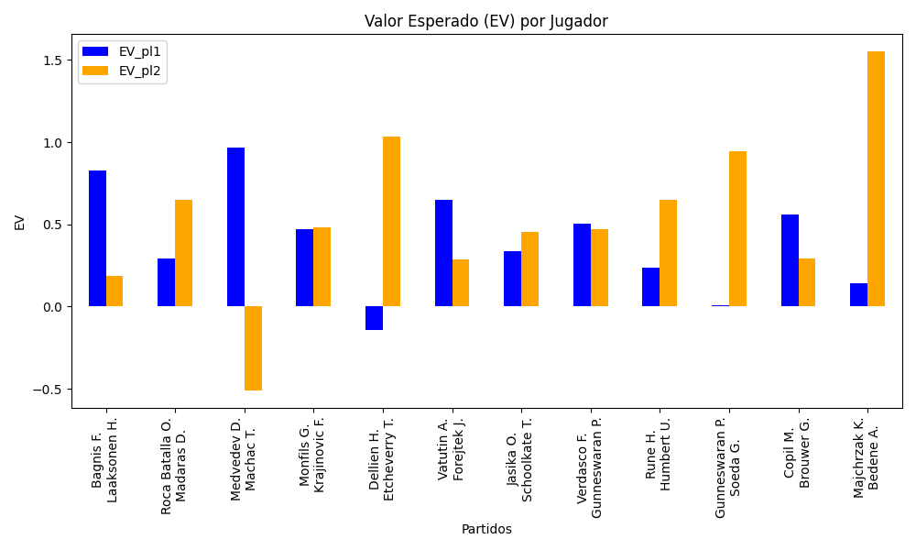
Surface | pl1 | pl1_flag | pl1_hand | pl1_bet | pl2 | pl2_flag | pl2_hand | pl2_bet | Result | DiffProffTime | DiffPts | DiffWeight | DiffHeight | Class | Prob_win_pl1 | Prob_win_pl2 | Accuracy | date_run | EV_pl1 | EV_pl2 | Std_Dev_pl1 | Std_Dev_pl2 | Sharpe_Ratio_pl1 | Sharpe_Ratio_pl2 | Best_Bet_EV | match | Best_Bet | Best_Bet_Sharpe | Money_to_Bet | Prob_Win | Payout
hard | Bagnis F. | ARG | Left-Handed | 2.38 | Laaksonen H. | CHE | Right-Handed | 1.58 | 0 | 1 | 40 | 4 | -2 | 0 | 0.54032387993 | 0.45967612007 | 0.5 | 2022-03-12 | 0.82629471416 | 0.18596438978 | 1.1861237705 | 0.78742670479 | -0.15487868164 | -1.0464918261 | 0.82629471416 | Bagnis F. Laaksonen H. | pl1 | -0.15487868164 | 1 | 0.54032387993 | 2.38
clay | Roca Batalla O. | ESP | Right-Handed | 1.61 | Madaras D. | SWE | Left-Handed | 2.26 | 0 | 7 | -3 | -10 | -18 | 1 | 0.49408717832 | 0.50591282168 | 0.5 | 2022-03-12 | 0.28956753543 | 0.64927579866 | 0.80494371008 | 1.1299209843 | -0.89500974484 | -0.31924728042 | 0.64927579866 | Roca Batalla O. Madaras D. | pl2 | -0.31924728042 | 1 | 0.50591282168 | 2.26
hard | Medvedev D. | RUS | Right-Handed | 1.05 | Machac T. | CZE | Right-Handed | 11.38 | 0 | 5 | 8236 | 10 | 15 | 0 | 0.96071206551 | 0.039287934493 | 0.5 | 2022-03-12 | 0.96945973429 | -0.51361537097 | 0.20399311985 | 2.2108968609 | -0.19873349523 | -0.68913905389 | 0.96945973429 | Medvedev D. Machac T. | pl1 | -0.19873349523 | 1 | 0.96071206551 | 1.05
hard | Monfils G. | FRA | Right-Handed | 1.49 | Krajinovic F. | SRB | Right-Handed | 2.62 | 0 | 5 | 421 | 10 | 8 | 0 | 0.59069617181 | 0.40930382819 | 0.5 | 2022-03-12 | 0.47083346781 | 0.48167985805 | 0.73264105211 | 1.2882681587 | -0.73592181416 | -0.41010106348 | 0.47083346781 | Monfils G. Krajinovic F. | pl1 | -0.73592181416 | 1 | 0.59069617181 | 1.49
clay | Dellien H. | BOL | Right-Handed | 1.84 | Etcheverry T. | ARG | Right-Handed | 1.91 | 0 | 7 | 108 | -7 | -16 | 1 | 0.30145406729 | 0.69854593271 | 0.5 | 2022-03-12 | -0.14387044888 | 1.0327686642 | 0.8443565585 | 0.87647881888 | -1.3665677577 | 0.025977426587 | 1.0327686642 | Dellien H. Etcheverry T. | pl2 | 0.025977426587 | 1 | 0.69854593271 | 1.91
clay | Vatutin A. | RUS | Right-Handed | 2.35 | Forejtek J. | CZE | Right-Handed | 1.53 | 0 | 8 | 153 | -2 | -2 | 1 | 0.49240500424 | 0.50759499576 | 0.5 | 2022-03-12 | 0.64955676421 | 0.28421533927 | 1.1748644349 | 0.76491173845 | -0.30679559709 | -0.94884759149 | 0.28421533927 | Vatutin A. Forejtek J. | pl2 | -0.94884759149 | 1 | 0.50759499576 | 1.53
clay | Jasika O. | AUS | Left-Handed | 1.85 | Schoolkate T. | AUS | Right-Handed | 1.73 | 0 | 8 | 154 | -18 | 0 | 1 | 0.46821909906 | 0.53178090094 | 0.5 | 2022-03-12 | 0.33442443231 | 0.45176185957 | 0.92312956142 | 0.86325088716 | -0.73183179905 | -0.64666963999 | 0.45176185957 | Jasika O. Schoolkate T. | pl2 | -0.64666963999 | 1 | 0.53178090094 | 1.73
hard | Verdasco F. | ESP | Left-Handed | 1.34 | Gunneswaran P. | IND | Left-Handed | 3.13 | 0 | 5 | 137 | 10 | 0 | 0 | 0.64362420302 | 0.35637579698 | 0.5 | 2022-03-12 | 0.50608063506 | 0.47183204154 | 0.64176360271 | 1.4990448332 | -0.78521025937 | -0.35900724684 | 0.50608063506 | Verdasco F. Gunneswaran P. | pl1 | -0.78521025937 | 1 | 0.64362420302 | 1.34
hard | Rune H. | DNK | Right-Handed | 1.99 | Humbert U. | FRA | Left-Handed | 1.81 | 0 | -4 | -428 | -5 | -3 | 1 | 0.41252840985 | 0.58747159015 | 0.5 | 2022-03-12 | 0.23345994545 | 0.65079516832 | 0.97965563833 | 0.89104357054 | -0.79266634536 | -0.40312824598 | 0.65079516832 | Rune H. Humbert U. | pl2 | -0.40312824598 | 1 | 0.58747159015 | 1.81
hard | Gunneswaran P. | IND | Left-Handed | 1.69 | Soeda G. | JPN | Right-Handed | 2.11 | 0 | -4 | -202 | 7 | 10 | 1 | 0.37427757397 | 0.62572242603 | 0.5 | 2022-03-12 | 0.0068066739676 | 0.94599674497 | 0.81785152482 | 1.0211045665 | -1.2266203529 | -0.062680412108 | 0.94599674497 | Gunneswaran P. Soeda G. | pl2 | -0.062680412108 | 1 | 0.62572242603 | 2.11
clay | Copil M. | ROU | Right-Handed | 1.85 | Brouwer G. | NLD | Left-Handed | 1.85 | 0 | 8 | 547 | 15 | 2 | 0 | 0.54743266143 | 0.45256733857 | 0.5 | 2022-03-12 | 0.56018308507 | 0.28981691493 | 0.92082835705 | 0.92082835705 | -0.48849159725 | -0.78210350448 | 0.56018308507 | Copil M. Brouwer G. | pl1 | -0.48849159725 | 1 | 0.54743266143 | 1.85
hard | Majchrzak K. | POL | Right-Handed | 1.22 | Bedene A. | SVN | Right-Handed | 4.25 | 0 | -7 | 338 | 5 | -3 | 0 | 0.51369127513 | 0.48630872487 | 0.5 | 2022-03-12 | 0.1403946308 | 1.5531208055 | 0.60977126688 | 2.1242031838 | -1.426117327 | 0.25568213516 | 0.1403946308 | Majchrzak K. Bedene A. | pl1 | -1.426117327 | 1 | 0.51369127513 | 1.22

Monte Carlo Summary
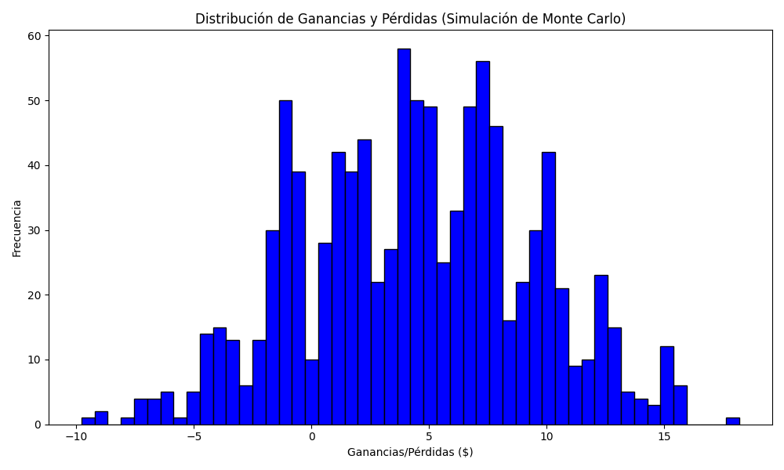
Promedio de Ganancia/Pérdida | Mediana de Ganancia/Pérdida | Ganancia/Pérdida Máxima | Ganancia/Pérdida Mínima | Probabilidad de Ganancia (>0)
4.45301 | 4.465 | 18.19 | -9.78 | 0.403

