Betting Decisions
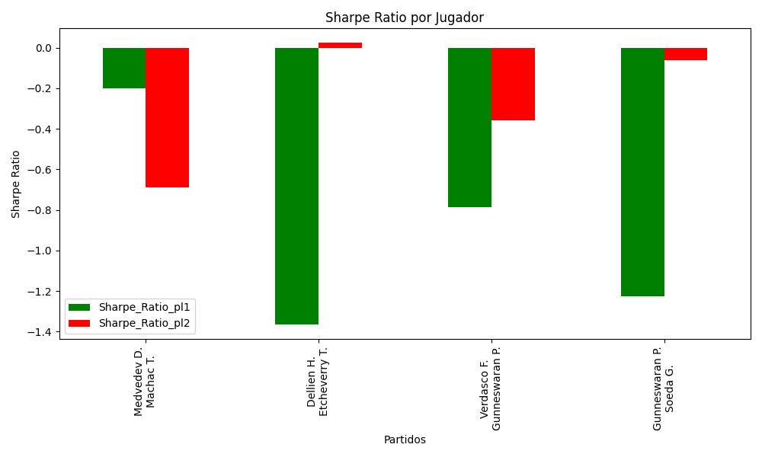
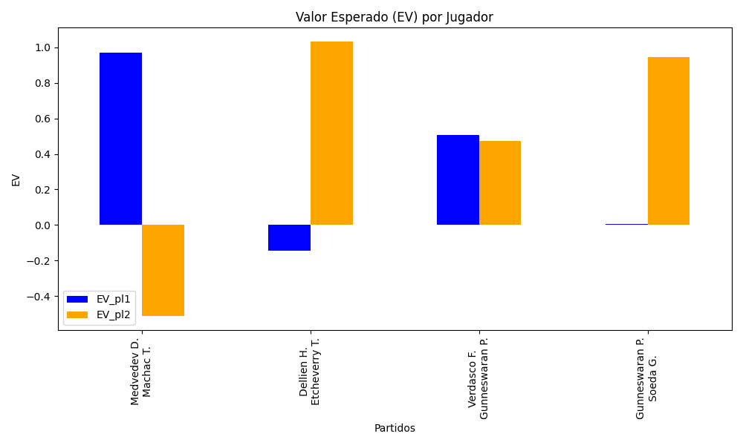
Surface | pl1 | pl1_flag | pl1_hand | pl1_bet | pl2 | pl2_flag | pl2_hand | pl2_bet | Result | DiffProffTime | DiffPts | DiffWeight | DiffHeight | Class | Prob_win_pl1 | Prob_win_pl2 | Accuracy | date_run | EV_pl1 | EV_pl2 | Std_Dev_pl1 | Std_Dev_pl2 | Sharpe_Ratio_pl1 | Sharpe_Ratio_pl2 | Best_Bet_EV | match | Best_Bet | Best_Bet_Sharpe | Money_to_Bet | Prob_Win | Payout
hard | Medvedev D. | RUS | Right-Handed | 1.05 | Machac T. | CZE | Right-Handed | 11.38 | 0 | 5 | 8236 | 10 | 15 | 0 | 0.96071206551 | 0.039287934493 | 0.5 | 2022-03-12 | 0.96945973429 | -0.51361537097 | 0.20399311985 | 2.2108968609 | -0.19873349523 | -0.68913905389 | 0.96945973429 | Medvedev D. Machac T. | pl1 | -0.19873349523 | 5 | 0.96071206551 | 1.05
clay | Dellien H. | BOL | Right-Handed | 1.84 | Etcheverry T. | ARG | Right-Handed | 1.91 | 0 | 7 | 108 | -7 | -16 | 1 | 0.30145406729 | 0.69854593271 | 0.5 | 2022-03-12 | -0.14387044888 | 1.0327686642 | 0.8443565585 | 0.87647881888 | -1.3665677577 | 0.025977426587 | 1.0327686642 | Dellien H. Etcheverry T. | pl2 | 0.025977426587 | 0.29 | 0.69854593271 | 1.91
hard | Verdasco F. | ESP | Left-Handed | 1.34 | Gunneswaran P. | IND | Left-Handed | 3.13 | 0 | 5 | 137 | 10 | 0 | 0 | 0.64362420302 | 0.35637579698 | 0.5 | 2022-03-12 | 0.50608063506 | 0.47183204154 | 0.64176360271 | 1.4990448332 | -0.78521025937 | -0.35900724684 | 0.50608063506 | Verdasco F. Gunneswaran P. | pl1 | -0.78521025937 | 0.29 | 0.64362420302 | 1.34
hard | Gunneswaran P. | IND | Left-Handed | 1.69 | Soeda G. | JPN | Right-Handed | 2.11 | 0 | -4 | -202 | 7 | 10 | 1 | 0.37427757397 | 0.62572242603 | 0.5 | 2022-03-12 | 0.0068066739676 | 0.94599674497 | 0.81785152482 | 1.0211045665 | -1.2266203529 | -0.062680412108 | 0.94599674497 | Gunneswaran P. Soeda G. | pl2 | -0.062680412108 | 0.29 | 0.62572242603 | 2.11

Monte Carlo Summary
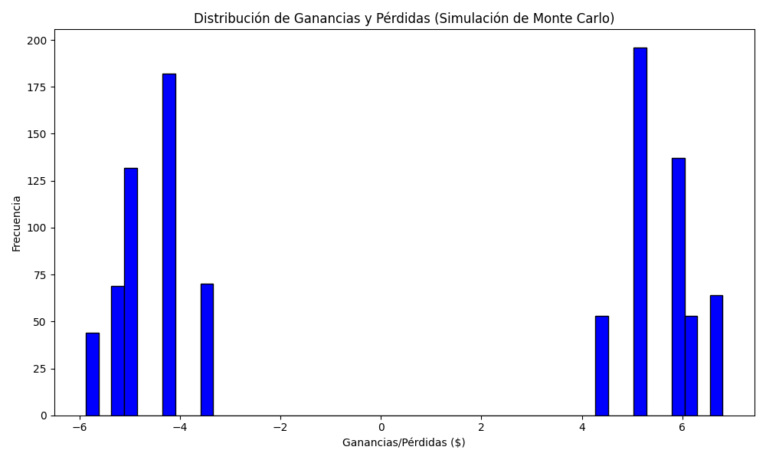
Promedio de Ganancia/Pérdida | Mediana de Ganancia/Pérdida | Ganancia/Pérdida Máxima | Ganancia/Pérdida Mínima | Probabilidad de Ganancia (>0)
0.5291482 | 4.38 | 6.8044 | -5.87 | 0.254

