Betting Decisions
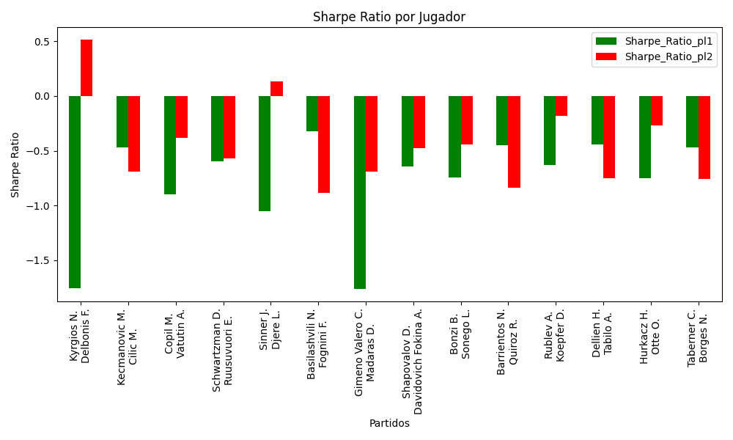
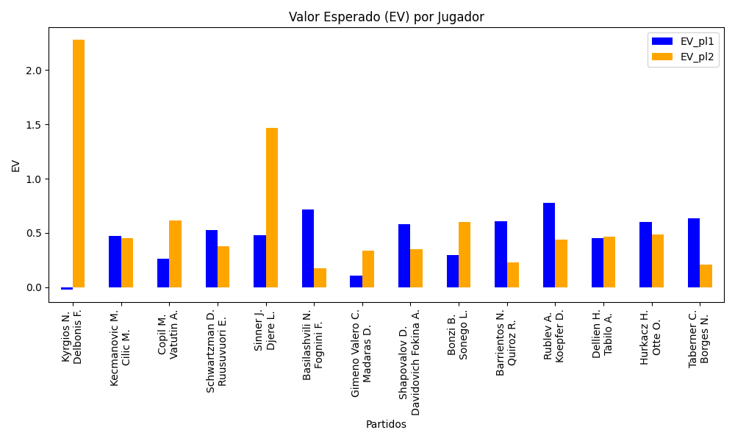
Surface | pl1 | pl1_flag | pl1_hand | pl1_bet | pl2 | pl2_flag | pl2_hand | pl2_bet | Result | DiffProffTime | DiffPts | DiffWeight | DiffHeight | Class | Prob_win_pl1 | Prob_win_pl2 | Accuracy | date_run | EV_pl1 | EV_pl2 | Std_Dev_pl1 | Std_Dev_pl2 | Sharpe_Ratio_pl1 | Sharpe_Ratio_pl2 | Best_Bet_EV | match | Best_Bet | Best_Bet_Sharpe | Money_to_Bet | Prob_Win | Payout
hard | Kyrgios N. | AUS | Right-Handed | 1.18 | Delbonis F. | ARG | Left-Handed | 4.96 | 0 | -5 | -889 | -5 | 0 | 1 | 0.45025815998 | 0.54974184002 | 0.64285714286 | 2022-03-13 | -0.018437211243 | 2.2764613665 | 0.5870731244 | 2.4676972009 | -1.7518042787 | 0.51321587027 | 2.2764613665 | Kyrgios N. Delbonis F. | pl2 | 0.51321587027 | 1.4181880992 | 0.54974184002 | 4.96
hard | Kecmanovic M. | SRB | Right-Handed | 2.3 | Cilic M. | HRV | Right-Handed | 1.62 | 0 | -9 | -864 | -14 | -15 | 1 | 0.44563688362 | 0.55436311638 | 0.64285714286 | 2022-03-13 | 0.47060171594 | 0.45243136492 | 1.1431824906 | 0.80519810208 | -0.47183917571 | -0.6924614373 | 0.45243136492 | Kecmanovic M. Cilic M. | pl2 | -0.6924614373 | 1 | 0.55436311638 | 1.62
clay | Copil M. | ROU | Right-Handed | 1.67 | Vatutin A. | RUS | Right-Handed | 2.07 | 0 | 4 | 416 | 18 | 15 | 1 | 0.47337307918 | 0.52662692082 | 0.64285714286 | 2022-03-13 | 0.26390612141 | 0.61674464691 | 0.83381514118 | 1.0335313427 | -0.89479531102 | -0.38049678501 | 0.61674464691 | Copil M. Vatutin A. | pl2 | -0.38049678501 | 1 | 0.52662692082 | 2.07
hard | Schwartzman D. | ARG | Right-Handed | 1.64 | Ruusuvuori E. | FIN | Right-Handed | 2.26 | 0 | 6 | 1784 | -15 | -18 | 0 | 0.57801976092 | 0.42198023908 | 0.64285714286 | 2022-03-13 | 0.52597216884 | 0.37565557939 | 0.80995566626 | 1.1161584181 | -0.59759793199 | -0.56832830385 | 0.52597216884 | Schwartzman D. Ruusuvuori E. | pl1 | -0.59759793199 | 1 | 0.57801976092 | 1.64
hard | Sinner J. | ITA | Right-Handed | 1.1 | Djere L. | SRB | Right-Handed | 7.37 | 0 | -4 | 2454 | -6 | 0 | 0 | 0.70514848798 | 0.29485151202 | 0.64285714286 | 2022-03-13 | 0.48081182477 | 1.4679071556 | 0.50157358227 | 3.3605430012 | -1.0550559159 | 0.13625987092 | 0.48081182477 | Sinner J. Djere L. | pl1 | -1.0550559159 | 1 | 0.70514848798 | 1.1
hard | Basilashvili N. | GEO | Right-Handed | 1.88 | Fognini F. | ITA | Right-Handed | 1.91 | 0 | -5 | 762 | 0 | 7 | 0 | 0.59499177898 | 0.40500822102 | 0.64285714286 | 2022-03-13 | 0.71357632347 | 0.17857392316 | 0.9228800358 | 0.93760684488 | -0.32119415854 | -0.88675342057 | 0.71357632347 | Basilashvili N. Fognini F. | pl1 | -0.32119415854 | 1 | 0.59499177898 | 1.88
clay | Gimeno Valero C. | ESP | Right-Handed | 1.03 | Madaras D. | SWE | Left-Handed | 1.95 | 0 | -1 | -43 | -5 | -3 | 0 | 0.54570539527 | 0.45429460473 | 0.64285714286 | 2022-03-13 | 0.1077819524 | 0.34016908395 | 0.5128438337 | 0.9709179376 | -1.7592451899 | -0.68989447008 | 0.1077819524 | Gimeno Valero C. Madaras D. | pl1 | -1.7592451899 | 1 | 0.54570539527 | 1.03
hard | Shapovalov D. | CAN | Left-Handed | 1.41 | Davidovich Fokina A. | ESP | Right-Handed | 2.91 | 0 | 1 | 1905 | -5 | 2 | 0 | 0.655047962 | 0.344952038 | 0.64285714286 | 2022-03-13 | 0.57866558841 | 0.3487624686 | 0.67024721814 | 1.3832761736 | -0.64354524707 | -0.47802278679 | 0.57866558841 | Shapovalov D. Davidovich Fokina A. | pl1 | -0.64354524707 | 1 | 0.655047962 | 1.41
hard | Bonzi B. | FRA | Right-Handed | 1.93 | Sonego L. | ITA | Right-Handed | 1.87 | 0 | 0 | -1028 | 0 | -6 | 1 | 0.44185485014 | 0.55814514986 | 0.64285714286 | 2022-03-13 | 0.29463471091 | 0.6018765801 | 0.95845273246 | 0.92865627445 | -0.74637513658 | -0.43947737299 | 0.6018765801 | Bonzi B. Sonego L. | pl2 | -0.43947737299 | 1 | 0.55814514986 | 1.87
clay | Barrientos N. | COL | Right-Handed | 1.8 | Quiroz R. | ECU | Left-Handed | 1.89 | 0 | 3 | -10 | -13 | -18 | 0 | 0.57479388473 | 0.42520611527 | 0.64285714286 | 2022-03-13 | 0.60942287725 | 0.22884567313 | 0.88987360584 | 0.93436728613 | -0.45015058332 | -0.83602491062 | 0.60942287725 | Barrientos N. Quiroz R. | pl1 | -0.45015058332 | 1 | 0.57479388473 | 1.8
hard | Rublev A. | RUS | Right-Handed | 1.07 | Koepfer D. | DEU | Left-Handed | 9.08 | 0 | -3 | 3536 | -9 | 8 | 0 | 0.85696326692 | 0.14303673308 | 0.64285714286 | 2022-03-13 | 0.77391396253 | 0.44181026943 | 0.37461802696 | 3.1790015746 | -0.63020468979 | -0.17873213248 | 0.77391396253 | Rublev A. Koepfer D. | pl1 | -0.63020468979 | 1 | 0.85696326692 | 1.07
clay | Dellien H. | BOL | Right-Handed | 2.58 | Tabilo A. | CHL | Left-Handed | 1.47 | 0 | 6 | 65 | 0 | -8 | 1 | 0.40600999889 | 0.59399000111 | 0.64285714286 | 2022-03-13 | 0.45351579602 | 0.46715530275 | 1.267002984 | 0.72189704905 | -0.43921301764 | -0.75196968594 | 0.46715530275 | Dellien H. Tabilo A. | pl2 | -0.75196968594 | 1 | 0.59399000111 | 1.47
hard | Hurkacz H. | POL | Right-Handed | 1.22 | Otte O. | DEU | Right-Handed | 4.33 | 0 | -4 | 2650 | 2 | 3 | 0 | 0.72100286648 | 0.27899713352 | 0.64285714286 | 2022-03-13 | 0.60062636358 | 0.48705472167 | 0.54717745733 | 1.9420314674 | -0.74815515686 | -0.26927744844 | 0.60062636358 | Hurkacz H. Otte O. | pl1 | -0.74815515686 | 1 | 0.72100286648 | 1.22
clay | Taberner C. | ESP | Right-Handed | 1.64 | Borges N. | PRT | Right-Handed | 2.18 | 0 | -1 | 475 | 3 | -2 | 0 | 0.62002039515 | 0.37997960485 | 0.64285714286 | 2022-03-13 | 0.63685384319 | 0.20833514344 | 0.79602549817 | 1.0581314549 | -0.46876156313 | -0.75762312222 | 0.63685384319 | Taberner C. Borges N. | pl1 | -0.46876156313 | 1 | 0.62002039515 | 1.64

Monte Carlo Summary
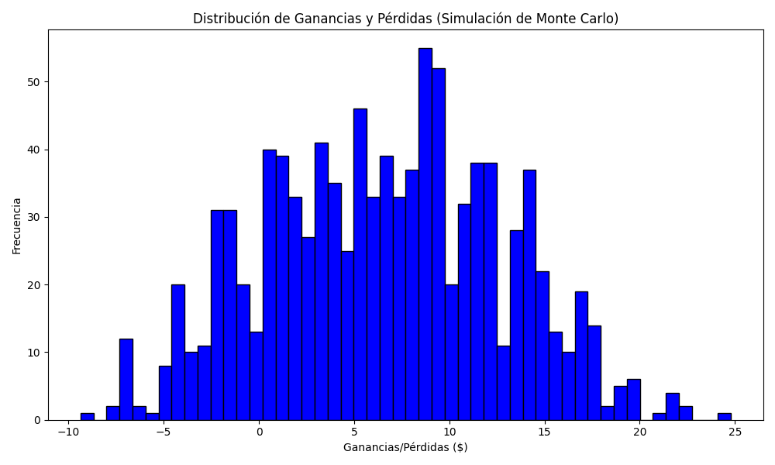
Promedio de Ganancia/Pérdida | Mediana de Ganancia/Pérdida | Ganancia/Pérdida Máxima | Ganancia/Pérdida Mínima | Probabilidad de Ganancia (>0)
6.5398864471 | 6.644212972 | 24.784212972 | -9.3681880992 | 0.543

