Betting Decisions
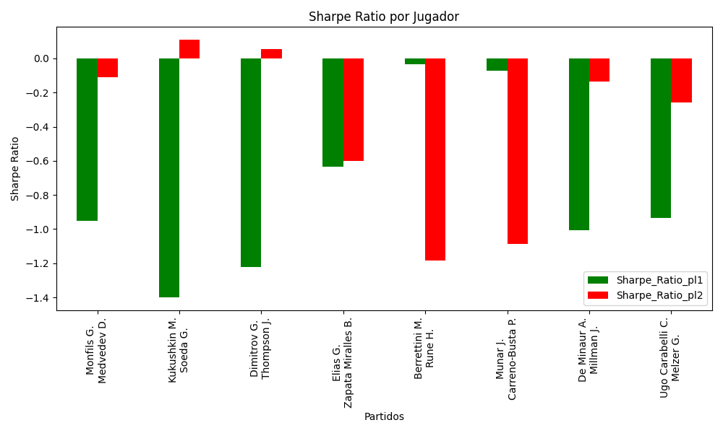
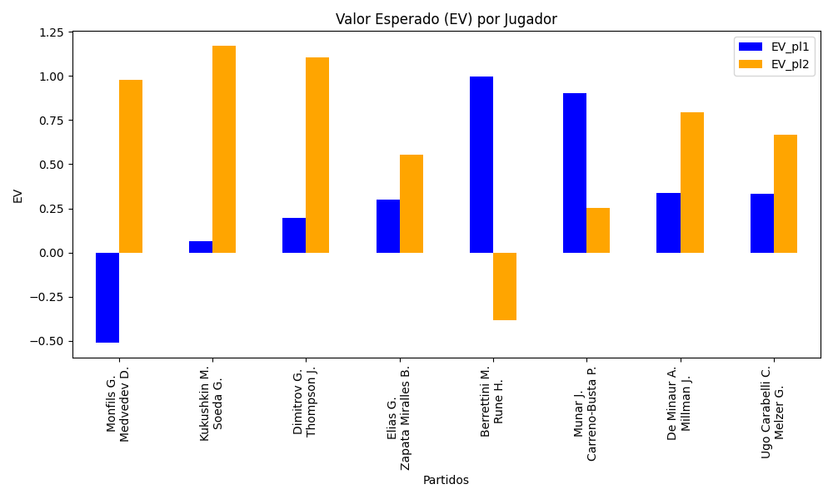
Surface | pl1 | pl1_flag | pl1_hand | pl1_bet | pl2 | pl2_flag | pl2_hand | pl2_bet | Result | DiffProffTime | DiffPts | DiffWeight | DiffHeight | Class | Prob_win_pl1 | Prob_win_pl2 | Accuracy | date_run | EV_pl1 | EV_pl2 | Std_Dev_pl1 | Std_Dev_pl2 | Sharpe_Ratio_pl1 | Sharpe_Ratio_pl2 | Best_Bet_EV | match | Best_Bet | Best_Bet_Sharpe | Money_to_Bet | Prob_Win | Payout
hard | Monfils G. | FRA | Right-Handed | 6.41 | Medvedev D. | RUS | Right-Handed | 1.12 | 0 | 8 | -6982 | 2 | -5 | 1 | 0.066303057733 | 0.93369694227 | 0.5 | 2022-03-14 | -0.5086943422 | 0.97943751761 | 1.5948791353 | 0.27866842926 | -0.95223161965 | -0.10967328618 | 0.97943751761 | Monfils G. Medvedev D. | pl2 | -0.10967328618 | 1 | 0.93369694227 | 1.12
hard | Kukushkin M. | KAZ | Right-Handed | 1.36 | Soeda G. | JPN | Right-Handed | 2.95 | 0 | -3 | -94 | -1 | 5 | 1 | 0.45062175364 | 0.54937824636 | 0.5 | 2022-03-14 | 0.063467338595 | 1.1700440731 | 0.67667590805 | 1.4677896535 | -1.3987976373 | 0.10903747191 | 1.1700440731 | Kukushkin M. Soeda G. | pl2 | 0.10903747191 | 1 | 0.54937824636 | 2.95
hard | Dimitrov G. | BGR | Right-Handed | 1.33 | Thompson J. | AUS | Right-Handed | 3.33 | 0 | 3 | 581 | -1 | 8 | 0 | 0.51427251036 | 0.48572748964 | 0.5 | 2022-03-14 | 0.19825494915 | 1.1032000301 | 0.66472901773 | 1.6643215256 | -1.2211668653 | 0.055998813146 | 0.19825494915 | Dimitrov G. Thompson J. | pl1 | -1.2211668653 | 1 | 0.51427251036 | 1.33
clay | Elias G. | PRT | Right-Handed | 2.3 | Zapata Miralles B. | ESP | Right-Handed | 1.56 | 0 | 6 | -112 | -6 | 0 | 1 | 0.39365902341 | 0.60634097659 | 0.5 | 2022-03-14 | 0.29907477725 | 0.55223290007 | 1.1236897021 | 0.76215475445 | -0.63267040842 | -0.60062224536 | 0.55223290007 | Elias G. Zapata Miralles B. | pl2 | -0.60062224536 | 1 | 0.60634097659 | 1.56
hard | Berrettini M. | ITA | Right-Handed | 1.32 | Rune H. | DNK | Right-Handed | 3.39 | 0 | 6 | 4178 | 27 | 11 | 0 | 0.85988592489 | 0.14011407511 | 0.5 | 2022-03-14 | 0.99493534575 | -0.38489921028 | 0.45817905642 | 1.1766871222 | -0.032879403883 | -1.1854461428 | 0.99493534575 | Berrettini M. Rune H. | pl1 | -0.032879403883 | 1 | 0.85988592489 | 1.32
hard | Munar J. | ESP | Right-Handed | 2.97 | Carreno-Busta P. | ESP | Right-Handed | 1.4 | 0 | -6 | -204 | -2 | -5 | 1 | 0.47871022408 | 0.52128977592 | 0.5 | 2022-03-14 | 0.90047958959 | 0.25109546221 | 1.4836532233 | 0.69936515574 | -0.07381806523 | -1.0851334693 | 0.25109546221 | Munar J. Carreno-Busta P. | pl2 | -1.0851334693 | 1 | 0.52128977592 | 1.4
hard | De Minaur A. | AUS | Right-Handed | 1.35 | Millman J. | AUS | Right-Handed | 3.17 | 0 | -9 | 633 | -10 | 0 | 0 | 0.56958468306 | 0.43041531694 | 0.5 | 2022-03-14 | 0.33852400519 | 0.79483187164 | 0.6684313007 | 1.5695757209 | -1.0045549843 | -0.13708680982 | 0.33852400519 | De Minaur A. Millman J. | pl1 | -1.0045549843 | 1 | 0.56958468306 | 1.35
clay | Ugo Carabelli C. | ARG | Right-Handed | 1.45 | Melzer G. | AUT | Left-Handed | 2.66 | 0 | -8 | -80 | 3 | -3 | 0 | 0.54439582731 | 0.45560417269 | 0.5 | 2022-03-14 | 0.33376977692 | 0.66751127203 | 0.72213640998 | 1.3247467935 | -0.93643003419 | -0.25853146402 | 0.33376977692 | Ugo Carabelli C. Melzer G. | pl1 | -0.93643003419 | 1 | 0.54439582731 | 1.45

Monte Carlo Summary
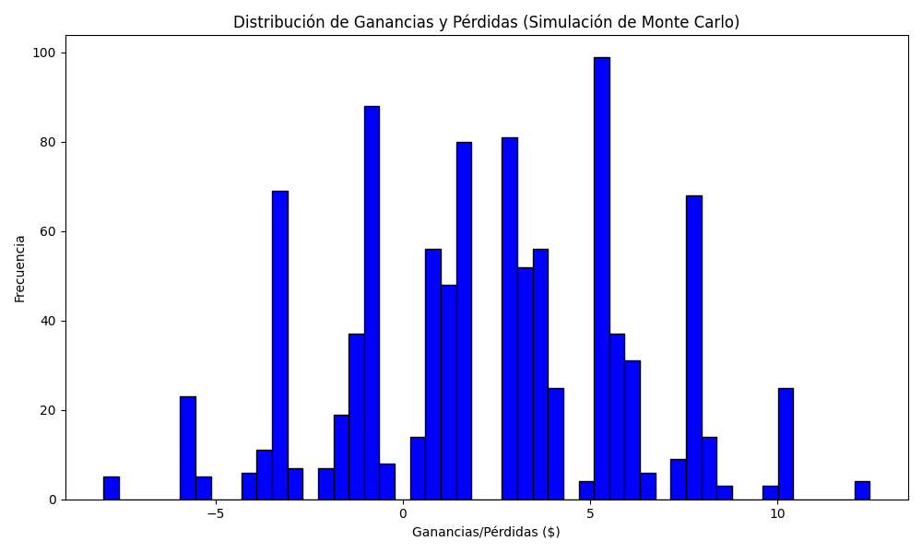
Promedio de Ganancia/Pérdida | Mediana de Ganancia/Pérdida | Ganancia/Pérdida Máxima | Ganancia/Pérdida Mínima | Probabilidad de Ganancia (>0)
2.32132 | 2.79 | 12.48 | -8 | 0.163

