Betting Decisions
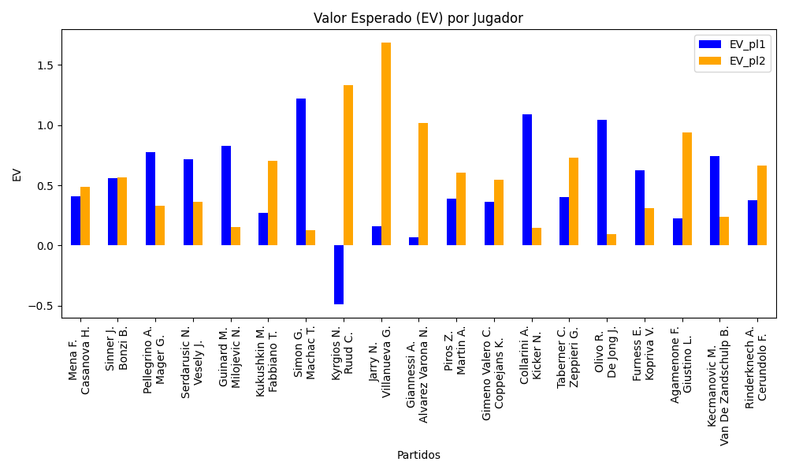
Surface | pl1 | pl1_flag | pl1_hand | pl1_bet | pl2 | pl2_flag | pl2_hand | pl2_bet | Result | DiffProffTime | DiffPts | DiffWeight | DiffHeight | Class | Prob_win_pl1 | Prob_win_pl2 | Accuracy | date_run | EV_pl1 | EV_pl2 | Std_Dev_pl1 | Std_Dev_pl2 | Sharpe_Ratio_pl1 | Sharpe_Ratio_pl2 | Best_Bet_EV | match | Best_Bet | Best_Bet_Sharpe | Money_to_Bet | Prob_Win | Payout
clay | Mena F. | ARG | Right-Handed | 1.62 | Casanova H. | ARG | Right-Handed | 2.21 | 0 | 2 | 215 | 2 | 5 | 0 | 0.53691850584 | 0.46308149416 | 0.73684210526 | 2022-03-15 | 0.4067264853 | 0.48649159625 | 0.80778896105 | 1.1019837061 | -0.74682069673 | -0.47506002207 | 0.4067264853 | Mena F. Casanova H. | pl1 | -0.74682069673 | 1 | 0.53691850584 | 1.62
hard | Sinner J. | ITA | Right-Handed | 1.23 | Bonzi B. | FRA | Right-Handed | 4.19 | 0 | -2 | 2586 | 0 | 3 | 0 | 0.69867573194 | 0.30132426806 | 0.73684210526 | 2022-03-15 | 0.55804688223 | 0.56387295122 | 0.56436490049 | 1.9225113277 | -0.80081719713 | -0.23205431477 | 0.55804688223 | Sinner J. Bonzi B. | pl1 | -0.80081719713 | 1 | 0.69867573194 | 1.23
clay | Pellegrino A. | ITA | Right-Handed | 3.15 | Mager G. | ITA | Right-Handed | 1.33 | 0 | -2 | -790 | 4 | -3 | 1 | 0.42768096054 | 0.57231903946 | 0.73684210526 | 2022-03-15 | 0.77487598625 | 0.33350336194 | 1.5584382868 | 0.65800727664 | -0.15087155889 | -1.0280990227 | 0.33350336194 | Pellegrino A. Mager G. | pl2 | -1.0280990227 | 1 | 0.57231903946 | 1.33
clay | Serdarusic N. | HRV | Right-Handed | 3.1 | Vesely J. | CZE | Left-Handed | 1.34 | 0 | -2 | -306 | -9 | -7 | 1 | 0.41870057291 | 0.58129942709 | 0.73684210526 | 2022-03-15 | 0.71667234894 | 0.36024065939 | 1.5293730004 | 0.66108381307 | -0.19179601771 | -0.98286983854 | 0.36024065939 | Serdarusic N. Vesely J. | pl2 | -0.98286983854 | 1 | 0.58129942709 | 1.34
clay | Guinard M. | FRA | Right-Handed | 2.31 | Milojevic N. | SRB | Right-Handed | 1.57 | 0 | -2 | -118 | 5 | 8 | 0 | 0.55126133696 | 0.44873866304 | 0.73684210526 | 2022-03-15 | 0.82467502532 | 0.15325836403 | 1.1489139212 | 0.78086357417 | -0.16130449049 | -1.0971719828 | 0.82467502532 | Guinard M. Milojevic N. | pl1 | -0.16130449049 | 1 | 0.55126133696 | 2.31
hard | Kukushkin M. | KAZ | Right-Handed | 1.48 | Fabbiano T. | ITA | Right-Handed | 2.49 | 0 | -2 | 50 | 2 | 10 | 0 | 0.51257892253 | 0.48742107747 | 0.73684210526 | 2022-03-15 | 0.27119572787 | 0.70109956038 | 0.73976578358 | 1.2446059467 | -0.99870024882 | -0.24819135763 | 0.27119572787 | Kukushkin M. Fabbiano T. | pl1 | -0.99870024882 | 1 | 0.51257892253 | 1.48
hard | Simon G. | FRA | Right-Handed | 3.37 | Machac T. | CZE | Right-Handed | 1.29 | 0 | 14 | 158 | -3 | 0 | 0 | 0.50777454727 | 0.49222545273 | 0.73684210526 | 2022-03-15 | 1.2189747716 | 0.12719628675 | 1.6847962928 | 0.64492202306 | 0.12403563117 | -1.3688534143 | 1.2189747716 | Simon G. Machac T. | pl1 | 0.12403563117 | 1 | 0.50777454727 | 3.37
hard | Kyrgios N. | AUS | Right-Handed | 2 | Ruud C. | NOR | Right-Handed | 1.81 | 0 | 3 | -3422 | 8 | 10 | 1 | 0.17034011726 | 0.82965988274 | 0.73684210526 | 2022-03-15 | -0.48897964823 | 1.3313442705 | 0.75186265158 | 0.68043569968 | -1.9936881358 | 0.47226250866 | 1.3313442705 | Kyrgios N. Ruud C. | pl2 | 0.47226250866 | 0.68578154559 | 0.82965988274 | 1.81
clay | Jarry N. | CHL | Right-Handed | 1.16 | Villanueva G. | ARG | Right-Handed | 4.79 | 0 | -1 | 303 | 20 | 23 | 0 | 0.53628522278 | 0.46371477722 | 0.73684210526 | 2022-03-15 | 0.15837608121 | 1.6849085601 | 0.57847070767 | 2.3886850774 | -1.4721988642 | 0.28254396801 | 0.15837608121 | Jarry N. Villanueva G. | pl1 | -1.4721988642 | 1 | 0.53628522278 | 1.16
clay | Giannessi A. | ITA | Left-Handed | 1.48 | Alvarez Varona N. | ESP | Right-Handed | 2.55 | 0 | 9 | 235 | 2 | -3 | 1 | 0.43091841699 | 0.56908158301 | 0.73684210526 | 2022-03-15 | 0.068677674141 | 1.0202396197 | 0.73290301575 | 1.262772088 | -1.2843750205 | 0.0081088422647 | 1.0202396197 | Giannessi A. Alvarez Varona N. | pl2 | 0.0081088422647 | 1 | 0.56908158301 | 2.55
clay | Piros Z. | HUN | Right-Handed | 1.39 | Martin A. | SVK | Right-Handed | 2.83 | 0 | -10 | -543 | -15 | -3 | 0 | 0.58031465804 | 0.41968534196 | 0.73684210526 | 2022-03-15 | 0.38695203271 | 0.60739485971 | 0.6859752886 | 1.3966259473 | -0.90826590642 | -0.28826984137 | 0.38695203271 | Piros Z. Martin A. | pl1 | -0.90826590642 | 1 | 0.58031465804 | 1.39
clay | Gimeno Valero C. | ESP | Right-Handed | 1.6 | Coppejans K. | BEL | Right-Handed | 2.25 | 0 | -5 | -254 | 12 | 8 | 0 | 0.52523987606 | 0.47476012394 | 0.73684210526 | 2022-03-15 | 0.36562367775 | 0.54297040281 | 0.79898006769 | 1.1235657202 | -0.80649862031 | -0.41566736044 | 0.36562367775 | Gimeno Valero C. Coppejans K. | pl1 | -0.80649862031 | 1 | 0.52523987606 | 1.6
clay | Collarini A. | ARG | Left-Handed | 3.14 | Kicker N. | ARG | Right-Handed | 1.32 | 0 | 2 | 42 | 5 | 7 | 0 | 0.50428642637 | 0.49571357363 | 0.73684210526 | 2022-03-15 | 1.0877458052 | 0.15005549081 | 1.5699423063 | 0.6599757466 | 0.049521440934 | -1.3029941079 | 1.0877458052 | Collarini A. Kicker N. | pl1 | 0.049521440934 | 1 | 0.50428642637 | 3.14
clay | Taberner C. | ESP | Right-Handed | 1.28 | Zeppieri G. | ITA | Left-Handed | 3.48 | 0 | 3 | 463 | 0 | -2 | 0 | 0.61442289189 | 0.38557710811 | 0.73684210526 | 2022-03-15 | 0.40088419352 | 0.72738544432 | 0.62301612108 | 1.6938250792 | -0.9776886759 | -0.16684990626 | 0.40088419352 | Taberner C. Zeppieri G. | pl1 | -0.9776886759 | 1 | 0.61442289189 | 1.28
clay | Olivo R. | ARG | Right-Handed | 2.73 | De Jong J. | NLD | Right-Handed | 1.43 | 0 | 10 | 0 | 3 | 0 | 0 | 0.54863045111 | 0.45136954889 | 0.73684210526 | 2022-03-15 | 1.0463915826 | 0.096828003814 | 1.3585284252 | 0.71161012746 | 0.026787501792 | -1.2832476112 | 1.0463915826 | Olivo R. De Jong J. | pl1 | 0.026787501792 | 1 | 0.54863045111 | 2.73
clay | Furness E. | FRA | Right-Handed | 2.34 | Kopriva V. | CZE | Right-Handed | 1.55 | 0 | 1 | -93 | -3 | -8 | 1 | 0.48667980021 | 0.51332019979 | 0.73684210526 | 2022-03-15 | 0.6255105327 | 0.30896650947 | 1.1695847454 | 0.77472493822 | -0.32874015227 | -0.90488050139 | 0.30896650947 | Furness E. Kopriva V. | pl2 | -0.90488050139 | 1 | 0.51332019979 | 1.55
clay | Agamenone F. | ITA | Right-Handed | 1.34 | Giustino L. | ITA | Right-Handed | 3.07 | 0 | -2 | -36 | -1 | 8 | 0 | 0.52321000453 | 0.47678999547 | 0.73684210526 | 2022-03-15 | 0.22431141061 | 0.94053528155 | 0.66927774693 | 1.5333452859 | -1.1739350262 | -0.045302724108 | 0.22431141061 | Agamenone F. Giustino L. | pl1 | -1.1739350262 | 1 | 0.52321000453 | 1.34
hard | Kecmanovic M. | SRB | Right-Handed | 2.31 | Van De Zandschulp B. | NLD | Right-Handed | 1.62 | 0 | -2 | -175 | -8 | -5 | 0 | 0.52600107146 | 0.47399892854 | 0.73684210526 | 2022-03-15 | 0.74106354654 | 0.24187719277 | 1.1534372541 | 0.80890404831 | -0.23316088718 | -0.94958457537 | 0.74106354654 | Kecmanovic M. Van De Zandschulp B. | pl1 | -0.23316088718 | 1 | 0.52600107146 | 2.31
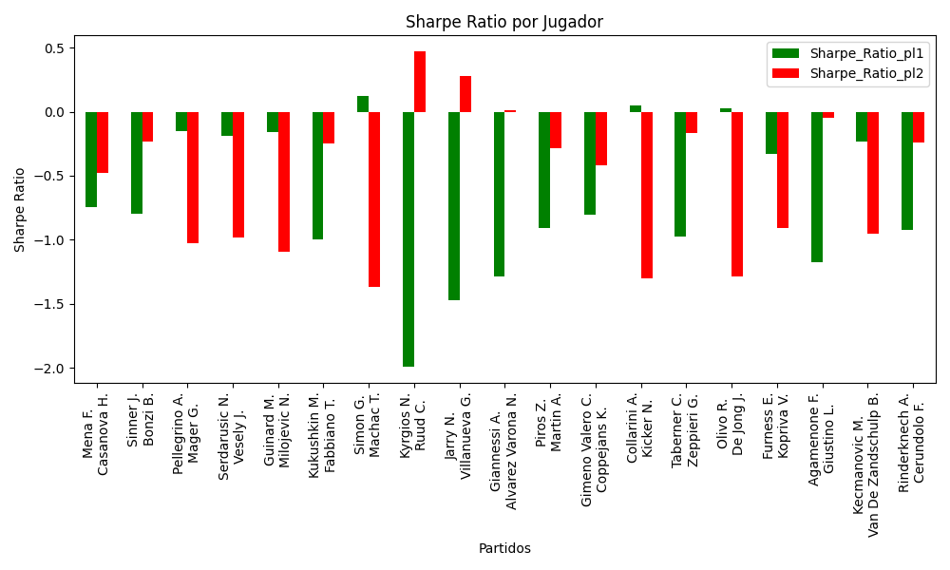
hard | Rinderknech A. | FRA | Right-Handed | 1.39 | Cerundolo F. | ARG | Right-Handed | 2.92 | 0 | 5 | 288 | 8 | 11 | 0 | 0.57508940759 | 0.42491059241 | 0.73684210526 | 2022-03-15 | 0.37446368414 | 0.66564952224 | 0.68711790138 | 1.4434419223 | -0.92493051714 | -0.2385620595 | 0.37446368414 | Rinderknech A. Cerundolo F. | pl1 | -0.92493051714 | 1 | 0.57508940759 | 1.39

Monte Carlo Summary
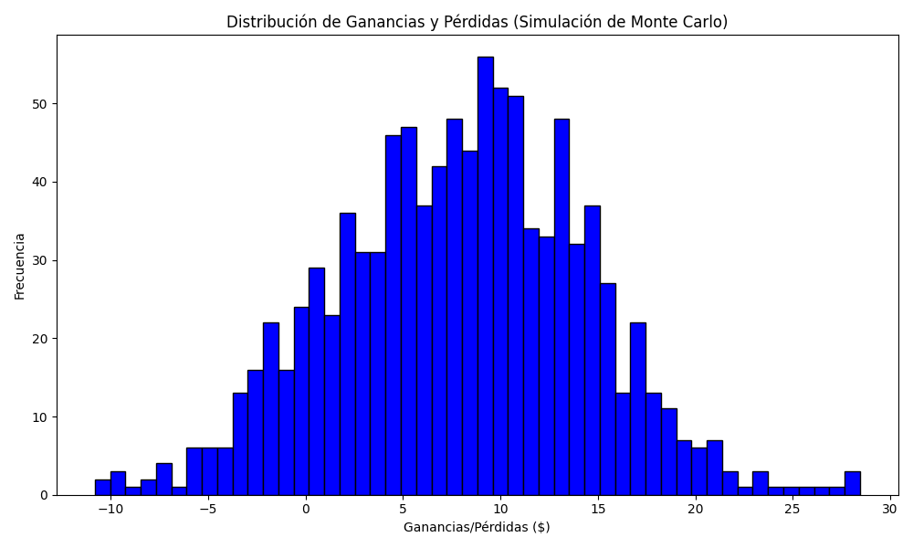
Promedio de Ganancia/Pérdida | Mediana de Ganancia/Pérdida | Ganancia/Pérdida Máxima | Ganancia/Pérdida Mínima | Probabilidad de Ganancia (>0)
7.8991449413 | 8.227741526 | 28.451264598 | -10.828735402 | 0.623

