Betting Decisions
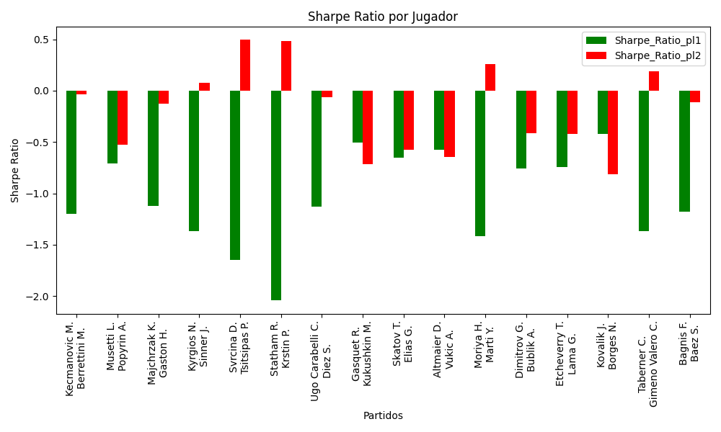
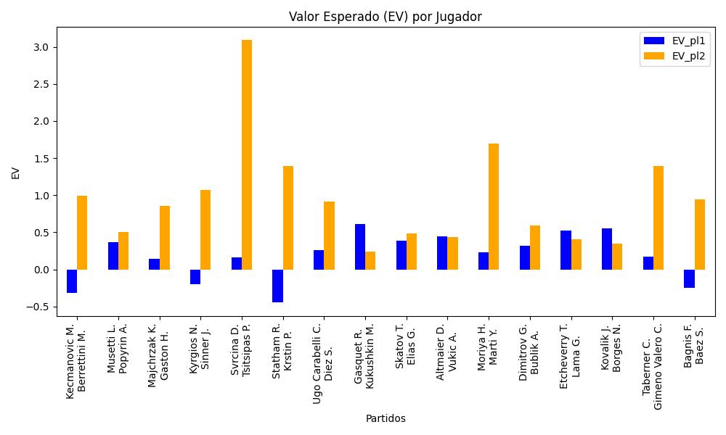
Surface | pl1 | pl1_flag | pl1_hand | pl1_bet | pl2 | pl2_flag | pl2_hand | pl2_bet | Result | DiffProffTime | DiffPts | DiffWeight | DiffHeight | Class | Prob_win_pl1 | Prob_win_pl2 | Accuracy | date_run | EV_pl1 | EV_pl2 | Std_Dev_pl1 | Std_Dev_pl2 | Sharpe_Ratio_pl1 | Sharpe_Ratio_pl2 | Best_Bet_EV | match | Best_Bet | Best_Bet_Sharpe | Money_to_Bet | Prob_Win | Payout
hard | Kecmanovic M. | SRB | Right-Handed | 2.92 | Berrettini M. | ITA | Right-Handed | 1.41 | 0 | -1 | -4007 | -20 | -13 | 1 | 0.17387578051 | 0.82612421949 | 0.375 | 2022-03-16 | -0.31840694038 | 0.99095936896 | 1.1066876793 | 0.53439370815 | -1.2003449259 | -0.035630342853 | 0.99095936896 | Kecmanovic M. Berrettini M. | pl2 | -0.035630342853 | 1 | 0.82612421949 | 1.41
hard | Musetti L. | ITA | Right-Handed | 1.81 | Popyrin A. | AUS | Right-Handed | 1.93 | 0 | -4 | 279 | -3 | -11 | 1 | 0.48691123678 | 0.51308876322 | 0.375 | 2022-03-16 | 0.36822057534 | 0.50335007625 | 0.9046898654 | 0.96466930399 | -0.70939163707 | -0.52520581059 | 0.50335007625 | Musetti L. Popyrin A. | pl2 | -0.52520581059 | 1 | 0.51308876322 | 1.93
hard | Majchrzak K. | POL | Right-Handed | 1.55 | Gaston H. | FRA | Left-Handed | 2.37 | 0 | 2 | -64 | 10 | 7 | 1 | 0.44848980953 | 0.55151019047 | 0.375 | 2022-03-16 | 0.14364901429 | 0.8585893419 | 0.77087641514 | 1.1786949057 | -1.1238519803 | -0.12845619114 | 0.8585893419 | Majchrzak K. Gaston H. | pl2 | -0.12845619114 | 1 | 0.55151019047 | 2.37
hard | Kyrgios N. | AUS | Right-Handed | 1.99 | Sinner J. | ITA | Right-Handed | 1.83 | 0 | 5 | -3002 | 9 | 5 | 1 | 0.26803027392 | 0.73196972608 | 0.375 | 2022-03-16 | -0.19858948099 | 1.0714743248 | 0.88143757685 | 0.81056822394 | -1.3711572013 | 0.075841024848 | 1.0714743248 | Kyrgios N. Sinner J. | pl2 | 0.075841024848 | 1 | 0.73196972608 | 1.83
clay | Svrcina D. | CZE | Right-Handed | 1.04 | Tsitsipas P. | GRC | Right-Handed | 8.5 | 0 | -2 | 236 | -8 | -7 | 0 | 0.56955390915 | 0.43044609085 | 0.375 | 2022-03-16 | 0.16188997466 | 3.0892378631 | 0.51494416554 | 4.2086782761 | -1.6469941444 | 0.49403582947 | 0.16188997466 | Svrcina D. Tsitsipas P. | pl1 | -1.6469941444 | 1 | 0.56955390915 | 1.04
clay | Statham R. | NZL | Right-Handed | 1.79 | Krstin P. | SRB | Right-Handed | 1.98 | 0 | 9 | -158 | 0 | -5 | 1 | 0.19784464924 | 0.80215535076 | 0.375 | 2022-03-16 | -0.44801342862 | 1.3904229453 | 0.71309013428 | 0.78878126586 | -2.044641145 | 0.48229206465 | 1.3904229453 | Statham R. Krstin P. | pl2 | 0.48229206465 | 0.85446926991 | 0.80215535076 | 1.98
clay | Ugo Carabelli C. | ARG | Right-Handed | 1.34 | Diez S. | CAN | Right-Handed | 3.13 | 0 | -8 | 88 | 7 | 10 | 0 | 0.53724855145 | 0.46275144855 | 0.375 | 2022-03-16 | 0.25716161039 | 0.91116348252 | 0.66813822413 | 1.560651225 | -1.1267704233 | -0.063330304613 | 0.25716161039 | Ugo Carabelli C. Diez S. | pl1 | -1.1267704233 | 1 | 0.53724855145 | 1.34
hard | Gasquet R. | FRA | Right-Handed | 1.62 | Kukushkin M. | KAZ | Right-Handed | 2.22 | 0 | 3 | 396 | 7 | 0 | 0 | 0.6160775921 | 0.3839224079 | 0.375 | 2022-03-16 | 0.61412329131 | 0.23623015343 | 0.78786979572 | 1.0796734238 | -0.50246463419 | -0.71667027226 | 0.61412329131 | Gasquet R. Kukushkin M. | pl1 | -0.50246463419 | 1 | 0.6160775921 | 1.62
clay | Skatov T. | KAZ | Right-Handed | 1.9 | Elias G. | PRT | Right-Handed | 1.84 | 0 | -10 | -218 | -3 | -10 | 1 | 0.47838010706 | 0.52161989294 | 0.375 | 2022-03-16 | 0.38730231047 | 0.48140049595 | 0.94911148693 | 0.91913954524 | -0.65608487317 | -0.57510255846 | 0.48140049595 | Skatov T. Elias G. | pl2 | -0.57510255846 | 1 | 0.52161989294 | 1.84
hard | Altmaier D. | DEU | Right-Handed | 1.98 | Vukic A. | AUS | Right-Handed | 1.78 | 0 | -1 | 293 | 4 | 3 | 1 | 0.4841394727 | 0.5158605273 | 0.375 | 2022-03-16 | 0.44273562866 | 0.43409226588 | 0.98950179312 | 0.88955211704 | -0.57328281291 | -0.64741314543 | 0.43409226588 | Altmaier D. Vukic A. | pl2 | -0.64741314543 | 1 | 0.5158605273 | 1.78
clay | Moriya H. | JPN | Right-Handed | 1.12 | Marti Y. | CHE | Right-Handed | 5.41 | 0 | -2 | 215 | -9 | -5 | 0 | 0.57894625575 | 0.42105374425 | 0.375 | 2022-03-16 | 0.22736606219 | 1.6989545006 | 0.55297553095 | 2.6710693057 | -1.4153138684 | 0.25793209452 | 0.22736606219 | Moriya H. Marti Y. | pl1 | -1.4153138684 | 1 | 0.57894625575 | 1.12
hard | Dimitrov G. | BGR | Right-Handed | 1.81 | Bublik A. | KAZ | Right-Handed | 2.01 | 0 | 4 | -10 | 4 | -7 | 1 | 0.47073013055 | 0.52926986945 | 0.375 | 2022-03-16 | 0.32275166684 | 0.59310230705 | 0.9034479965 | 1.0032765044 | -0.76069495513 | -0.4155361868 | 0.59310230705 | Dimitrov G. Bublik A. | pl2 | -0.4155361868 | 1 | 0.52926986945 | 2.01
clay | Etcheverry T. | ARG | Right-Handed | 1.36 | Lama G. | CHL | Right-Handed | 2.98 | 0 | -6 | 366 | 0 | 16 | 0 | 0.64653417682 | 0.35346582318 | 0.375 | 2022-03-16 | 0.5258206573 | 0.40679397625 | 0.65014221421 | 1.4245763223 | -0.74472835653 | -0.42342836554 | 0.5258206573 | Etcheverry T. Lama G. | pl1 | -0.74472835653 | 1 | 0.64653417682 | 1.36
clay | Kovalik J. | SVK | Right-Handed | 2.18 | Borges N. | PRT | Right-Handed | 1.63 | 0 | 5 | 201 | 7 | -2 | 1 | 0.48840889795 | 0.51159110205 | 0.375 | 2022-03-16 | 0.55314029548 | 0.34548459839 | 1.0897070697 | 0.81478097412 | -0.41925001427 | -0.81557550153 | 0.34548459839 | Kovalik J. Borges N. | pl2 | -0.81557550153 | 1 | 0.51159110205 | 1.63
clay | Taberner C. | ESP | Right-Handed | 1.22 | Gimeno Valero C. | ESP | Right-Handed | 4.09 | 0 | 3 | 511 | -2 | -5 | 0 | 0.52924964709 | 0.47075035291 | 0.375 | 2022-03-16 | 0.17493421653 | 1.3961192963 | 0.60895534442 | 2.041497835 | -1.3713087357 | 0.18913529552 | 0.17493421653 | Taberner C. Gimeno Valero C. | pl1 | -1.3713087357 | 1 | 0.52924964709 | 1.22
hard | Bagnis F. | ARG | Left-Handed | 2.63 | Baez S. | ARG | Right-Handed | 1.45 | 0 | 11 | -3643 | 12 | 13 | 1 | 0.20742715231 | 0.79257284769 | 0.375 | 2022-03-16 | -0.24703943712 | 0.94180347684 | 1.0663705584 | 0.58792293142 | -1.1788017095 | -0.115995685 | 0.94180347684 | Bagnis F. Baez S. | pl2 | -0.115995685 | 1 | 0.79257284769 | 1.45

Monte Carlo Summary
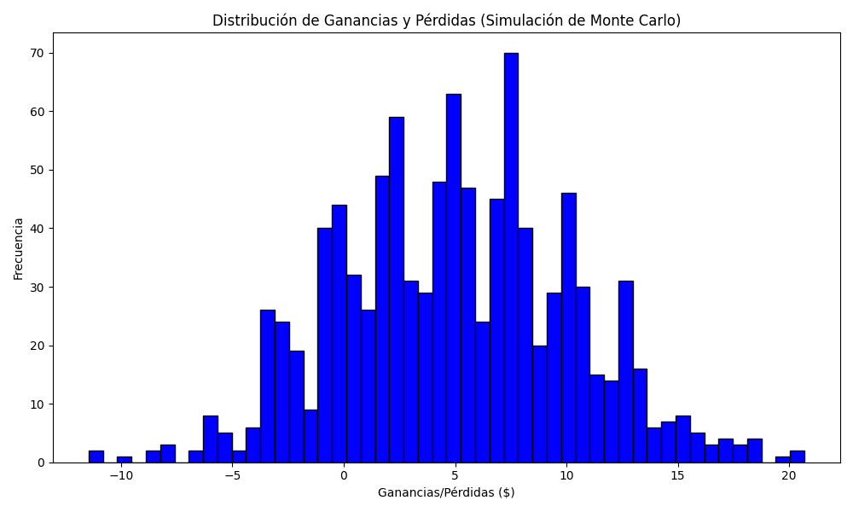
Promedio de Ganancia/Pérdida | Mediana de Ganancia/Pérdida | Ganancia/Pérdida Máxima | Ganancia/Pérdida Mínima | Probabilidad de Ganancia (>0)
4.9760357133 | 4.9086899423 | 20.681849154 | -11.45446927 | 0.424

