Betting Decisions
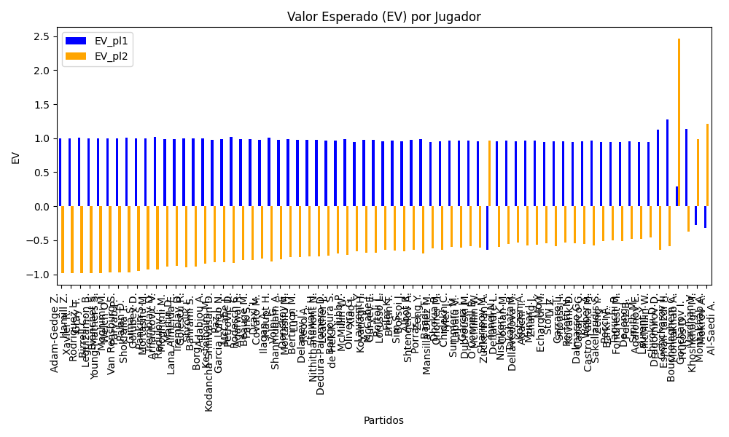
Surface | pl1 | pl1_flag | pl1_hand | pl1_bet | pl2 | pl2_flag | pl2_hand | pl2_bet | Result | DiffProffTime | DiffPts | DiffWeight | DiffHeight | DiffAge | DiffBet | Class | Prob_win_pl1 | Prob_win_pl2 | Accuracy | date_run | date | EV_pl1 | EV_pl2 | Std_Dev_pl1 | Std_Dev_pl2 | Sharpe_Ratio_pl1 | Sharpe_Ratio_pl2 | Best_Bet_EV | match | Best_Bet | Best_Bet_Sharpe | Money_to_Bet | Prob_Win | Payout
clay | Adam-Gedge Z. | AUS | Right-Handed | 1 | Xavier R. | AUS | Right-Handed | 17 | 0 | -11 | 37.5 | -0.5 | 1 | -8 | -16 | 0 | 0.99932775957 | 0.00067224042931 | 0.8198757764 | 2024-09-09 | 20240909 | 0.99865551914 | -0.98789967227 | 0.025918883505 | 0.44062101958 | -0.43769172606 | -4.5342813518 | 0.99865551914 | Adam-Gedge Z. Xavier R. | pl1 | -0.43769172606 | 1.5 | 0.99932775957 | 1
clay | Hamill Z. | AUS | Right-Handed | 1 | Gray T. | AUS | Right-Handed | 17 | 0 | -2 | 37.5 | -0.5 | 1 | -4 | -16 | 0 | 0.99907717639 | 0.00092282361134 | 0.8198757764 | 2024-09-09 | 20240909 | 0.99815435278 | -0.983389175 | 0.030363991963 | 0.51618786337 | -0.39012153729 | -3.8617513438 | 0.99815435278 | Hamill Z. Gray T. | pl1 | -0.39012153729 | 1.5 | 0.99907717639 | 1
hard | Rodriguez L. | ARG | Right-Handed | 1.01 | Leguizamon B. | ARG | Right-Handed | 17.6 | 0 | 6 | 11 | -1 | -1 | 0 | -16.59 | 0 | 0.99903143544 | 0.00096856456098 | 0.72897196262 | 2024-09-03 | 20240903 | 1.0080531852 | -0.98198469917 | 0.031417761461 | 0.54747782347 | -0.061965419466 | -3.6384755944 | 1.0080531852 | Rodriguez L. Leguizamon B. | pl1 | -0.061965419466 | 1.5 | 0.99903143544 | 1.01
clay | Birrell C. | AUS | Right-Handed | 1 | Young-Mathers S. | AUS | Right-Handed | 17 | 0 | 6 | 37.5 | -0.5 | 1 | 4 | -16 | 0 | 0.99886880848 | 0.0011311915241 | 0.8198757764 | 2024-09-09 | 20240909 | 0.99773761695 | -0.97963855257 | 0.033614162638 | 0.57144076484 | -0.36479811145 | -3.4817931708 | 0.99773761695 | Birrell C. Young-Mathers S. | pl1 | -0.36479811145 | 1.5 | 0.99886880848 | 1
clay | Bianchet S. | AUS | Right-Handed | 1 | Welch O. | AUS | Right-Handed | 17 | 0 | 4 | 37.5 | -0.5 | 1 | -1 | -16 | 0 | 0.99886685065 | 0.0011331493475 | 0.8198757764 | 2024-09-09 | 20240909 | 0.9977337013 | -0.97960331174 | 0.03364320615 | 0.57193450456 | -0.36459957592 | -3.478725791 | 0.9977337013 | Bianchet S. Welch O. | pl1 | -0.36459957592 | 1.5 | 0.99886685065 | 1
clay | Moghimi M. | IRN | Right-Handed | 1 | Paryab P. | IRN | Right-Handed | 17 | 0 | 12 | 37.5 | -0.5 | 1 | 15 | -16 | 0 | 0.99878224299 | 0.0012177570106 | 0.8198757764 | 2024-09-09 | 20240909 | 0.99756448598 | -0.97808037381 | 0.034875121197 | 0.59287706034 | -0.35657263959 | -3.3532759265 | 0.99756448598 | Moghimi M. Paryab P. | pl1 | -0.35657263959 | 1.5 | 0.99878224299 | 1
clay | Van Rensburg S. | AUS | Right-Handed | 1 | Shokralla T. | AUS | Right-Handed | 17 | 0 | 8 | 37.5 | -0.5 | 1 | 2 | -16 | 0 | 0.99872325249 | 0.0012767475086 | 0.8198757764 | 2024-09-09 | 20240909 | 0.99744650498 | -0.97701854484 | 0.035708786376 | 0.60704936839 | -0.35155199298 | -3.2732404452 | 0.99744650498 | Van Rensburg S. Shokralla T. | pl1 | -0.35155199298 | 1.5 | 0.99872325249 | 1
hard | Palan D. | CZE | Right-Handed | 1.01 | Golubev D. | RUS | Right-Handed | 15.67 | 0 | -2 | 11 | -1 | -1 | 1 | -14.66 | 0 | 0.99853251333 | 0.0014674866669 | 0.72897196262 | 2024-09-03 | 20240903 | 1.0070503518 | -0.97553699726 | 0.038662466891 | 0.59984243186 | -0.076292291664 | -3.3100976053 | 1.0070503518 | Palan D. Golubev D. | pl1 | -0.076292291664 | 1.5 | 0.99853251333 | 1.01
clay | Gima S. | ROU | Left-Handed | 1.01 | Mortasifu M. | ROU | Right-Handed | 14.2 | 0 | 4 | -31 | 1.5 | 0 | 2 | -13.19 | 0 | 0.99660154872 | 0.0033984512832 | 0.73885350318 | 2024-09-10 | 20240910 | 1.0031691129 | -0.9483435405 | 0.058779065478 | 0.82639874237 | -0.11621292417 | -2.3697319951 | 1.0031691129 | Gima S. Mortasifu M. | pl1 | -0.11621292417 | 1.5 | 0.99660154872 | 1.01
hard | Pankin S. | RUS | Right-Handed | 1.01 | Arnautovic V. | CHE | Right-Handed | 14.02 | 0 | 6 | -18.5 | 4 | 2 | 2 | -13.01 | 0 | 0.99544657408 | 0.0045534259166 | 0.73076923077 | 2024-09-04 | 20240904 | 1.0008476139 | -0.93160754273 | 0.067998524563 | 0.94390031127 | -0.13459683355 | -2.057004876 | 1.0008476139 | Pankin S. Arnautovic V. | pl1 | -0.13459683355 | 1.5 | 0.99544657408 | 1.01
Varioussurfaces | Tremblay D. | FRA | Right-Handed | 1.03 | Moghimi M. | IRN | Right-Handed | 8.35 | 0 | -11 | -31 | 1.5 | 0 | -9 | -7.32 | 0 | 0.99283937906 | 0.0071606209394 | 0.73885350318 | 2024-09-10 | 20240910 | 1.0154639395 | -0.93304819422 | 0.086846448665 | 0.70404645277 | 0.062914944445 | -2.7598295348 | 1.0154639395 | Tremblay D. Moghimi M. | pl1 | 0.062914944445 | 1.5 | 0.99283937906 | 1.03
hard | Radulov I. | BGR | Right-Handed | 1.01 | Lana Almeida E. | ESP | Right-Handed | 11.67 | 0 | 1 | -18.5 | 4 | 2 | 1 | -10.66 | 0 | 0.99114430557 | 0.0088556944265 | 0.73076923077 | 2024-09-04 | 20240904 | 0.9922000542 | -0.88779835162 | 0.094623962356 | 1.0933283571 | -0.18811245433 | -1.7357990756 | 0.9922000542 | Radulov I. Lana Almeida E. | pl1 | -0.18811245433 | 1.5 | 0.99114430557 | 1.01
hard | Martin D. | CAN | Right-Handed | 1.01 | Golescu R. | ROU | Right-Handed | 12.27 | 0 | 7 | -249 | 4 | 2 | 7 | -11.26 | 0 | 0.99062280136 | 0.0093771986418 | 0.73076923077 | 2024-09-04 | 20240904 | 0.99115183073 | -0.87556457402 | 0.097344650854 | 1.1825929366 | -0.193623061 | -1.5944324675 | 0.99115183073 | Martin D. Golescu R. | pl1 | -0.193623061 | 1.5 | 0.99062280136 | 1.01
clay | Tremblay D. | FRA | Right-Handed | 1.02 | Bahrami S. | IRN | Right-Handed | 8.25 | 0 | 1 | 37.5 | -0.5 | 1 | -4 | -7.23 | 0 | 0.98881020942 | 0.01118979058 | 0.8198757764 | 2024-09-09 | 20240909 | 0.99739662303 | -0.89649443713 | 0.10729206944 | 0.86780350284 | -0.11746792692 | -2.1969194995 | 0.99739662303 | Tremblay D. Bahrami S. | pl1 | -0.11746792692 | 1.5 | 0.98881020942 | 1.02
clay | Shrolik I. | RUS | Right-Handed | 1.02 | Adabjou A. | IRN | Right-Handed | 8 | 0 | -4 | 37.5 | -0.5 | 1 | -1 | -6.98 | 0 | 0.98808962067 | 0.01191037933 | 0.8198757764 | 2024-09-09 | 20240909 | 0.99594103375 | -0.89280658603 | 0.11065247621 | 0.86786255848 | -0.12705514353 | -2.192520656 | 0.99594103375 | Shrolik I. Adabjou A. | pl1 | -0.12705514353 | 1.5 | 0.98808962067 | 1.02
hard | Borg L. | SWE | Right-Handed | 1.03 | Kodancha Srinivasan D. | IND | Right-Handed | 9.75 | 0 | 0 | -155 | -0.5 | 0 | -4 | -8.72 | 0 | 0.98593009928 | 0.014069900719 | 0.71333333333 | 2024-09-05 | 20240905 | 1.0014381015 | -0.84874856727 | 0.12131257014 | 1.1483471445 | -0.070577174726 | -1.6186295025 | 1.0014381015 | Borg L. Kodancha Srinivasan D. | pl1 | -0.070577174726 | 1.5 | 0.98593009928 | 1.03
hard | Kestelboim M. | ARG | Right-Handed | 1.01 | Garcia Longo N. | ARG | Right-Handed | 11.46 | 0 | 11 | -18.5 | 4 | 2 | 9 | -10.45 | 0 | 0.98539409522 | 0.014605904775 | 0.73076923077 | 2024-09-04 | 20240904 | 0.9806421314 | -0.8180104265 | 0.12116873782 | 1.3748452826 | -0.24228913436 | -1.3296117386 | 0.9806421314 | Kestelboim M. Garcia Longo N. | pl1 | -0.24228913436 | 1.5 | 0.98539409522 | 1.01
hard | Paz J. | ARG | Right-Handed | 1.02 | Petrovic D. | DEU | Right-Handed | 11.09 | 0 | 12 | -218.5 | 4 | 2 | 9 | -10.07 | 0 | 0.9851869675 | 0.014813032501 | 0.73076923077 | 2024-09-04 | 20240904 | 0.99007767435 | -0.82091043706 | 0.12322008065 | 1.339716367 | -0.16168083601 | -1.3666403443 | 0.99007767435 | Paz J. Petrovic D. | pl1 | -0.16168083601 | 1.5 | 0.9851869675 | 1.02
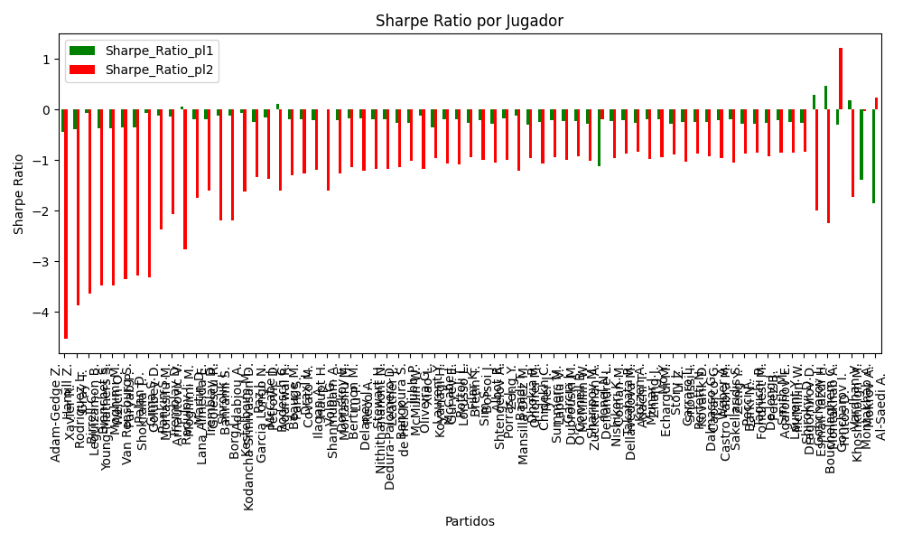
hard | McCabe J. | AUS | Right-Handed | 1.06 | Agarwal R. | IND | Right-Handed | 8.82 | 0 | -7 | -31 | 5 | 10 | -7 | -7.76 | 0 | 0.98263750043 | 0.017362499566 | 0.73885350318 | 2024-09-10 | 20240910 | 1.0242332509 | -0.82950025426 | 0.13845500392 | 1.152050127 | 0.10280055246 | -1.5967189371 | 1.0242332509 | McCabe J. Agarwal R. | pl1 | 0.10280055246 | 1.5 | 0.98263750043 | 1.06
hard | Rodesch C. | LUX | Right-Handed | 1.02 | Park S. | KOR | Right-Handed | 10.5 | 0 | 7 | -18.5 | 4 | 2 | 5 | -9.48 | 0 | 0.98229059741 | 0.017709402585 | 0.73076923077 | 2024-09-04 | 20240904 | 0.98422700678 | -0.79634187027 | 0.13453092263 | 1.3848771447 | -0.19157672243 | -1.3043336567 | 0.98422700678 | Rodesch C. Park S. | pl1 | -0.19157672243 | 1.5 | 0.98229059741 | 1.02
hard | Beauge M. | FRA | Right-Handed | 1.02 | Covato M. | ITA | Right-Handed | 10.7 | 0 | 9 | 11 | -8.5 | -2 | 0 | -9.68 | 0 | 0.98202991495 | 0.017970085046 | 0.72897196262 | 2024-09-03 | 20240903 | 0.98370042821 | -0.78975000496 | 0.1354994701 | 1.4214160099 | -0.1940935398 | -1.2661669719 | 0.98370042821 | Beauge M. Covato M. | pl1 | -0.1940935398 | 1.5 | 0.98202991495 | 1.02
hard | Draxl L. | CAN | Right-Handed | 1.02 | Haupt H. | DEU | Right-Handed | 10.74 | 0 | 6 | -18.5 | 4 | 2 | -1 | -9.72 | 0 | 0.98018802729 | 0.019811972707 | 0.73076923077 | 2024-09-04 | 20240904 | 0.97997981513 | -0.76740744042 | 0.14214079135 | 1.4966589207 | -0.2112003499 | -1.1875835007 | 0.97997981513 | Draxl L. Haupt H. | pl1 | -0.2112003499 | 1.5 | 0.98018802729 | 1.02
clay | Ilagan A. | FRA | Left-Handed | 1.05 | Shanmugam A. | IND | Right-Handed | 8.21 | 0 | -2 | -31 | 9 | 7 | -2 | -7.16 | 0 | 0.98017271508 | 0.019827284923 | 0.73885350318 | 2024-09-10 | 20240910 | 1.0093540659 | -0.81739070586 | 0.14637679281 | 1.1445271133 | -0.0044128176326 | -1.5966338277 | 1.0093540659 | Ilagan A. Shanmugam A. | pl1 | -0.0044128176326 | 1.5 | 0.98017271508 | 1.05
hard | Volpi G. | ITA | Right-Handed | 1.02 | Mortasifu M. | ROU | Right-Handed | 10.09 | 0 | 7 | -18.5 | 4 | 2 | 8 | -9.07 | 0 | 0.97977447913 | 0.020225520867 | 0.73076923077 | 2024-09-04 | 20240904 | 0.97914444785 | -0.77569897359 | 0.14358632845 | 1.4203784844 | -0.21489199204 | -1.2571993966 | 0.97914444785 | Volpi G. Mortasifu M. | pl1 | -0.21489199204 | 1.5 | 0.97977447913 | 1.02
hard | Donskoy E. | RUS | Right-Handed | 1.03 | Lu P. | CHN | Right-Handed | 10.42 | 0 | 12 | 237.5 | -3 | 2 | 12 | -9.39 | 0 | 0.97759543422 | 0.022404565781 | 0.8198757764 | 2024-09-09 | 20240909 | 0.98451873147 | -0.74413985879 | 0.15243513252 | 1.5421107581 | -0.16716138933 | -1.1374927835 | 0.98451873147 | Donskoy E. Lu P. | pl1 | -0.16716138933 | 1.5 | 0.97759543422 | 1.03
hard | Bertimon M. | FRA | Right-Handed | 1.03 | Reco A. | FRA | Right-Handed | 9.52 | 0 | -1 | 11 | -1 | -1 | -1 | -8.49 | 0 | 0.97604284675 | 0.023957153249 | 0.72897196262 | 2024-09-03 | 20240903 | 0.9813669789 | -0.74797074782 | 0.15750316006 | 1.4557573629 | -0.18179331186 | -1.2075987336 | 0.9813669789 | Bertimon M. Reco A. | pl1 | -0.18179331186 | 1.5 | 0.97604284675 | 1.03
hard | Delaney J. | AUS | Right-Handed | 1.03 | Nithithananont N. | THA | Right-Handed | 9.59 | 0 | 5 | -18.5 | 4 | 5 | 5 | -8.56 | 0 | 0.97507865091 | 0.024921349087 | 0.73076923077 | 2024-09-04 | 20240904 | 0.97940966135 | -0.73608291317 | 0.16056201986 | 1.4949415247 | -0.19052039003 | -1.1679941217 | 0.97940966135 | Delaney J. Nithithananont N. | pl1 | -0.19052039003 | 1.5 | 0.97507865091 | 1.03
hard | Stewart H. | FRA | Right-Handed | 1.03 | Leather J. | ITA | Right-Handed | 9.47 | 0 | 4 | -18.5 | 4 | 2 | 2 | -8.44 | 0 | 0.97459775635 | 0.025402243651 | 0.73076923077 | 2024-09-04 | 20240904 | 0.97843344539 | -0.73403850897 | 0.16206378103 | 1.4900427246 | -0.19477858909 | -1.1704620815 | 0.97843344539 | Stewart H. Leather J. | pl1 | -0.19477858909 | 1.5 | 0.97459775635 | 1.03
hard | Dedura-Palomero D. | DEU | Left-Handed | 1.02 | de Hek K. | NLD | Right-Handed | 9.69 | 0 | 0 | 11 | -1 | -1 | -4 | -8.67 | 0 | 0.9744440235 | 0.025555976498 | 0.72897196262 | 2024-09-03 | 20240903 | 0.96837692747 | -0.72680661124 | 0.16096255606 | 1.5291442826 | -0.25858854099 | -1.1358029658 | 0.96837692747 | Dedura-Palomero D. de Hek K. | pl1 | -0.25858854099 | 1.5 | 0.9744440235 | 1.02
Varioussurfaces | Bangoura S. | ITA | Right-Handed | 1.02 | McMillin W. | ITA | Right-Handed | 10.5 | 0 | 15 | -96 | -2 | -5 | 9 | -9.48 | 0 | 0.97378515154 | 0.026214848459 | 0.68965517241 | 2024-09-06 | 20240906 | 0.96704600611 | -0.69852924272 | 0.16296915794 | 1.6776236846 | -0.26357130657 | -1.0184222233 | 0.96704600611 | Bangoura S. McMillin W. | pl1 | -0.26357130657 | 1.5 | 0.97378515154 | 1.02
hard | Jubb P. | FRA | Right-Handed | 1.05 | Xiao L. | CHN | Right-Handed | 8.71 | 0 | 2 | 37.5 | -9 | -3 | 0 | -7.66 | 0 | 0.97079040629 | 0.029209593709 | 0.8198757764 | 2024-09-09 | 20240909 | 0.9901203329 | -0.71637484509 | 0.17681324515 | 1.4667079669 | -0.11243313297 | -1.1770406134 | 0.9901203329 | Jubb P. Xiao L. | pl1 | -0.11243313297 | 1.5 | 0.97079040629 | 1.05
clay | Oliveira G. | VEN | Left-Handed | 1.01 | Koyanagi H. | JPN | Right-Handed | 10.17 | 0 | 12 | -31 | 2.5 | 0 | 4 | -9.16 | 0 | 0.96998273696 | 0.030017263038 | 0.73885350318 | 2024-09-10 | 20240910 | 0.94966530129 | -0.66470717186 | 0.17234112428 | 1.7353556772 | -0.35008880763 | -0.96505125368 | 0.94966530129 | Oliveira G. Koyanagi H. | pl1 | -0.35008880763 | 0.22 | 0.96998273696 | 1.01
Varioussurfaces | Laurent Y. | FRA | Right-Handed | 1.04 | Guryev E. | UKR | Right-Handed | 9 | 0 | 12 | 36 | -2 | -2 | 12 | -7.96 | 0 | 0.968094394 | 0.031905605999 | 0.71333333333 | 2024-09-05 | 20240905 | 0.97491256376 | -0.68094394001 | 0.18277874491 | 1.5817391386 | -0.1919667205 | -1.0690409681 | 0.97491256376 | Laurent Y. Guryev E. | pl1 | -0.1919667205 | 1.5 | 0.968094394 | 1.04
hard | McCabe J. | AUS | Right-Handed | 1.04 | Lorusso L. | ITA | Right-Handed | 8.85 | 0 | -4 | -18.5 | 4 | 2 | -3 | -7.81 | 0 | 0.96777635621 | 0.032223643793 | 0.73076923077 | 2024-09-04 | 20240904 | 0.97426376666 | -0.68259710864 | 0.18365728809 | 1.5628528842 | -0.1945810793 | -1.0830175545 | 0.97426376666 | McCabe J. Lorusso L. | pl1 | -0.1945810793 | 1.5 | 0.96777635621 | 1.04
hard | Rottoli L. | ITA | Right-Handed | 1.03 | Bretin T. | FRA | Right-Handed | 9.52 | 0 | 7 | 11 | -1 | -1 | 5 | -8.49 | 0 | 0.96543311435 | 0.034566885648 | 0.72897196262 | 2024-09-03 | 20240903 | 0.95982922213 | -0.63635636298 | 0.1881604949 | 1.7391144772 | -0.26663821165 | -0.94666359494 | 0.95982922213 | Rottoli L. Bretin T. | pl1 | -0.26663821165 | 1.5 | 0.96543311435 | 1.03
Varioussurfaces | Filar K. | POL | Right-Handed | 1.04 | Borsoi J. | ITA | Right-Handed | 9 | 0 | 5 | 36 | -0.5 | 0 | 8 | -7.96 | 0 | 0.96479875257 | 0.035201247427 | 0.71333333333 | 2024-09-05 | 20240905 | 0.96818945525 | -0.64798752573 | 0.1916596686 | 1.6585932859 | -0.21814993763 | -0.99963477473 | 0.96818945525 | Filar K. Borsoi J. | pl1 | -0.21814993763 | 1.5 | 0.96479875257 | 1.04
clay | Sim S. | KOR | Right-Handed | 1.03 | Shtengelov A. | AUS | Right-Handed | 8.5 | 0 | 1 | 37.5 | -0.5 | 1 | 5 | -7.47 | 0 | 0.96420234942 | 0.035797650584 | 0.8198757764 | 2024-09-09 | 20240909 | 0.95733076931 | -0.65992231945 | 0.19135886205 | 1.5791750752 | -0.27523800111 | -1.0574649674 | 0.95733076931 | Sim S. Shtengelov A. | pl1 | -0.27523800111 | 1.5 | 0.96420234942 | 1.03
hard | Albot R. | FRA | Right-Handed | 1.05 | Zeng Y. | CHN | Right-Handed | 8.84 | 0 | 11 | 233 | -7.5 | -10 | 12 | -7.79 | 0 | 0.96386076976 | 0.036139230243 | 0.73885350318 | 2024-09-10 | 20240910 | 0.975914578 | -0.64438997441 | 0.19596833385 | 1.6498667345 | -0.17393331528 | -1.0027415789 | 0.975914578 | Albot R. Zeng Y. | pl1 | -0.17393331528 | 1.5 | 0.96386076976 | 1.05
hard | Porras J. | ARG | Right-Handed | 1.06 | Mansilla Diez M. | ESP | Right-Handed | 7.52 | 0 | -5 | 36 | -0.5 | 0 | 4 | -6.46 | 0 | 0.96357777612 | 0.036422223882 | 0.71333333333 | 2024-09-05 | 20240905 | 0.9849702188 | -0.68968265253 | 0.19857861736 | 1.4087841533 | -0.12604469469 | -1.2064890484 | 0.9849702188 | Porras J. Mansilla Diez M. | pl1 | -0.12604469469 | 1.5 | 0.96357777612 | 1.06
hard | Baadi T. | CAN | Right-Handed | 1.03 | Onofrei M. | ROU | Right-Handed | 8.75 | 0 | 5 | 11 | -5.5 | -2 | 5 | -7.72 | 0 | 0.96044901068 | 0.039550989321 | 0.72897196262 | 2024-09-03 | 20240903 | 0.94971149168 | -0.61437785412 | 0.20074884586 | 1.7053906809 | -0.30031808184 | -0.95249603057 | 0.94971149168 | Baadi T. Onofrei M. | pl1 | -0.30031808184 | 1.5 | 0.96044901068 | 1.03
Varioussurfaces | Dhokia R. | FRA | Right-Handed | 1.04 | Tyler J. | ITA | Right-Handed | 7.88 | 0 | -2 | -31 | 1.5 | 0 | -1 | -6.84 | 0 | 0.95976321798 | 0.040236782023 | 0.73885350318 | 2024-09-10 | 20240910 | 0.95791696467 | -0.64269737564 | 0.20437464256 | 1.5485309455 | -0.25484098553 | -1.0672679034 | 0.95791696467 | Dhokia R. Tyler J. | pl1 | -0.25484098553 | 1.5 | 0.95976321798 | 1.04
hard | Chidekh C. | FRA | Right-Handed | 1.05 | Lapalu V. | FRA | Right-Handed | 8.56 | 0 | 4 | -153 | -0.5 | 0 | 1 | -7.51 | 0 | 0.95808908317 | 0.04191091683 | 0.71333333333 | 2024-09-05 | 20240905 | 0.9640826205 | -0.59933163511 | 0.21040488836 | 1.7153008042 | -0.21823342536 | -0.93822123279 | 0.9640826205 | Chidekh C. Lapalu V. | pl1 | -0.21823342536 | 1.5 | 0.95808908317 | 1.05
hard | Summers M. | FRA | Left-Handed | 1.05 | Dubrouski M. | BLR | Right-Handed | 8.07 | 0 | 5 | -18.5 | 4 | 2 | 2 | -7.02 | 0 | 0.95744183657 | 0.042558163431 | 0.73076923077 | 2024-09-04 | 20240904 | 0.96275576497 | -0.61399745768 | 0.21195171664 | 1.6290003365 | -0.22290093131 | -0.99692886572 | 0.96275576497 | Summers M. Dubrouski M. | pl1 | -0.22290093131 | 1.5 | 0.95744183657 | 1.05
Varioussurfaces | Garcia J. | ITA | Right-Handed | 1.05 | McMillin W. | FRA | Right-Handed | 8.5 | 0 | 0 | 11 | -1 | -1 | 0 | -7.45 | 0 | 0.95686010501 | 0.043139894991 | 0.72897196262 | 2024-09-03 | 20240903 | 0.96156321527 | -0.59017099759 | 0.21333055573 | 1.7269616416 | -0.22705038463 | -0.9265816675 | 0.96156321527 | Garcia J. McMillin W. | pl1 | -0.22705038463 | 1.5 | 0.95686010501 | 1.05
Varioussurfaces | O'Connell B. | AUS | Right-Handed | 1.04 | Zuckerman A. | ITA | Right-Handed | 7.88 | 0 | -5 | -31 | 1.5 | 0 | 0 | -6.84 | 0 | 0.95647377633 | 0.043526223675 | 0.73885350318 | 2024-09-10 | 20240910 | 0.9512065037 | -0.61348713377 | 0.21219999424 | 1.6078230333 | -0.27706643681 | -1.0097424282 | 0.9512065037 | O'Connell B. Zuckerman A. | pl1 | -0.27706643681 | 1.5 | 0.95647377633 | 1.04
clay | Sharipov M. | RUS | Right-Handed | 7.26 | Deflandre L. | FRA | Left-Handed | 1.06 | 0 | 2 | 105.5 | -0.5 | 1 | -1 | 6.2 | 1 | 0.043622286448 | 0.95637771355 | 0.66666666667 | 2024-09-07 | 20240907 | -0.63967991394 | 0.97013808992 | 1.4828784606 | 0.21650842538 | -1.1124849121 | -0.18411251208 | 0.97013808992 | Sharipov M. Deflandre L. | pl2 | -0.18411251208 | 1.5 | 0.95637771355 | 1.06
hard | Ionel N. | ROU | Right-Handed | 1.05 | Coman M. | ROU | Right-Handed | 8.07 | 0 | 2 | -18.5 | -5 | 0 | 2 | -7.02 | 0 | 0.95550407646 | 0.044495923542 | 0.73076923077 | 2024-09-04 | 20240904 | 0.95878335674 | -0.59642197348 | 0.21650388 | 1.6639869634 | -0.23656224203 | -0.96540538406 | 0.95878335674 | Ionel N. Coman M. | pl1 | -0.23656224203 | 1.5 | 0.95550407646 | 1.05
clay | Nishikori K. | JPN | Right-Handed | 1.06 | Dellavedova M. | AUS | Right-Handed | 8.52 | 0 | 10 | -173 | -8 | -13 | 10 | -7.46 | 0 | 0.95374859518 | 0.046251404817 | 0.72897196262 | 2024-09-03 | 20240903 | 0.96472210608 | -0.55968662614 | 0.22263081956 | 1.7894477195 | -0.20337657658 | -0.87719054826 | 0.96472210608 | Nishikori K. Dellavedova M. | pl1 | -0.20337657658 | 1.5 | 0.95374859518 | 1.06
hard | Takahata R. | JPN | Right-Handed | 1.05 | Adachi T. | JPN | Right-Handed | 8.56 | 0 | 6 | -18.5 | 4 | 2 | -1 | -7.51 | 0 | 0.95162032924 | 0.048379670764 | 0.73076923077 | 2024-09-04 | 20240904 | 0.95082167493 | -0.53749034749 | 0.22529554753 | 1.8366951304 | -0.26266974965 | -0.84254067096 | 0.95082167493 | Takahata R. Adachi T. | pl1 | -0.26266974965 | 1.5 | 0.95162032924 | 1.05
Varioussurfaces | Kotzen A. | FRA | Right-Handed | 1.07 | Zhang J. | AUS | Right-Handed | 7.5 | 0 | 4 | -18.5 | 4 | 2 | 5 | -6.43 | 0 | 0.9503042215 | 0.049695778504 | 0.73076923077 | 2024-09-04 | 20240904 | 0.9671297385 | -0.57758588272 | 0.2325277858 | 1.6298676574 | -0.18436618814 | -0.97405815464 | 0.9671297385 | Kotzen A. Zhang J. | pl1 | -0.18436618814 | 1.5 | 0.9503042215 | 1.07
clay | Munar J. | ESP | Right-Handed | 1.07 | Echargui M. | TUN | Right-Handed | 7.72 | 0 | 2 | 334 | 1 | 3 | -4 | -6.65 | 0 | 0.95007706135 | 0.049922938649 | 0.72897196262 | 2024-09-03 | 20240903 | 0.966659517 | -0.56467197498 | 0.2330307671 | 1.6813060953 | -0.18598609765 | -0.93657661704 | 0.966659517 | Munar J. Echargui M. | pl1 | -0.18598609765 | 1.5 | 0.95007706135 | 1.07
hard | Mo Y. | CHN | Right-Handed | 1.05 | Li Z. | CHN | Right-Handed | 8 | 0 | 2 | 46.5 | 4 | 2 | 0 | -6.95 | 0 | 0.94931392558 | 0.050686074422 | 0.73076923077 | 2024-09-04 | 20240904 | 0.94609354744 | -0.5438253302 | 0.2303236601 | 1.7548469341 | -0.27746368974 | -0.88544778467 | 0.94609354744 | Mo Y. Li Z. | pl1 | -0.27746368974 | 1.5 | 0.94931392558 | 1.05
Varioussurfaces | Story J. | ITA | Right-Handed | 1.06 | Snoussi I. | TUN | Right-Handed | 7 | 0 | 4 | 11 | -1 | -1 | 6 | -5.94 | 0 | 0.94850072876 | 0.051499271238 | 0.72897196262 | 2024-09-03 | 20240903 | 0.95391150125 | -0.5880058301 | 0.23427461963 | 1.5470965447 | -0.23941346629 | -1.0329063403 | 0.95391150125 | Story J. Snoussi I. | pl1 | -0.23941346629 | 1.5 | 0.94850072876 | 1.06
Varioussurfaces | Carraro L. | ITA | Right-Handed | 1.06 | Kovarik D. | CZE | Right-Handed | 8 | 0 | 4 | 87 | -2.5 | -5 | 3 | -6.94 | 0 | 0.94834110581 | 0.051658894194 | 0.68965517241 | 2024-09-06 | 20240906 | 0.95358267796 | -0.53506995226 | 0.23461766365 | 1.7706993483 | -0.24046493841 | -0.87257611166 | 0.95358267796 | Carraro L. Kovarik D. | pl1 | -0.24046493841 | 1.5 | 0.94834110581 | 1.06
clay | Perfetti N. | ITA | Right-Handed | 1.06 | Caparco G. | ITA | Right-Handed | 7.48 | 0 | -4 | -31 | 1.5 | 0 | -5 | -6.42 | 0 | 0.94623695076 | 0.053763049241 | 0.73885350318 | 2024-09-10 | 20240910 | 0.94924811856 | -0.54408934243 | 0.23908248604 | 1.6871103732 | -0.25410427356 | -0.92115451787 | 0.94924811856 | Perfetti N. Caparco G. | pl1 | -0.25410427356 | 1.5 | 0.94623695076 | 1.06
clay | Dalmasso G. | FRA | Right-Handed | 1.07 | Castro Fabra M. | ESP | Right-Handed | 7.19 | 0 | 1 | -31 | 1.5 | 0 | -4 | -6.12 | 0 | 0.94523338299 | 0.05476661701 | 0.73885350318 | 2024-09-10 | 20240910 | 0.95663310279 | -0.55146140668 | 0.24345083071 | 1.6358985727 | -0.21921016681 | -0.95449768873 | 0.95663310279 | Dalmasso G. Castro Fabra M. | pl1 | -0.21921016681 | 1.5 | 0.94523338299 | 1.07
hard | Weber A. | FRA | Left-Handed | 1.08 | Zeng Y. | CHN | Right-Handed | 6.51 | 0 | 0 | -18.5 | 4 | 2 | 10 | -5.43 | 0 | 0.94359107043 | 0.056408929569 | 0.73076923077 | 2024-09-04 | 20240904 | 0.9626694265 | -0.57636893894 | 0.24916646795 | 1.5019200985 | -0.18995563044 | -1.0562272524 | 0.9626694265 | Weber A. Zeng Y. | pl1 | -0.18995563044 | 1.5 | 0.94359107043 | 1.08
hard | Sakellaridis S. | GRC | Right-Handed | 1.06 | Barki N. | IDN | Right-Handed | 7.59 | 0 | 4 | 11 | -1 | -1 | -5 | -6.53 | 0 | 0.94311870631 | 0.05688129369 | 0.72897196262 | 2024-09-03 | 20240903 | 0.942824535 | -0.51138968721 | 0.24551259539 | 1.7579628293 | -0.27361311094 | -0.86542767679 | 0.942824535 | Sakellaridis S. Barki N. | pl1 | -0.27361311094 | 1.5 | 0.94311870631 | 1.06
hard | Pecci A. | ITA | Right-Handed | 1.06 | Fondriest M. | ITA | Right-Handed | 7.57 | 0 | 2 | 36 | -0.5 | 0 | 3 | -6.51 | 0 | 0.94214957033 | 0.057850429669 | 0.71333333333 | 2024-09-05 | 20240905 | 0.94082811488 | -0.50422181773 | 0.24746802193 | 1.7672952132 | -0.27951847911 | -0.8568018554 | 0.94082811488 | Pecci A. Fondriest M. | pl1 | -0.27951847911 | 0.33 | 0.94214957033 | 1.06
hard | Taguchi R. | JPN | Right-Handed | 1.07 | Perez B. | VEN | Left-Handed | 6.92 | 0 | -5 | 11 | -5.5 | -7 | 0 | -5.85 | 0 | 0.93902188775 | 0.060978112248 | 0.72897196262 | 2024-09-03 | 20240903 | 0.94377530765 | -0.51705335099 | 0.25604047433 | 1.6558879275 | -0.25864931131 | -0.9221960772 | 0.94377530765 | Taguchi R. Perez B. | pl1 | -0.25864931131 | 1.5 | 0.93902188775 | 1.07
hard | De Jong J. | NLD | Right-Handed | 1.09 | Agafonov E. | RUS | Right-Handed | 7.09 | 0 | 2 | 79 | -8 | -5 | 3 | -6 | 0 | 0.93585610895 | 0.064143891047 | 0.71333333333 | 2024-09-05 | 20240905 | 0.95593926771 | -0.48107592143 | 0.26705990389 | 1.7371144207 | -0.20242923592 | -0.85836367696 | 0.95593926771 | De Jong J. Agafonov E. | pl1 | -0.20242923592 | 1.5 | 0.93585610895 | 1.09
Varioussurfaces | Smith M. | FRA | Right-Handed | 1.08 | McMillin W. | ITA | Right-Handed | 7 | 0 | 1 | -18.5 | 4 | 2 | 0 | -5.92 | 0 | 0.93442056422 | 0.06557943578 | 0.73076923077 | 2024-09-04 | 20240904 | 0.94359477358 | -0.47536451376 | 0.26734913741 | 1.7328184832 | -0.24838391874 | -0.85719567754 | 0.94359477358 | Smith M. McMillin W. | pl1 | -0.24838391874 | 1.5 | 0.93442056422 | 1.08
Varioussurfaces | Laurent Y. | FRA | Right-Handed | 1.08 | Dragomirov D. | DEU | Right-Handed | 7 | 0 | 9 | 11 | -2.5 | -2 | 8 | -5.92 | 0 | 0.93266790136 | 0.067332098641 | 0.72897196262 | 2024-09-03 | 20240903 | 0.93994923483 | -0.46134321088 | 0.27064396426 | 1.7541738424 | -0.2588299553 | -0.83876704536 | 0.93994923483 | Laurent Y. Dragomirov D. | pl1 | -0.2588299553 | 0.45 | 0.93266790136 | 1.08
Varioussurfaces | Shirokyi D. | UKR | Right-Handed | 1.35 | Esmail Yazdi H. | IRN | Right-Handed | 2.82 | 0 | -15 | -31 | 1.5 | 0 | -13 | -1.47 | 0 | 0.9053158963 | 0.094684103702 | 0.73885350318 | 2024-09-10 | 20240910 | 1.1274923563 | -0.63830672386 | 0.39525045429 | 0.8256342823 | 0.29726052184 | -1.9964126481 | 1.1274923563 | Shirokyi D. Esmail Yazdi H. | pl1 | 0.29726052184 | 1.5 | 0.9053158963 | 1.35
Varioussurfaces | Goncharov I. | RUS | Right-Handed | 1.63 | Montakhab A. | IRN | Right-Handed | 2.08 | 0 | -15 | -31 | 1.5 | 0 | -12 | -0.45 | 0 | 0.86472319927 | 0.13527680073 | 0.73885350318 | 2024-09-10 | 20240910 | 1.2742220141 | -0.58334745376 | 0.55749094987 | 0.71139949431 | 0.47394852626 | -2.2397365566 | 1.2742220141 | Goncharov I. Montakhab A. | pl1 | 0.47394852626 | 1.5 | 0.86472319927 | 1.63
clay | Bouchelaghem C. | FRA | Right-Handed | 6.5 | Frutos D. | ARG | Right-Handed | 3.18 | 0 | 3 | 37.5 | -0.5 | 1 | -9 | 3.32 | 1 | 0.17199224687 | 0.82800775313 | 0.8198757764 | 2024-09-09 | 20240909 | 0.28994185151 | 2.4610724081 | 2.4529290882 | 1.2000483847 | -0.29355033211 | 1.209178252 | 2.4610724081 | Bouchelaghem C. Frutos D. | pl2 | 1.209178252 | 1.5 | 0.82800775313 | 3.18
clay | Goncharov I. | RUS | Right-Handed | 1.7 | Khoshkholgh M. | IRN | Right-Handed | 1.97 | 0 | 0 | 37.5 | -0.5 | 1 | -2 | -0.27 | 0 | 0.78990556006 | 0.21009443994 | 0.8198757764 | 2024-09-09 | 20240909 | 1.1327450122 | -0.37601951338 | 0.69253828374 | 0.80252965822 | 0.17723931665 | -1.7270632919 | 1.1327450122 | Goncharov I. Khoshkholgh M. | pl1 | 0.17723931665 | 1.5 | 0.78990556006 | 1.7
hard | Vardhan V. | IND | Right-Handed | 2.22 | Mokrov A. | RUS | Right-Handed | 1.57 | 0 | 20 | -114 | 6 | 3 | 18 | 0.65 | 1 | 0.22540347186 | 0.77459652814 | 0.71333333333 | 2024-09-05 | 20240905 | -0.27420082062 | 0.99071307733 | 0.92762201709 | 0.65602097605 | -1.3844009704 | -0.029399856671 | 0.99071307733 | Vardhan V. Mokrov A. | pl2 | -0.029399856671 | 1.5 | 0.77459652814 | 1.57
clay | Montakhab A. | IRN | Right-Handed | 1.65 | Al-Saedi A. | IRQ | Right-Handed | 1.98 | 0 | 10 | 37.5 | -0.5 | 1 | 4 | -0.33 | 1 | 0.25616151787 | 0.74383848213 | 0.8198757764 | 2024-09-09 | 20240909 | -0.32117197764 | 1.2166386767 | 0.72024492944 | 0.86429391533 | -1.8482212414 | 0.23908380364 | 1.2166386767 | Montakhab A. Al-Saedi A. | pl2 | 0.23908380364 | 1.5 | 0.74383848213 | 1.98

Monte Carlo Summary
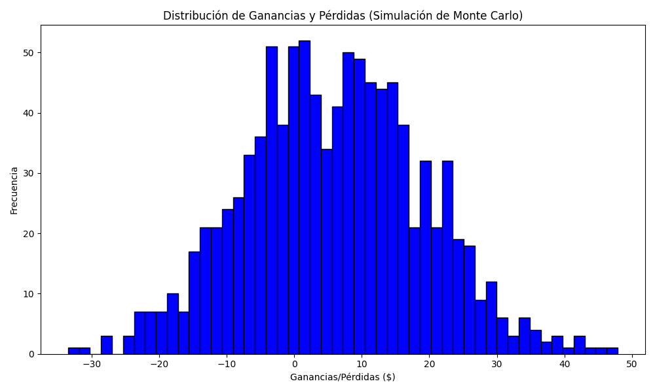
Promedio de Ganancia/Pérdida | Mediana de Ganancia/Pérdida | Ganancia/Pérdida Máxima | Ganancia/Pérdida Mínima | Probabilidad de Ganancia (>0)
5.8512836 | 5.8715 | 47.8922 | -33.5068 | 0

