Betting Decisions
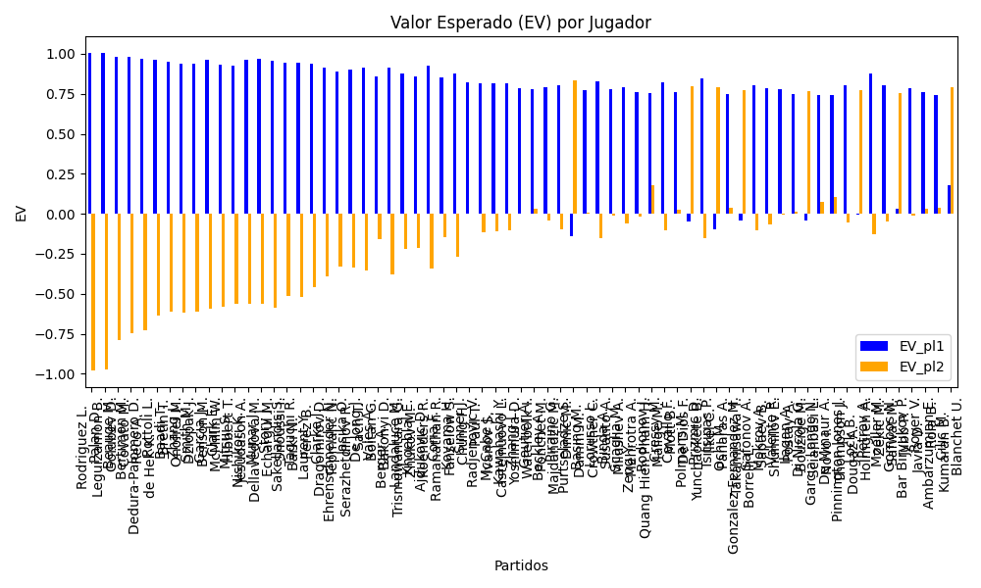
Surface | pl1 | pl1_flag | pl1_hand | pl1_bet | pl2 | pl2_flag | pl2_hand | pl2_bet | Result | DiffProffTime | DiffPts | DiffWeight | DiffHeight | DiffAge | DiffBet | Class | Prob_win_pl1 | Prob_win_pl2 | Accuracy | date_run | date | EV_pl1 | EV_pl2 | Std_Dev_pl1 | Std_Dev_pl2 | Sharpe_Ratio_pl1 | Sharpe_Ratio_pl2 | Best_Bet_EV | match | Best_Bet | Best_Bet_Sharpe | Money_to_Bet | Prob_Win | Payout
hard | Rodriguez L. | ARG | Right-Handed | 1.01 | Leguizamon B. | ARG | Right-Handed | 17.6 | 0 | 6 | 11 | -1 | -1 | 0 | -16.59 | 0 | 0.99903143544 | 0.00096856456098 | 0.72897196262 | 2024-09-03 | 20240903 | 1.0080531852 | -0.98198469917 | 0.031417761461 | 0.54747782347 | -0.061965419466 | -3.6384755944 | 1.0080531852 | Rodriguez L. Leguizamon B. | pl1 | -0.061965419466 | 1.5 | 0.99903143544 | 1.01
hard | Palan D. | CZE | Right-Handed | 1.01 | Golubev D. | RUS | Right-Handed | 15.67 | 0 | -2 | 11 | -1 | -1 | 1 | -14.66 | 0 | 0.99853251333 | 0.0014674866669 | 0.72897196262 | 2024-09-03 | 20240903 | 1.0070503518 | -0.97553699726 | 0.038662466891 | 0.59984243186 | -0.076292291664 | -3.3100976053 | 1.0070503518 | Palan D. Golubev D. | pl1 | -0.076292291664 | 1.5 | 0.99853251333 | 1.01
hard | Beauge M. | FRA | Right-Handed | 1.02 | Covato M. | ITA | Right-Handed | 10.7 | 0 | 9 | 11 | -8.5 | -2 | 0 | -9.68 | 0 | 0.98202991495 | 0.017970085046 | 0.72897196262 | 2024-09-03 | 20240903 | 0.98370042821 | -0.78975000496 | 0.1354994701 | 1.4214160099 | -0.1940935398 | -1.2661669719 | 0.98370042821 | Beauge M. Covato M. | pl1 | -0.1940935398 | 1.5 | 0.98202991495 | 1.02
hard | Bertimon M. | FRA | Right-Handed | 1.03 | Reco A. | FRA | Right-Handed | 9.52 | 0 | -1 | 11 | -1 | -1 | -1 | -8.49 | 0 | 0.97604284675 | 0.023957153249 | 0.72897196262 | 2024-09-03 | 20240903 | 0.9813669789 | -0.74797074782 | 0.15750316006 | 1.4557573629 | -0.18179331186 | -1.2075987336 | 0.9813669789 | Bertimon M. Reco A. | pl1 | -0.18179331186 | 1.5 | 0.97604284675 | 1.03
hard | Dedura-Palomero D. | DEU | Left-Handed | 1.02 | de Hek K. | NLD | Right-Handed | 9.69 | 0 | 0 | 11 | -1 | -1 | -4 | -8.67 | 0 | 0.9744440235 | 0.025555976498 | 0.72897196262 | 2024-09-03 | 20240903 | 0.96837692747 | -0.72680661124 | 0.16096255606 | 1.5291442826 | -0.25858854099 | -1.1358029658 | 0.96837692747 | Dedura-Palomero D. de Hek K. | pl1 | -0.25858854099 | 1.5 | 0.9744440235 | 1.02
hard | Rottoli L. | ITA | Right-Handed | 1.03 | Bretin T. | FRA | Right-Handed | 9.52 | 0 | 7 | 11 | -1 | -1 | 5 | -8.49 | 0 | 0.96543311435 | 0.034566885648 | 0.72897196262 | 2024-09-03 | 20240903 | 0.95982922213 | -0.63635636298 | 0.1881604949 | 1.7391144772 | -0.26663821165 | -0.94666359494 | 0.95982922213 | Rottoli L. Bretin T. | pl1 | -0.26663821165 | 1.5 | 0.96543311435 | 1.03
hard | Baadi T. | CAN | Right-Handed | 1.03 | Onofrei M. | ROU | Right-Handed | 8.75 | 0 | 5 | 11 | -5.5 | -2 | 5 | -7.72 | 0 | 0.96044901068 | 0.039550989321 | 0.72897196262 | 2024-09-03 | 20240903 | 0.94971149168 | -0.61437785412 | 0.20074884586 | 1.7053906809 | -0.30031808184 | -0.95249603057 | 0.94971149168 | Baadi T. Onofrei M. | pl1 | -0.30031808184 | 1.5 | 0.96044901068 | 1.03
Varioussurfaces | Zhang J. | AUS | Right-Handed | 1.02 | Dziopak J. | POL | Right-Handed | 8.5 | 0 | 0 | 11 | -1 | -1 | -5 | -7.48 | 0 | 0.9594961911 | 0.0405038089 | 0.72897196262 | 2024-09-03 | 20240903 | 0.93818230602 | -0.61521381545 | 0.20108039606 | 1.6756699672 | -0.35715910345 | -0.96988896817 | 0.93818230602 | Zhang J. Dziopak J. | pl1 | -0.35715910345 | 1.5 | 0.9594961911 | 1.02
Varioussurfaces | Smith M. | ITA | Right-Handed | 1.02 | Benson M. | FRA | Right-Handed | 8.5 | 0 | -1 | 11 | -1 | -1 | 0 | -7.48 | 0 | 0.95911425798 | 0.040885742015 | 0.72897196262 | 2024-09-03 | 20240903 | 0.93741080113 | -0.61158545086 | 0.20198600862 | 1.6832167385 | -0.35937736166 | -0.96338481775 | 0.93741080113 | Smith M. Benson M. | pl1 | -0.35937736166 | 1.5 | 0.95911425798 | 1.02
Varioussurfaces | Garcia J. | ITA | Right-Handed | 1.05 | McMillin W. | FRA | Right-Handed | 8.5 | 0 | 0 | 11 | -1 | -1 | 0 | -7.45 | 0 | 0.95686010501 | 0.043139894991 | 0.72897196262 | 2024-09-03 | 20240903 | 0.96156321527 | -0.59017099759 | 0.21333055573 | 1.7269616416 | -0.22705038463 | -0.9265816675 | 0.96156321527 | Garcia J. McMillin W. | pl1 | -0.22705038463 | 1.5 | 0.95686010501 | 1.05
Varioussurfaces | Clark E. | ITA | Right-Handed | 1.02 | Hibbert T. | AUS | Right-Handed | 8.5 | 0 | 7 | 11 | -12.5 | -15 | 2 | -7.48 | 0 | 0.95577076471 | 0.044229235293 | 0.72897196262 | 2024-09-03 | 20240903 | 0.93065694471 | -0.57982226472 | 0.20971609295 | 1.7476341079 | -0.37833555916 | -0.90969972346 | 0.93065694471 | Clark E. Hibbert T. | pl1 | -0.37833555916 | 1.5 | 0.95577076471 | 1.02
Varioussurfaces | Mitsui S. | JPN | Right-Handed | 1.02 | Jesudason A. | FRA | Right-Handed | 8.5 | 0 | 1 | 11 | -1 | -1 | 1 | -7.48 | 0 | 0.95403181037 | 0.045968189626 | 0.72897196262 | 2024-09-03 | 20240903 | 0.92714425696 | -0.56330219855 | 0.21360445178 | 1.7800370982 | -0.3878933344 | -0.88385921853 | 0.92714425696 | Mitsui S. Jesudason A. | pl1 | -0.3878933344 | 1.5 | 0.95403181037 | 1.02
clay | Nishikori K. | JPN | Right-Handed | 1.06 | Dellavedova M. | AUS | Right-Handed | 8.52 | 0 | 10 | -173 | -8 | -13 | 10 | -7.46 | 0 | 0.95374859518 | 0.046251404817 | 0.72897196262 | 2024-09-03 | 20240903 | 0.96472210608 | -0.55968662614 | 0.22263081956 | 1.7894477195 | -0.20337657658 | -0.87719054826 | 0.96472210608 | Nishikori K. Dellavedova M. | pl1 | -0.20337657658 | 1.5 | 0.95374859518 | 1.06
clay | Munar J. | ESP | Right-Handed | 1.07 | Echargui M. | TUN | Right-Handed | 7.72 | 0 | 2 | 334 | 1 | 3 | -4 | -6.65 | 0 | 0.95007706135 | 0.049922938649 | 0.72897196262 | 2024-09-03 | 20240903 | 0.966659517 | -0.56467197498 | 0.2330307671 | 1.6813060953 | -0.18598609765 | -0.93657661704 | 0.966659517 | Munar J. Echargui M. | pl1 | -0.18598609765 | 1.5 | 0.95007706135 | 1.07
Varioussurfaces | Story J. | ITA | Right-Handed | 1.06 | Snoussi I. | TUN | Right-Handed | 7 | 0 | 4 | 11 | -1 | -1 | 6 | -5.94 | 0 | 0.94850072876 | 0.051499271238 | 0.72897196262 | 2024-09-03 | 20240903 | 0.95391150125 | -0.5880058301 | 0.23427461963 | 1.5470965447 | -0.23941346629 | -1.0329063403 | 0.95391150125 | Story J. Snoussi I. | pl1 | -0.23941346629 | 1.5 | 0.94850072876 | 1.06
hard | Sakellaridis S. | GRC | Right-Handed | 1.06 | Barki N. | IDN | Right-Handed | 7.59 | 0 | 4 | 11 | -1 | -1 | -5 | -6.53 | 0 | 0.94311870631 | 0.05688129369 | 0.72897196262 | 2024-09-03 | 20240903 | 0.942824535 | -0.51138968721 | 0.24551259539 | 1.7579628293 | -0.27361311094 | -0.86542767679 | 0.942824535 | Sakellaridis S. Barki N. | pl1 | -0.27361311094 | 1.5 | 0.94311870631 | 1.06
hard | Taguchi R. | JPN | Right-Handed | 1.07 | Perez B. | VEN | Left-Handed | 6.92 | 0 | -5 | 11 | -5.5 | -7 | 0 | -5.85 | 0 | 0.93902188775 | 0.060978112248 | 0.72897196262 | 2024-09-03 | 20240903 | 0.94377530765 | -0.51705335099 | 0.25604047433 | 1.6558879275 | -0.25864931131 | -0.9221960772 | 0.94377530765 | Taguchi R. Perez B. | pl1 | -0.25864931131 | 1.5 | 0.93902188775 | 1.07
Varioussurfaces | Laurent Y. | FRA | Right-Handed | 1.08 | Dragomirov D. | DEU | Right-Handed | 7 | 0 | 9 | 11 | -2.5 | -2 | 8 | -5.92 | 0 | 0.93266790136 | 0.067332098641 | 0.72897196262 | 2024-09-03 | 20240903 | 0.93994923483 | -0.46134321088 | 0.27064396426 | 1.7541738424 | -0.2588299553 | -0.83876704536 | 0.93994923483 | Laurent Y. Dragomirov D. | pl1 | -0.2588299553 | 1.5 | 0.93266790136 | 1.08
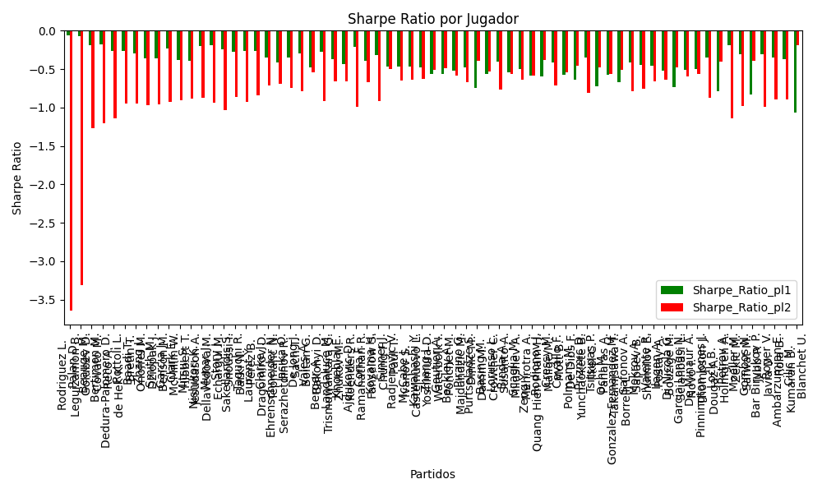
hard | Clarke J. | ITA | Right-Handed | 1.06 | Tepmahc N. | FRA | Right-Handed | 7.62 | 0 | 4 | 90 | 3.5 | 3 | 3 | -6.56 | 0 | 0.92919156479 | 0.070808435211 | 0.72897196262 | 2024-09-03 | 20240903 | 0.91413462346 | -0.38963128848 | 0.27189485718 | 1.9545649167 | -0.35258252962 | -0.71608329634 | 0.91413462346 | Clarke J. Tepmahc N. | pl1 | -0.35258252962 | 1.5 | 0.92919156479 | 1.06
Varioussurfaces | Ehrenschneider N. | DEU | Right-Handed | 1.06 | Serazhetdinov R. | RUS | Right-Handed | 7 | 0 | 5 | 11 | -1 | -1 | 4 | -5.94 | 0 | 0.91658301125 | 0.083416988749 | 0.72897196262 | 2024-09-03 | 20240903 | 0.88816100318 | -0.33266409001 | 0.29310216145 | 1.9355803115 | -0.41568781418 | -0.69367521567 | 0.88816100318 | Ehrenschneider N. Serazhetdinov R. | pl1 | -0.41568781418 | 1.5 | 0.91658301125 | 1.06
hard | Jasika O. | AUS | Left-Handed | 1.09 | Sach T. | AUS | Right-Handed | 6.25 | 0 | 7 | -99 | -18.5 | -2 | 6 | -5.16 | 0 | 0.90869952594 | 0.091300474063 | 0.72897196262 | 2024-09-03 | 20240903 | 0.89918200921 | -0.33807156305 | 0.3139591647 | 1.8002245682 | -0.35296944078 | -0.74883522136 | 0.89918200921 | Jasika O. Sach T. | pl1 | -0.35296944078 | 1.5 | 0.90869952594 | 1.09
hard | De Jong J. | NLD | Right-Handed | 1.11 | Boitan G. | ROU | Right-Handed | 5.98 | 0 | -1 | 62 | -8.5 | -5 | -1 | -4.87 | 0 | 0.90750169201 | 0.092498307994 | 0.72897196262 | 2024-09-03 | 20240903 | 0.91482857013 | -0.3543618102 | 0.32159818924 | 1.7325740285 | -0.29593272926 | -0.78747677601 | 0.91482857013 | De Jong J. Boitan G. | pl1 | -0.29593272926 | 1.5 | 0.90750169201 | 1.11
hard | Vales A. | ISR | Right-Handed | 1.07 | Bakonyi D. | HUN | Right-Handed | 7.15 | 0 | 1 | 11 | -1 | -1 | -5 | -6.08 | 0 | 0.89664580357 | 0.10335419643 | 0.72897196262 | 2024-09-03 | 20240903 | 0.85605681339 | -0.1576632991 | 0.32573040193 | 2.1766096952 | -0.47260920594 | -0.53645966096 | 0.85605681339 | Vales A. Bakonyi D. | pl1 | -0.47260920594 | 1.5 | 0.89664580357 | 1.07
hard | Berger A. | FRA | Right-Handed | 1.14 | Trismuwantara G. | IDN | Right-Handed | 4.93 | 0 | 1 | 11 | -1 | -1 | 2 | -3.79 | 0 | 0.89502261639 | 0.10497738361 | 0.72897196262 | 2024-09-03 | 20240903 | 0.91534839907 | -0.37748411517 | 0.34943767607 | 1.5111646868 | -0.27086833338 | -0.91815546462 | 0.91534839907 | Berger A. Trismuwantara G. | pl1 | -0.27086833338 | 1.5 | 0.89502261639 | 1.14
hard | Landaluce M. | ESP | Right-Handed | 1.12 | Zhukov M. | RUS | Right-Handed | 5.87 | 0 | -1 | -236 | -1 | -1 | -1 | -4.75 | 0 | 0.8864570562 | 0.1135429438 | 0.72897196262 | 2024-09-03 | 20240903 | 0.87928895915 | -0.21995997612 | 0.35532596836 | 1.8622887806 | -0.36786233624 | -0.66045609517 | 0.87928895915 | Landaluce M. Zhukov M. | pl1 | -0.36786233624 | 1.5 | 0.8864570562 | 1.12
hard | Khoeblal E. | NLD | Right-Handed | 1.1 | Koenders R. | NLD | Right-Handed | 5.78 | 0 | 2 | 11 | -1 | -1 | 4 | -4.68 | 0 | 0.88379178122 | 0.11620821878 | 0.72897196262 | 2024-09-03 | 20240903 | 0.85596274057 | -0.21210827668 | 0.35252188739 | 1.852342281 | -0.43695800161 | -0.65976374303 | 0.85596274057 | Khoeblal E. Koenders R. | pl1 | -0.43695800161 | 1.5 | 0.88379178122 | 1.1
hard | Ajdukovic D. | HRV | Right-Handed | 1.21 | Ramanathan R. | IND | Right-Handed | 4.08 | 0 | -6 | 80 | -5 | -3 | -6 | -2.87 | 0 | 0.87046061696 | 0.12953938304 | 0.72897196262 | 2024-09-03 | 20240903 | 0.92371796348 | -0.34193993416 | 0.40631311976 | 1.3700475443 | -0.21235355769 | -0.98678322499 | 0.92371796348 | Ajdukovic D. Ramanathan R. | pl1 | -0.21235355769 | 1.5 | 0.87046061696 | 1.21
clay | Coria F. | ARG | Right-Handed | 1.16 | Fanselow S. | DEU | Right-Handed | 4.94 | 0 | 0 | 331 | -5.5 | -5 | 0 | -3.78 | 0 | 0.85646779085 | 0.14353220915 | 0.72897196262 | 2024-09-03 | 20240903 | 0.84997042823 | -0.14741867763 | 0.40671312848 | 1.7320369437 | -0.39347038629 | -0.6682413339 | 0.84997042823 | Coria F. Fanselow S. | pl1 | -0.39347038629 | 1.5 | 0.85646779085 | 1.16
hard | Koyama H. | JPN | Right-Handed | 1.2 | Chung H. | KOR | Right-Handed | 3.93 | 0 | -11 | -101 | -11.5 | -4 | -4 | -2.73 | 0 | 0.85191915564 | 0.14808084436 | 0.72897196262 | 2024-09-03 | 20240903 | 0.87422214241 | -0.26996143731 | 0.42621612753 | 1.3958578177 | -0.31856574358 | -0.91697121377 | 0.87422214241 | Koyama H. Chung H. | pl1 | -0.31856574358 | 1.5 | 0.85191915564 | 1.2
hard | Sinner J. | ITA | Right-Handed | 1.14 | Paul T. | FRA | Right-Handed | 5.69 | 0 | -2 | 1470 | -6 | 3 | -4 | -4.55 | 0 | 0.8501347325 | 0.1498652675 | 0.72897196262 | 2024-09-03 | 20240903 | 0.81928832755 | 0.0025986395705 | 0.40691081032 | 2.0309846585 | -0.46868175436 | -0.4960162334 | 0.81928832755 | Sinner J. Paul T. | pl1 | -0.46868175436 | 1.5 | 0.8501347325 | 1.14
hard | Radjenovic V. | SRB | Right-Handed | 1.14 | Ivanov S. | BGR | Right-Handed | 4.87 | 0 | -7 | 11 | -1 | -1 | -5 | -3.73 | 0 | 0.84981255897 | 0.15018744103 | 0.72897196262 | 2024-09-03 | 20240903 | 0.8185988762 | -0.11839972117 | 0.40727076152 | 1.7398321128 | -0.46996038479 | -0.6485681652 | 0.8185988762 | Radjenovic V. Ivanov S. | pl1 | -0.46996038479 | 1.5 | 0.84981255897 | 1.14
hard | McCabe J. | AUS | Right-Handed | 1.14 | Castelnuovo L. | CHE | Left-Handed | 4.93 | 0 | -7 | 11 | -1 | -1 | -6 | -3.79 | 0 | 0.84942375036 | 0.15057624964 | 0.72897196262 | 2024-09-03 | 20240903 | 0.81776682577 | -0.10708283964 | 0.40770429759 | 1.7631422694 | -0.47150146654 | -0.63357498656 | 0.81776682577 | McCabe J. Castelnuovo L. | pl1 | -0.47150146654 | 1.5 | 0.84942375036 | 1.14
hard | Kawahashi Y. | JPN | Right-Handed | 1.14 | Yoshimura D. | JPN | Right-Handed | 4.92 | 0 | 0 | 11 | -1 | -1 | 4 | -3.78 | 0 | 0.84851687485 | 0.15148312515 | 0.72897196262 | 2024-09-03 | 20240903 | 0.81582611217 | -0.1032198991 | 0.40871184218 | 1.7639142662 | -0.47508750124 | -0.63110771334 | 0.81582611217 | Kawahashi Y. Yoshimura D. | pl1 | -0.47508750124 | 1.5 | 0.84851687485 | 1.14
Varioussurfaces | Zhang L. | CHN | Right-Handed | 1.11 | Waterbolk I. | NLD | Right-Handed | 5.5 | 0 | 3 | 11 | -1 | -1 | -2 | -4.39 | 0 | 0.84569177083 | 0.15430822917 | 0.72897196262 | 2024-09-03 | 20240903 | 0.78440963645 | 0.003003489624 | 0.40098079705 | 1.9868417872 | -0.56259642659 | -0.50683276185 | 0.78440963645 | Zhang L. Waterbolk I. | pl1 | -0.56259642659 | 1.5 | 0.84569177083 | 1.11
hard | Gautier A. | FRA | Right-Handed | 1.12 | Ponchet M. | FRA | Left-Handed | 5.41 | 0 | 9 | 11 | -3.5 | 13 | 7 | -4.29 | 0 | 0.83894815086 | 0.16105184914 | 0.72897196262 | 2024-09-03 | 20240903 | 0.77857007981 | 0.032342353014 | 0.41168822069 | 1.9886011374 | -0.56214851083 | -0.49163083968 | 0.77857007981 | Gautier A. Ponchet M. | pl1 | -0.56214851083 | 1.5 | 0.83894815086 | 1.12
hard | Beckley A. | ITA | Right-Handed | 1.14 | Majdandzic M. | DEU | Right-Handed | 4.86 | 0 | 5 | 11 | -1 | -1 | 4 | -3.72 | 0 | 0.83605678845 | 0.16394321155 | 0.72897196262 | 2024-09-03 | 20240903 | 0.78916152728 | -0.039292780304 | 0.42205539812 | 1.7992888025 | -0.52324522729 | -0.58317084997 | 0.78916152728 | Beckley A. Majdandzic M. | pl1 | -0.52324522729 | 1.5 | 0.83605678845 | 1.14
hard | Piraino G. | ITA | Left-Handed | 1.16 | Dimic M. | SVN | Right-Handed | 4.46 | 0 | 0 | 11 | -1 | -1 | -2 | -3.3 | 0 | 0.83512801937 | 0.16487198063 | 0.72897196262 | 2024-09-03 | 20240903 | 0.80387652184 | -0.099798985768 | 0.43043536312 | 1.6549497582 | -0.47887208119 | -0.6705937629 | 0.80387652184 | Piraino G. Dimic M. | pl1 | -0.47887208119 | 1.5 | 0.83512801937 | 1.16
hard | Purtseladze S. | GEO | Right-Handed | 4.19 | Damm M. | FRA | Left-Handed | 1.2 | 0 | 1 | 11 | -1 | -1 | 3 | 2.99 | 1 | 0.16524669343 | 0.83475330657 | 0.72897196262 | 2024-09-03 | 20240903 | -0.14236966111 | 0.83645727446 | 1.5561787693 | 0.44568365708 | -0.7405123909 | -0.38938543693 | 0.83645727446 | Purtseladze S. Damm M. | pl2 | -0.38938543693 | 1.5 | 0.83475330657 | 1.2
hard | Basing M. | ITA | Right-Handed | 1.13 | Crowther C. | NZL | Right-Handed | 5.02 | 0 | 2 | 11 | -1 | -1 | 0 | -3.89 | 0 | 0.83266820898 | 0.16733179102 | 0.72897196262 | 2024-09-03 | 20240903 | 0.77358328513 | 0.0073373819228 | 0.42179717344 | 1.8738246112 | -0.56049857551 | -0.53508882959 | 0.77358328513 | Basing M. Crowther C. | pl1 | -0.56049857551 | 1.5 | 0.83266820898 | 1.13
hard | Lorusso L. | ITA | Right-Handed | 1.2 | Susanto A. | IDN | Right-Handed | 4.06 | 0 | -1 | 11 | -1 | -1 | -3 | -2.86 | 0 | 0.83204594304 | 0.16795405696 | 0.72897196262 | 2024-09-03 | 20240903 | 0.83050107468 | -0.15015247176 | 0.44859057956 | 1.5177314608 | -0.40013975661 | -0.76439904008 | 0.83050107468 | Lorusso L. Susanto A. | pl1 | -0.40013975661 | 1.5 | 0.83204594304 | 1.2
hard | Binda A. | ITA | Right-Handed | 1.14 | Milushev A. | UZB | Right-Handed | 4.87 | 0 | 4 | 11 | -1 | -1 | 3 | -3.73 | 0 | 0.83188067883 | 0.16811932117 | 0.72897196262 | 2024-09-03 | 20240903 | 0.7802246527 | -0.013139584739 | 0.42632832118 | 1.8212446703 | -0.5389633667 | -0.56178041393 | 0.7802246527 | Binda A. Milushev A. | pl1 | -0.5389633667 | 1.5 | 0.83188067883 | 1.14
hard | Scaglia M. | FRA | Right-Handed | 1.16 | Mehrotra A. | AUS | Right-Handed | 4.49 | 0 | 2 | 11 | -1 | -1 | -2 | -3.33 | 0 | 0.82897541442 | 0.17102458558 | 0.72897196262 | 2024-09-03 | 20240903 | 0.79058689514 | -0.061075025153 | 0.43677531727 | 1.6906217022 | -0.50234776596 | -0.63353914347 | 0.79058689514 | Scaglia M. Mehrotra A. | pl1 | -0.50234776596 | 1.5 | 0.82897541442 | 1.16
Varioussurfaces | Zeng Y. | CHN | Right-Handed | 1.13 | Quang Hien Pham H. | AUS | Right-Handed | 4.68 | 0 | 0 | 11 | -1 | -1 | -2 | -3.55 | 0 | 0.82745519305 | 0.17254480695 | 0.72897196262 | 2024-09-03 | 20240903 | 0.76247956119 | -0.019945496507 | 0.42697419943 | 1.7683533215 | -0.57970818644 | -0.58243196309 | 0.76247956119 | Zeng Y. Quang Hien Pham H. | pl1 | -0.57970818644 | 1.5 | 0.82745519305 | 1.13
hard | Rodionov J. | AUT | Left-Handed | 1.13 | Malige M. | FRA | Right-Handed | 5.7 | 0 | 7 | 264 | 7.5 | 6 | 7 | -4.57 | 0 | 0.82423105441 | 0.17576894559 | 0.72897196262 | 2024-09-03 | 20240903 | 0.7556121459 | 0.17765193543 | 0.4301045173 | 2.1695537598 | -0.59145589937 | -0.38364943058 | 0.7556121459 | Rodionov J. Malige M. | pl1 | -0.59145589937 | 1.5 | 0.82423105441 | 1.13
hard | Cressy M. | ITA | Right-Handed | 1.21 | Mott B. | AUS | Right-Handed | 4.09 | 0 | -4 | 541 | 11 | 21 | -1 | -2.88 | 0 | 0.82336690102 | 0.17663309898 | 0.72897196262 | 2024-09-03 | 20240903 | 0.81964085124 | -0.10093752617 | 0.4614430581 | 1.559753808 | -0.41253009535 | -0.71225184416 | 0.81964085124 | Cressy M. Mott B. | pl1 | -0.41253009535 | 1.5 | 0.82336690102 | 1.21
hard | Cavallo F. | ARG | Right-Handed | 1.14 | De Dios F. | ARG | Right-Handed | 4.76 | 0 | 0 | 11 | -1 | -1 | -3 | -3.62 | 0 | 0.82206700194 | 0.17793299806 | 0.72897196262 | 2024-09-03 | 20240903 | 0.75922338415 | 0.02489406884 | 0.43600021904 | 1.8204921427 | -0.57517543547 | -0.54112067175 | 0.75922338415 | Cavallo F. De Dios F. | pl1 | -0.57517543547 | 1.5 | 0.82206700194 | 1.14
hard | Polmans M. | AUS | Right-Handed | 4.35 | Yunchaokete B. | CHN | Right-Handed | 1.19 | 0 | 6 | 166 | -0.5 | 3 | 5 | 3.16 | 1 | 0.17802626887 | 0.82197373113 | 0.72897196262 | 2024-09-03 | 20240903 | -0.047559461533 | 0.80012247117 | 1.6640266259 | 0.45521647928 | -0.6355423916 | -0.46104993643 | 0.80012247117 | Polmans M. Yunchaokete B. | pl2 | -0.46104993643 | 1.5 | 0.82197373113 | 1.19
hard | Prizmic D. | HRV | Right-Handed | 1.25 | Ilkel C. | TUR | Right-Handed | 3.71 | 0 | -11 | 72 | -4.5 | 1 | -10 | -2.46 | 0 | 0.81963259366 | 0.18036740634 | 0.72897196262 | 2024-09-03 | 20240903 | 0.84417333574 | -0.15046951614 | 0.48061647436 | 1.4264696959 | -0.34502908891 | -0.81352553054 | 0.84417333574 | Prizmic D. Ilkel C. | pl1 | -0.34502908891 | 1.5 | 0.81963259366 | 1.25
Varioussurfaces | Tsitsipas P. | GRC | Right-Handed | 3.99 | Panaras A. | FRA | Right-Handed | 1.19 | 0 | 1 | -258 | -1 | -1 | -2 | 2.8 | 1 | 0.18098624975 | 0.81901375025 | 0.72897196262 | 2024-09-03 | 20240903 | -0.096878613756 | 0.79364011305 | 1.5361770859 | 0.45815807825 | -0.7205410261 | -0.47223850723 | 0.79364011305 | Tsitsipas P. Panaras A. | pl2 | -0.47223850723 | 1.5 | 0.81901375025 | 1.19
hard | Ochi M. | JPN | Left-Handed | 1.16 | Takamisawa T. | JPN | Right-Handed | 4.45 | 0 | 3 | 11 | -13.5 | -10 | 2 | -3.29 | 0 | 0.81012121109 | 0.18987878891 | 0.72897196262 | 2024-09-03 | 20240903 | 0.74986181595 | 0.034839399569 | 0.45495790708 | 1.7453126608 | -0.57178516958 | -0.55873117886 | 0.74986181595 | Ochi M. Takamisawa T. | pl1 | -0.57178516958 | 1.5 | 0.81012121109 | 1.16
Varioussurfaces | Gonzalez Fernandez M. | ESP | Right-Handed | 3.99 | Borrelli L. | ITA | Right-Handed | 1.19 | 0 | 3 | 11 | -1 | -1 | 3 | 2.8 | 1 | 0.19192812338 | 0.80807187662 | 0.72897196262 | 2024-09-03 | 20240903 | -0.042278664353 | 0.76967740981 | 1.5713292694 | 0.46864206282 | -0.66967419548 | -0.51280627426 | 0.76967740981 | Gonzalez Fernandez M. Borrelli L. | pl2 | -0.51280627426 | 1.5 | 0.80807187662 | 1.19
Varioussurfaces | Safonov A. | RUS | Left-Handed | 1.25 | Sapaev B. | UZB | Right-Handed | 3.53 | 0 | -12 | 11 | -1 | -1 | -12 | -2.28 | 0 | 0.80138291512 | 0.19861708488 | 0.72897196262 | 2024-09-03 | 20240903 | 0.80311155901 | -0.10026460548 | 0.49869883584 | 1.4083255124 | -0.41485647473 | -0.78835794402 | 0.80311155901 | Safonov A. Sapaev B. | pl1 | -0.41485647473 | 1.5 | 0.80138291512 | 1.25
Varioussurfaces | Mokrov A. | RUS | Right-Handed | 1.25 | Shumilov E. | ISR | Right-Handed | 3.53 | 0 | -2 | 11 | -1 | -1 | 2 | -2.28 | 0 | 0.7937273803 | 0.2062726197 | 0.72897196262 | 2024-09-03 | 20240903 | 0.78588660568 | -0.065585032773 | 0.50578562971 | 1.4283386183 | -0.44309956858 | -0.75303224249 | 0.78588660568 | Mokrov A. Shumilov E. | pl1 | -0.44309956858 | 1.5 | 0.7937273803 | 1.25
Varioussurfaces | Valente R. | ARG | Right-Handed | 1.25 | Postay A. | ARG | Right-Handed | 3.75 | 0 | -8 | 11 | -1 | -1 | -7 | -2.5 | 0 | 0.79016355731 | 0.20983644269 | 0.72897196262 | 2024-09-03 | 20240903 | 0.77786800395 | -0.003276897228 | 0.50898967022 | 1.5269690107 | -0.45606425755 | -0.66358707358 | 0.77786800395 | Valente R. Postay A. | pl1 | -0.45606425755 | 1.5 | 0.79016355731 | 1.25
hard | Ilagan A. | ITA | Left-Handed | 1.22 | Bouzige M. | AUS | Right-Handed | 3.79 | 0 | 0 | 11 | -0.5 | 4 | -2 | -2.57 | 0 | 0.78791349513 | 0.21208650487 | 0.72897196262 | 2024-09-03 | 20240903 | 0.74916795919 | 0.015894358331 | 0.49871865965 | 1.5492981312 | -0.52300437485 | -0.6416490291 | 0.74916795919 | Ilagan A. Bouzige M. | pl1 | -0.52300437485 | 1.5 | 0.78791349513 | 1.22
hard | Di Nicola G. | ITA | Right-Handed | 3.47 | Sciahbasi L. | ITA | Right-Handed | 1.25 | 0 | 12 | 11 | -1 | -1 | 10 | 2.22 | 1 | 0.21469354293 | 0.78530645707 | 0.72897196262 | 2024-09-03 | 20240903 | -0.040319863124 | 0.76693952842 | 1.4248152357 | 0.51326197251 | -0.73716215044 | -0.47356025695 | 0.76693952842 | Di Nicola G. Sciahbasi L. | pl2 | -0.47356025695 | 1.5 | 0.78530645707 | 1.25
Varioussurfaces | Garcia Longo N. | ARG | Right-Handed | 1.25 | Novo I. | ARG | Right-Handed | 3.75 | 0 | -5 | 11 | -1 | -1 | -5 | -2.5 | 0 | 0.77415573935 | 0.22584426065 | 0.72897196262 | 2024-09-03 | 20240903 | 0.74185041353 | 0.072760238103 | 0.5226713693 | 1.5680141079 | -0.51303668465 | -0.59772406203 | 0.74185041353 | Garcia Longo N. Novo I. | pl1 | -0.51303668465 | 1 | 0.77415573935 | 1.25
hard | De Minaur A. | AUS | Right-Handed | 1.26 | Thompson J. | AUS | Right-Handed | 3.84 | 0 | -5 | 1258 | -13 | 0 | -5 | -2.58 | 0 | 0.77159771237 | 0.22840228763 | 0.72897196262 | 2024-09-03 | 20240903 | 0.74381082996 | 0.10546707212 | 0.52895196583 | 1.6120440863 | -0.50323883309 | -0.5611092994 | 0.74381082996 | De Minaur A. Thompson J. | pl1 | -0.50323883309 | 1.5 | 0.77159771237 | 1.26
hard | Pinnington Jones J. | ITA | Right-Handed | 1.39 | Dougaz A. | TUN | Left-Handed | 2.85 | 0 | -7 | 11 | -2.5 | -4 | -6 | -1.46 | 0 | 0.75497616999 | 0.24502383001 | 0.72897196262 | 2024-09-03 | 20240903 | 0.80439304628 | -0.056658254469 | 0.59784084655 | 1.2257887861 | -0.34391586809 | -0.8701811165 | 0.80439304628 | Pinnington Jones J. Dougaz A. | pl1 | -0.34391586809 | 1.5 | 0.75497616999 | 1.39
hard | Lock B. | ZWE | Right-Handed | 3 | Holmgren A. | DNK | Right-Handed | 1.36 | 0 | 7 | 266 | 7.5 | 13 | 5 | 1.64 | 1 | 0.24873894831 | 0.75126105169 | 0.72897196262 | 2024-09-03 | 20240903 | -0.0050442067738 | 0.772976082 | 1.2968465426 | 0.58790376599 | -0.78270186442 | -0.40316788515 | 0.772976082 | Lock B. Holmgren A. | pl2 | -0.40316788515 | 1.5 | 0.75126105169 | 1.36
hard | Petrov A. | BGR | Left-Handed | 1.57 | Zekic M. | SRB | Right-Handed | 2.24 | 0 | -18 | 130 | -1.5 | -1 | -14 | -0.67 | 0 | 0.73081113296 | 0.26918886704 | 0.72897196262 | 2024-09-03 | 20240903 | 0.87818461171 | -0.12782807079 | 0.69635512628 | 0.99352578527 | -0.18929334088 | -1.1452426174 | 0.87818461171 | Petrov A. Zekic M. | pl1 | -0.18929334088 | 1.5 | 0.73081113296 | 1.57
clay | Moeller M. | DEU | Right-Handed | 1.5 | Safwat M. | EGY | Right-Handed | 2.4 | 0 | -9 | -125 | -14 | -2 | -8 | -0.9 | 0 | 0.72022565847 | 0.27977434153 | 0.72897196262 | 2024-09-03 | 20240903 | 0.80056414618 | -0.048767238806 | 0.67333237226 | 1.0773317956 | -0.31104379122 | -0.98276802291 | 0.80056414618 | Moeller M. Safwat M. | pl1 | -0.31104379122 | 1.5 | 0.72022565847 | 1.5
hard | Gombos N. | SVK | Right-Handed | 2.62 | Jubb P. | FRA | Right-Handed | 1.45 | 0 | 8 | 223 | 16 | 13 | 10 | 1.17 | 1 | 0.28463364599 | 0.71536635401 | 0.72897196262 | 2024-09-03 | 20240903 | 0.030373798485 | 0.75264756732 | 1.1822482077 | 0.65429767217 | -0.82861297245 | -0.39332622386 | 0.75264756732 | Gombos N. Jubb P. | pl2 | -0.39332622386 | 1.5 | 0.71536635401 | 1.45
hard | Bar Biryukov P. | RUS | Left-Handed | 1.57 | Javia D. | IND | Right-Handed | 2.24 | 0 | 0 | 11 | -1 | -1 | 0 | -0.67 | 0 | 0.69437950811 | 0.30562049189 | 0.72897196262 | 2024-09-03 | 20240903 | 0.78455533585 | -0.0097896062915 | 0.72325148749 | 1.0319002115 | -0.31170992116 | -0.98826378265 | 0.78455533585 | Bar Biryukov P. Javia D. | pl1 | -0.31170992116 | 1.5 | 0.69437950811 | 1.57
clay | Royer V. | FRA | Right-Handed | 1.54 | Rola B. | SVN | Left-Handed | 2.36 | 0 | -10 | -151 | -2 | -5 | -10 | -0.82 | 0 | 0.69241448263 | 0.30758551737 | 0.72897196262 | 2024-09-03 | 20240903 | 0.75873278588 | 0.03348733836 | 0.71070068465 | 1.0891257245 | -0.35354857473 | -0.89660232942 | 0.75873278588 | Royer V. Rola B. | pl1 | -0.35354857473 | 1.5 | 0.69241448263 | 1.54
Varioussurfaces | Ambarzumjan E. | DEU | Right-Handed | 1.53 | Kumaran B. | IND | Right-Handed | 2.35 | 0 | 0 | 11 | -1 | -1 | 2 | -0.82 | 0 | 0.68963720175 | 0.31036279825 | 0.72897196262 | 2024-09-03 | 20240903 | 0.74478212042 | 0.039715374148 | 0.70784244445 | 1.0872089833 | -0.37468490574 | -0.89245457014 | 0.74478212042 | Ambarzumjan E. Kumaran B. | pl1 | -0.37468490574 | 1.5 | 0.68963720175 | 1.53
hard | Cilic M. | HRV | Right-Handed | 1.58 | Blanchet U. | FRA | Right-Handed | 2.29 | 0 | 11 | 339 | 10.5 | 13 | 10 | -0.71 | 1 | 0.45570093077 | 0.54429906923 | 0.72897196262 | 2024-09-03 | 20240903 | 0.17570840138 | 0.79074393778 | 0.78689328745 | 1.1404972331 | -1.0602347382 | -0.19224602731 | 0.79074393778 | Cilic M. Blanchet U. | pl2 | -0.19224602731 | 1.5 | 0.54429906923 | 2.29

Monte Carlo Summary
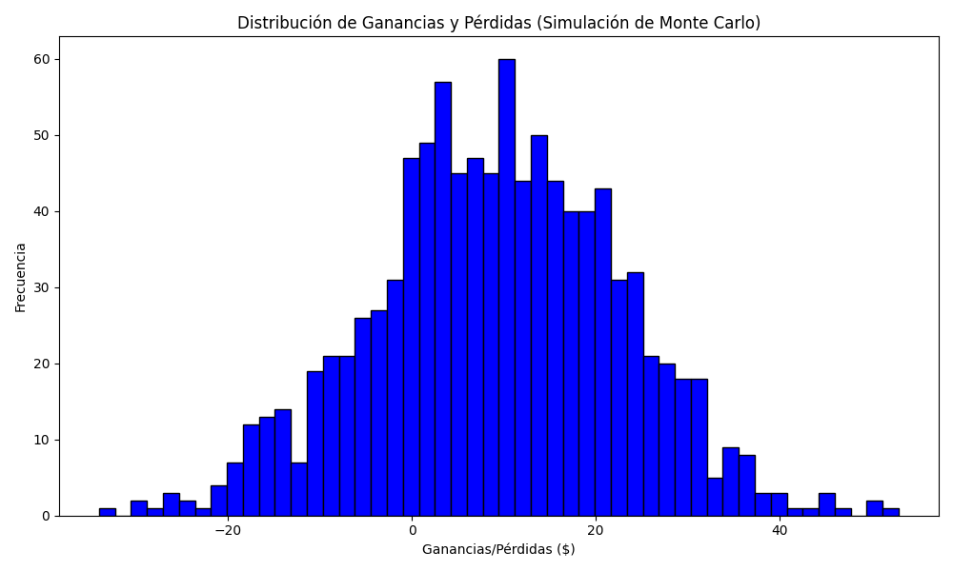
Promedio de Ganancia/Pérdida | Mediana de Ganancia/Pérdida | Ganancia/Pérdida Máxima | Ganancia/Pérdida Mínima | Probabilidad de Ganancia (>0)
9.12683 | 9.2825 | 52.955 | -34.06 | 0

